Auto Mechanic
Sector name | Occupation name | Equipment name | Minimum number of equipment required (per batch of 30 trainees) | Unit type | Images
 | Auto Mechanic | A/C Manifold Gauge Set |  |  | 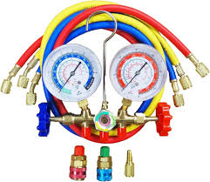
 | Auto Mechanic | A/C Recharge Kit |  |  | 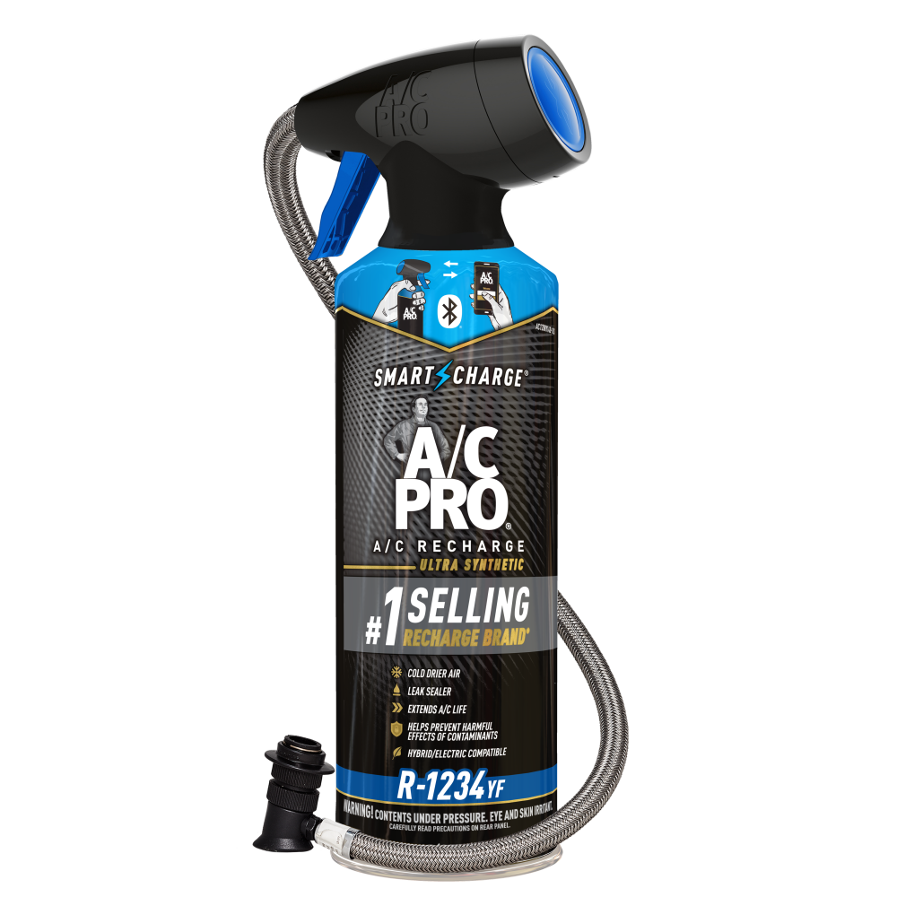
 | Auto Mechanic | Adjustable Wrench
 | Auto Mechanic | Air Vacuum Fill Tool |  |  | 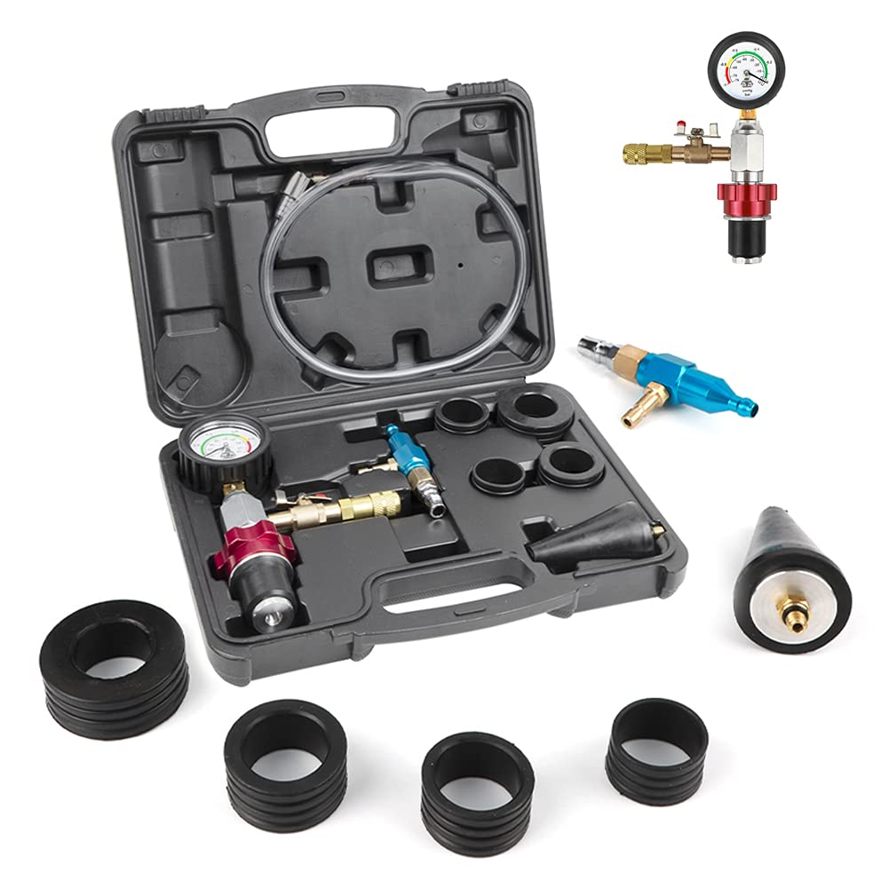
 | Auto Mechanic | Alignment Rack
 | Auto Mechanic | Alternator |  |  | 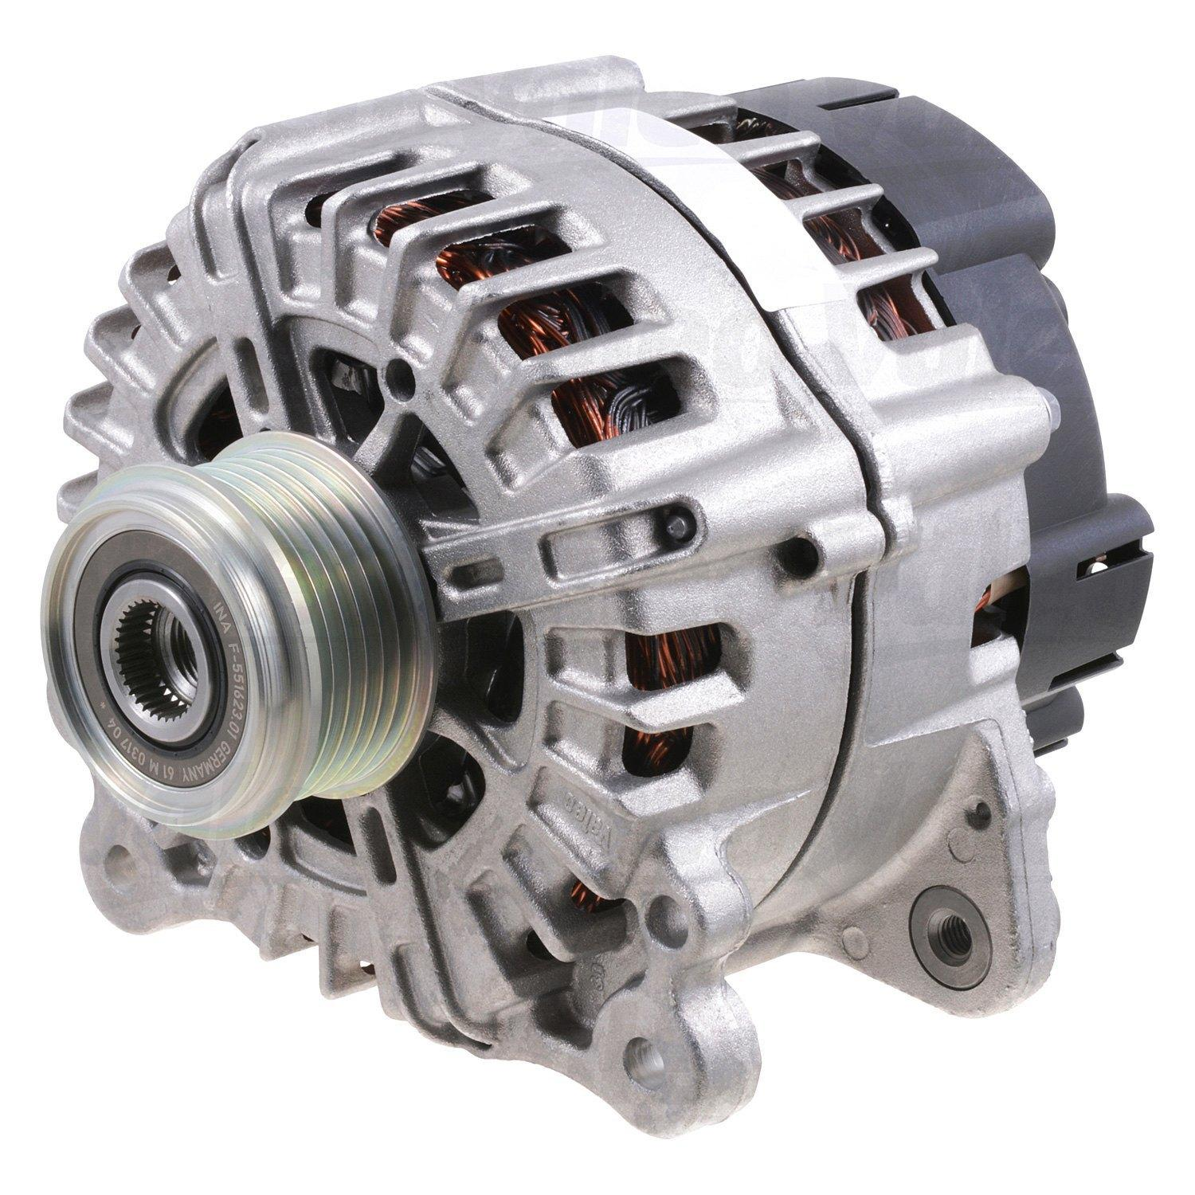
 | Auto Mechanic | Antifreeze |  |  | 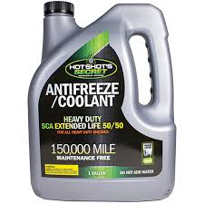
 | Auto Mechanic | Auto Leveler |  |  | 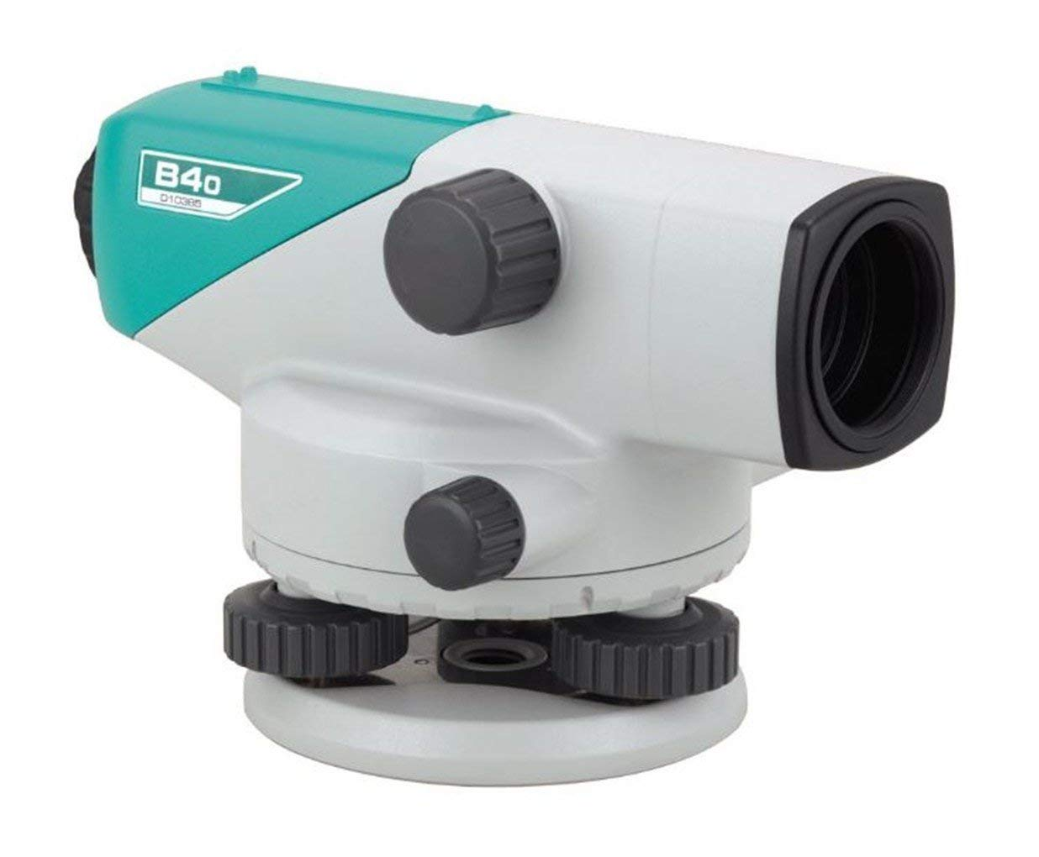
 | Auto Mechanic | Automotive Circuit Tester |  |  | 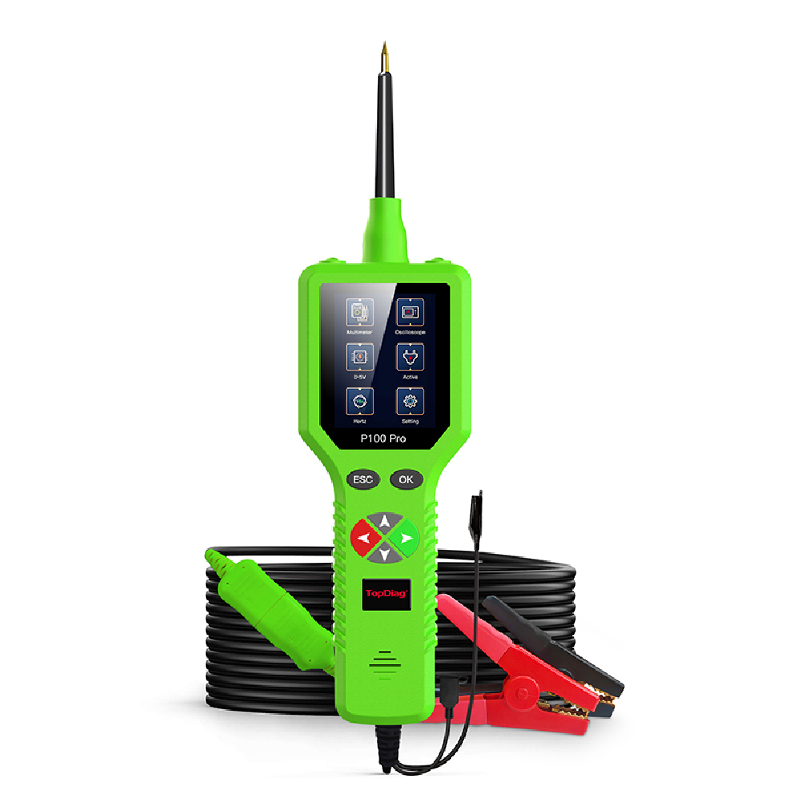
 | Auto Mechanic | automotive diagnostic scanner |  |  | 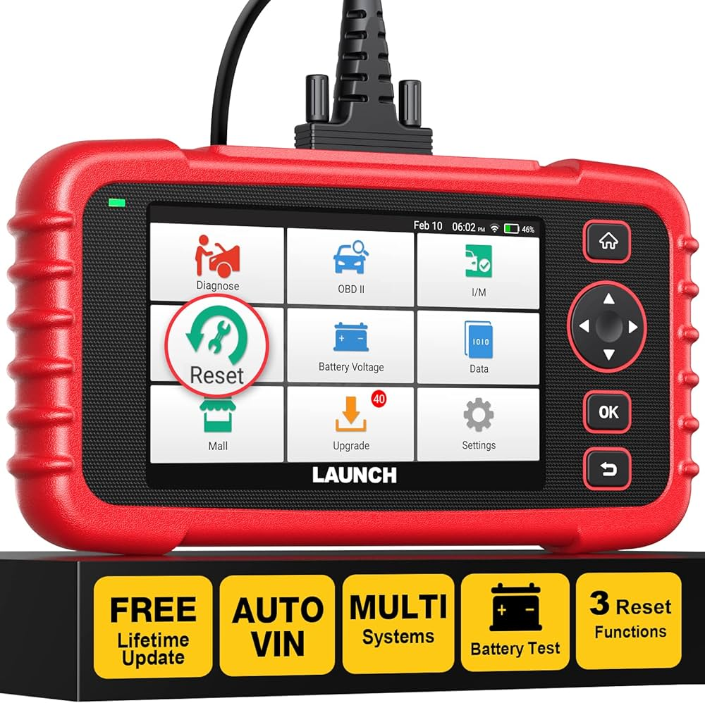
 | Auto Mechanic | Automotive Multimeter |  |  | 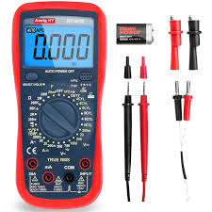
 | Auto Mechanic | Battery Tester |  |  | 
 | Auto Mechanic | Brake Bleeder |  |  | 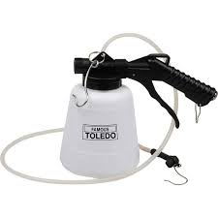
 | Auto Mechanic | Brake Bleeder Kit |  |  | 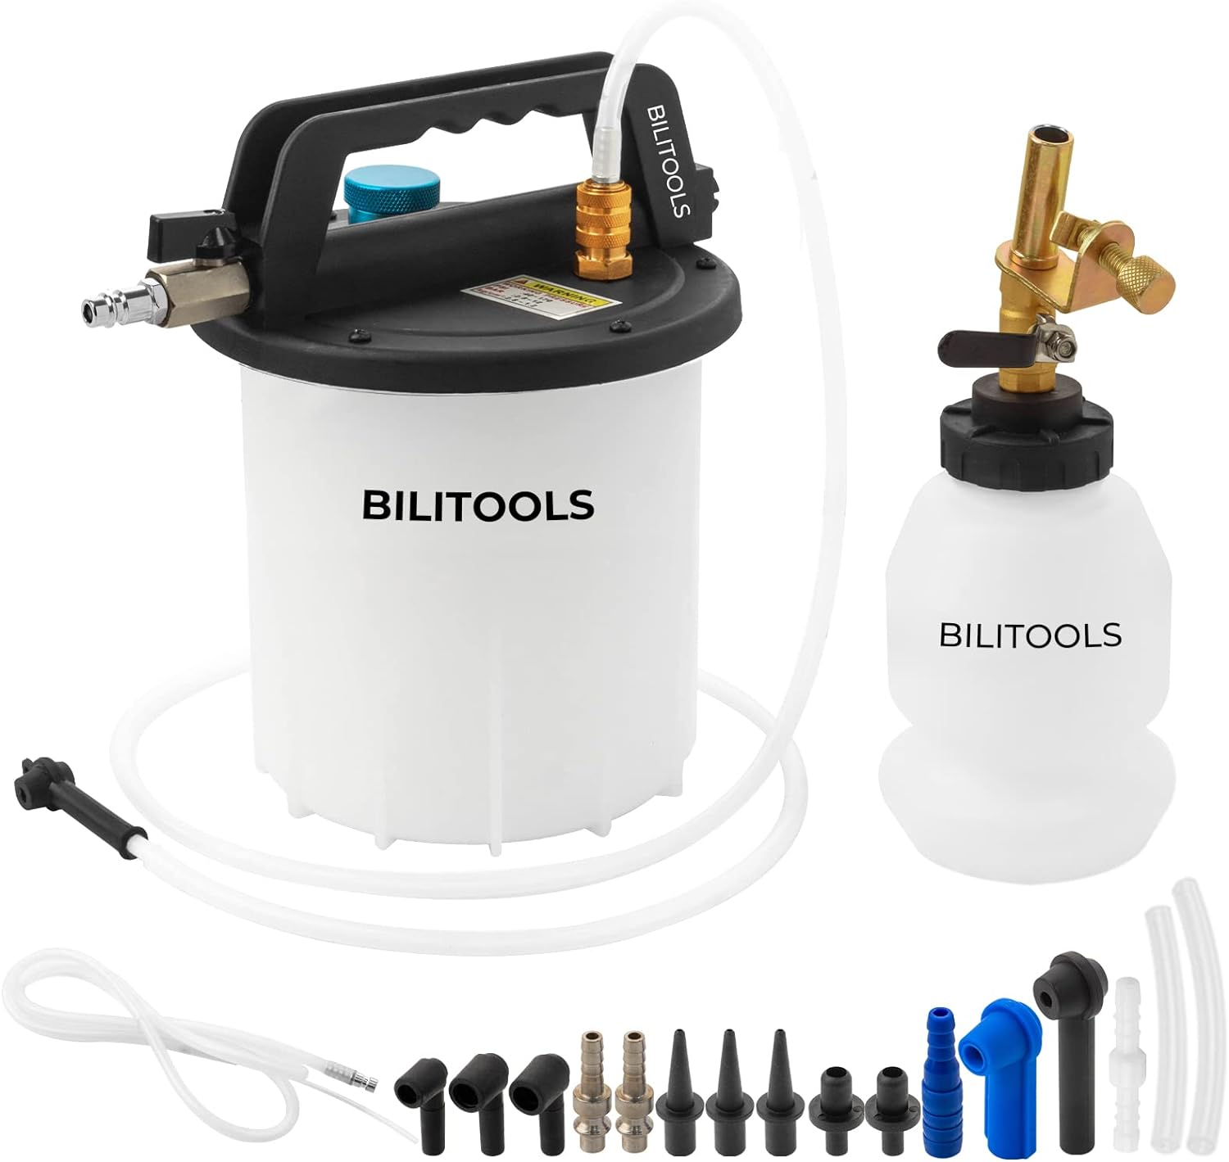
 | Auto Mechanic | Brake Caliper Tool |  |  | 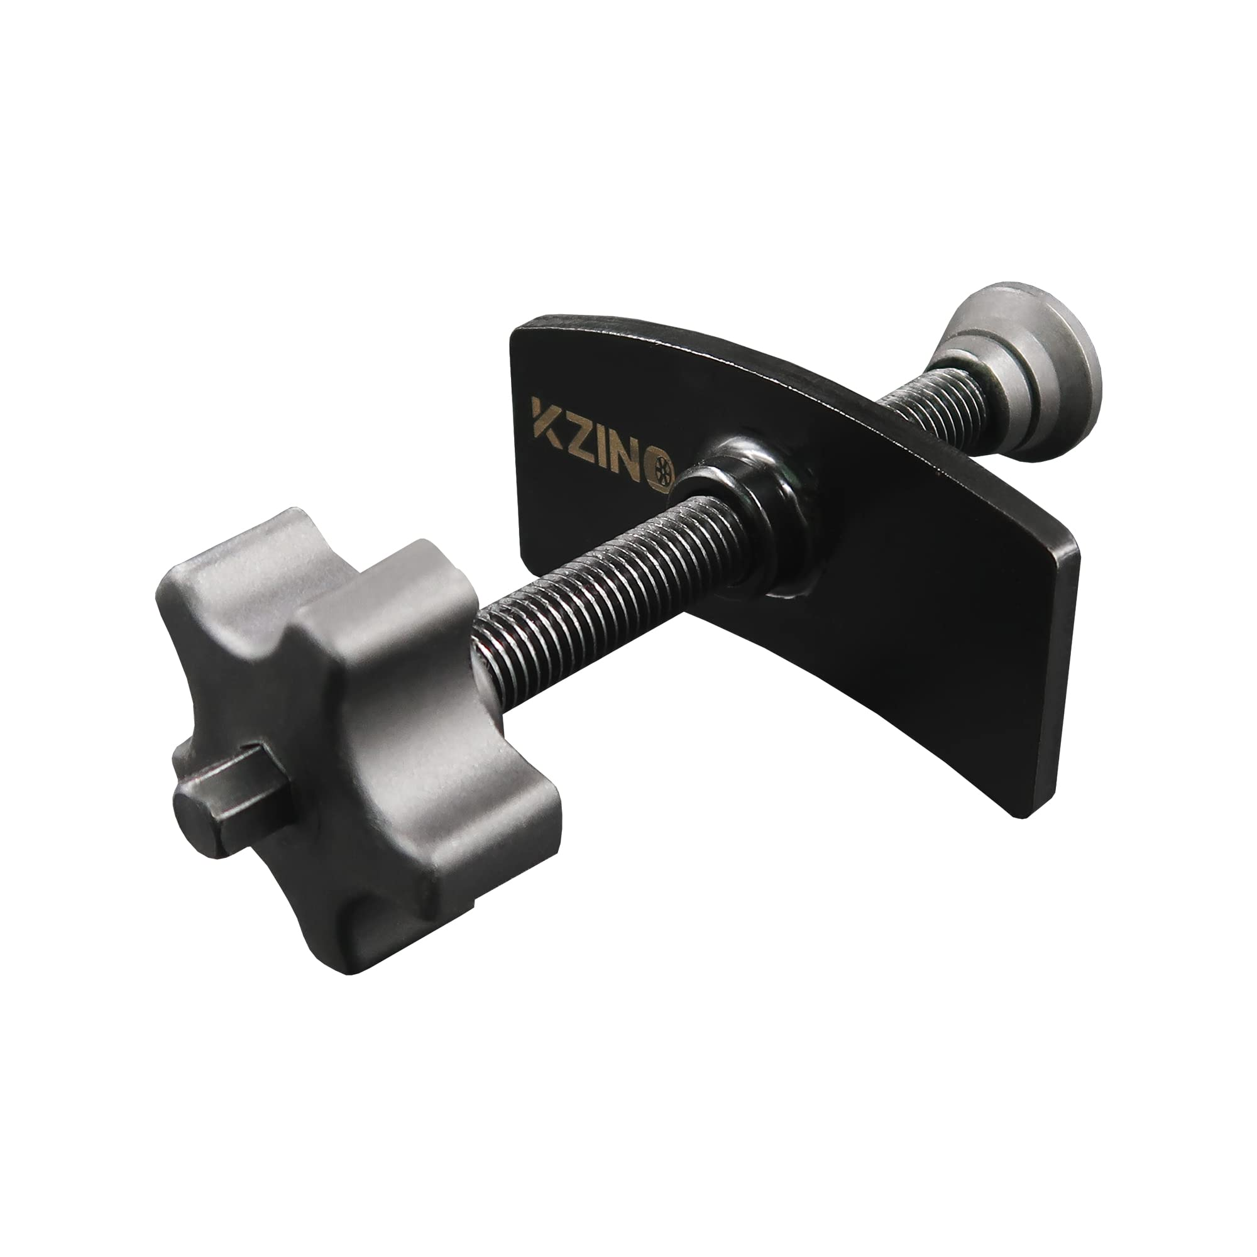
 | Auto Mechanic | Brake Cleaner |  |  | 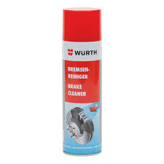
 | Auto Mechanic | Brake fluid
 | Auto Mechanic | Brake Fluid Tester |  |  | 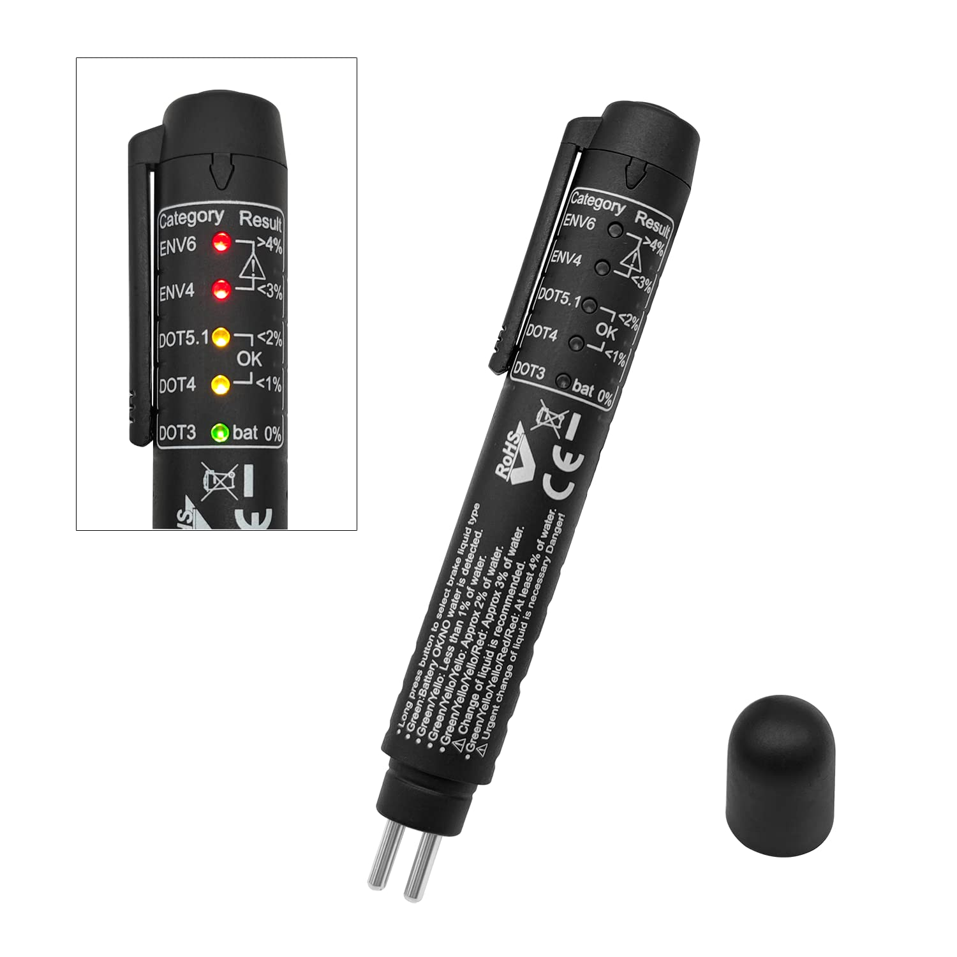
 | Auto Mechanic | Brake Lathe |  |  | 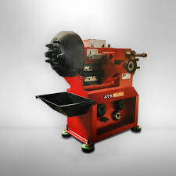
 | Auto Mechanic | Brake pads |  |  | 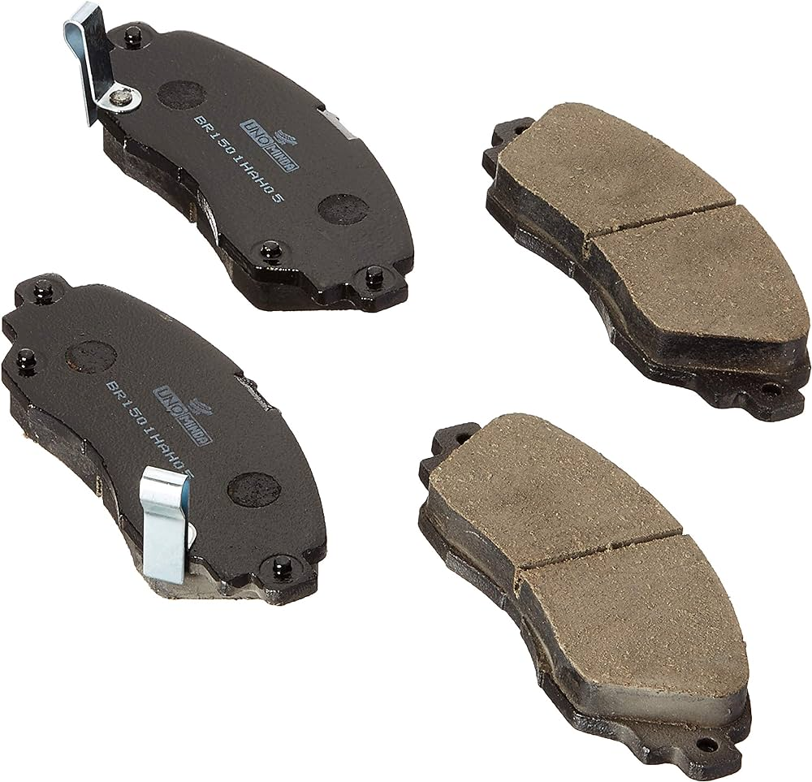
 | Auto Mechanic | Brake Repair Kit |  |  | 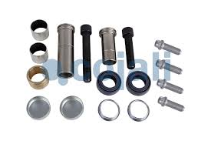
 | Auto Mechanic | brake servicing tools
 | Auto Mechanic | Caliper Compressor |  |  | 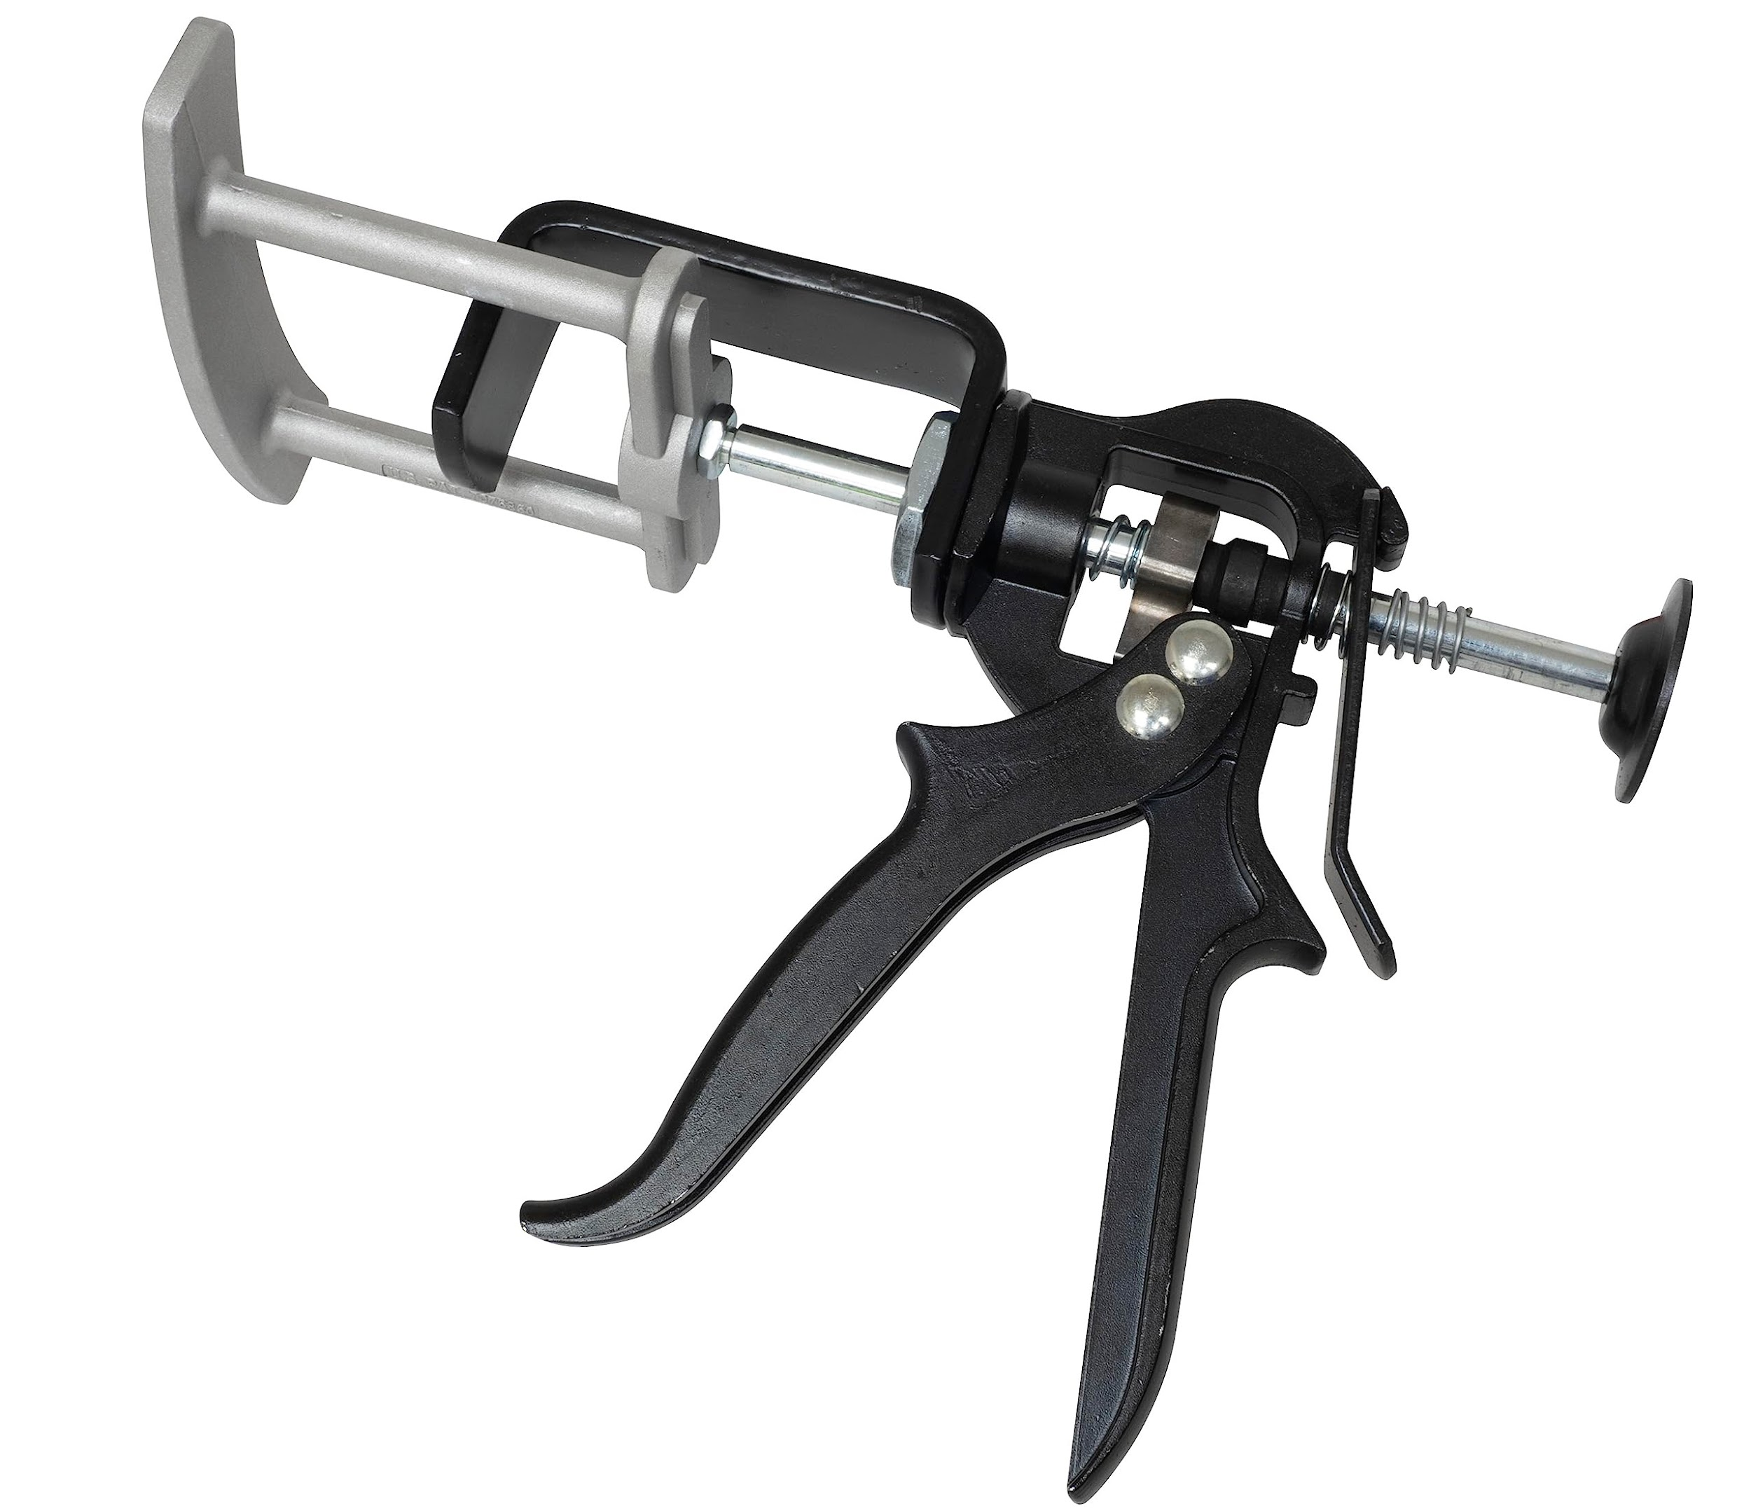
 | Auto Mechanic | Car Jack |  |  | 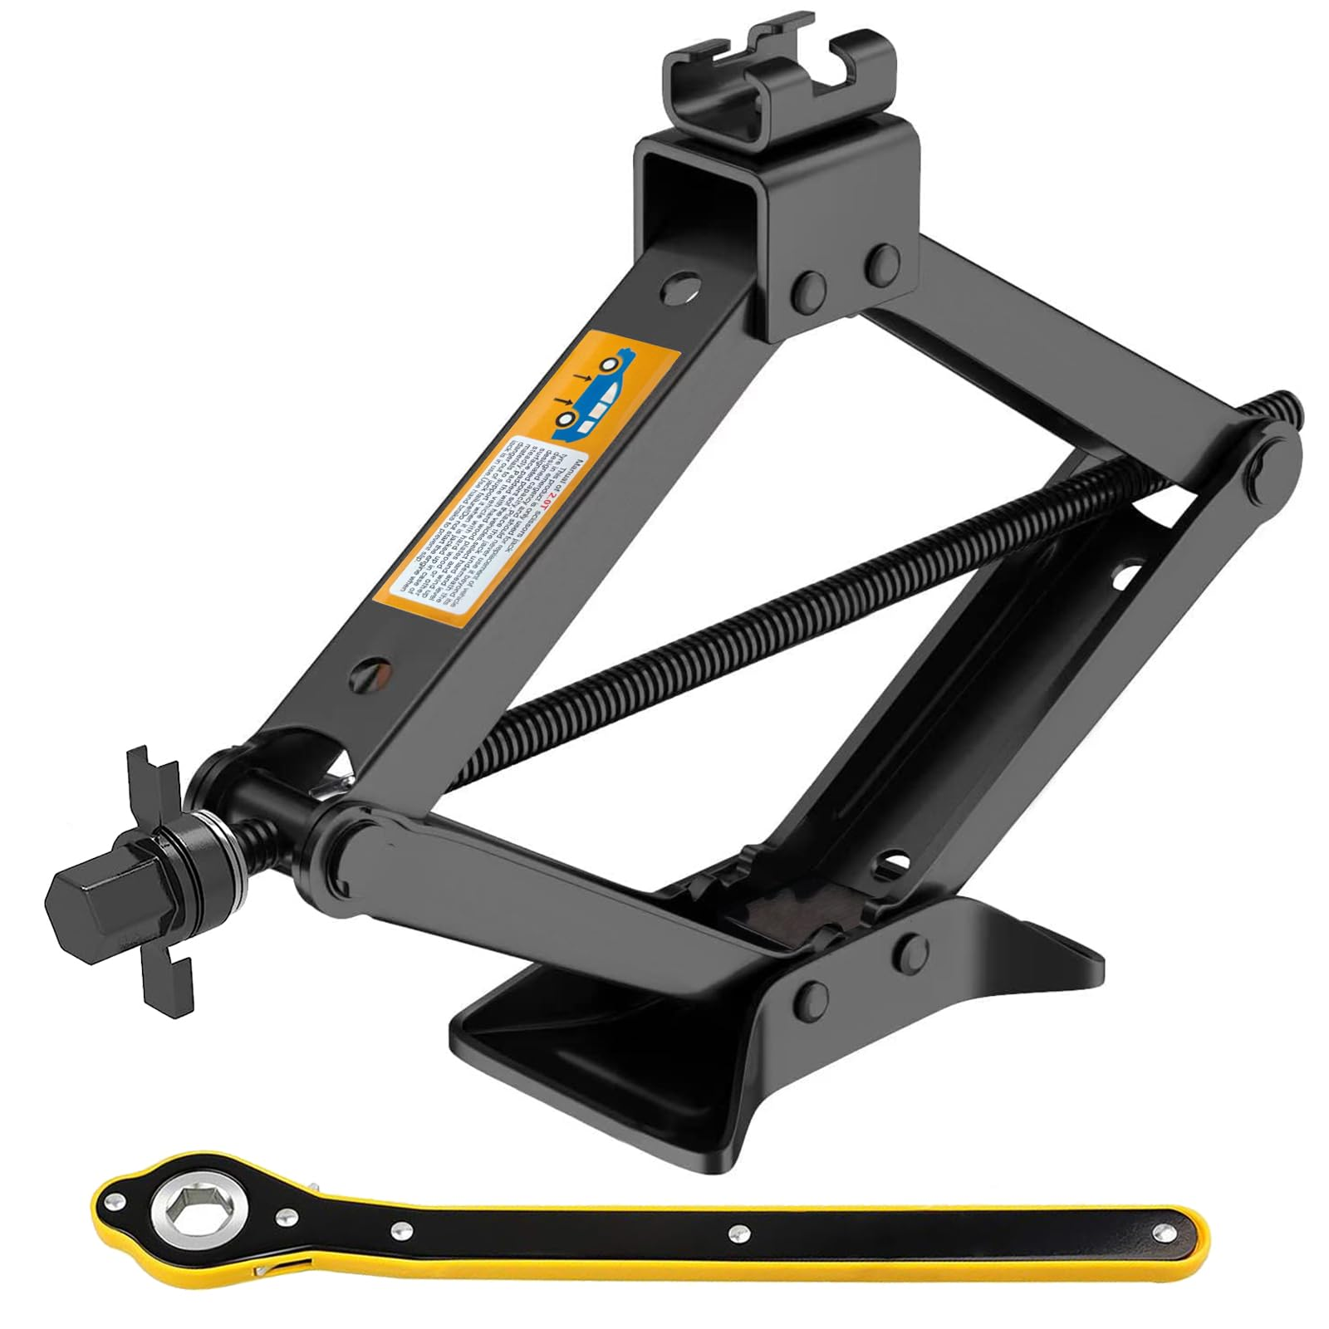
 | Auto Mechanic | Car Lift |  |  | 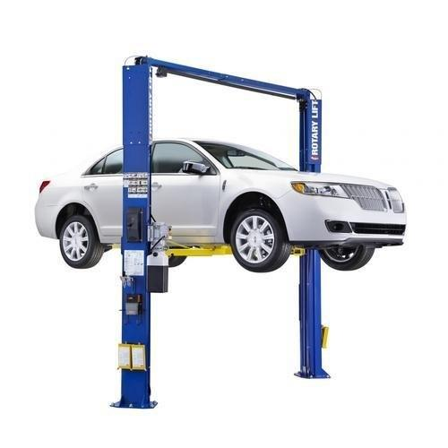
 | Auto Mechanic | Catch Pan |  |  | 
 | Auto Mechanic | Clutch Alignment Tool
 | Auto Mechanic | Coolant
 | Auto Mechanic | Coolant drain pan |  |  | 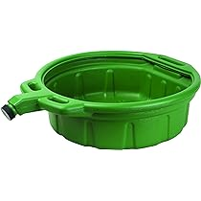
 | Auto Mechanic | Cooling System Flush Machine
 | Auto Mechanic | Cooling System Pressure Tester |  |  | 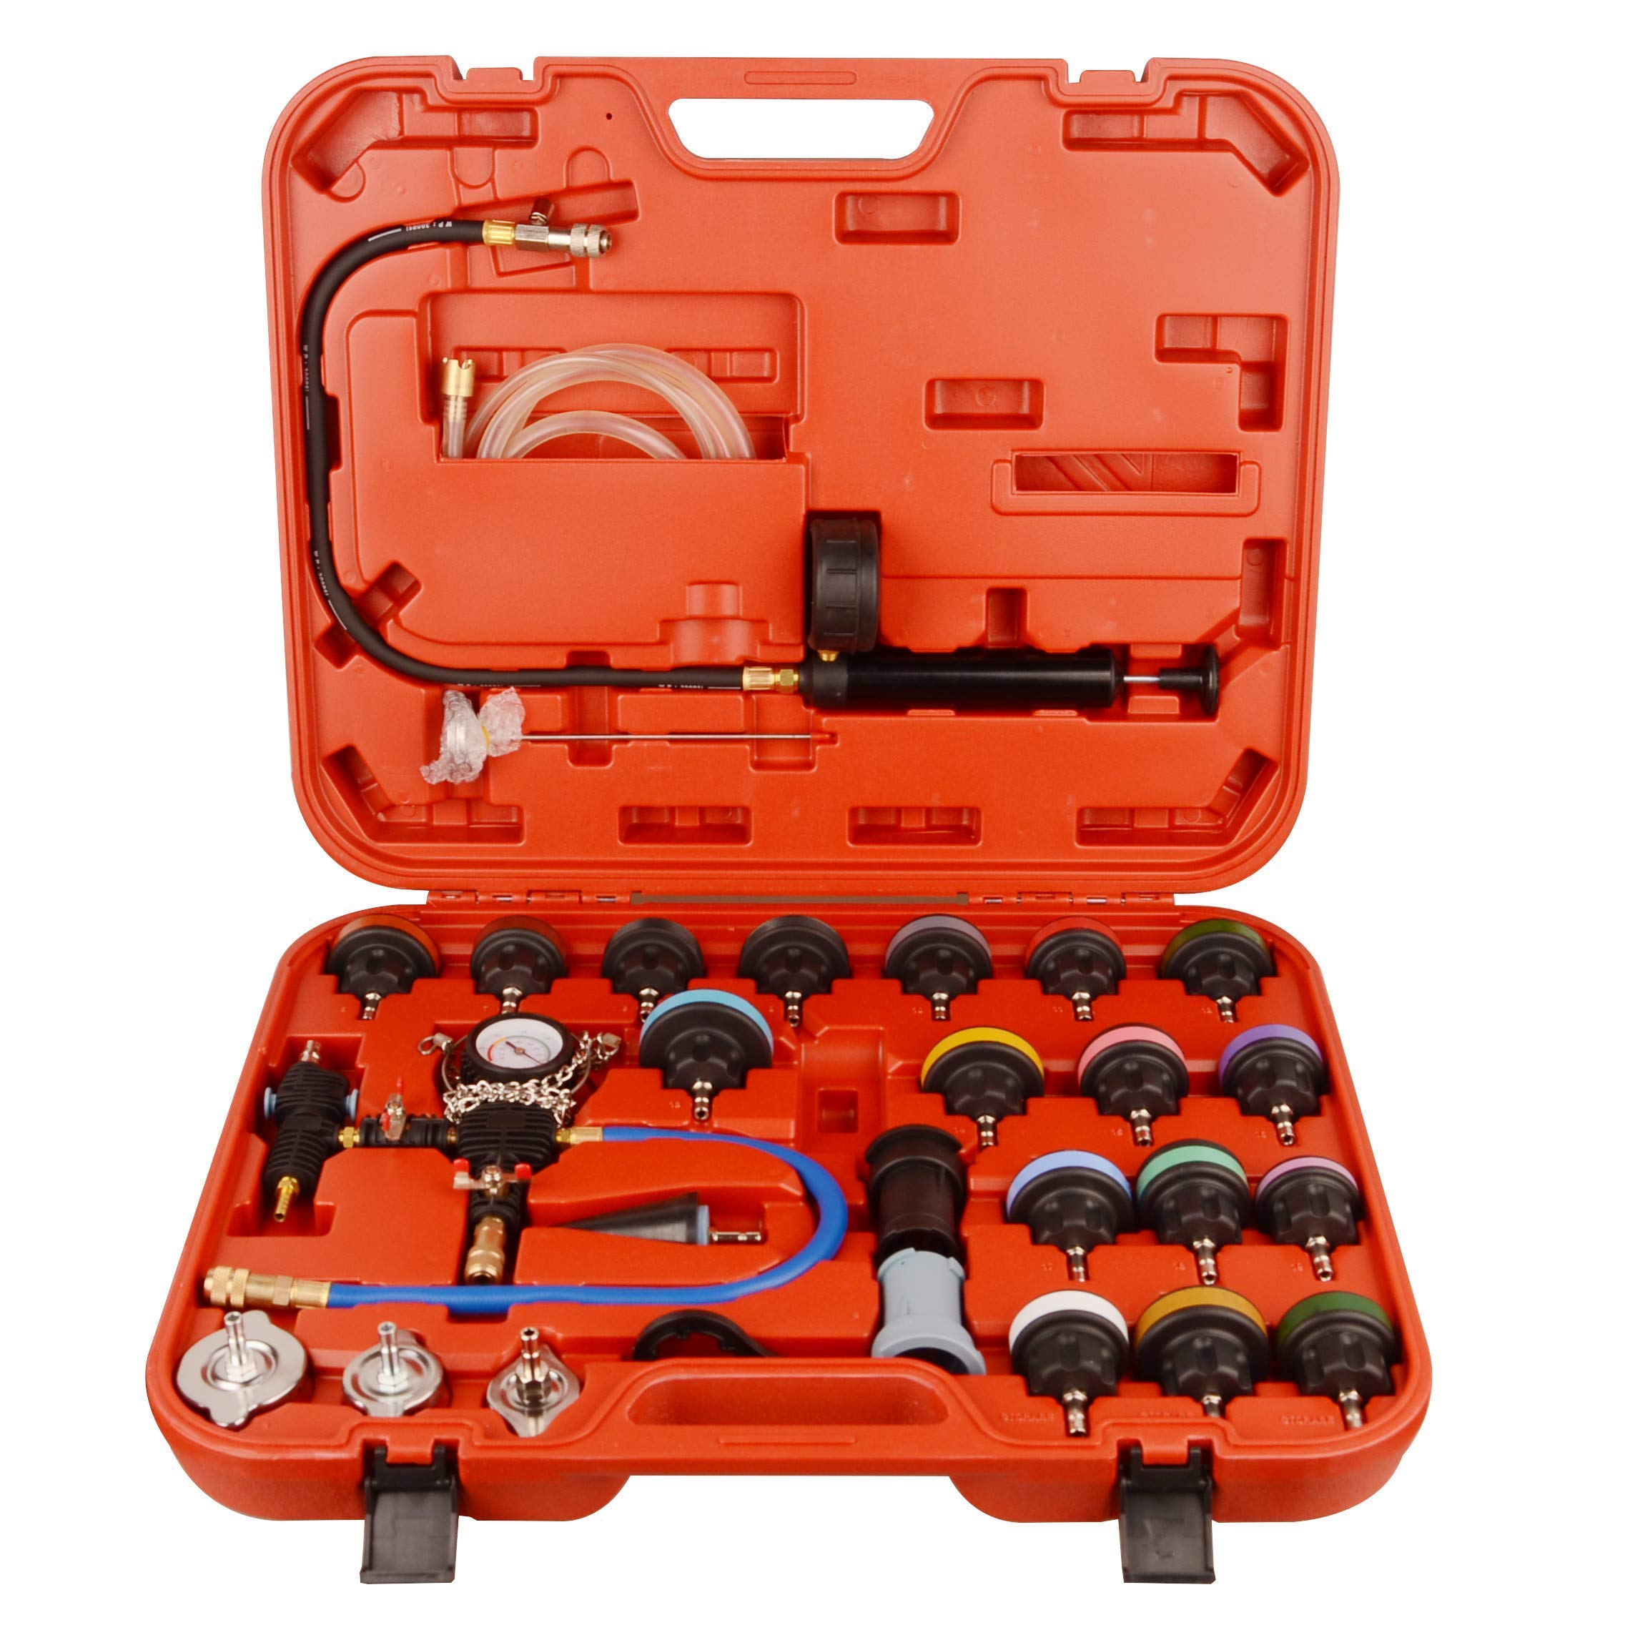
 | Auto Mechanic | Creeper |  |  | 
 | Auto Mechanic | Diagnostic Link Connector (DLC) Cable
 | Auto Mechanic | Electrical connectors
 | Auto Mechanic | electronic diagnostics kit |  |  | 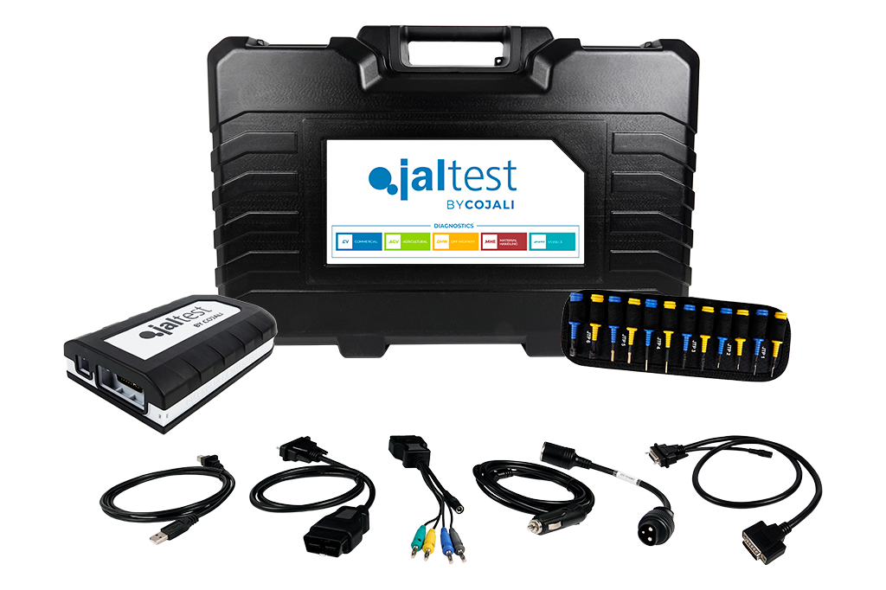
 | Auto Mechanic | Engine Hoist
 | Auto Mechanic | Engine oil |  |  | 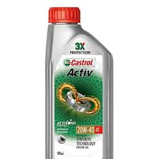
 | Auto Mechanic | Fault Code Reader |  |  | 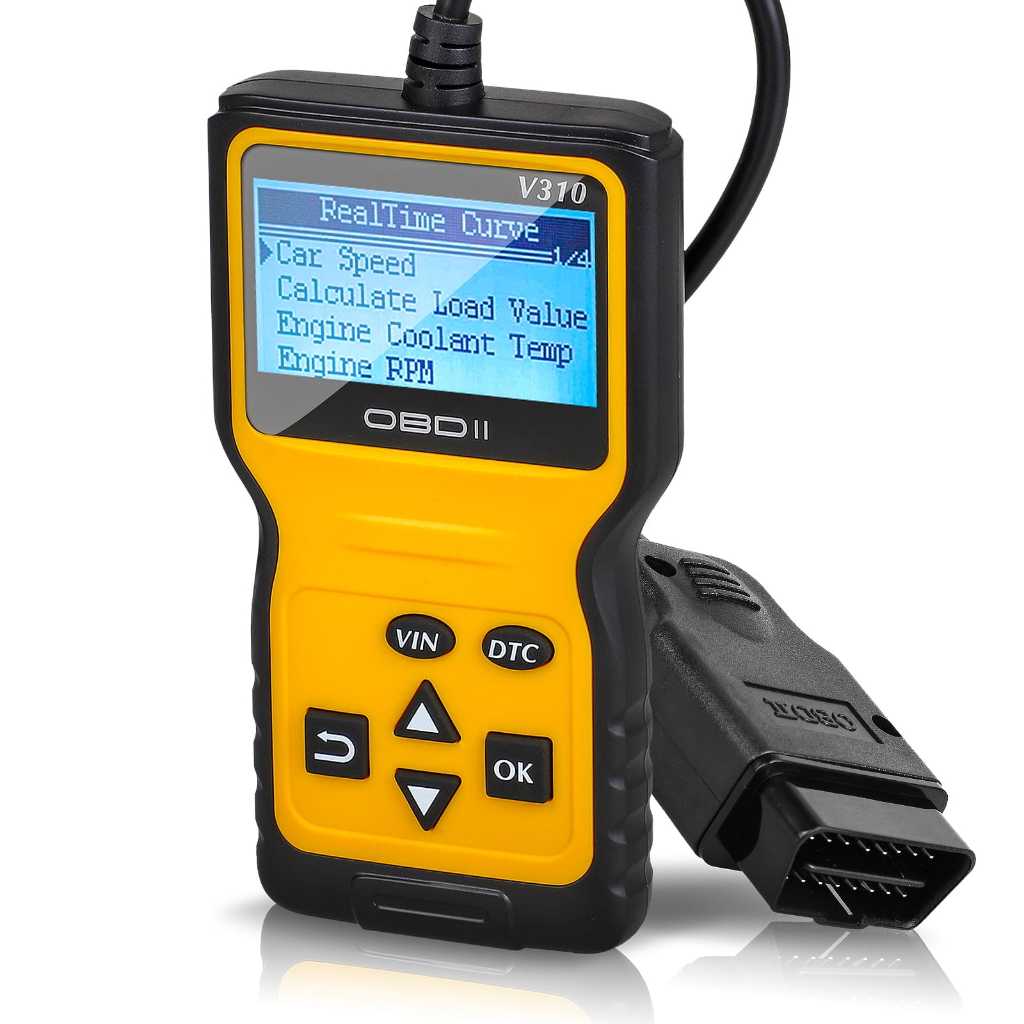
 | Auto Mechanic | Flashlight
 | Auto Mechanic | fluid draining kit
 | Auto Mechanic | Fluid Extractor Pump |  |  | 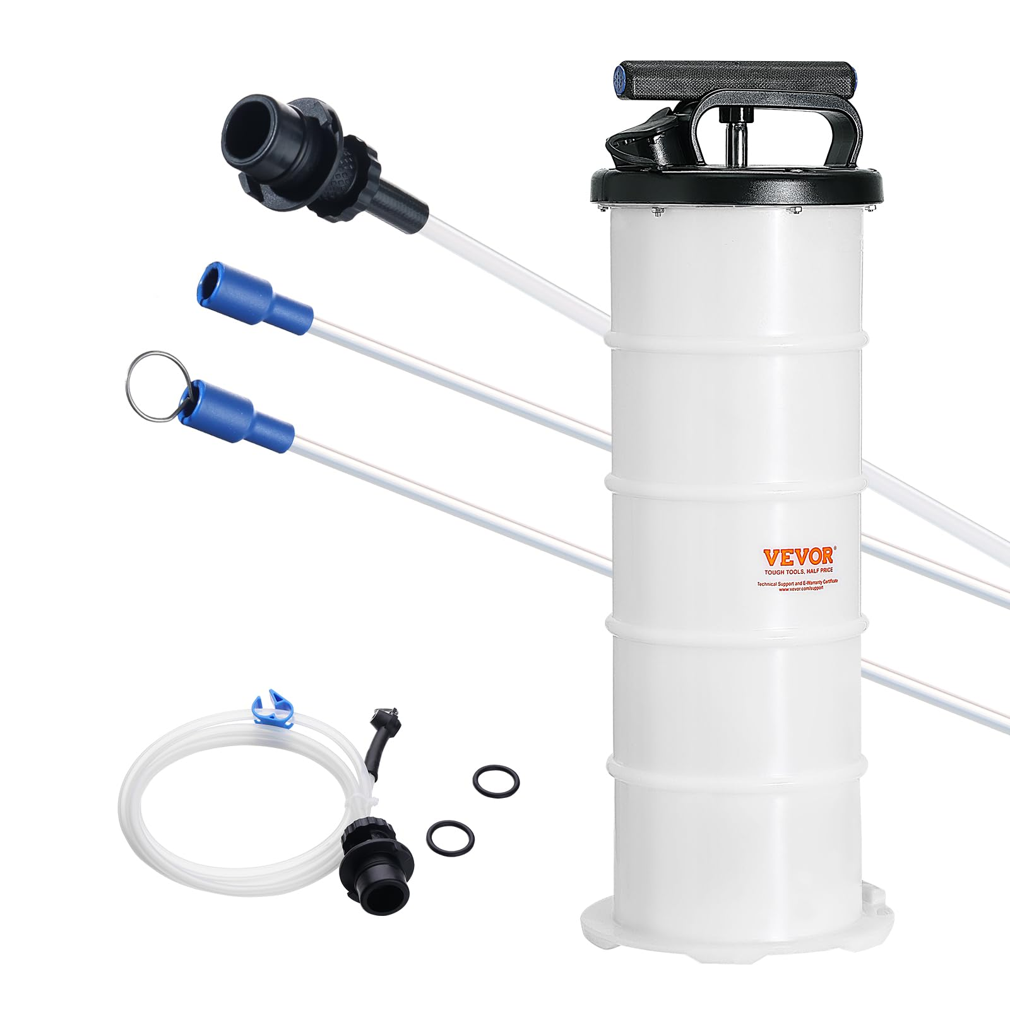
 | Auto Mechanic | Fluid Pump |  |  | 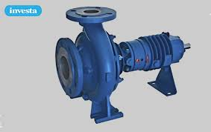
 | Auto Mechanic | Fuel Pressure Tester
 | Auto Mechanic | Funnel
 | Auto Mechanic | HVAC diagnostics kit
 | Auto Mechanic | Hydraulic jack |  |  | 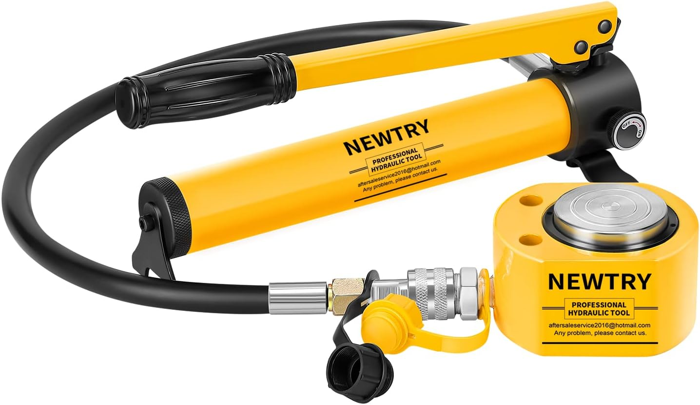
 | Auto Mechanic | Impact Wrench
 | Auto Mechanic | Installation tools |  |  | 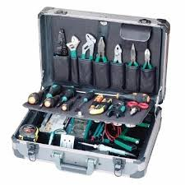
 | Auto Mechanic | insulated tools. |  |  | 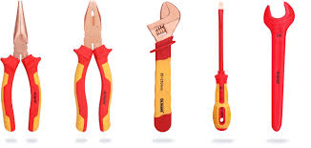
 | Auto Mechanic | Jack Stands |  |  | 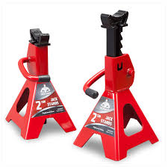
 | Auto Mechanic | Leak detector |  |  | 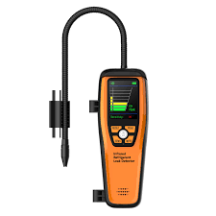
 | Auto Mechanic | Lift Jack |  |  | 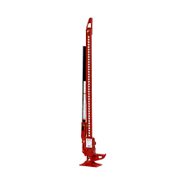
 | Auto Mechanic | Lug wrench |  |  | 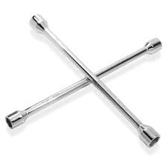
 | Auto Mechanic | Manifold Gauge Set |  |  | 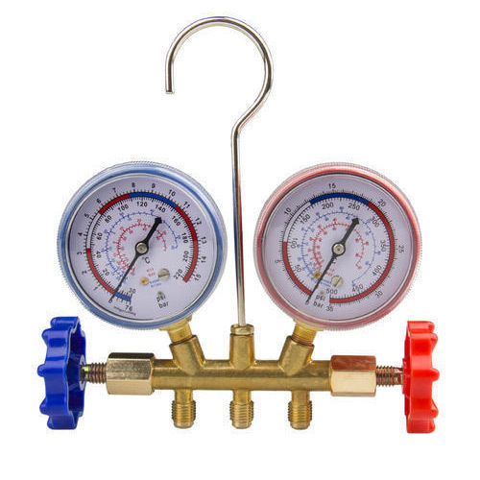
 | Auto Mechanic | modern hatchback
 | Auto Mechanic | New Aftermarket Exhaust System |  |  | 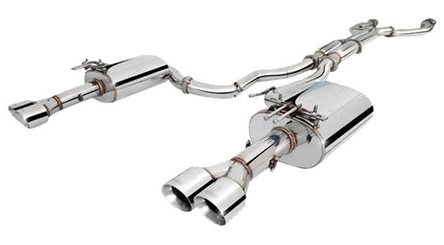
 | Auto Mechanic | new HVAC unit |  |  | 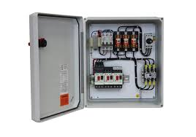
 | Auto Mechanic | New Radiator
 | Auto Mechanic | OBD-II Diagnostic Scanner
 | Auto Mechanic | Oil Drain Pan |  |  | 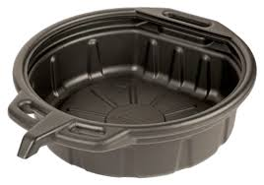
 | Auto Mechanic | Oil Filter Wrench |  |  | 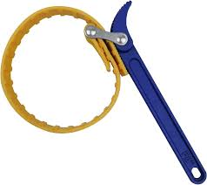
 | Auto Mechanic | Pliers |  |  | 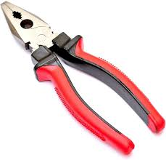
 | Auto Mechanic | Pressure Gauge |  |  | 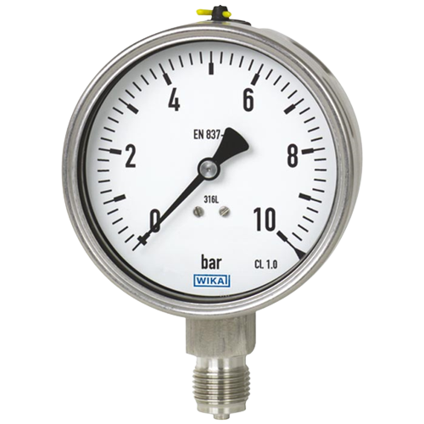
 | Auto Mechanic | Radiator Flush Kit |  |  | 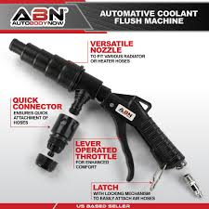
 | Auto Mechanic | Ratchet |  |  | 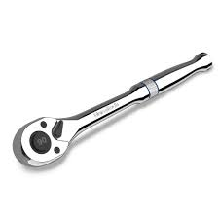
 | Auto Mechanic | Refrigerant |  |  | 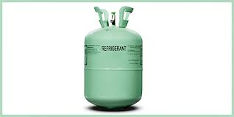
 | Auto Mechanic | refrigerant recovery machine
 | Auto Mechanic | alternator |  |  | 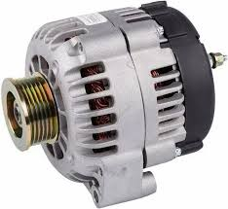
 | Auto Mechanic | battery |  |  | 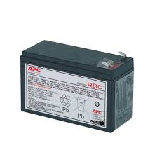
 | Auto Mechanic | brake pads |  |  | 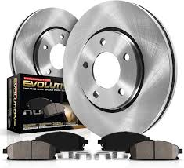
 | Auto Mechanic | Filter |  |  | 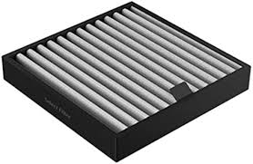
 | Auto Mechanic | Oil Filter
 | Auto Mechanic | Spark Plugs
 | Auto Mechanic | suspension parts
 | Auto Mechanic | Transmission |  |  | 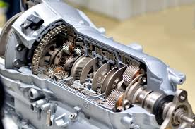
 | Auto Mechanic | Safety Boots
 | Auto Mechanic | Screwdriver Set |  |  | 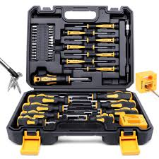
 | Auto Mechanic | Serpentine belt |  |  | 
 | Auto Mechanic | Set of wrenches |  |  | 
 | Auto Mechanic | Socket Set |  |  | 
 | Auto Mechanic | Soldering Iron |  |  | 
 | Auto Mechanic | Spark Plug Socket |  |  | 
 | Auto Mechanic | Spark Plug Tester
 | Auto Mechanic | Strut Spring Compressor |  |  | 
 | Auto Mechanic | timing light
 | Auto Mechanic | Tire Iron |  |  | 
 | Auto Mechanic | Tool Set (sockets |  |  | 
 | Auto Mechanic | Torque Wrench |  |  | 
 | Auto Mechanic | Transmission fluid
 | Auto Mechanic | Transmission Fluid Pump |  |  | 
 | Auto Mechanic | Transmission Flush Machine
 | Auto Mechanic | Transmission Jack |  |  | 
 | Auto Mechanic | Vacuum Pump |  |  | 
 | Auto Mechanic | voltmeter
 | Auto Mechanic | Welding machine |  |  | 
 | Auto Mechanic | Wheel Balancer |  |  | 
 | Auto Mechanic | Wiring diagrams of the vehicle |  |  | 
 | Auto Mechanic | Wiring Harness Adapter |  |  | 
 | Auto Mechanic | Wrench Set |  |  | 
 | Auto Mechanic | Gasket |  |  | 
 | Auto Mechanic | Brake Discs |  |  | 
 | Auto Mechanic | Wire Splicing Kit |  |  | 
 | Auto Mechanic | Electrical Tape |  |  | 
 | Auto Mechanic | New timing belt |  |  | 
 | Auto Mechanic | HVAC gauges
 | Auto Mechanic | Extension Bar |  |  | 
 | Auto Mechanic | Transmission filter |  |  | 
 | Auto Mechanic | Hoses |  |  | 
 | Auto Mechanic | Battery Terminal Cleaner |  |  | 
 | Auto Mechanic | New Rotors |  |  | 
 | Auto Mechanic | Anti-Seize Compound |  |  | 
 | Auto Mechanic | Exhaust Sealant
 | Auto Mechanic | Spanners |  |  | 
 | Auto Mechanic | Caliper Wind Back Tool |  |  | 
 | Auto Mechanic | catch basin |  |  | 
 | Auto Mechanic | Caliper Rewind Tool |  |  | 
 | Auto Mechanic | Trim Removal Tools |  |  | 
 | Auto Mechanic | Drive Belt |  |  | 
 | Auto Mechanic | Anti-Corrosion Spray
 | Auto Mechanic | Radiator Fluid |  |  | 
 | Auto Mechanic | motor or switch as needed |  |  | 
 | Auto Mechanic | Lubricant |  |  | 
 | Auto Mechanic | sealant |  |  | 
 | Auto Mechanic | Telemetry system
Protective Equipment & Wear
 | Auto Mechanic | Fire retardant, Reflective jacket or Jumpsuit with multiple pockets and reflective bands
 | Auto Mechanic | Full body harness
 | Auto Mechanic | Face mask (For light duty installation work) |  |  | 
 | Auto Mechanic | Chemical-Resistant Gloves
 | Auto Mechanic | Technician gloves |  |  | 
 | Auto Mechanic | HEPA filter Respirator (When using soldering iron, drills, or handling large electrical equipment like generators) |  |  | 
 | Auto Mechanic | Protective Safety Glasses/Goggles |  |  | 
 | Auto Mechanic | Insulated boots |  |  | 
 | Auto Mechanic | Insulated Ladder
 | Auto Mechanic | Polypropylene Safety Hat (When working at construction site, at all times) |  |  | 
 | Auto Mechanic | Elbow and knee guards |  |  | 
 | Auto Mechanic | Insulated gloves |  |  | 
Emergency Protection and Warning Equipment
 | Auto Mechanic | Fire prevention Kit (Containing fire blanket, Heat Resistant Gloves, Escape Rope, Glass Hammer, Glow Sticks, Flashlight, First Aid Supplies with Burn Injury Care Treatment and More) |  |  | 
 | Auto Mechanic | Lockout/Tagout Device with padlock |  |  | 
 | Auto Mechanic | Fire extinguisher (Hand held or Wall mounted)
 | Auto Mechanic | First aid box
 | Auto Mechanic | Safety tags, |  |  | 
 | Auto Mechanic | Safety notice board /safety message board |  |  | 
 | Auto Mechanic | Barricade Cones |  |  | 
 | Auto Mechanic | Warning Signs (Danger)

 | Auto Mechanic

