Baker
Sector name | Occupation name | Equipment name | Minimum number of equipment required (per batch of 30 trainees) | Unit type | Images
 | Baker | Large Mixing Bowl |  |  | 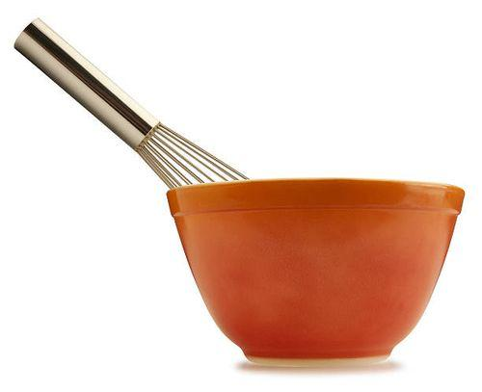
 | Baker | Small Bowl |  |  | 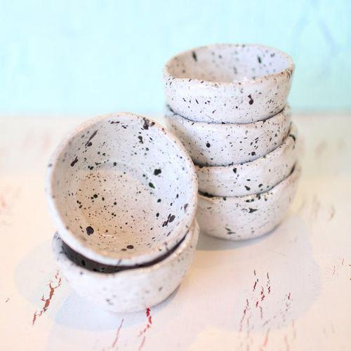
 | Baker | Whisk
 | Baker | Fork |  |  | 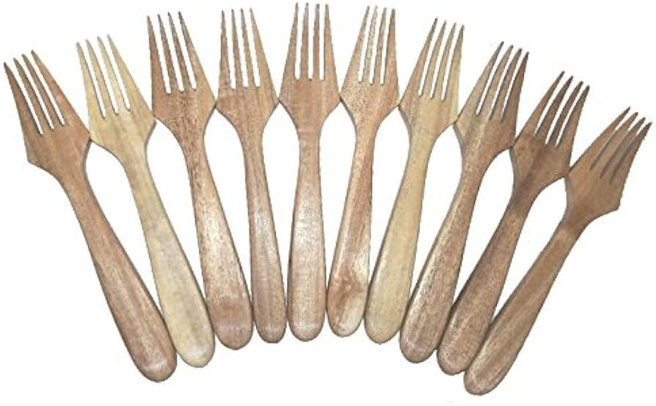
 | Baker | Oven |  |  | 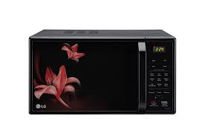
 | Baker | Measuring Cups and Spoons |  |  | 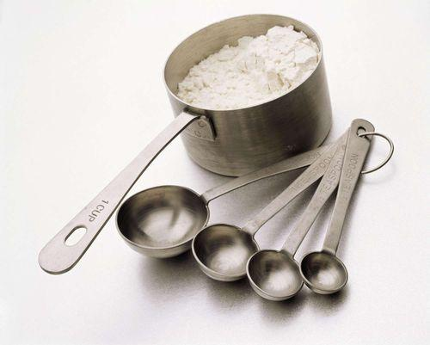
 | Baker | Plastic Wrap |  |  | 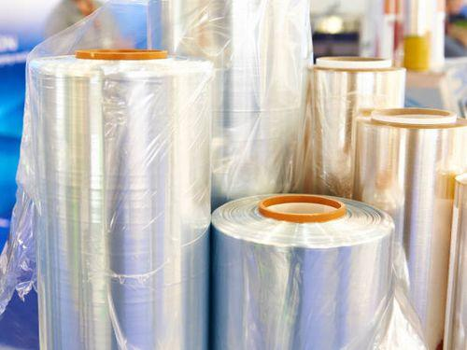
 | Baker | Rolling Pin |  |  | 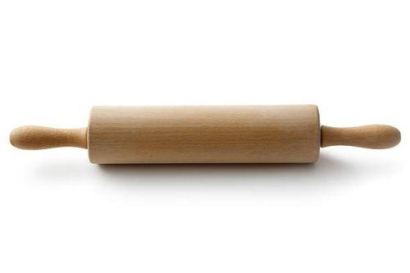
 | Baker | Cookie Cutter or Glass |  |  | 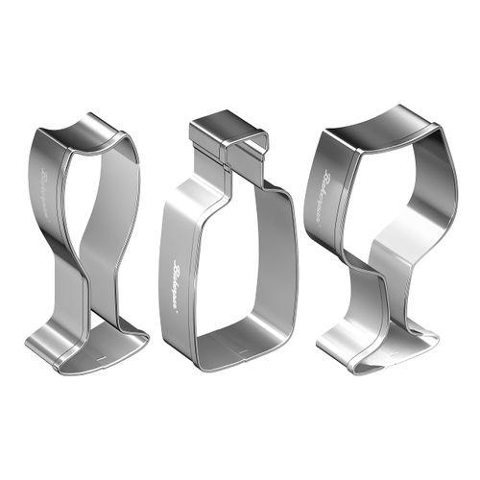
 | Baker | Baking Sheet |  |  | 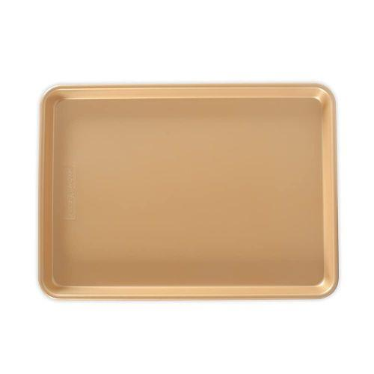
 | Baker | Parchment Paper |  |  | 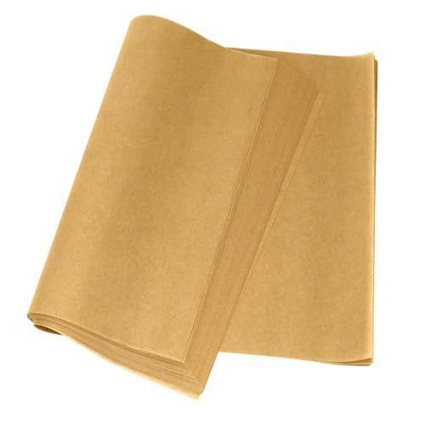
 | Baker | Pastry Brush |  |  | 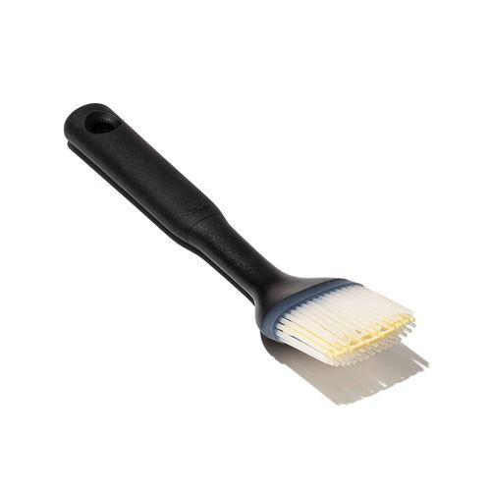
 | Baker | Oven Mitts |  |  | 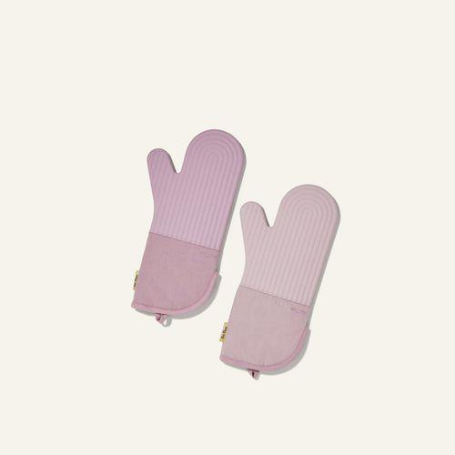
 | Baker | Apron |  |  | 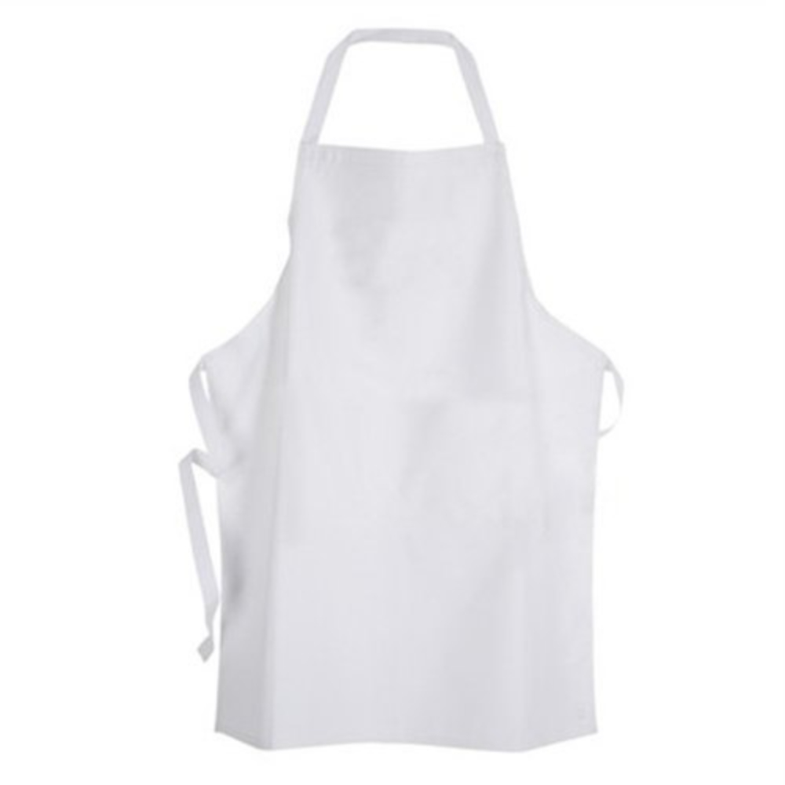
 | Baker | Griddle or Frying Pan |  |  | 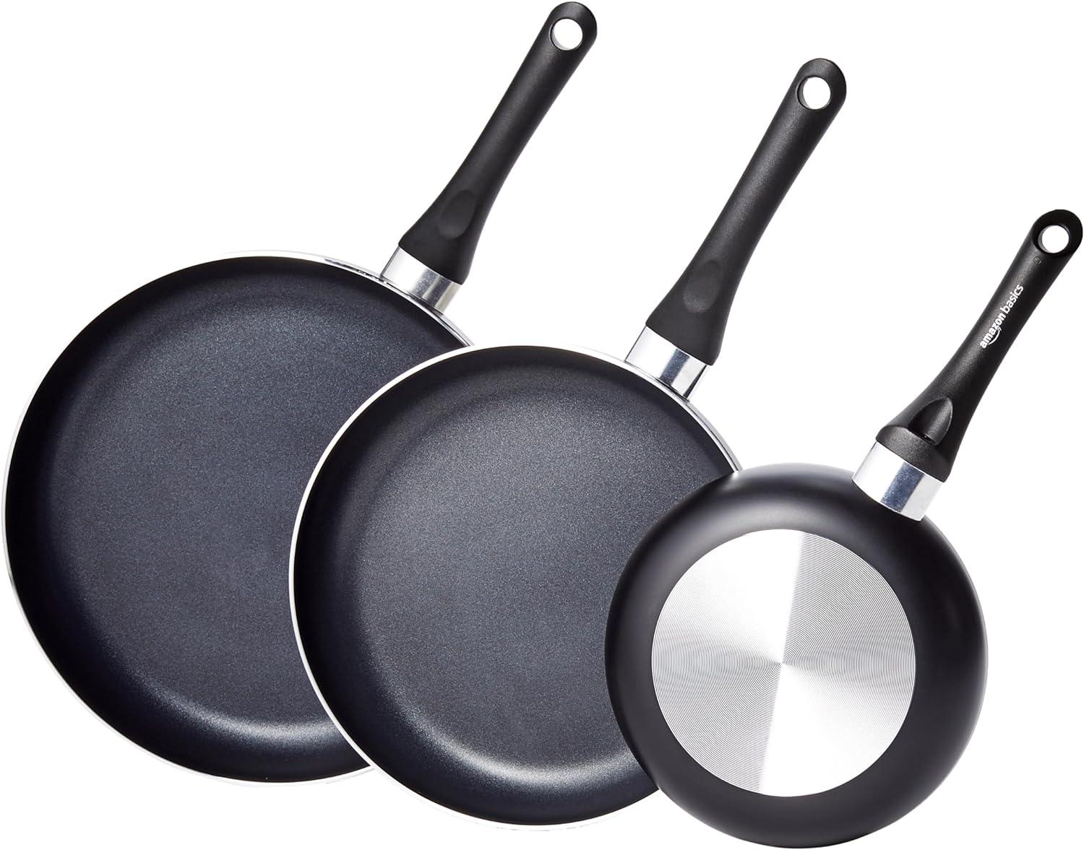
 | Baker | Spatula or Tongs
 | Baker | Muffin Tin |  |  | 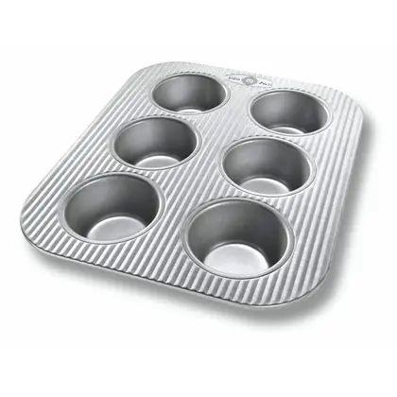
 | Baker | Paper Liners |  |  | 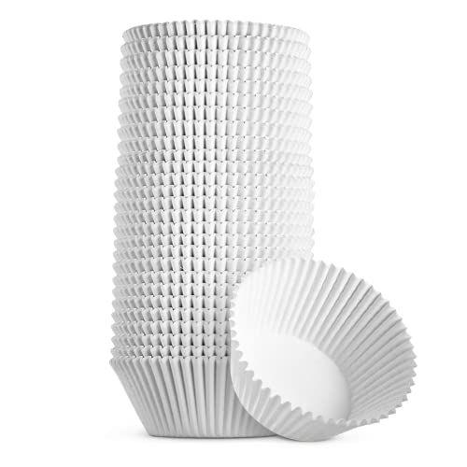
 | Baker | Toothpick or Cake Tester |  |  | 
 | Baker | Wire Rack |  |  | 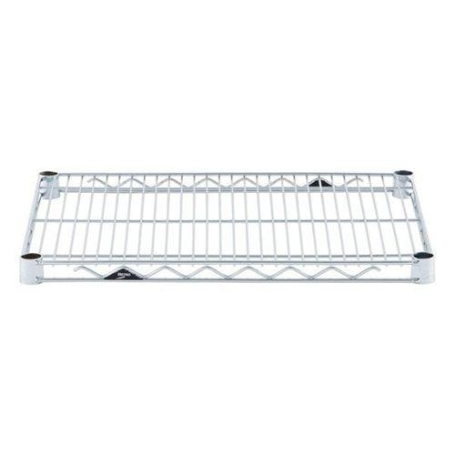
 | Baker | Kitchen Scale |  |  | 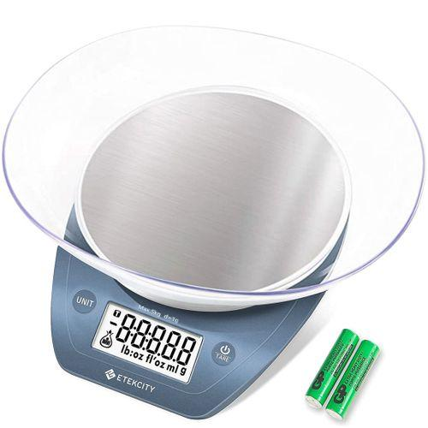
 | Baker | Wooden Spoon or Dough Whisk |  |  | 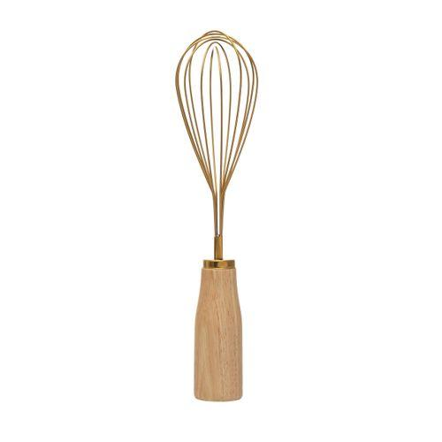
 | Baker | Slotted Spoon or Spider |  |  | 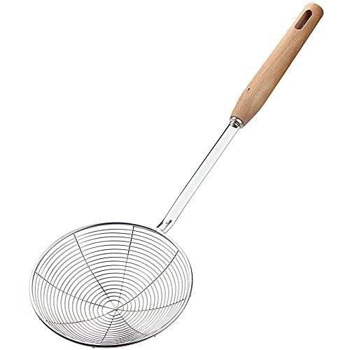
 | Baker | 9x13 Inch Baking Pan |  |  | 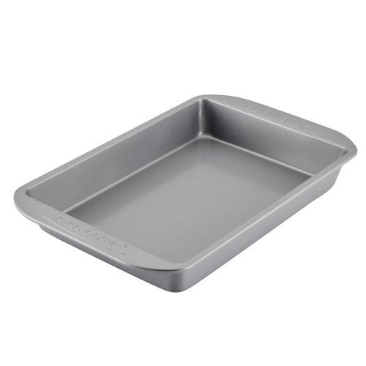
 | Baker | 9x5 Inch Loaf Pan |  |  | 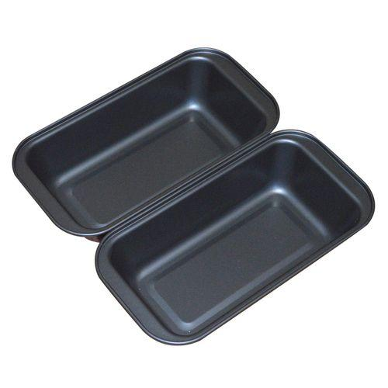
 | Baker | Medium Mixing Bowl |  |  | 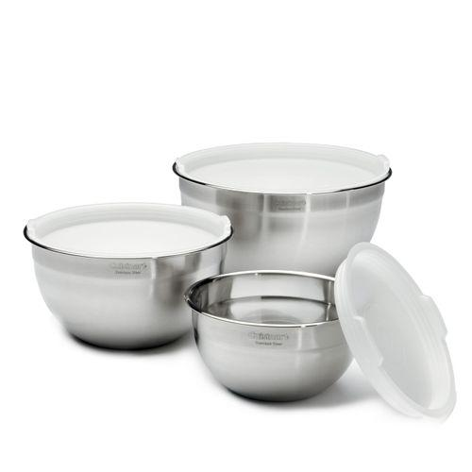
 | Baker | Serrated Knife |  |  | 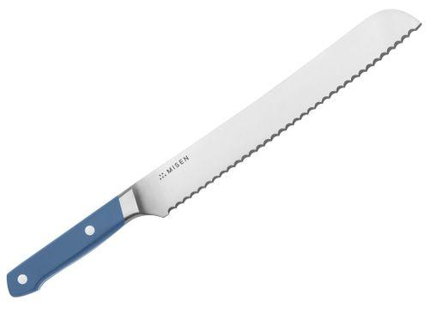
 | Baker | Offset Spatula |  |  | 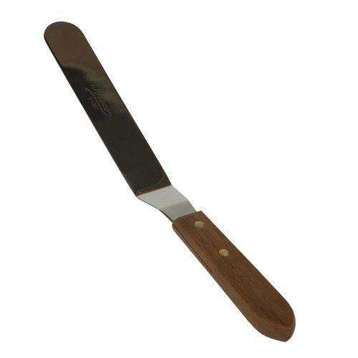
 | Baker | Microwave-Safe Bowl |  |  | 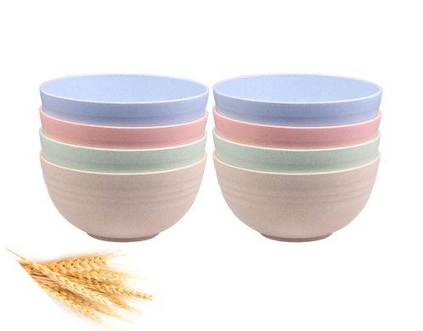
 | Baker | Double Boiler or Heatproof Bowl |  |  | 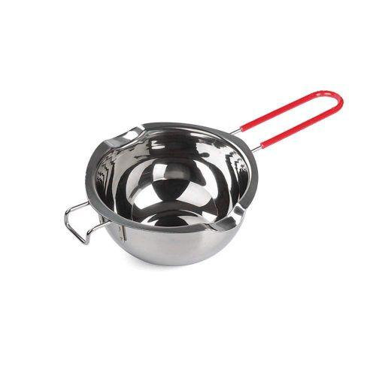
 | Baker | Springform Pan |  |  | 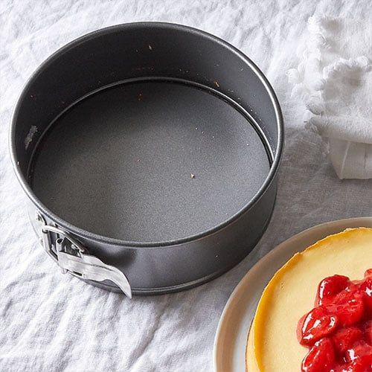
 | Baker | Pie Weights or Dried Beans |  |  | 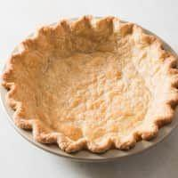
 | Baker | Food Processor
 | Baker | Tart Pan with Removable Bottom |  |  | 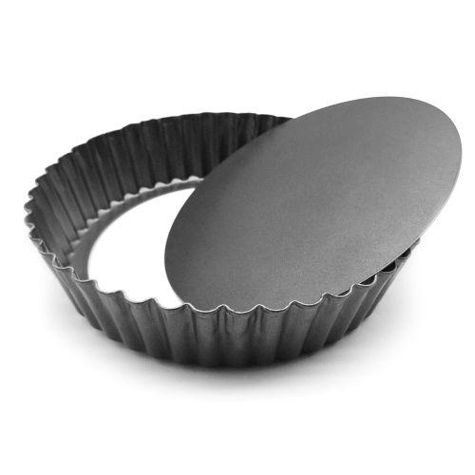
 | Baker | Sharp Razor Blade or Lame |  |  | 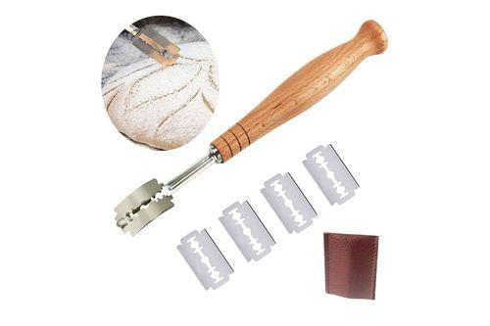
 | Baker | Spray Bottle |  |  | 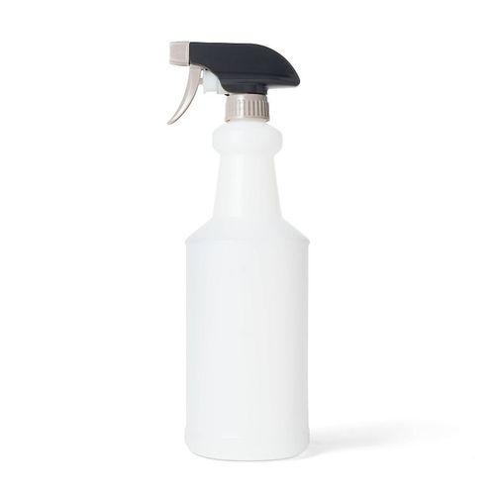
 | Baker | Medium Saucepan |  |  | 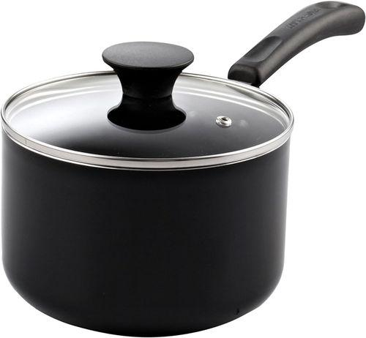
 | Baker | Sieve |  |  | 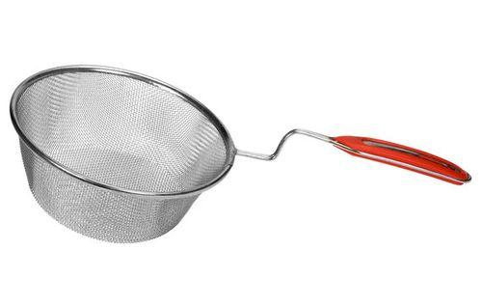
 | Baker | Small Pan |  |  | 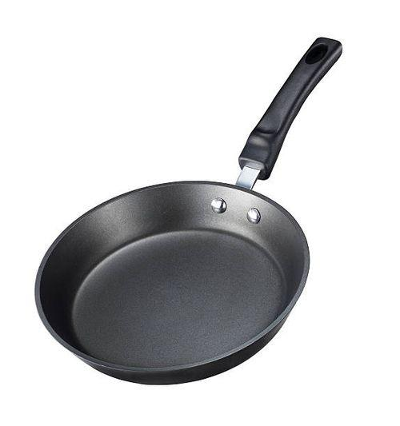
 | Baker | Wooden Ma'amoul Molds |  |  | 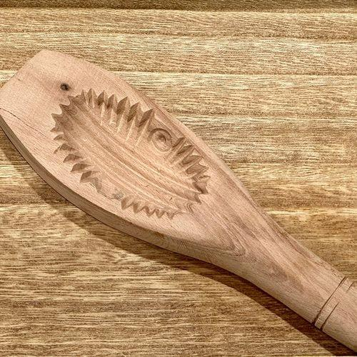
 | Baker | Cookie Scoop |  |  | 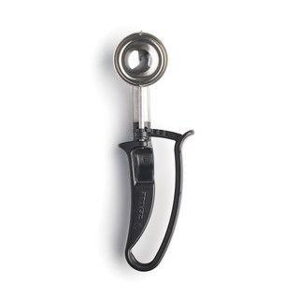
 | Baker | Pastry Blender |  |  | 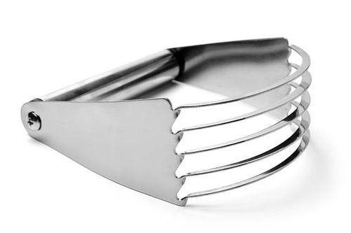
 | Baker | Cutting Board |  |  | 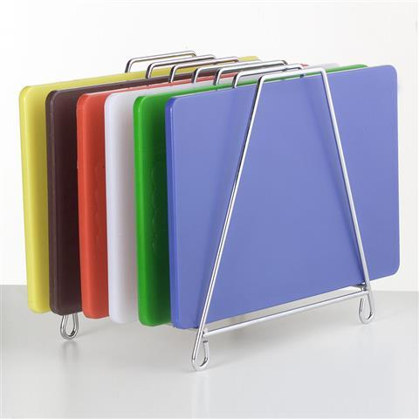
 | Baker | Cornflakes |  |  | 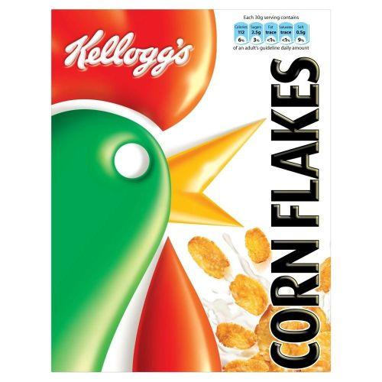
 | Baker | Non-stick Pan |  |  | 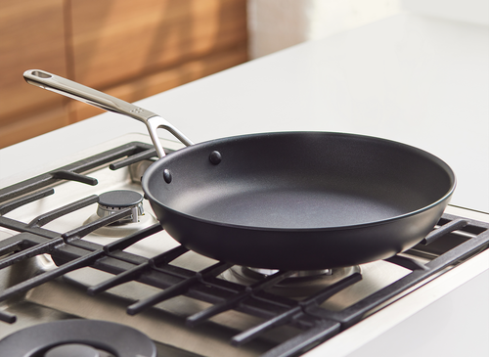
 | Baker | Large Pot or Pan |  |  | 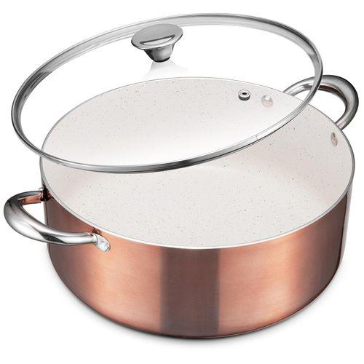
 | Baker | Small Saucepan |  |  | 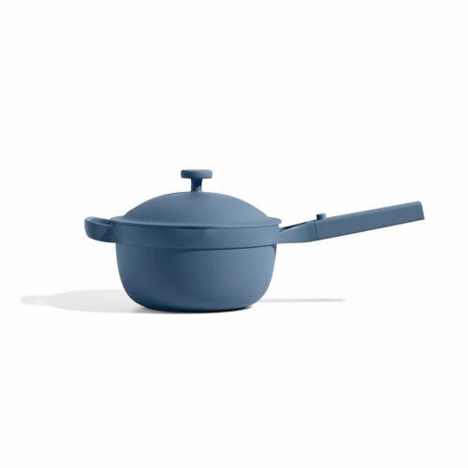
 | Baker | Blender |  |  | 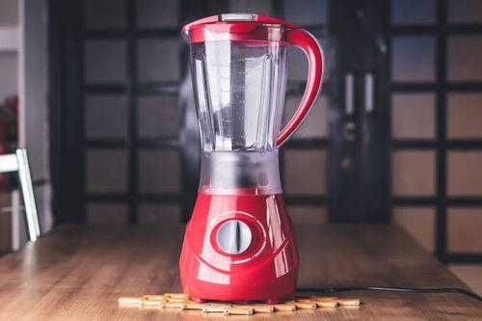
 | Baker | Rubber Spatula |  |  | 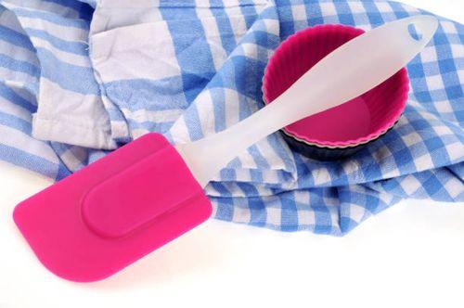
 | Baker | Piping Bag
 | Baker | Piping Tips (star tip, round tip, grass tip, lettering tips) |  |  | 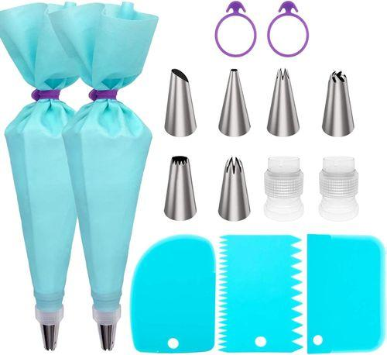
 | Baker | Turntable |  |  | 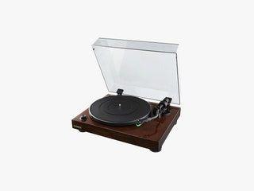
 | Baker | Silicone Molds |  |  | 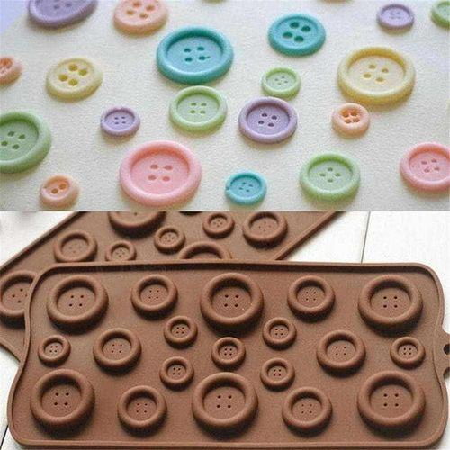
 | Baker | Fondant Smoother |  |  | 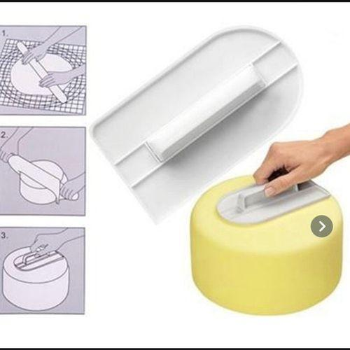
 | Baker | Ribbon Cutter |  |  | 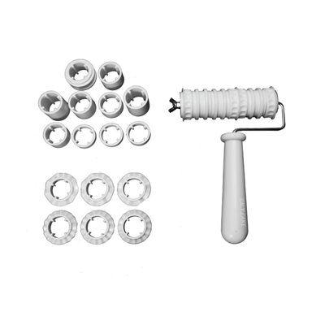
 | Baker | Lace Mold |  |  | 
 | Baker | Personal Protective Equipment (PPE) (including disposable nitrile gloves, apron, hairnet)
 | Baker | Can Opener |  |  | 
 | Baker | Skillet |  |  | 
 | Baker | Basting Brush |  |  | 
 | Baker | Grill |  |  | 
 | Baker | Cooling Rack |  |  | 
 | Baker | Toaster |  |  | 
 | Baker | Paring Knife |  |  | 
 | Baker | Wax Paper |  |  | 
 | Baker | Candy Thermometer |  |  | 
 | Baker | Brushes |  |  | 
 | Baker | Squeeze Bottle
 | Baker | Muddler |  |  | 
 | Baker | Bar Spoon |  |  | 
 | Baker | Straw
 | Baker | Espresso Machine |  |  | 
 | Baker | Milk Frother |  |  | 
 | Baker | Ice Cream Scoop |  |  | 
 | Baker | Ramekins |  |  | 
 | Baker | Refrigerator |  |  | 
 | Baker | Freezer-Safe Bags |  |  | 
 | Baker | Cleaning Brush |  |  | 
 | Baker | Mild Detergent |  |  | 
 | Baker | Warm Water
 | Baker | Non-abrasive Sponge |  |  | 
 | Baker | Kneading Machine |  |  | 
 | Baker | Digital Thermometer |  |  | 
 | Baker | Stand Mixer |  |  | 
 | Baker | Dough Hook |  |  | 
 | Baker | Ruler |  |  | 
 | Baker | Zip-top Bags |  |  | 
 | Baker | Airtight Containers |  |  | 

