Barber
Sector Name | Occupation name | Equipment name | Minimum number of equipment required (per batch of 30 trainees) | Unit type | Images
 | Barber | Adjustable chair |  |  | 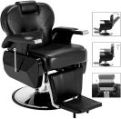
 | Barber | Mannequin head with a wig |  |  | 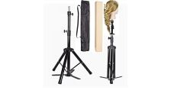
 | Barber | Mirrors
 | Barber | Electrical hair clippers with various attachment guards
 | Barber | Comb |  |  | 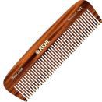
 | Barber | Scissors |  |  | 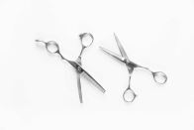
 | Barber | Cape
 | Barber | Neck strip |  |  | 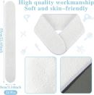
 | Barber | Spray bottle |  |  | 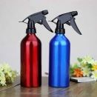
 | Barber | Hair gel |  |  | 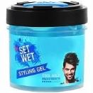
 | Barber | Electrical beard trimmer
 | Barber | Personal Protective Equipment (PPE) including face mask, disposable gloves, and apron |  |  | 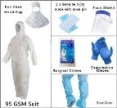
 | Barber | Hair dryer |  |  | 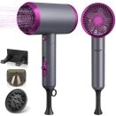
 | Barber | Round brush |  |  | 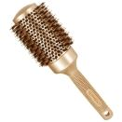
 | Barber | Mannequin with a beard |  |  | 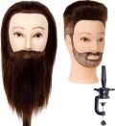
 | Barber | Straight razor |  |  | 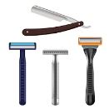
 | Barber | Shaving cream |  |  | 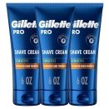
 | Barber | Hot towel
 | Barber | Aftershave |  |  | 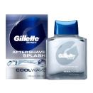
 | Barber | Beard oil |  |  | 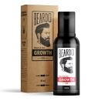
 | Barber | Beard balm |  |  | 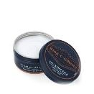
 | Barber | Mannequin head
 | Barber | Hydrating mask
 | Barber | Applicator brush |  |  | 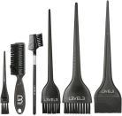
 | Barber | Heat protectant spray
 | Barber | Curling iron |  |  | 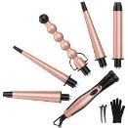
 | Barber | Hair clips |  |  | 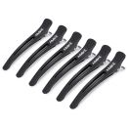
 | Barber | Flat iron |  |  | 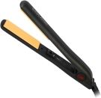
 | Barber | Pompadale comb |  |  | 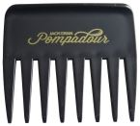
 | Barber | Disinfectant solutions
 | Barber | Cleaning cloths |  |  | 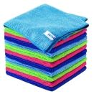
 | Barber | Hand sanitizer
 | Barber | Waste bin |  |  | 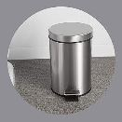
 | Barber | Sink
 | Barber | Shampoo |  |  | 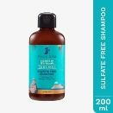
 | Barber | Conditioner
 | Barber | Wide-tooth comb |  |  | 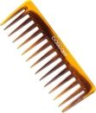
 | Barber | Scalp massager |  |  | 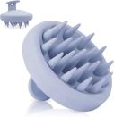
 | Barber | Towel |  |  | 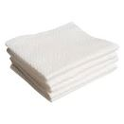
 | Barber | Texturizing scissors |  |  | 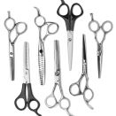
 | Barber | Fine-tooth comb |  |  | 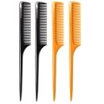
 | Barber | Scalp exfoliating serum
 | Barber | Timer
 | Barber | Neck brush |  |  | 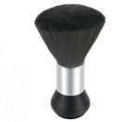
 | Barber | Deep conditioner
 | Barber | Formaldehyde-free keratin solution
 | Barber | Gloss treatment solution
 | Barber | Hair color |  |  | 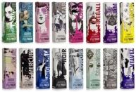
 | Barber | Foil sheets |  |  | 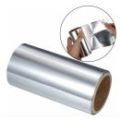
 | Barber | Tinting brushes
 | Barber | Mixing bowls |  |  | 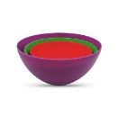
 | Barber | Wig
 | Barber | Wig cap |  |  | 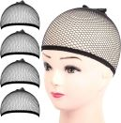
 | Barber | Styling tools (combs, brushes) |  |  | 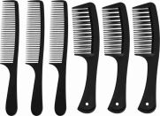
 | Barber | Scalp treatment mask |  |  | 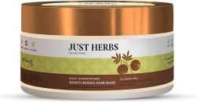
 | Barber | Scalp scrub
 | Barber | Moisturizing serum
 | Barber | Color swatches |  |  | 
 | Barber | Color chart
 | Barber | Feedback form
 | Barber | Calm background music player
 | Barber | Scalp analysis tool |  |  | 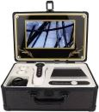
 | Barber | Hair texture chart |  |  | 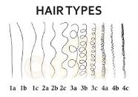
 | Barber | Brochures for hair care products
 | Barber | Corrective styling guide
 | Barber | Electrical clippers and trimmers
 | Barber | Child-friendly hair products
 | Barber | Toys
 | Barber | Distraction items
 | Barber | Stickers
 | Barber | Small rewards
 | Barber | Nose/ear hair trimmer |  |  | 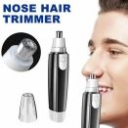
 | Barber | Disinfectant wipes
 | Barber | Small mirror |  |  | 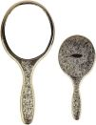
 | Barber | Beard dye kit
 | Barber | Beard shampoo
 | Barber | Barrier cream |  |  | 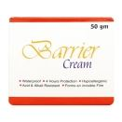
 | Barber | Mustache scissors |  |  | 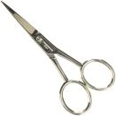
 | Barber | Mustache wax |  |  | 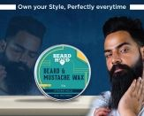
 | Barber | Broom and dustpan |  |  | 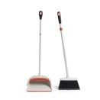
 | Barber | Trash bags |  |  | 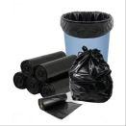
 | Barber | Cleaning brush
 | Barber | Clipper oil |  |  | 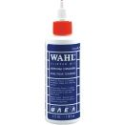
 | Barber | Screwdriver |  |  | 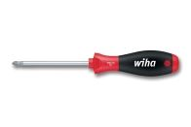
 | Barber | Leather strop |  |  | 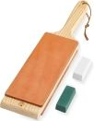
 | Barber | Air filter |  |  | 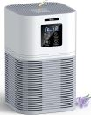
 | Barber | Replacement foil or blades |  |  | 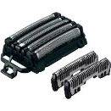
 | Barber | Sharpening stone |  |  | 
 | Barber | Ultra violet (UV) sterilizer |  |  | 
 | Barber | Barbicide solution |  |  | 
 | Barber | Disinfectant spray
 | Barber | Sharps container
 | Barber | Billing software
 | Barber | Receipt printer
 | Barber | Cash register
 | Barber | Credit card reader |  |  | 
 | Barber | Customer database
 | Barber | Service correction form
 | Barber | Color correction kit
 | Barber | Portfolio of past event hairstyles
 | Barber | Appointment book
 | Barber | Note pad
 | Barber | Volunteer
 | Barber | Styptic pencil |  |  | 
 | Barber | Small bandages |  |  | 
 | Barber | First aid kit |  |  | 
 | Barber | Antiseptic wipes |  |  | 
 | Barber | Styptic powder |  |  | 
 | Barber | Gauze pads |  |  | 
 | Barber | High-quality cotton thread
 | Barber | Talcum powder |  |  | 
 | Barber | Eyebrow brush |  |  | 
 | Barber | Mannequin with simulated skin
 | Barber | Comedone extractor |  |  | 
 | Barber | Salicylic acid cleanser |  |  | 
 | Barber | Exfoliating scrub
 | Barber | Pore strips |  |  | 
 | Barber | Green tea mask
 | Barber | Volumizing shampoo
 | Barber | Mousse |  |  | 
 | Barber | Texturizing spray |  |  | 
 | Barber | Hair fibers
 | Barber | Hair wax |  |  | 
 | Barber | Pomade |  |  | 
 | Barber | Straightener
 | Barber | Styling station |  |  | 
 | Barber | Electrical hair clippers |  |  | 
 | Barber | Beard comb |  |  | 
 | Barber | Mustache comb |  |  | 
 | Barber | Child mannequin |  |  | 

