Table 1
Occupation - Barista Tools/Equipment/Material list
S No | Tools/Equipment/Material Name | Image | Real Image | Remarks
1 | PPE - N-G5 mask, Disposable mask, Hairnet | 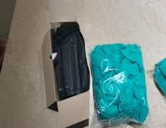 |  | Available
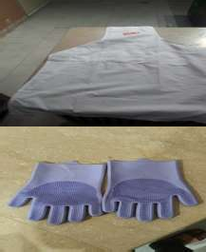
2 | PPE - Disposable nitrile gloves, safety goggles | 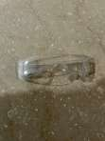 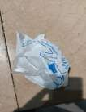 |  | Available
3 | PPE - Disposable apron, Cloth apron |  |  | Available
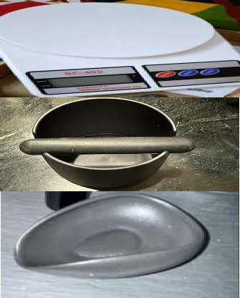
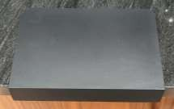
4 | Oven mitts |  |  | Available
5 | Tamping mat |  |  | Available
6 | Precision scale |  |  | Available
7 | Knock box | 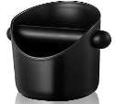 |  | Available
8 | Coffee beans dosing cup |  |  | Available
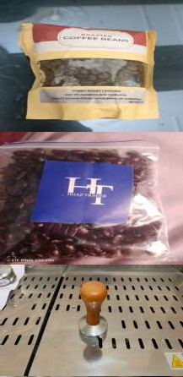
9 | Coffee beans, Single-origin and blend coffee beans samples | 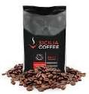 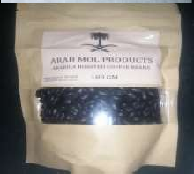 |  | Available
10 | Roasted arabica coffee beans | 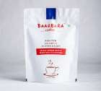 |  | Available
11 | Finely ground Turkish coffee |  |  | Available
12 | Coffee tamper |  |  | Available
13 | Coffee shot glasses, Measuring cup | 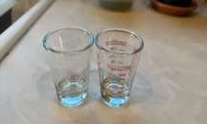 |  | Available
14 | Coffee flavor wheel charts | 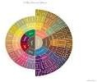 | 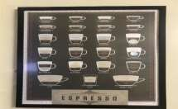 | Available
15 | Food safe microfiber cleaning cloth, spill absorbent pads/cloth | 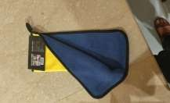 |  | Available
16 | Espresso machine (Automatic and semi- automatic and manual) | 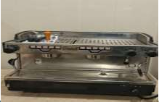 |  | Available
17 | Coffee grinder |  |  | Available
18 | Commercial blender | 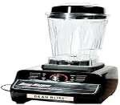 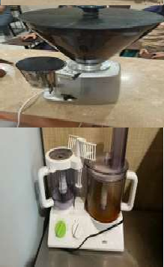 |  | Available
19 | Drip coffee machine | 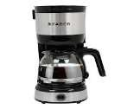 | 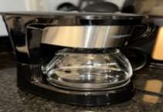 | Available
20 | Microwave or warming drawer | 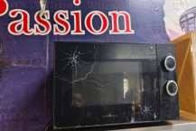 |  | Available
21 | Juicer |  |  | Available
22 | Point-of-sales (POS) machine | 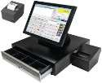 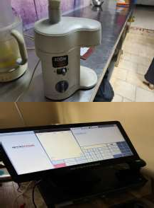 |  | Available
23 | Whipped cream dispenser | 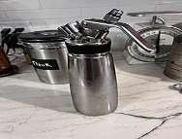 |  | Available
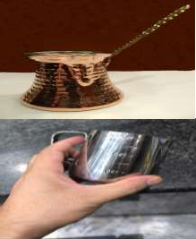
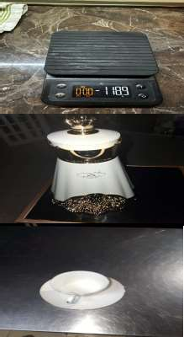
24 | Nitrous oxide (N₂O) gas cartridge | 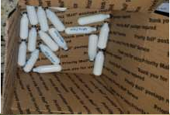 |  | Available
25 | Espresso shot timer |  |  | Available
26 | Arabic coffee pot (Dallah) |  |  | Available
27 | Arabic coffee cups (Finjan), Demitasse cups | 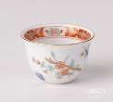 |  | Available
28 | Cezve pot (Copper or brass) |  |  | Available
29 | Milk pitcher | 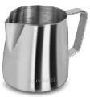 |  | Available
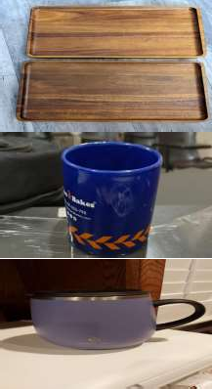
30 | Dairy thermometer | 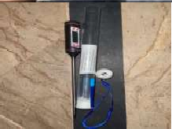 |  | Available
31 | Coffee tray | 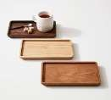 |  | Available
32 | Espresso coffee cups, Frappe mugs |  |  | Available
33 | Child safe mugs with lid |  |  | Available
34 | Coffee tasting spoon/cupping spoon | 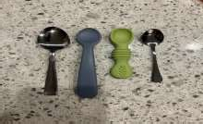 |  | Available
35 | Measuring spoons |  |  | Available
36 | Small serving plates for snacks | 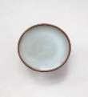 |  | Available
37 | Smoothie glasses |  |  | Available
38 | Tall glasses to serve cold coffee |  |  | Available
39 | Takeaway coffee cups and insulated sleaves for takeaway | 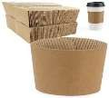 |  | Available
40 | Disposable coffee cup holder for takeaway |  |  | Available
41 | Coffee takeaway bag |  |  | Available
42 | Croissant takeaway box and bag |  |  | Available
43 | Backflush detergent | 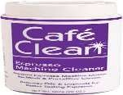 |  | Available
44 | Espresso machine descaling solution |  |  | Available
45 | Blind filter |  |  | Available
46 | Gasket scrapper | 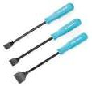 |  | Available
47 | Group head cleaning brush, Espresso machine cleaning brush |  |  | Available
48 | Hopper brush |  |  | Available

49 | Steam wand cleaning brush, Steam wand cleaning tool |  |  | Available
50 | Blender jar cleaning brush | 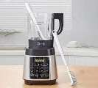 |  | Available
51 | Cleaning sponge |  |  | Available
52 | Storage rack |  | 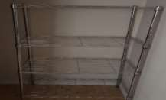 | Available
53 | Water filter replacement in drip coffee machine | 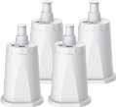 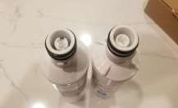 |  | Available
54 | Full cream milk, Vanilla ice cream, Ice cubes, Instant coffee, Sugar, Yogurt, Heavy cream, Plant based milk (Oat or almond), Cardamom, Saffron | 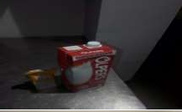 |  | Available
55 | Snacks - Croissant with cheese, Date cookies (maamoul), Brownie, Dates | 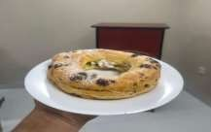 |  | Available
56 | Cutlery - Teaspoon, coffee spoon, straws, stirrers, soda spoons (Long handled), napkins | 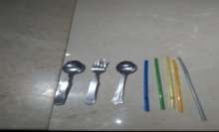 |  | Available
57 | Fresh fruits or frozen fruits, frozen strawberry or fresh strawberry, mint | 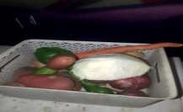 |  | Available
58 | Pen, Note pad, labels, Calculator, Currency notes and coins | 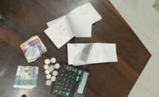 |  | Available
59 | Documents - Machine Maintenance report form | 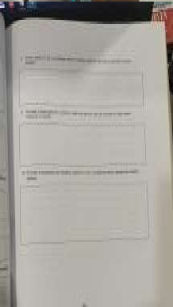 |  | Available
60 | Cleaning agent - Mild detergent, mild cleaning solution to clean coffee workstation | 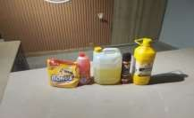 |  | Available
61 | Food-safe sanitizing spray |  |  | Available
62 | Coffee ground waste bin, general waste bin |  | 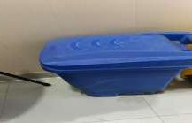 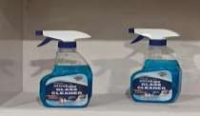 | Available
63 | Sharps waste bin |  |  | Available
64 | Broom, bucket and dustpan |  |  | Available

