Blacksmith
Sector Name | Occupation name | Equipment name | Minimum number of equipment required (per batch of 30 trainees) | Unit type | Images
 | Blacksmith | Metal fabrication table
 | Blacksmith | MIG Welder
 | Blacksmith | Adjustable wrench |  |  | 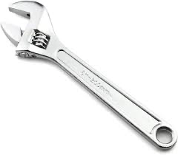
 | Blacksmith | Welding helmet & Gloves
 | Blacksmith | Pipe threading tool |  |  | 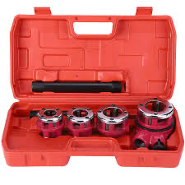
 | Blacksmith | Angle Grinder
 | Blacksmith | Aluminium/Steel/Galvanized iron Tubes/Rods/sheets - Assorted
 | Blacksmith | TIG Welder
 | Blacksmith | Metal cutting Saw
 | Blacksmith | Saw blade for Aluminium
 | Blacksmith | Deburring tools
 | Blacksmith | Electric drill |  |  | 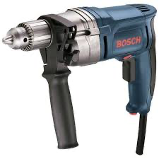
 | Blacksmith | Measuring tape
 | Blacksmith | Pipe vice
 | Blacksmith | Propane torch
 | Blacksmith | PEX cutter |  |  | 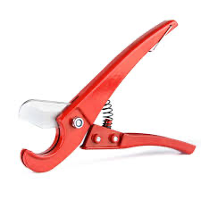
 | Blacksmith | Aluminium Profiles
 | Blacksmith | Square
 | Blacksmith | Pipe bending dies
 | Blacksmith | Laser Level |  |  | 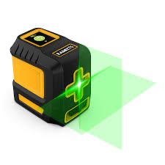
 | Blacksmith | Die set
 | Blacksmith | Hacksaw |  |  | 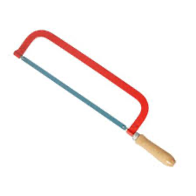
 | Blacksmith | Soldering torch
 | Blacksmith | Pipe repair clamp |  |  | 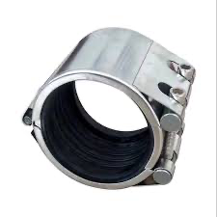
 | Blacksmith | Hydraulic pipe bender
 | Blacksmith | Metal cutting disk
 | Blacksmith | Window Glazing tool
 | Blacksmith | Teflon tape
 | Blacksmith | Fusion welding machine |  |  | 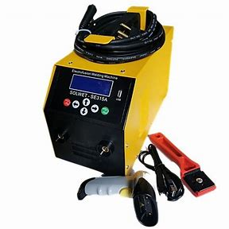
 | Blacksmith | Snap cutter and chain vise |  |  | 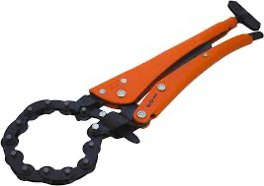
 | Blacksmith | Metallic window frame - Aluminium and steel/galvanized iron
 | Blacksmith | Rubber Mallet
 | Blacksmith | Glazing tape
 | Blacksmith | Hammer
 | Blacksmith | Painting and Powder coating booth
 | Blacksmith | Powder coating gun
 | Blacksmith | Powder coat
 | Blacksmith | Assorted Rivets (Multiple sizes of steel, Aluminium)
 | Blacksmith | Awning frame (Metallic/Aluminium)
 | Blacksmith | Wire brush
 | Blacksmith | Inspection camera |  |  | 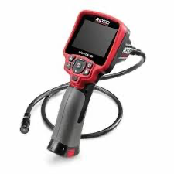
 | Blacksmith | Pipe bender
 | Blacksmith | Heat torch
 | Blacksmith | Screwdriver and plier
 | Blacksmith | Tubing cutter |  |  | 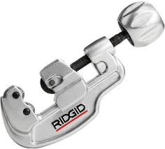
 | Blacksmith | Cooling bath
 | Blacksmith | CNC Plasma cutting machine and table
 | Blacksmith | Drill Press
 | Blacksmith | Assorted ball bearings
 | Blacksmith | Lubricant
 | Blacksmith | Steel plates/Irion plates
 | Blacksmith | Airless spray gun
 | Blacksmith | Anvil
 | Blacksmith | Ladder
 | Blacksmith | Fire resistant tarp
 | Blacksmith | PVC cutter |  |  | 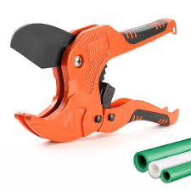
 | Blacksmith | Sealant gun
 | Blacksmith | Wheelbarrow
 | Blacksmith | Forge Furnace
 | Blacksmith | Overalls
 | Blacksmith | Metal file
 | Blacksmith | Tongs
 | Blacksmith | Chisel
 | Blacksmith | Quenching oil
 | Blacksmith | Grinding disc
 | Blacksmith | Sealants (assorted including Silicone based)
 | Blacksmith | Metal polish
 | Blacksmith | Dust mask
 | Blacksmith | Lock mechanism
 | Blacksmith | Door/Window hinges, bolts, and metal handles
 | Blacksmith | Metal lathe
 | Blacksmith | Taps & Dies
 | Blacksmith | Sandblasting equipment |  |  |  | State whether. mmmmm
 | Blacksmith | Steel blank |  |  |  | State whether
 | Blacksmith | Sharpening stone
 | Blacksmith | Aluminum Slats
 | Blacksmith | Insulation material
 | Blacksmith | Wrought iron
 | Blacksmith | Assorted Connectors, Brackets for assembly
 | Blacksmith | Non-slip steps
 | Blacksmith | Sheet metal (Aluminium, Copper, Steel)
 | Blacksmith | Buffing wheel and pads
 | Blacksmith | Argon gas for Welding unit
Protective Equipment & Wear
 | Blacksmith | Reflective jacket or Jumpsuit with multiple pockets and reflective bands
 | Blacksmith | Full body harness
 | Blacksmith | Face mask (For light duty Plumbing) |  |  | 
 | Blacksmith | HEPA filter Respirator (for heavy duty repair and installation) |  |  | 
 | Blacksmith | Protective Safety Glasses/Goggles |  |  | 
 | Blacksmith | Industrial Safety boots |  |  | 
 | Blacksmith | Toe-Guards (If safety boots do not have steel toes) |  |  | 
 | Blacksmith | Polypropylene Safety Hat (When working at work site, at all times) |  |  | 
 | Blacksmith | Welding helmet/Helmet (When welding/cutting pipes
 | Blacksmith | Elbow and knee guards |  |  | 
 | Blacksmith | Insulated gloves when working on conduit piping or using motorized tools |  |  | 
 | Blacksmith | Rubber gloves |  |  | 
Emergency Protection and Warning Equipment
 | Blacksmith | Fire extinguisher (Hand held or Wall mounted)
Plumbing | Blacksmith | First aid box
Plumbing | Blacksmith | Safety tags |  |  | 
Plumbing | Blacksmith | Safety notice board /safety message board |  |  | 
Plumbing | Blacksmith | Barricade Cones |  |  | 
Plumbing | Blacksmith | Warning Signs (Wet Floor, Construction Work in Progress)

