Builder
Sector name | Occupation name | Equipment name | Images
Construction | Builder | Measuring tape
Construction | Builder | Scale
Construction | Builder | Steel square
Construction | Builder | Trowel set (such as: Pointing trowel and tuck trowel)
Construction | Builder | Water level
Construction | Builder | Laser level
Construction | Builder | Spirit level
Construction | Builder | Plumb bob
Construction | Builder | Straight edge
Construction | Builder | Mason’s hammer
Construction | Builder | String line
Construction | Builder | Jointer
Construction | Builder | Mallet
Construction | Builder | Wedge
Construction | Builder | Screed
Construction | Builder | Floats
Construction | Builder | Chisel Set - bolster chisel, brick chisel, comb chisel
Construction | Builder | Rubber/wooden hammer
Construction | Builder | Spade
Construction | Builder | Sponge
Construction | Builder | Volume box
Construction | Builder | Weighing scales (Digital or physical)
Construction | Builder | Tile scribes or hand held tile cutter
Construction | Builder | Wet power saw | 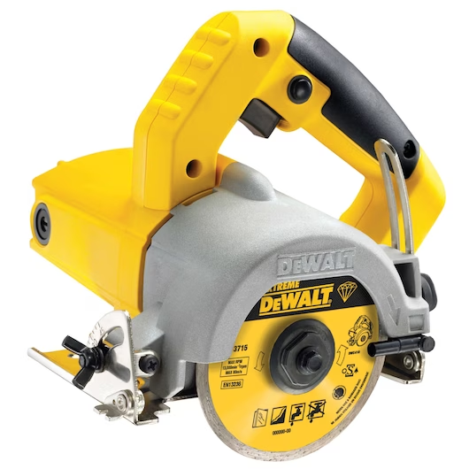
Construction | Builder | Handsaw
Construction | Builder | Mason’s line
Construction | Builder | Cup-lock scaffolding components set
Construction | Builder | 40 NB pipe
Construction | Builder | Swivel coupler
Construction | Builder | Fixed clamp
Construction | Builder | Steel waler
Construction | Builder | Steel walkway
Construction | Builder | Toolbox with lock and key
Construction | Builder | Power source
Construction | Builder | Source of water
Construction | Builder | Electric drill
Construction | Builder | Grinder
Construction | Builder | Vibrator
Construction | Builder | Hand operated concrete mixer
Construction | Builder | Mortar mixing board/mortar pan
Construction | Builder | Shovel
Construction | Builder | Pick axe
Construction | Builder | Rhombus mesh
Construction | Builder | GI bucket 5L capacity
Construction | Builder | Wheel barrow
Construction | Builder | Lime powder
Construction | Builder | Wooden peg
Construction | Builder | Hard broom
Construction | Builder | Nuts and bolts
Construction | Builder | Spanner set
Construction | Builder | Wrench
Construction | Builder | Pulley
Construction | Builder | Rope
Construction | Builder | Hand roller
Construction | Builder | Plate vibrator
Construction | Builder | Wire brush
Construction | Builder | Assorted size - bricks
Construction | Builder | Cement
Construction | Builder | Sand
Construction | Builder | Steel Compass (Geometrical) for drawing circular shapes in building plans
Construction | Builder | Lifting, appliances (wheel and rope, shackles, sling, belts)
Construction | Builder | Coarse aggregates
Construction | Builder | Rubble stone (natural stone)
Protective Equipment & Wear
Construction | Builder | Reflective jacket or Jumpsuit with multiple pockets and reflective bands
Construction | Builder | Full body harness with lanyard
Construction | Builder | Face mask (For light duty masonry)
Construction | Builder | HEPA filter Respirator (for heavy duty mortar mixing, repairs, demolition, unloading, installation)
Construction | Builder | Protective Safety Glasses/Goggles | 
Construction | Builder | Industrial Safety boots | 
Construction | Builder | Toe-Guards (If safety boots do not have steel toes) | 
Construction | Builder | Polypropylene Safety Hat (When working at construction site, at all times) | 
Construction | Builder | Welding helmet/Helmet (When using grinding machine)
Construction | Builder | Elbow and knee guards | 
Construction | Builder | Insulated gloves when working on conduit piping or using motorized tools | 
Construction | Builder | Rubber gloves
Emergency Protection and Warning Equipment
Construction | Builder | Fire prevention Kit (Containing fire blanket, Heat Resistant Gloves, Escape Rope, Glass Hammer, Glow Sticks, Flashlight, First Aid Supplies with Burn Injury Care Treatment and More) | 
Construction | Builder | Fire extinguisher (Hand held or Wall mounted)
Construction | Builder | First aid box
Construction | Builder | Safety tags | 
Construction | Builder | Safety notice board /safety message board | 
Construction | Builder | Barricade Cones
Construction | Builder | Warning Signs (Wet Floor, Construction Work in Progress)

