Bus Driver
Sector Name | Occupation name | Equipment name | Minimum number of equipment required (per batch of 30 trainees) | Unit type | Images
 | Bus Driver | Uphill road
 | Bus Driver | Downhill Road
 | Bus Driver | Cury road
 | Bus Driver | Parking area
 | Bus Driver | School Bus
 | Bus Driver | Charter bus
 | Bus Driver | Vehicle inspection checklist
 | Bus Driver | Dipstick |  |  | 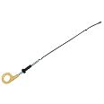
 | Bus Driver | Engine coolant |  |  | 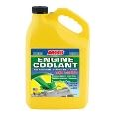
 | Bus Driver | Engine oil |  |  | 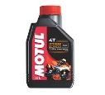
 | Bus Driver | Brake fluid |  |  | 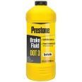
 | Bus Driver | clutch fluid |  |  | 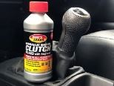
 | Bus Driver | Power steering fluid |  |  | 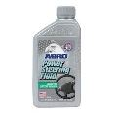
 | Bus Driver | Tire pressure gauge |  |  | 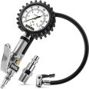
 | Bus Driver | Tread depth gauge |  |  | 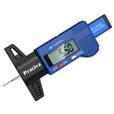
 | Bus Driver | Washer fluid
 | Bus Driver | Brake inspection tools |  |  | 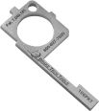
 | Bus Driver | Suspension inspection tools |  |  | 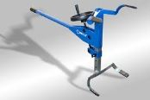
 | Bus Driver | PPE including safety goggles, gloves and protective wear |  |  | 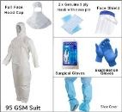
 | Bus Driver | Fire extinguisher
 | Bus Driver | oil filter |  |  | 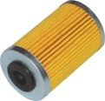
 | Bus Driver | oil filter wrench |  |  | 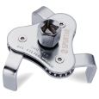
 | Bus Driver | oil drain pan |  |  | 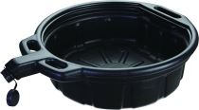
 | Bus Driver | brake fluid tester |  |  | 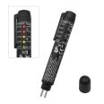
 | Bus Driver | funnel |  |  | 
 | Bus Driver | transmission fluid |  |  | 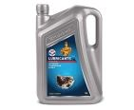
 | Bus Driver | bus disinfectant
 | Bus Driver | paper towels
 | Bus Driver | trash bags |  |  | 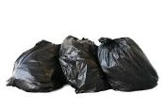
 | Bus Driver | brooms
 | Bus Driver | vacuum cleaner |  |  | 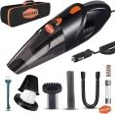
 | Bus Driver | window cleaner |  |  | 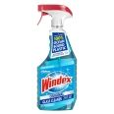
 | Bus Driver | mop |  |  | 
 | Bus Driver | bucket
 | Bus Driver | cleaning solution |  |  | 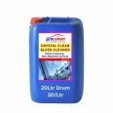
 | Bus Driver | upholstery cleaner
 | Bus Driver | air freshner
 | Bus Driver | cleaning cloths |  |  | 
 | Bus Driver | spare fuses |  |  | 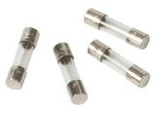
 | Bus Driver | fuse puller |  |  | 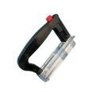
 | Bus Driver | jumper cables |  |  | 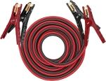
 | Bus Driver | tire repair kit |  |  | 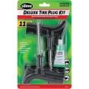
 | Bus Driver | air pump |  |  | 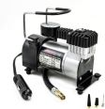
 | Bus Driver | battery tester
 | Bus Driver | socket set |  |  | 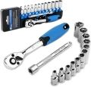
 | Bus Driver | coolant tester |  |  | 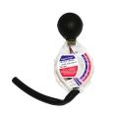
 | Bus Driver | Basic tools( screwdrivers, wrenhes, etc)
 | Bus Driver | wire connectors |  |  | 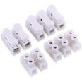
 | Bus Driver | air compressor |  |  | 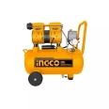
 | Bus Driver | plunger |  |  | 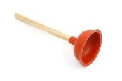
 | Bus Driver | hair dryer |  |  | 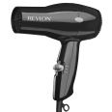
 | Bus Driver | traffic cones |  |  | 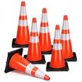
 | Bus Driver | Urban and rural route maps
 | Bus Driver | GPS device |  |  | 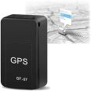
 | Bus Driver | Navigation app
 | Bus Driver | First aid kit |  |  | 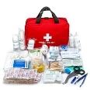
 | Bus Driver | Emergency triangle |  |  | 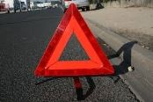
 | Bus Driver | Surveilance cameras |  |  | 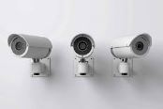
 | Bus Driver | Communication devices |  |  | 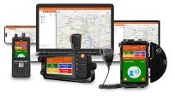
 | Bus Driver | luggage |  |  | 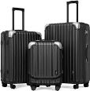
 | Bus Driver | bus schedule

