Butcher
Sector Name | Occupation name | Equipment name | Minimum number of equipment required (per batch of 30 trainees) | Unit type | Images
 | Butcher | Sharp butcher knives
 | Butcher | Cutting board |  |  | 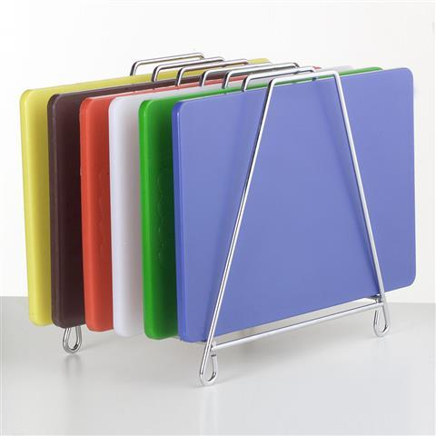
 | Butcher | Personal Protective Equipment (PPE) including cut-resistant gloves, apron, and face shield
 | Butcher | Prayer mat |  |  | 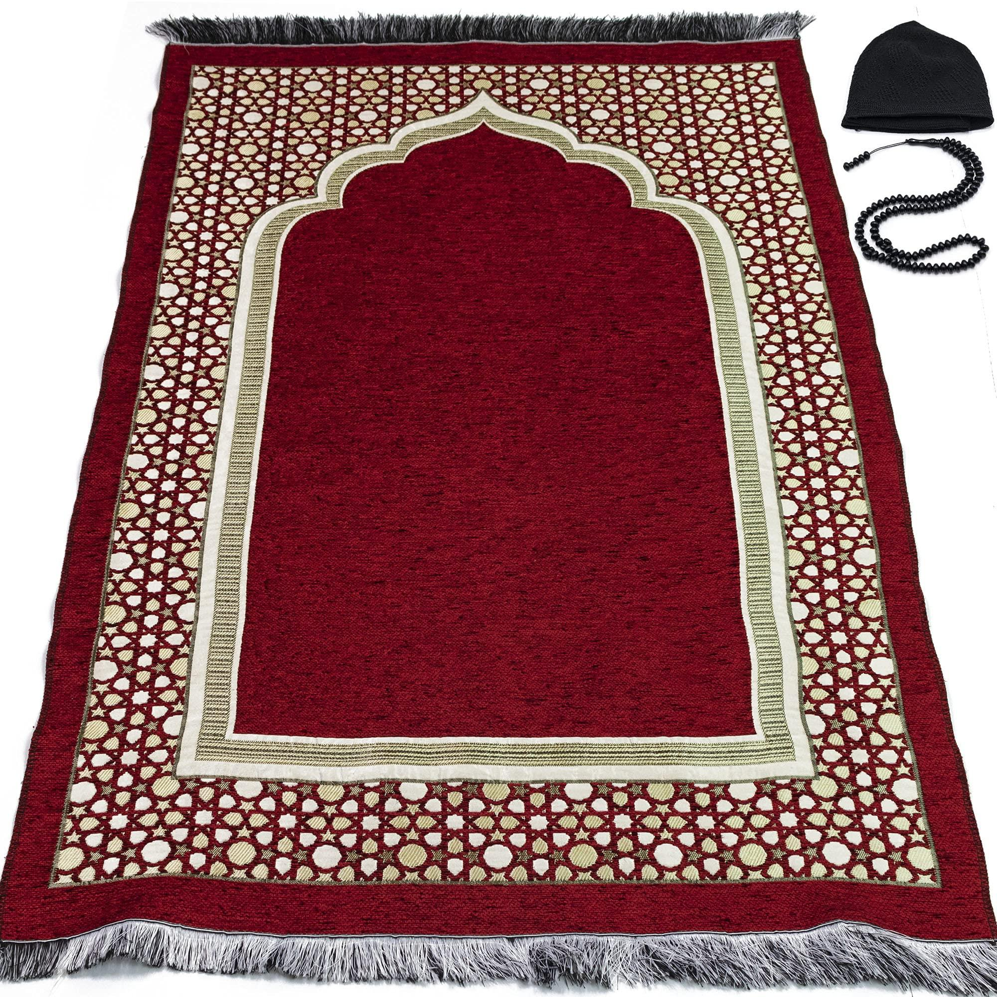
 | Butcher | Clean water
 | Butcher | Halal certification documents
 | Butcher | Live goat |  |  | 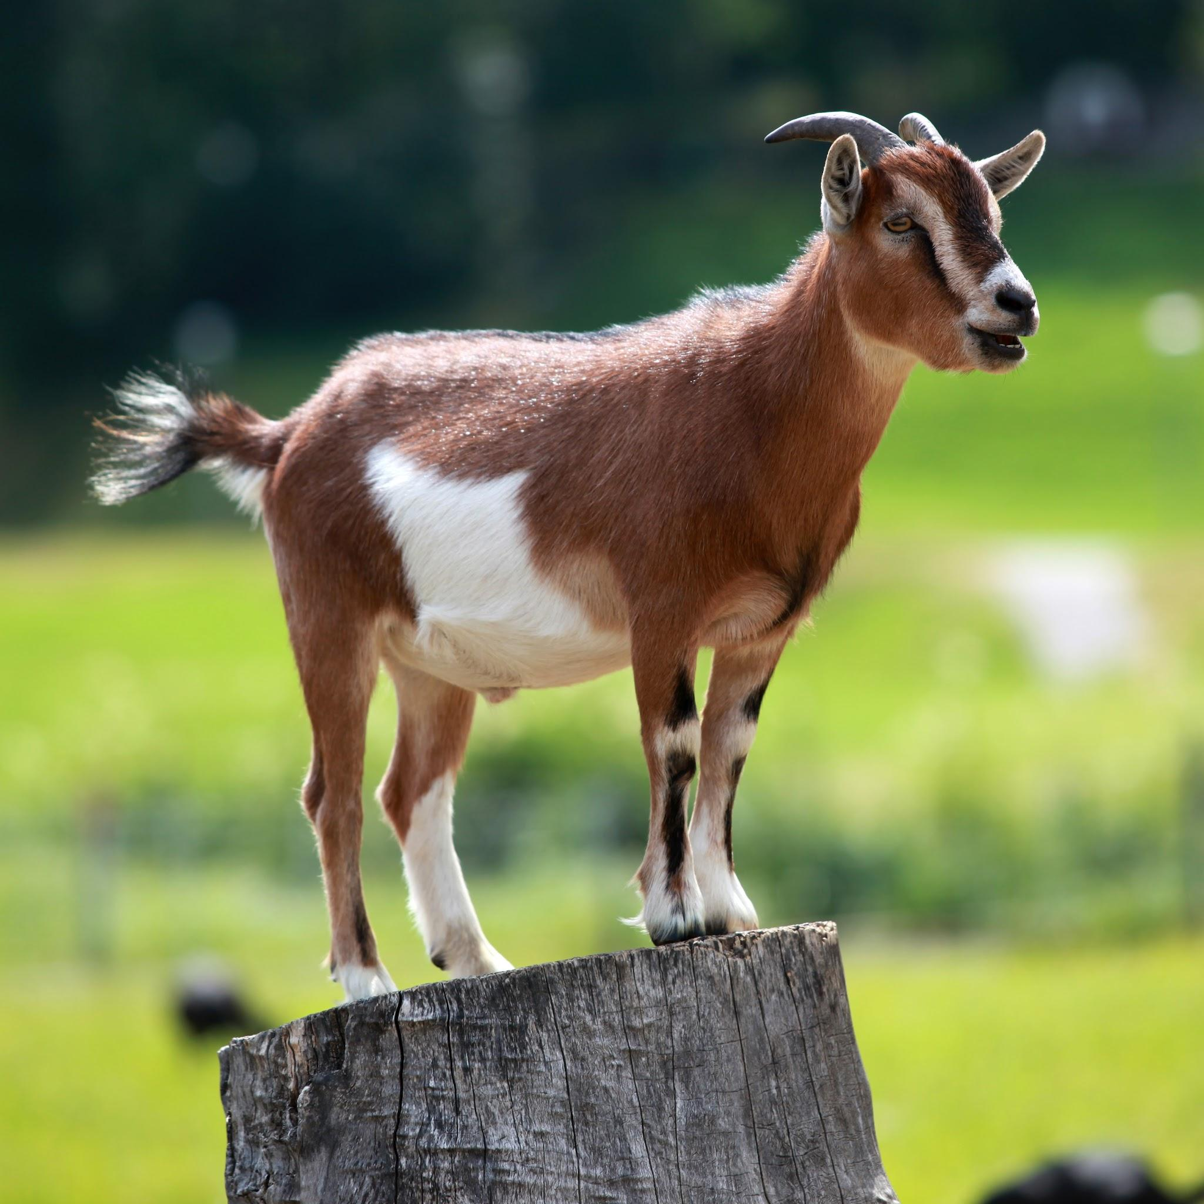
 | Butcher | Kitchen and butchering room |  |  | 
 | Butcher | Restraining rope |  |  | 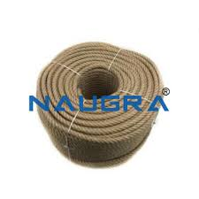
 | Butcher | Live sheep |  |  | 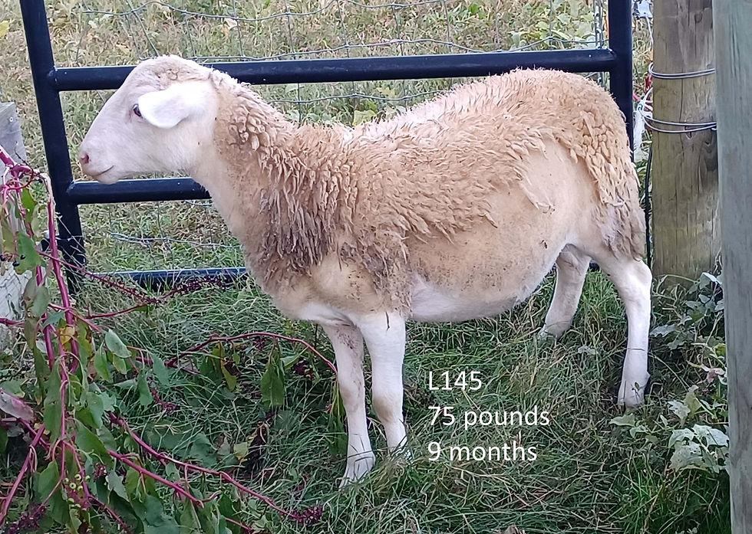
 | Butcher | Live cow |  |  | 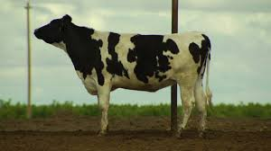
 | Butcher | Live chicken |  |  | 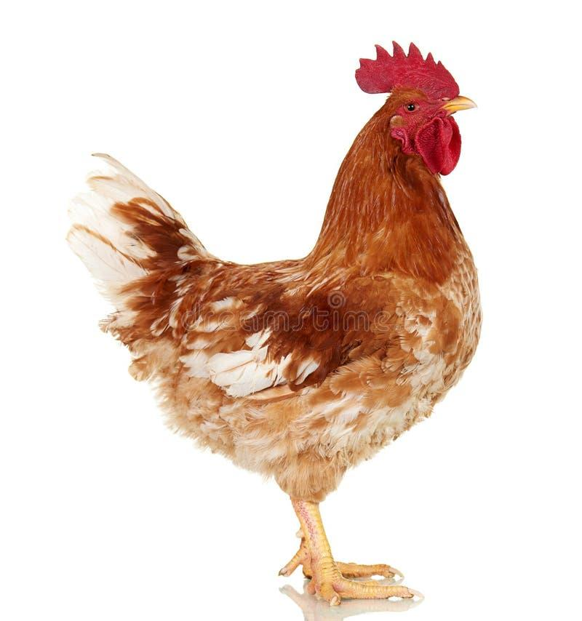
 | Butcher | Freshly slaughtered chicken
 | Butcher | Scalding tank |  |  | 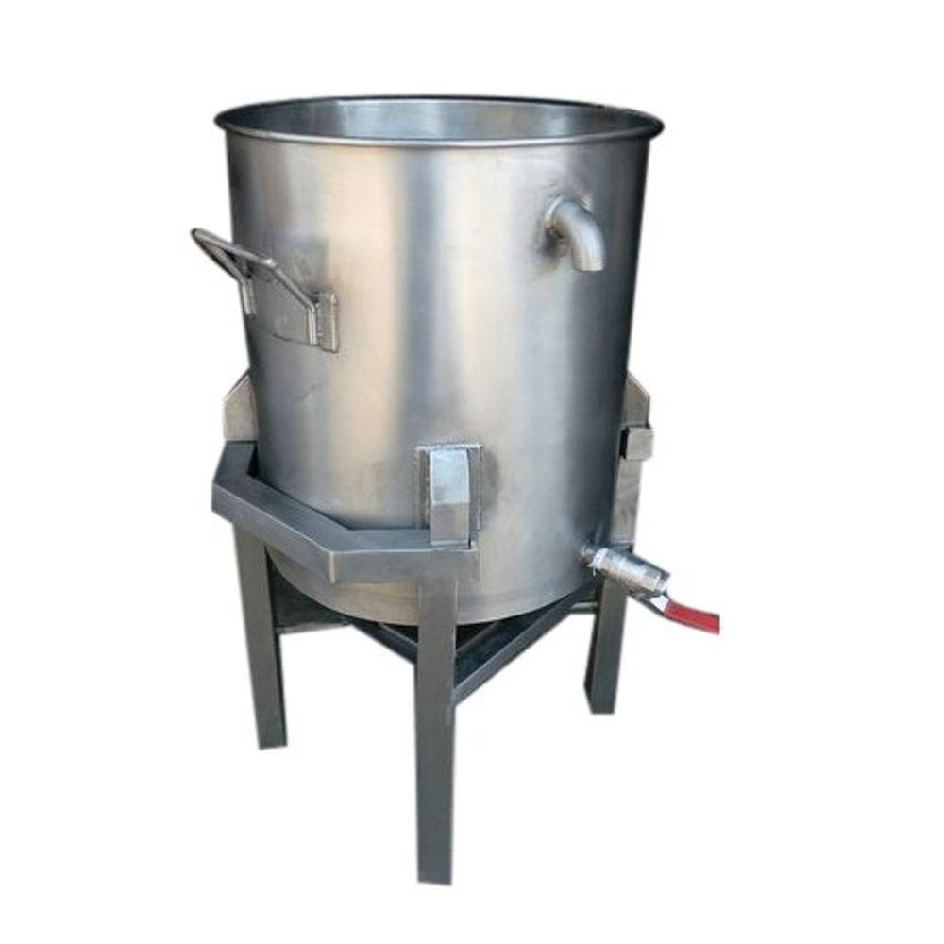
 | Butcher | Defeathering machine |  |  | 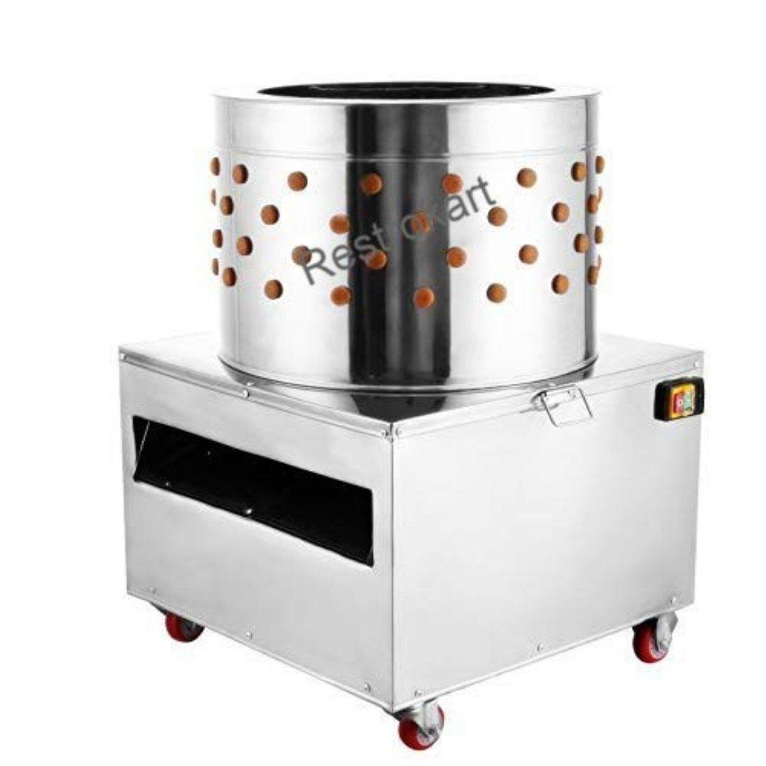
 | Butcher | Disposal containers |  |  | 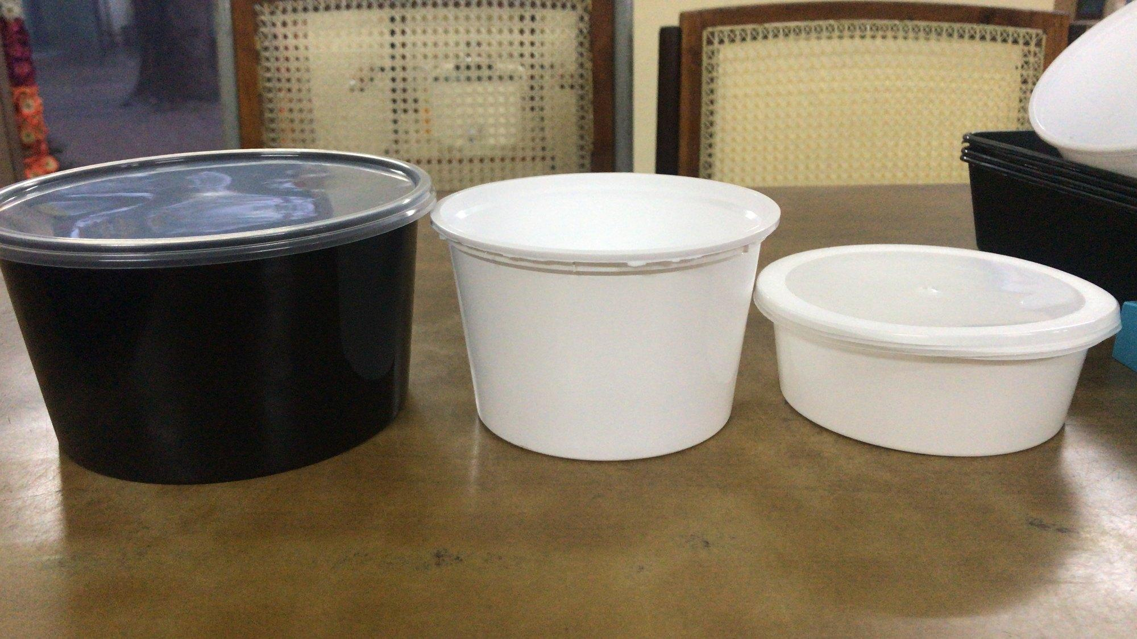
 | Butcher | Butcher's saw |  |  | 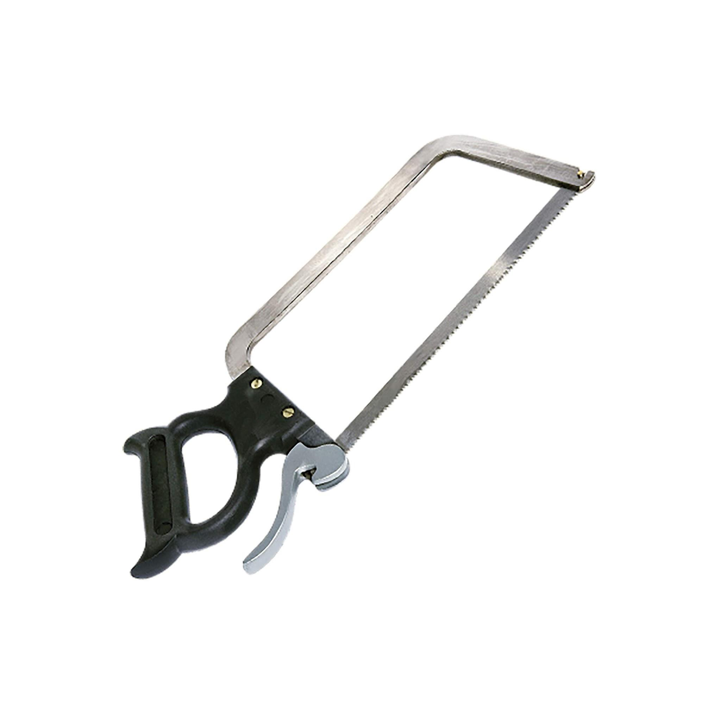
 | Butcher | Skinning hooks |  |  | 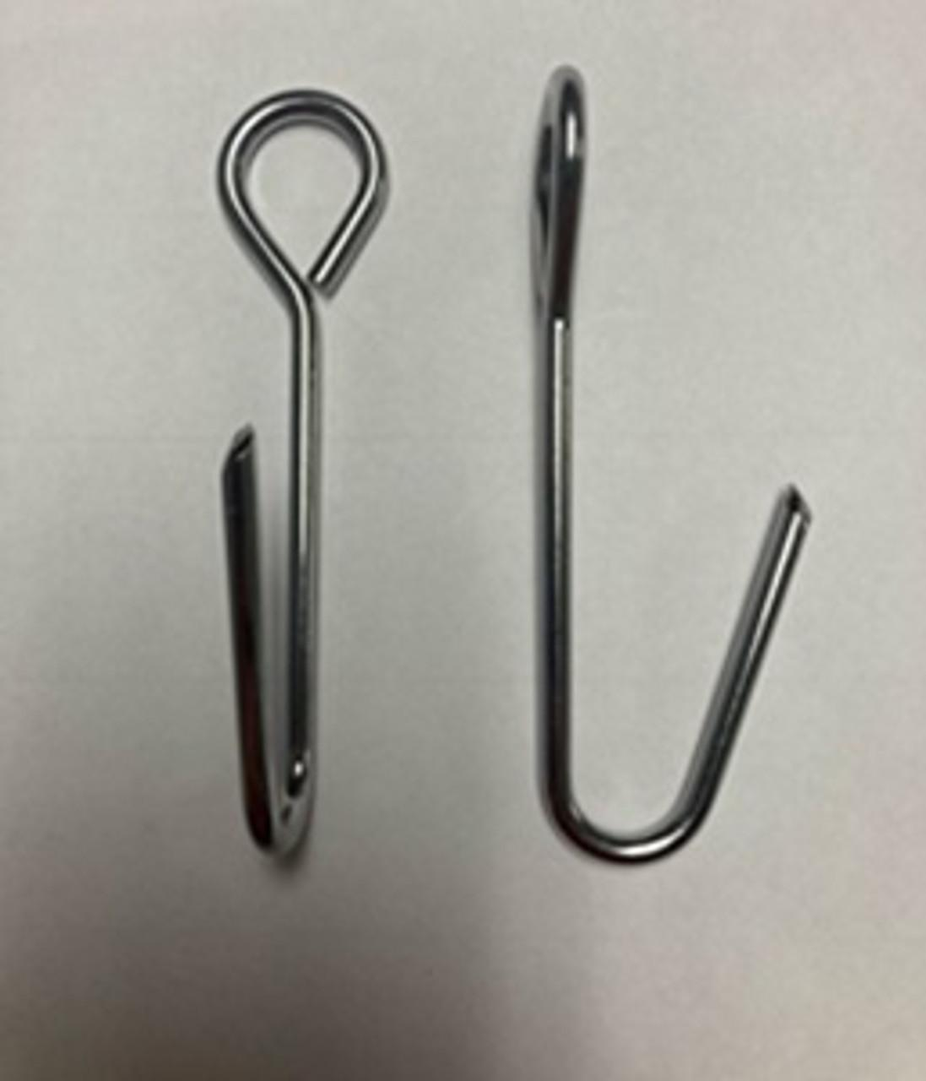
 | Butcher | Meat-Grinder |  |  | 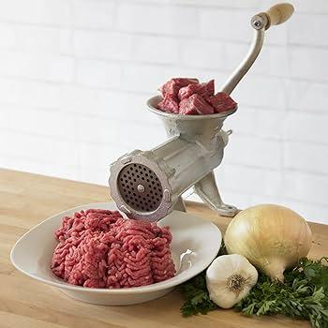
 | Butcher | Slaughtered lamb
 | Butcher | Separated lamb sections
 | Butcher | Specific lamb cuts
 | Butcher | Restraint equipment (ropes) |  |  | 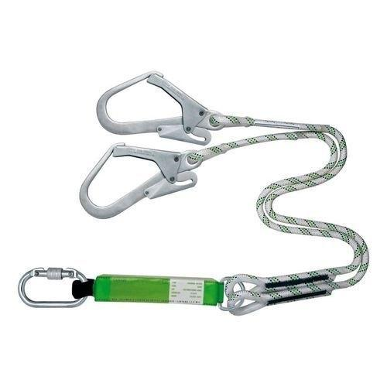
 | Butcher | Live camel |  |  | 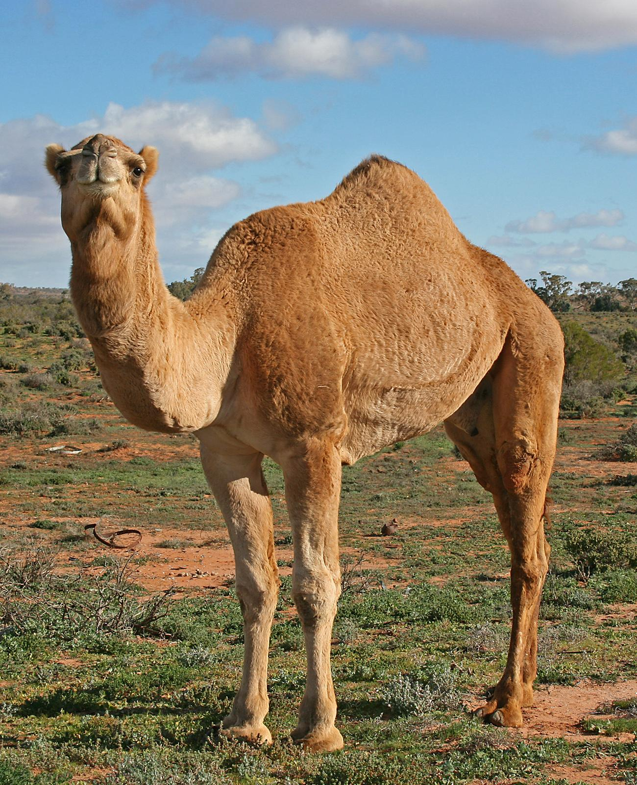
 | Butcher | Skinning equipment |  |  | 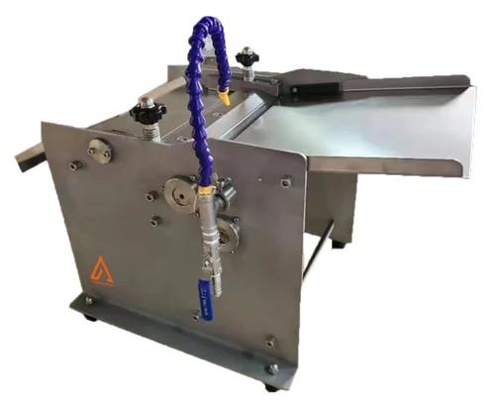
 | Butcher | Slaughtered camel
 | Butcher | Butcher table |  |  | 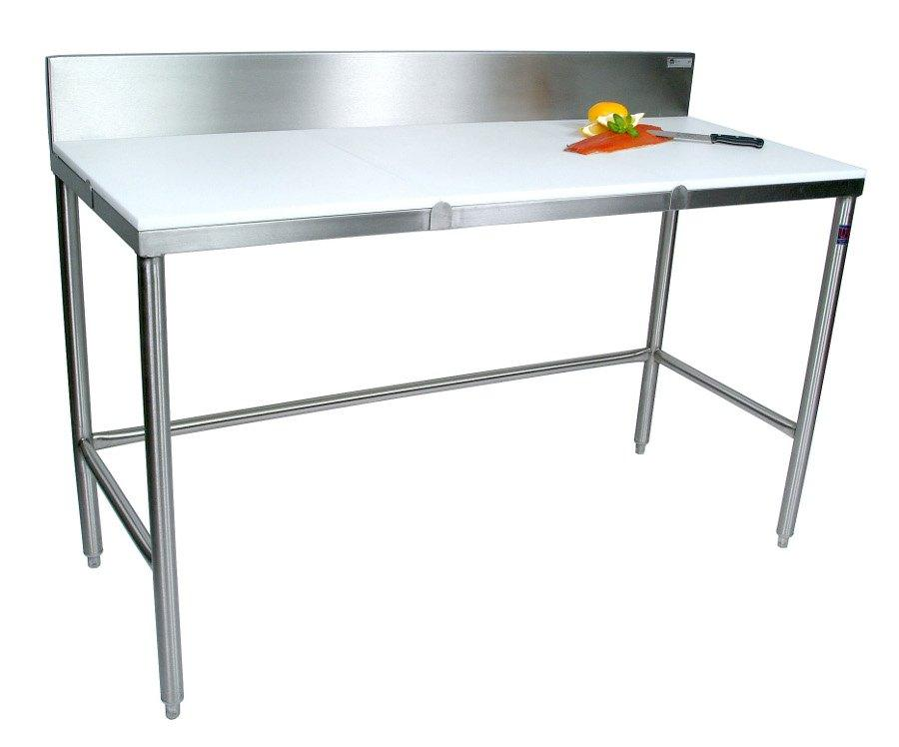
 | Butcher | Slaughtered cow
 | Butcher | Bone saw |  |  | 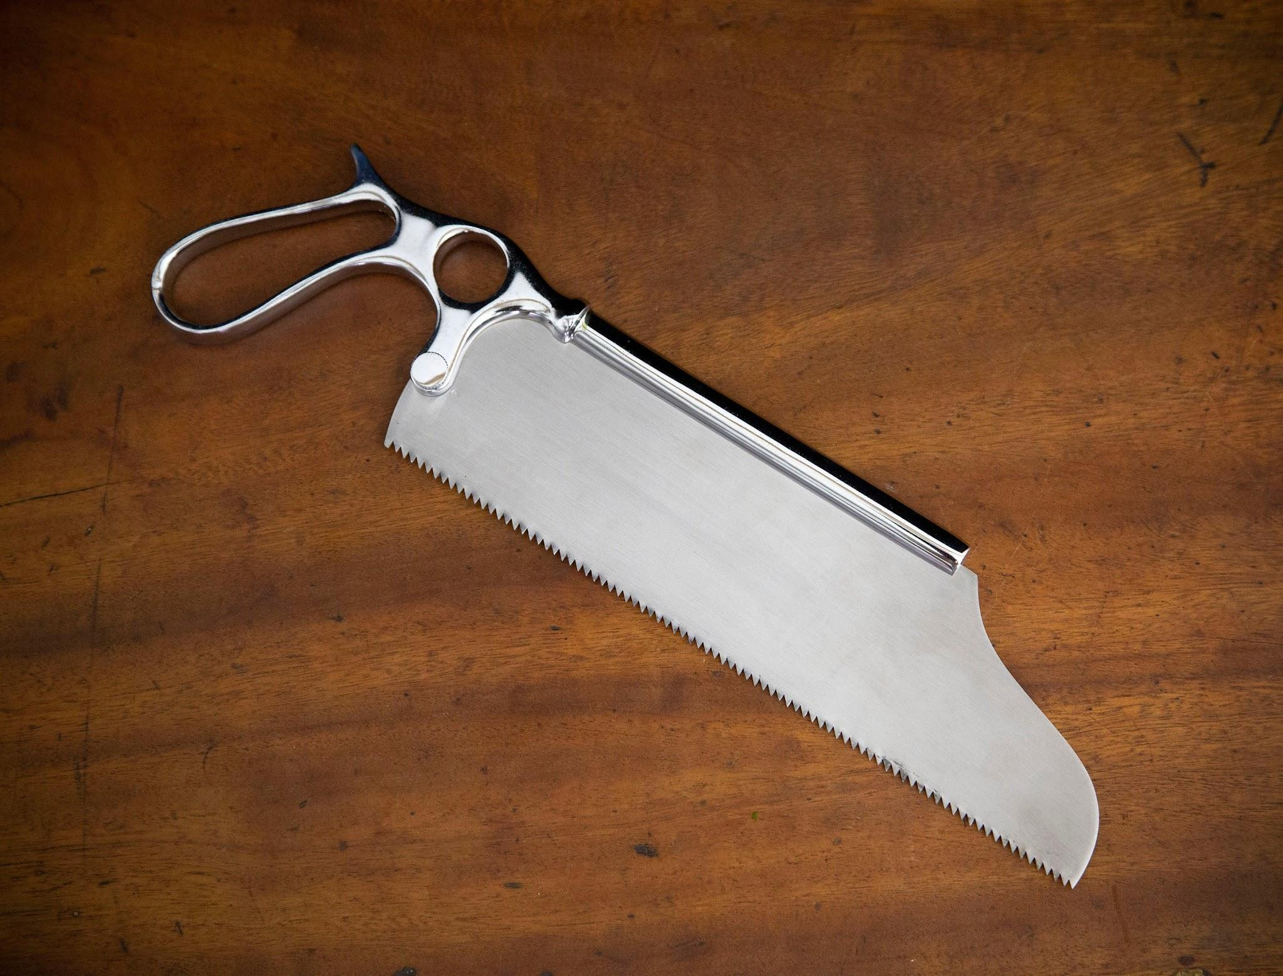
 | Butcher | Vacuum packaging machine |  |  | 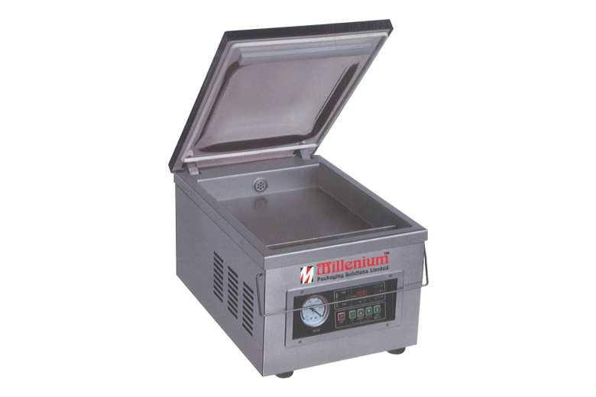
 | Butcher | Labels |  |  | 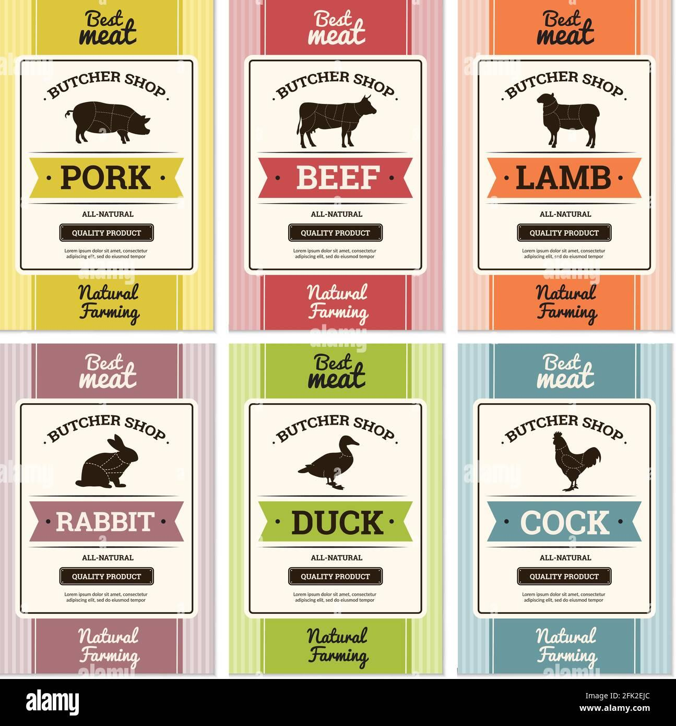
 | Butcher | Cold water
 | Butcher | Vinegar
 | Butcher | Clean cloths |  |  | 
 | Butcher | Brush or scraper |  |  | 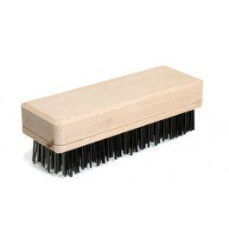
 | Butcher | Slaughtered fish
 | Butcher | Smoking chamber |  |  | 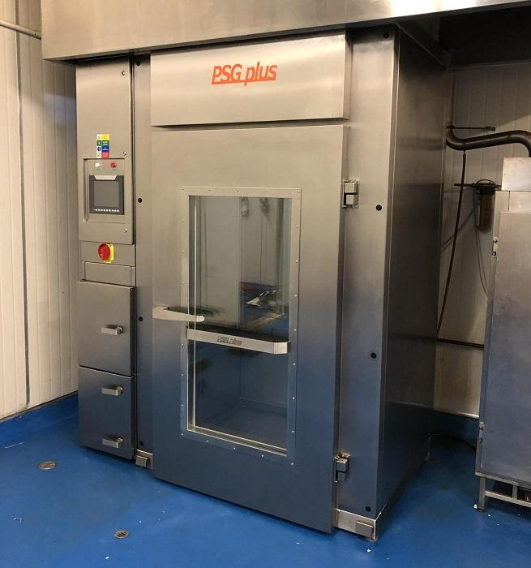
 | Butcher | Wood chips |  |  | 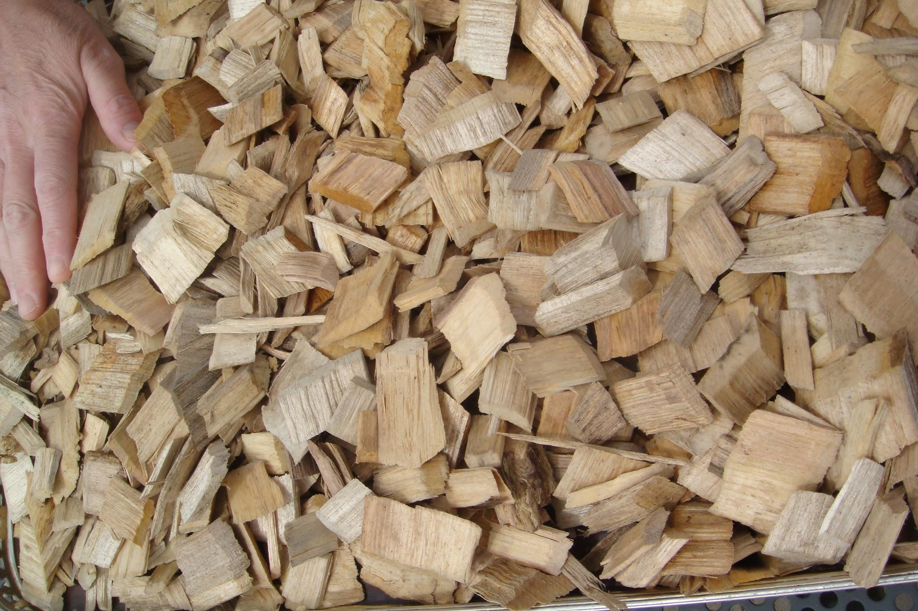
 | Butcher | Mask |  |  | 
 | Butcher | Freezer |  |  | 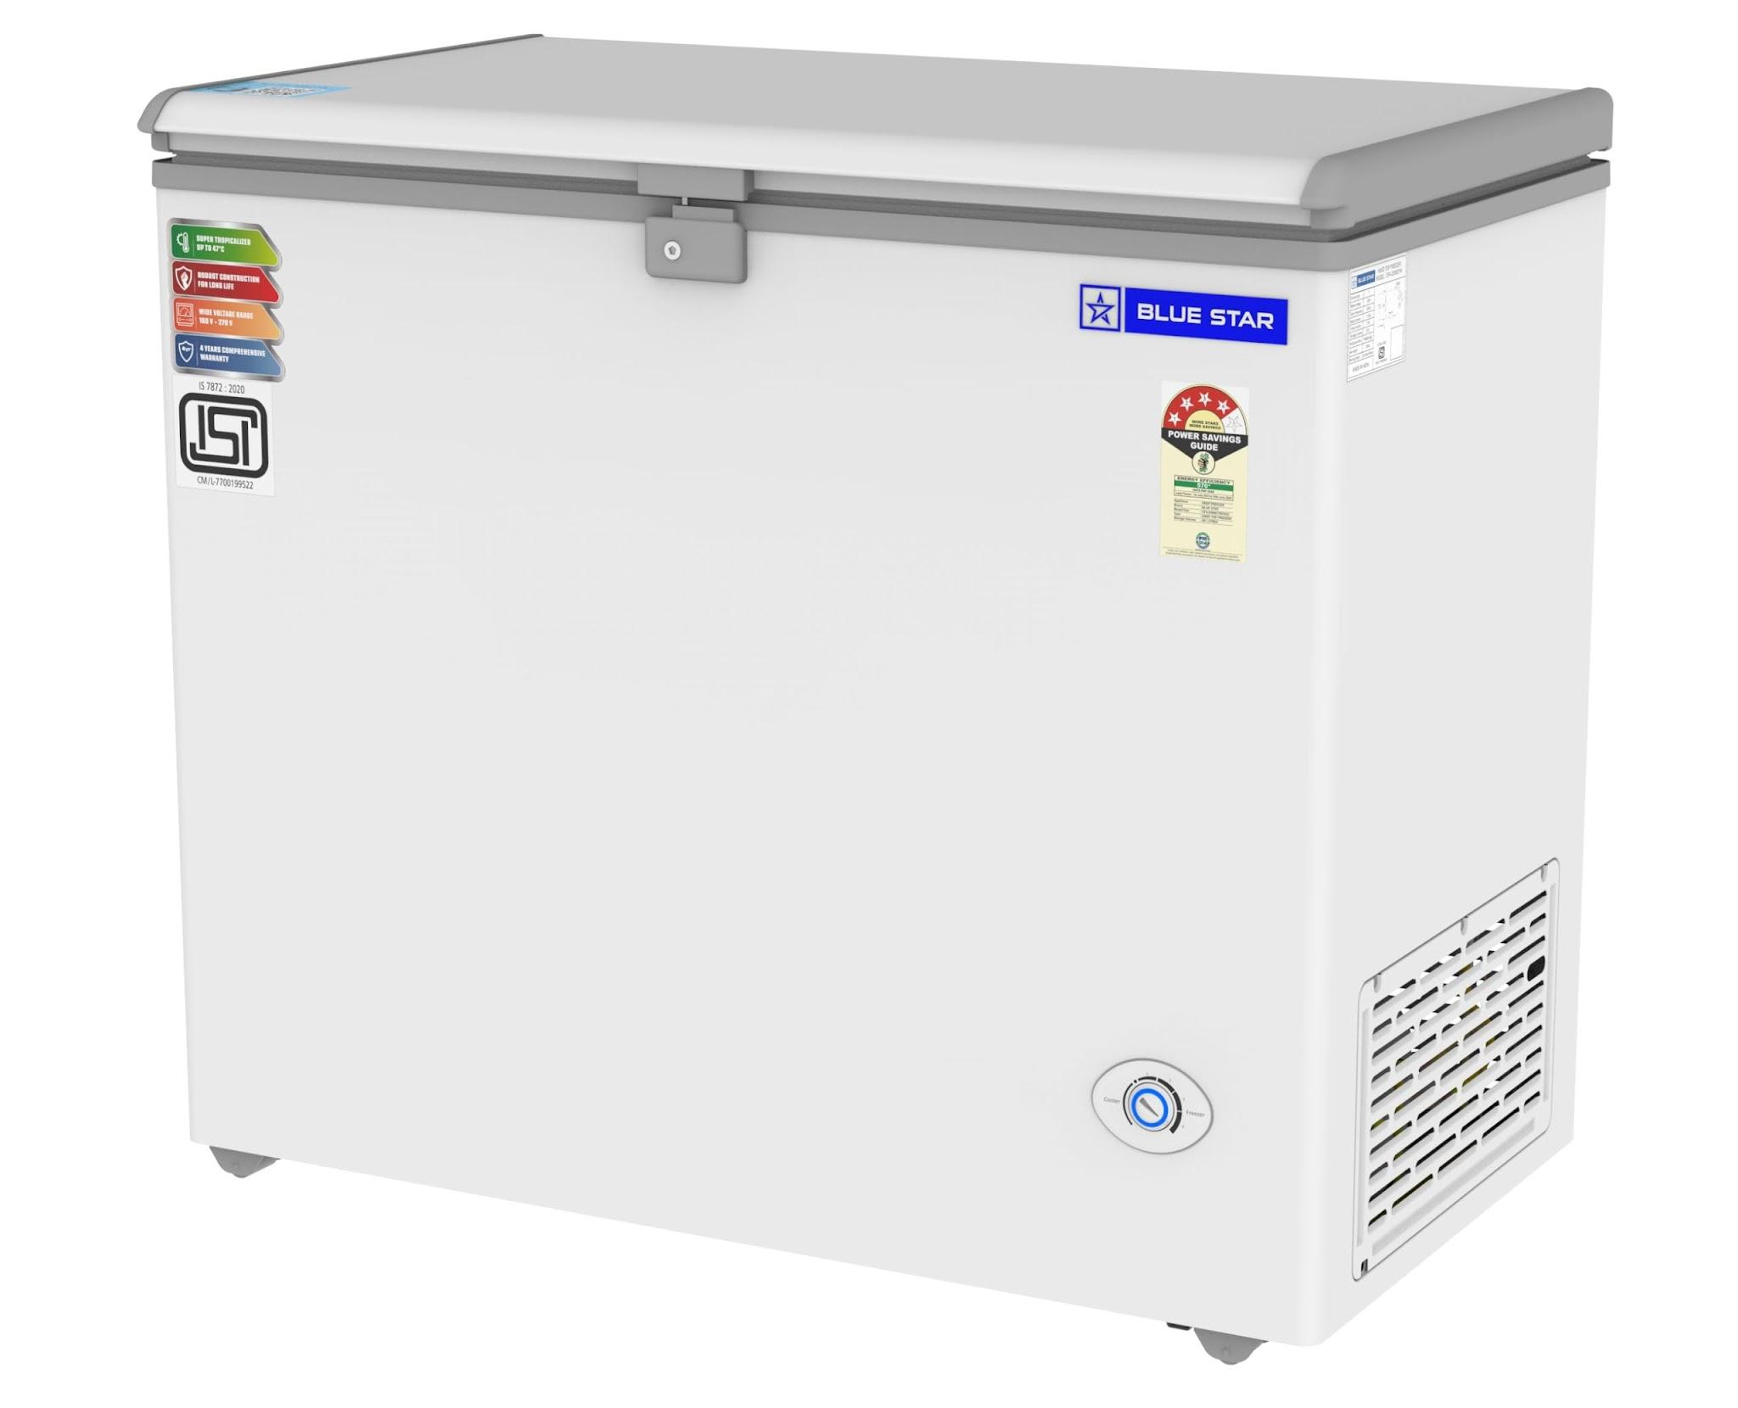
 | Butcher | Packaging materials |  |  | 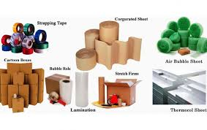
 | Butcher | Refrigeration unit |  |  | 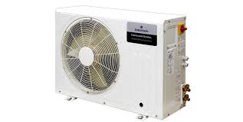
 | Butcher | Thermometer |  |  | 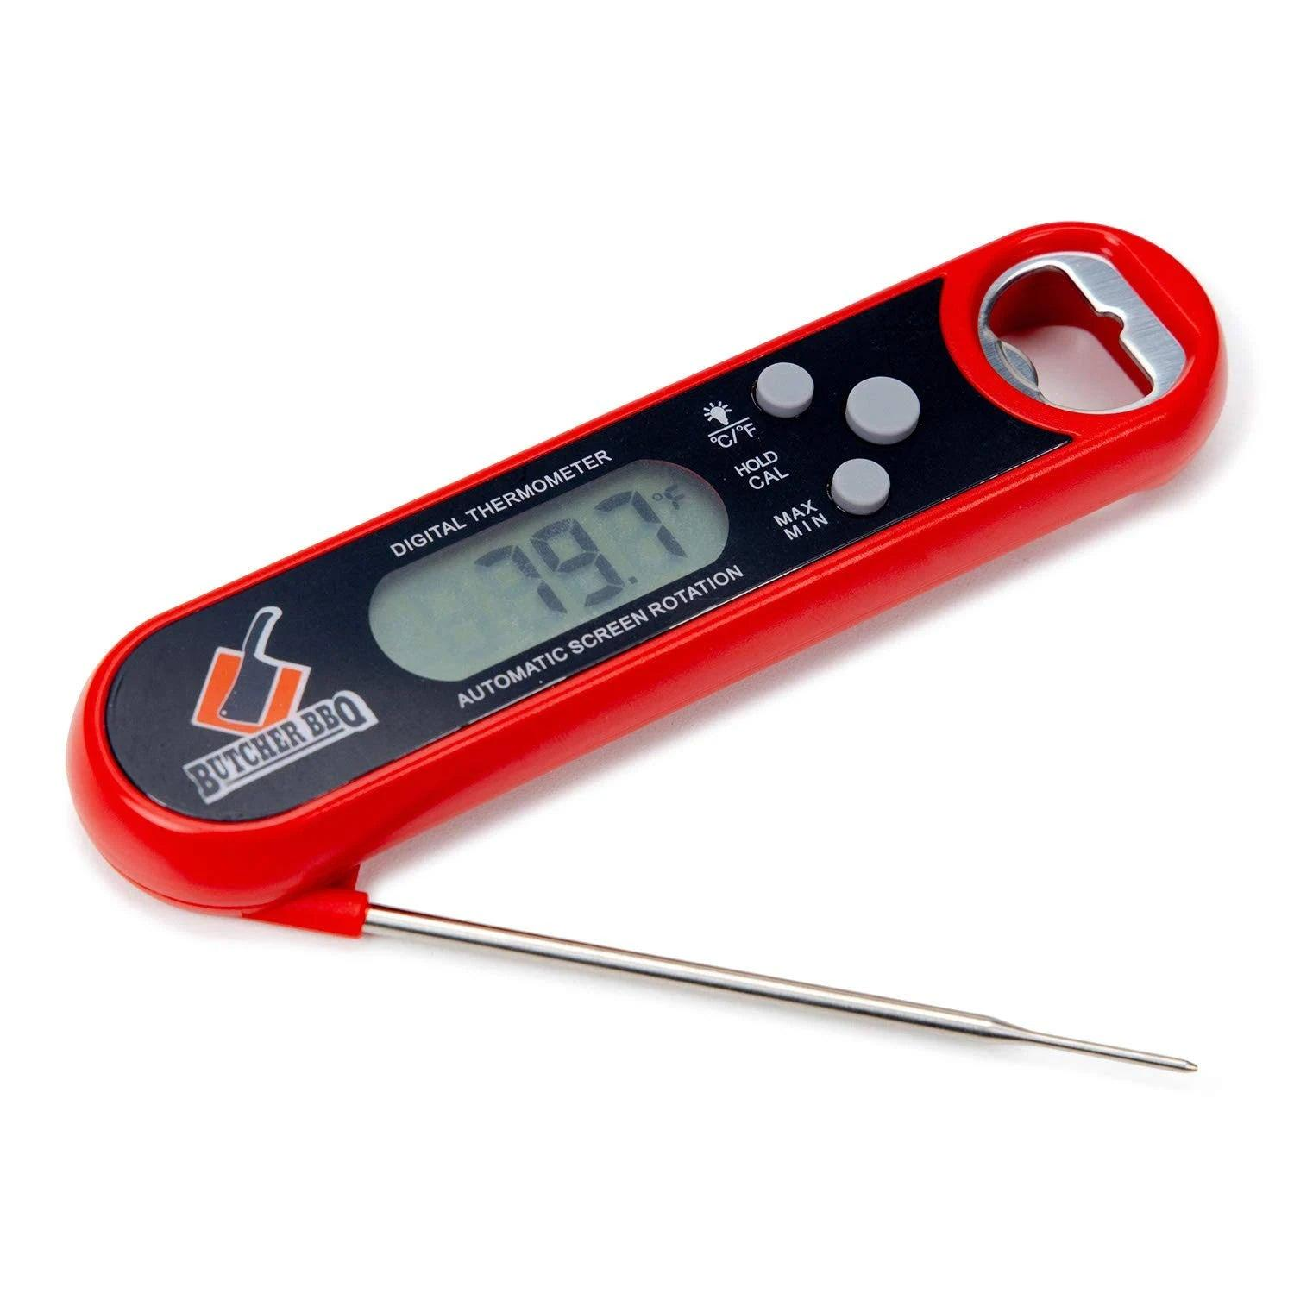
 | Butcher | Various meat cuts
 | Butcher | Test kits for allergens and toxins |  |  | 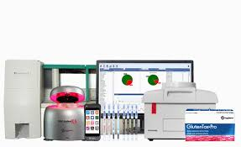
 | Butcher | Halal certification guidelines
 | Butcher | Halal compliance checklist
 | Butcher | Camera or device for record-keeping |  |  | 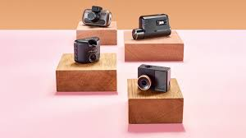
 | Butcher | Visual inspection tools |  |  | 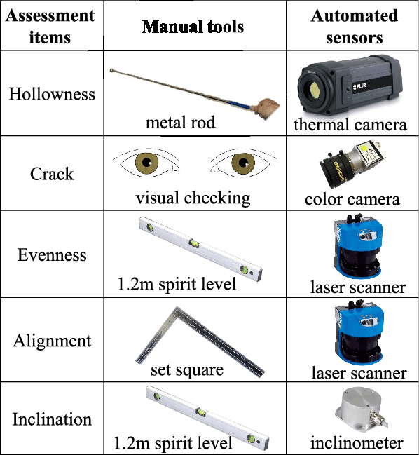
 | Butcher | Meat for testing
 | Butcher | Olfactory inspection tools
 | Butcher | Texture analysis equipment |  |  | 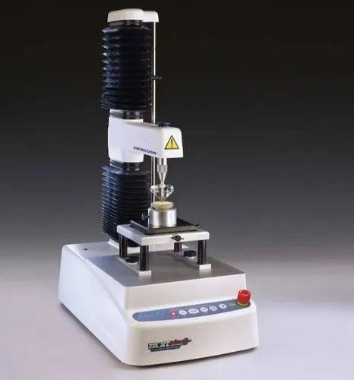
 | Butcher | Microbial testing kits |  |  | 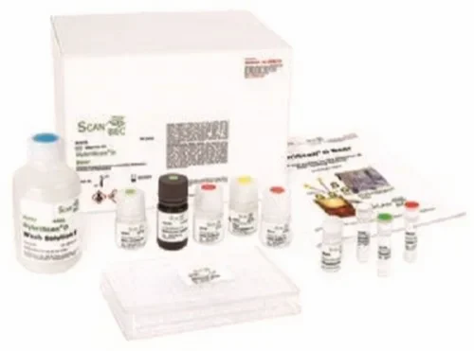
 | Butcher | pH meter |  |  | 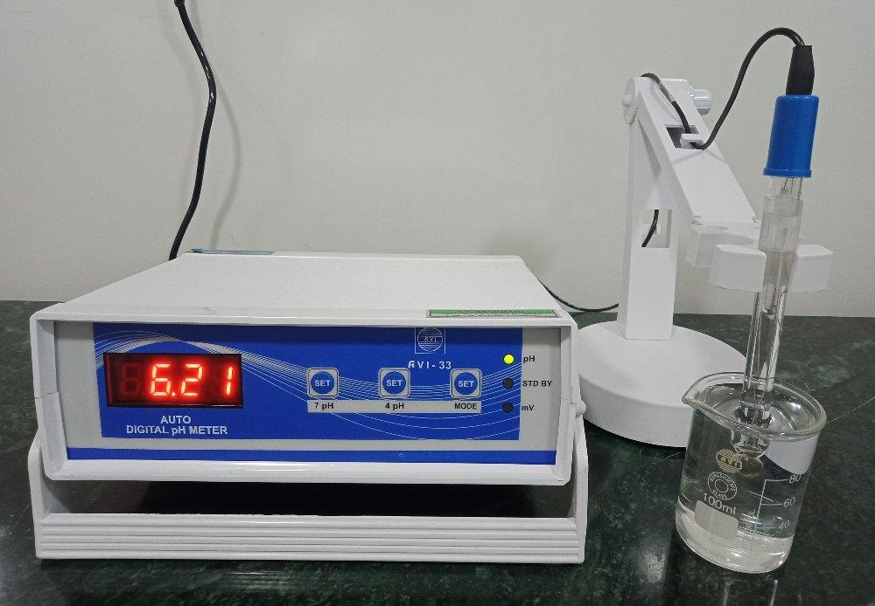
 | Butcher | Hyperspectral imaging system
 | Butcher | Sanitizing solution (100 ppm chlorine)
 | Butcher | High-pressure washer |  |  | 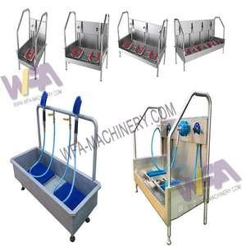
 | Butcher | Scrapers |  |  | 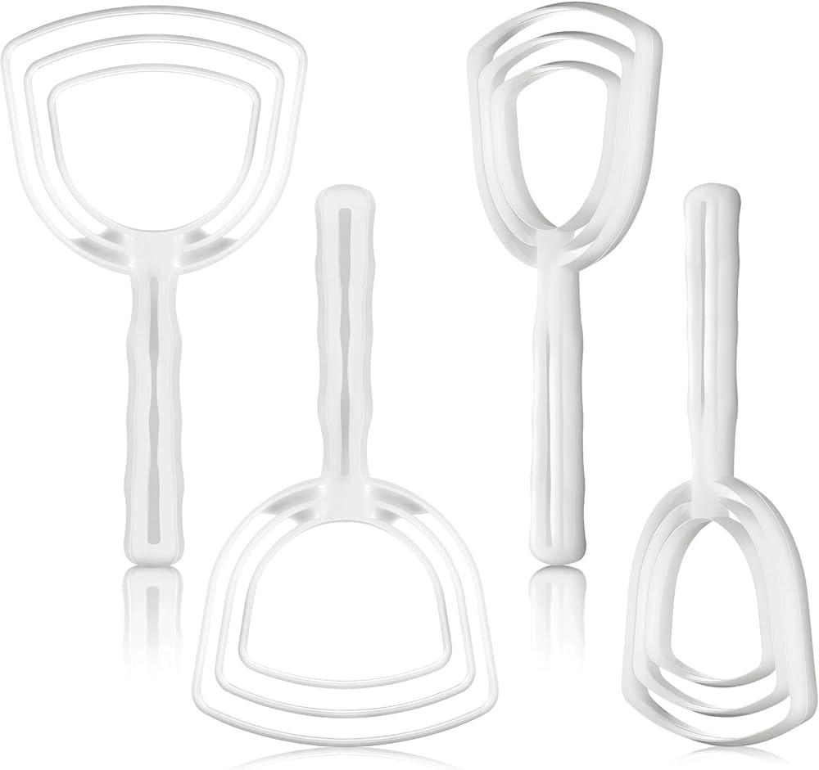
 | Butcher | Plastic bags |  |  | 
 | Butcher | Bins |  |  | 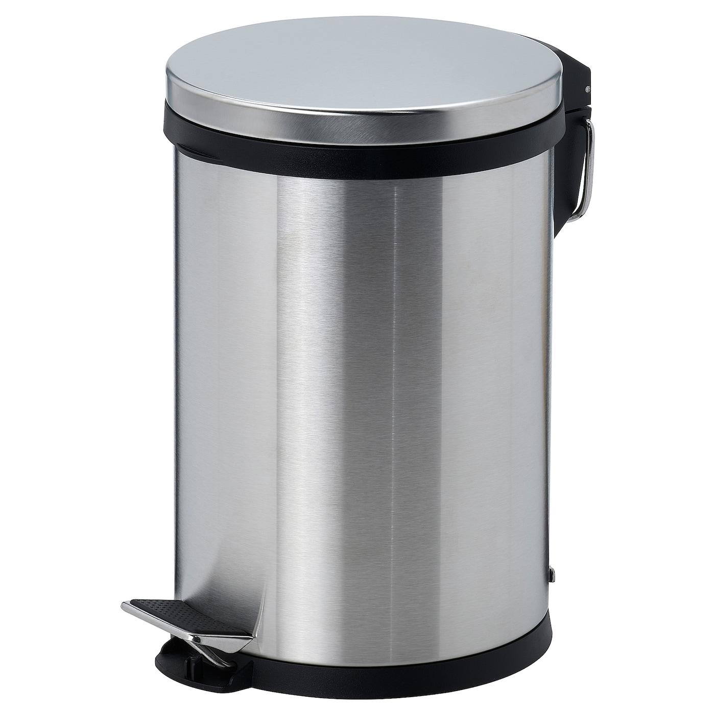
 | Butcher | Waste meat (intestines, gall bladder)
 | Butcher | Disinfectant solution
 | Butcher | Cold storage unit |  |  | 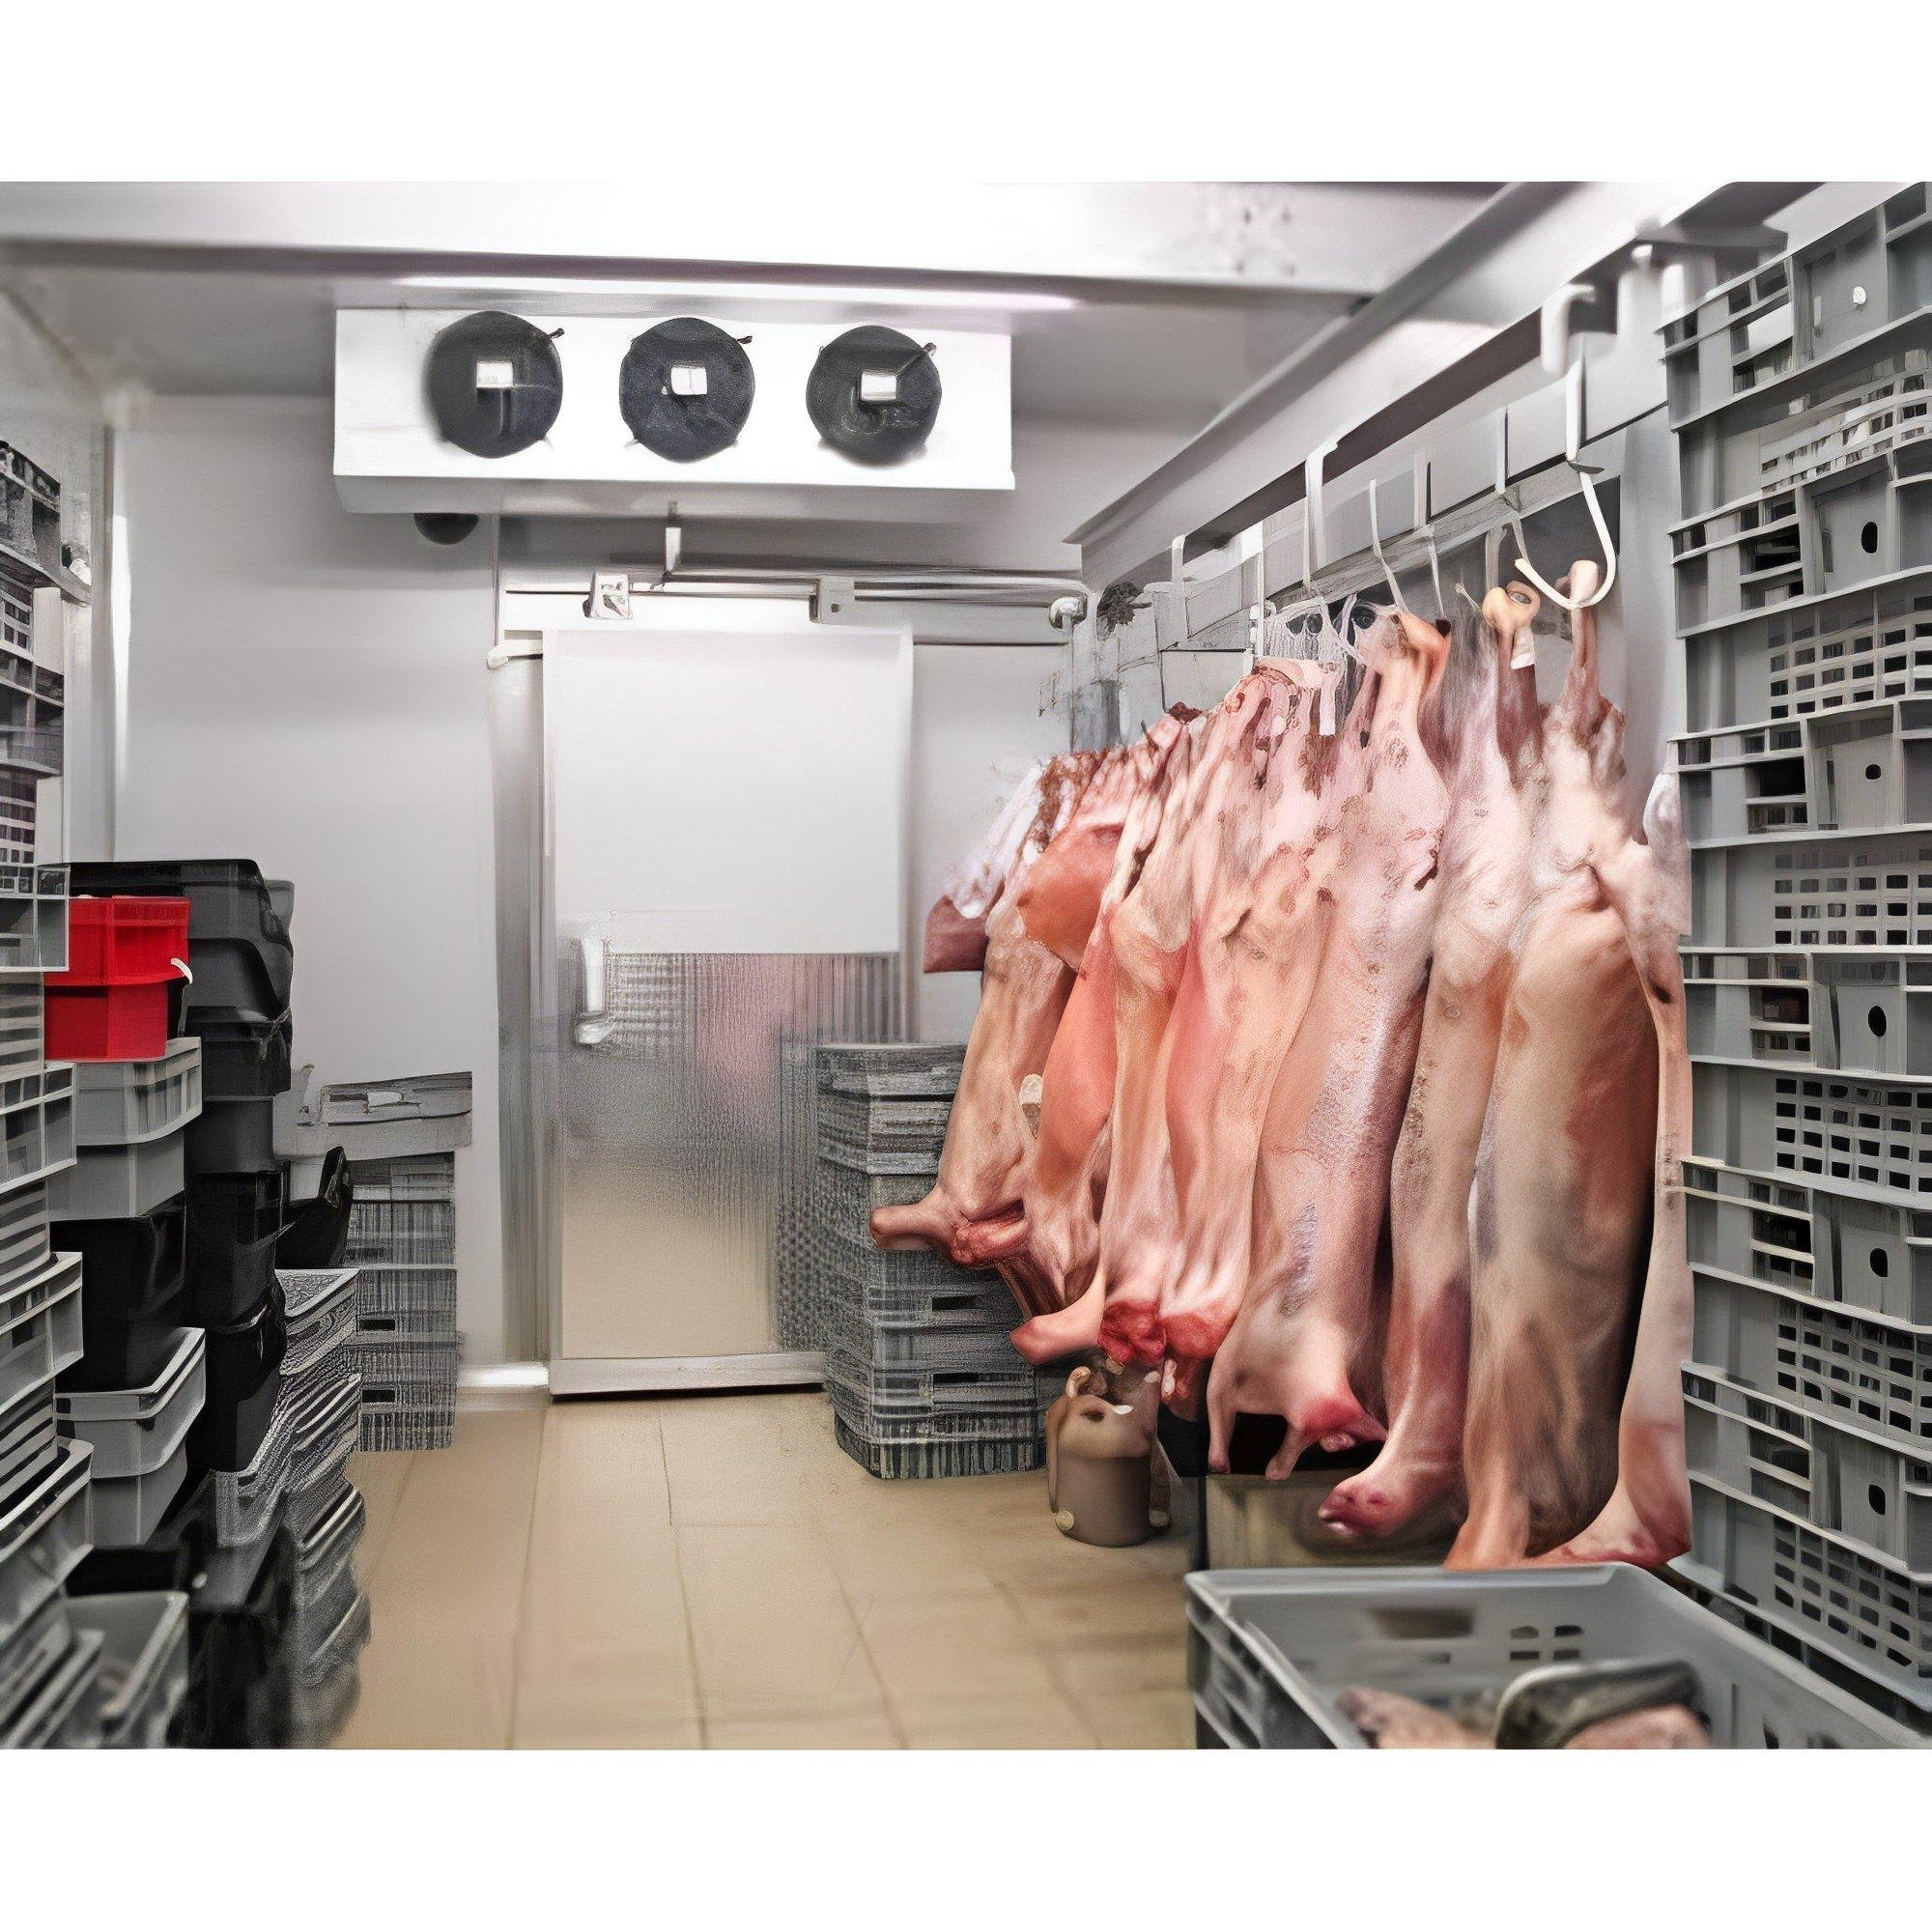
 | Butcher | Hand sanitizers
 | Butcher | Handwashing stations |  |  | 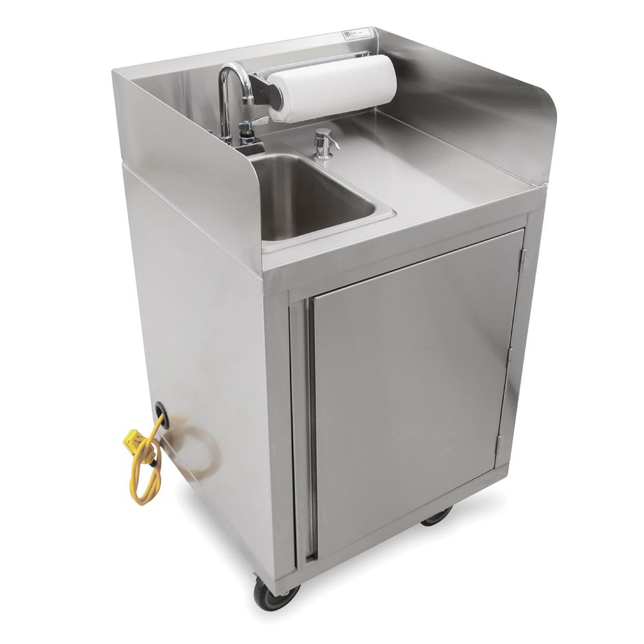
 | Butcher | Dry aging cabinet |  |  | 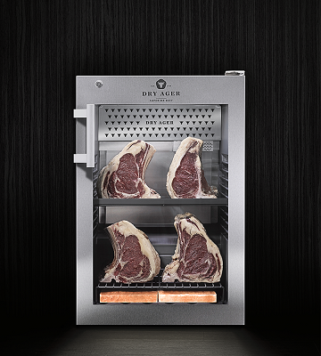
 | Butcher | Temperature and humidity control
 | Butcher | Aging bags |  |  | 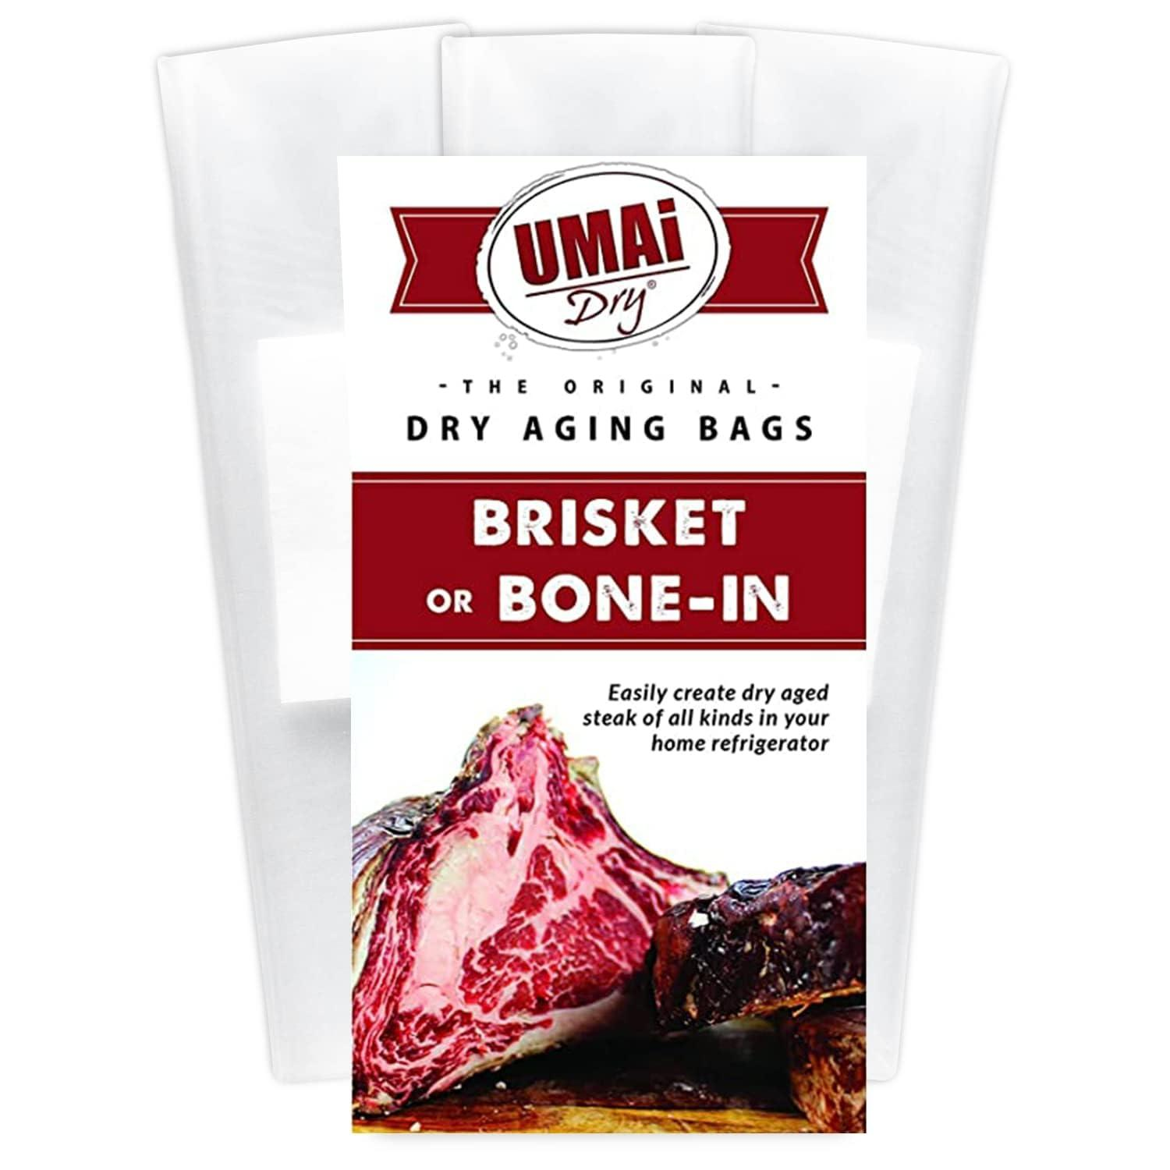
 | Butcher | Dull knife |  |  | 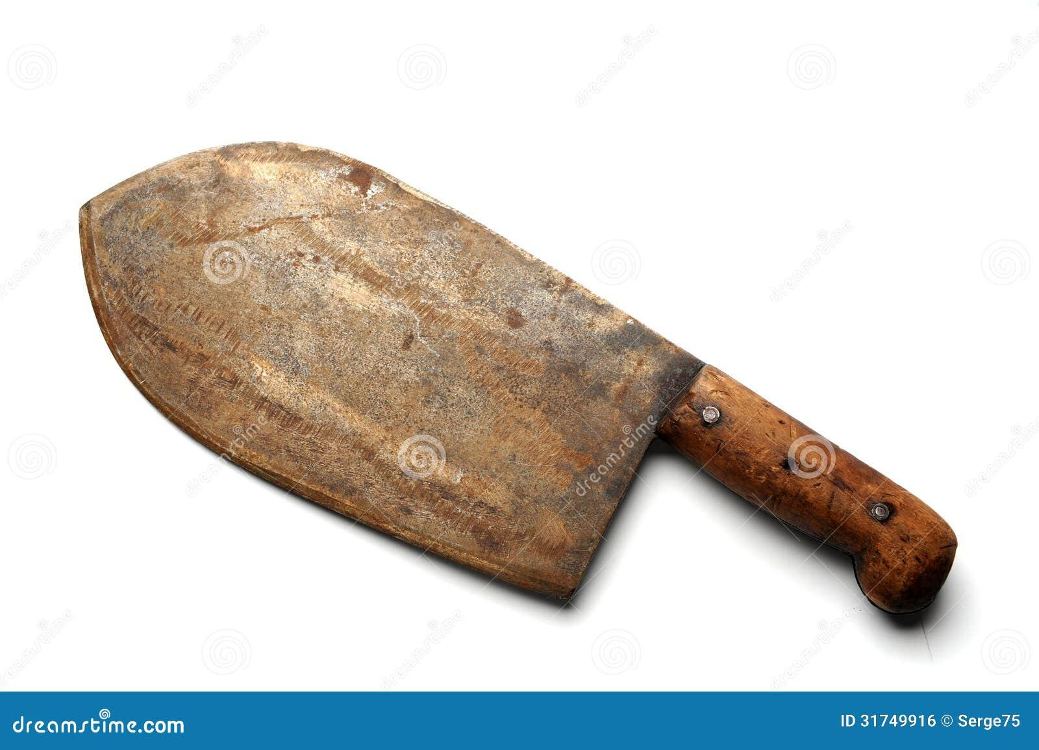
 | Butcher | Sharpening stone/Whetstone |  |  | 
 | Butcher | Honing steel |  |  | 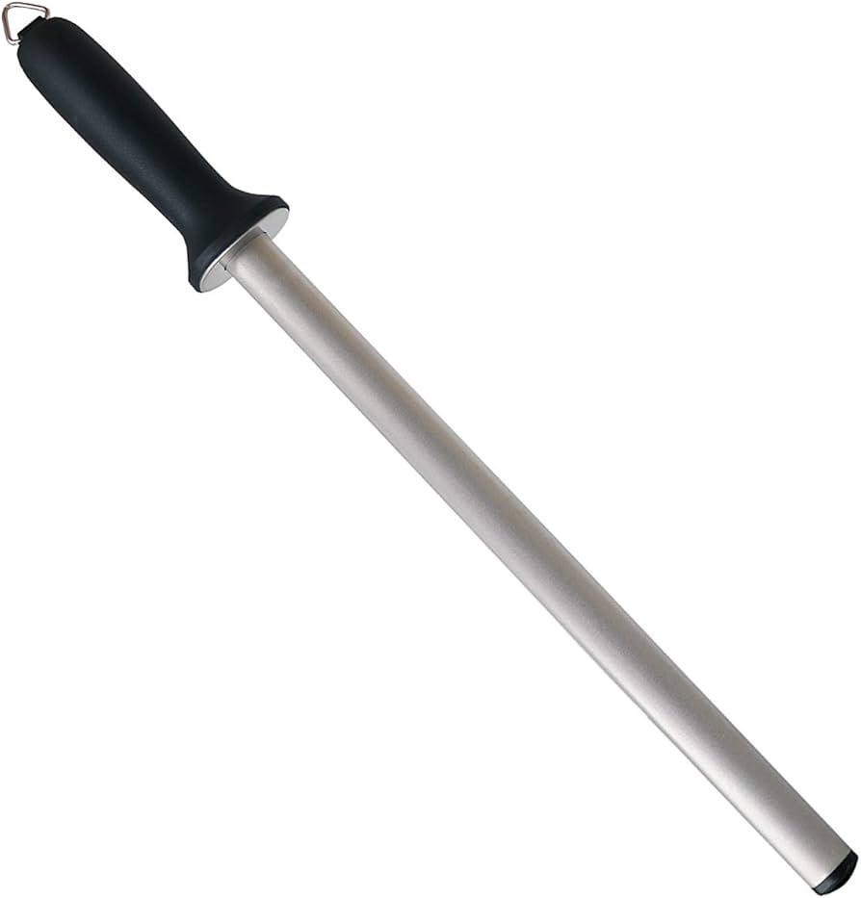
 | Butcher | Oil
 | Butcher | Electric knife sharpener |  |  | 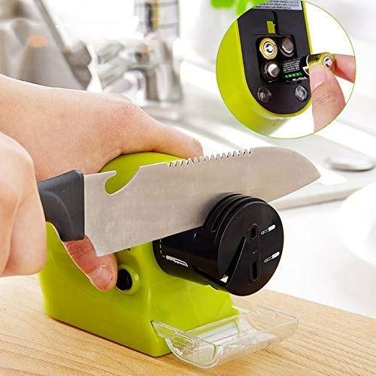
 | Butcher | Honing oil |  |  | 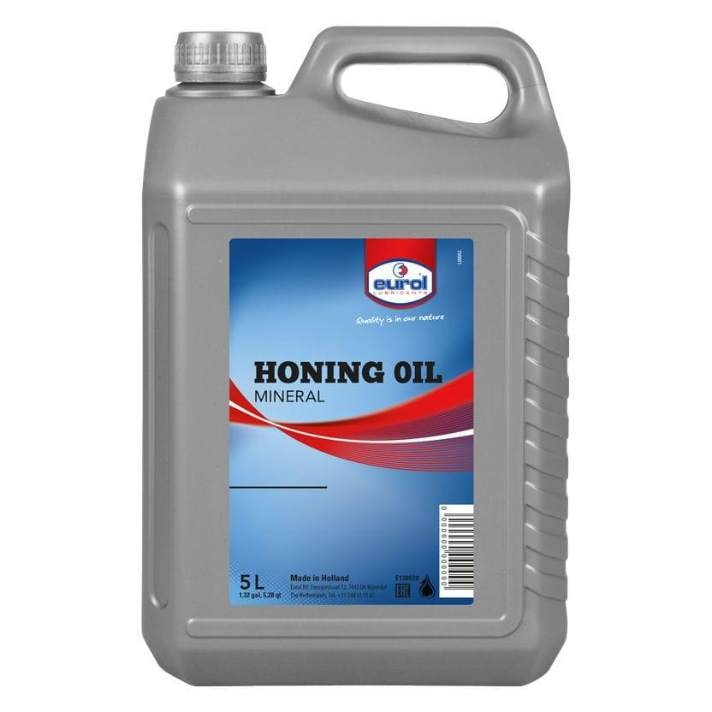
 | Butcher | Leather strop |  |  | 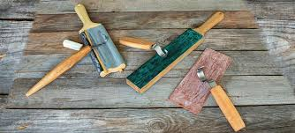
 | Butcher | Polishing compound |  |  | 
 | Butcher | Bandsaw |  |  | 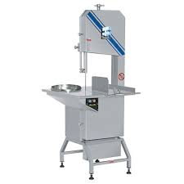
 | Butcher | Large meat carcass |  |  | 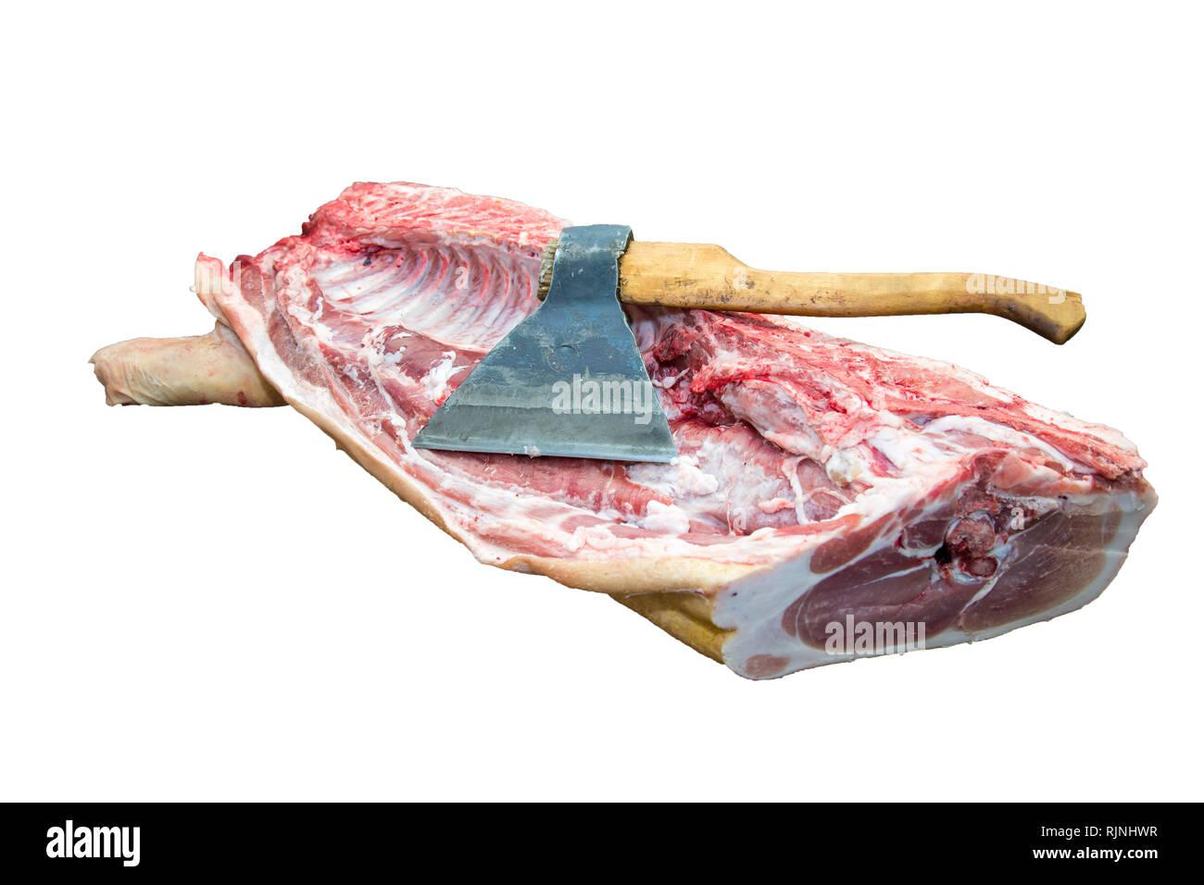
 | Butcher | Meat slicer
 | Butcher | Boneless meat cut
 | Butcher | Dull meat cleaver |  |  | 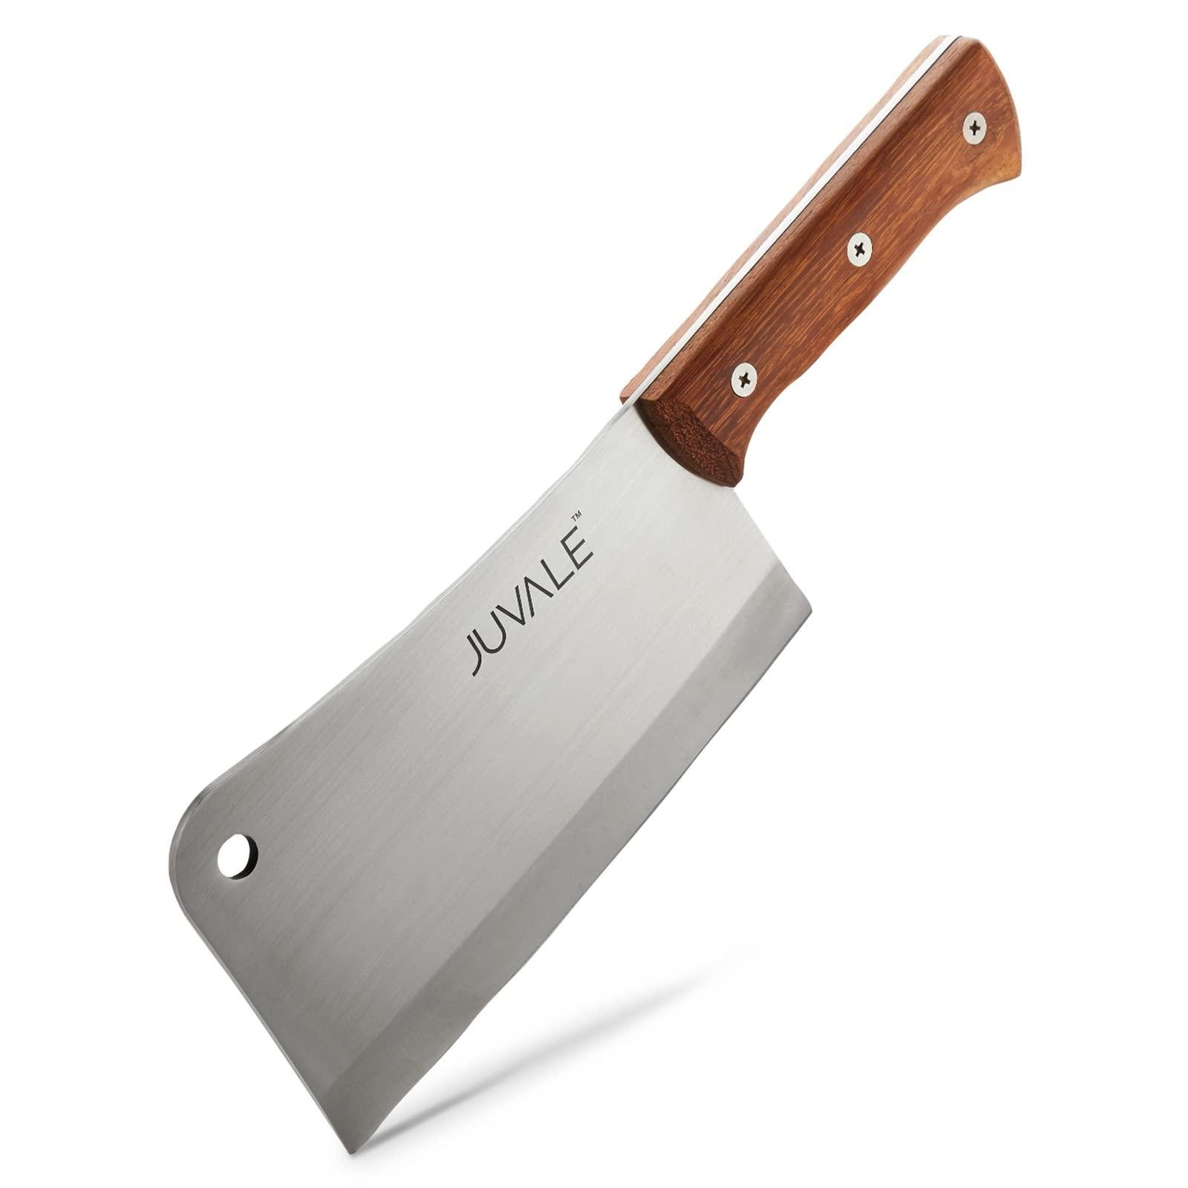
 | Butcher | Dull boning knife |  |  | 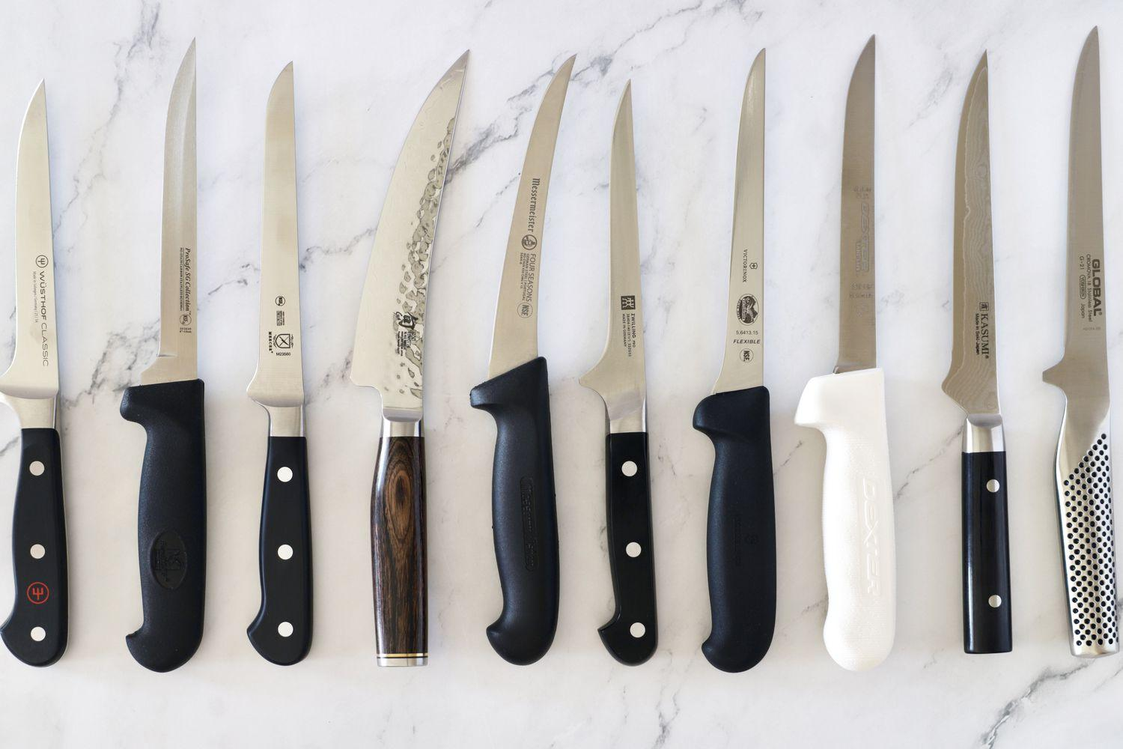
 | Butcher | Brine solution (water, salt, sugar, spices) |  |  | 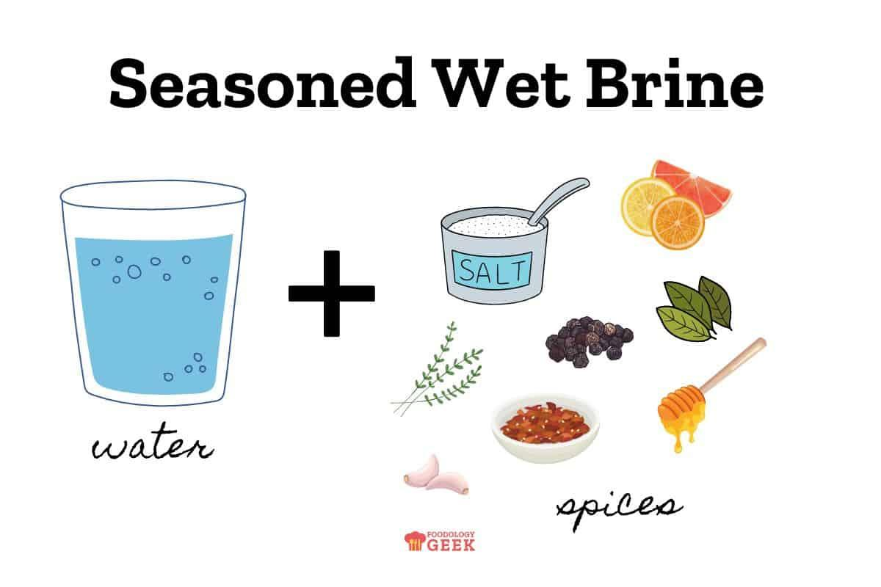
 | Butcher | Clean containers
 | Butcher | Whole chicken
 | Butcher | Beef brisket |  |  | 
 | Butcher | Live lamb

