Car Driver
Sector Name | Occupation name | Equipment name | Minimum number of equipment required (per batch of 30 trainees) | Unit type | Images
 | Car Driver | Spark plugs |  |  | 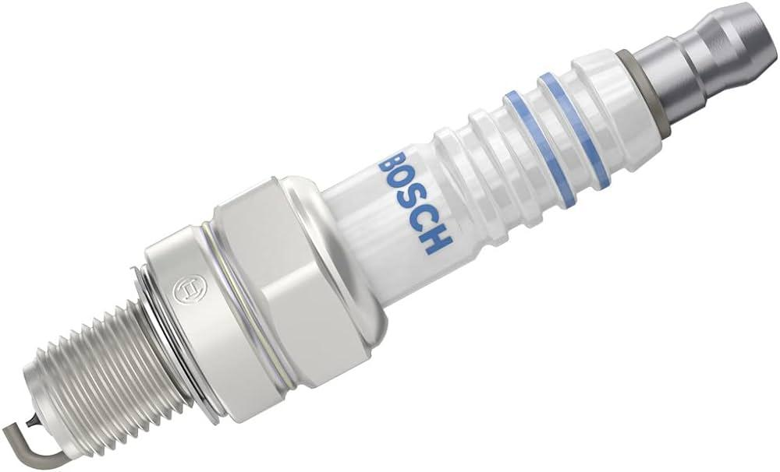
 | Car Driver | Spark plug wrench |  |  | 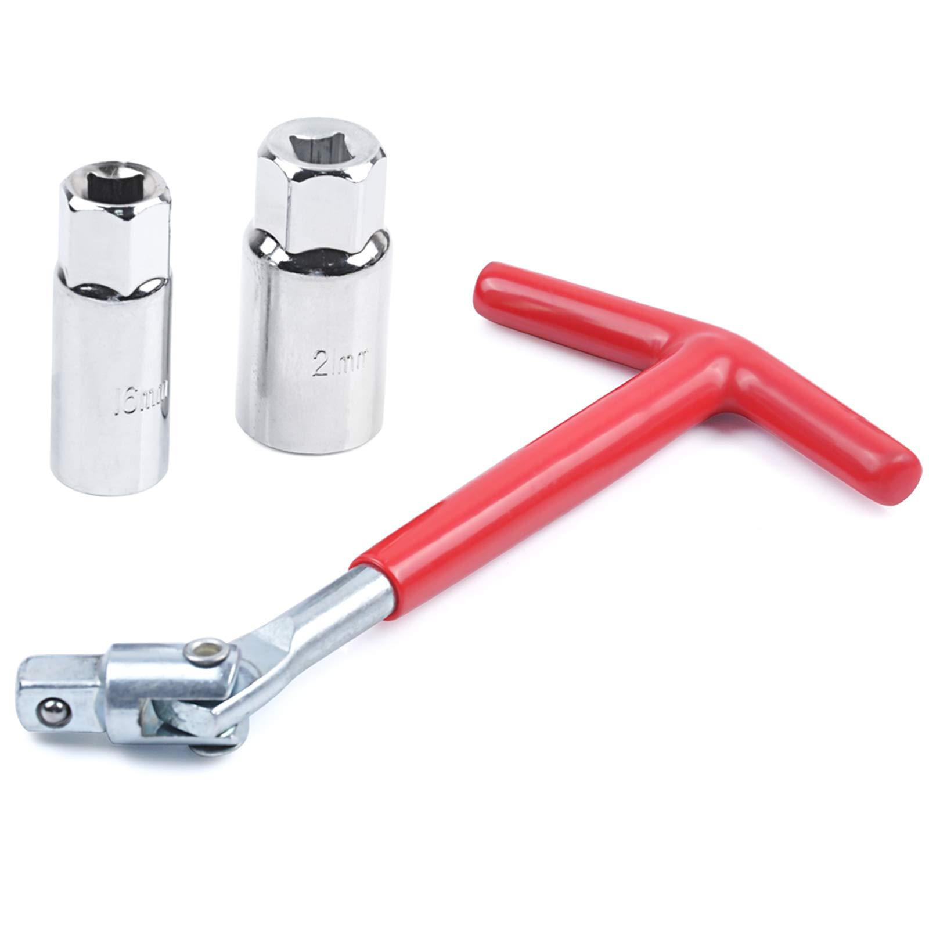
 | Car Driver | PPE (Personal Protective Equipment) including safety gloves, N95 mask |  |  | 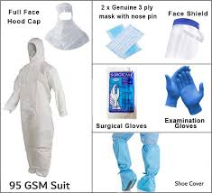
 | Car Driver | New battery |  |  | 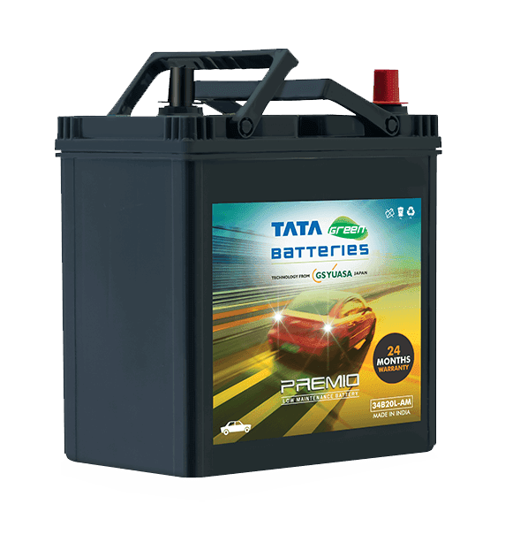
 | Car Driver | Wrench |  |  | 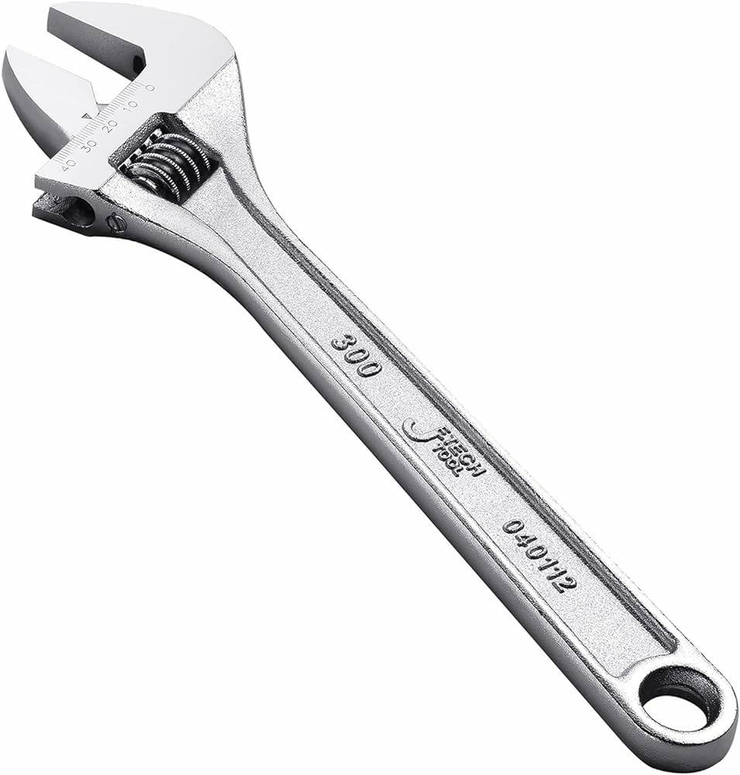
 | Car Driver | Battery tester |  |  | 
 | Car Driver | Insulation Wrap |  |  | 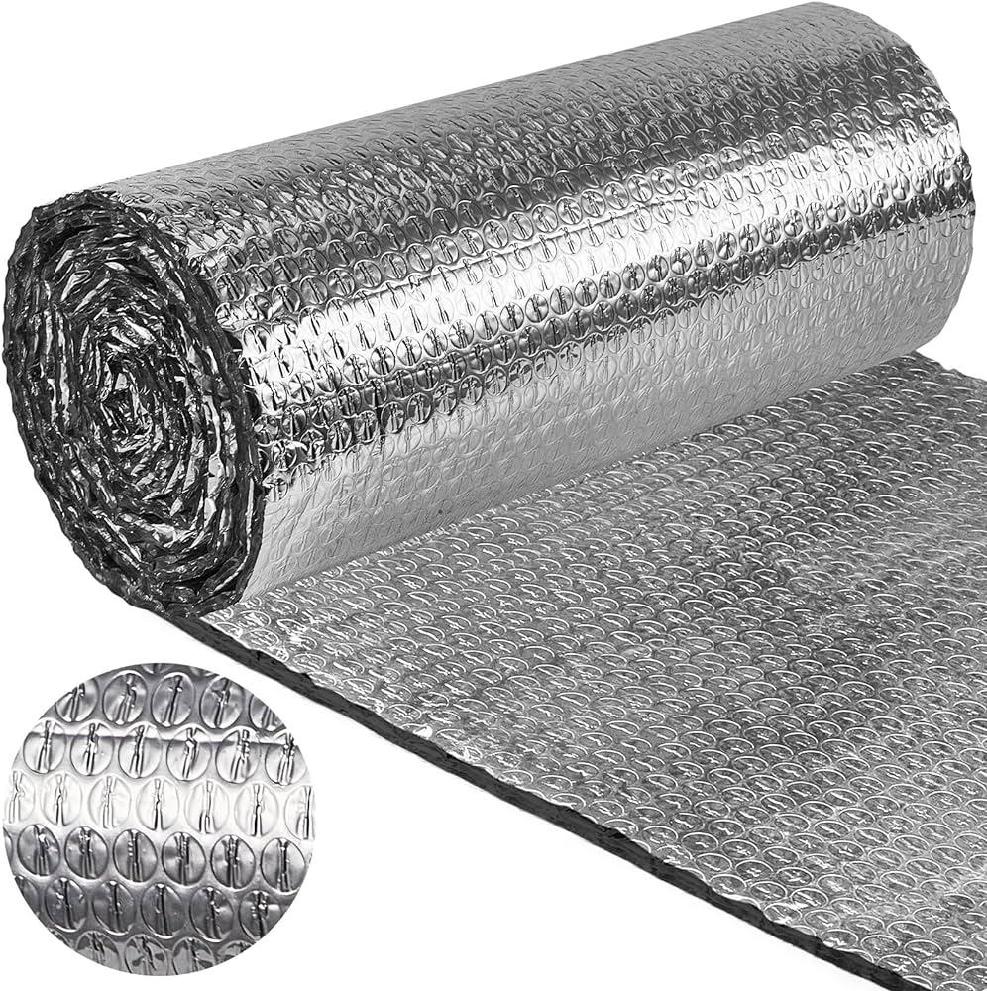
 | Car Driver | Jack |  |  | 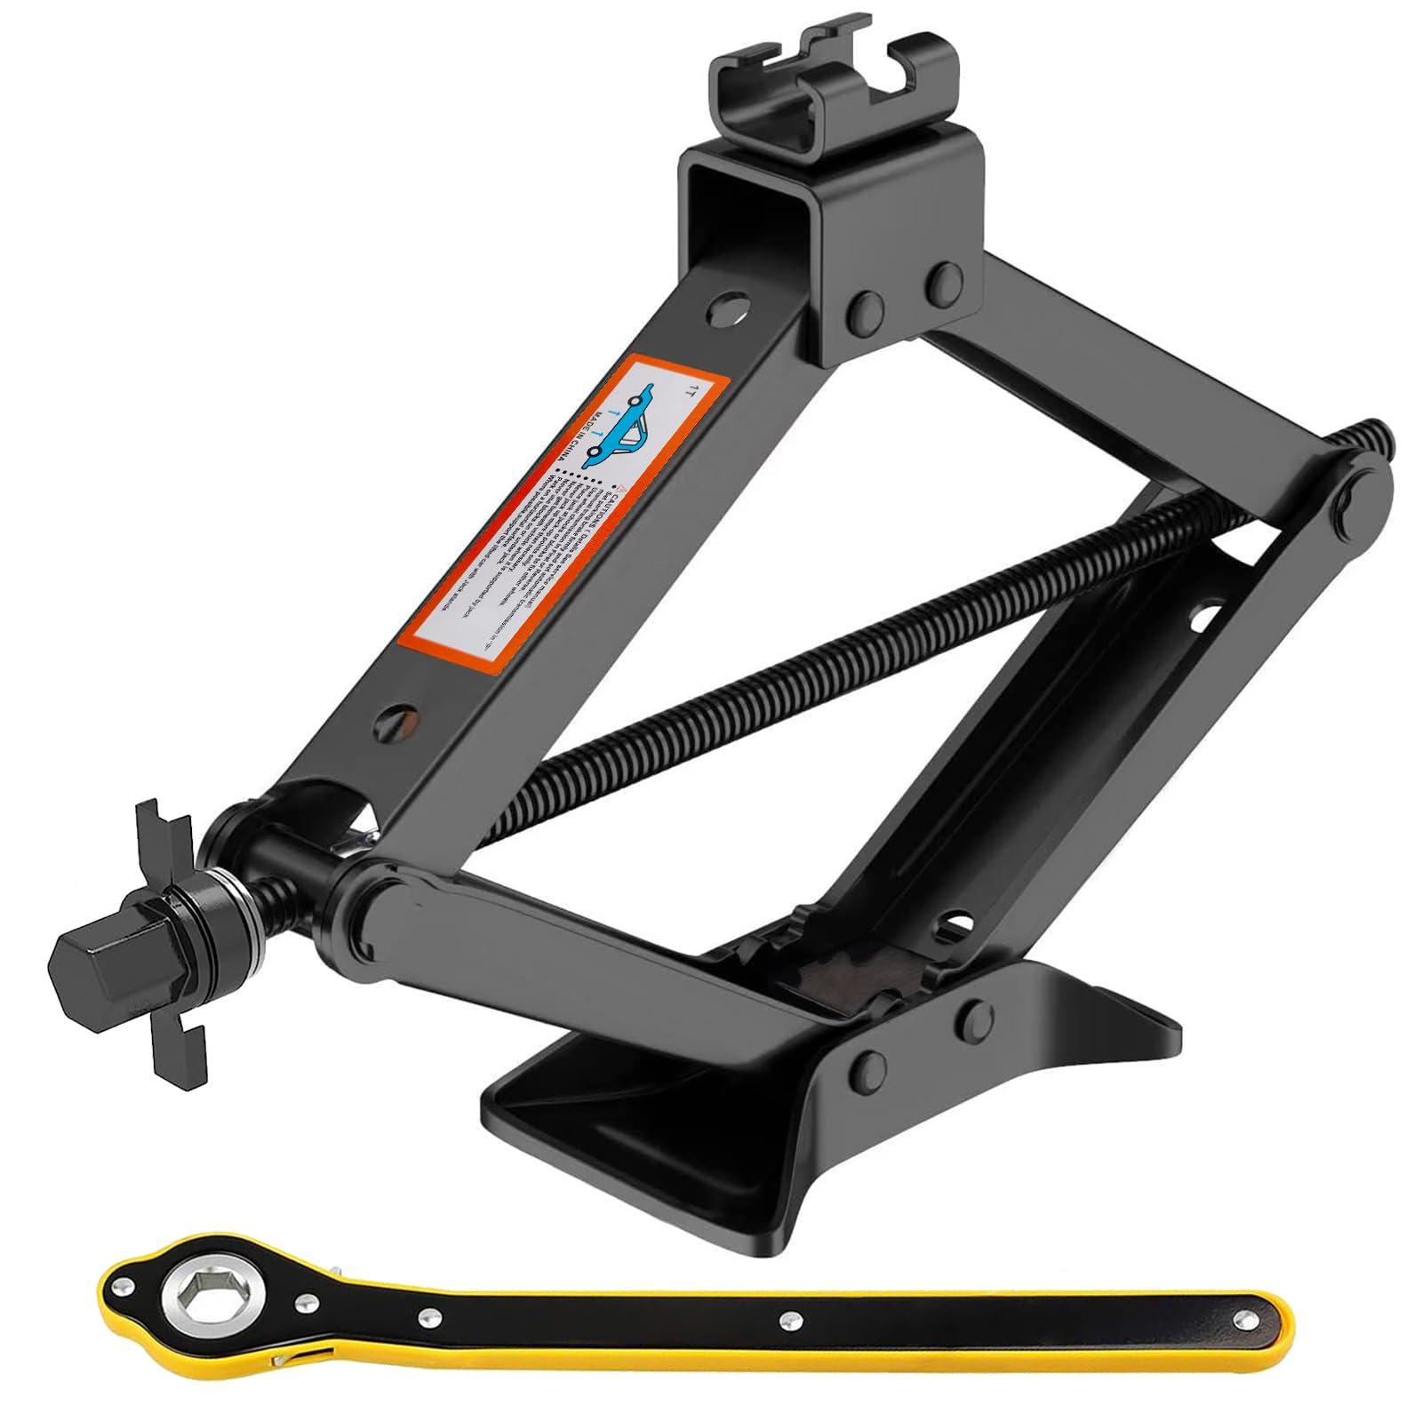
 | Car Driver | Tire iron |  |  | 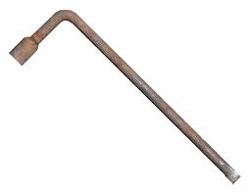
 | Car Driver | Torque wrench |  |  | 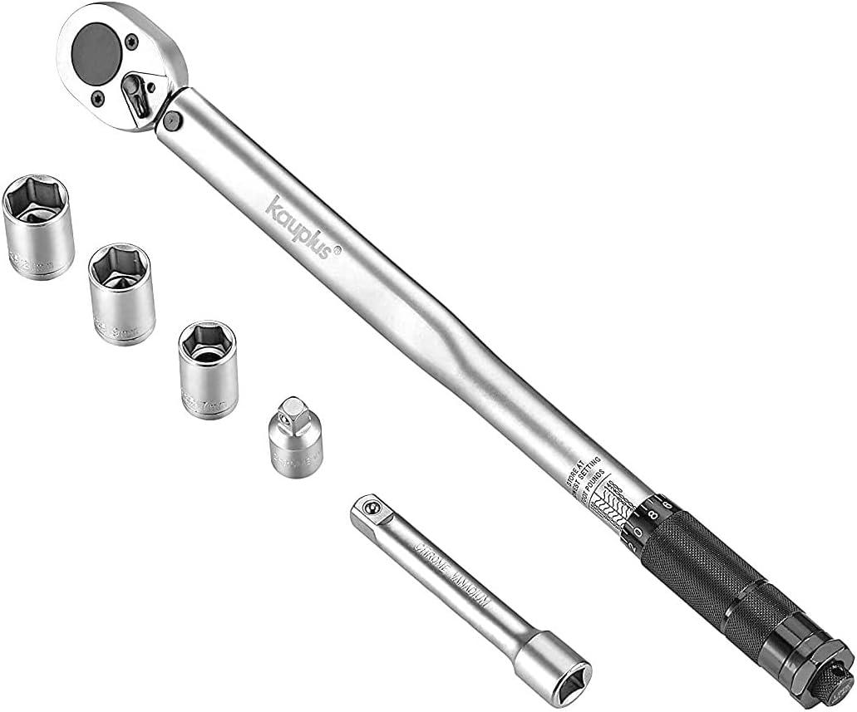
 | Car Driver | New tire |  |  | 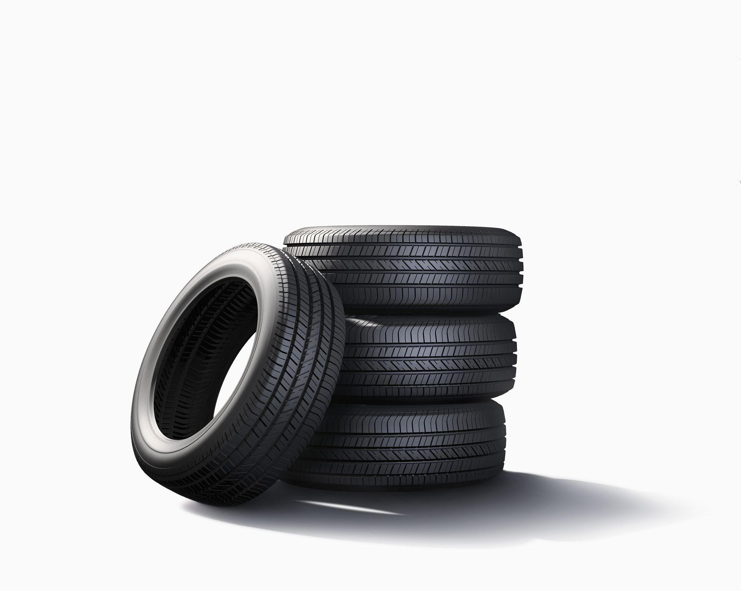
 | Car Driver | Coolant
 | Car Driver | Funnel |  |  | 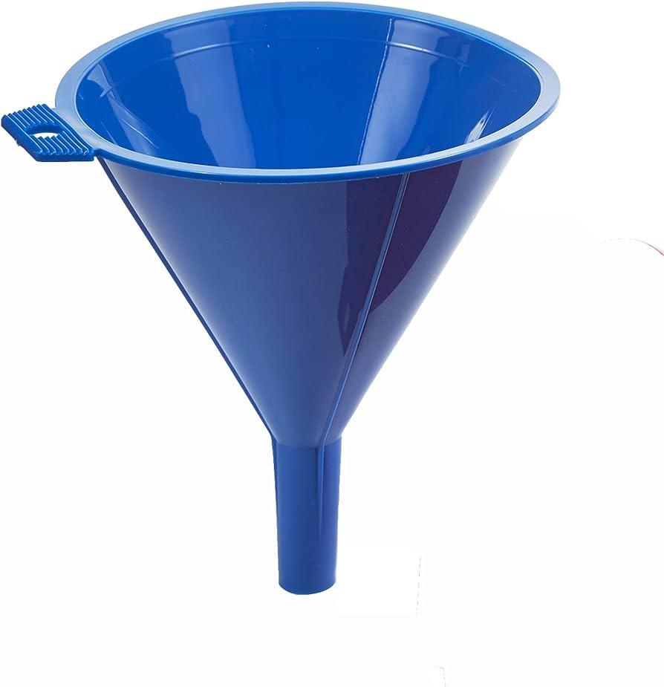
 | Car Driver | OBD-II scanner |  |  | 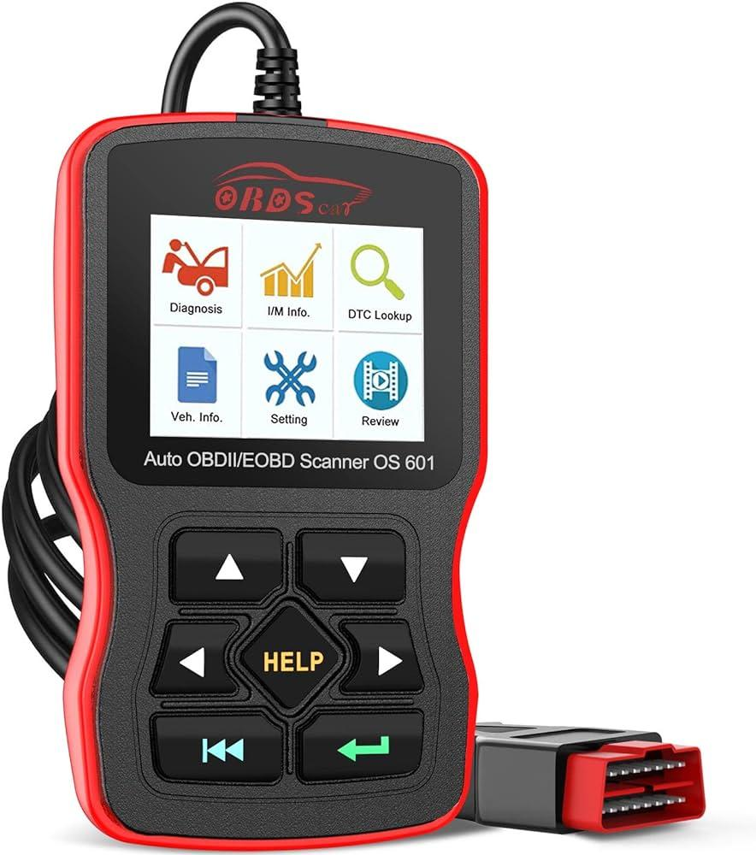
 | Car Driver | Vehicle manual
 | Car Driver | Winter windshield washer fluid |  |  | 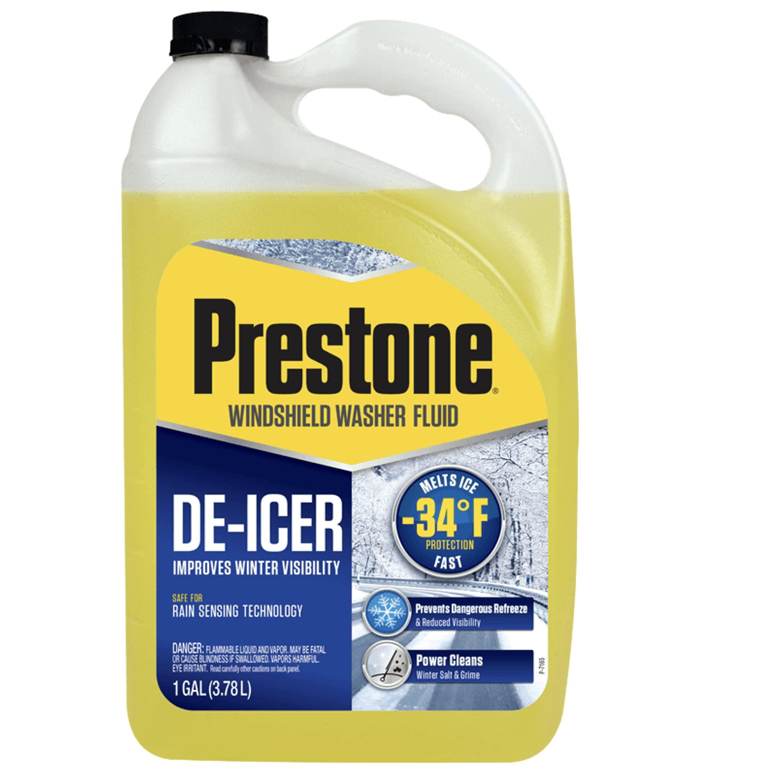
 | Car Driver | Ice scraper |  |  | 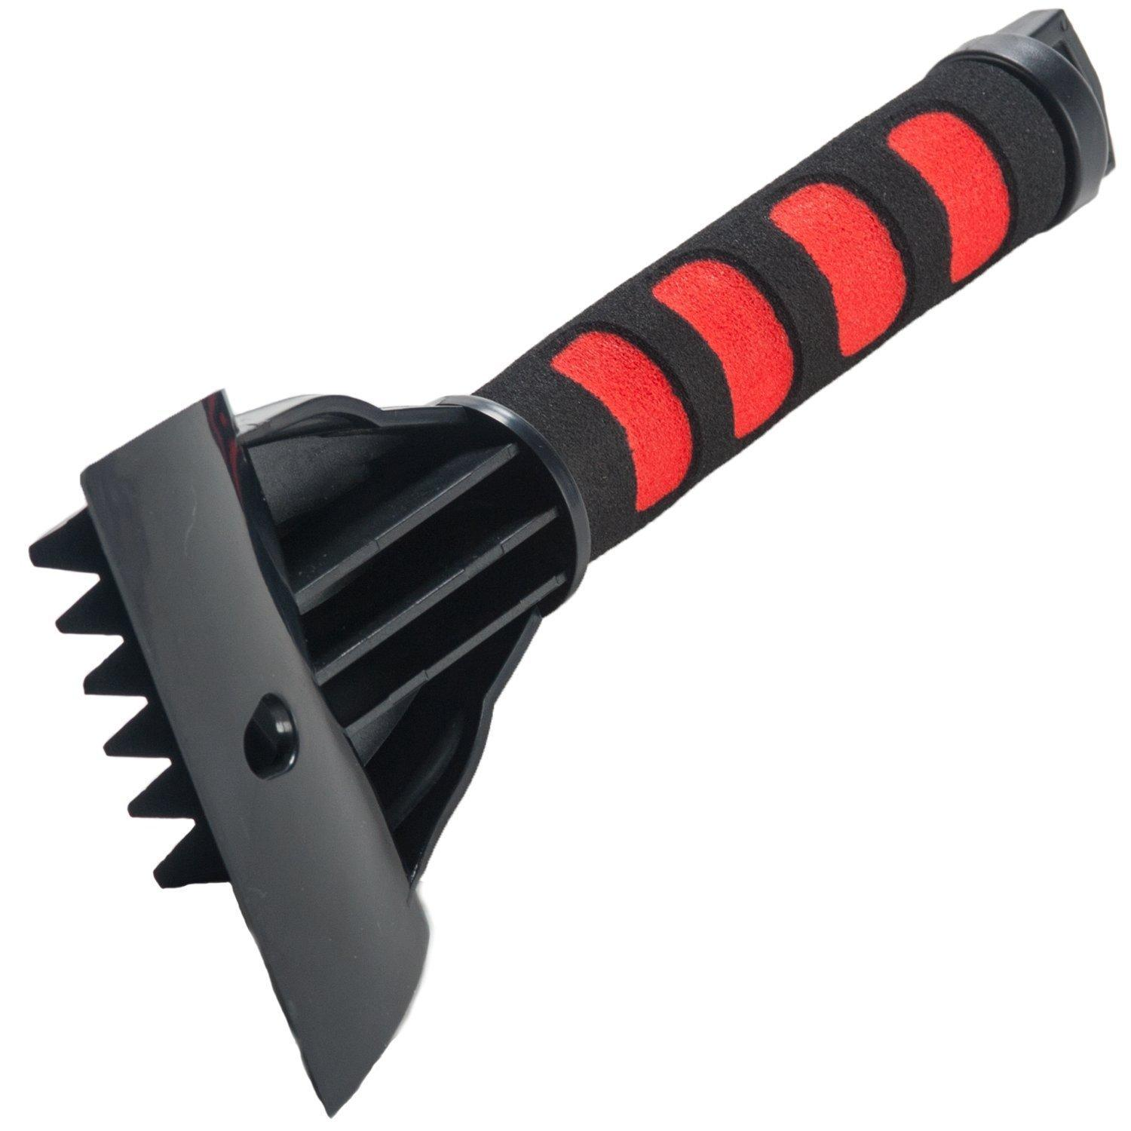
 | Car Driver | De-icer spray
 | Car Driver | Sunshade |  |  | 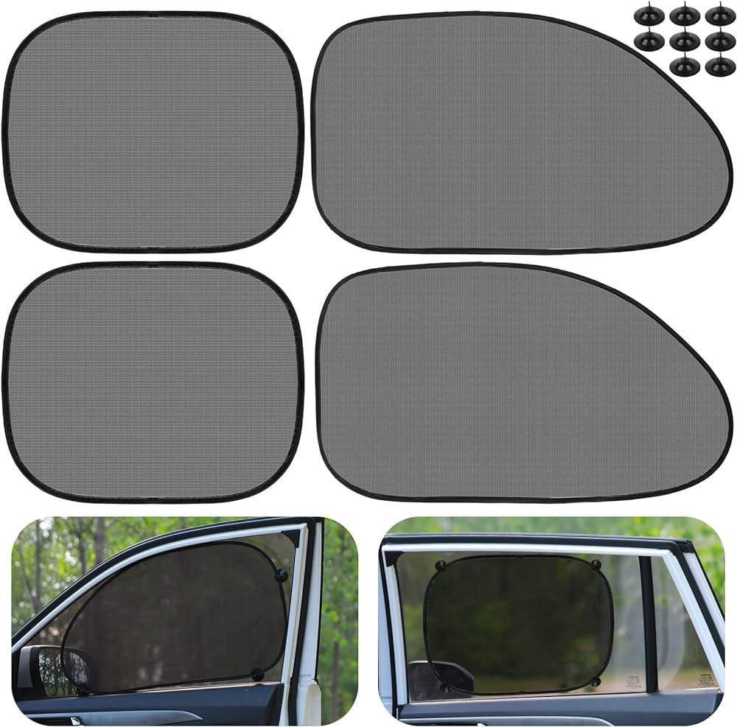
 | Car Driver | Air conditioning check
 | Car Driver | Route planner app
 | Car Driver | Maintenance tools |  |  | 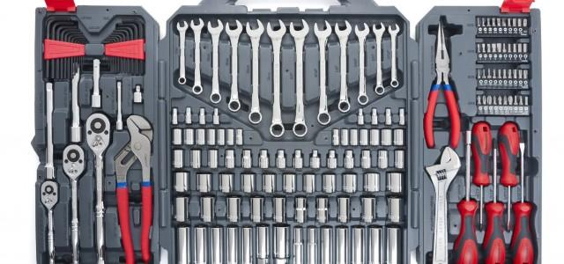
 | Car Driver | Travel documents
 | Car Driver | Packing checklist
 | Car Driver | Travel bags |  |  | 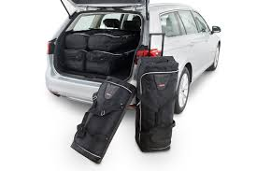
 | Car Driver | First aid kit |  |  | 
 | Car Driver | Mobile devices
 | Car Driver | Chargers
 | Car Driver | Headphones
 | Car Driver | Child car seat
 | Car Driver | Seatbelt
 | Car Driver | Cushions |  |  | 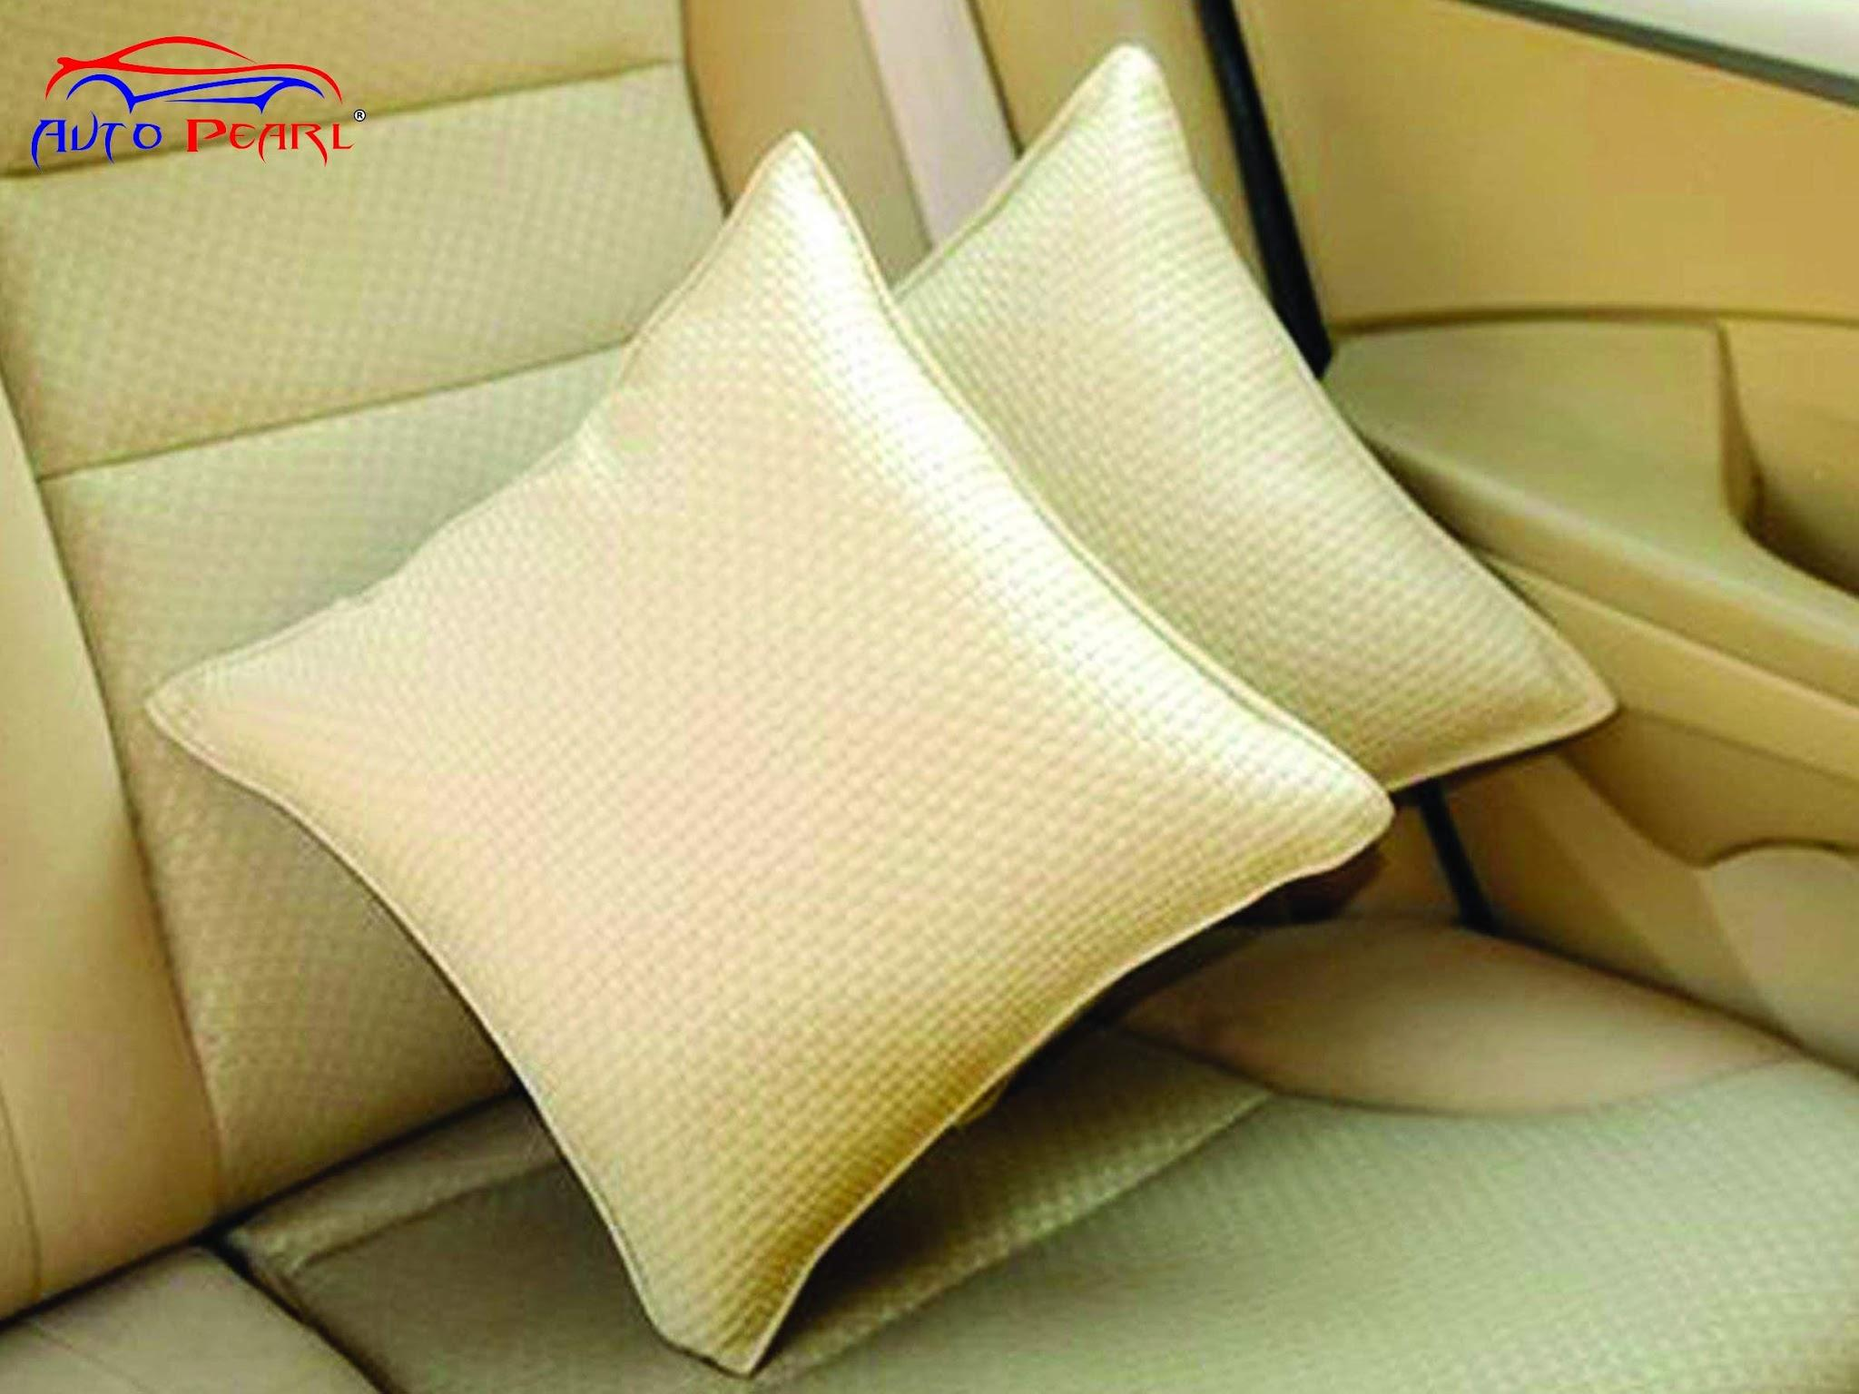
 | Car Driver | Blankets |  |  | 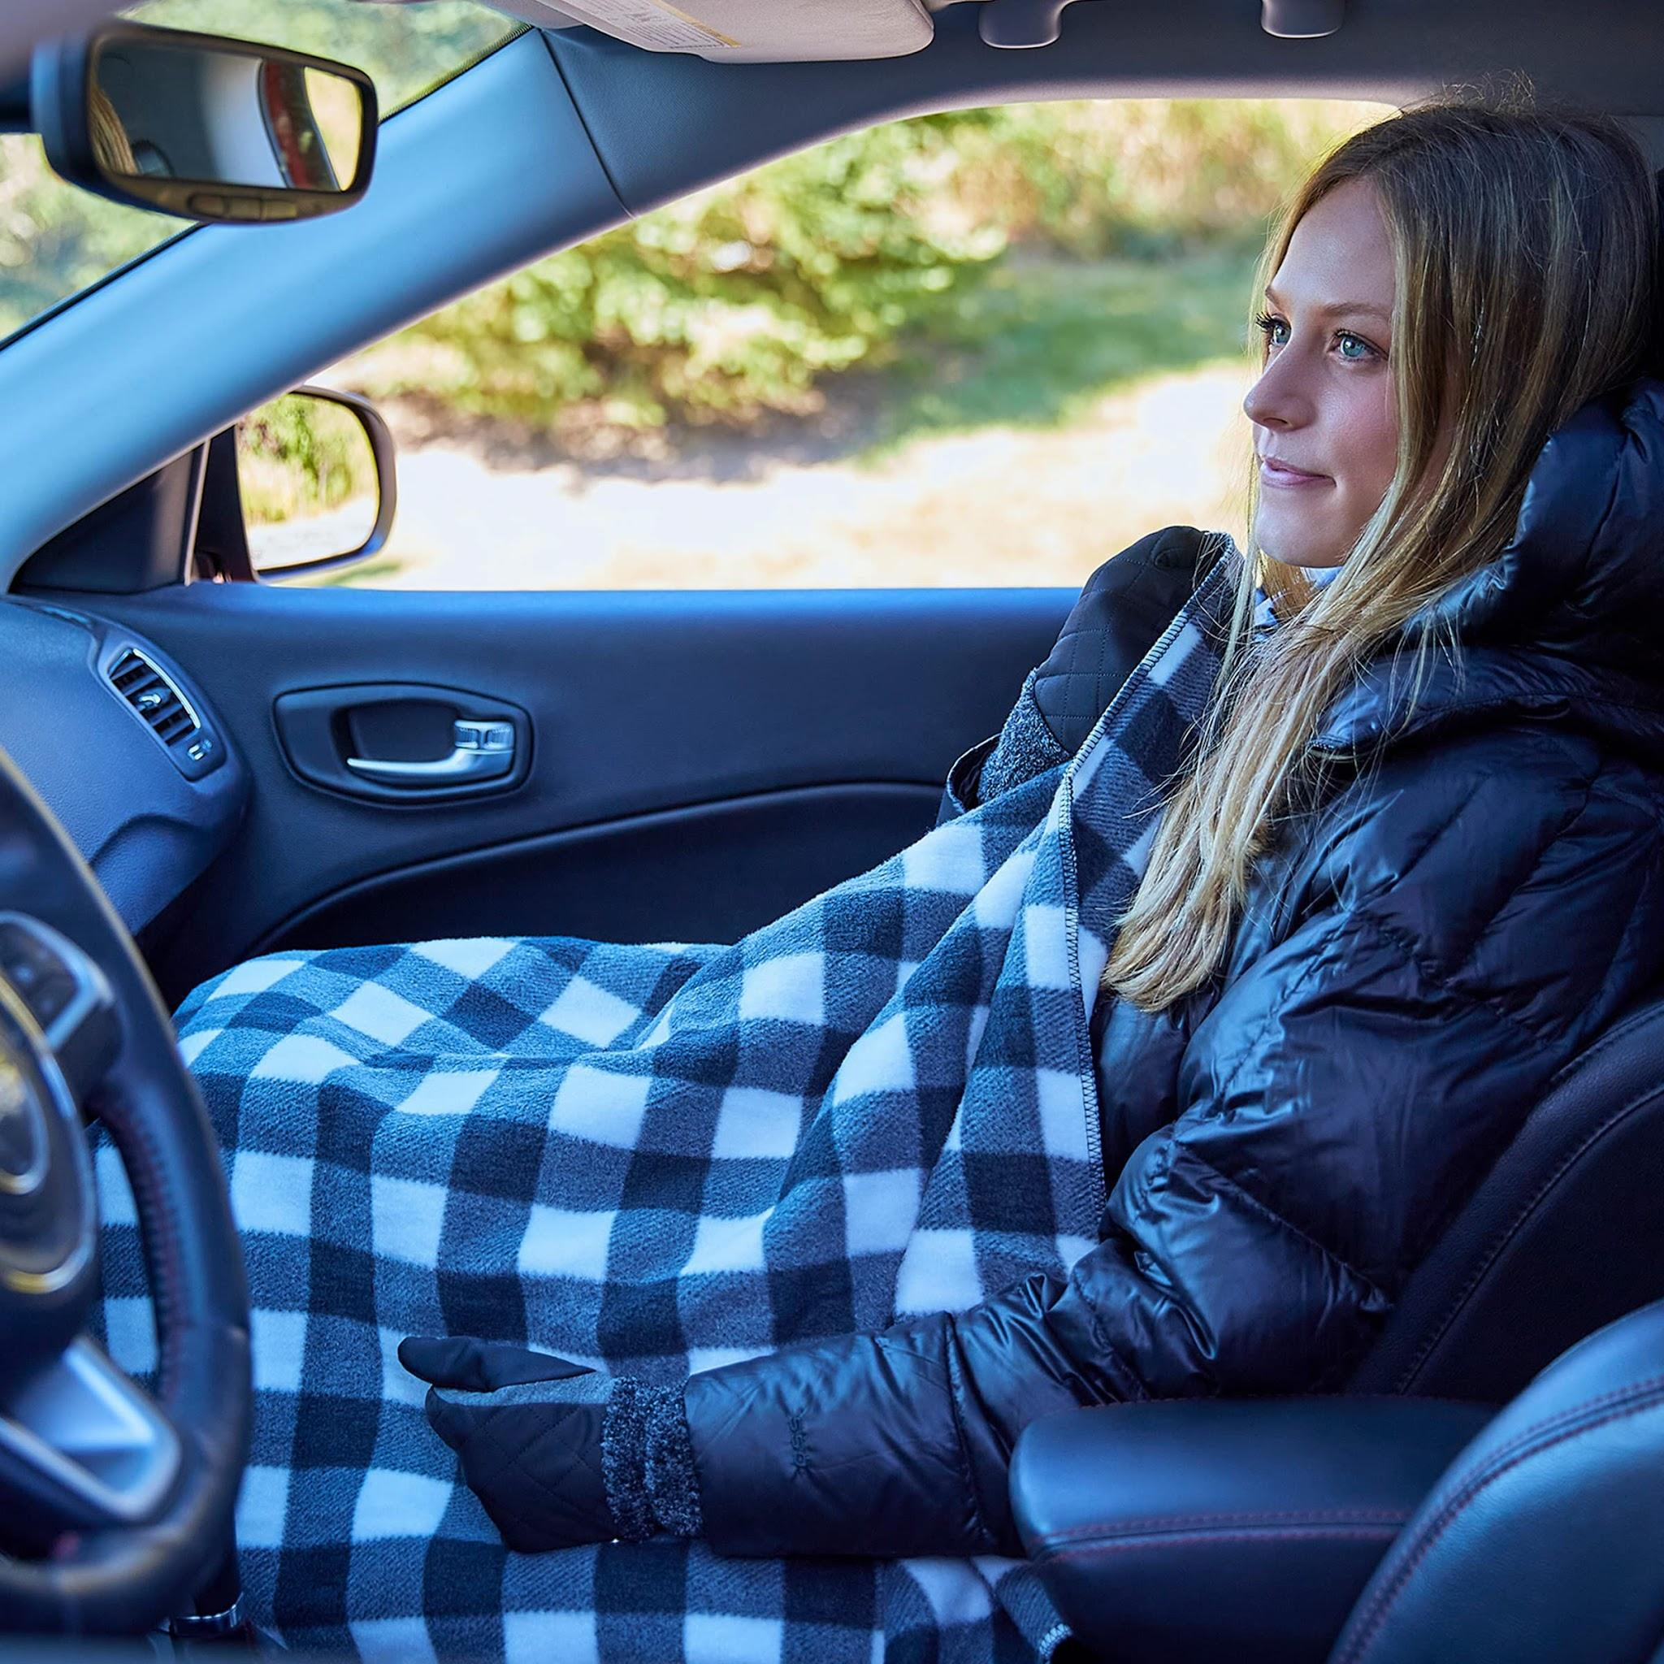
 | Car Driver | Climate control settings
 | Car Driver | Resistance bands |  |  | 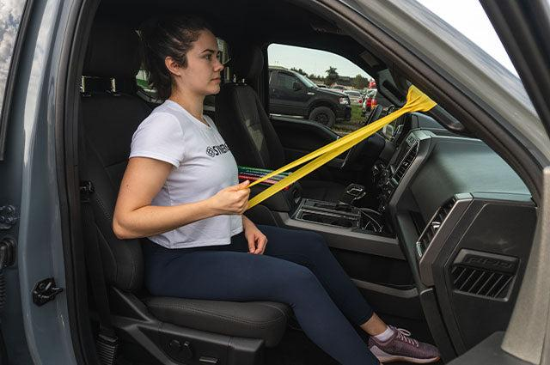
 | Car Driver | Portable exercise equipment |  |  | 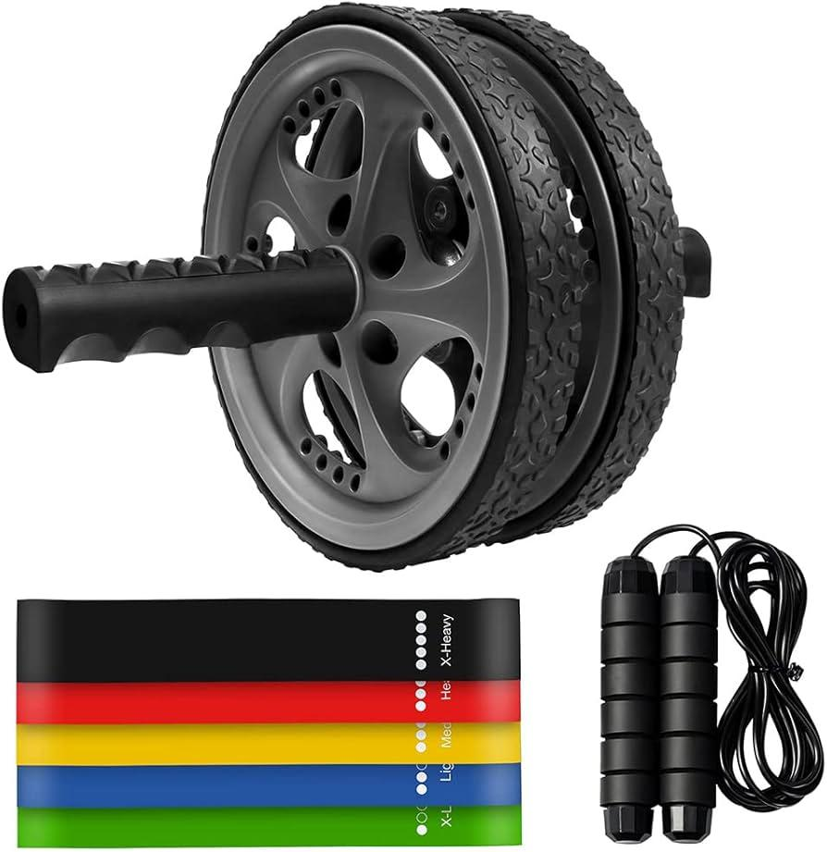
 | Car Driver | Cooler with healthy snacks |  |  | 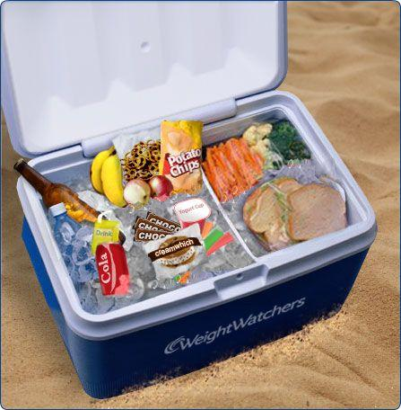
 | Car Driver | Water bottle
 | Car Driver | Lumbar support cushion |  |  | 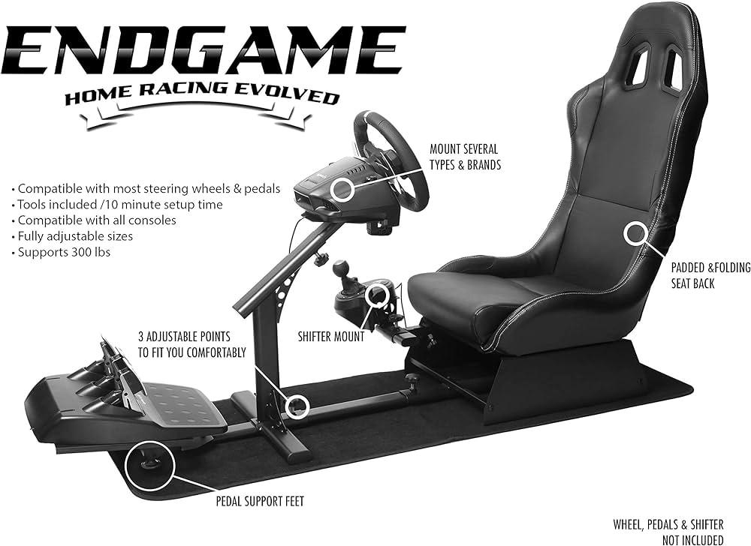 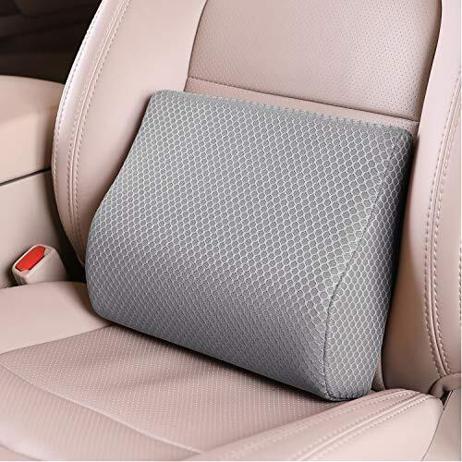
 | Car Driver | Local area guide
 | Car Driver | GPS device |  |  | 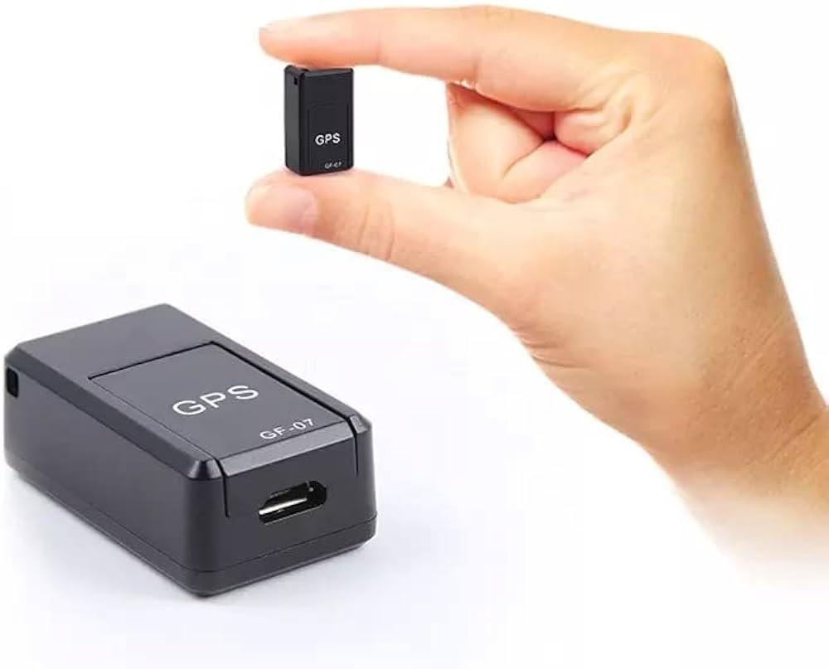
 | Car Driver | Tire pressure gauge |  |  | 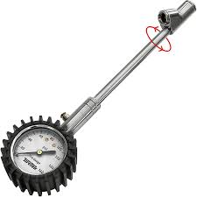
 | Car Driver | Brake tester |  |  | 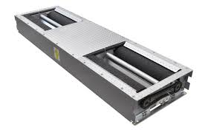
 | Car Driver | Brake fluid
 | Car Driver | Gloves |  |  | 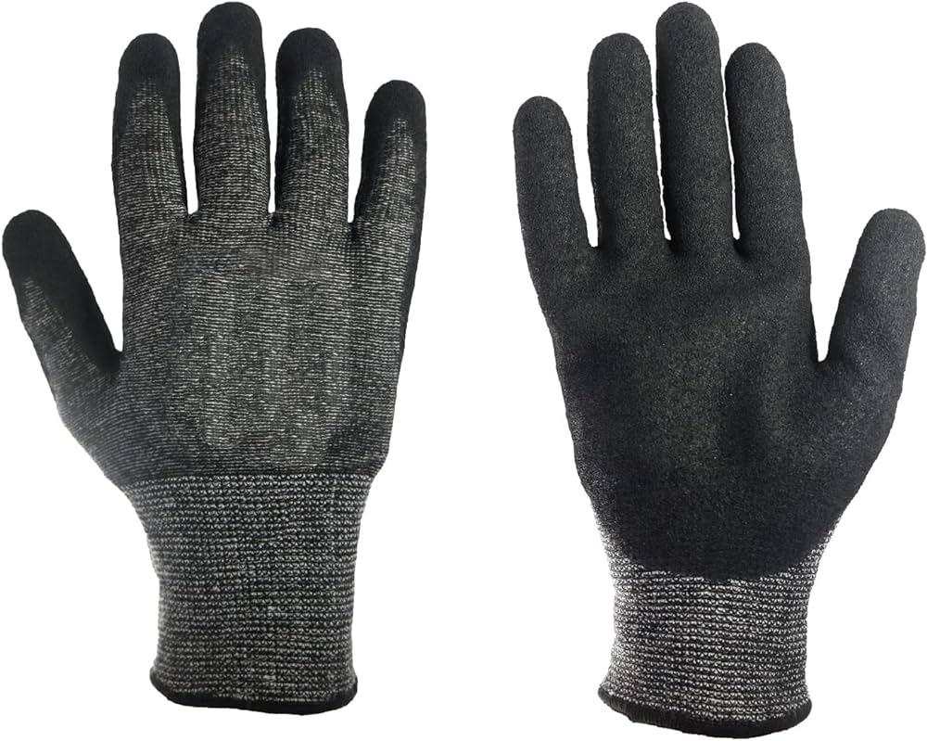
 | Car Driver | Battery terminal cleaner |  |  | 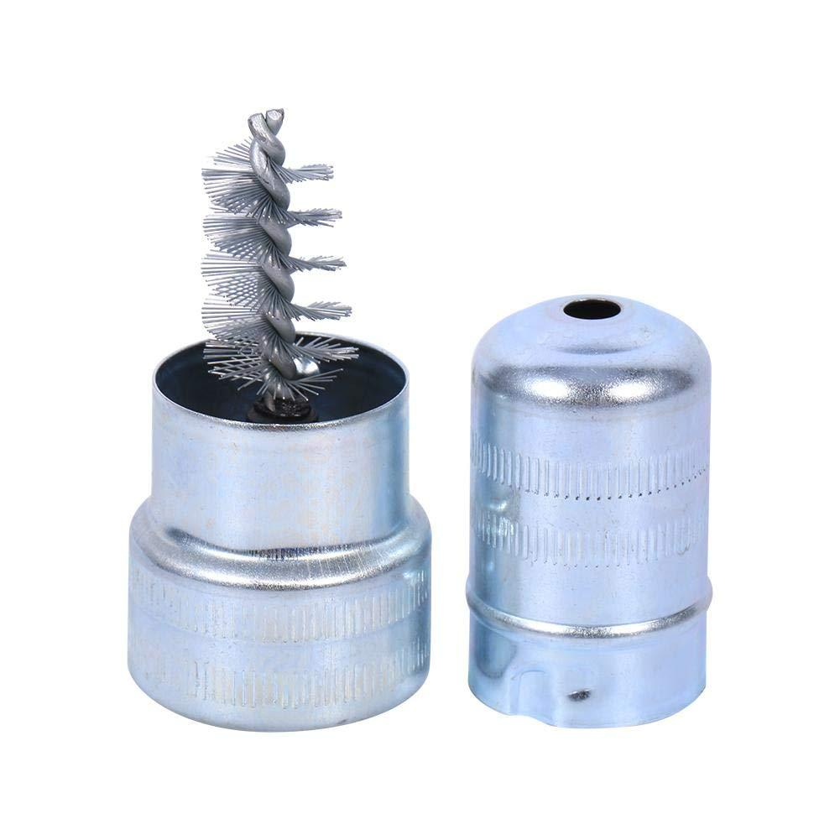
 | Car Driver | Various fuses |  |  | 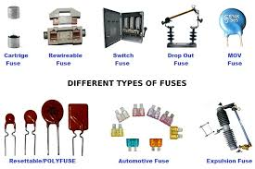
 | Car Driver | Fuse puller |  |  | 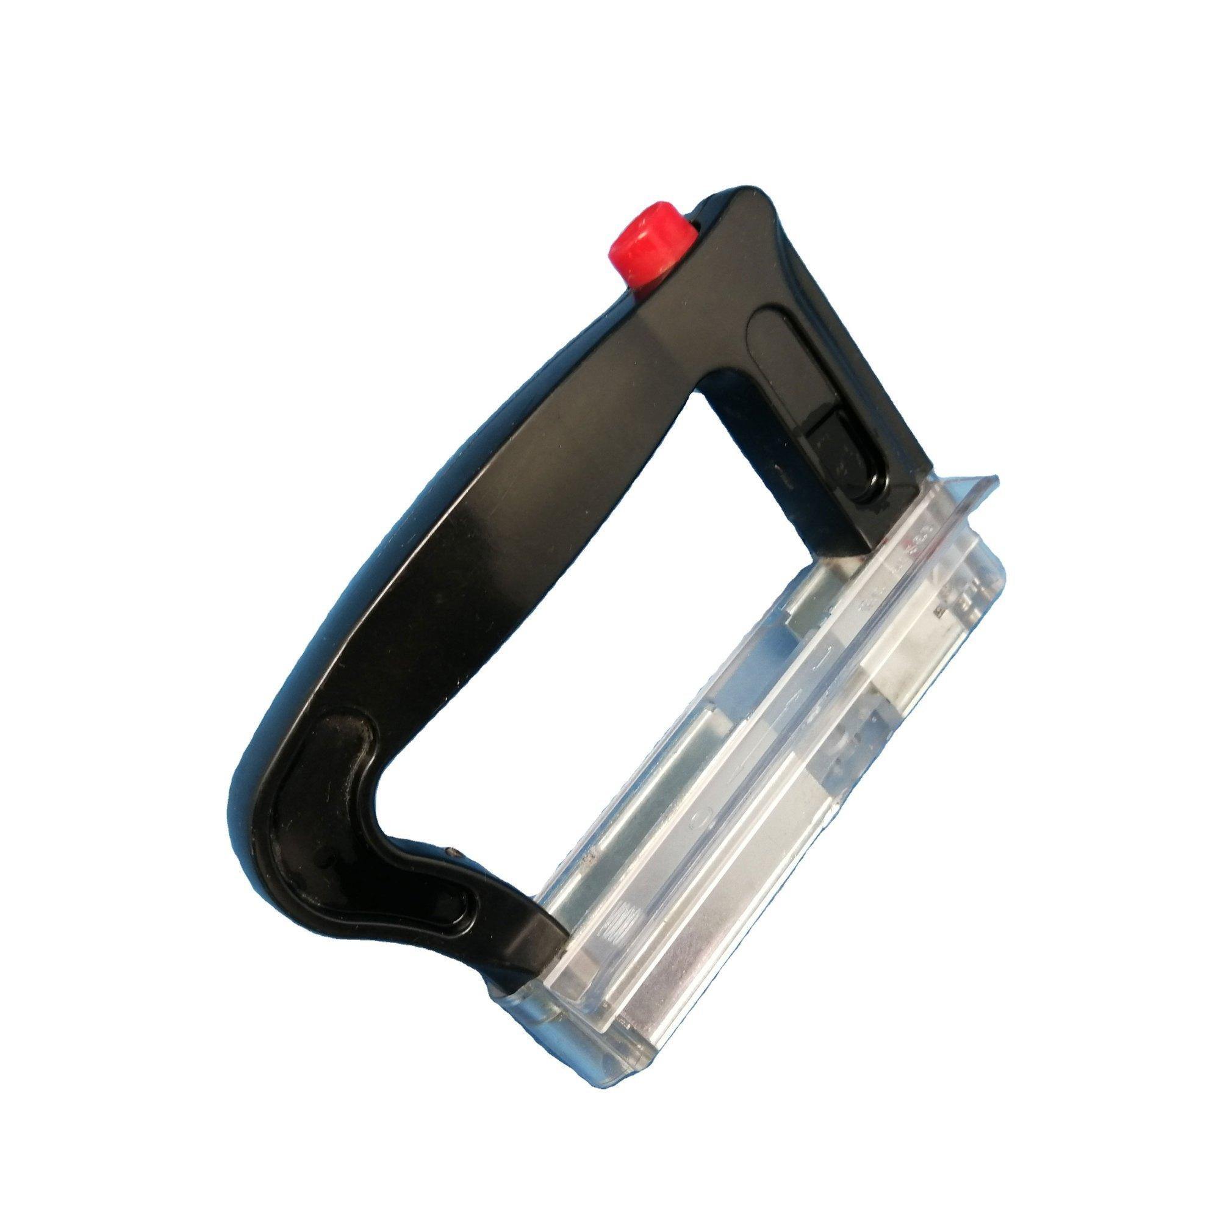
 | Car Driver | Air compressor |  |  | 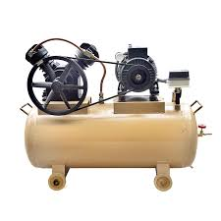
 | Car Driver | Tire tread depth gauge
 | Car Driver | Replacement air filter |  |  | 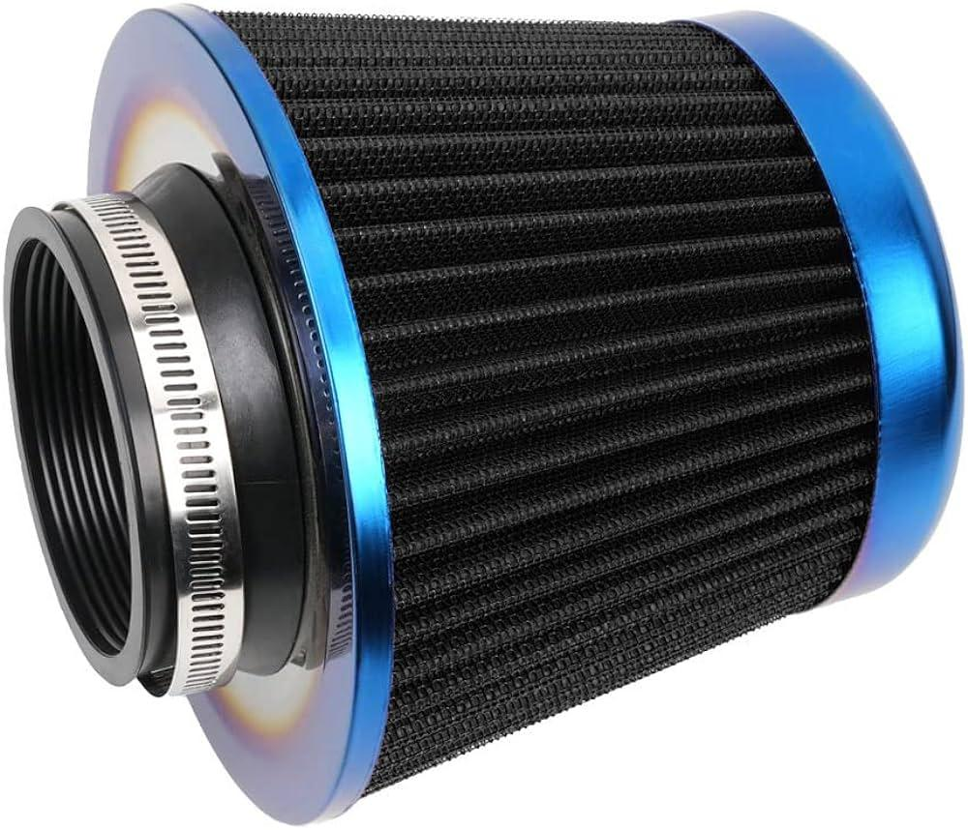
 | Car Driver | Screwdriver |  |  | 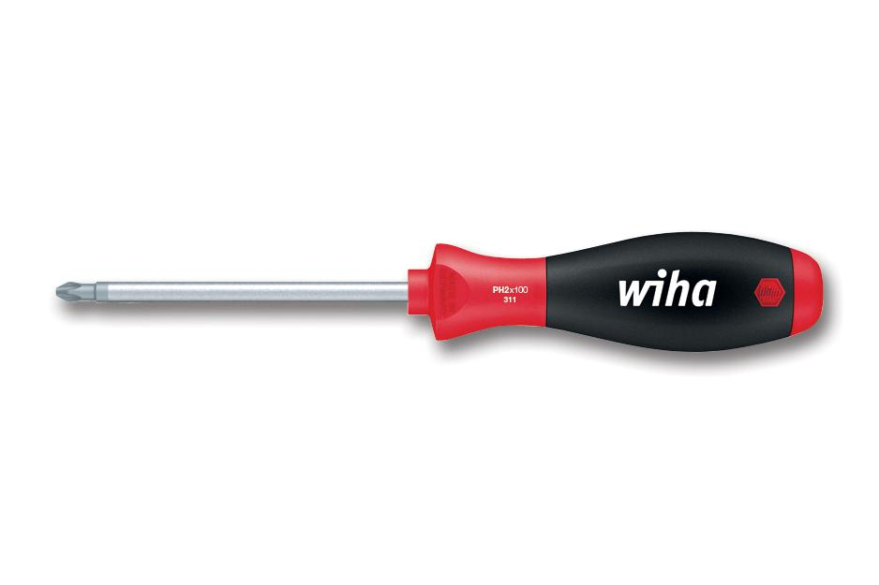
 | Car Driver | Clean cloth |  |  | 
 | Car Driver | Power steering fluid |  |  | 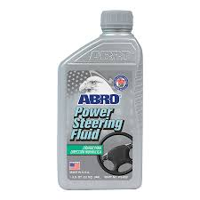
 | Car Driver | Windshield washer fluid
 | Car Driver | Transmission fluid
 | Car Driver | Dipstick |  |  | 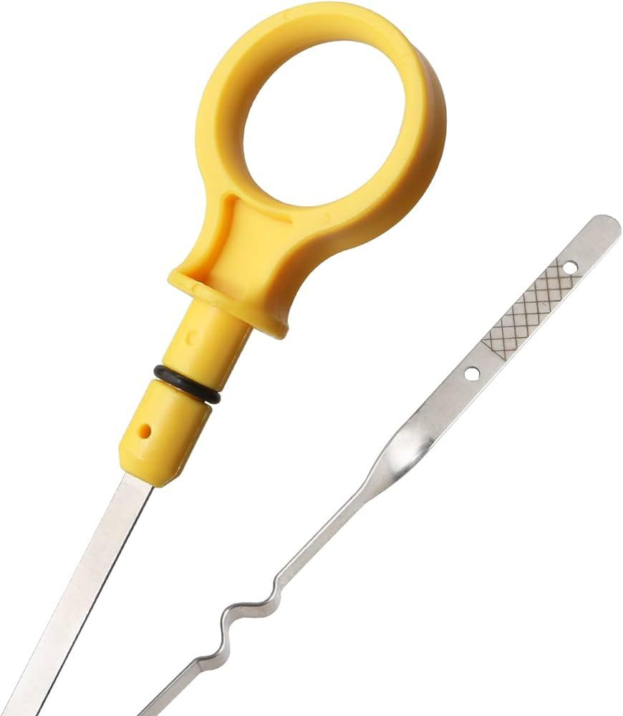
 | Car Driver | Differential fluid |  |  | 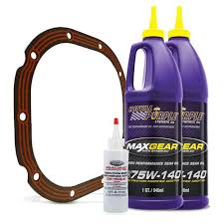
 | Car Driver | Fluid pump |  |  | 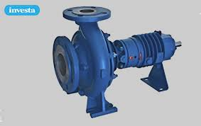
 | Car Driver | Clutch fluid |  |  | 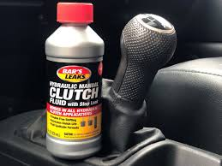
 | Car Driver | Radiator coolant |  |  | 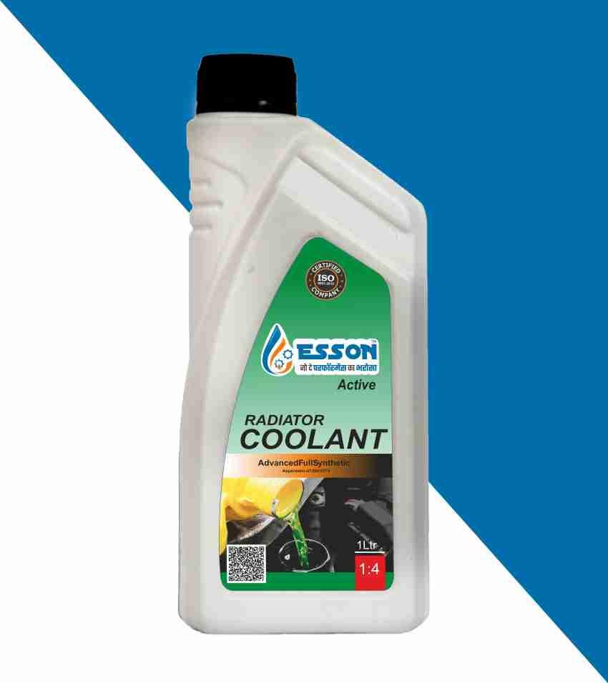
 | Car Driver | Degreaser |  |  | 
 | Car Driver | Water hose |  |  | 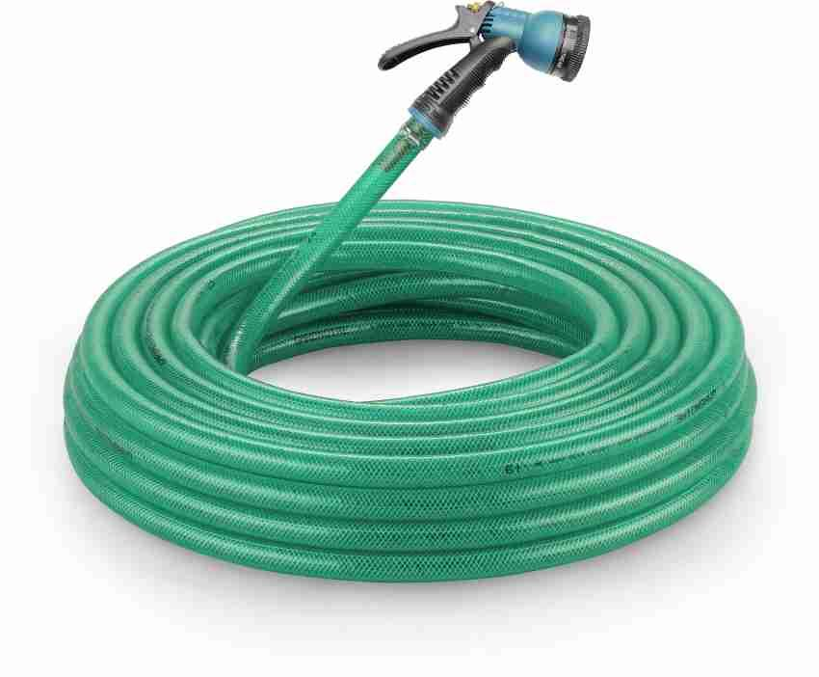
 | Car Driver | Microfiber cloth |  |  | 
 | Car Driver | Brush |  |  | 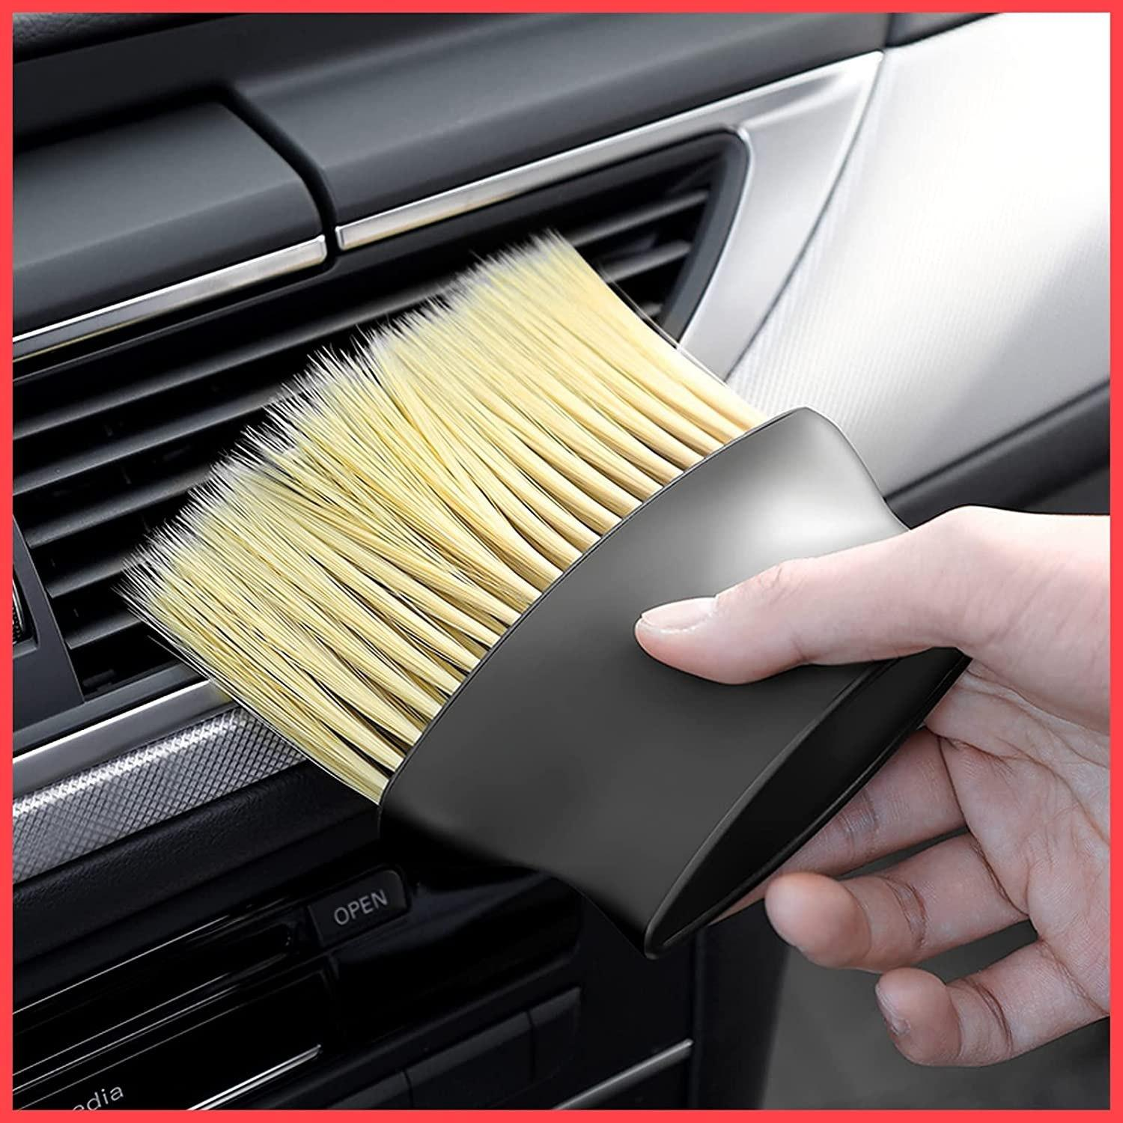
 | Car Driver | Tire cleaner |  |  | 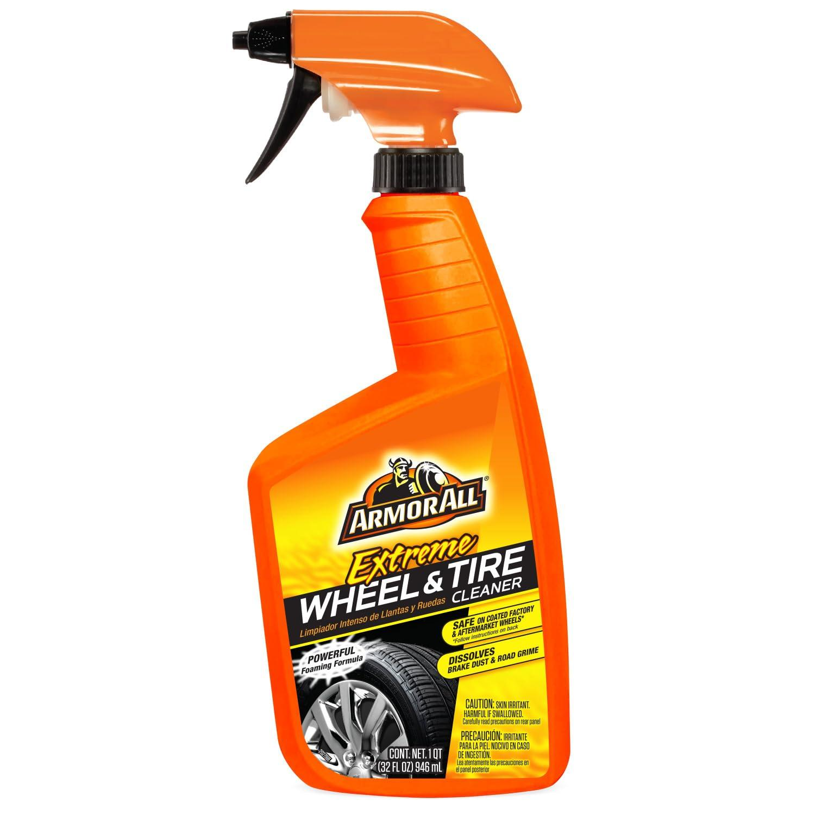
 | Car Driver | Vacuum cleaner |  |  | 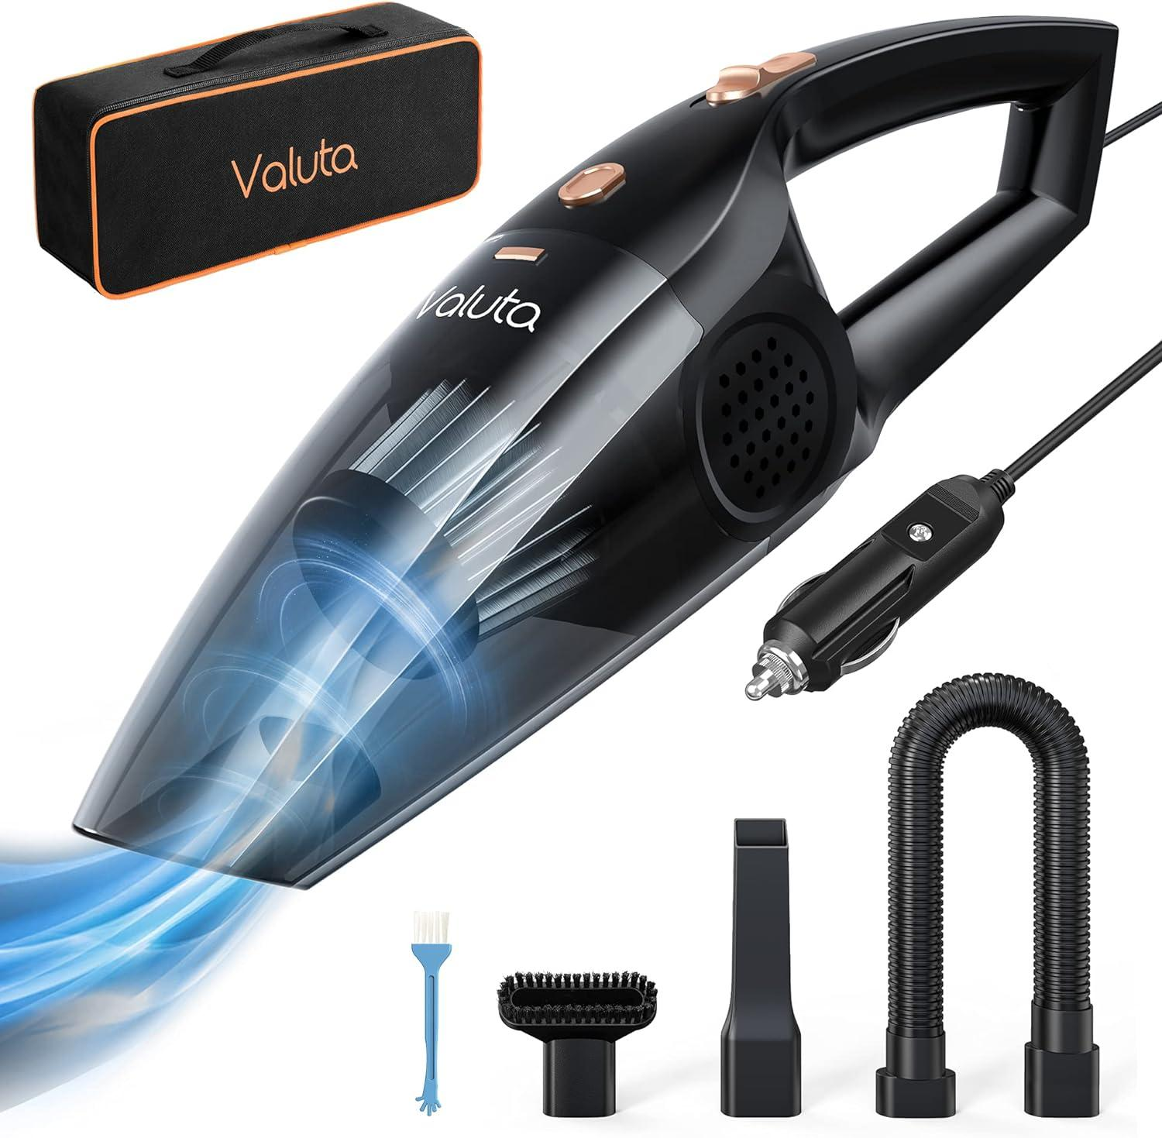
 | Car Driver | Upholstery cleaner |  |  | 
 | Car Driver | Leather cleaner and conditioner
 | Car Driver | Glass cleaner |  |  | 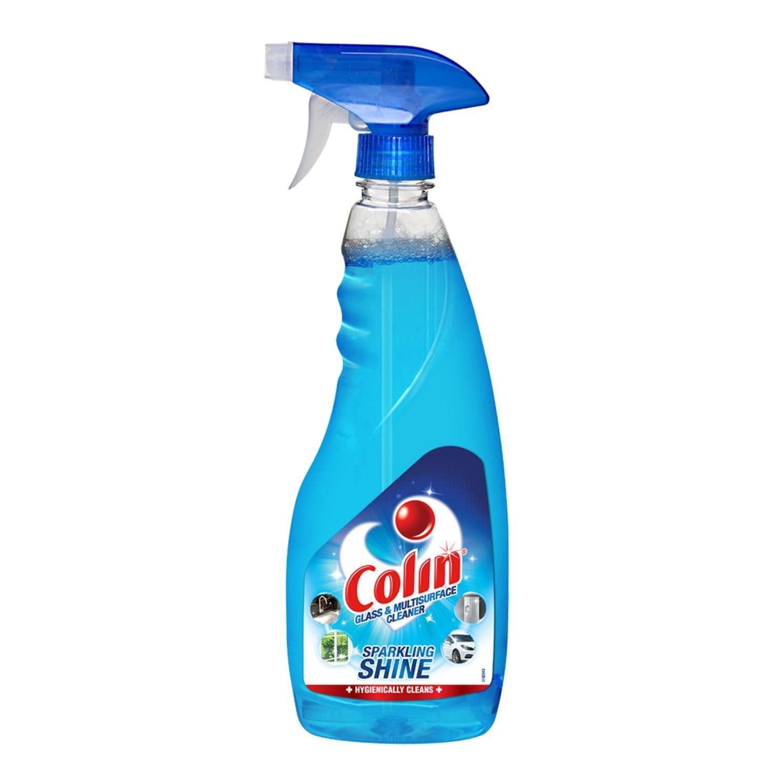
 | Car Driver | All-purpose cleaner |  |  | 
 | Car Driver | Car wash soap
 | Car Driver | Wash mitt |  |  | 
 | Car Driver | Bucket
 | Car Driver | Headlight restoration kit |  |  | 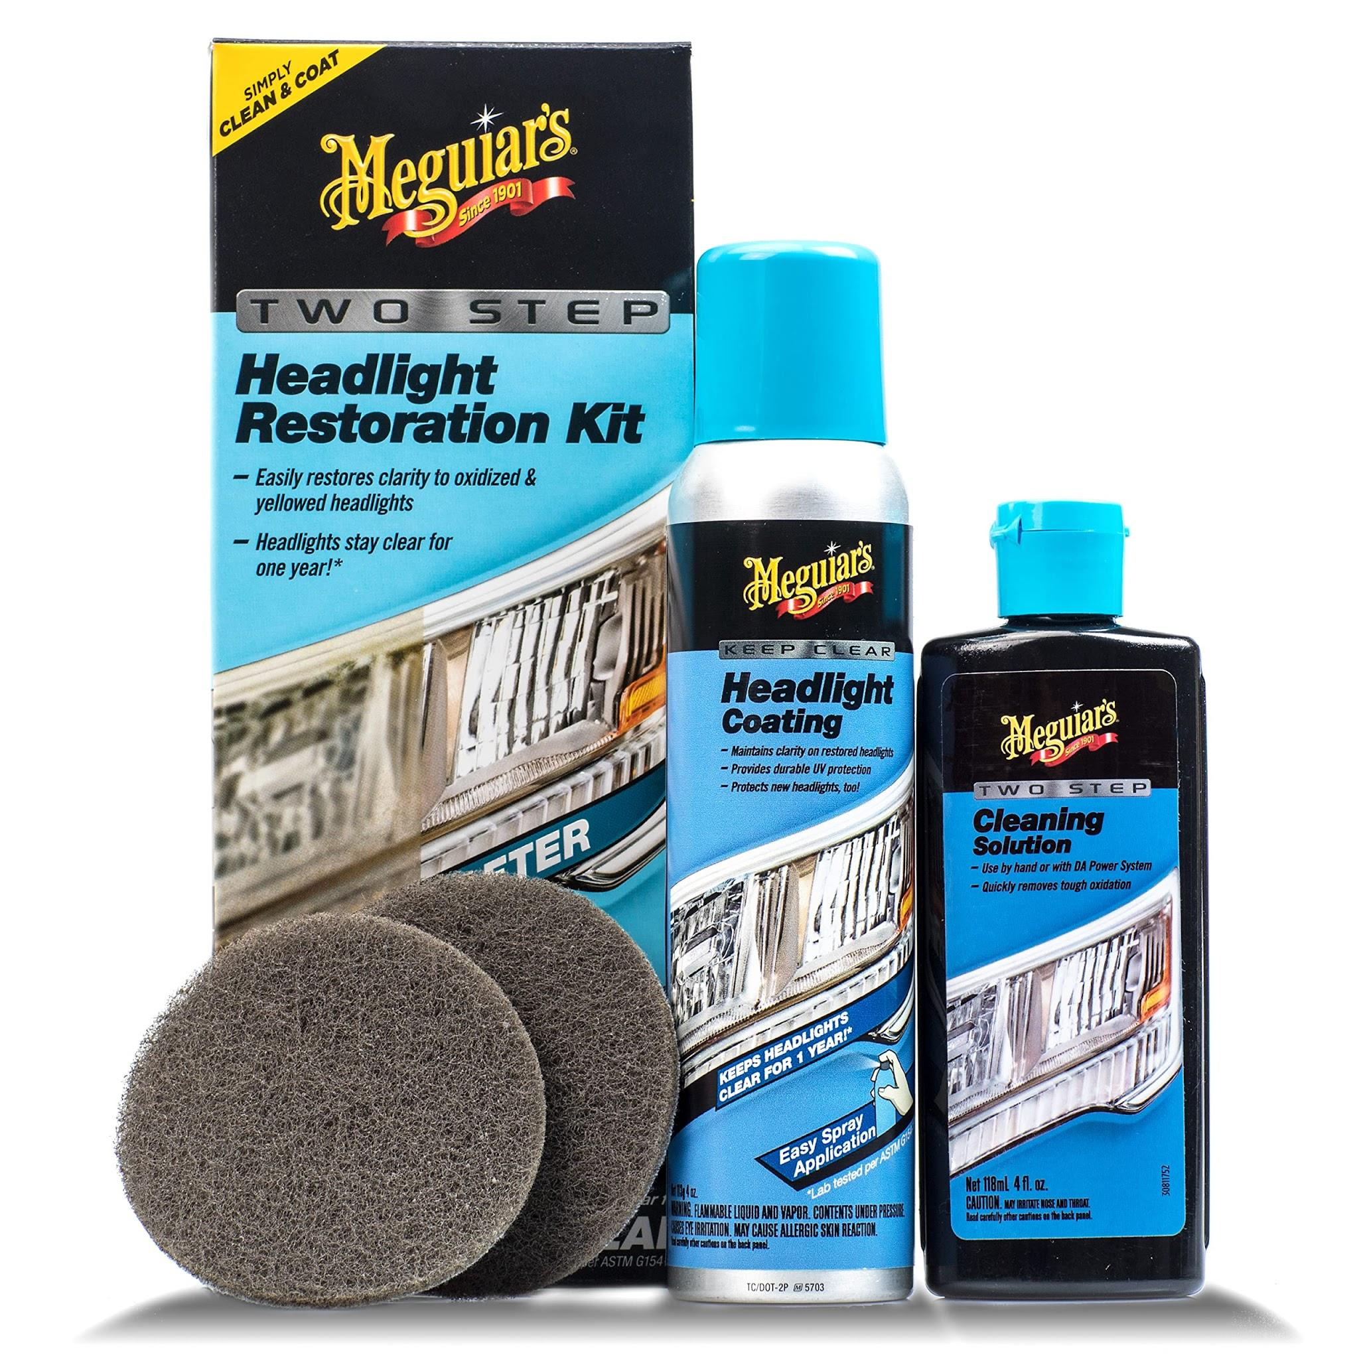
 | Car Driver | Jump-starter kit |  |  | 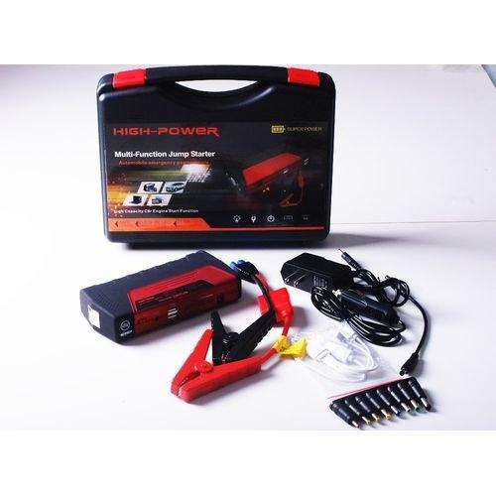
 | Car Driver | Tire repair kit |  |  | 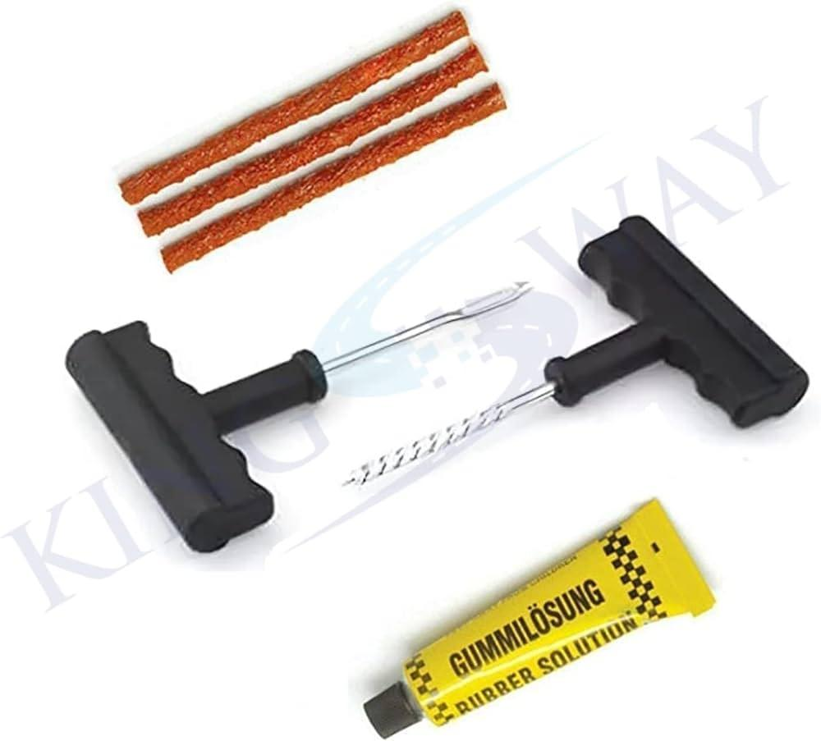
 | Car Driver | Lug wrench |  |  | 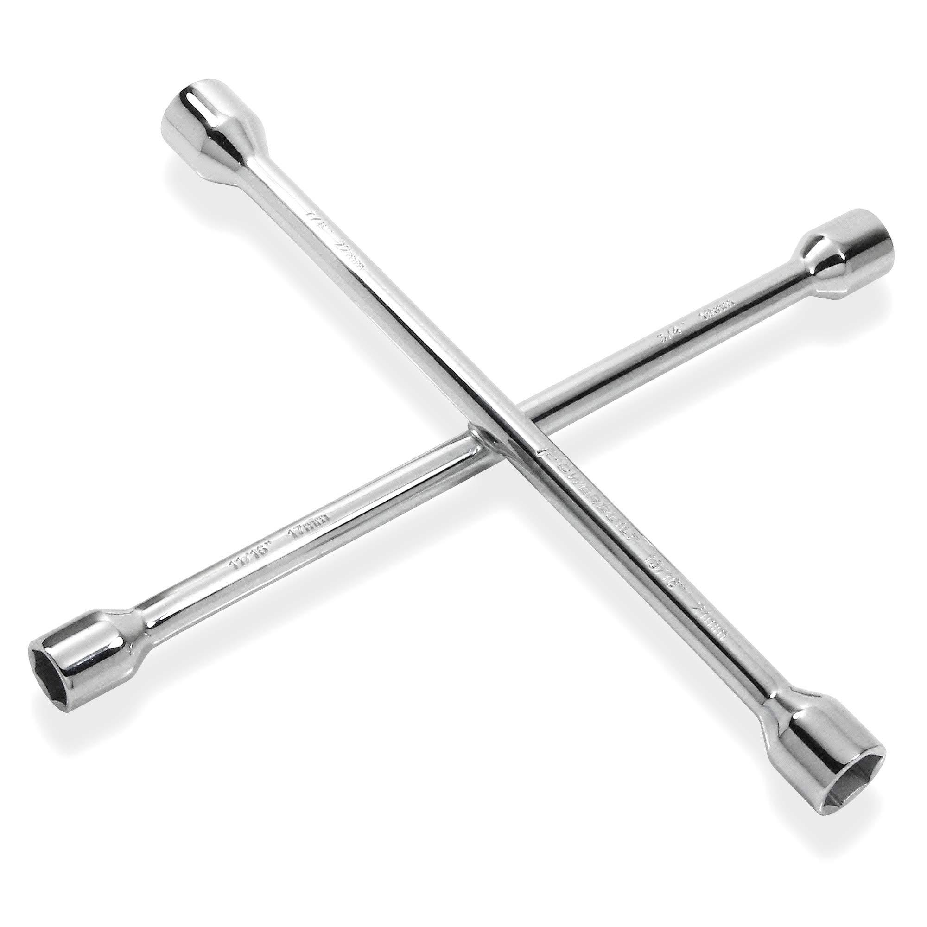
 | Car Driver | Oil |  |  | 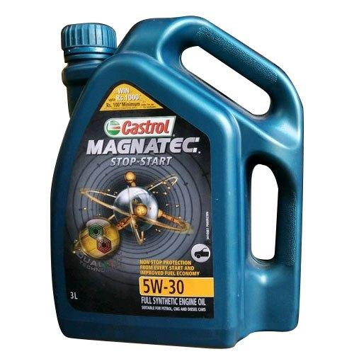
 | Car Driver | Oil filter |  |  | 
 | Car Driver | Drain pan |  |  | 
 | Car Driver | Multimeter |  |  | 
 | Car Driver | Test light |  |  | 
 | Car Driver | Electrical tape |  |  | 
 | Car Driver | Wire connectors |  |  | 
 | Car Driver | Pliers |  |  | 
 | Car Driver | Wire stripper |  |  | 
 | Car Driver | Jumper cables |  |  | 
 | Car Driver | Another vehicle
 | Car Driver | Plunger |  |  | 
 | Car Driver | Hot water
 | Car Driver | Dent puller
 | Car Driver | Rubber mallet |  |  | 
 | Car Driver | Congested road for driving test
 | Car Driver | Local weather app/website
 | Car Driver | Reflective gear |  |  | 
 | Car Driver | Night-drive setting
 | Car Driver | Highways/road with intersections
 | Car Driver | Rain setting with wet roads
 | Car Driver | Smartphone with navigation app
 | Car Driver | Smartphone with traffic app
 | Car Driver | Local map
 | Car Driver | Navigation app
 | Car Driver | Offline maps
 | Car Driver | Reflective triangles |  |  | 
 | Car Driver | Fire extinguisher
 | Car Driver | Emergency contact list
 | Car Driver | Spare fuses
 | Car Driver | Car with automatic transmission
 | Car Driver | Uphill road setting
 | Car Driver | Car with manual transmission
 | Car Driver | Downhill road setting
 | Car Driver | Luggage straps |  |  | 
 | Car Driver | Multilingual phrasebook
 | Car Driver | Translation app
 | Car Driver | Fuel card |  |  | 
 | Car Driver | Mobile payment app
 | Car Driver | Fuel tracking app
 | Car Driver | Vehicle's onboard computer
 | Car Driver | Fuel pump |  |  | 
 | Car Driver | Fuel stabilizer |  |  | 
 | Car Driver | Siphon pump |  |  | 
 | Car Driver | Fuel system cleaner |  |  | 
 | Car Driver | Steering wheel lock |  |  | 
 | Car Driver | Car alarm |  |  | 
 | Car Driver | Electronic immobilizer |  |  | 
 | Car Driver | Secure storage solutions
 | Car Driver | Seatback organizers |  |  | 
 | Car Driver | Secure trunk
 | Car Driver | Passenger communication
 | Car Driver | Parking space
 | Car Driver | Parking space with visible lines |  |  | 
 | Car Driver | Angled parking space |  |  | 
 | Car Driver | Multiple parking spaces for practice
 | Car Driver | Wheelchair-accessible vehicle |  |  | 
 | Car Driver | Ramp |  |  | 
 | Car Driver | Notepad and pen
 | Car Driver | Accessibility training materials
 | Car Driver | Folding walker or cane |  |  | 
 | Car Driver | Communication board or assistive device
 | Car Driver | Large trunk space
 | Car Driver | Parking permit

