Carpentery
Sector name | Occupation name | Equipment name | Images | Availability | Attach Photos
 | Carpentry | Electric saw | 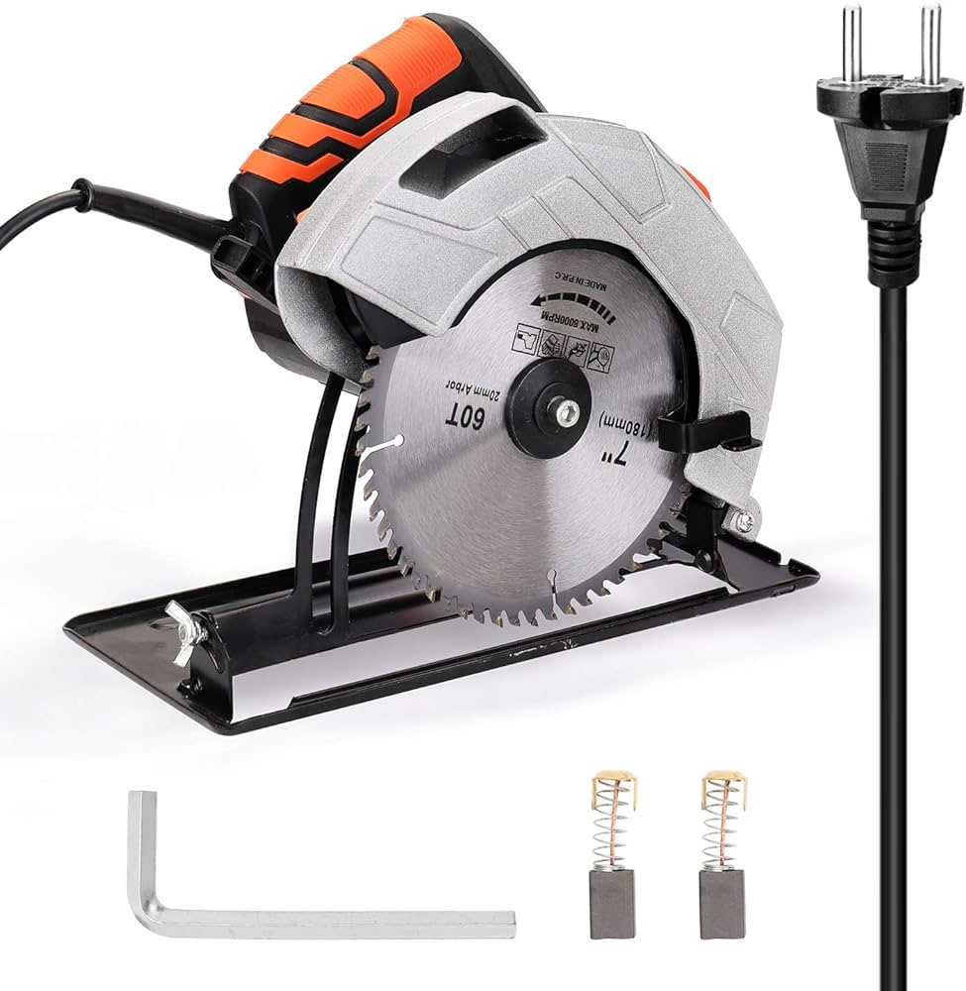
 | Carpentry | Planer | 
 | Carpentry | Woodworking Lathe | 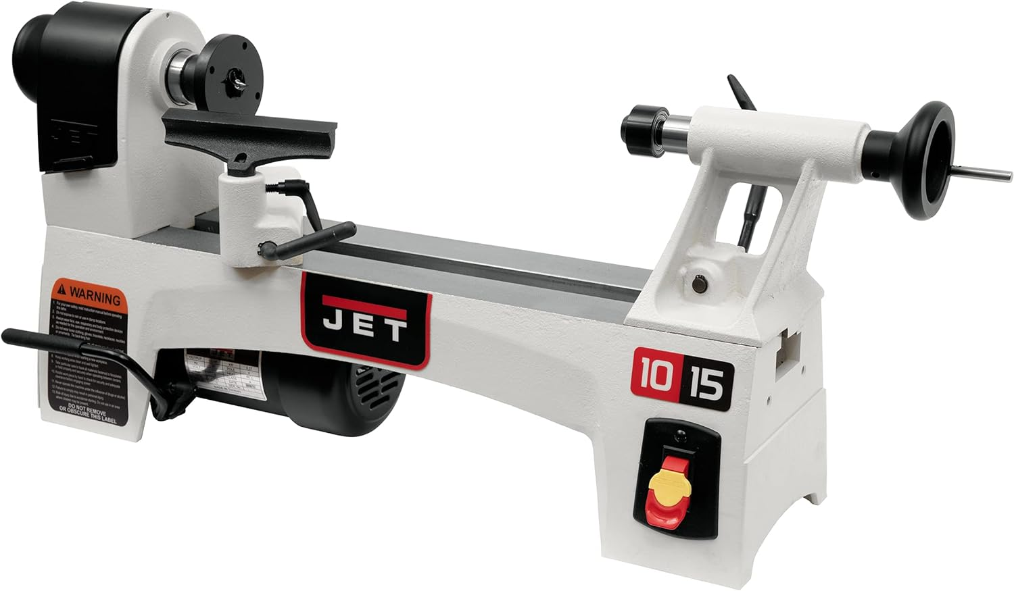
 | Carpentry | Wood glue | 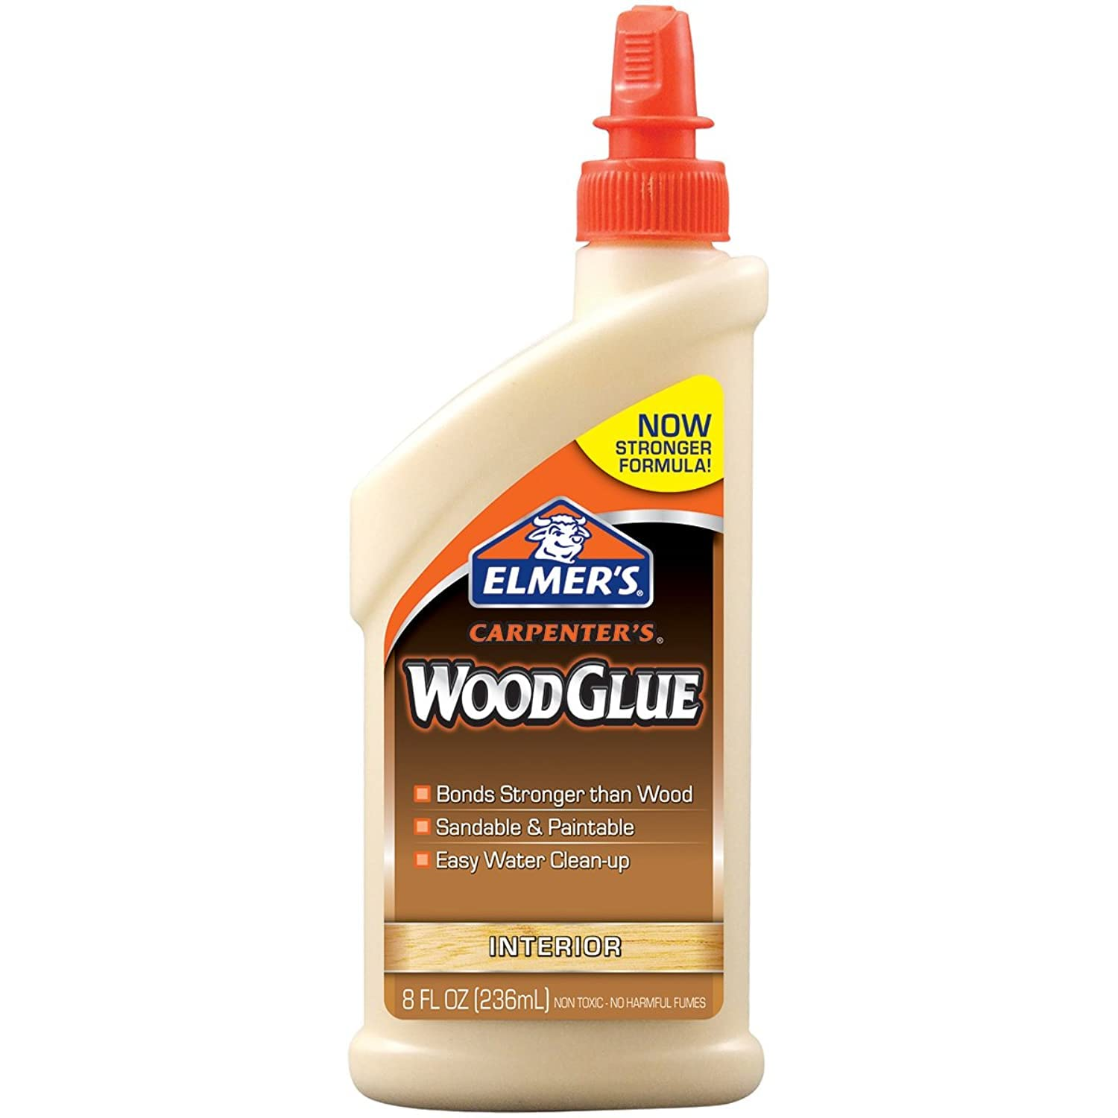
 | Carpentry | Sandpaper | 
 | Carpentry | Carpenter's Square | 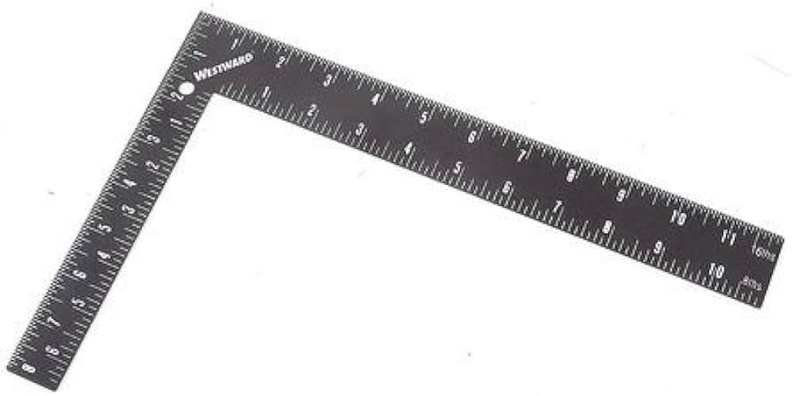
 | Carpentry | Veneer press | 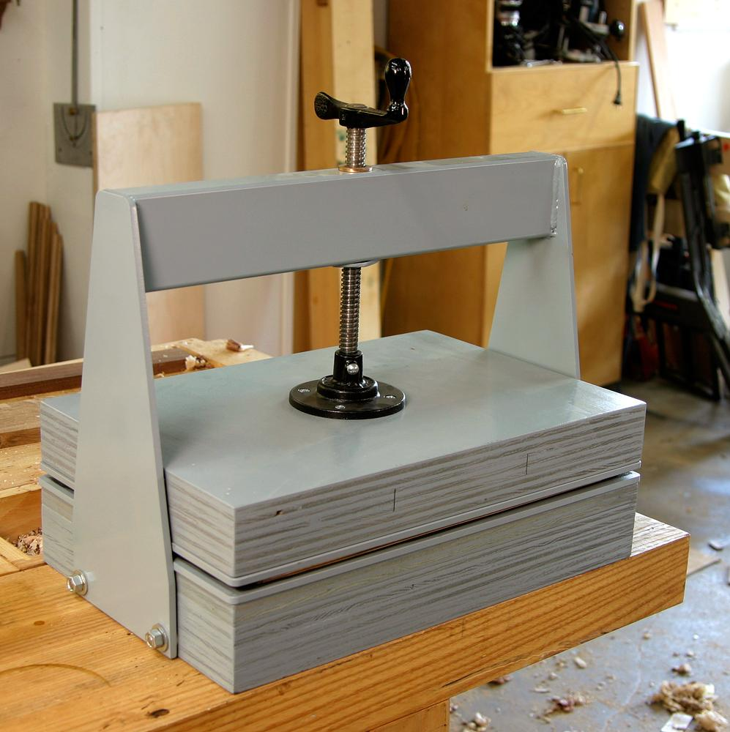
 | Carpentry | Clamp | 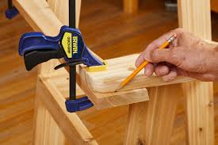
 | Carpentry | Veneer sheets | 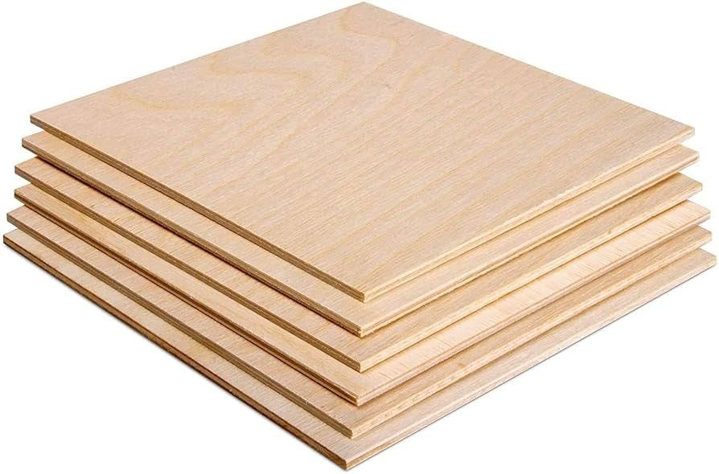
 | Carpentry | Screwdriver
 | Carpentry | Hammer
 | Carpentry | Screws
 | Carpentry | Nails
 | Carpentry | Wood panels pre-cut to size | 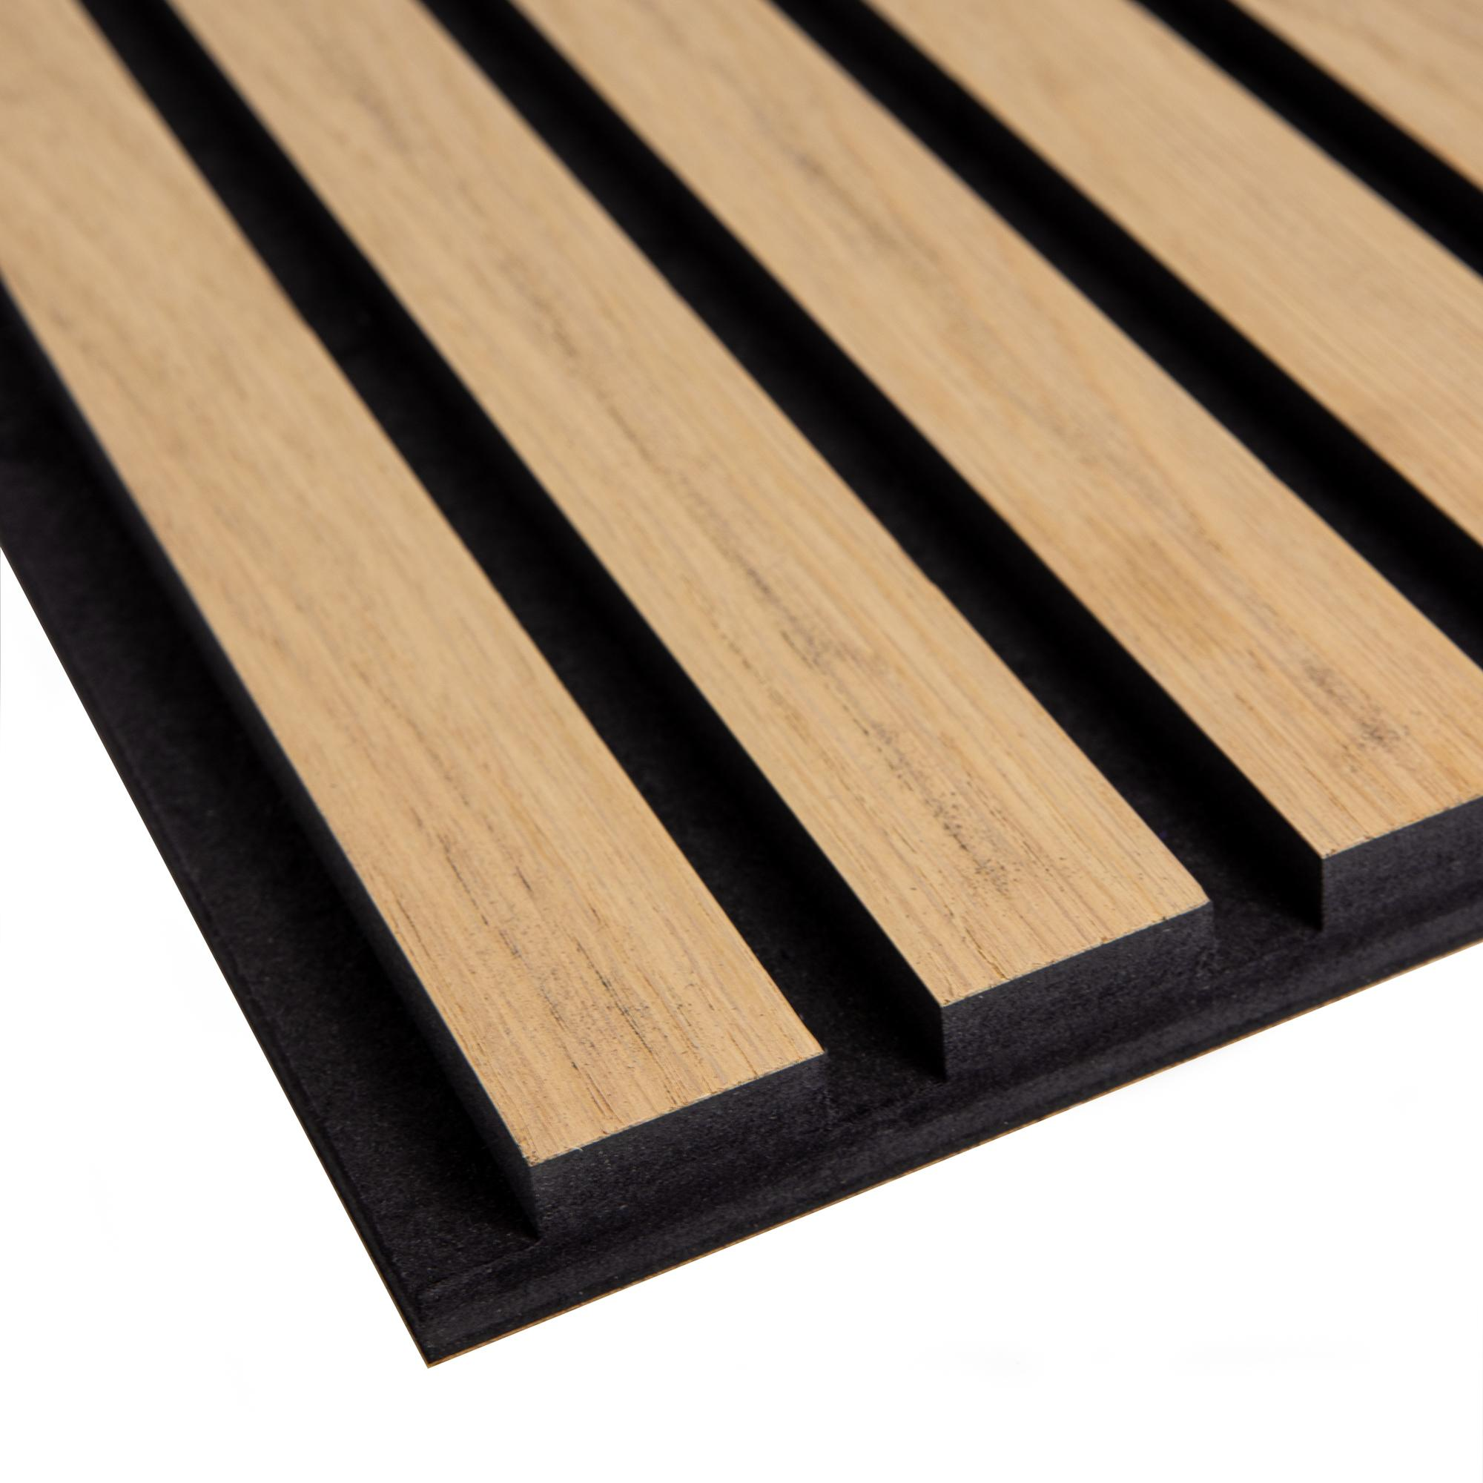
 | Carpentry | Chisel
 | Carpentry | Wood Stain | 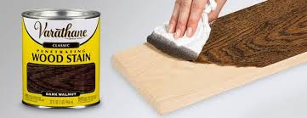
 | Carpentry | Protective varnish
 | Carpentry | Rags | 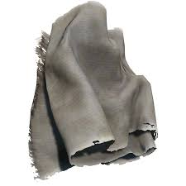
 | Carpentry | Wood inlays
 | Carpentry | Drill bits | 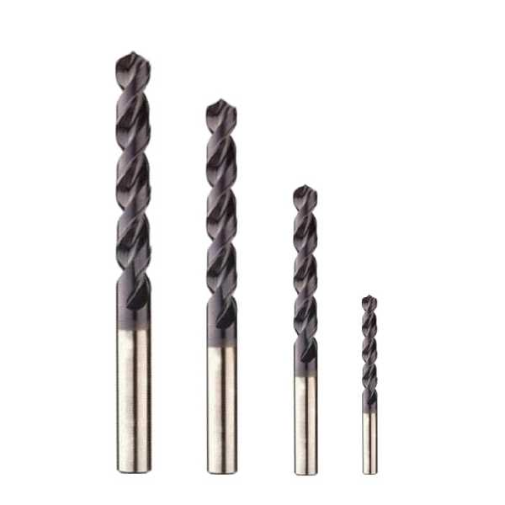
 | Carpentry | Marking Gauge | 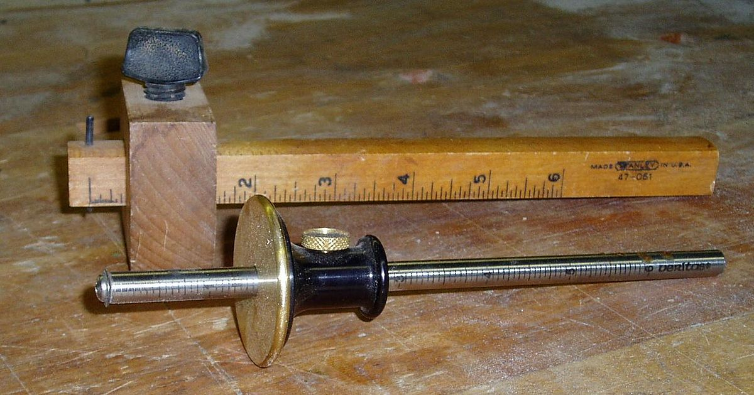
 | Carpentry | Carpenter's Pencil
 | Carpentry | Band Saw
 | Carpentry | Polishing Machine | 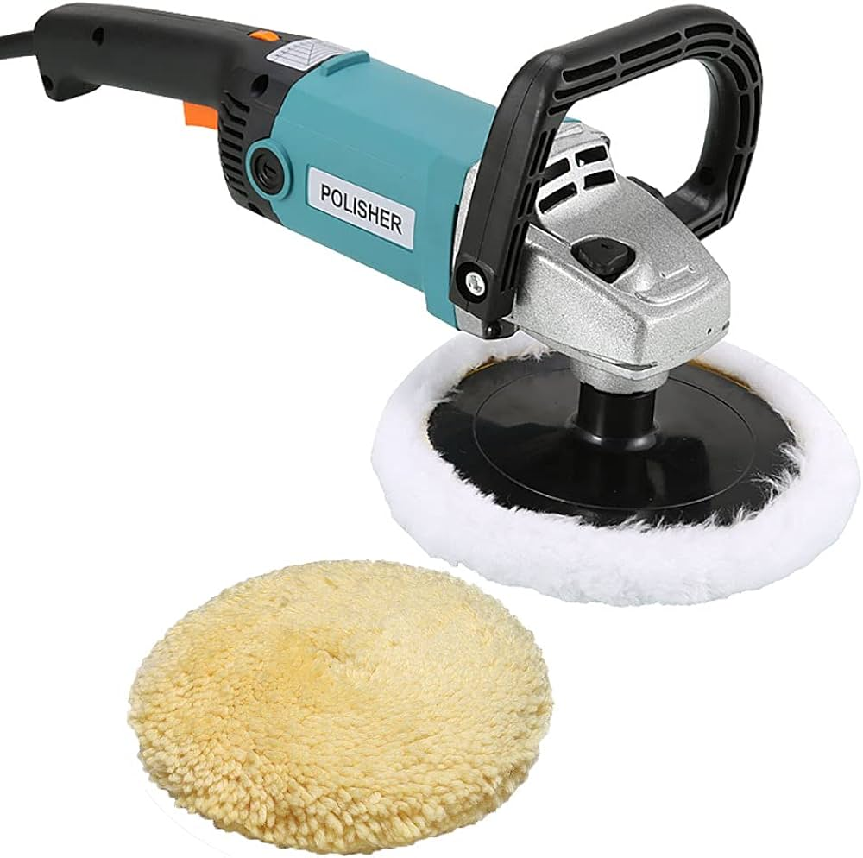
 | Carpentry | Wood Polish | 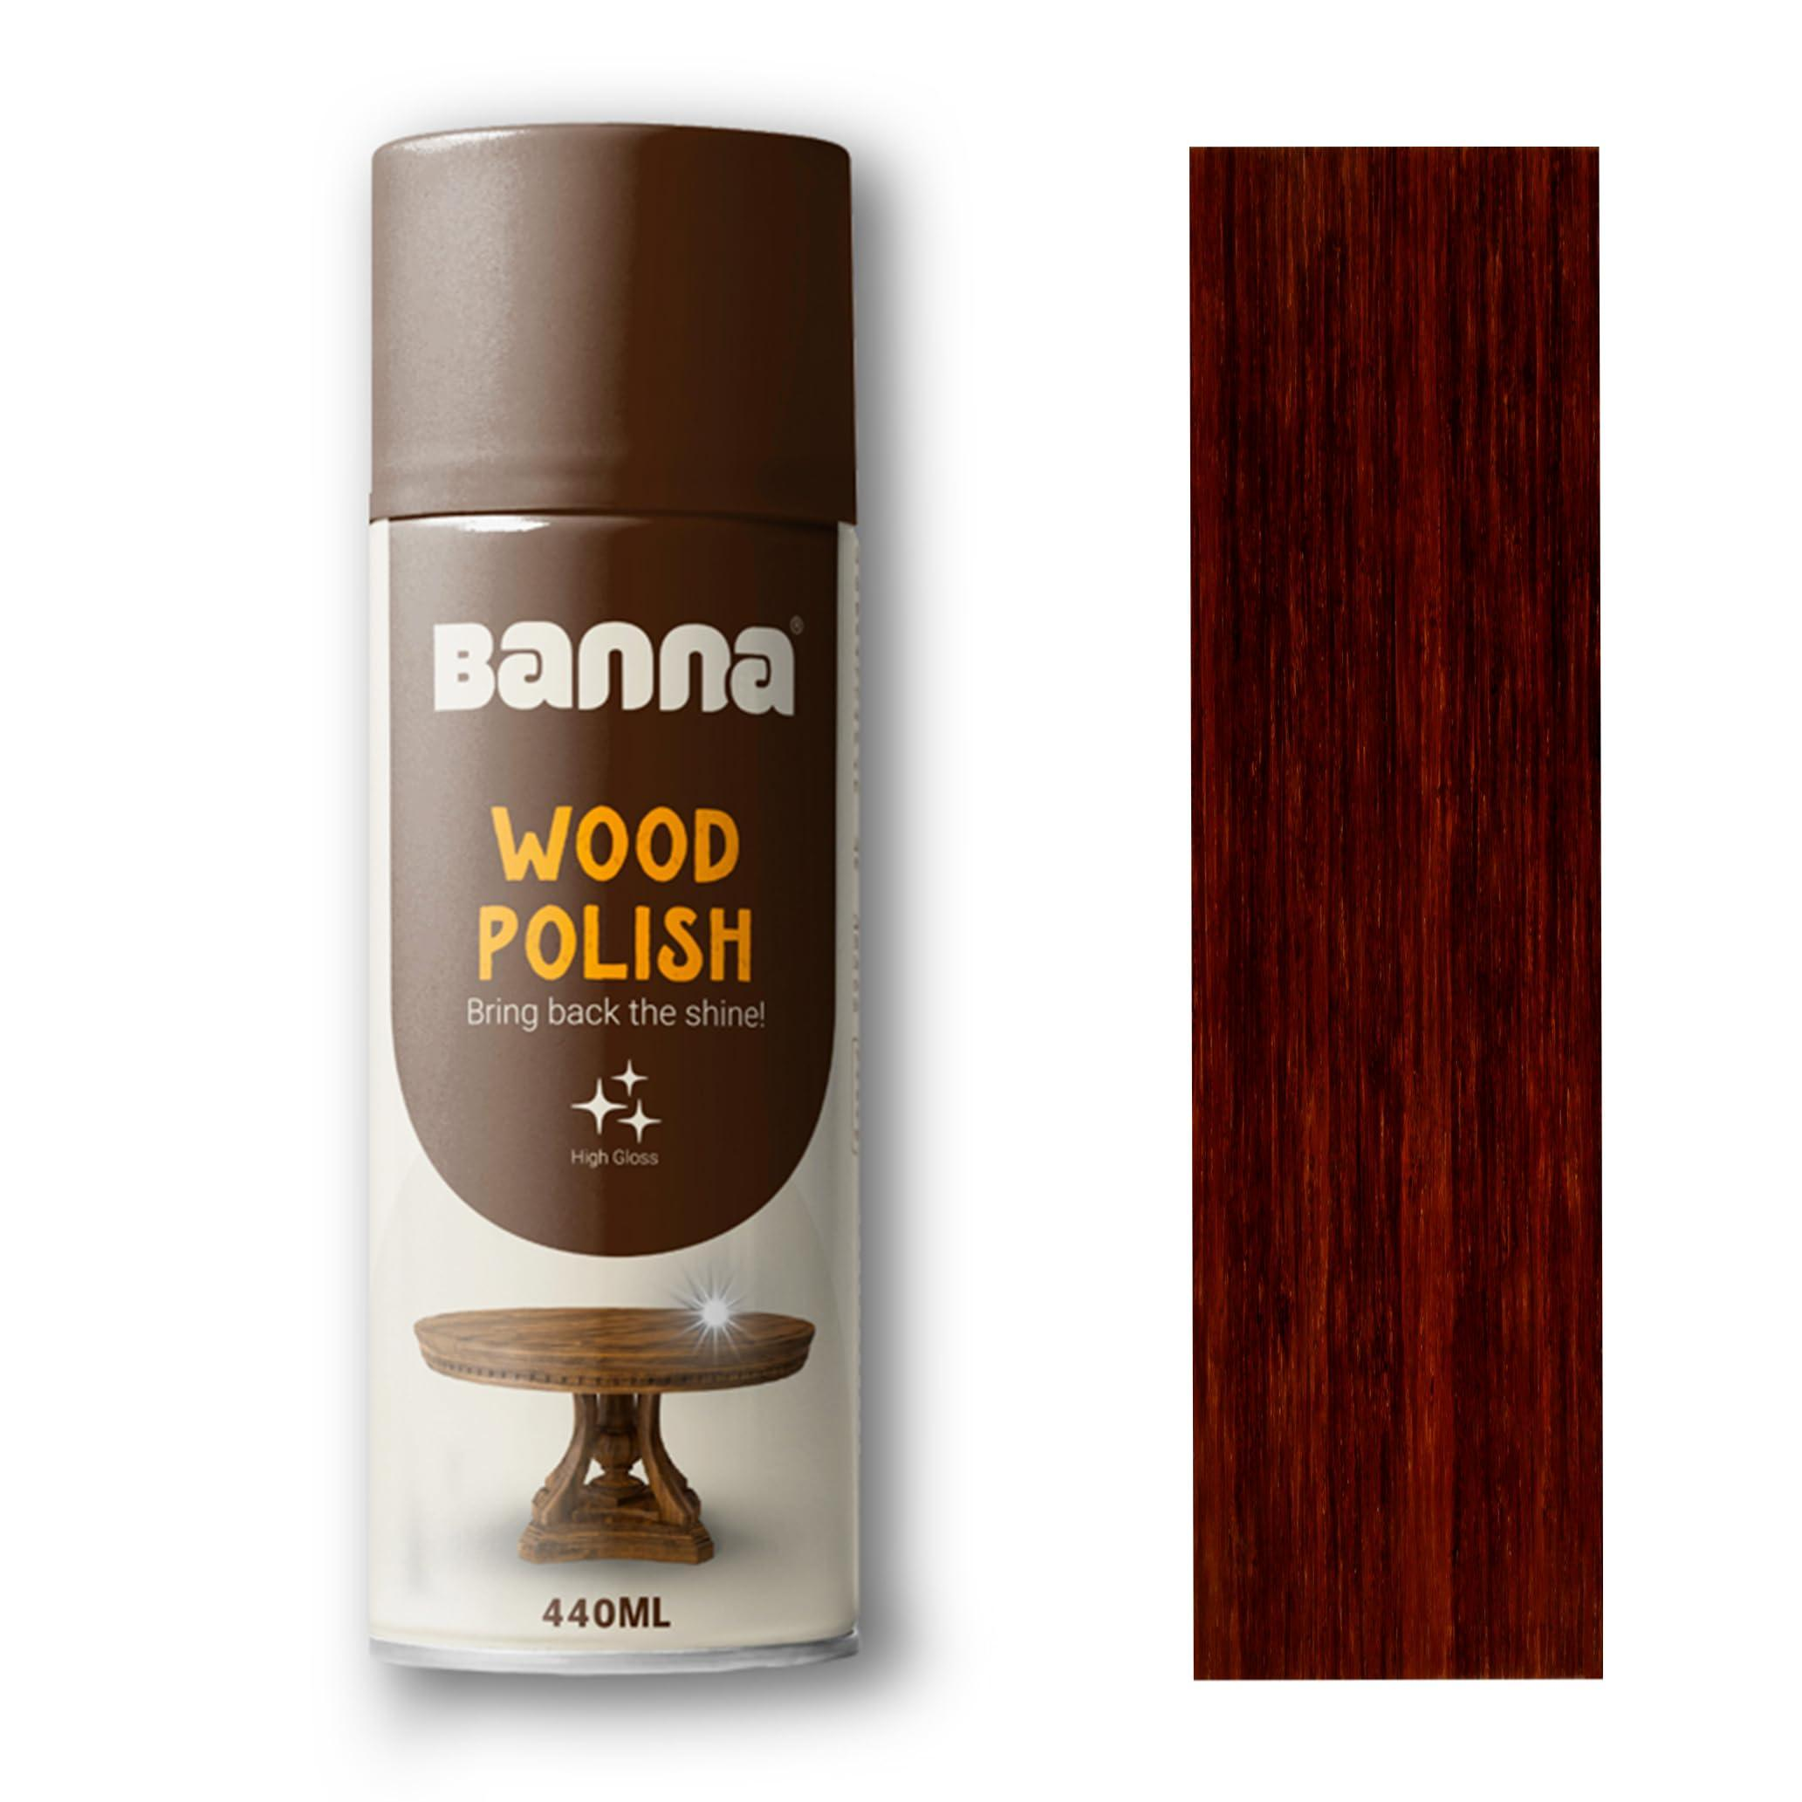
 | Carpentry | Power Drill | 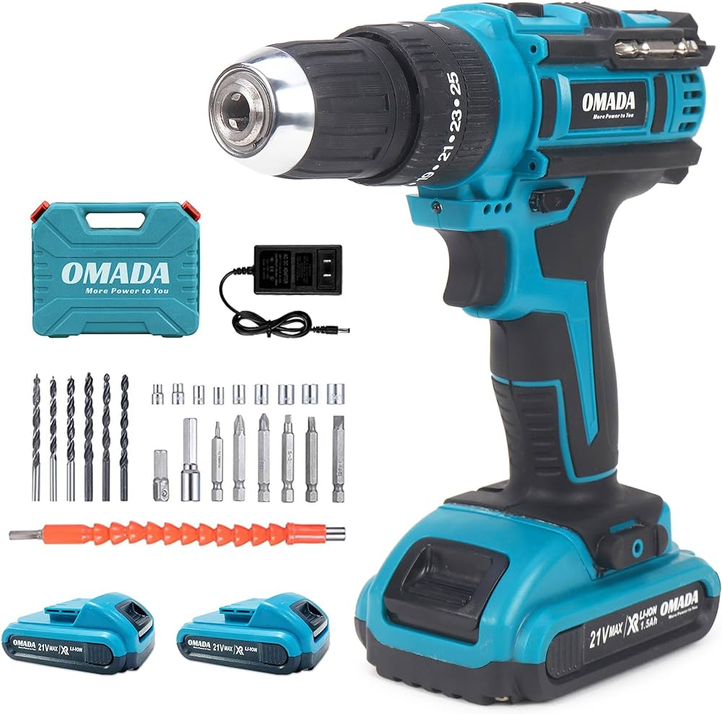
 | Carpentry | Measuring Tape
 | Carpentry | Cabinet Handles | 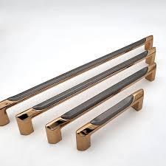
 | Carpentry | Sealant
 | Carpentry | Chisels | 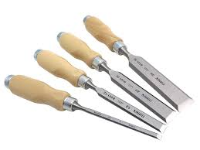
 | Carpentry | Router | 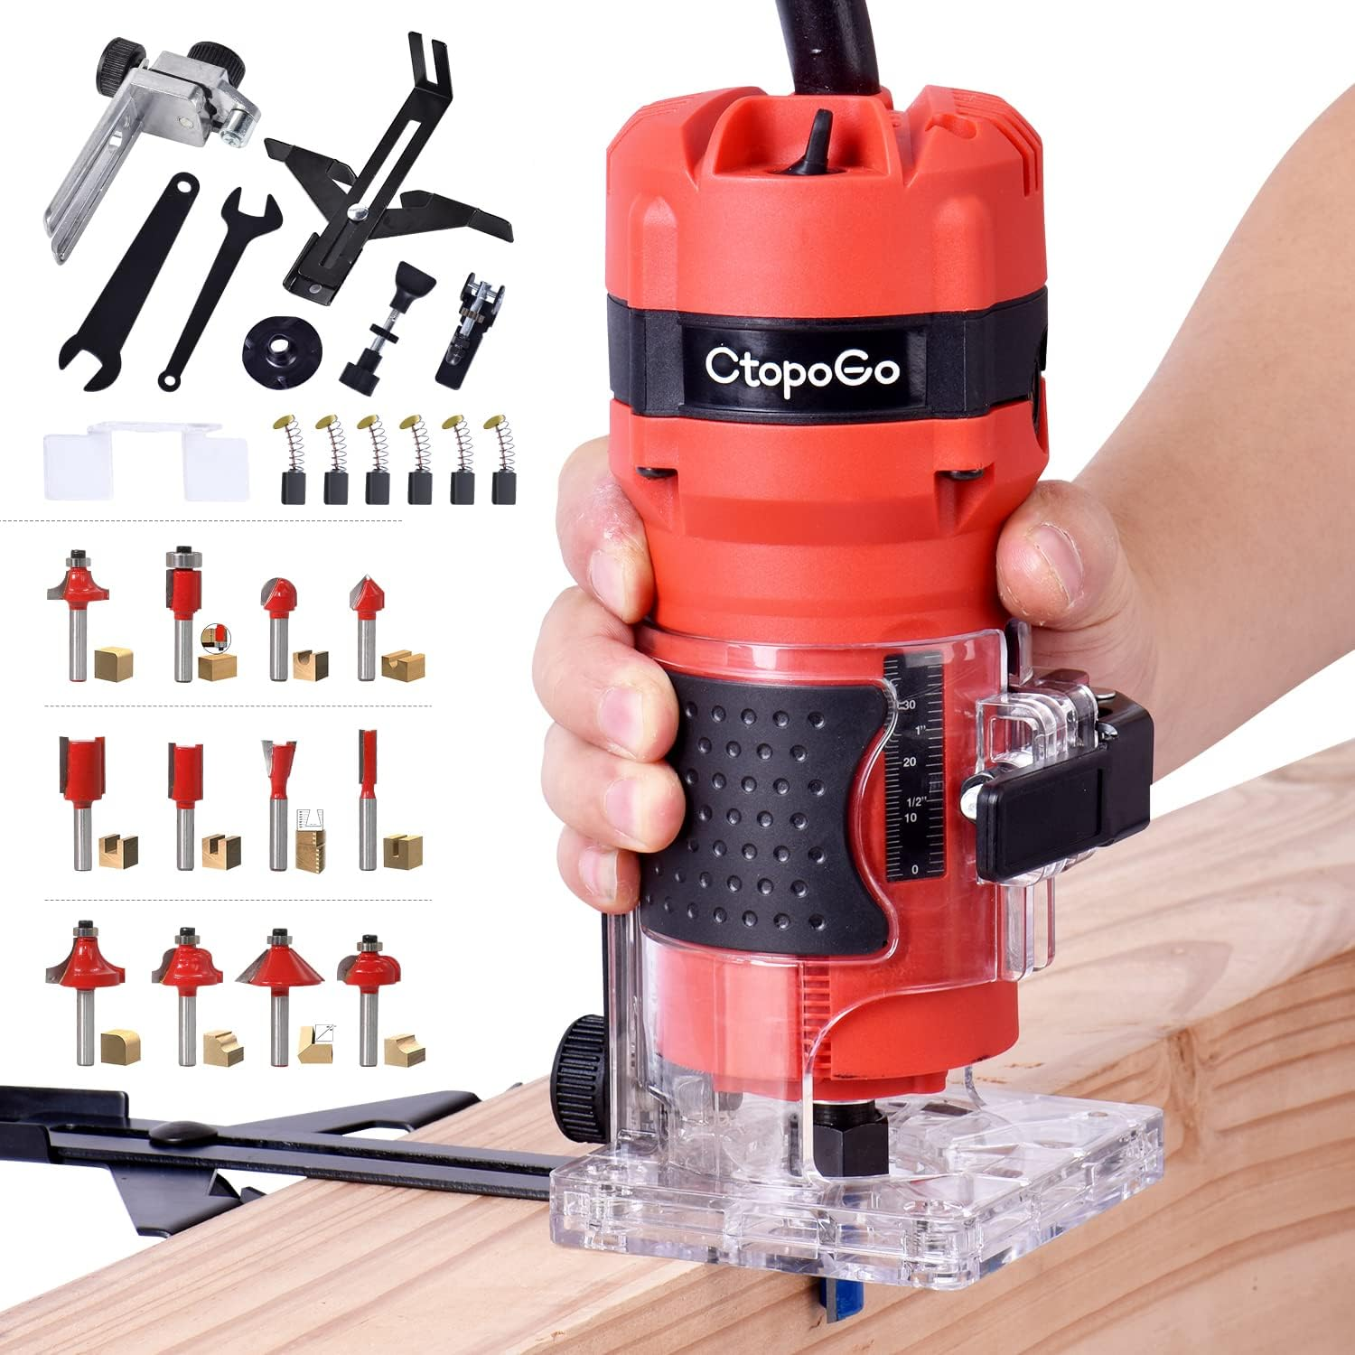
 | Carpentry | Inlay strips | 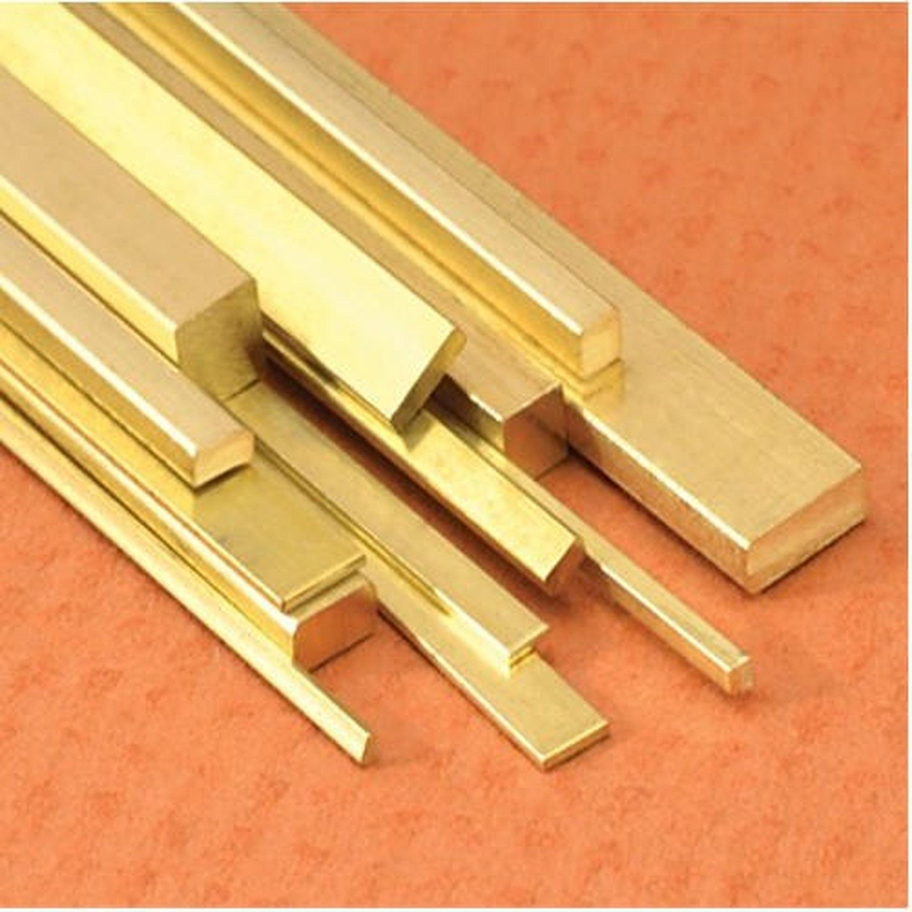
 | Carpentry | Workbench | 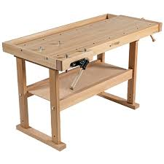
 | Carpentry | Brushes | 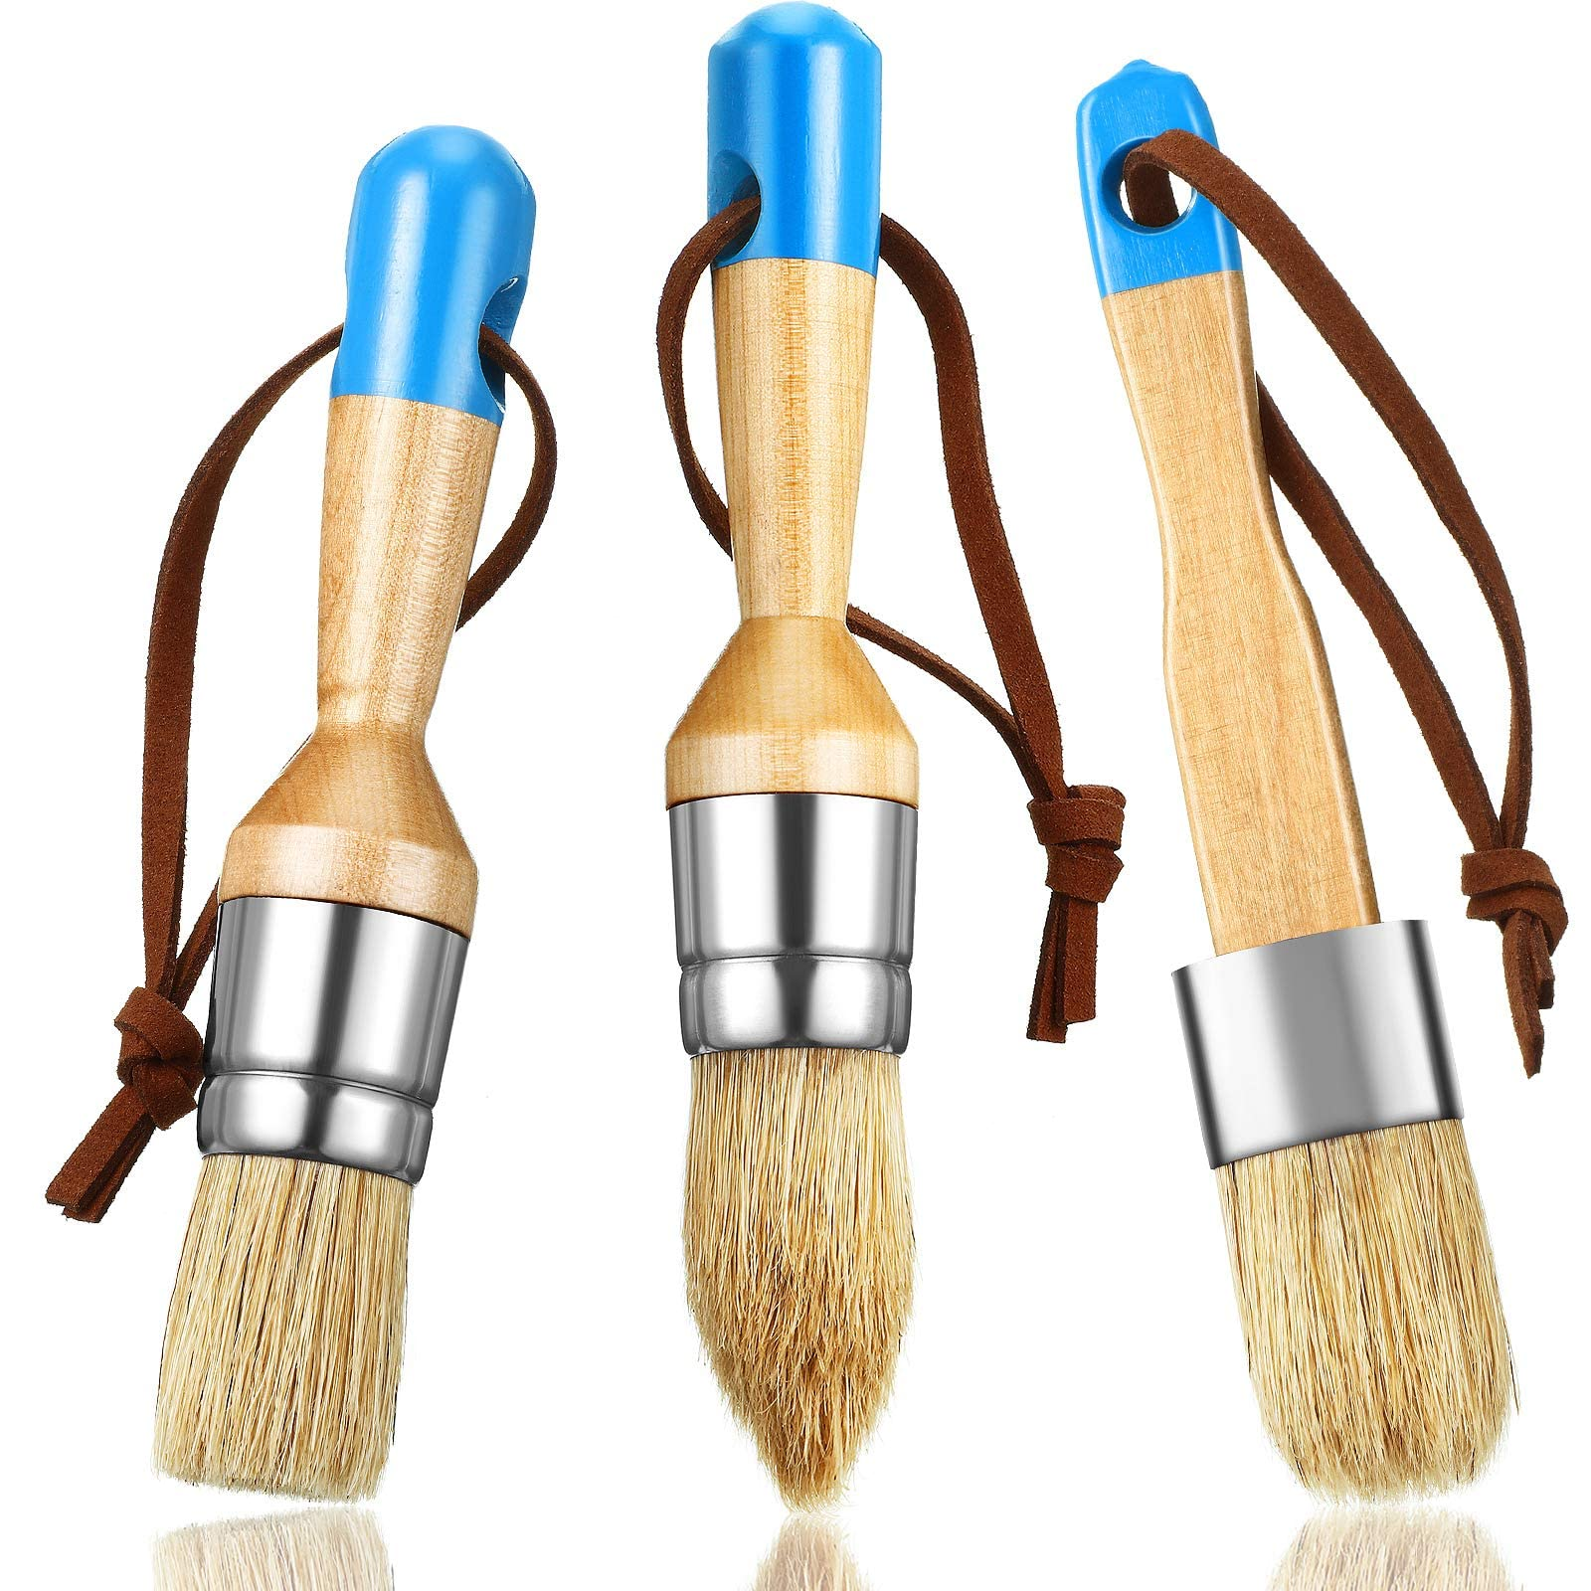
 | Carpentry | Wood Cleaner | 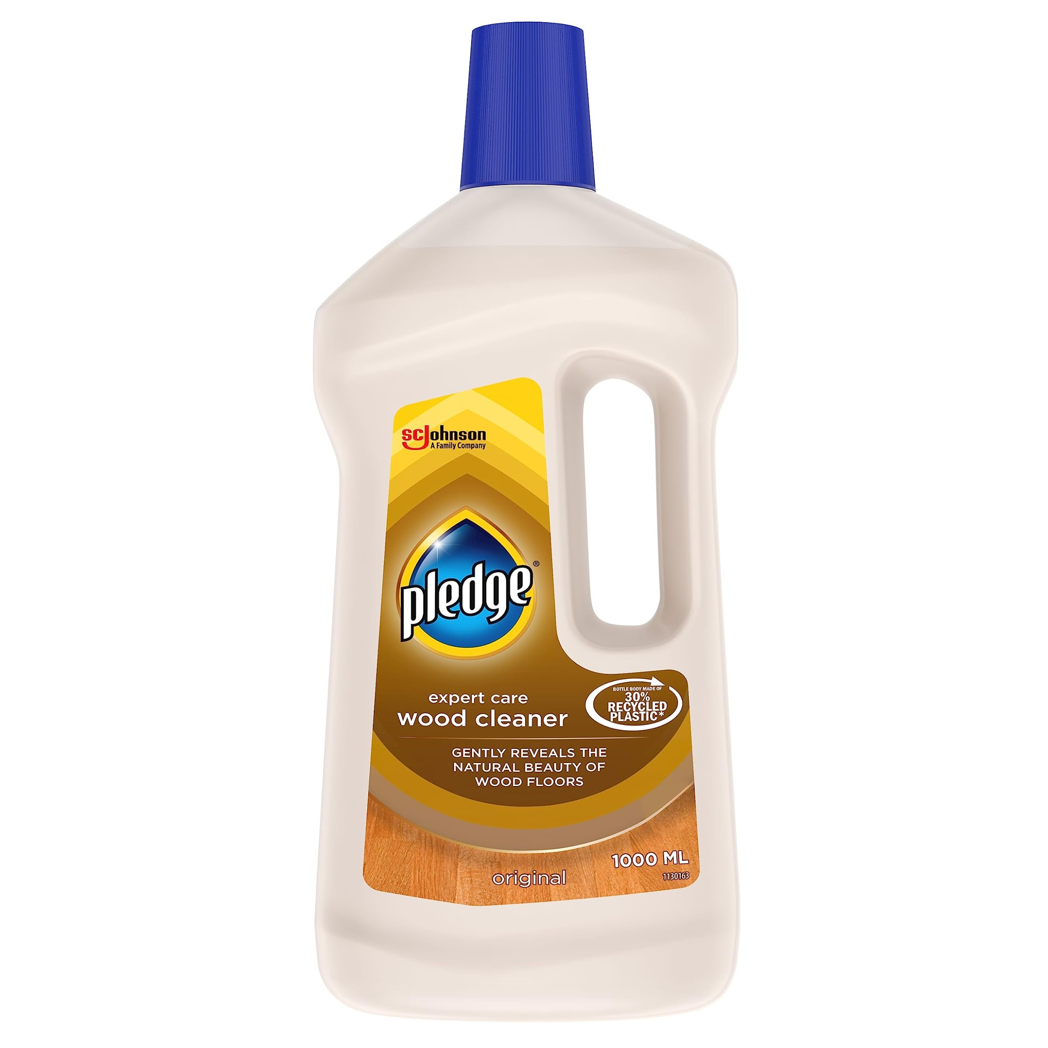
 | Carpentry | Hinge mortising tool | 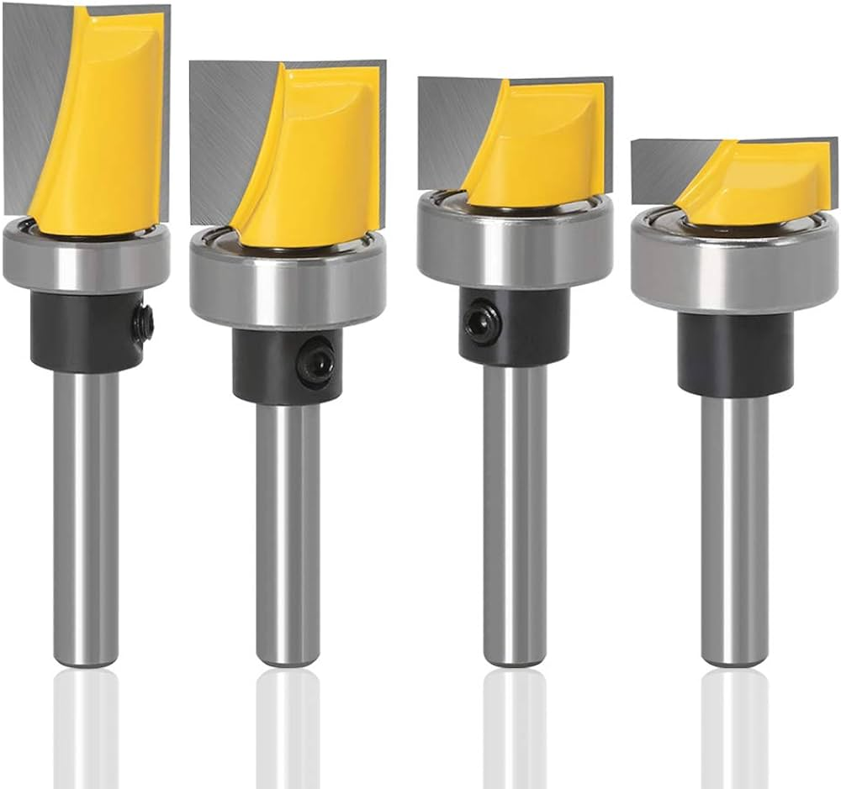
 | Carpentry | Hinges | 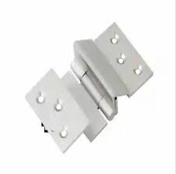
 | Carpentry | Wood filler
 | Carpentry | Paint
 | Carpentry | Allen Wrenches | 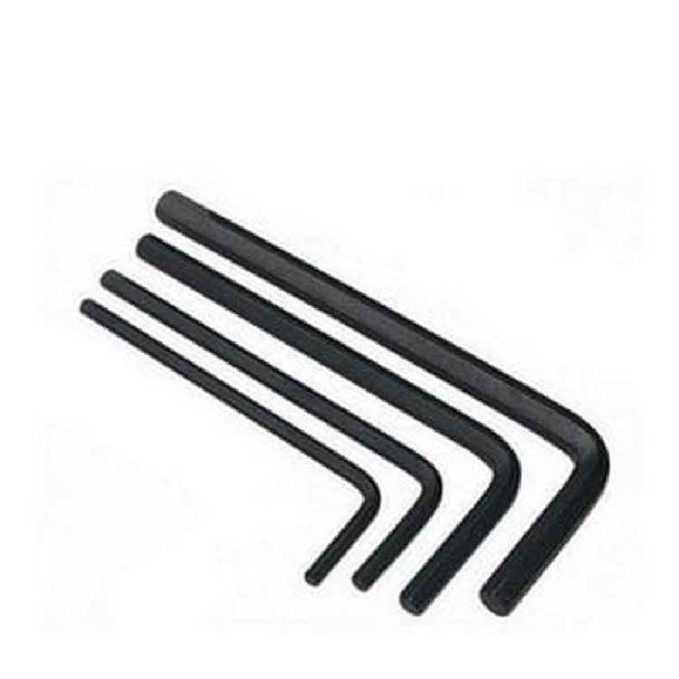
 | Carpentry | Veneer Saw
 | Carpentry | Precision Router | 
 | Carpentry | Scroll Saw | 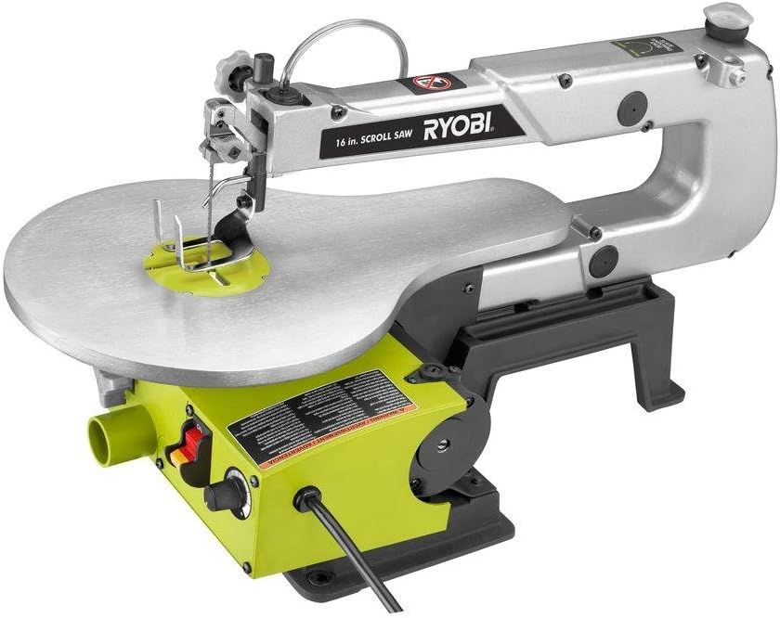
 | Carpentry | Dowels | 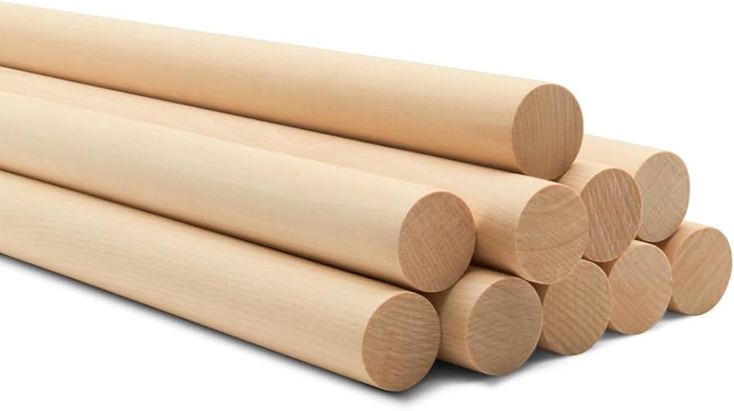
 | Carpentry | Joints | 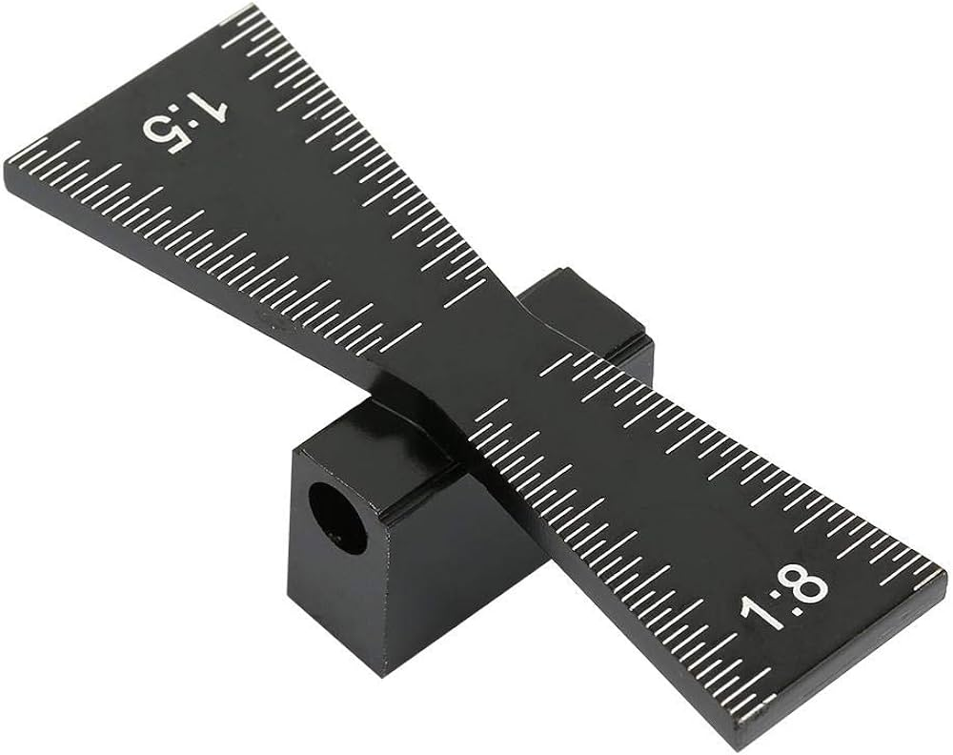
 | Carpentry | Non-toxic Paint | 
 | Carpentry | Orbital Sander | 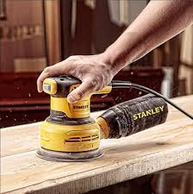
 | Carpentry | Chemical Paint Stripper | 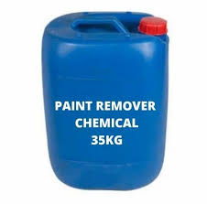
 | Carpentry | Cotton cloths
Protective Equipment & Wear
 | Carpentry | Fire retardant, Reflective jacket or Jumpsuit with multiple pockets and reflective bands
 | Carpentry | Full body harness
 | Carpentry | Face mask (For light duty installation work) | 
 | Carpentry | Protective Safety Glasses/Goggles | 
 | Carpentry | Insulated boots | 
 | Carpentry | Insulated Ladder
 | Carpentry | Polypropylene Safety Hat (When working at construction site, at all times) | 
 | Carpentry | Elbow and knee guards | 
 | Carpentry | Cut resistant gloves | 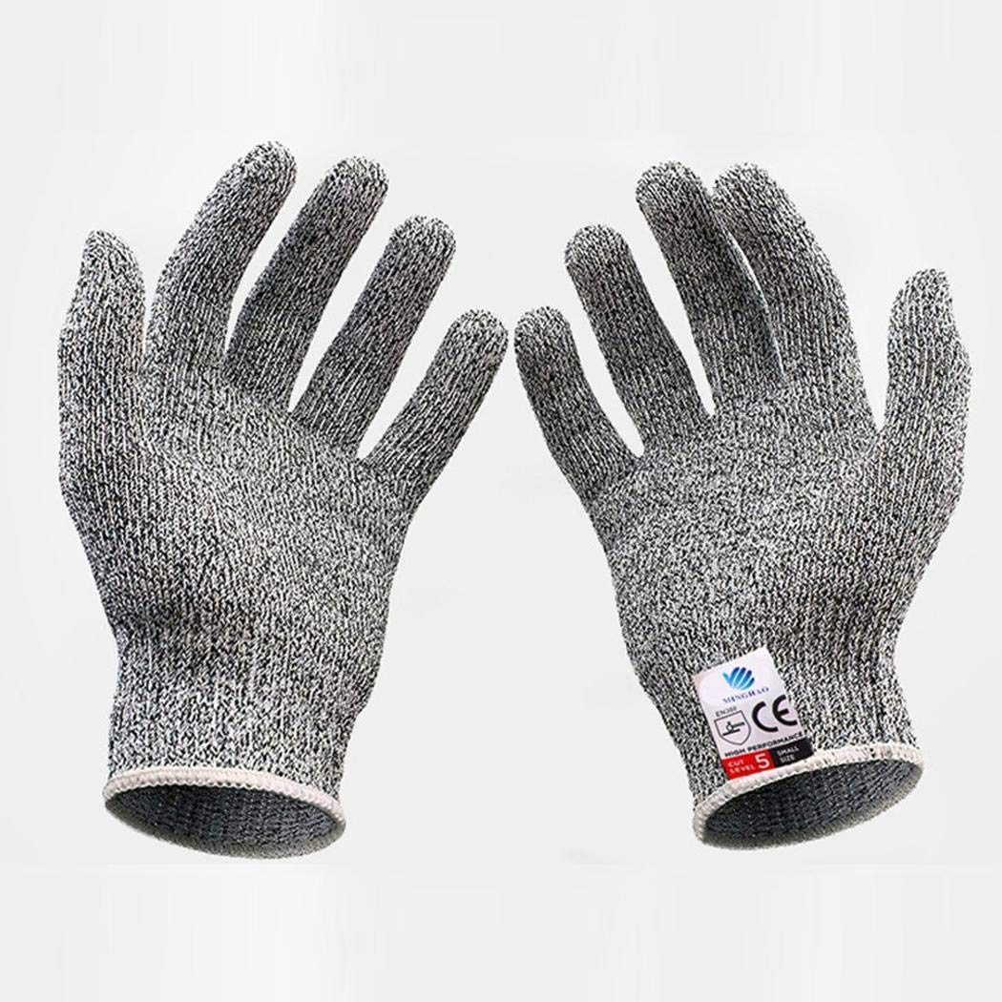
Emergency Protection and Warning Equipment
 | Carpentry | Fire prevention Kit (Containing fire blanket, Heat Resistant Gloves, Escape Rope, Glass Hammer, Glow Sticks, Flashlight, First Aid Supplies with Burn Injury Care Treatment and More) | 
 | Carpentry | Fire extinguisher (Hand held or Wall mounted)
 | Carpentry | First aid box
 | Carpentry | Safety tags | 
 | Carpentry | Safety notice board /safety message board | 
 | Carpentry | Barricade Cones | 
 | Carpentry | Warning Signs (Danger)

