Concrete Finisher
Sector Name | Occupation name | Equipment name | Minimum number of equipment required (per batch of 30 trainees) | Unit type | Images
 | Concrete Finisher | Screwdriver |  |  | 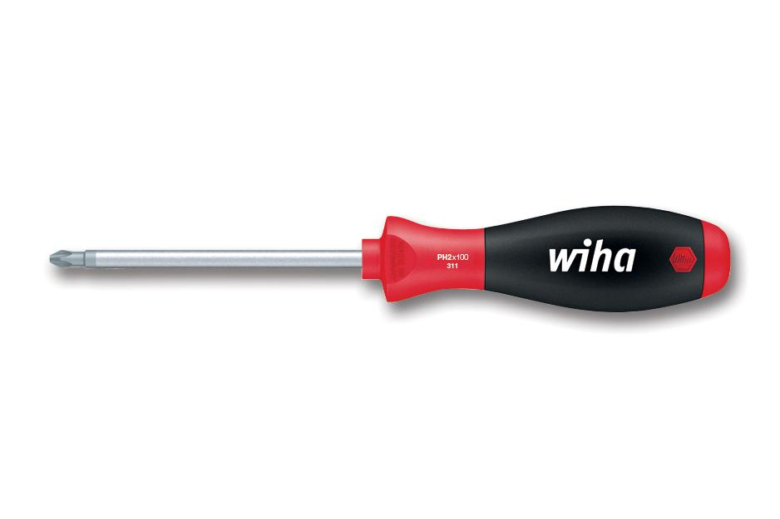
 | Concrete Finisher | Dust mask (PPE)
 | Concrete Finisher | Safety goggles (PPE)
 | Concrete Finisher | Gloves (PPE)
 | Concrete Finisher | A simulated concrete set within formwork from previous tasks
 | Concrete Finisher | Construction setting
 | Concrete Finisher | Tape measure |  |  | 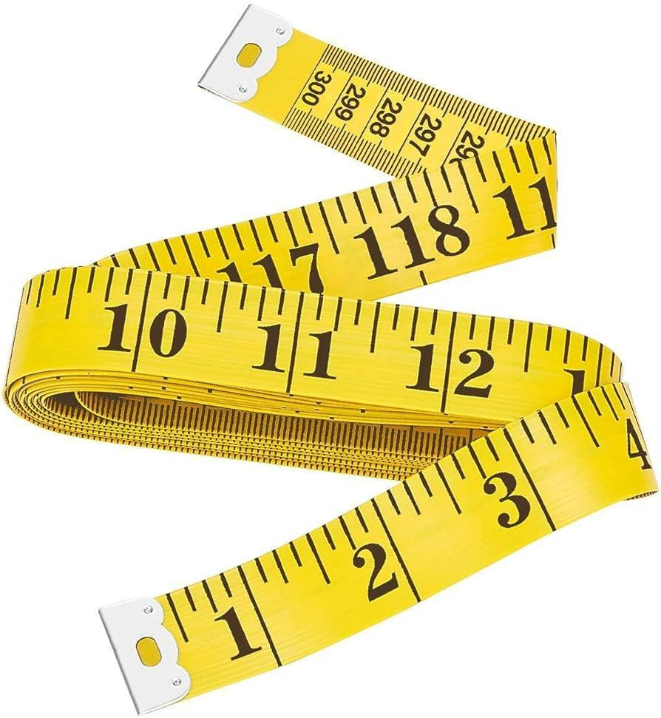
 | Concrete Finisher | Level |  |  | 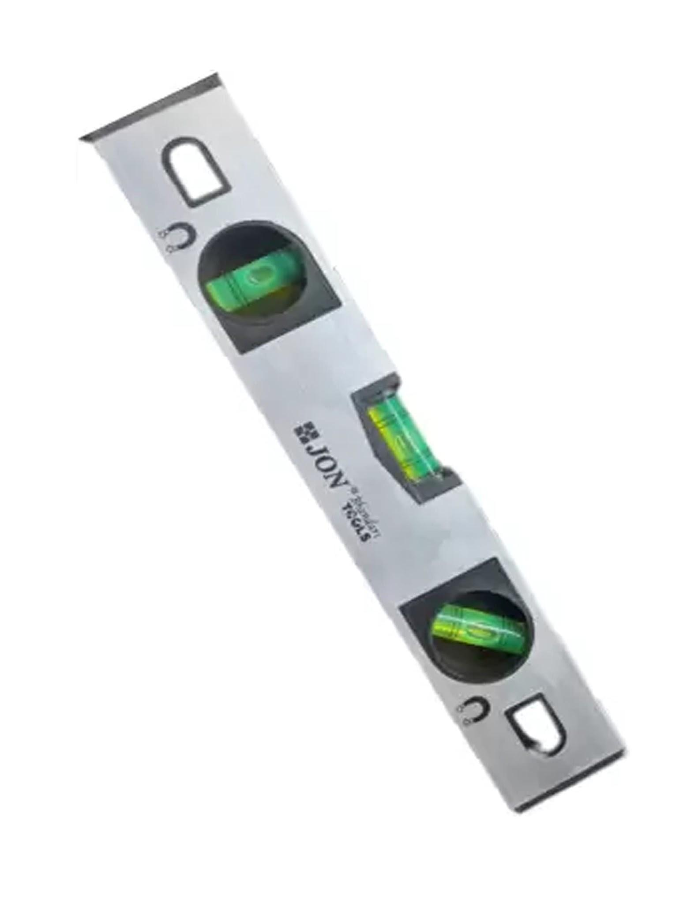
 | Concrete Finisher | Completed formwork assembly ready for verification
 | Concrete Finisher | Laser level |  |  | 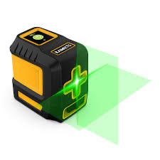
 | Concrete Finisher | Tripod |  |  | 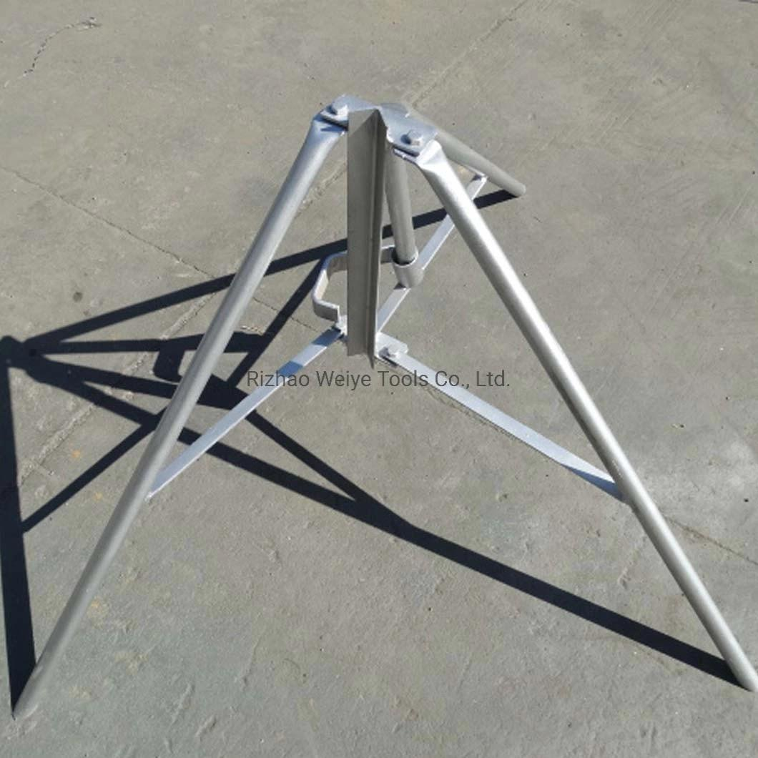
 | Concrete Finisher | Formwork panels (1m x 1m) |  |  | 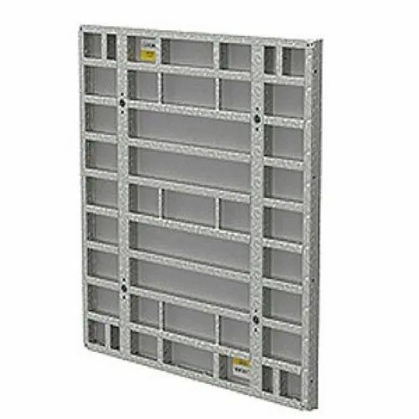
 | Concrete Finisher | Supporting stakes |  |  | 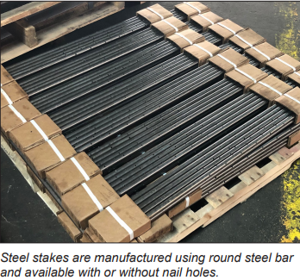
 | Concrete Finisher | A simulated ground area marked for a 1m x 1m concrete slab |  |  | 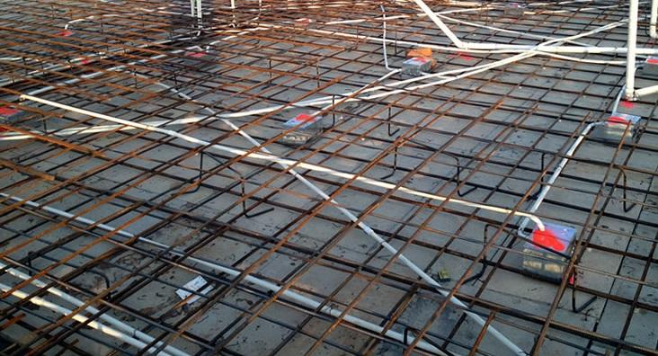
 | Concrete Finisher | An assembled formwork set on an even surface |  |  | 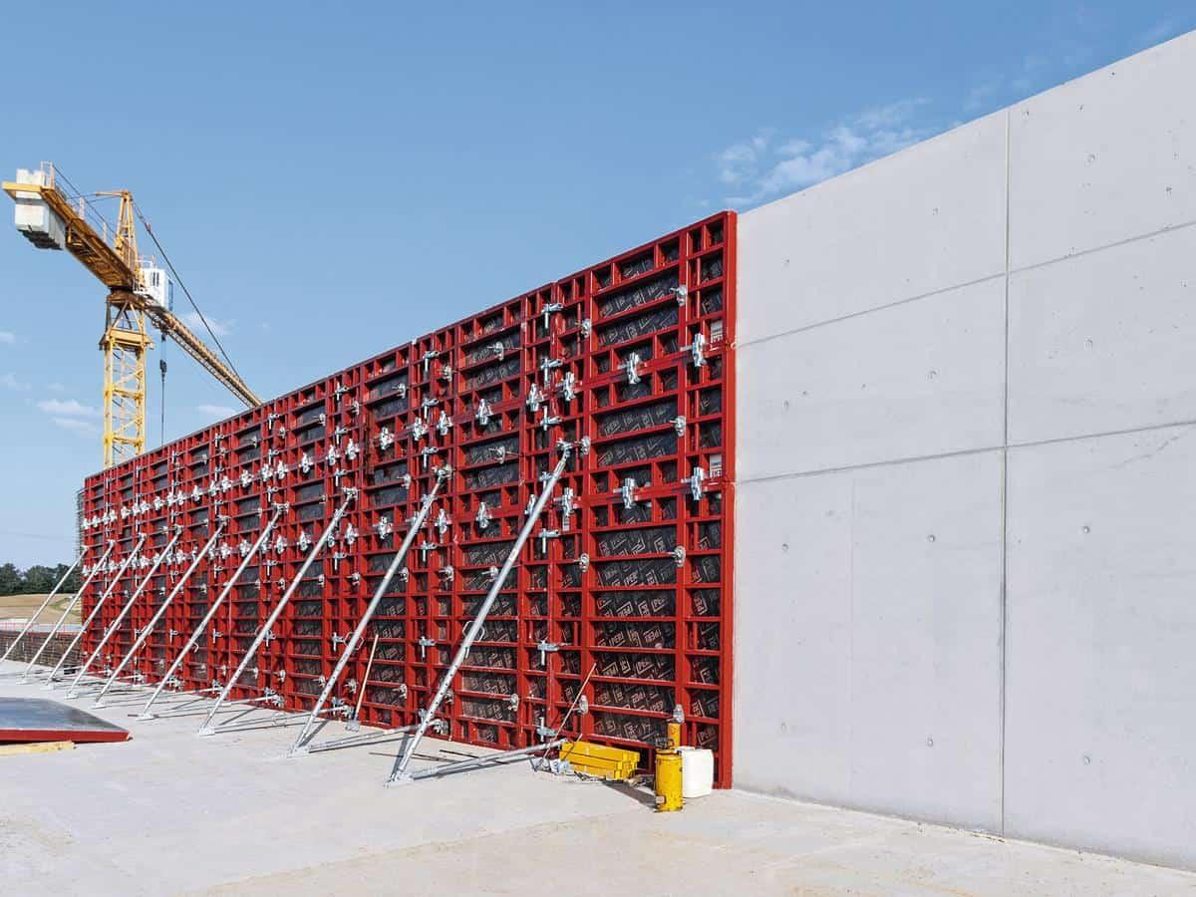
 | Concrete Finisher | Pry bar |  |  | 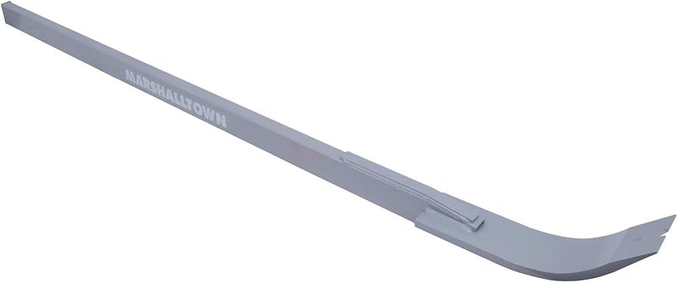
 | Concrete Finisher | Hammer |  |  | 
 | Concrete Finisher | Small-scale formwork filled with dried sand to simulate concrete
 | Concrete Finisher | Flashlight |  |  | 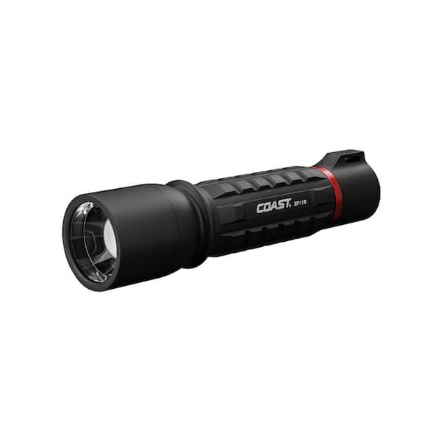
 | Concrete Finisher | Hard hat (PPE)
 | Concrete Finisher | Caulk and caulking gun |  |  | 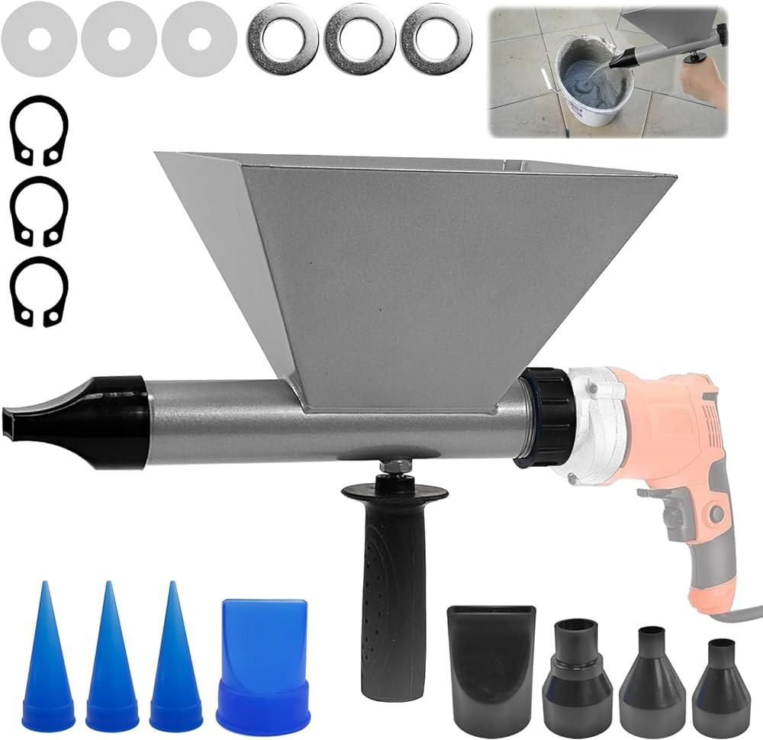
 | Concrete Finisher | Small pieces of wood (shims) |  |  | 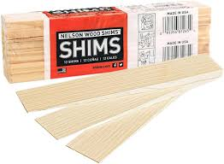
 | Concrete Finisher | Erected shuttering panels within a formwork setup
 | Concrete Finisher | Plumb line
 | Concrete Finisher | A formwork setup on a workbench
 | Concrete Finisher | Nails |  |  | 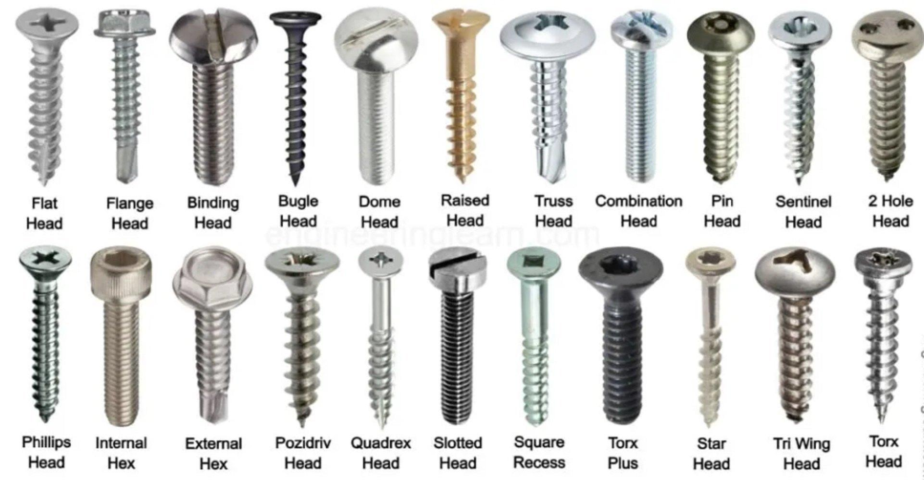
 | Concrete Finisher | A small, marked area to simulate a construction environment
 | Concrete Finisher | Brush |  |  | 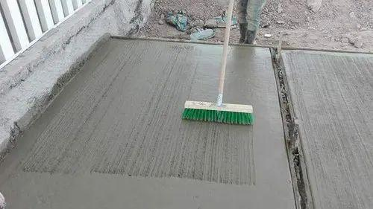
 | Concrete Finisher | Release agent (oil-based) |  |  | 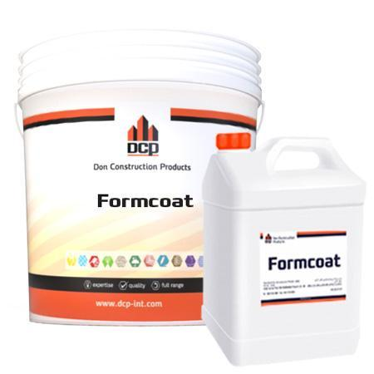
 | Concrete Finisher | Small formwork panel (1m x 1m)
 | Concrete Finisher | A ventilated workspace with a table for applying coatings
 | Concrete Finisher | Square
 | Concrete Finisher | String line |  |  | 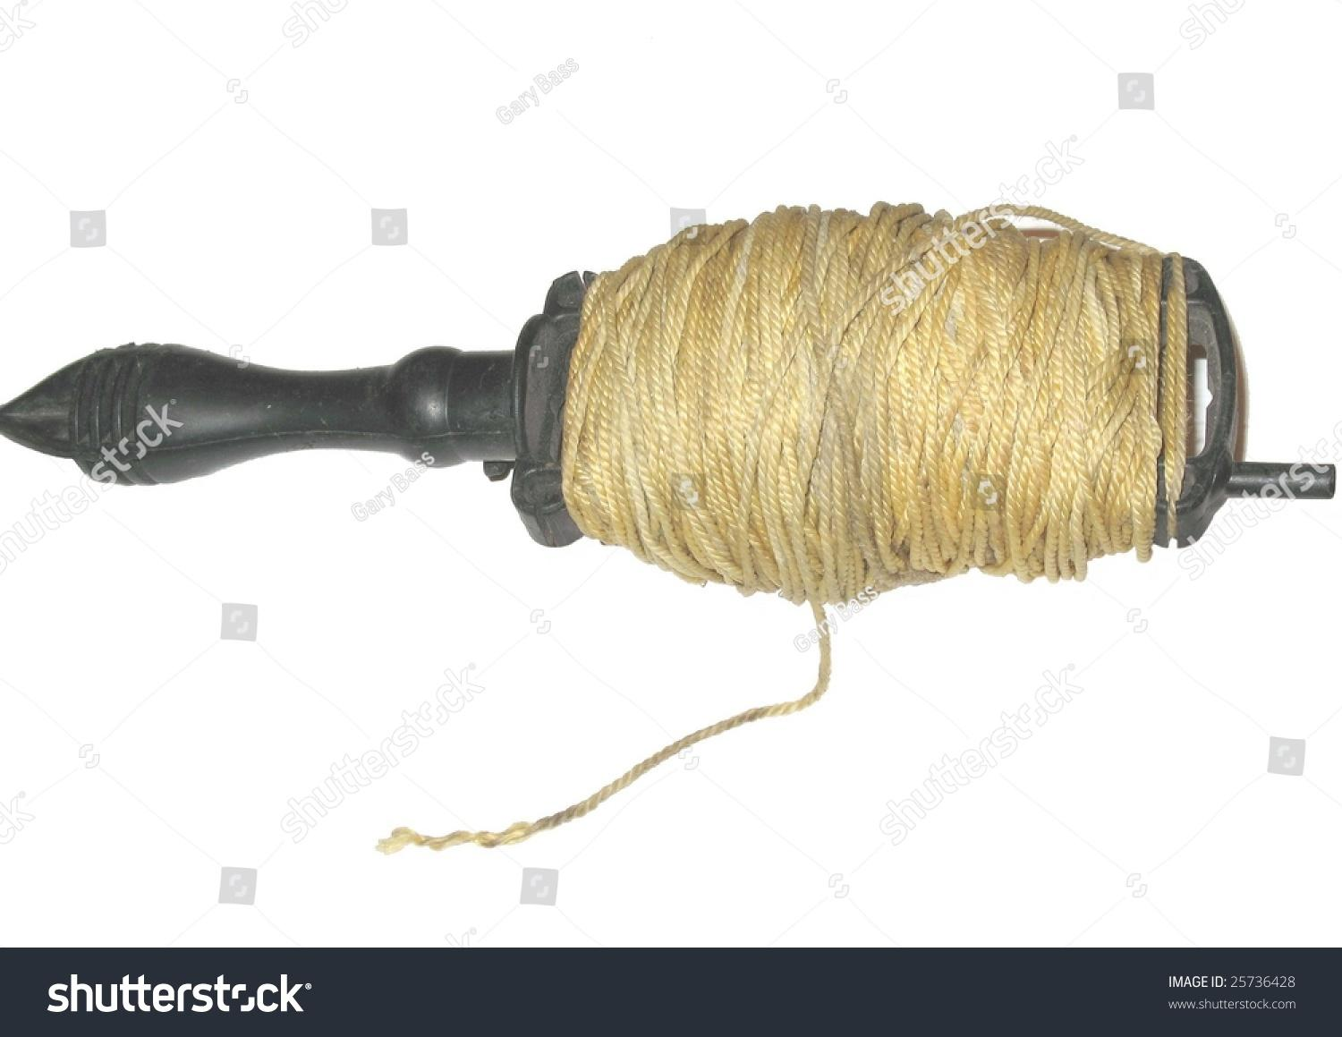
 | Concrete Finisher | Stakes |  |  | 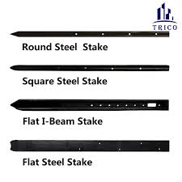
 | Concrete Finisher | Form oil |  |  | 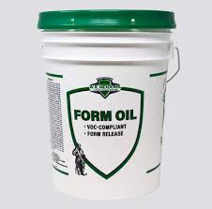
 | Concrete Finisher | Formwork for 1m x 1m slab
 | Concrete Finisher | Rubber concrete boots (PPE) |  |  | 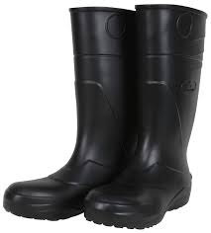
 | Concrete Finisher | Formwork for 2m x 3m walkway
 | Concrete Finisher | Formwork for 1.5m x1.5m walkway
 | Concrete Finisher | Wood patches (various sizes) |  |  | 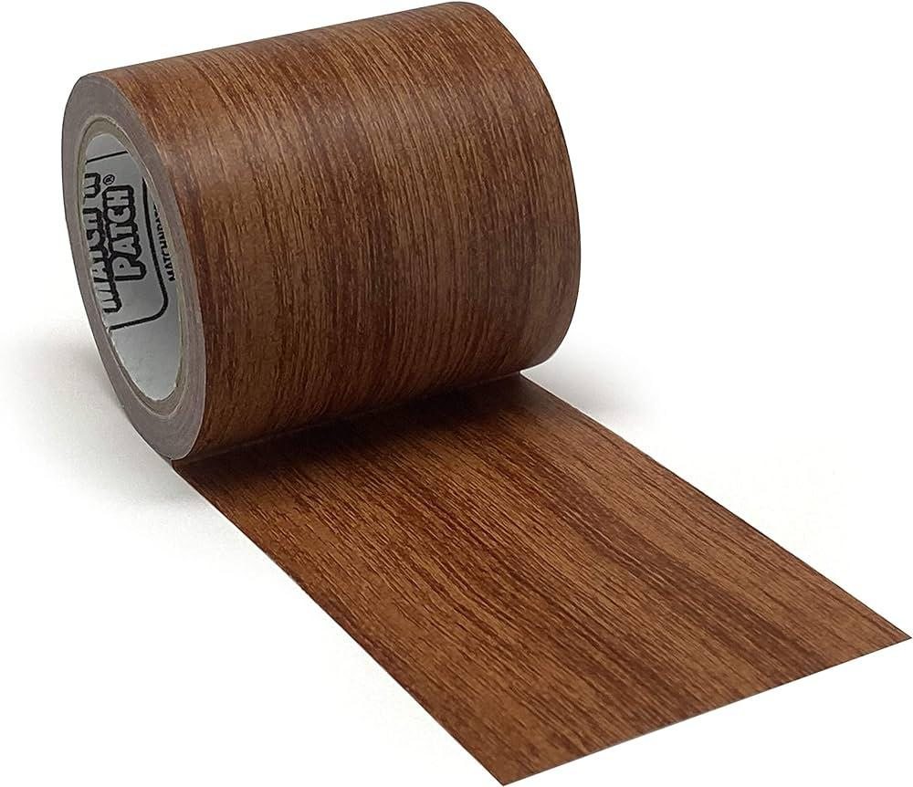
 | Concrete Finisher | Clamps |  |  | 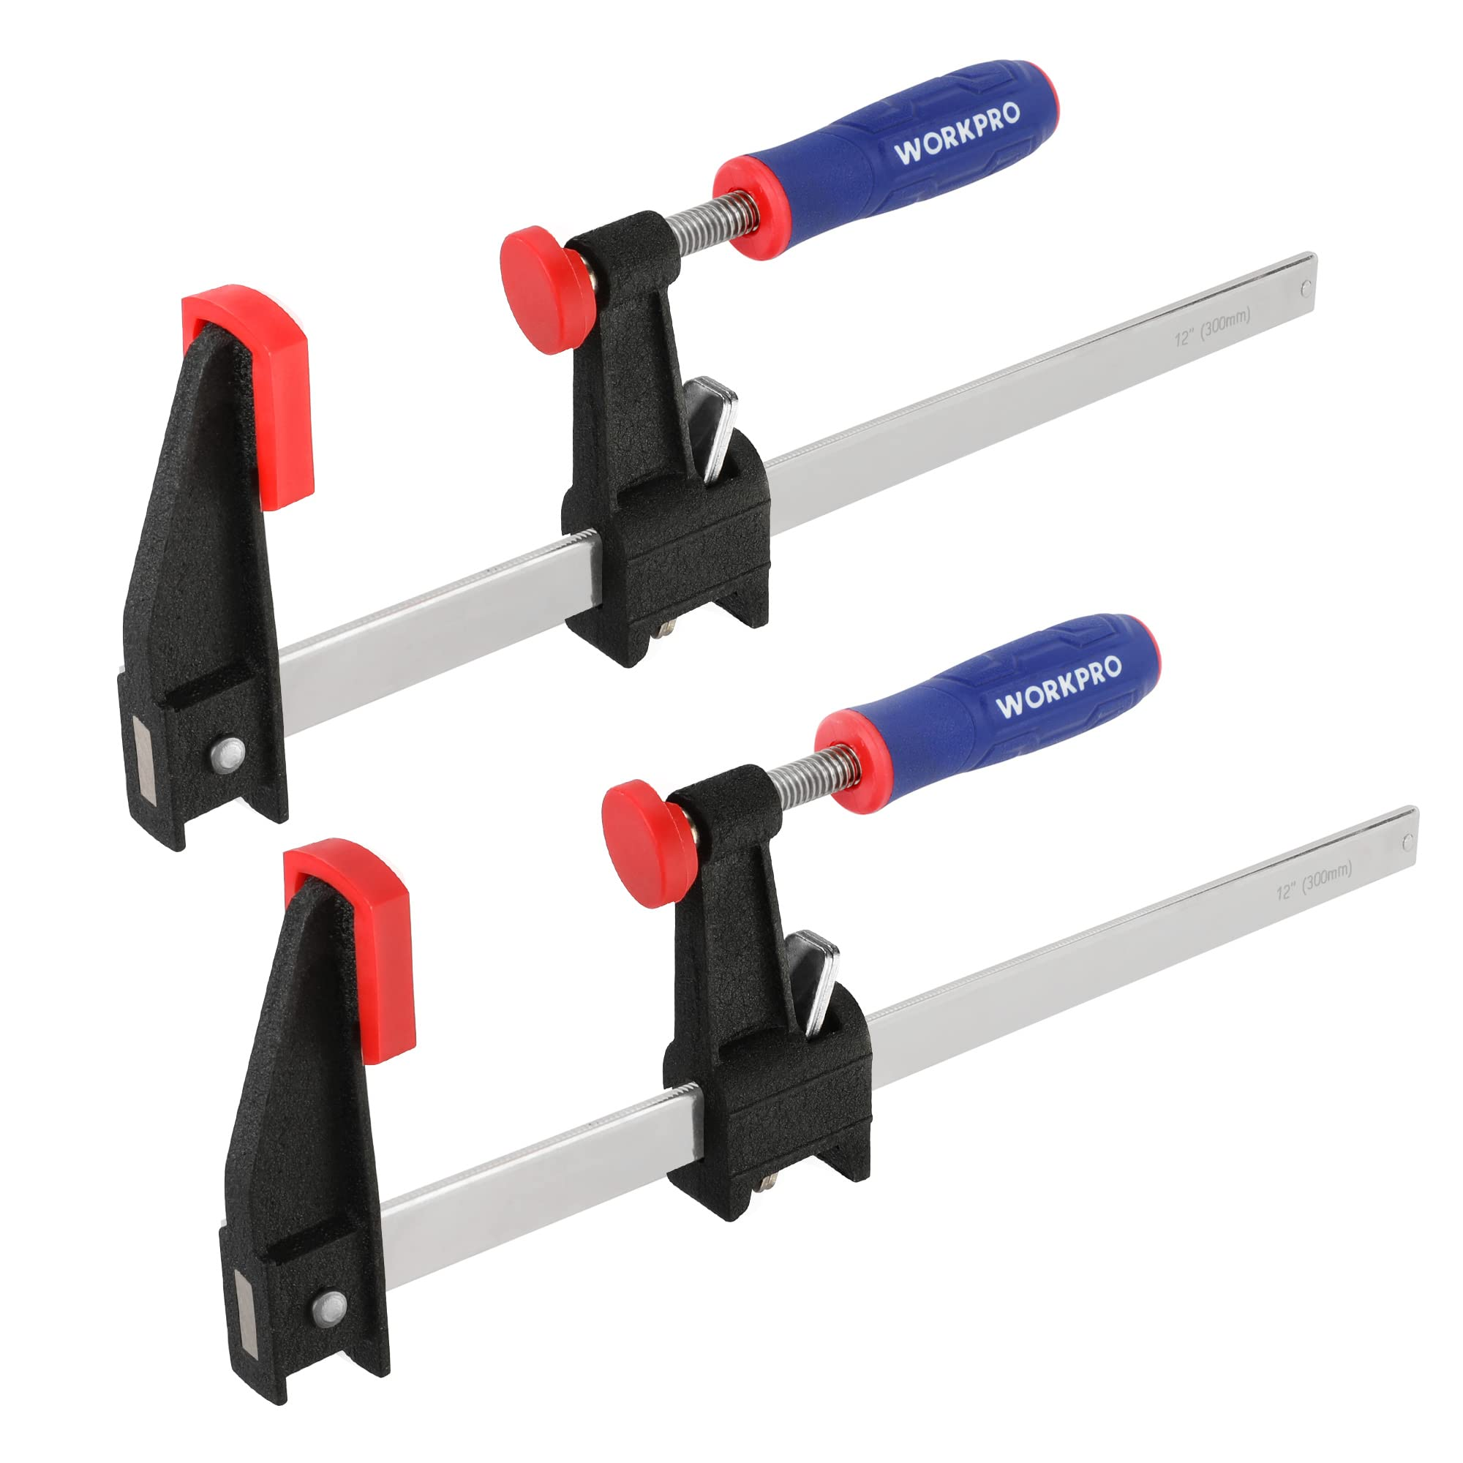
 | Concrete Finisher | Rake |  |  | 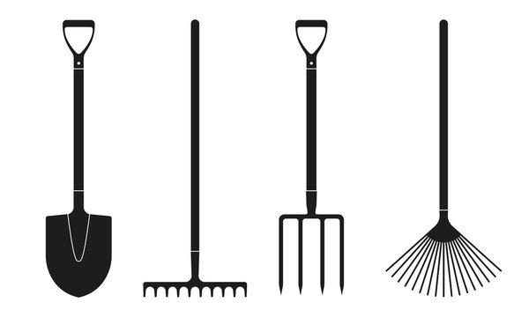
 | Concrete Finisher | Shovel |  |  | 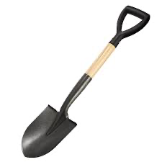
 | Concrete Finisher | Hand trowel |  |  | 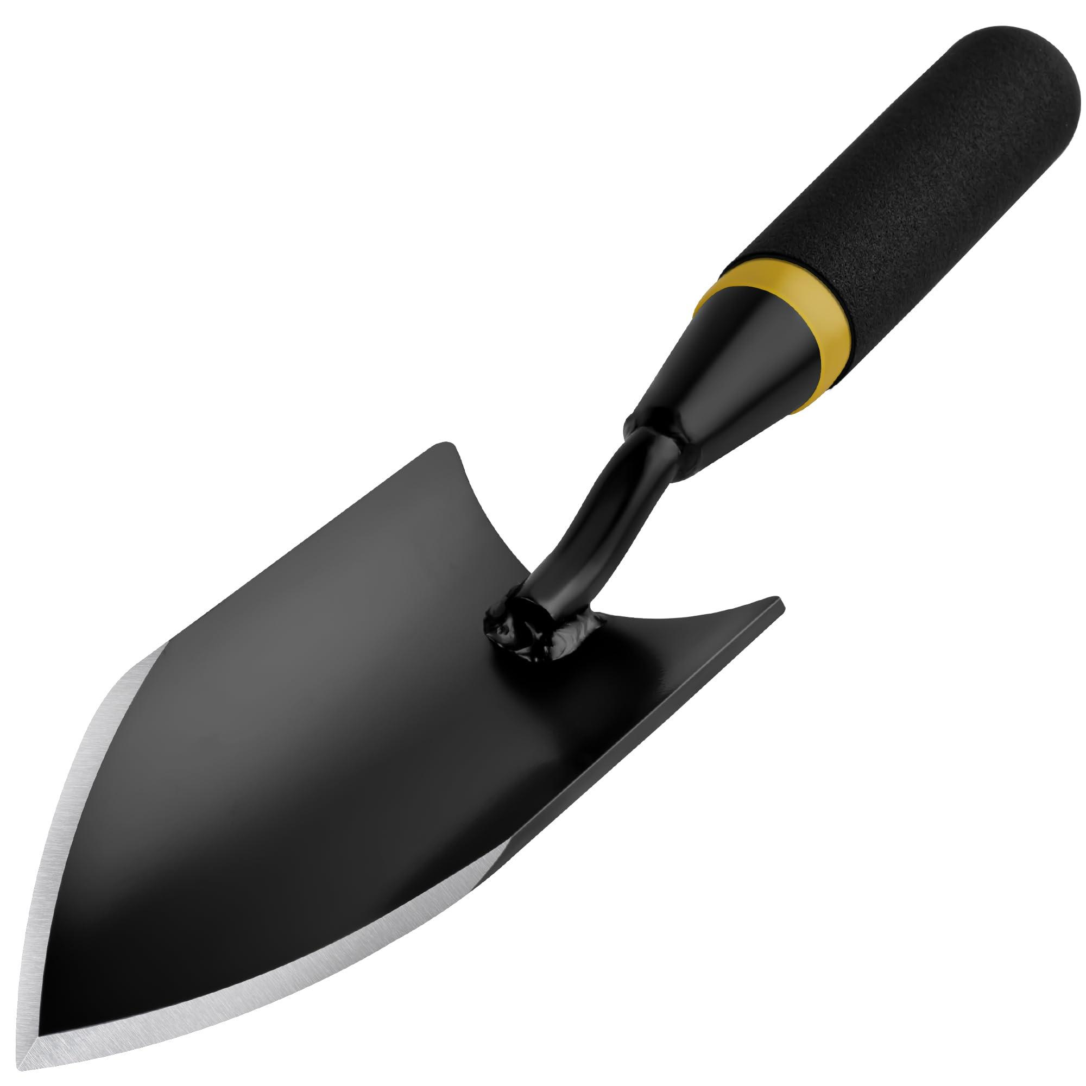
 | Concrete Finisher | Hand screed |  |  | 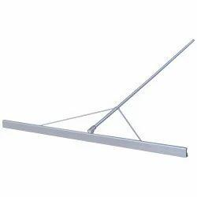
 | Concrete Finisher | Bull float |  |  | 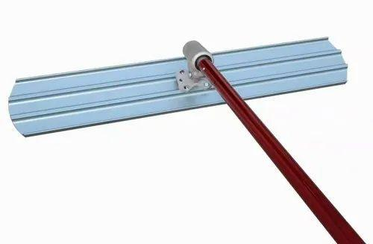
 | Concrete Finisher | Concrete mix |  |  | 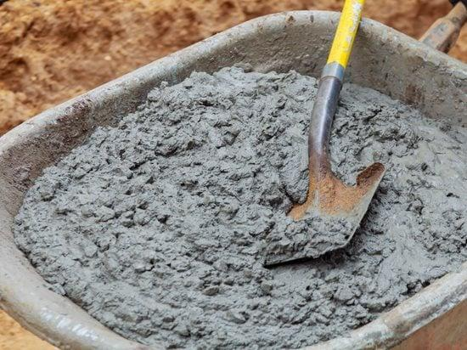
 | Concrete Finisher | Water
 | Concrete Finisher | Mixing container |  |  | 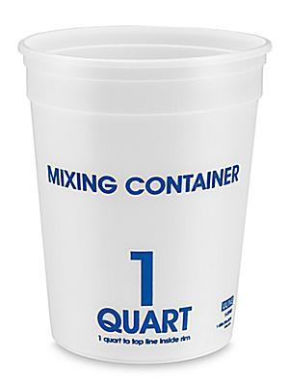
 | Concrete Finisher | Power trowel |  |  | 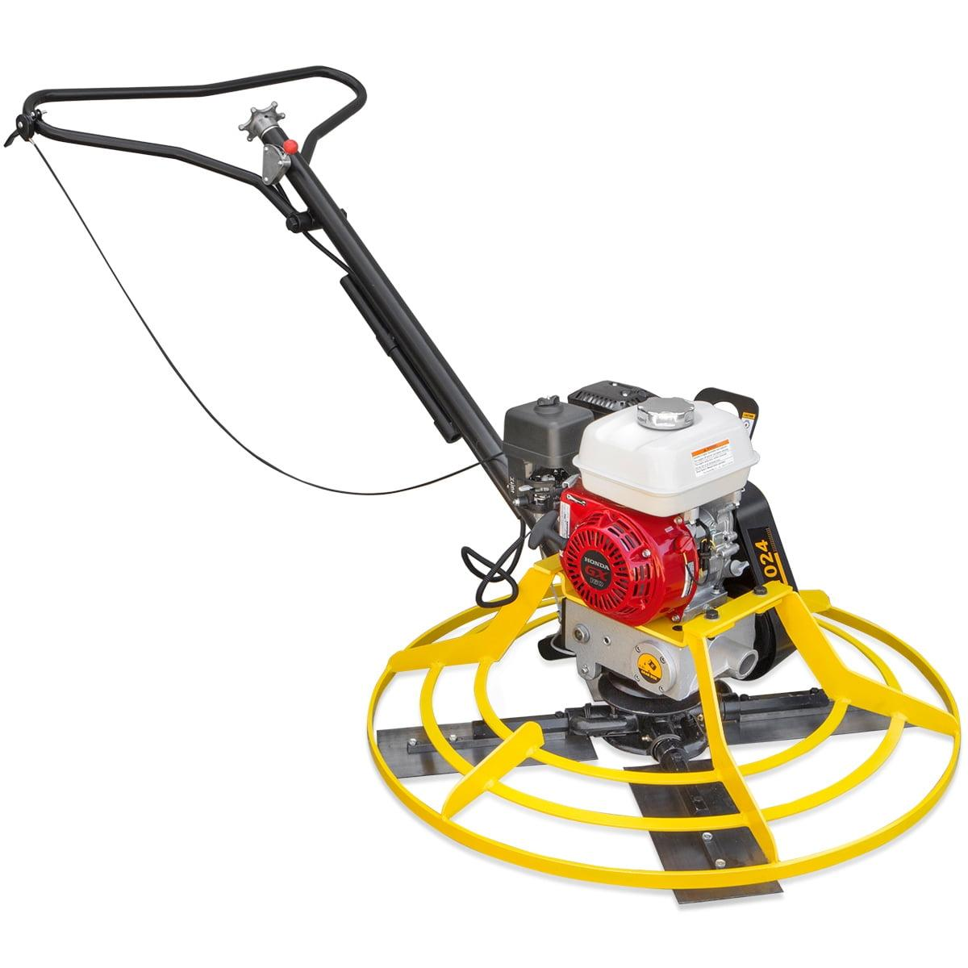
 | Concrete Finisher | Power screed |  |  | 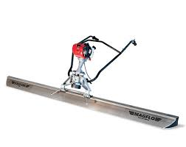
 | Concrete Finisher | Thermometer |  |  | 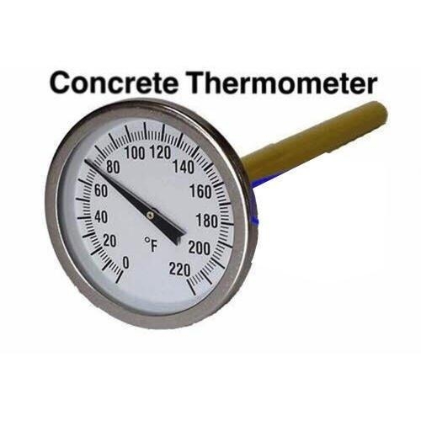
 | Concrete Finisher | Hygrometer |  |  | 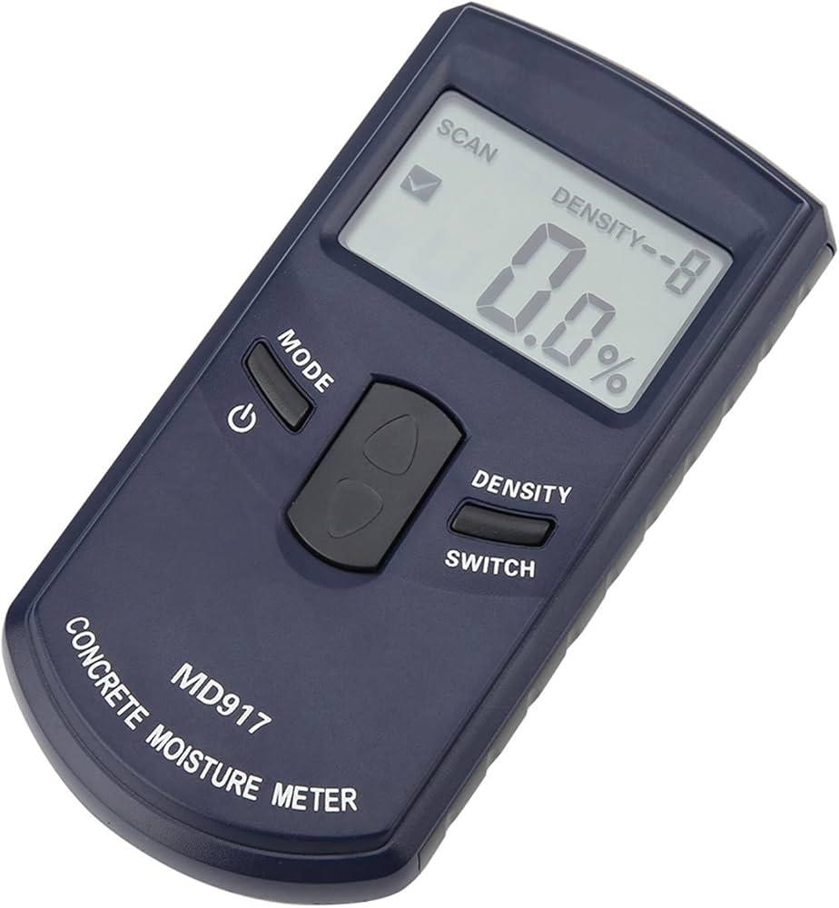
 | Concrete Finisher | Anemometer |  |  | 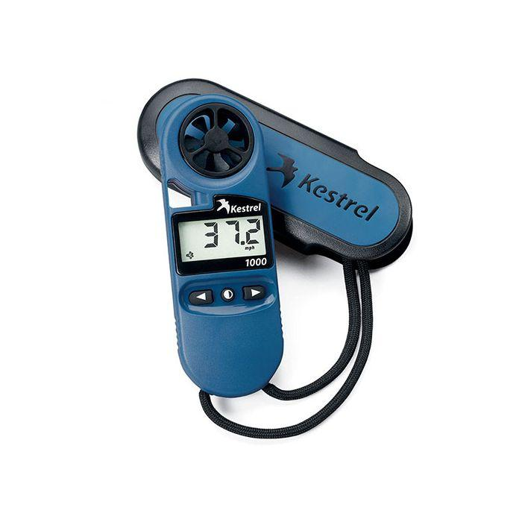
 | Concrete Finisher | Curing blankets |  |  | 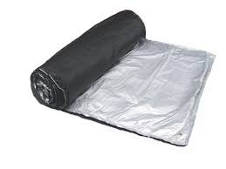
 | Concrete Finisher | Water spray
 | Concrete Finisher | Plastic sheeting |  |  | 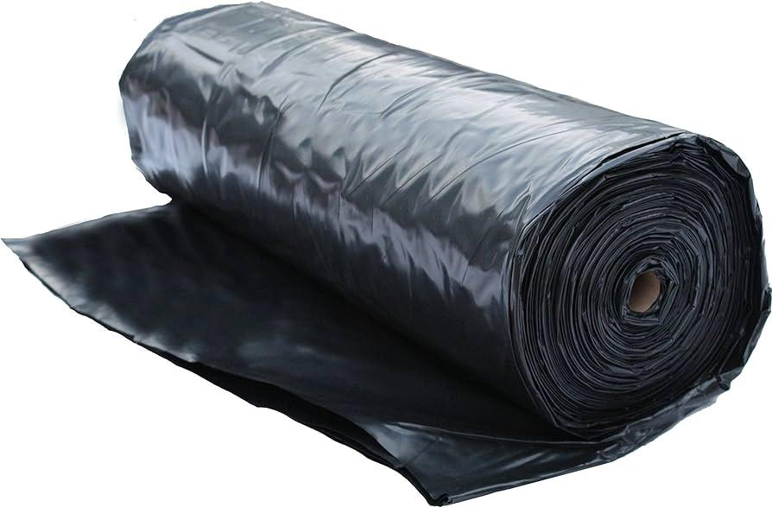
 | Concrete Finisher | Curing concrete slab (1m x 1m)
 | Concrete Finisher | Curing concrete walkway (2m x 3m)
 | Concrete Finisher | Edging tool |  |  | 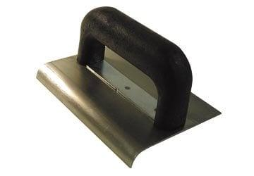
 | Concrete Finisher | Jointer |  |  | 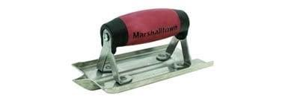
 | Concrete Finisher | Straightedge |  |  | 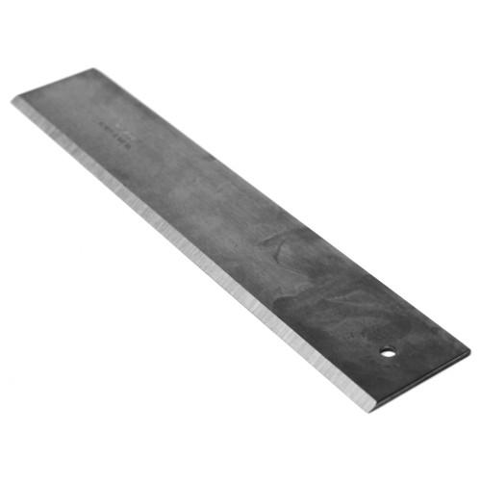
 | Concrete Finisher | Curing concrete footing (1.5m x 1.5m)
 | Concrete Finisher | Curing concrete slab (0.5m x 0.5m)
 | Concrete Finisher | Curing concrete driveway (3m x 3m)
 | Concrete Finisher | Concrete broom |  |  | 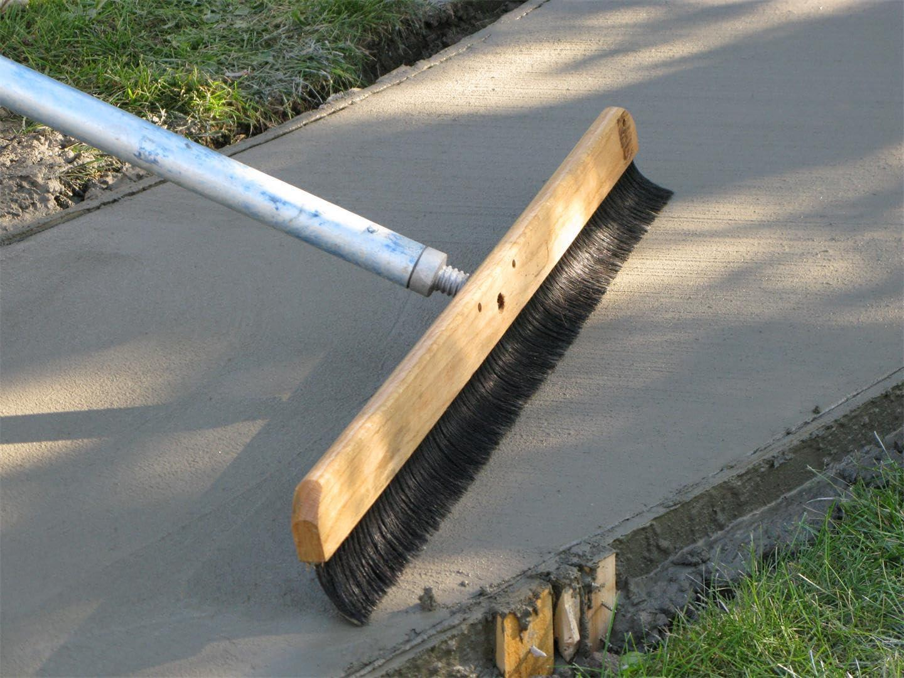
 | Concrete Finisher | Magnesium float |  |  | 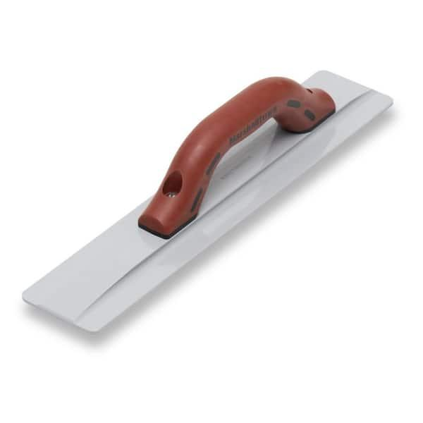
 | Concrete Finisher | Curing compound |  |  | 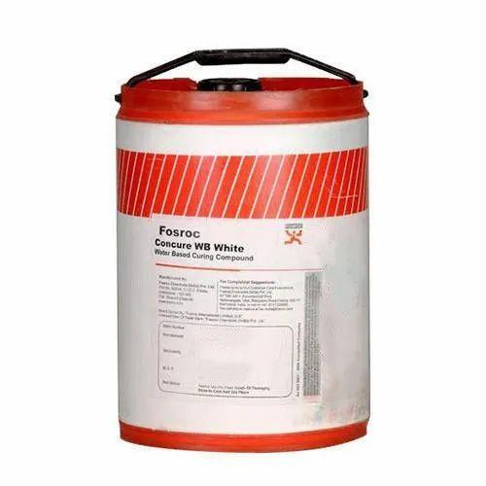
 | Concrete Finisher | Stamping mats |  |  | 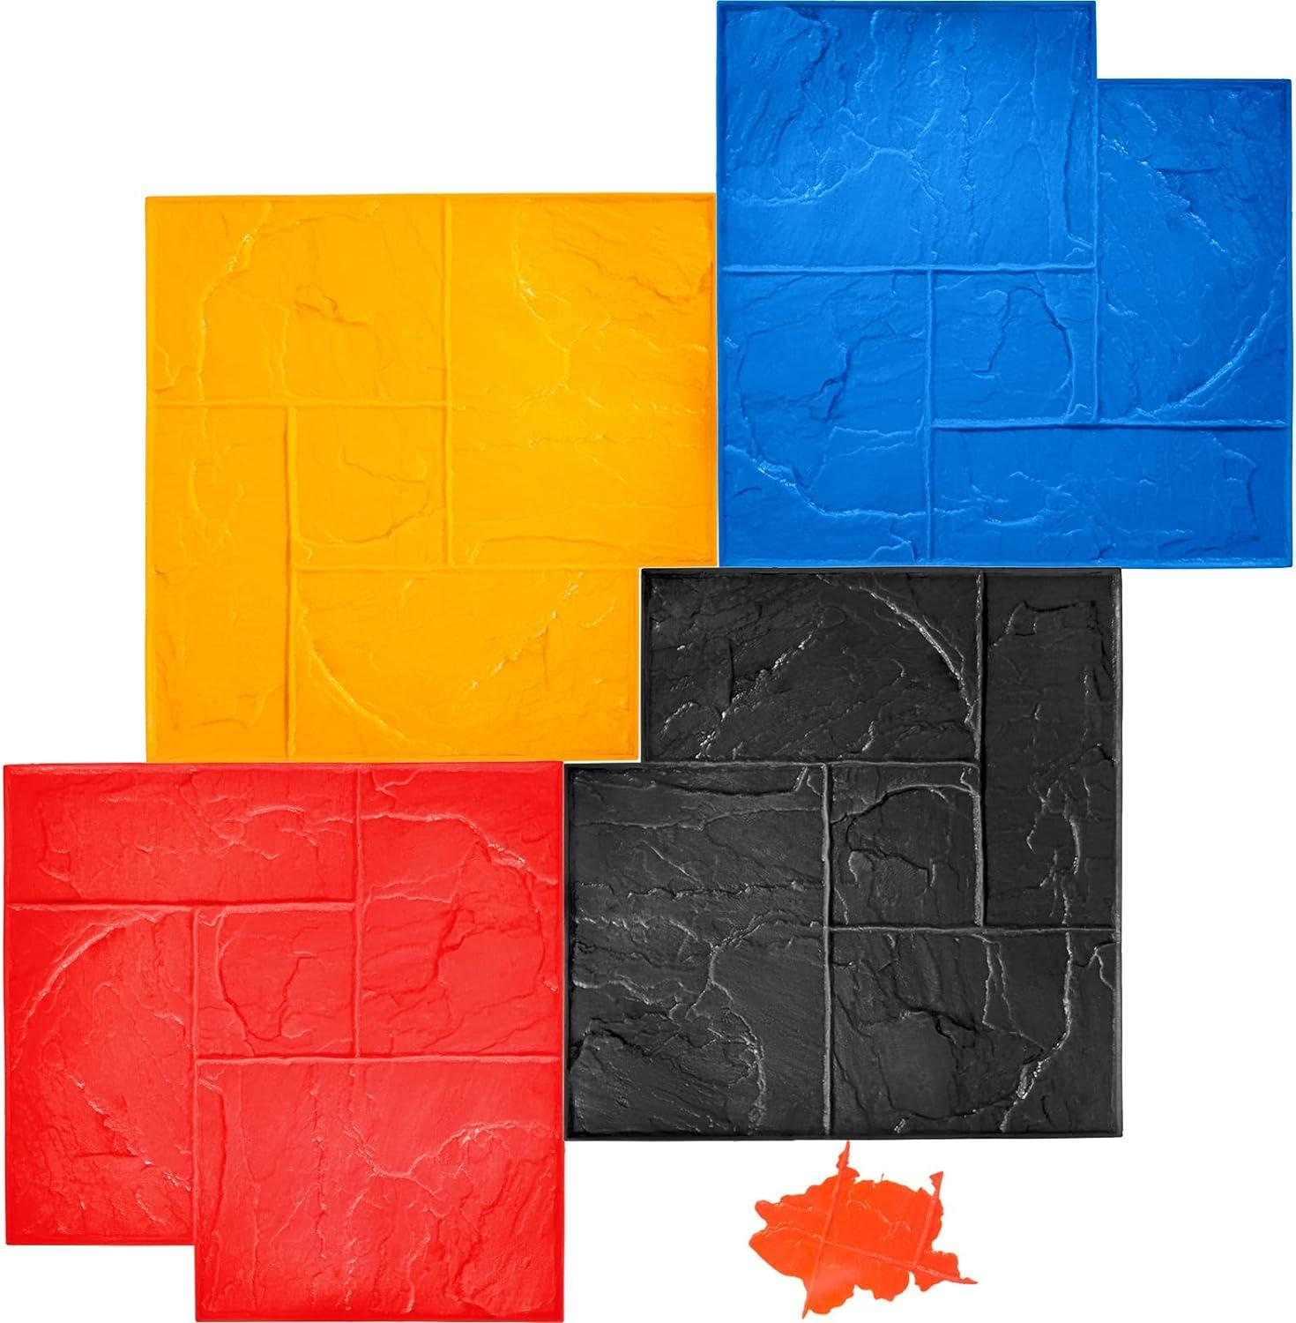
 | Concrete Finisher | Color hardener |  |  | 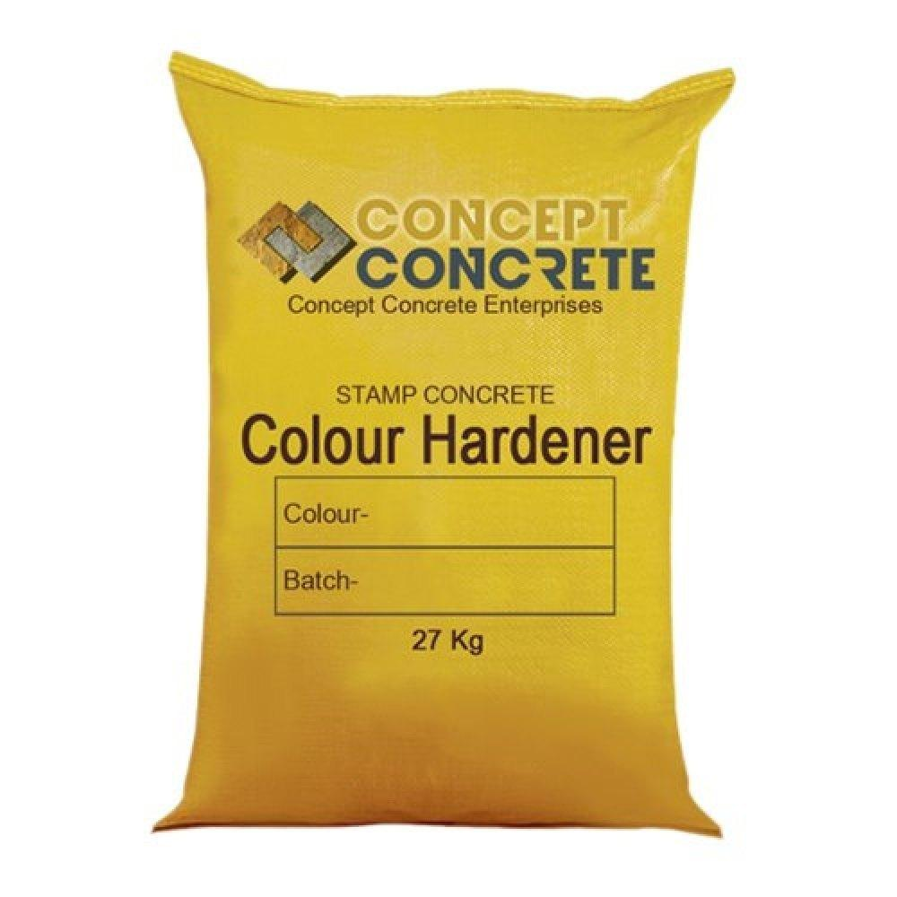
 | Concrete Finisher | Curing compound (acrylic-based) |  |  | 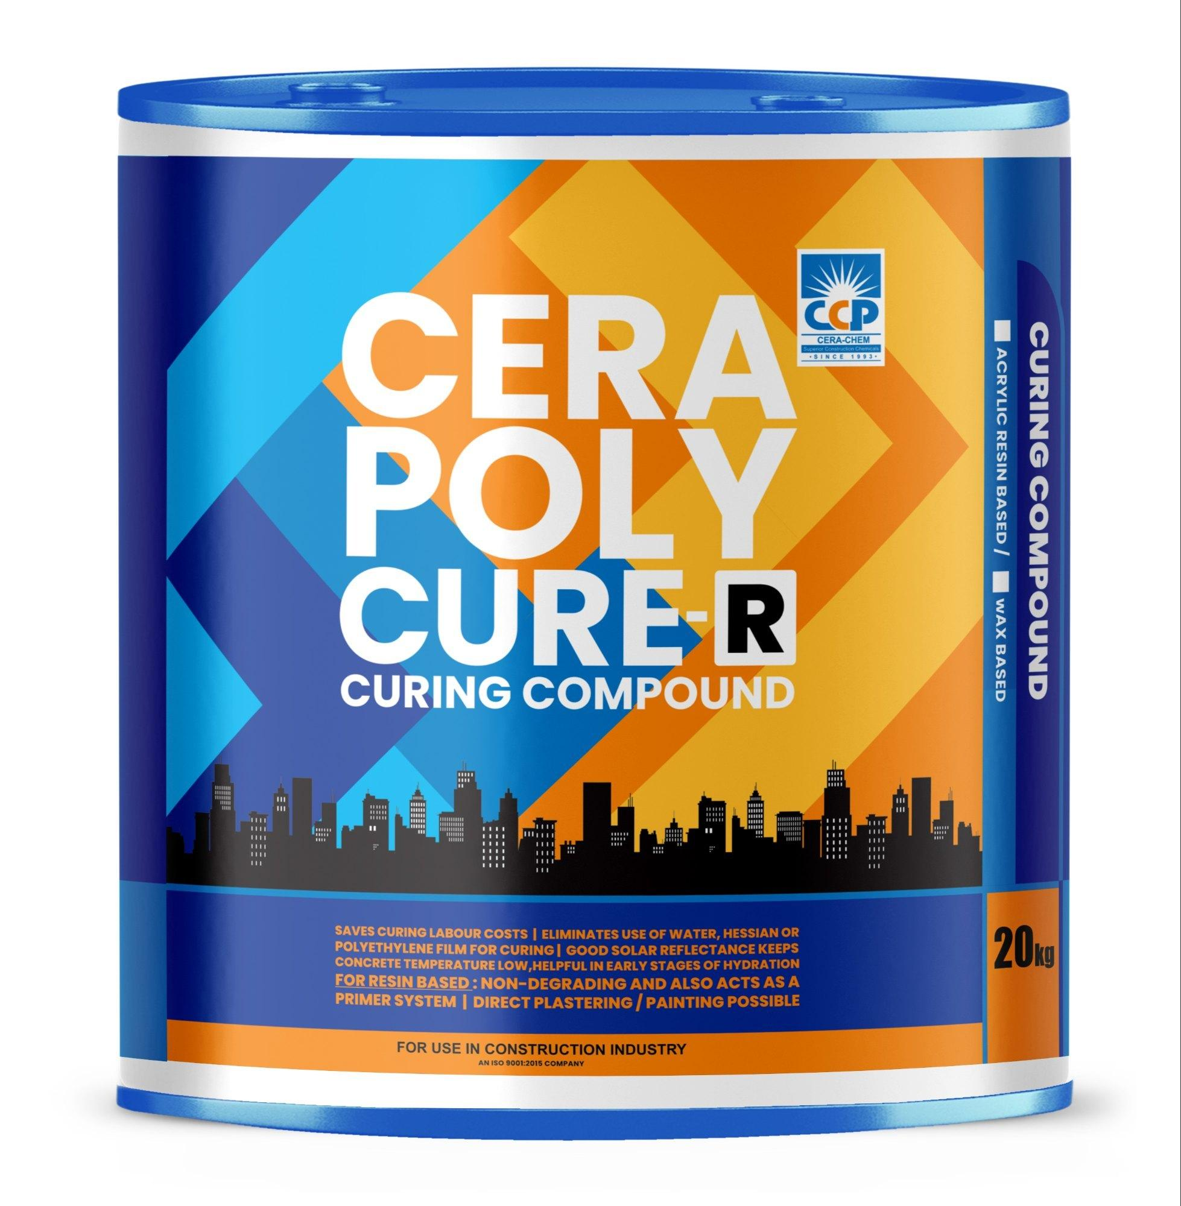
 | Concrete Finisher | Sprayer |  |  | 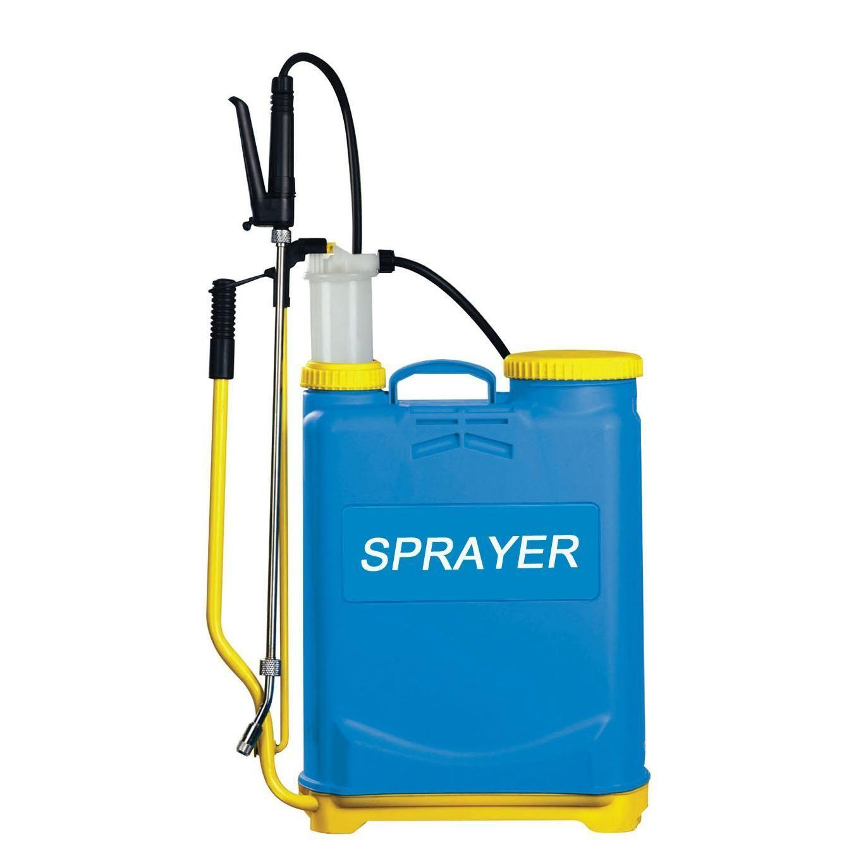
 | Concrete Finisher | Curing compound (wax-based)
 | Concrete Finisher | Sodium silicate curing compound
 | Concrete Finisher | Surface retarder |  |  | 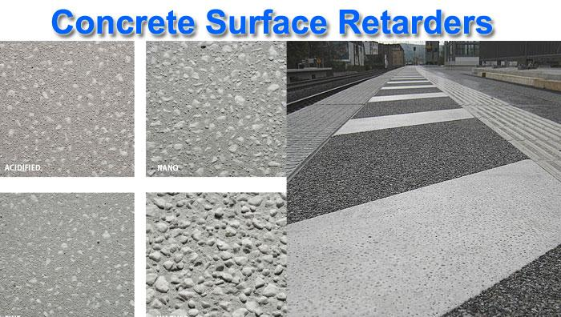
 | Concrete Finisher | Pressure washer |  |  | 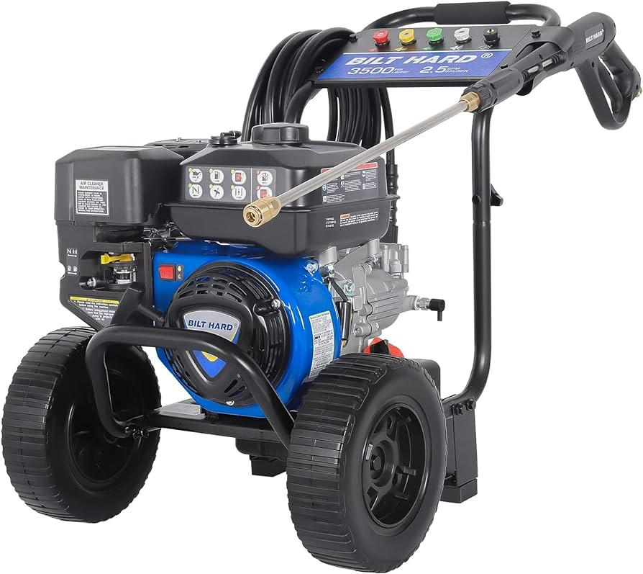
 | Concrete Finisher | Curing compound (synthetic resin)
 | Concrete Finisher | High-strength Portland cement |  |  | 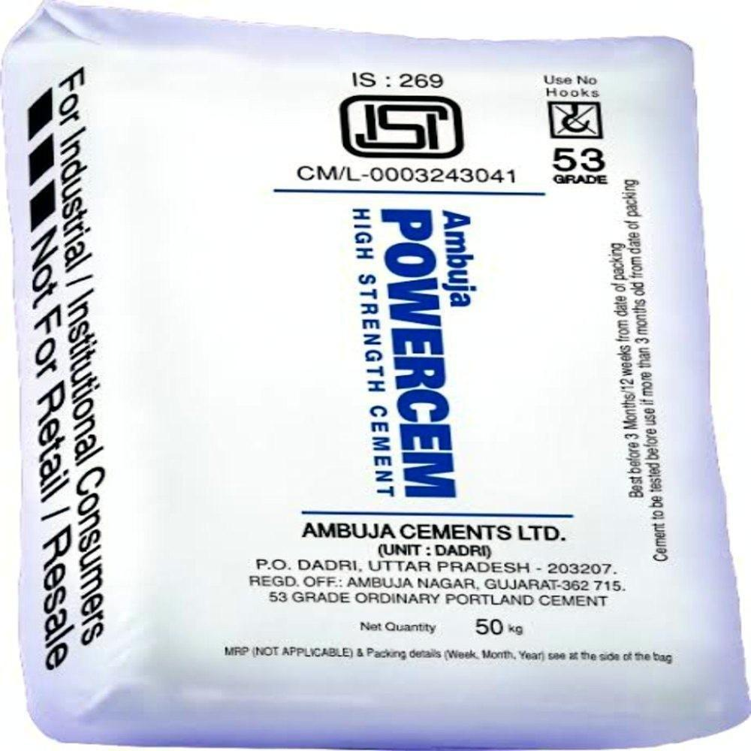
 | Concrete Finisher | Coarse aggregate (crushed stone) |  |  | 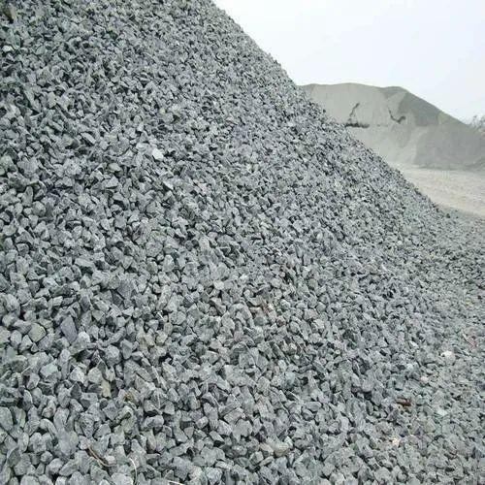
 | Concrete Finisher | Superplasticizer |  |  | 
 | Concrete Finisher | Mixing container or concrete mixer (as per preference)
 | Concrete Finisher | Measuring tools |  |  | 
 | Concrete Finisher | Air-entraining agent |  |  | 
 | Concrete Finisher | Recycled aggregate |  |  | 
 | Concrete Finisher | Fly ash |  |  | 
 | Concrete Finisher | Fine sand
 | Concrete Finisher | Ready-mix concrete
 | Concrete Finisher | Hydraulic cement |  |  | 
 | Concrete Finisher | Wire brush |  |  | 
 | Concrete Finisher | Polymer-modified concrete mix |  |  | 
 | Concrete Finisher | Expansion joint material (asphalt-impregnated fiberboard, foam, rubber)
 | Concrete Finisher | Adhesive |  |  | 
 | Concrete Finisher | Steel dowels |  |  | 
 | Concrete Finisher | Dowel sleeves |  |  | 
 | Concrete Finisher | Hand-held vibrator |  |  | 
 | Concrete Finisher | Early-entry saw |  |  | 
 | Concrete Finisher | Chalk line |  |  | 
 | Concrete Finisher | Grooving tool |  |  | 
 | Concrete Finisher | Broom |  |  | 
 | Concrete Finisher | Dustpan |  |  | 
 | Concrete Finisher | Cleaning cloths |  |  | 
 | Concrete Finisher | Buckets |  |  | 
 | Concrete Finisher | Mild detergent
 | Concrete Finisher | Vacuum cleaner |  |  | 
 | Concrete Finisher | Sealant |  |  | 
 | Concrete Finisher | Waterproofing membrane |  |  | 
 | Concrete Finisher | Rollers |  |  | 
 | Concrete Finisher | Triangular/trapezoidal profiles
 | Concrete Finisher | Alignment tools/ Finishing tools
 | Concrete Finisher | Formwork elements
 | Concrete Finisher | Bracing materials |  |  | 
 | Concrete Finisher | Stability checking tools (level, plumb bob) |  |  | 
 | Concrete Finisher | Separators |  |  | 
 | Concrete Finisher | Smoothing gauges
 | Concrete Finisher | Infrared thermometer |  |  | 
 | Concrete Finisher | Sandbags |  |  | 
 | Concrete Finisher | Water hose |  |  | 
 | Concrete Finisher | Vibration dampening mats |  |  | 
 | Concrete Finisher | Concrete resurfacer
 | Concrete Finisher | Concrete patching compound
 | Concrete Finisher | Chisel |  |  | 
 | Concrete Finisher | Concrete caulk |  |  | 
 | Concrete Finisher | Concrete bonding primer
 | Concrete Finisher | Paint roller |  |  | 
 | Concrete Finisher | Concrete cylinder molds |  |  | 
 | Concrete Finisher | Tamping rod |  |  | 
 | Concrete Finisher | Scoop |  |  | 
 | Concrete Finisher | Strike-off plate |  |  | 
 | Concrete Finisher | Curing tank |  |  | 
 | Concrete Finisher | Compression testing machine |  |  | 
 | Concrete Finisher | Rebound hammer |  |  | 
 | Concrete Finisher | Smooth concrete surface
 | Concrete Finisher | Penetration resistance probe
 | Concrete Finisher | Measuring device |  |  | 
 | Concrete Finisher | Ultrasonic pulse velocity device |  |  | 
 | Concrete Finisher | Coupling agent
 | Concrete Finisher | Concrete core drill
 | Concrete Finisher | Plastic bags |  |  | 
 | Concrete Finisher | Pullout test apparatus
 | Concrete Finisher | Pullout insert
 | Concrete Finisher | Wireless maturity sensors
 | Concrete Finisher | Data logger

