Construction Formwork Carpenter
Sector name | Occupation name | Equipment name | Minimum number of equipment required (per batch of 30 trainees) | Unit type | Images
 | Construction Formwork Carpenter | Circular Saw |  |  | 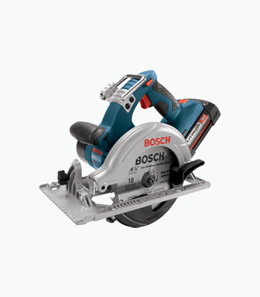
 | Construction Formwork Carpenter | Chisels |  |  | 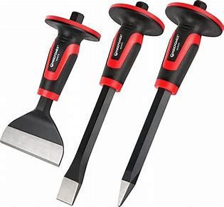
 | Construction Formwork Carpenter | Drills |  |  | 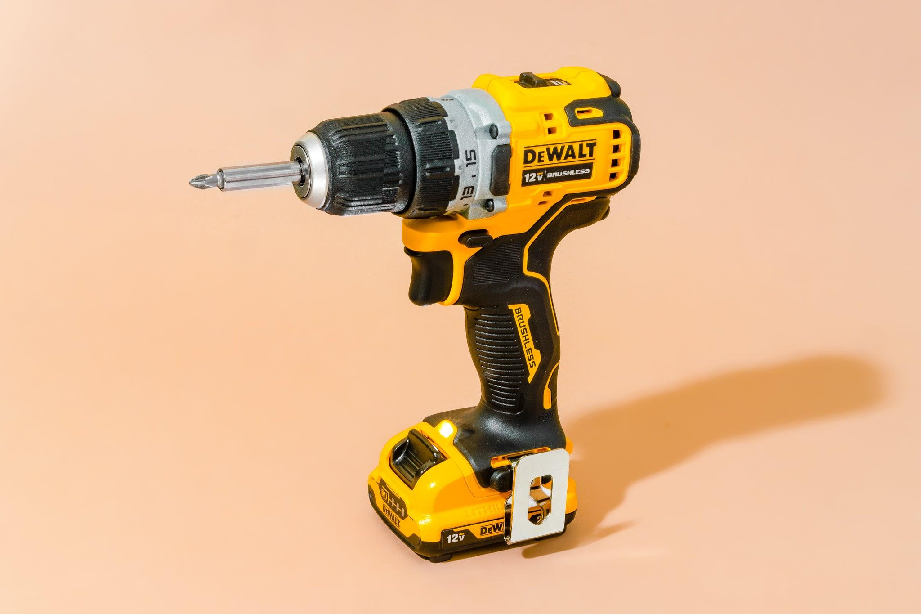
 | Construction Formwork Carpenter | Clamps |  |  | 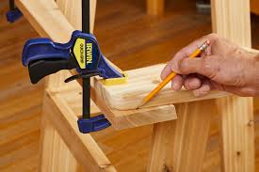
 | Construction Formwork Carpenter | Hand Saw
 | Construction Formwork Carpenter | Plywood sheets |  |  | 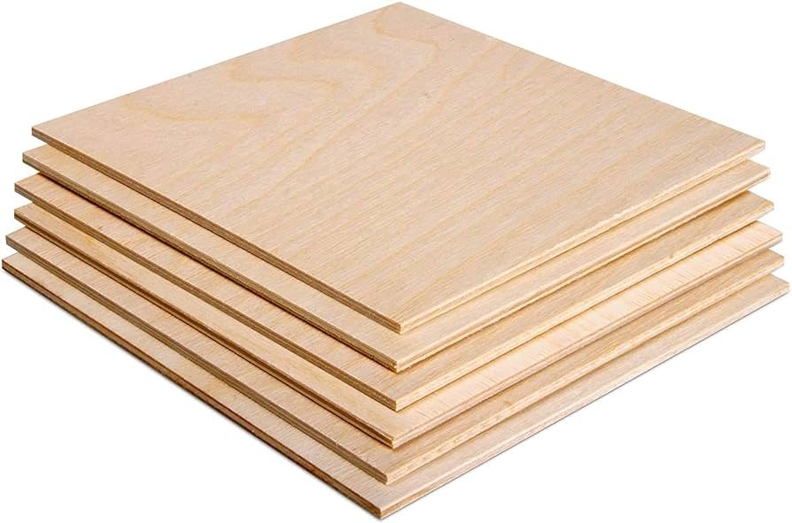
 | Construction Formwork Carpenter | Supporting rods |  |  | 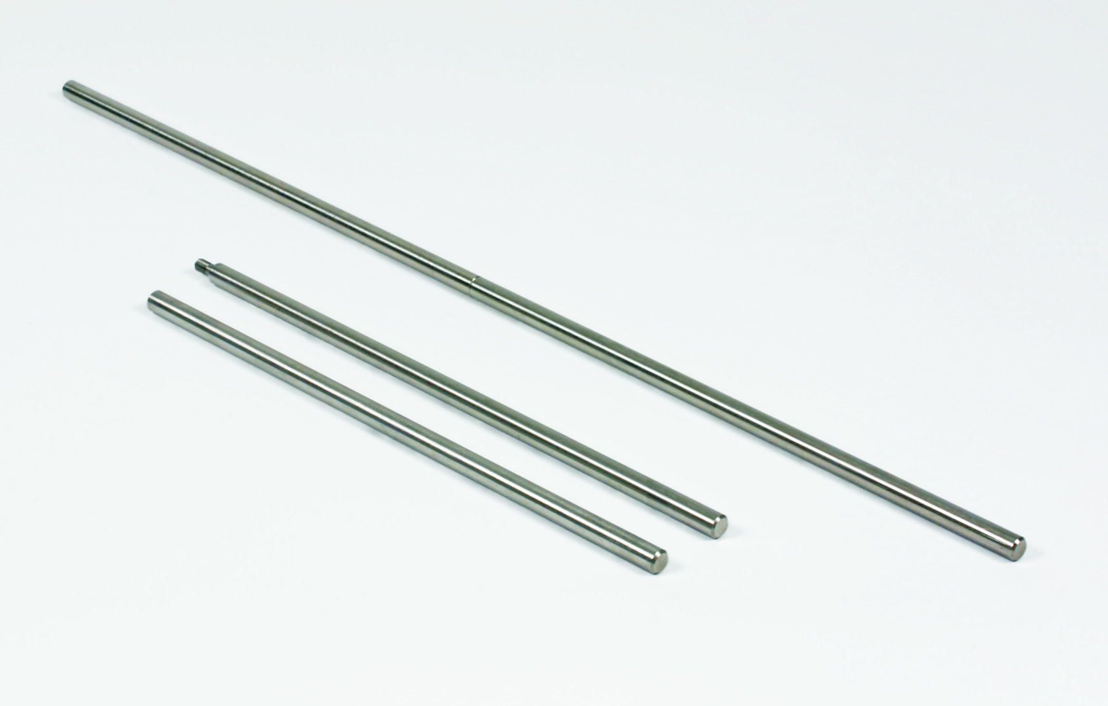
 | Construction Formwork Carpenter | Pry bar |  |  | 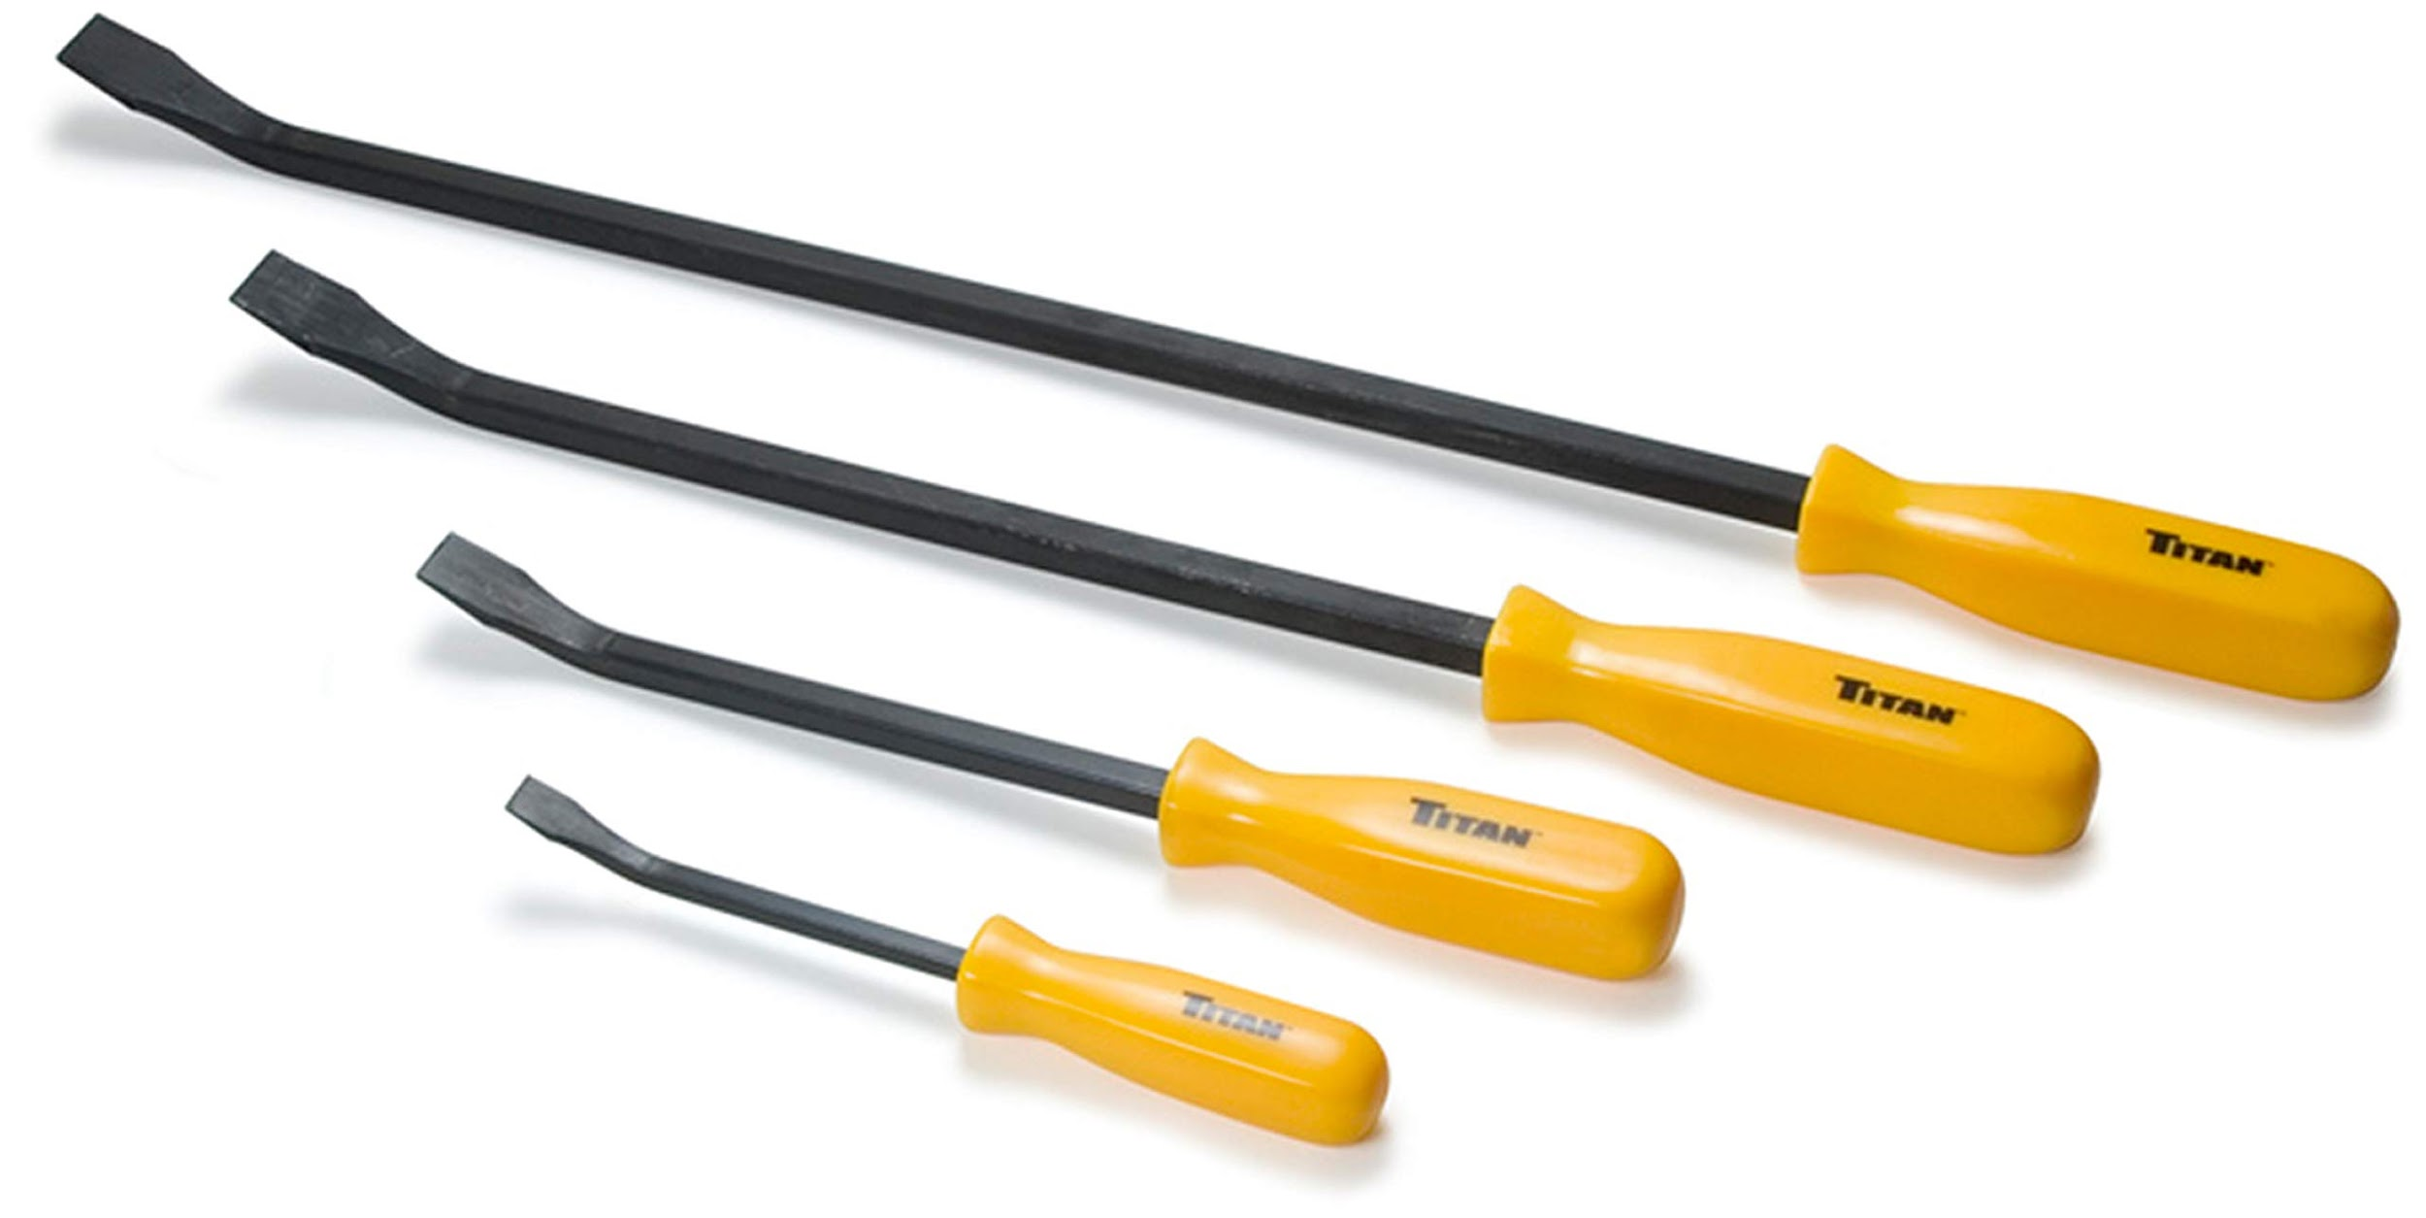
 | Construction Formwork Carpenter | Cleanup rags |  |  | 
 | Construction Formwork Carpenter | Caliper |  |  | 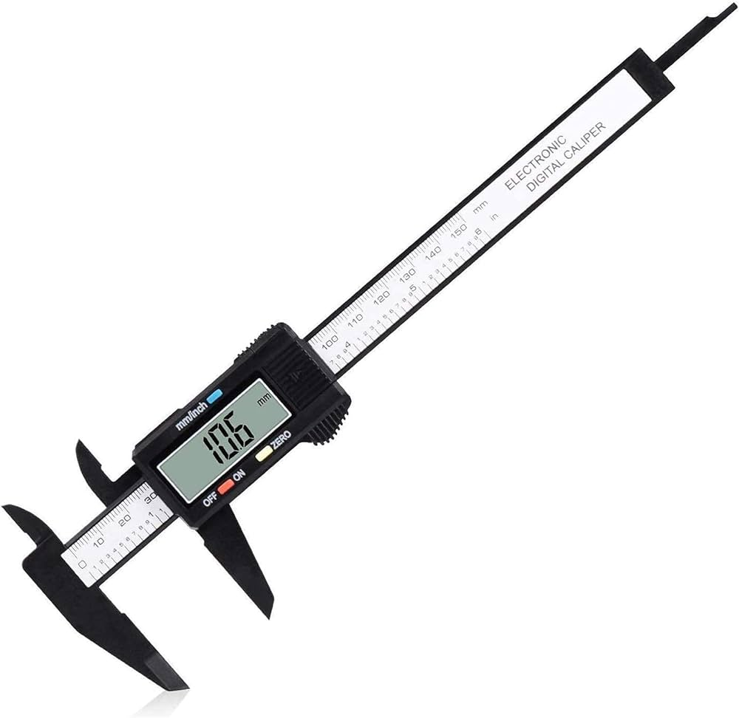
 | Construction Formwork Carpenter | Pen |  |  | 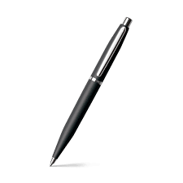
 | Construction Formwork Carpenter | Panel saw |  |  | 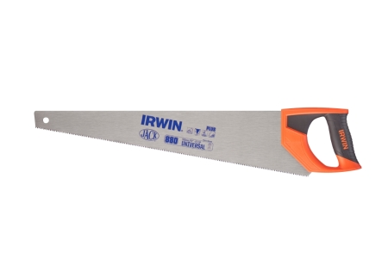
 | Construction Formwork Carpenter | Timber beams |  |  | 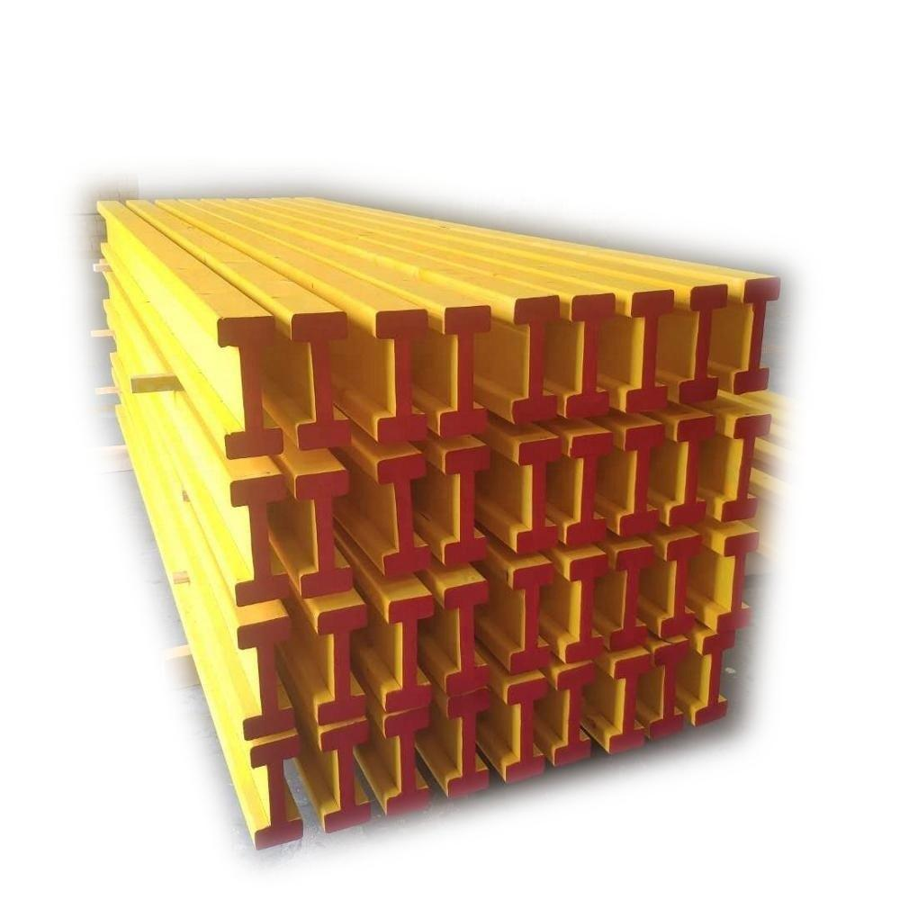
 | Construction Formwork Carpenter | Formwork panels |  |  | 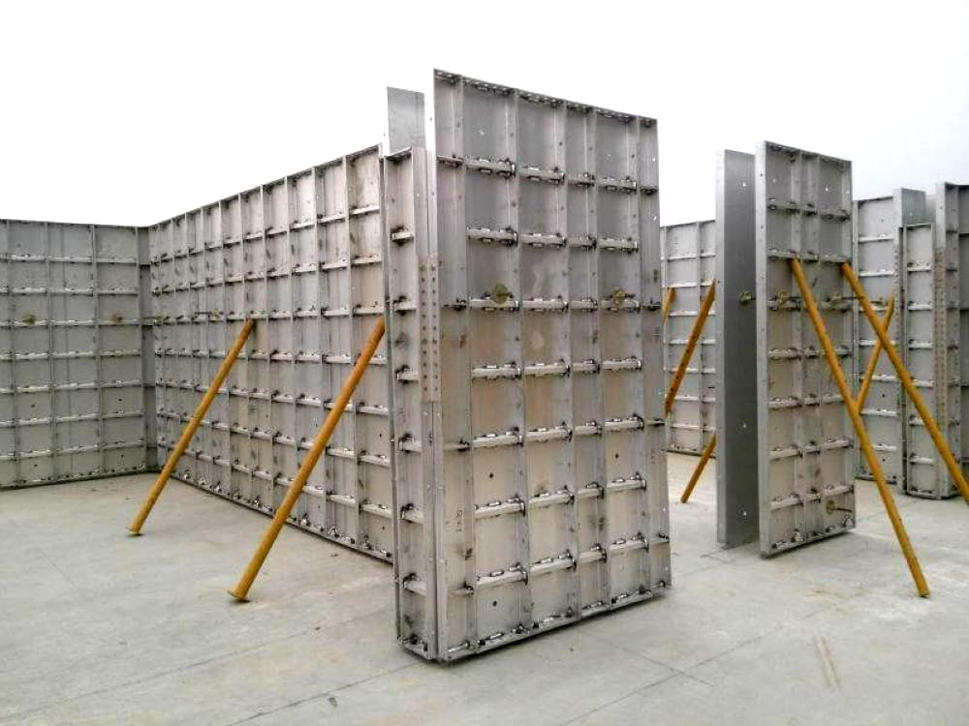
 | Construction Formwork Carpenter | Allen Keys |  |  | 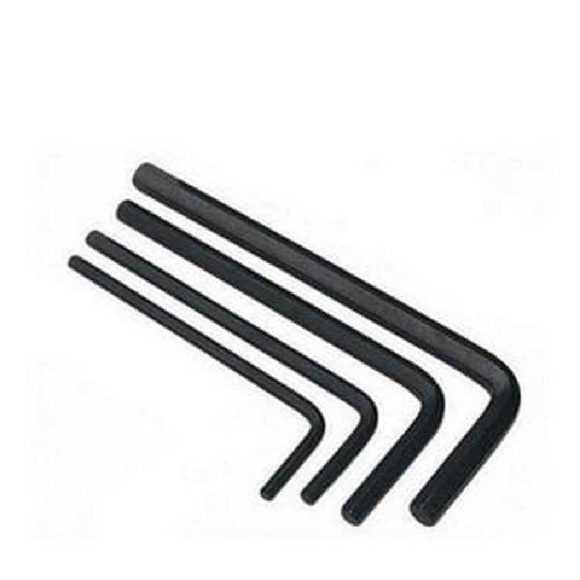
 | Construction Formwork Carpenter | Power Drill |  |  | 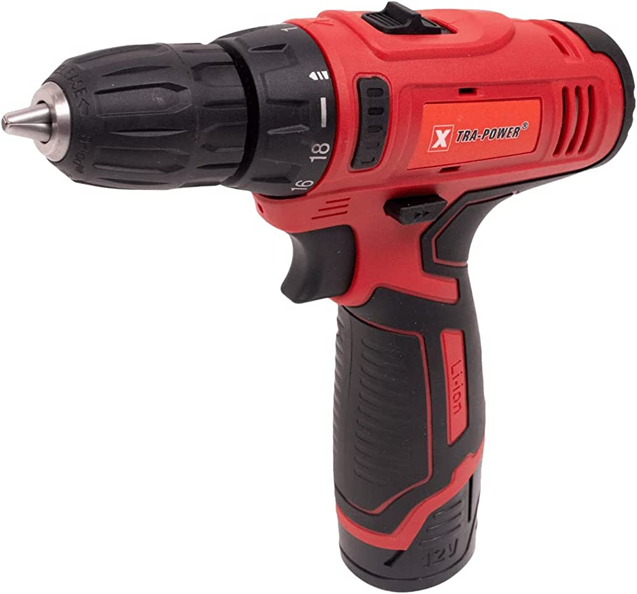
 | Construction Formwork Carpenter | Shovel |  |  | 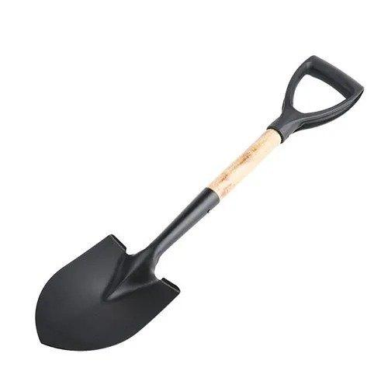
 | Construction Formwork Carpenter | Nails |  |  | 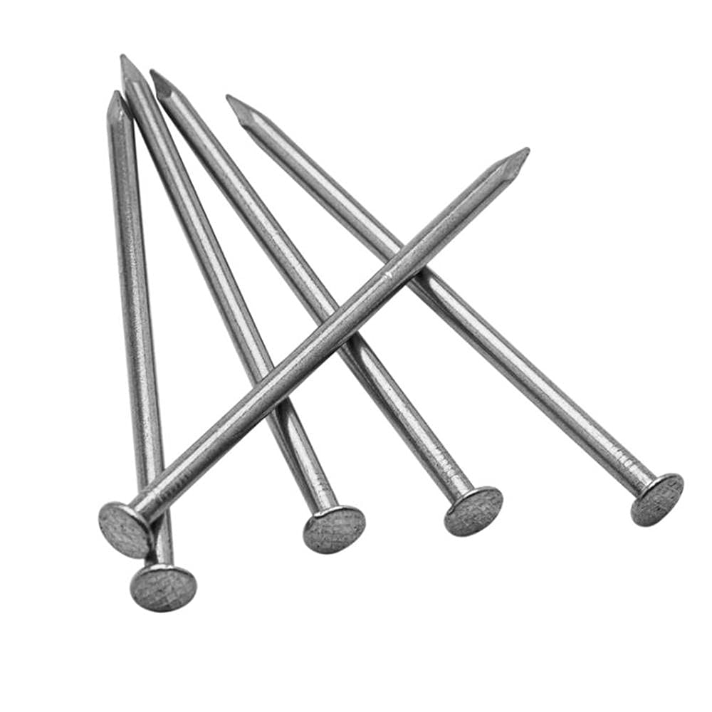
 | Construction Formwork Carpenter | Saw |  |  | 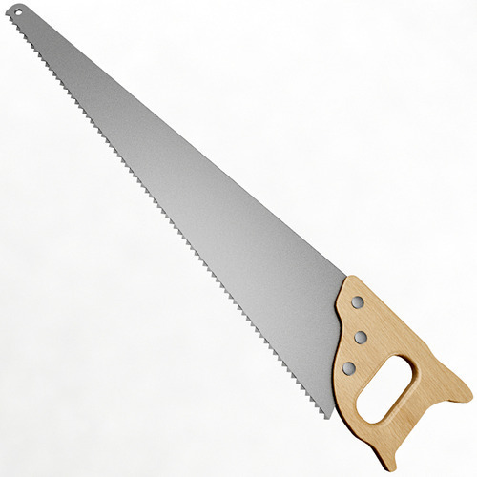
 | Construction Formwork Carpenter | Brush or roller |  |  | 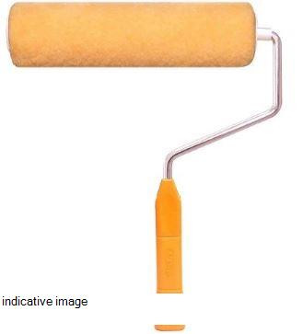
 | Construction Formwork Carpenter | Alignment pins |  |  | 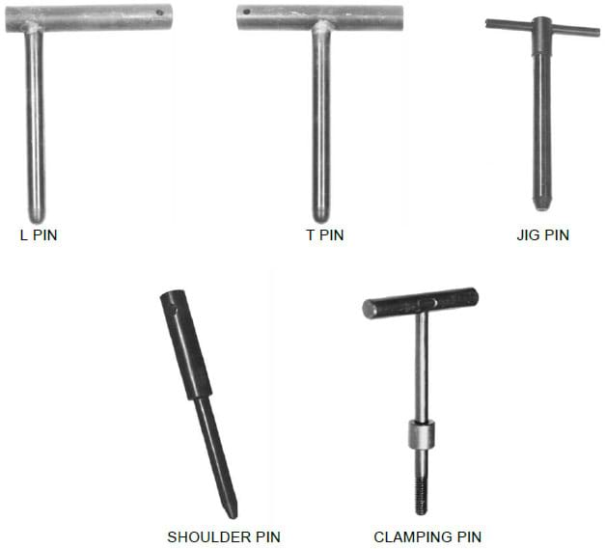
 | Construction Formwork Carpenter | Lubricant |  |  | 
 | Construction Formwork Carpenter | Jigsaw |  |  | 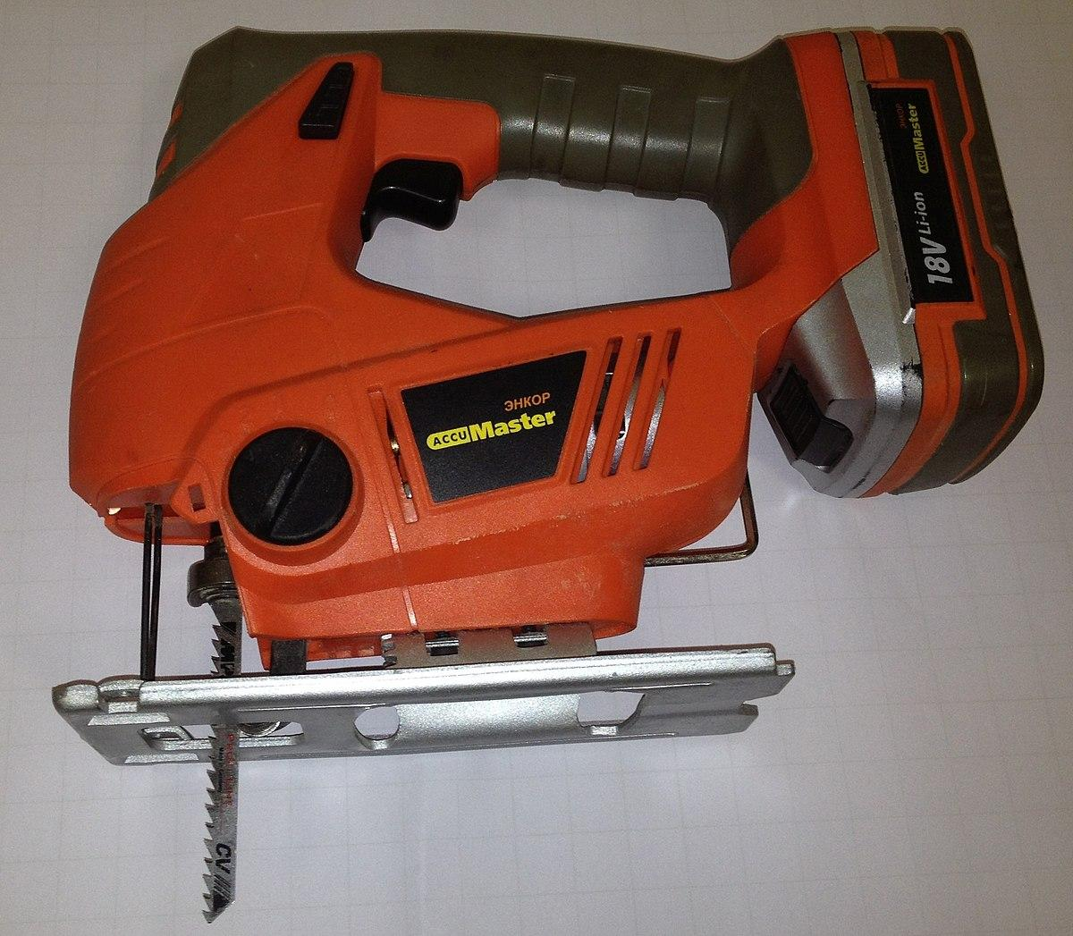
 | Construction Formwork Carpenter | Router |  |  | 
 | Construction Formwork Carpenter | Sanding paper |  |  | 
 | Construction Formwork Carpenter | Spirit level |  |  | 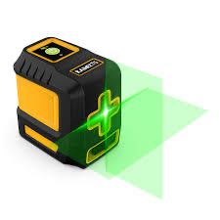
 | Construction Formwork Carpenter | Laser Level |  |  | 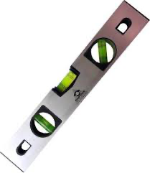
 | Construction Formwork Carpenter | Chalk Line |  |  | 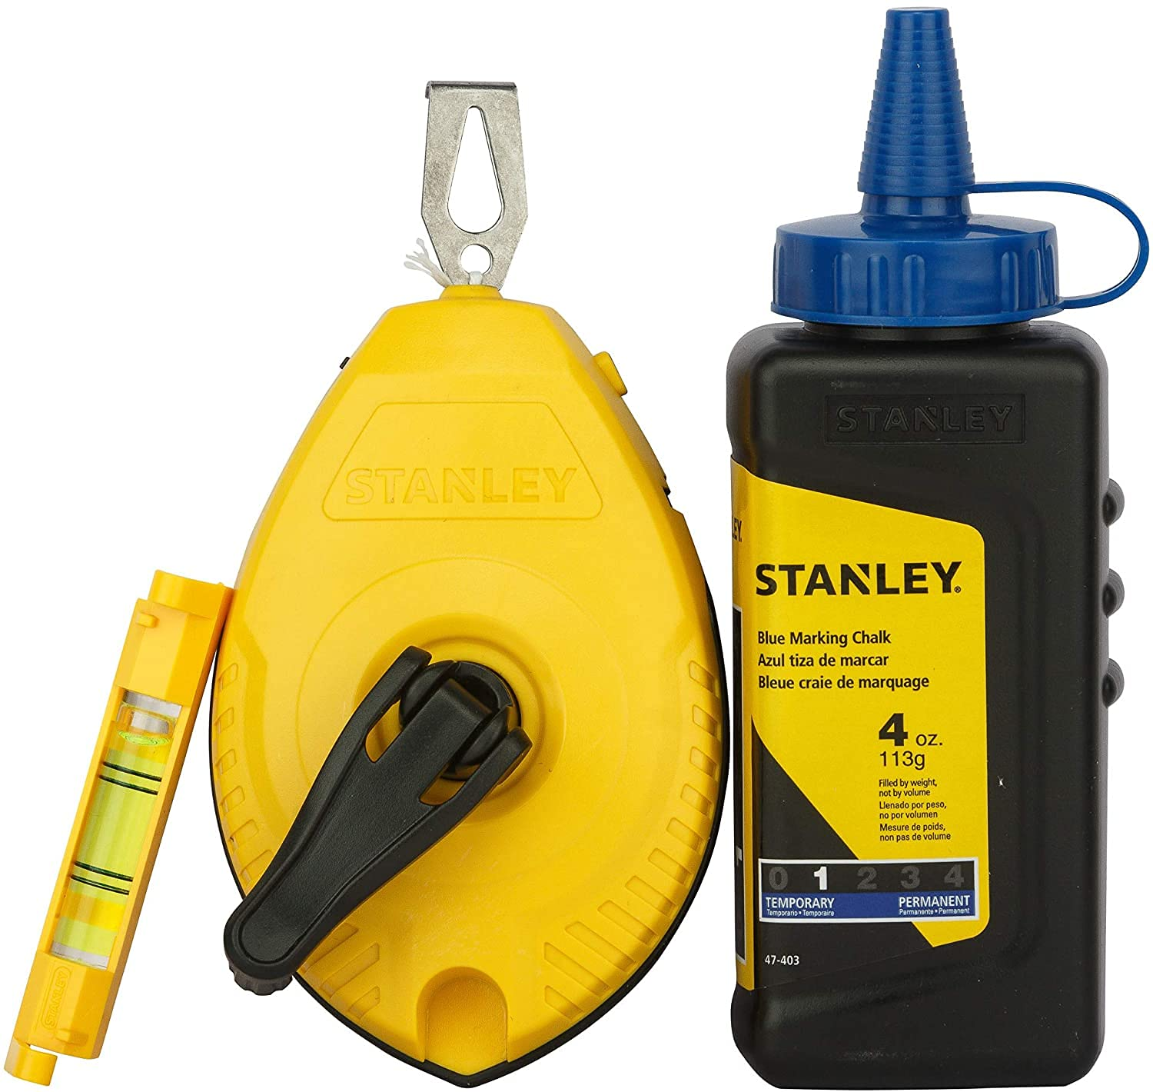
 | Construction Formwork Carpenter | Marker |  |  | 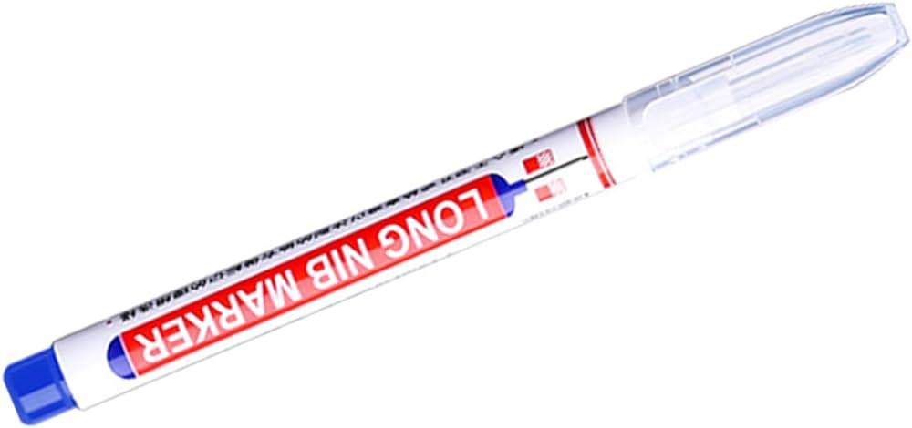
 | Construction Formwork Carpenter | Carpenter's Square |  |  | 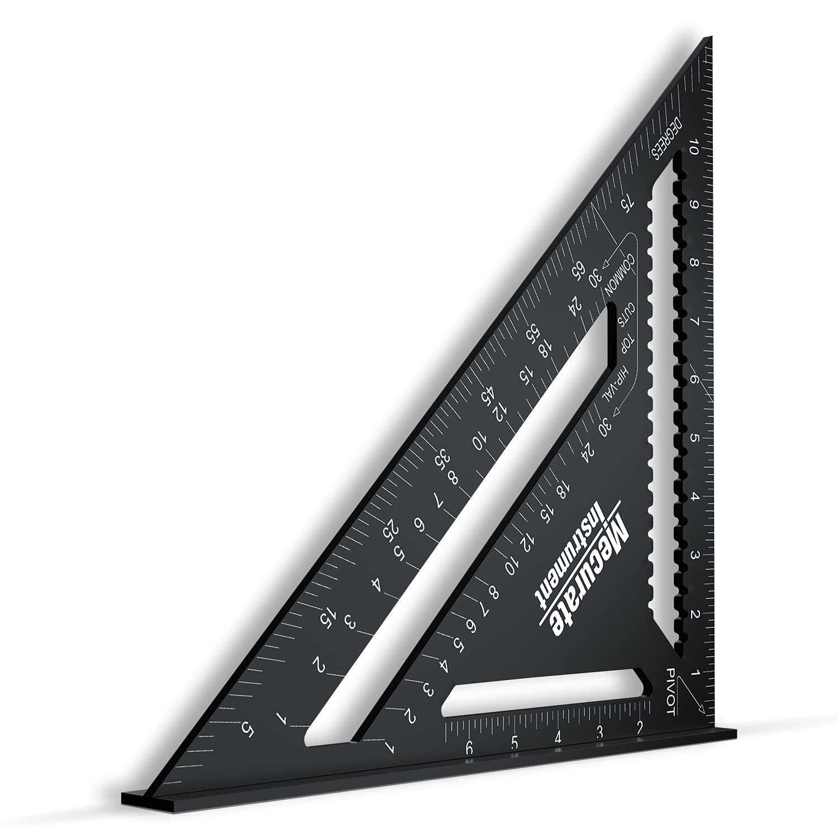
 | Construction Formwork Carpenter | Wood Planks |  |  | 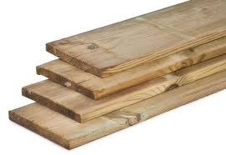
 | Construction Formwork Carpenter | Plumb Bob |  |  | 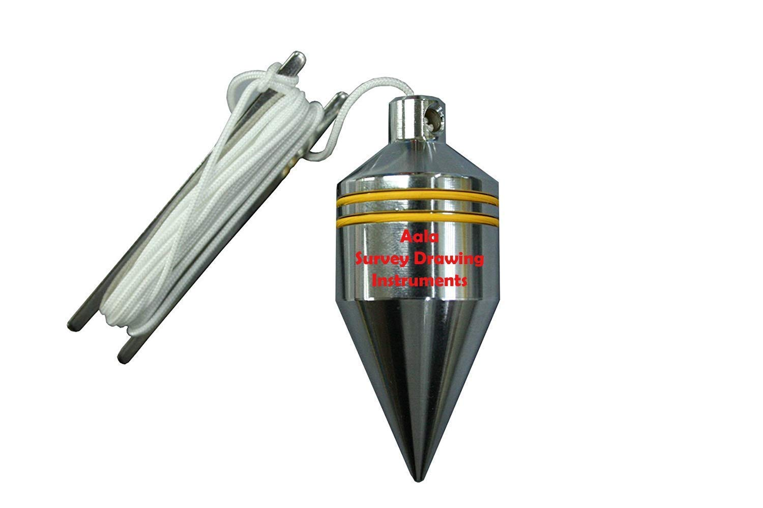
 | Construction Formwork Carpenter | Storage Containers |  |  | 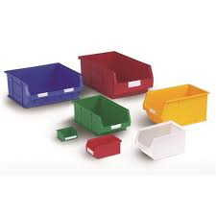
 | Construction Formwork Carpenter | Spray bottle or brush
 | Construction Formwork Carpenter | Hand Tools |  |  | 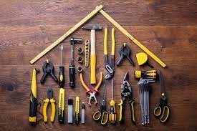
 | Construction Formwork Carpenter | Flashlight |  |  | 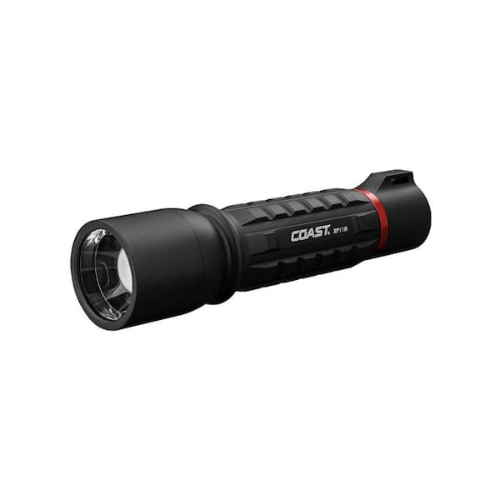
 | Construction Formwork Carpenter | Clipboard |  |  | 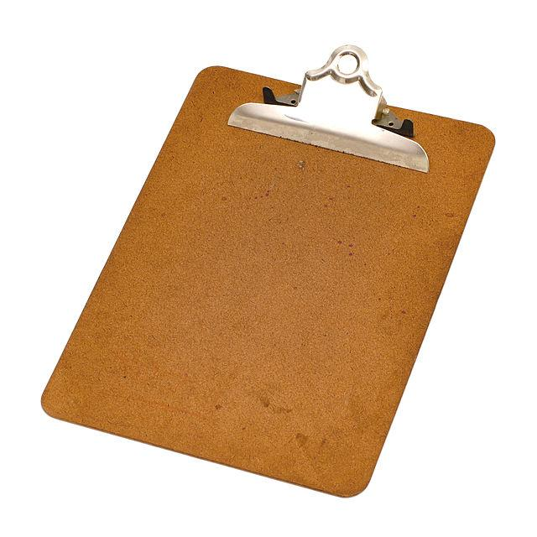
 | Construction Formwork Carpenter | Walkie-talkies |  |  | 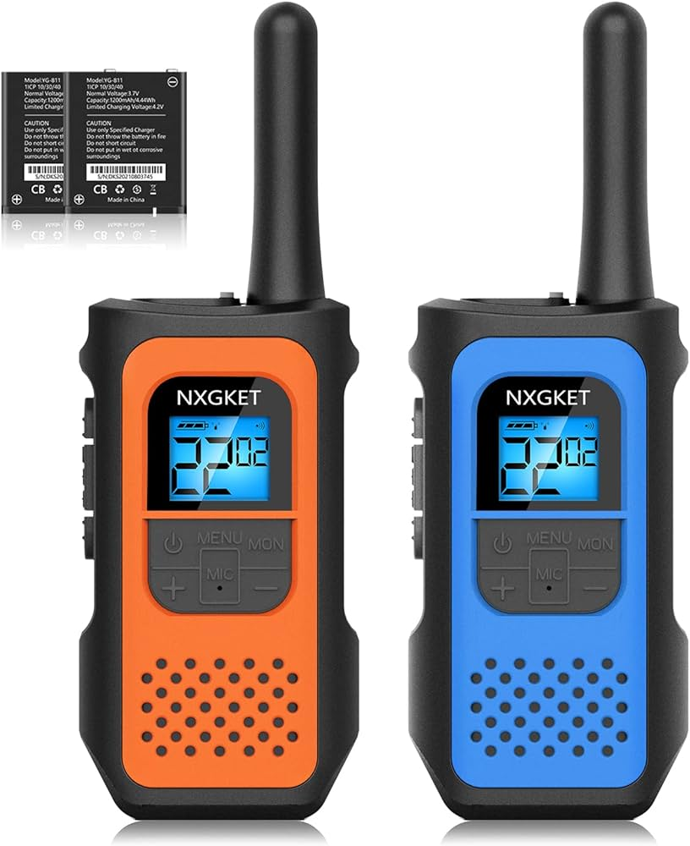
 | Construction Formwork Carpenter | Adjustment Toolkit |  |  | 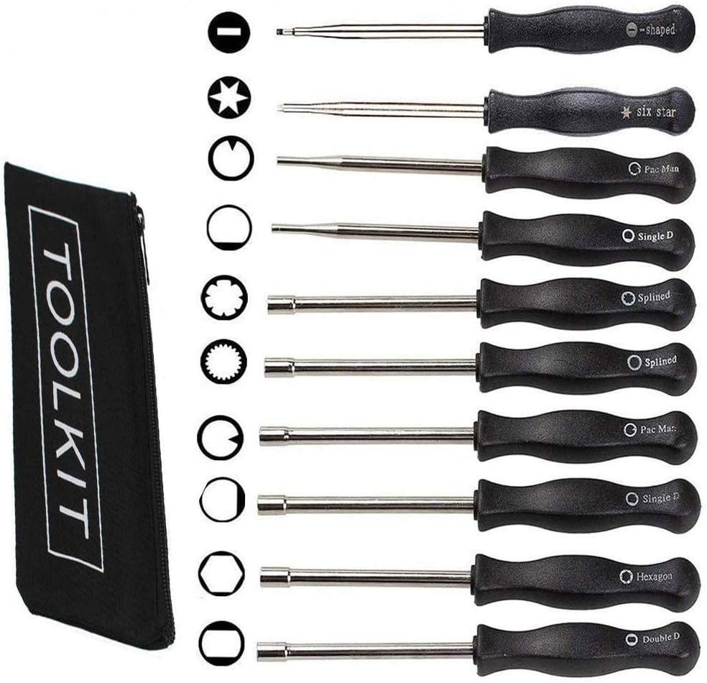
 | Construction Formwork Carpenter | Metal braces |  |  | 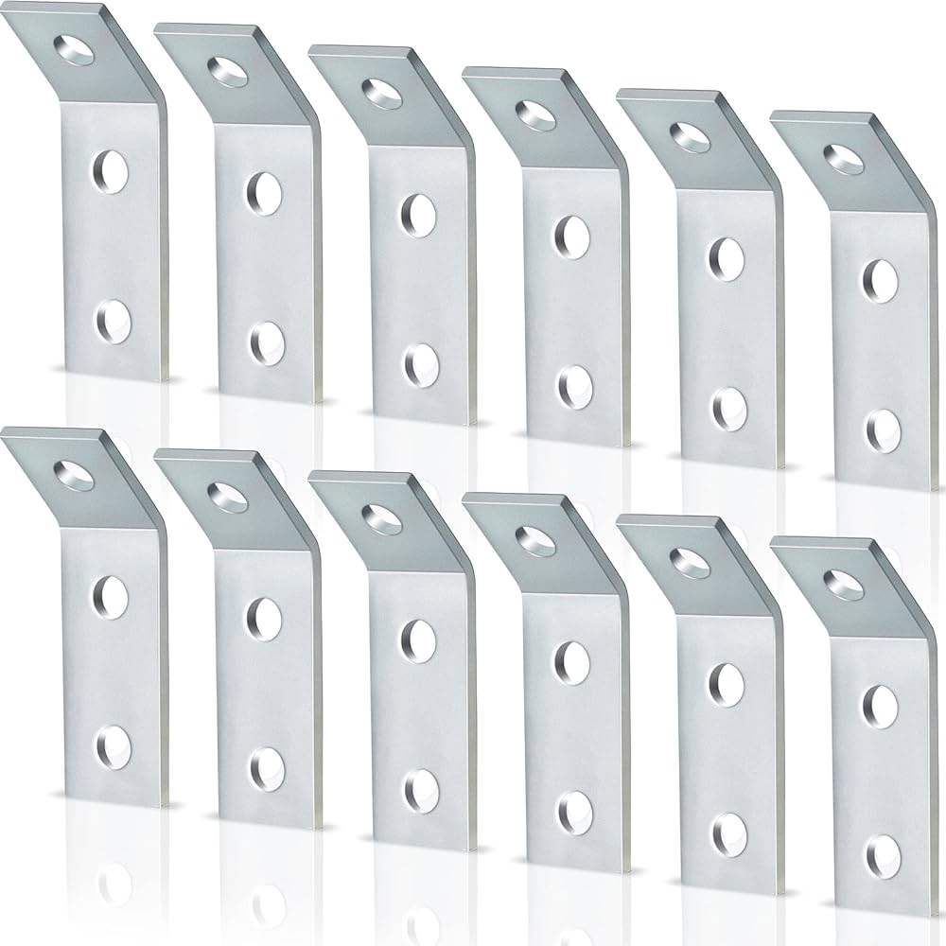
 | Construction Formwork Carpenter | Screws |  |  | 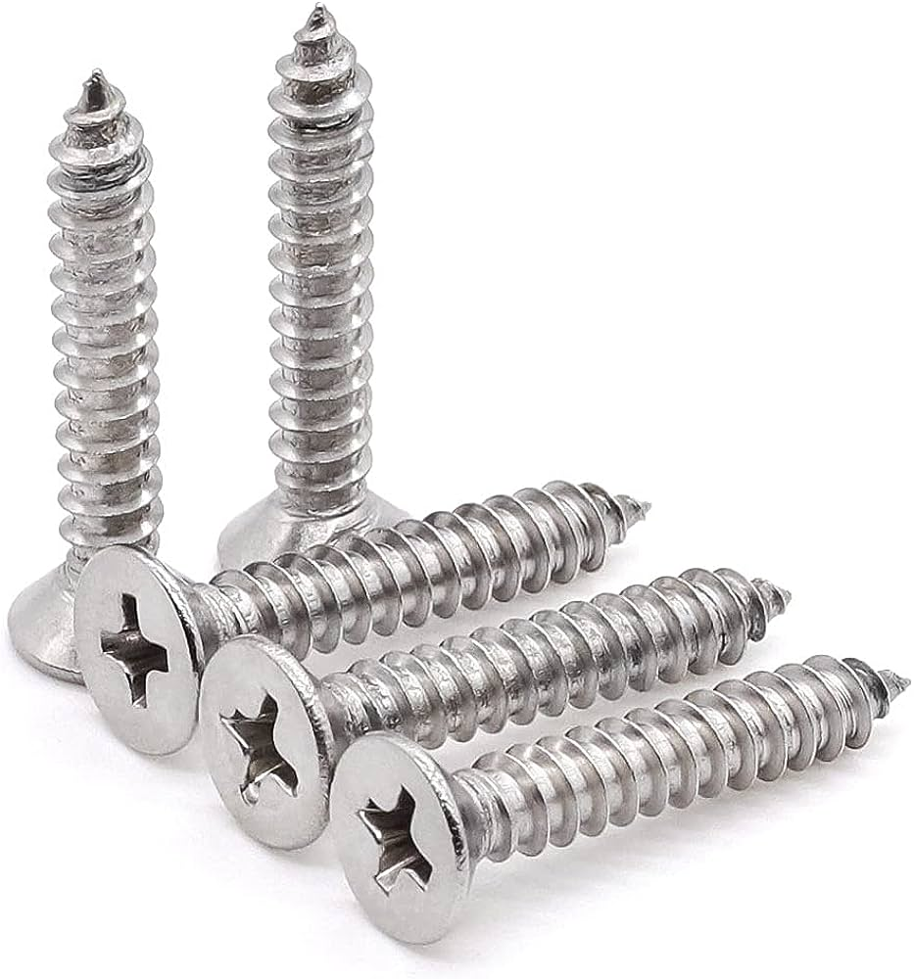
 | Construction Formwork Carpenter | Vertical Formwork Components |  |  | 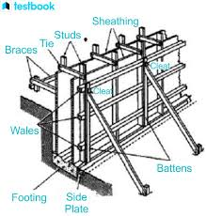
 | Construction Formwork Carpenter | Connecting Rods |  |  | 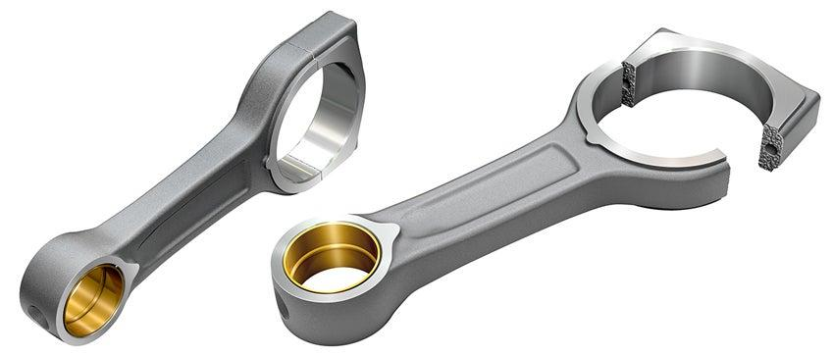
 | Construction Formwork Carpenter | Steel Pins |  |  | 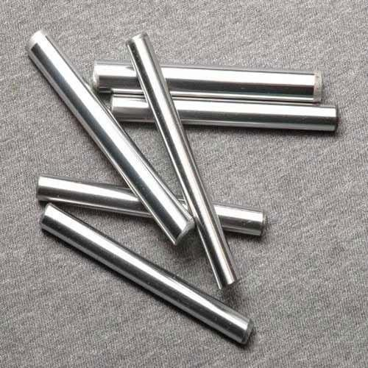
 | Construction Formwork Carpenter | Wooden Panels |  |  | 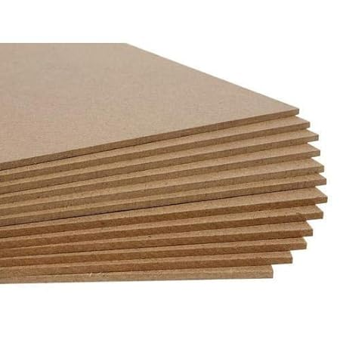
 | Construction Formwork Carpenter | Crowbar |  |  | 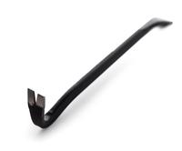
 | Construction Formwork Carpenter | Notebook |  |  | 
 | Construction Formwork Carpenter | Headphones |  |  | 
 | Construction Formwork Carpenter | Drill Bits |  |  | 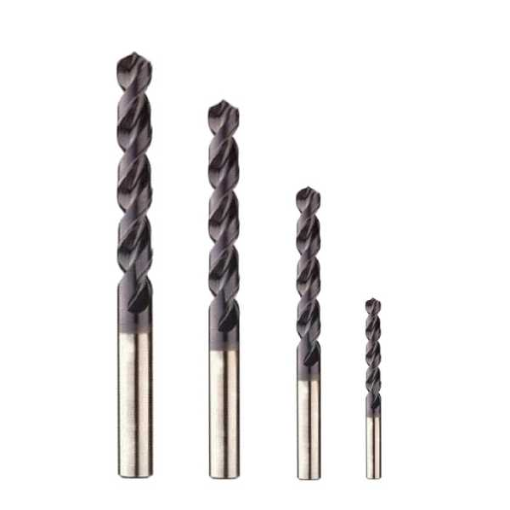
 | Construction Formwork Carpenter | Release Agent |  |  | 
 | Construction Formwork Carpenter | Application brush |  |  | 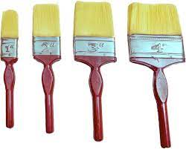
 | Construction Formwork Carpenter | System Formworks |  |  | 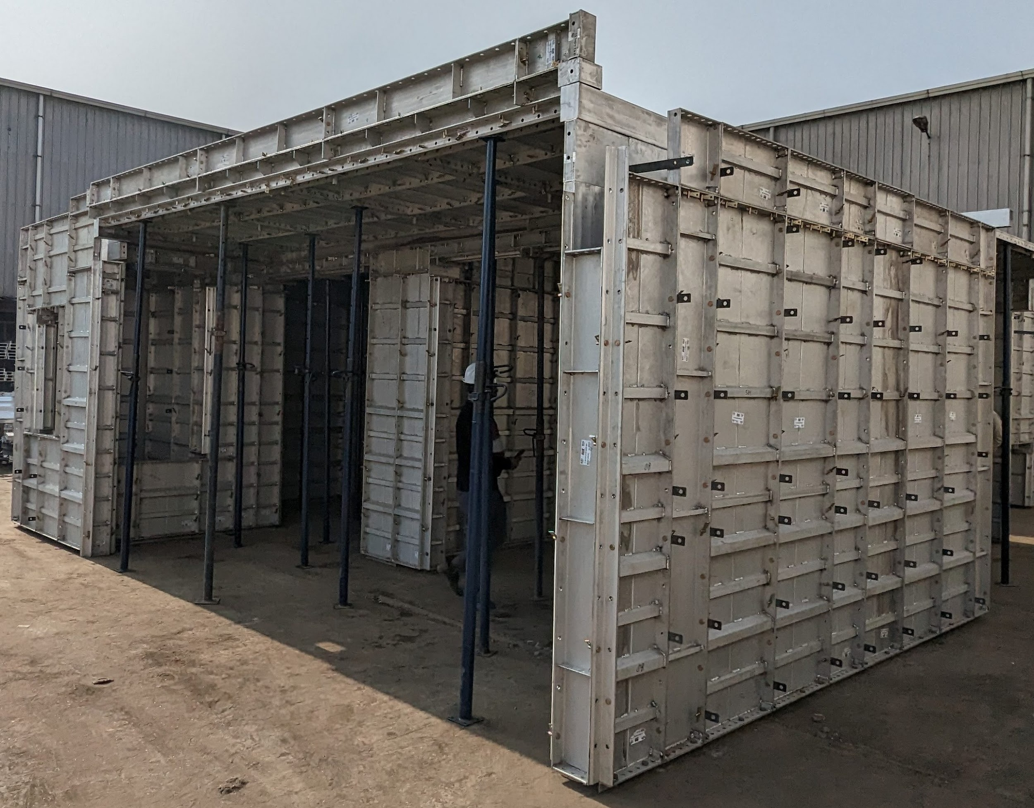
 | Construction Formwork Carpenter | Scaffolding kits |  |  | 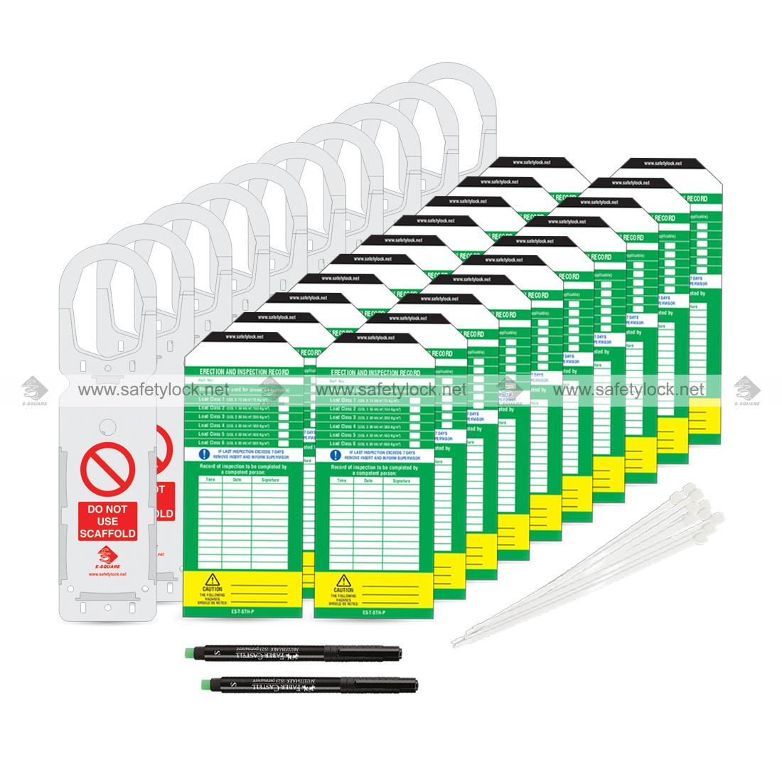
 | Construction Formwork Carpenter | Screwdriver |  |  | 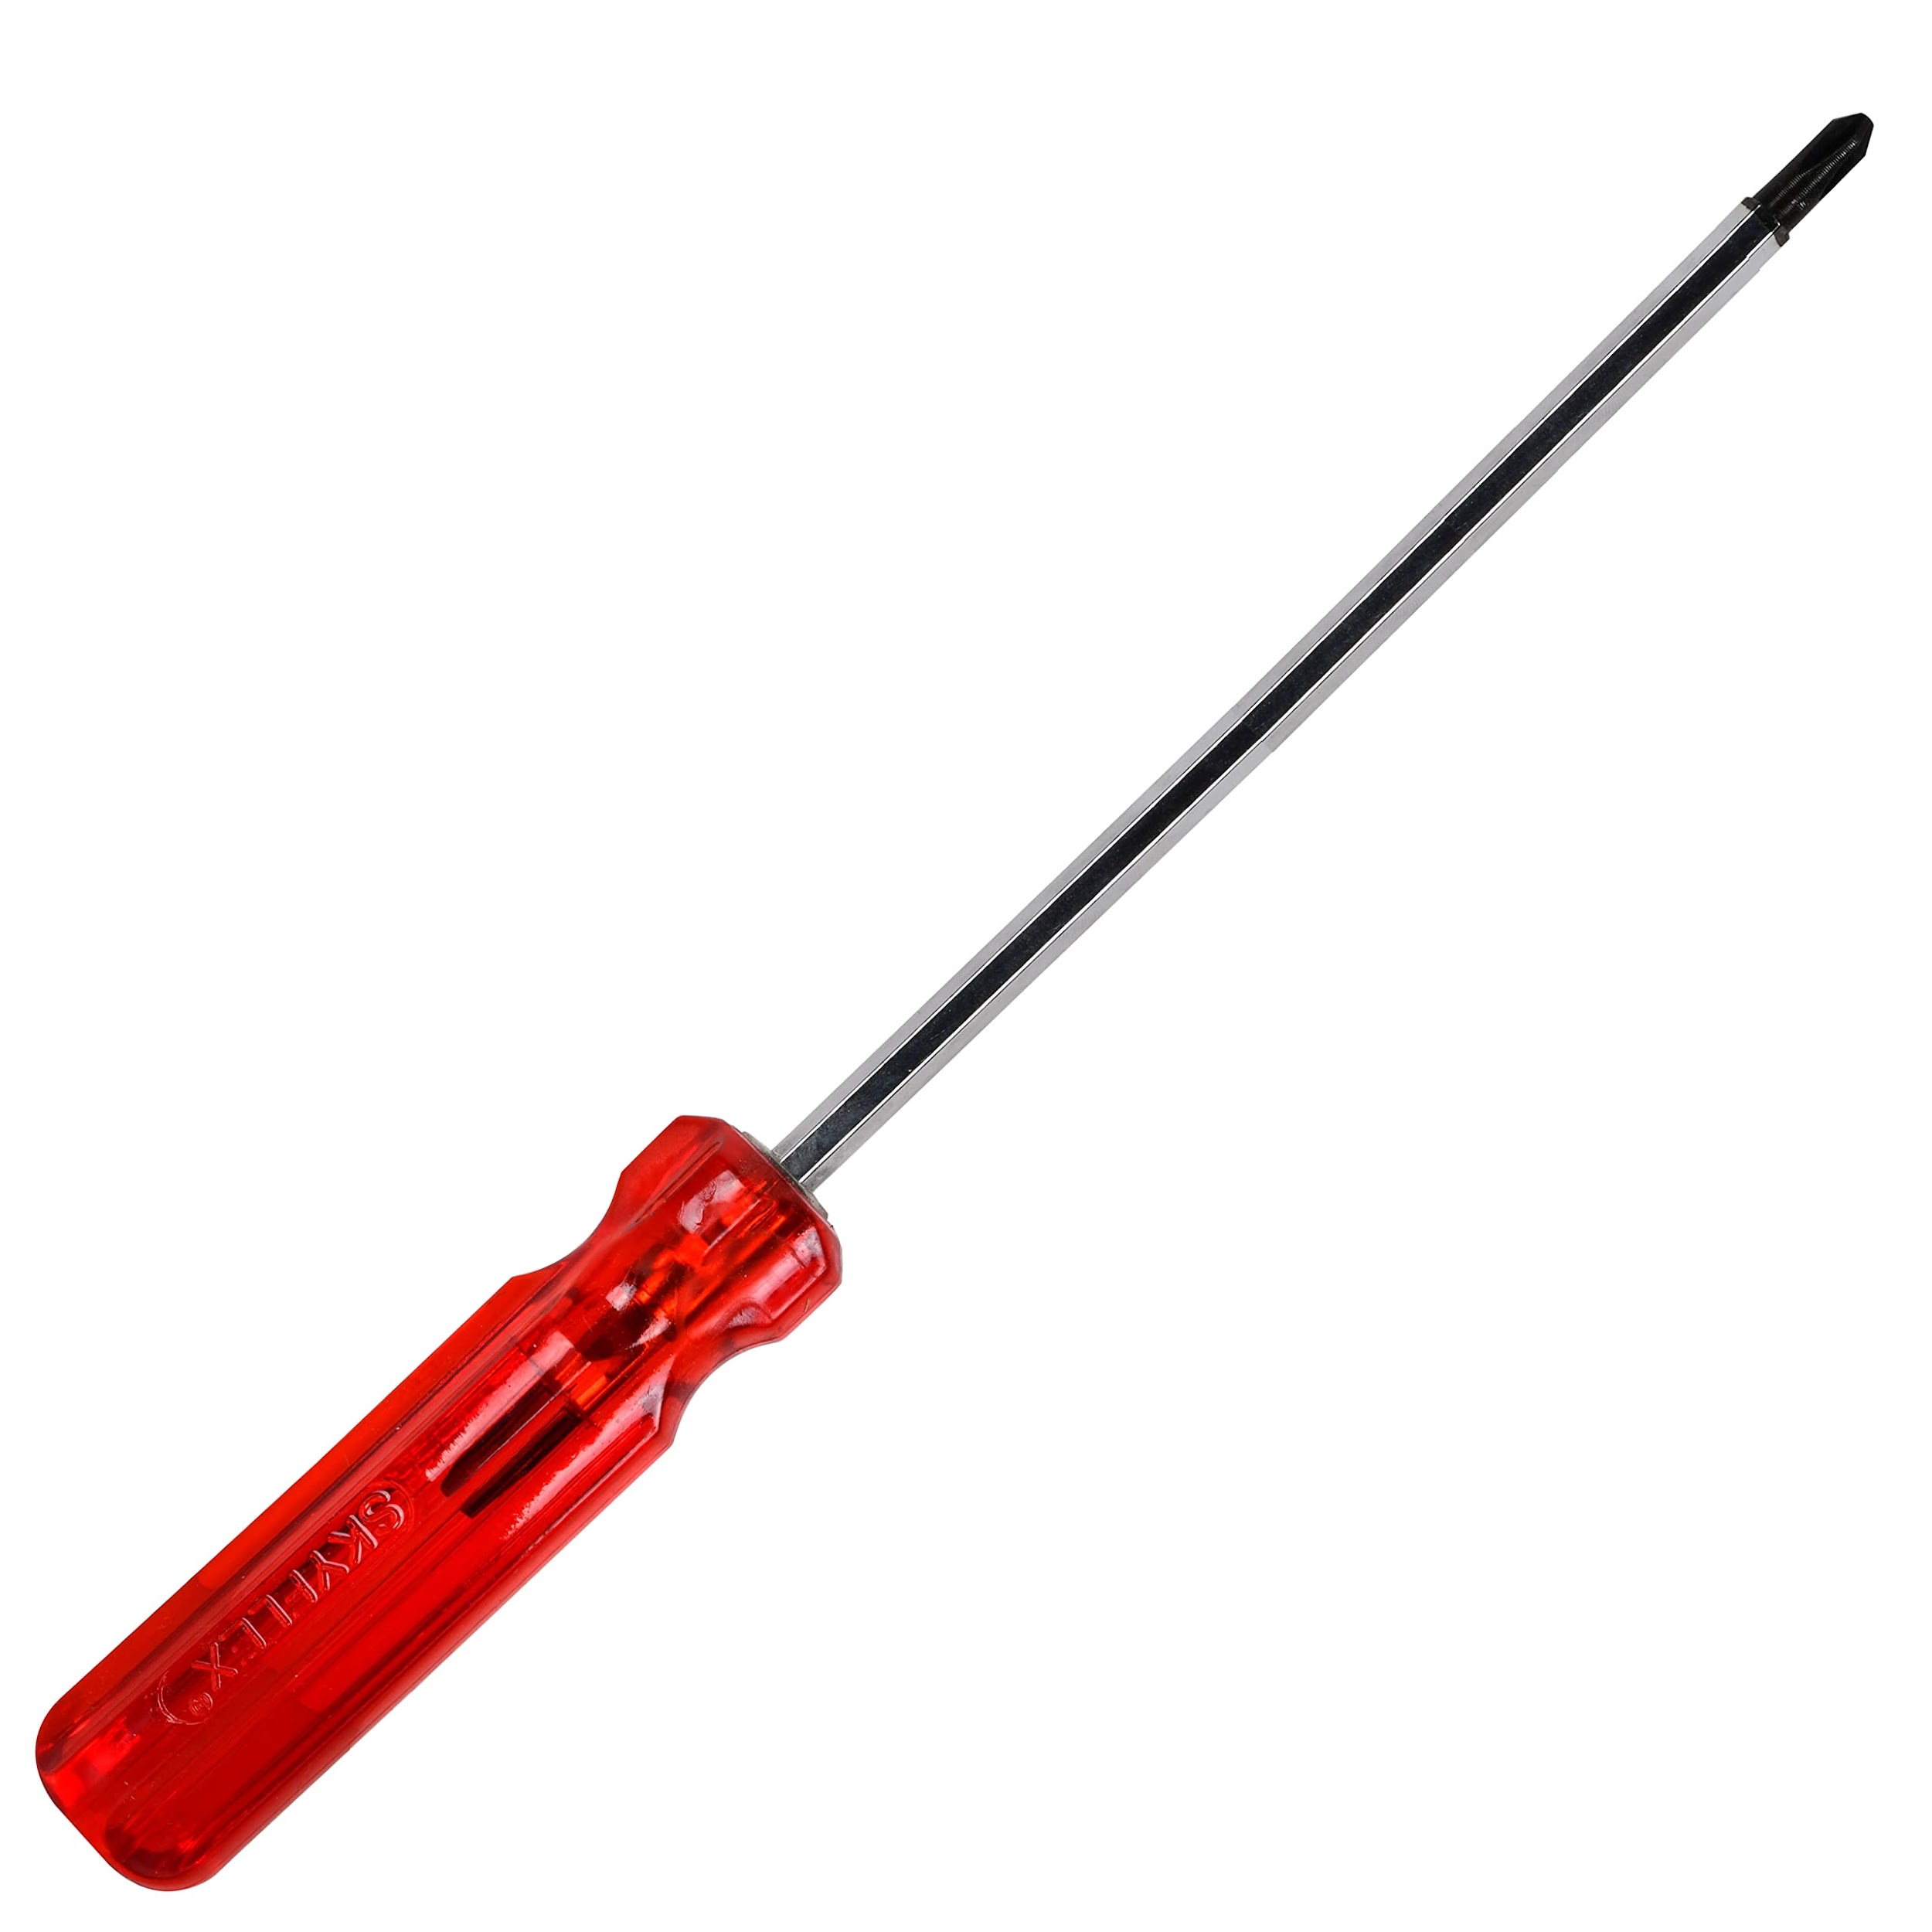
 | Construction Formwork Carpenter | Scaffold |  |  | 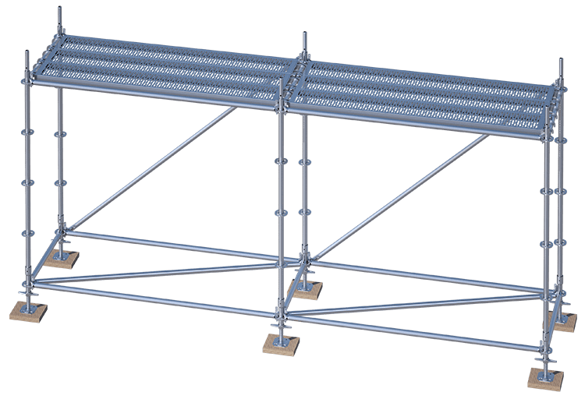
 | Construction Formwork Carpenter | Inspection Checklist |  |  | 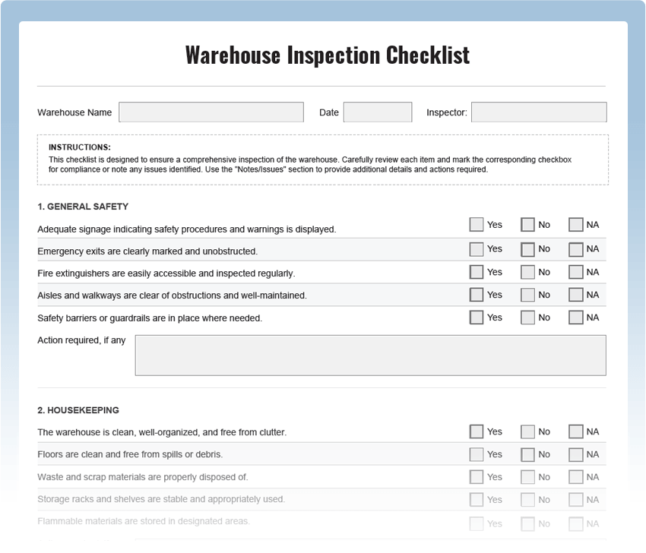
 | Construction Formwork Carpenter | Tape Measure |  |  | 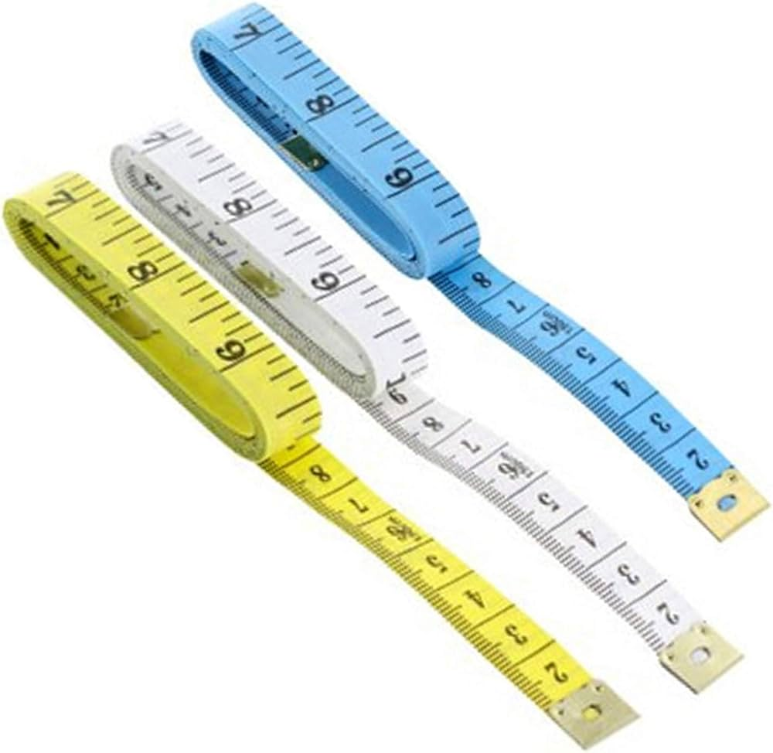
 | Construction Formwork Carpenter | Measuring tape |  |  | 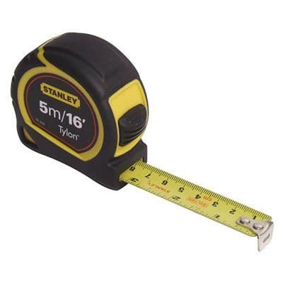
 | Construction Formwork Carpenter | Pencils |  |  | 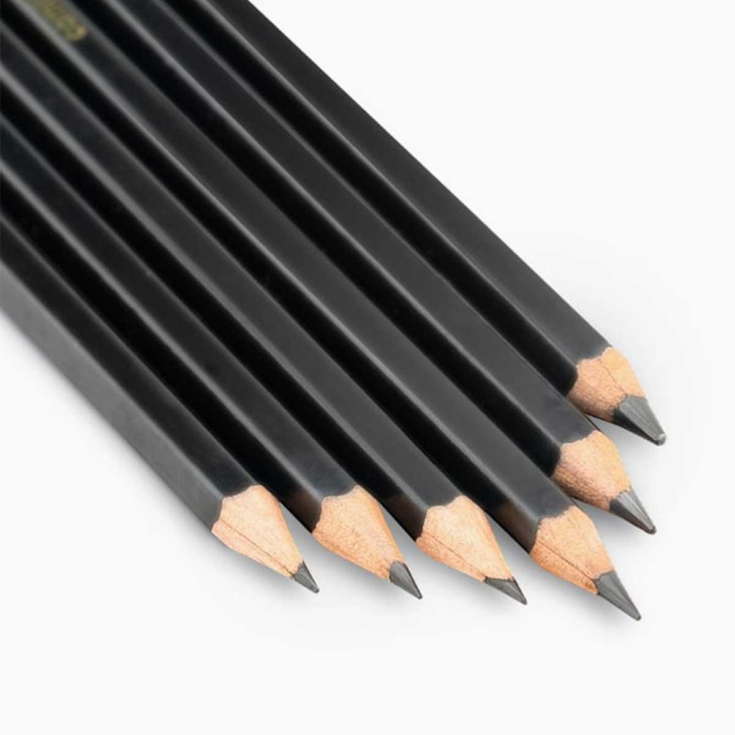
 | Construction Formwork Carpenter | Project plans |  |  | 
 | Construction Formwork Carpenter | Wrench |  |  | 
 | Construction Formwork Carpenter | Carpenter’s Hammer |  |  | 
 | Construction Formwork Carpenter | Nail puller |  |  | 
Protective Equipment & Wear
Construction | Construction Formwork Carpenter | Reflective jacket or Jumpsuit with multiple pockets and reflective bands
Construction | Construction Formwork Carpenter | Full body harness
Construction | Construction Formwork Carpenter | Ear protection (Ear Muffs or Corded Foam disposable Ear plugs) |  |  | 
Construction | Construction Formwork Carpenter | Face mask (For light duty grouting) |  |  | 
Construction | Construction Formwork Carpenter | Protective Safety Glasses/Goggles |  |  | 
Construction | Construction Formwork Carpenter | Industrial Safety boots |  |  | 
Construction | Construction Formwork Carpenter | Toe-Guards (If safety boots do not have steel toes) |  |  | 
Construction | Construction Formwork Carpenter | Polypropylene Safety Hat (When working at construction site, at all times) |  |  | 
Construction | Construction Formwork Carpenter | Welding helmet/Helmet (When using a Wet Saw to cut tiles) |  |  | 
Construction | Construction Formwork Carpenter | Elbow and knee guards (When laying tiles on floor) |  |  | 
Construction | Construction Formwork Carpenter | Leather gloves |  |  | 
Construction | Construction Formwork Carpenter | Rubber gloves (when mixing grout, mortar) |  |  | 
Emergency Protection and Warning Equipment
Construction | Construction Formwork Carpenter | Fire prevention Kit (Containing fire blanket, Heat Resistant Gloves, Escape Rope, Glass Hammer, Glow Sticks, Flashlight, First Aid Supplies with Burn Injury Care Treatment and More) |  |  | 
Construction | Construction Formwork Carpenter | Fire extinguisher (Hand held or Wall mounted)
Construction | Construction Formwork Carpenter | First aid box |  |  | 
Construction | Construction Formwork Carpenter | Safety tags, |  |  | 
Construction | Construction Formwork Carpenter | Safety notice board /safety message board |  |  | 
Construction | Construction Formwork Carpenter | Barricade Cones |  |  | 
Construction | Construction Formwork Carpenter | Warning Signs ( Construction Work in Progress) |  |  | 

