Tools for lab - Drilling worker
S.no | Tools | Images
1 | Portable drill rig | 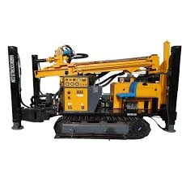
2 | Truck-mounted drill rig | 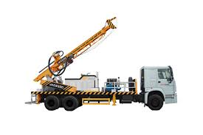
3 | Auger drill rig | 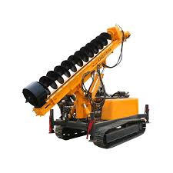
4 | Air compressor | 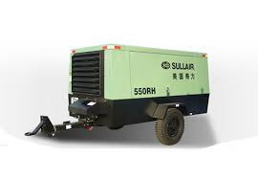
5 | Compressed air canister | 
6 | Selection of Auger bits | 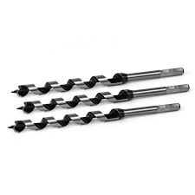
7 | Casing pipes | 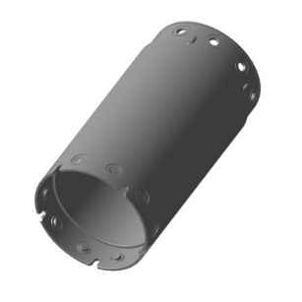
8 | Tricone drill bit | 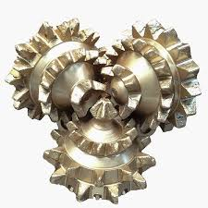
9 | PDC drill bit | 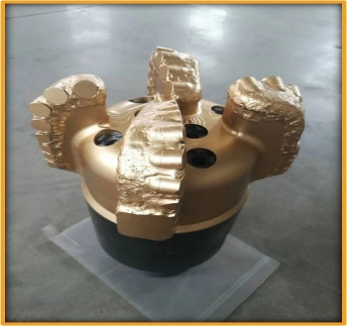
10 | Top hammer drill bit | 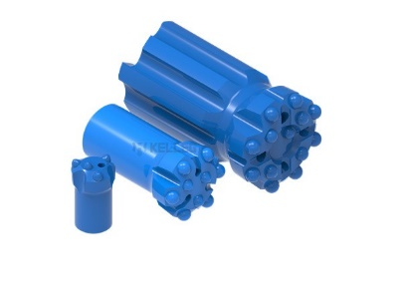
11 | TCI\Insert bit | 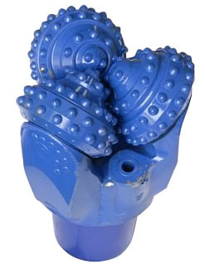
12 | Drill pipes | 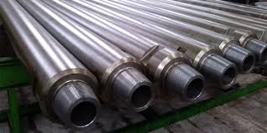
13 | Drill Pipe spinners | 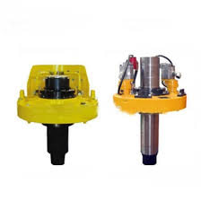
14 | Measuring tools - Inclinometers | 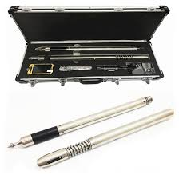
15 | Measurement tools - Magnetic compass | 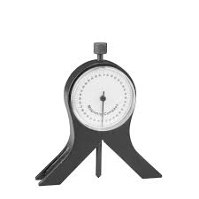
16 | Measurement tools - Gyro steering tool (GST) | 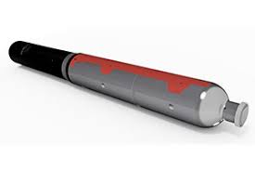
17 | Measurement tools - Gyromaster | 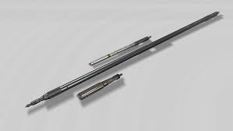
18 | Measurement tools - Dynamometer | 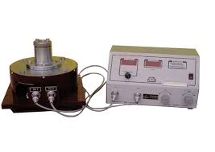
19 | Auger rod | 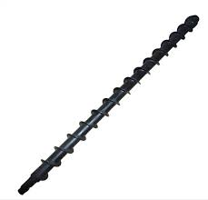
20 | lifting equipment - Hoist | 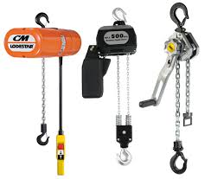
21 | Hose clamp | 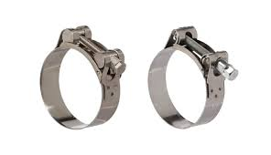
22 | Safety clamp | 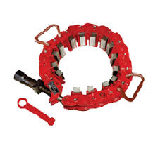
23 | Marking tools - Center punch | 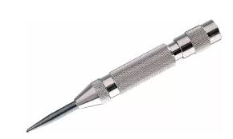
24 | Marking tools - Surface gauge | 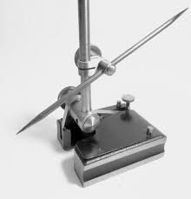
25 | Water swivel | 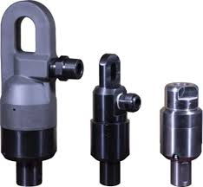
26 | Water hose | 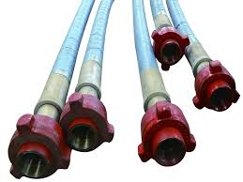
27 | Air hose | 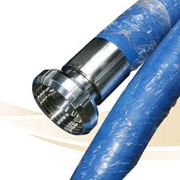
28 | portable Water pump | 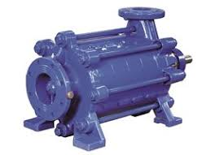
29 | Submersible water pump | 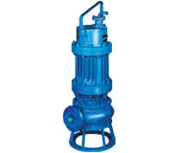
30 | High pressure pump | 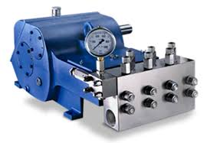
31 | Grout Pump | 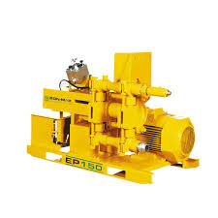
32 | Drill pipe tong | 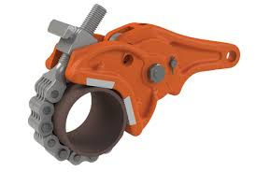
33 | Manual drill pipe tong | 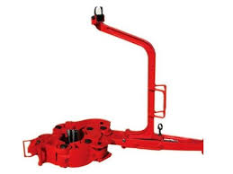
34 | Measuring container - Marsh funnel | 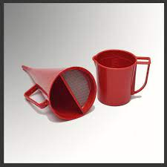
35 | Fire suppressant - Foam based | 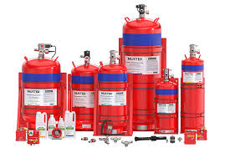
36 | Fire suppressant - Aerosol based | 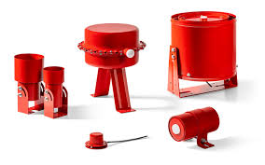
37 | Fire suppressent - water mist | 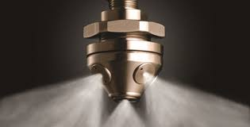
38 | Fire extinguisher
39 | Spill containment kit | 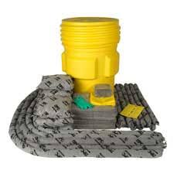
40 | Measuring tape | 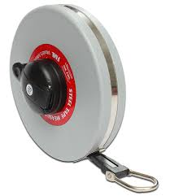
41 | electrical multimeter | 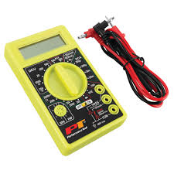
42 | Battery Hydrometer | 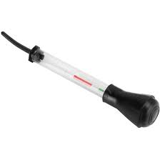
43 | Measuring tools (MWD) - Accelerometer | 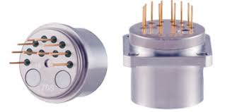
44 | Measuring tools (MWD)- Magnetometer | 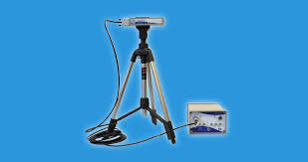
45 | Spirit level | 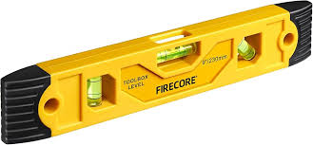
46 | Dual beam Alignment laser | 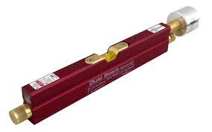
47 | Gyroscopic alignment tool - Devaligner | 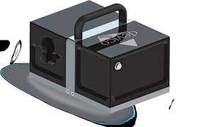
48 | Gyroscopic alignment tool - Gyro Rigaligner | 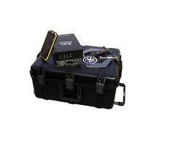
49 | Gyroscopic alignment tool - Reflex Gyrocompass | 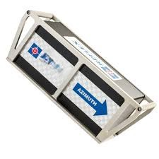
50 | Grout plug | 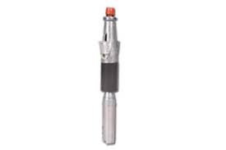
51 | Grout mixture
52 | Wrenches - Rig | 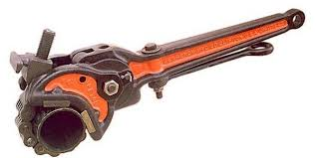
53 | Wrenches - Inner\outer tube wrench | 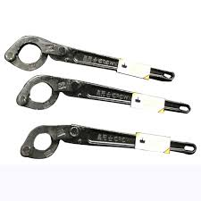
54 | Wrenches - Pipe | 
55 | Casing scraper | 
56 | Lubrication equipment - grease gun | 
57 | Lubrication equipment - Grease injector | 
58 | Teflon tape | 
59 | Degreaser | 
60 | Cement
61 | Battery electrolyte or distilled water
62 | Bentonite
63 | Polymer additives
64 | Soda ash
65 | Cleaning tool - soft bristle drill brush | 
66 | Cleaning equipment - high pressure water blaster | 
67 | Hammer - Hand drilling hammer
68 | Hammer - Pneumatic jack hammers | 
69 | Hammer - DTH hammer | 
70 | Hammer - Air hammer | 
71 | Hammer - Rotary hammer | 
72 | Chisel set | 
73 | Communication devices - Two way radios
74 | Communication devices - Leaky feeder system | 
75 | Communication devices - wireless mesh network radio | 
76 | Electric screw driver drill | 
77 | Thread protector | 
78 | Waterproof labels | 
79 | Lockout/tagout kit | 
80 | Barrier tape | 
81 | PH test strips | 
82 | Flashlight | 
83 | Wheelbarrows | 
84 | Rake | 
85 | Shovel | 
86 | Lifting straps | 
87 | Rigging equipment - shackles | 
88 | Rigging equipment - Slings
89 | Manual trolly | 
90 | Drill collar dolly | 
91 | Safety guardrails | 
92 | Full Body Safety harness with Double Lanyard | 
93 | Safety signs | 
94 | PPE kit | 
95 | Gloves - Oil resistant gloves, Anti vibration gloves, chemical resistant gauntlet gloves, black nitrile gloves
96 | Site safety checklist
97 | First aid kit
98 | Permanent markers
99 | Non corrosive cleaning solution
100 | Strong detergent
101 | Brooms, mops, pressure washers, cleaning cloth
 | OPTIONAL EQUIPMENT
1 | Directional drilling rig | 
2 | Rotary drill rig | 
3 | Hydraulic drill rig | 
4 | Diamond Core drill rig | 
5 | Heavy machinery - Bull dozer | 
6 | Heavy machinery - Grader | 
7 | Lifting Equipment - Crane | 
8 | Telescoping Derrick | 

