Electrical Device Maintenance T
Sector Name | Occupation name | Equipment name | Images
Electrical Device Maintenance Technician | Electrical Device Maintenance Technician | Adjustable wrench
Electrical Device Maintenance Technician | Electrical Device Maintenance Technician | Airflow meter | 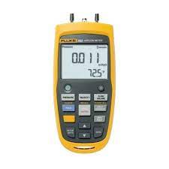
Electrical Device Maintenance Technician | Electrical Device Maintenance Technician | Allen wrench set
Electrical Device Maintenance Technician | Electrical Device Maintenance Technician | Appliance Dolly/Hand Truck | 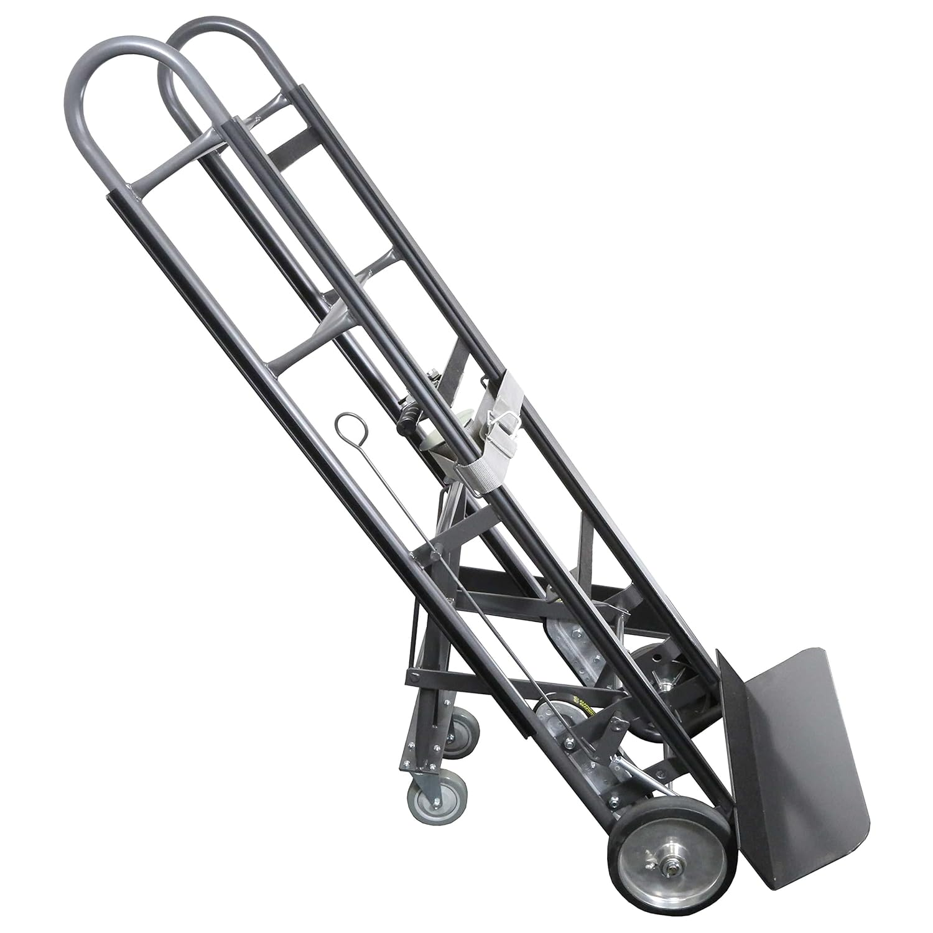
Electrical Device Maintenance Technician | Electrical Device Maintenance Technician | Blower Motor
Electrical Device Maintenance Technician | Electrical Device Maintenance Technician | Brazing torch
Electrical Device Maintenance Technician | Electrical Device Maintenance Technician | Calibration kit
Electrical Device Maintenance Technician | Electrical Device Maintenance Technician | Circulation Pump
Electrical Device Maintenance Technician | Electrical Device Maintenance Technician | Component Tester | 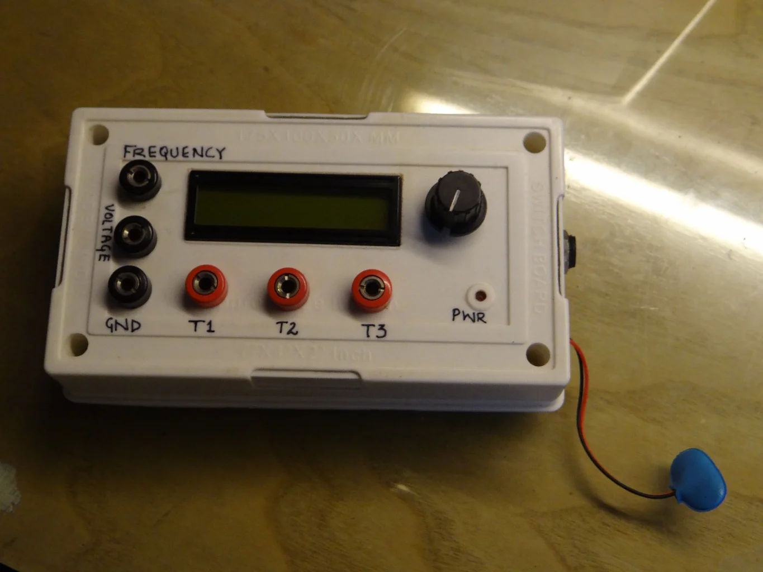
Electrical Device Maintenance Technician | Electrical Device Maintenance Technician | Condensate line cleaner | 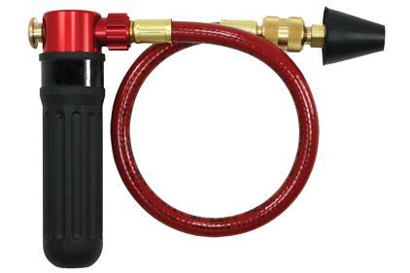
Electrical Device Maintenance Technician | Electrical Device Maintenance Technician | Condensate pump | 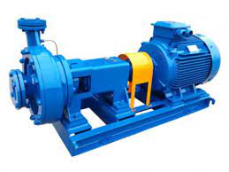
Electrical Device Maintenance Technician | Electrical Device Maintenance Technician | Cooling Fan
Electrical Device Maintenance Technician | Electrical Device Maintenance Technician | Copper tubing cutter
Electrical Device Maintenance Technician | Electrical Device Maintenance Technician | Defrost heater | 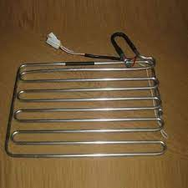
Electrical Device Maintenance Technician | Electrical Device Maintenance Technician | Digital Multimeter
Electrical Device Maintenance Technician | Electrical Device Maintenance Technician | Digital thermometer
Electrical Device Maintenance Technician | Electrical Device Maintenance Technician | Drain cleaner or pipe cleaner.
Electrical Device Maintenance Technician | Electrical Device Maintenance Technician | Duct inspection camera | 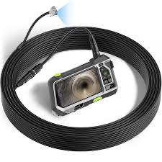
Electrical Device Maintenance Technician | Electrical Device Maintenance Technician | Heat Gun or Hair Dryer
Electrical Device Maintenance Technician | Electrical Device Maintenance Technician | Heat Sink | 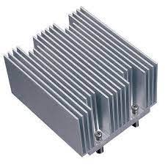
Electrical Device Maintenance Technician | Electrical Device Maintenance Technician | HV Capacitor | 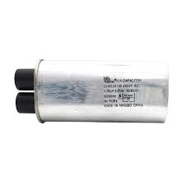
Electrical Device Maintenance Technician | Electrical Device Maintenance Technician | Ice maker cleaner
Electrical Device Maintenance Technician | Electrical Device Maintenance Technician | LED/LCD Panel Tester | 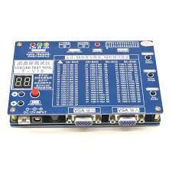
Electrical Device Maintenance Technician | Electrical Device Maintenance Technician | Microwave Leakage Detector | 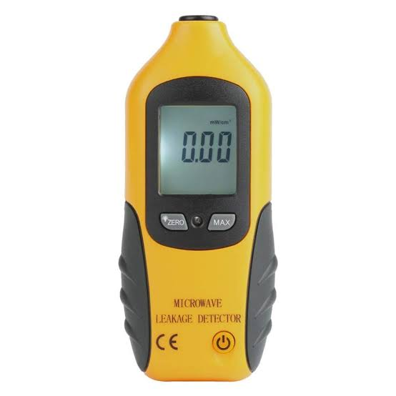
Electrical Device Maintenance Technician | Electrical Device Maintenance Technician | Mold and mildew remover
Electrical Device Maintenance Technician | Electrical Device Maintenance Technician | Multi-meter
Electrical Device Maintenance Technician | Electrical Device Maintenance Technician | Nut Driver Set
Electrical Device Maintenance Technician | Electrical Device Maintenance Technician | Oscilloscope | 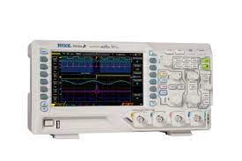
Electrical Device Maintenance Technician | Electrical Device Maintenance Technician | Pipe sealant
Electrical Device Maintenance Technician | Electrical Device Maintenance Technician | Pliers
Electrical Device Maintenance Technician | Electrical Device Maintenance Technician | Plumbers level
Electrical Device Maintenance Technician | Electrical Device Maintenance Technician | Power Drill
Electrical Device Maintenance Technician | Electrical Device Maintenance Technician | Power strip or surge protector
Electrical Device Maintenance Technician | Electrical Device Maintenance Technician | Putty Knife or Pry Bar
Electrical Device Maintenance Technician | Electrical Device Maintenance Technician | Screwdriver Set
Electrical Device Maintenance Technician | Electrical Device Maintenance Technician | Signal Generator or Pattern Generator | 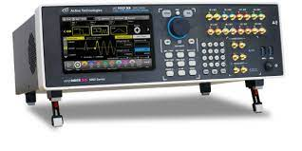
Electrical Device Maintenance Technician | Electrical Device Maintenance Technician | Socket Wrench Set | 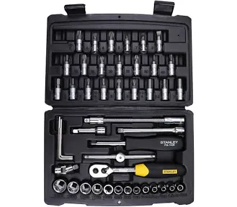
Electrical Device Maintenance Technician | Electrical Device Maintenance Technician | Spectrophotometer | 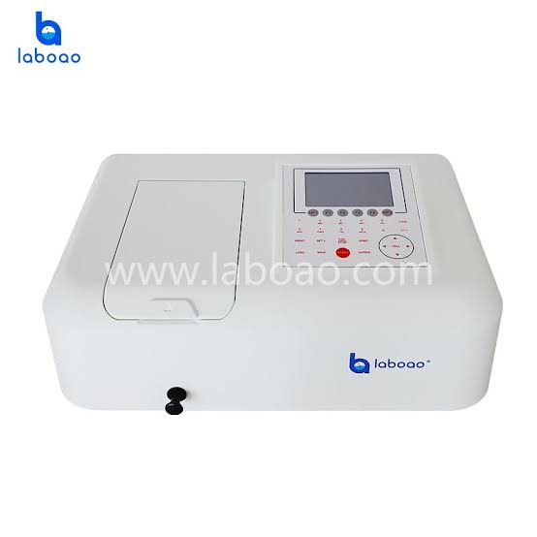
Electrical Device Maintenance Technician | Electrical Device Maintenance Technician | Thermometer
Electrical Device Maintenance Technician | Electrical Device Maintenance Technician | Utility Knife
Electrical Device Maintenance Technician | Electrical Device Maintenance Technician | UV light
Electrical Device Maintenance Technician | Electrical Device Maintenance Technician | Voltage Tester or Multimeter
Electrical Device Maintenance Technician | Electrical Device Maintenance Technician | Washing machine cleaner
Electrical Device Maintenance Technician | Electrical Device Maintenance Technician | Water level sensor
Electrical Device Maintenance Technician | Electrical Device Maintenance Technician | Wrench
Protective Equipment & Wear
Electrical Device Maintenance Technician | Electrical Device Maintenance Technician | Reflective jacket or Jumpsuit with multiple pockets and reflective bands
Electrical Device Maintenance Technician | Electrical Device Maintenance Technician | Full body harness with lanyard
Electrical Device Maintenance Technician | Electrical Device Maintenance Technician | Face mask (For light duty Plumbing)
Electrical Device Maintenance Technician | Electrical Device Maintenance Technician | HEPA filter Respirator (for heavy duty repair and installation)
Electrical Device Maintenance Technician | Electrical Device Maintenance Technician | Protective Safety Glasses/Goggles | 
Electrical Device Maintenance Technician | Electrical Device Maintenance Technician | Industrial Safety boots | 
Electrical Device Maintenance Technician | Electrical Device Maintenance Technician | Toe-Guards (If safety boots do not have steel toes) | 
Electrical Device Maintenance Technician | Electrical Device Maintenance Technician | Polypropylene Safety Hat (When working at work site, at all times) | 
Electrical Device Maintenance Technician | Electrical Device Maintenance Technician | Welding helmet/Helmet (When welding/cutting pipes
Electrical Device Maintenance Technician | Electrical Device Maintenance Technician | Elbow and knee guards | 
Electrical Device Maintenance Technician | Electrical Device Maintenance Technician | Insulated gloves when working on conduit piping or using motorized tools | 
Electrical Device Maintenance Technician | Electrical Device Maintenance Technician | Rubber gloves
Emergency Protection and Warning Equipment
Electrical Device Maintenance Technician | Electrical Device Maintenance Technician | Fire extinguisher (Hand held or Wall mounted)
Electrical Device Maintenance Technician | Electrical Device Maintenance Technician | First aid box
Electrical Device Maintenance Technician | Electrical Device Maintenance Technician | Safety tags | 
Electrical Device Maintenance Technician | Electrical Device Maintenance Technician | Safety notice board /safety message board | 
Electrical Device Maintenance Technician | Electrical Device Maintenance Technician | Barricade Cones
Electrical Device Maintenance Technician | Electrical Device Maintenance Technician | Warning Signs (Wet Floor, Construction Work in Progress)

