Electrical Mechanic
Sector Name | Occupation name | Equipment name | Images
Electrical Mechanic | Electrical Mechanic | Ammeter | 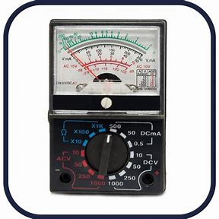
Electrical Mechanic | Electrical Mechanic | ATS unit
Electrical Mechanic | Electrical Mechanic | Bushings | 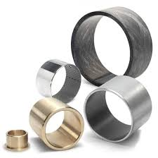
Electrical Mechanic | Electrical Mechanic | Cable jointing kit (includes resin, tape, connectors, etc.) | 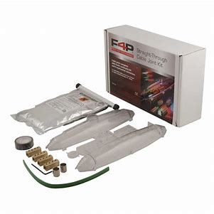
Electrical Mechanic | Electrical Mechanic | Cable Winches | 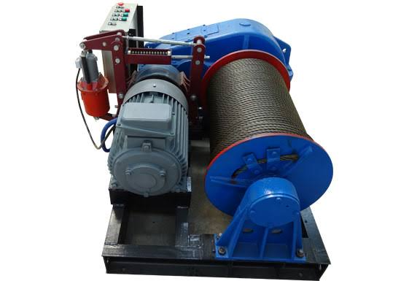
Electrical Mechanic | Electrical Mechanic | Changeover switch (COS) | 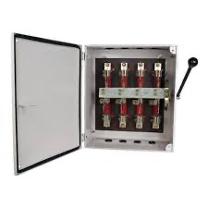
Electrical Mechanic | Electrical Mechanic | Circuit breaker
Electrical Mechanic | Electrical Mechanic | Circuit Testers
Electrical Mechanic | Electrical Mechanic | Conduit Bending Machine | 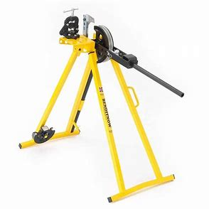
Electrical Mechanic | Electrical Mechanic | Contactor
Electrical Mechanic | Electrical Mechanic | Continuity tester
Electrical Mechanic | Electrical Mechanic | Crimping tool or soldering iron
Electrical Mechanic | Electrical Mechanic | DC motor | 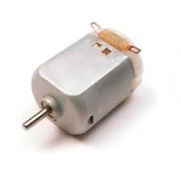
Electrical Mechanic | Electrical Mechanic | Digital Oscilloscope | 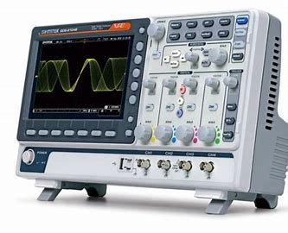
Electrical Mechanic | Electrical Mechanic | Dissolved gas analysis (DGA) equipment | 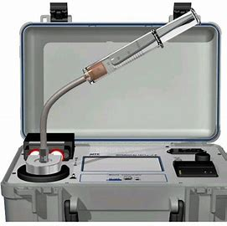
Electrical Mechanic | Electrical Mechanic | DOL starter kit
Electrical Mechanic | Electrical Mechanic | Earth Fault Relay unit
Electrical Mechanic | Electrical Mechanic | Earth Leakage Relay (ELR) | 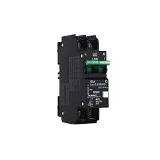
Electrical Mechanic | Electrical Mechanic | Earth Resistance Tester | 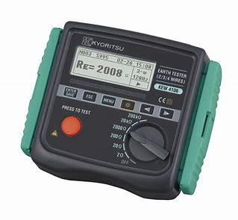
Electrical Mechanic | Electrical Mechanic | ELPD unit
Electrical Mechanic | Electrical Mechanic | Frequency meter | 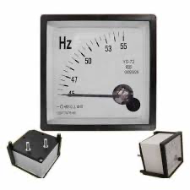
Electrical Mechanic | Electrical Mechanic | Grounding System Test Equipment | 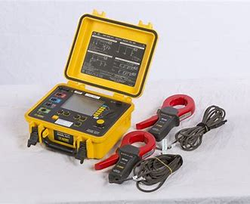
Electrical Mechanic | Electrical Mechanic | Heat gun or torch
Electrical Mechanic | Electrical Mechanic | Infrared thermometer | 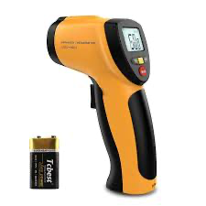
Electrical Mechanic | Electrical Mechanic | Insulation resistance tester | 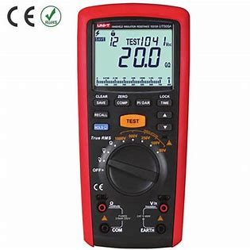
Electrical Mechanic | Electrical Mechanic | Multimeter
Electrical Mechanic | Electrical Mechanic | Ohmmeter
Electrical Mechanic | Electrical Mechanic | Overload relay | 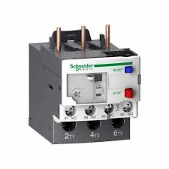
Electrical Mechanic | Electrical Mechanic | Power factor test set | 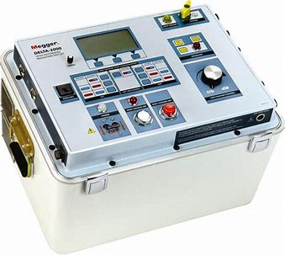
Electrical Mechanic | Electrical Mechanic | Power Quality Analyzer
Electrical Mechanic | Electrical Mechanic | Soldering Iron and Solder | 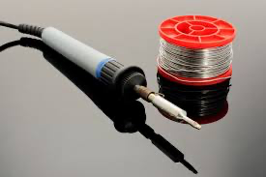
Electrical Mechanic | Electrical Mechanic | Star-delta starter kit | 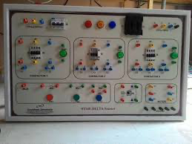
Electrical Mechanic | Electrical Mechanic | Three-phase motor | 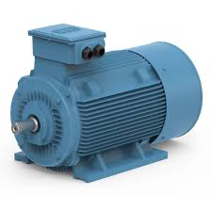
Electrical Mechanic | Electrical Mechanic | Transformer turns ratio (TTR) test set
Electrical Mechanic | Electrical Mechanic | Transformer winding resistance meter | 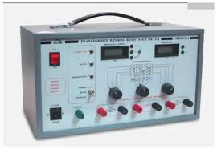
Electrical Mechanic | Electrical Mechanic | Insulation resistance tester | 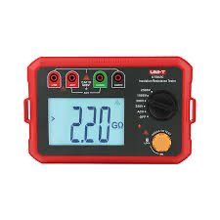
Electrical Mechanic | Electrical Mechanic | Vibration analyzer | 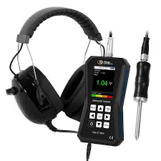
Electrical Mechanic | Electrical Mechanic | Voltage adjustment knob | 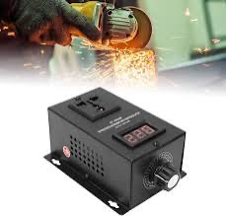
Electrical Mechanic | Electrical Mechanic | Voltage tester | 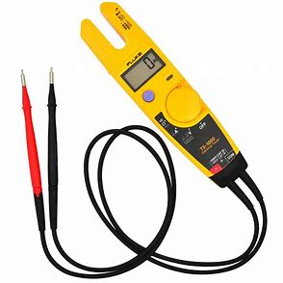
Protective Equipment & Wear
Electrical Mechanic | Electrical Mechanic | Reflective jacket or Jumpsuit with multiple pockets and reflective bands
Electrical Mechanic | Electrical Mechanic | Full body harness with lanyard
Electrical Mechanic | Electrical Mechanic | Face mask (For light duty Plumbing)
Electrical Mechanic | Electrical Mechanic | HEPA filter Respirator (for heavy duty repair and installation)
Electrical Mechanic | Electrical Mechanic | Protective Safety Glasses/Goggles | 
Electrical Mechanic | Electrical Mechanic | Industrial Safety boots | 
Electrical Mechanic | Electrical Mechanic | Toe-Guards (If safety boots do not have steel toes) | 
Electrical Mechanic | Electrical Mechanic | Polypropylene Safety Hat (When working at work site, at all times) | 
Electrical Mechanic | Electrical Mechanic | Welding helmet/Helmet (When welding/cutting pipes
Electrical Mechanic | Electrical Mechanic | Elbow and knee guards | 
Electrical Mechanic | Electrical Mechanic | Insulated gloves when working on conduit piping or using motorized tools | 
Electrical Mechanic | Electrical Mechanic | Rubber gloves
Emergency Protection and Warning Equipment
Electrical Mechanic | Electrical Mechanic | Fire extinguisher (Hand held or Wall mounted)
Electrical Mechanic | Electrical Mechanic | First aid box
Electrical Mechanic | Electrical Mechanic | Safety tags | 
Electrical Mechanic | Electrical Mechanic | Safety notice board /safety message board | 
Electrical Mechanic | Electrical Mechanic | Barricade Cones
Electrical Mechanic | Electrical Mechanic | Warning Signs (Wet Floor, Construction Work in Progress)

