Building Electrician
Sector name | Occupation name | Equipment name | Images
Construction | Building Electrician | Screwdriver
Construction | Building Electrician | Torch
Construction | Building Electrician | Wire cutter
Construction | Building Electrician | Wire stripper
Construction | Building Electrician | Pliers
Construction | Building Electrician | Hammer
Construction | Building Electrician | Hacksaw
Construction | Building Electrician | Chisels/wall chasing chisel
Construction | Building Electrician | Spanner
Construction | Building Electrician | Wrench
Construction | Building Electrician | Measuring tape
Construction | Building Electrician | Spirit level
Construction | Building Electrician | Plumb bob
Construction | Building Electrician | Mason’s line
Construction | Building Electrician | Multimeter
Construction | Building Electrician | Voltage tester
Construction | Building Electrician | Drilling machine
Construction | Building Electrician | Wall chaser/groover/hand-held cutting machine
Construction | Building Electrician | Cables (Assorted rolls)
Construction | Building Electrician | Wires (Assorted rolls)
Construction | Building Electrician | Socket
Construction | Building Electrician | Tong tester
Construction | Building Electrician | Megger | 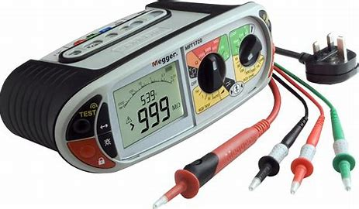
Construction | Building Electrician | Chasing machine | 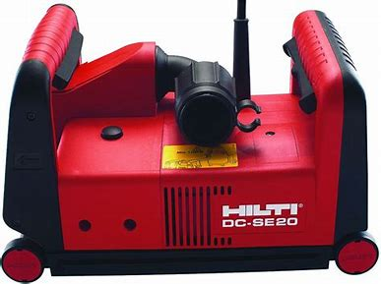
Construction | Building Electrician | Electrical socket - multiple power ratings | 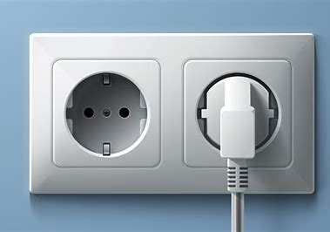
Construction | Building Electrician | Tungsten bulb/ CFL/FSL bulb
Construction | Building Electrician | Halogen lamp
Construction | Building Electrician | Switch
Construction | Building Electrician | Light (bulbs, tube lights, LED)
Construction | Building Electrician | Raceway
Construction | Building Electrician | Vibrator
Construction | Building Electrician | Bar cutting machine
Construction | Building Electrician | Bar bending machine
Construction | Building Electrician | File
Construction | Building Electrician | Marking tool
Construction | Building Electrician | Table vice
Construction | Building Electrician | Stock and die
Construction | Building Electrician | Pipe cutter to cut pipes
Construction | Building Electrician | Hand broom
Construction | Building Electrician | Power source - residential and high voltage
Construction | Building Electrician | Rigid conduit
Construction | Building Electrician | Flexible conduit
Construction | Building Electrician | Clamps for conduit
Construction | Building Electrician | Screw
Construction | Building Electrician | Wall socket
Construction | Building Electrician | Simple switchboard
Construction | Building Electrician | Mains breaker switch
Construction | Building Electrician | Earth leakage circuit breaker (ELCB)
Construction | Building Electrician | Miniature circuit breaker (MCB)
Construction | Building Electrician | Circuit breaker finder
Construction | Building Electrician | Neon tester
Construction | Building Electrician | Ammeter
Construction | Building Electrician | Voltmeter
Construction | Building Electrician | Wattmeter
Construction | Building Electrician | Ohmmeter
Construction | Building Electrician | Digital multimeter
Construction | Building Electrician | Shovel
Construction | Building Electrician | Wire brush
Construction | Building Electrician | Welding unit
Construction | Building Electrician | Diesel generator
Construction | Building Electrician | Transformer
Construction | Building Electrician | Residential electricity switchboard
Construction | Building Electrician | Circuit board
Construction | Building Electrician | Standard circuit breakers (Including both single-pole and double-pole circuit breakers), ground fault circuit interrupter circuit breakers (GFCIs) and arc fault circuit interrupter circuit breakers (AFCIs)
Protective Equipment & Wear
Electrical & Electronics | Building Electrician | Fire retardant, Reflective jacket or Jumpsuit with multiple pockets and reflective bands
Electrical & Electronics | Building Electrician | Full body harness with lanyard
Electrical & Electronics | Building Electrician | Face mask (For light duty installation work)
Electrical & Electronics | Building Electrician | HEPA filter Respirator (When using soldering iron, drills, or handling large electrical equipment like generators)
Electrical & Electronics | Building Electrician | Protective Safety Glasses/Goggles | 
Electrical & Electronics | Building Electrician | Insulated boots | 
Electrical & Electronics | Building Electrician | Insulated Ladder
Electrical & Electronics | Building Electrician | Polypropylene Safety Hat (When working at site, at all times) | 
Electrical & Electronics | Building Electrician | Elbow and knee guards | 
Electrical & Electronics | Building Electrician | Insulated gloves
Emergency Protection and Warning Equipment
Electrical & Electronics | Building Electrician | Fire prevention Kit (Containing fire blanket, Heat Resistant Gloves, Escape Rope, Glass Hammer, Glow Sticks, Flashlight, First Aid Supplies with Burn Injury Care Treatment and More) | 
Electrical & Electronics | Building Electrician | Lockout/Tagout Device with padlock | 
Electrical & Electronics | Building Electrician | Fire extinguisher (Hand held or Wall mounted)
Electrical & Electronics | Building Electrician | First aid box
Electrical & Electronics | Building Electrician | Safety tags | 
Electrical & Electronics | Building Electrician | Safety notice board /safety message board | 
Electrical & Electronics | Building Electrician | Barricade Cones
Electrical & Electronics | Building Electrician | Warning Signs (Danger)

Note: All electrical equipment should be insulated as per NFPA 70E

