Furniture Assembly Worker
Sector Name | Occupation name | Equipment name | Minimum number of equipment required (per batch of 30 trainees) | Unit type | Images
 | Furniture Assembling Worker | Cabinet panels |  |  | 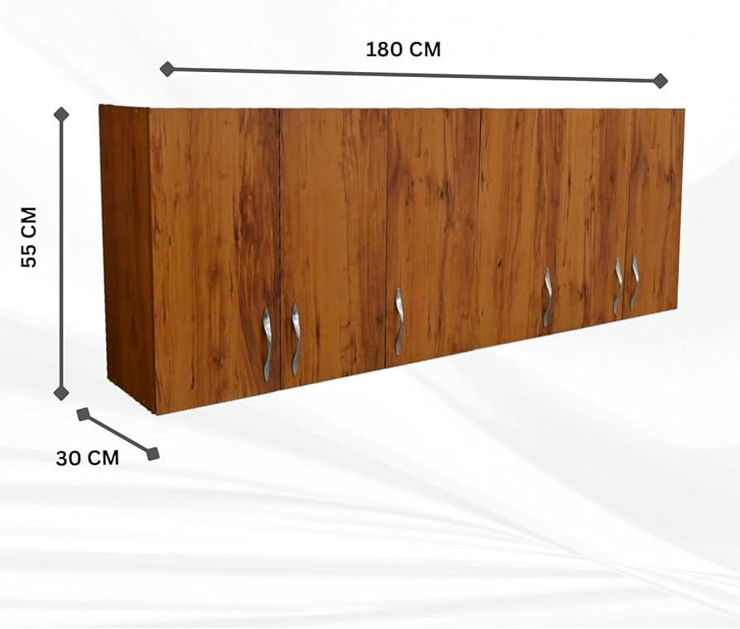
 | Furniture Assembling Worker | Shelf boards |  |  | 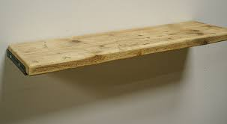
 | Furniture Assembling Worker | Screws |  |  | 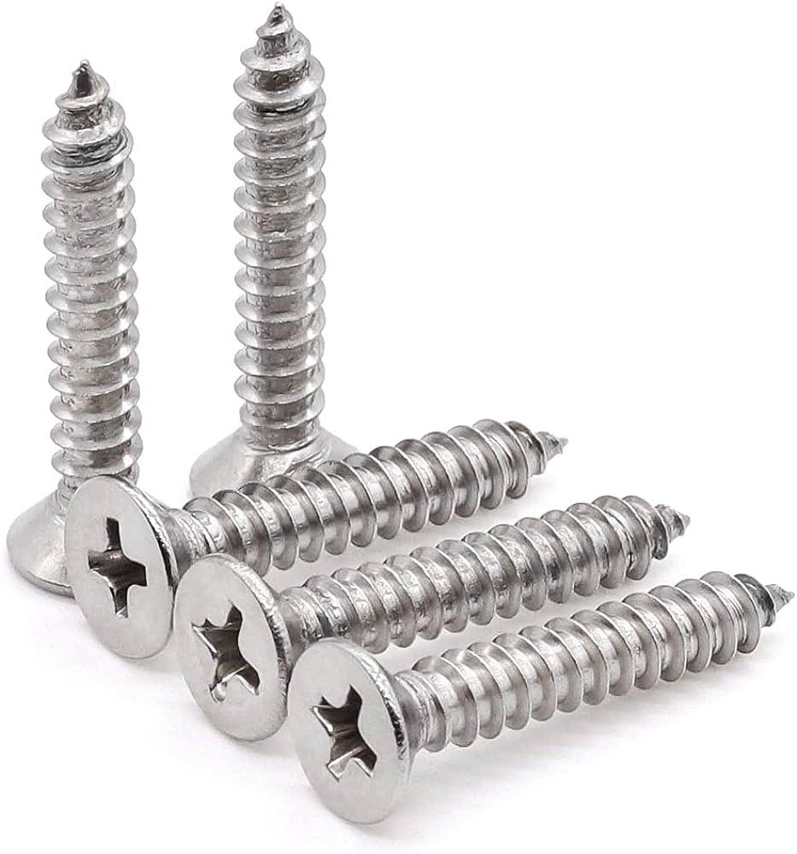
 | Furniture Assembling Worker | Hinges |  |  | 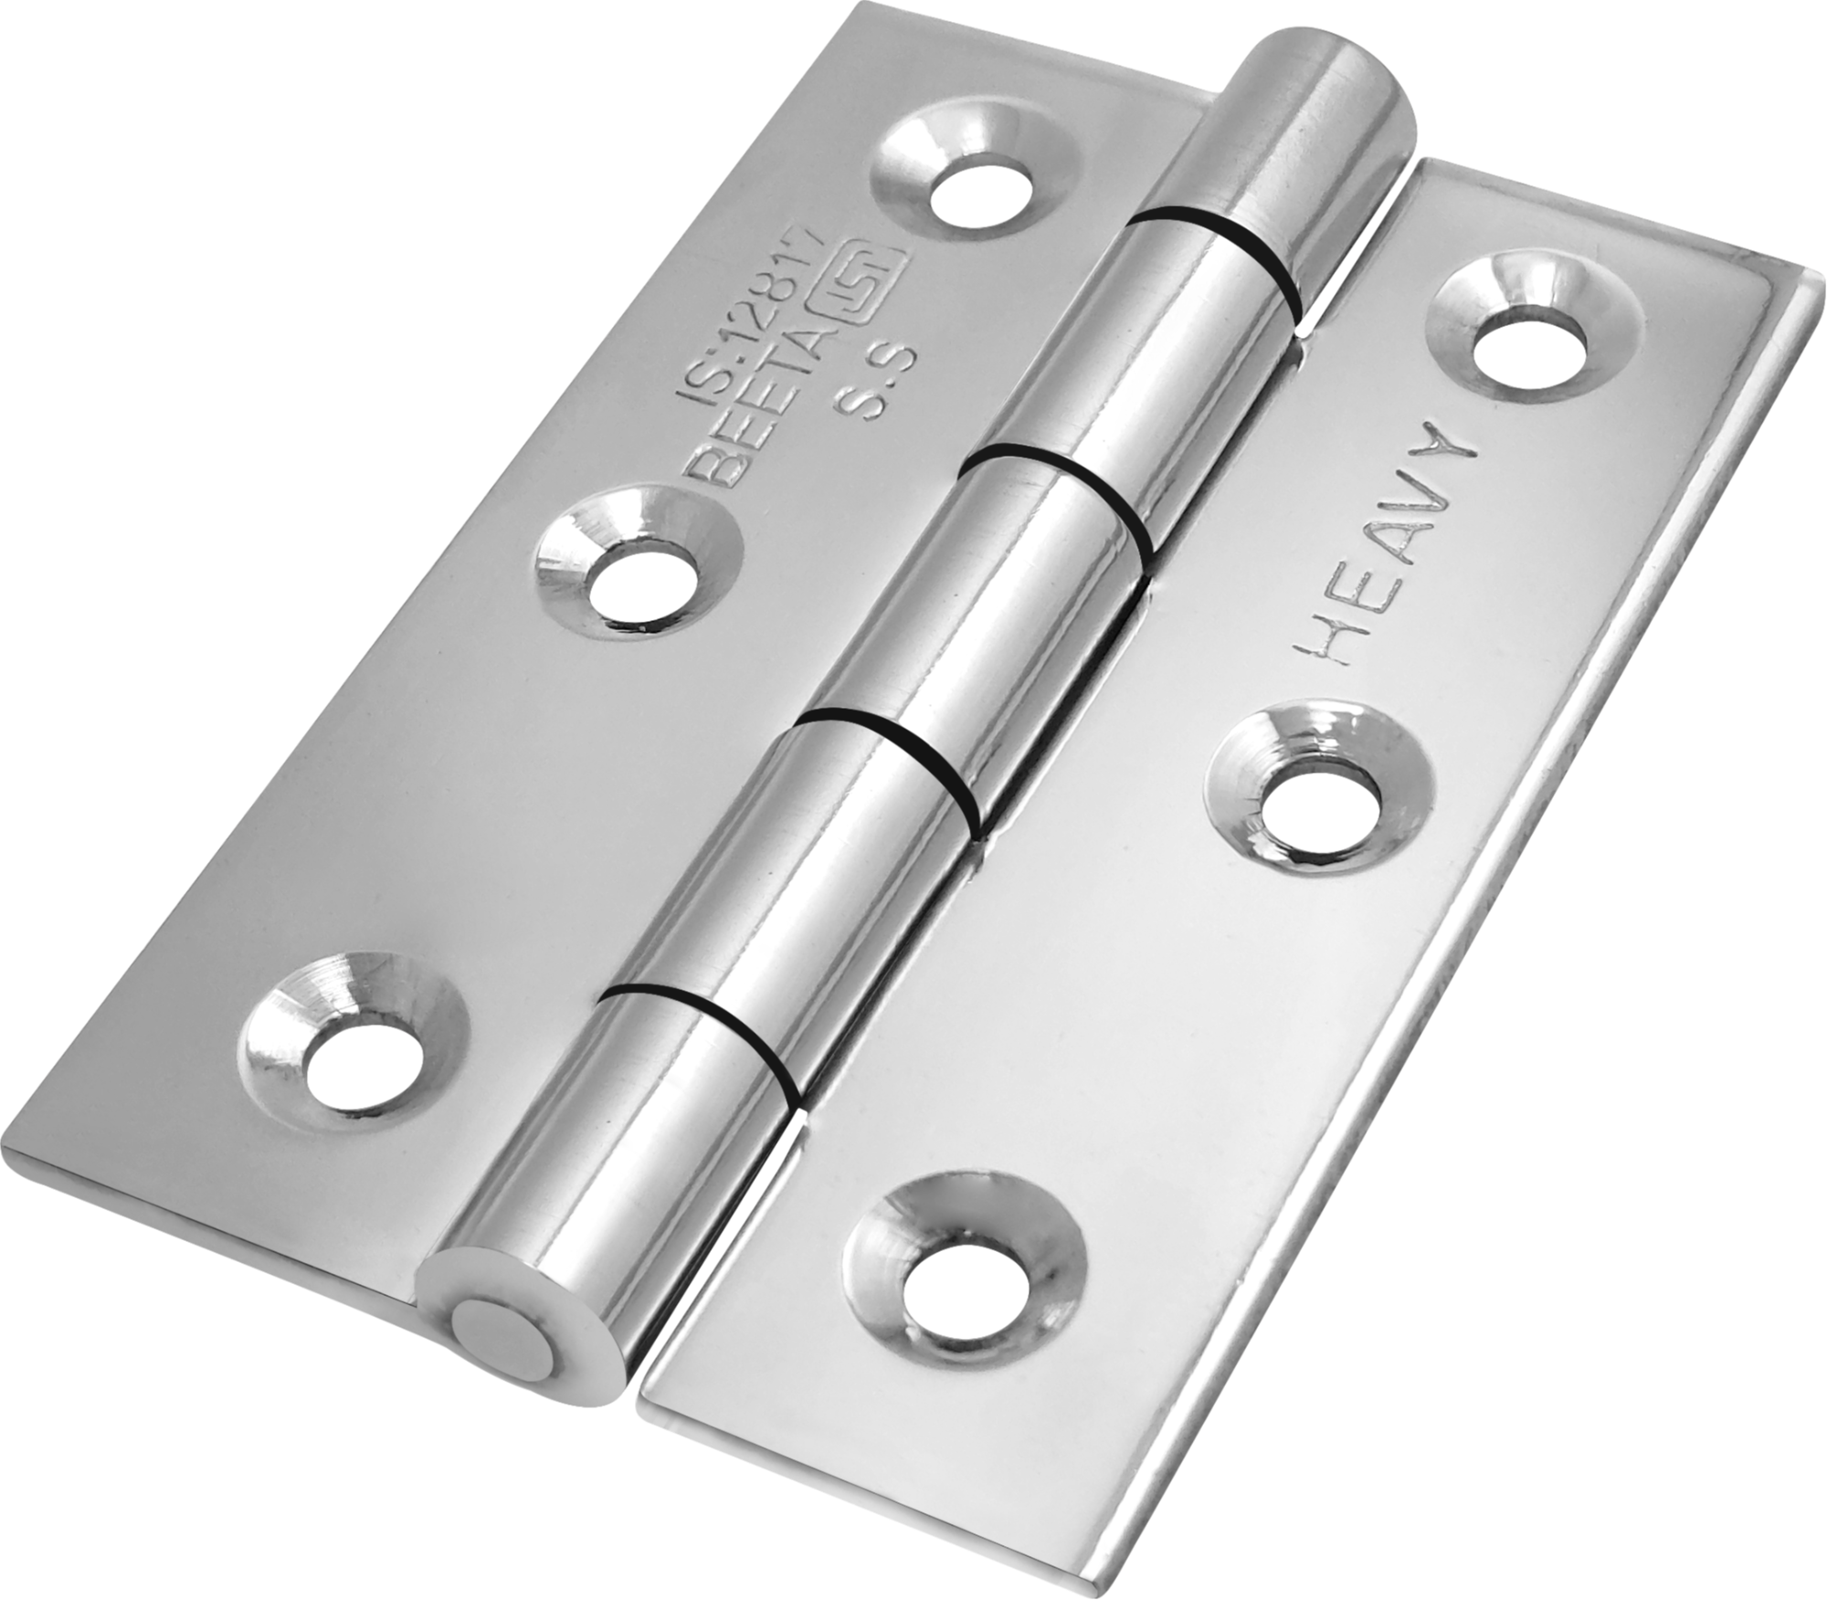
 | Furniture Assembling Worker | Measuring tape |  |  | 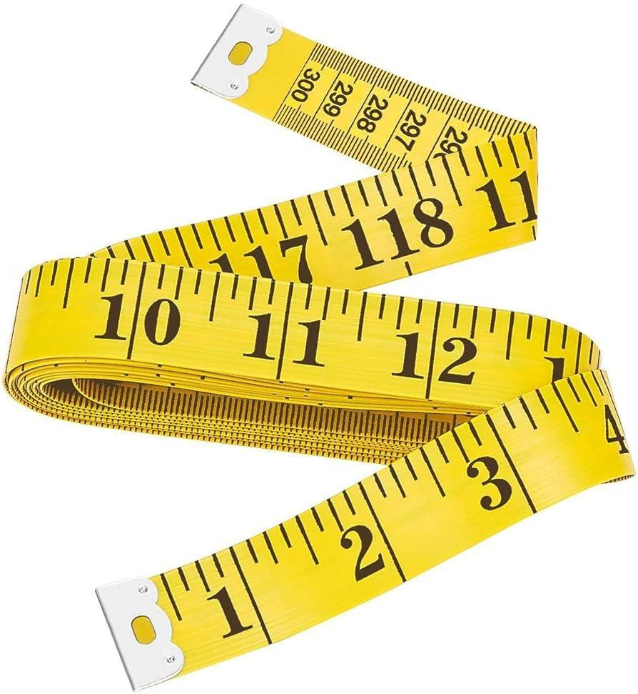
 | Furniture Assembling Worker | Power drill |  |  | 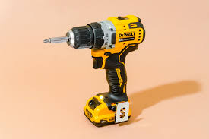
 | Furniture Assembling Worker | Screwdriver |  |  | 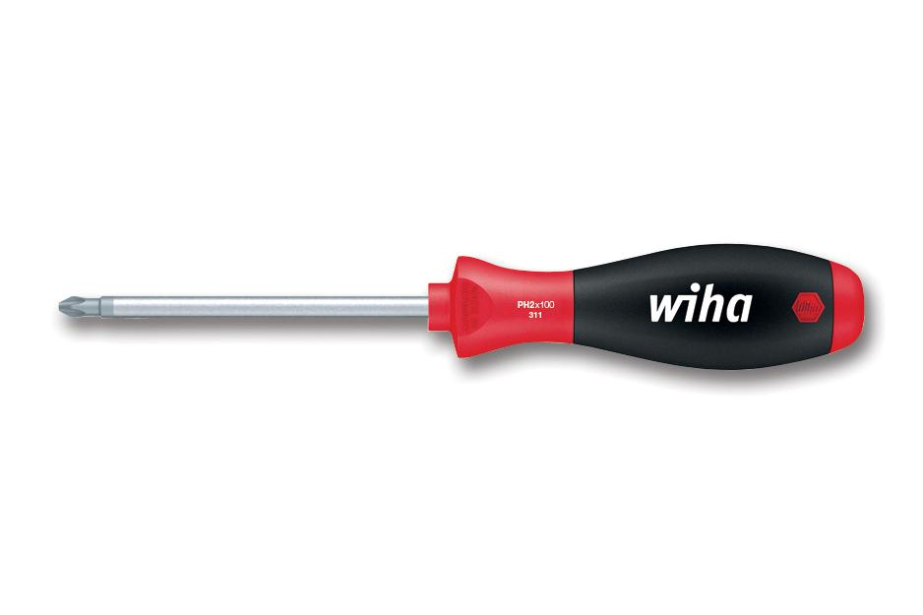
 | Furniture Assembling Worker | Carpenter's level
 | Furniture Assembling Worker | PPE (Personal Protective Equipment) including safety goggles and cut-resistant gloves, ear protection, protective wear. |  |  | 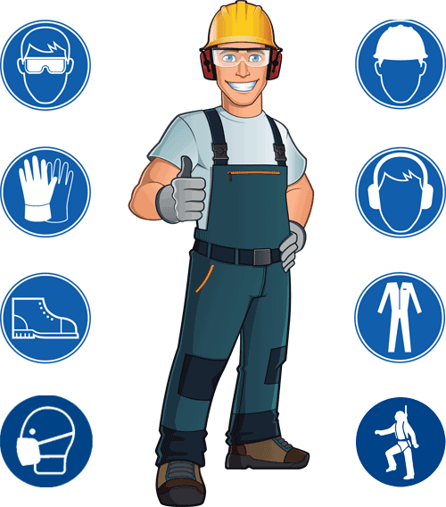
 | Furniture Assembling Worker | Wall brackets |  |  | 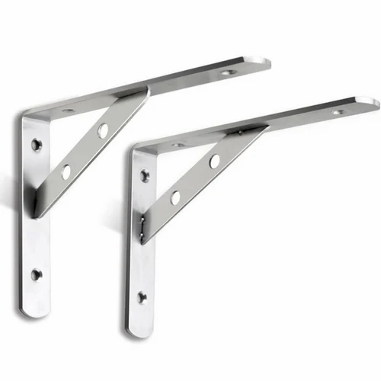
 | Furniture Assembling Worker | Wall anchors |  |  | 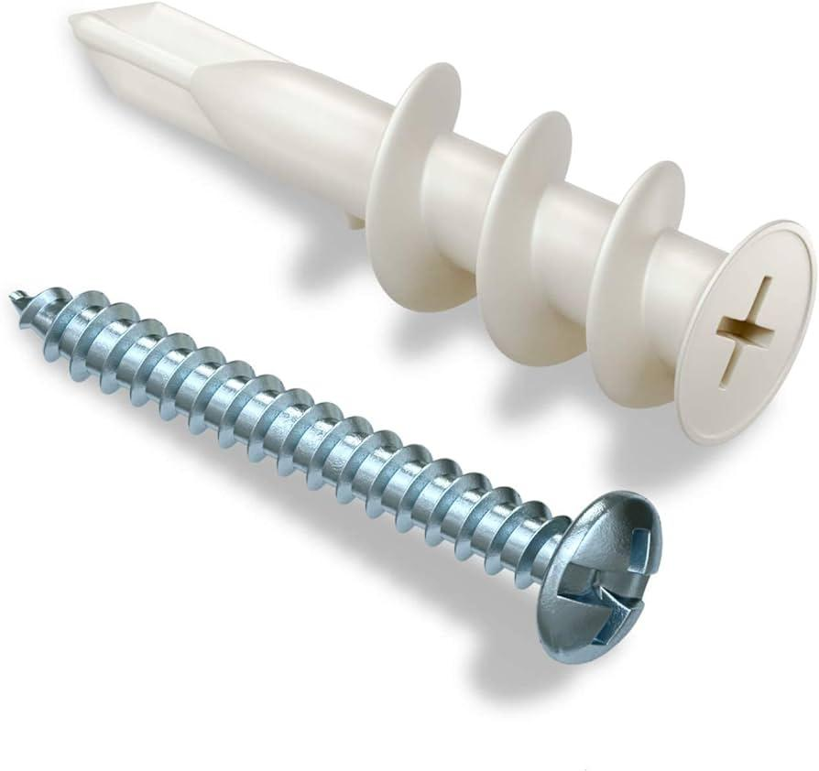
 | Furniture Assembling Worker | Wooden table |  |  | 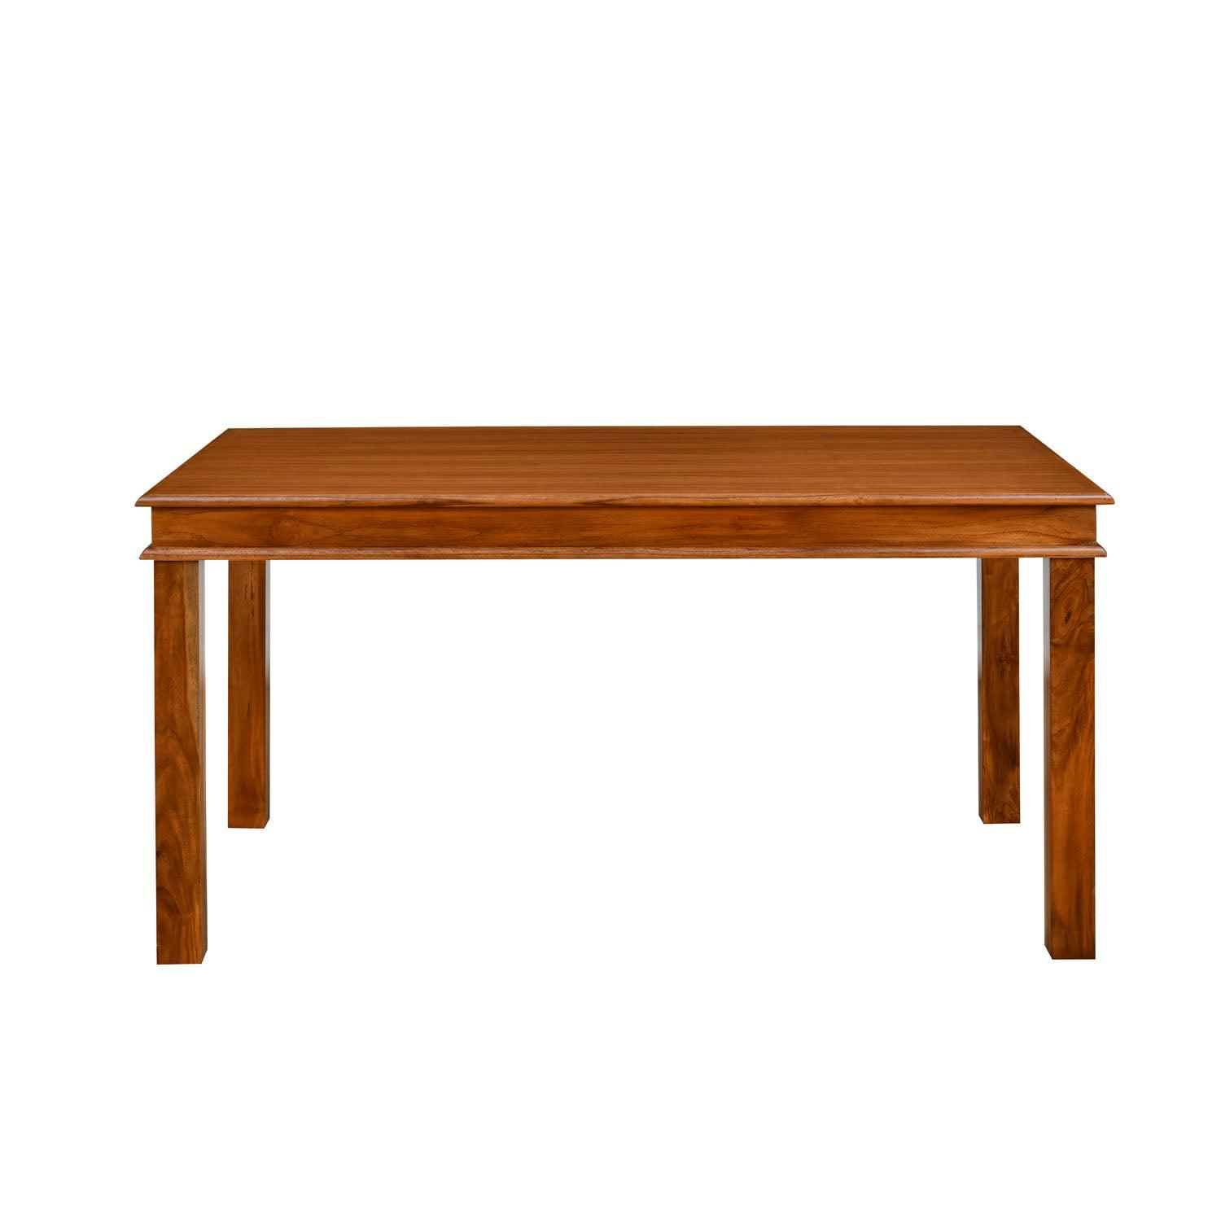
 | Furniture Assembling Worker | Surface conditioning discs |  |  | 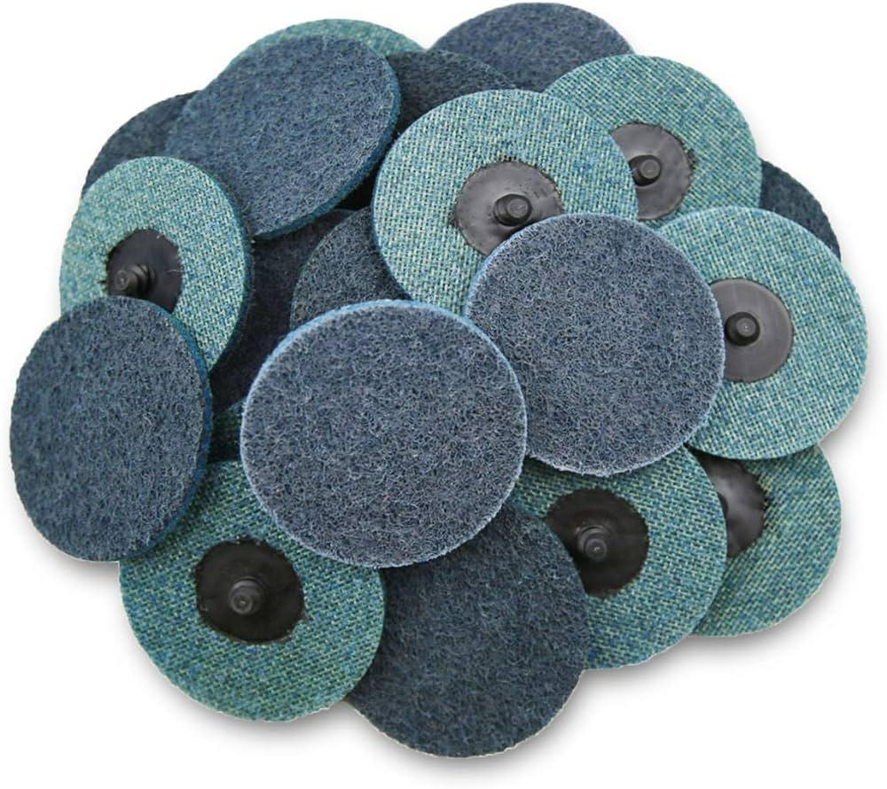
 | Furniture Assembling Worker | Orbital sander |  |  | 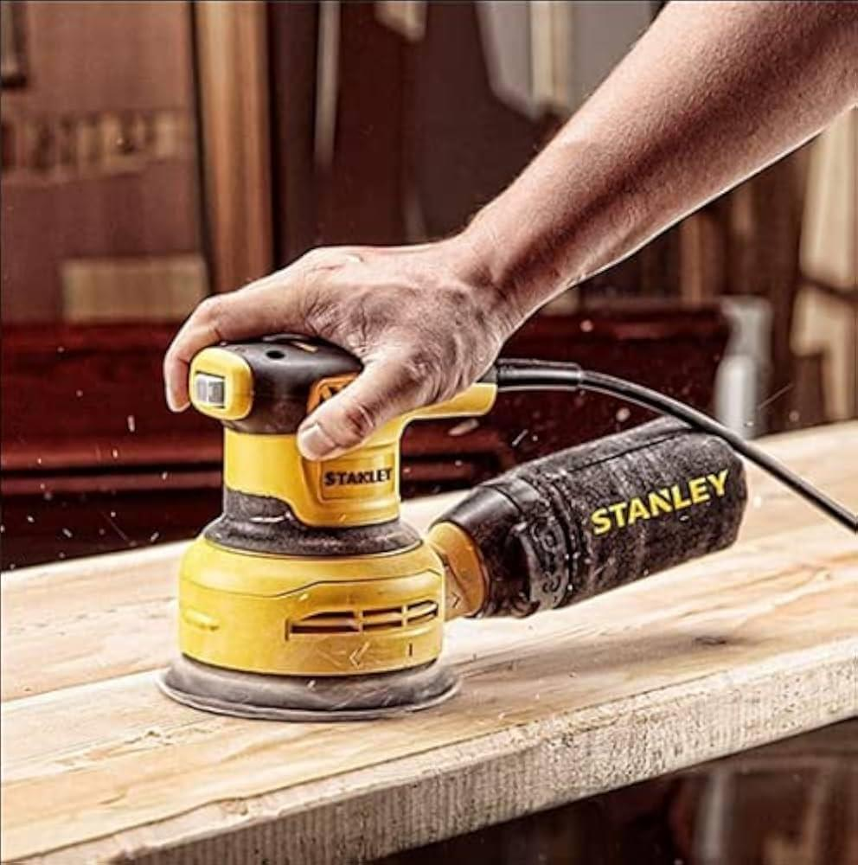
 | Furniture Assembling Worker | Sanding discs |  |  | 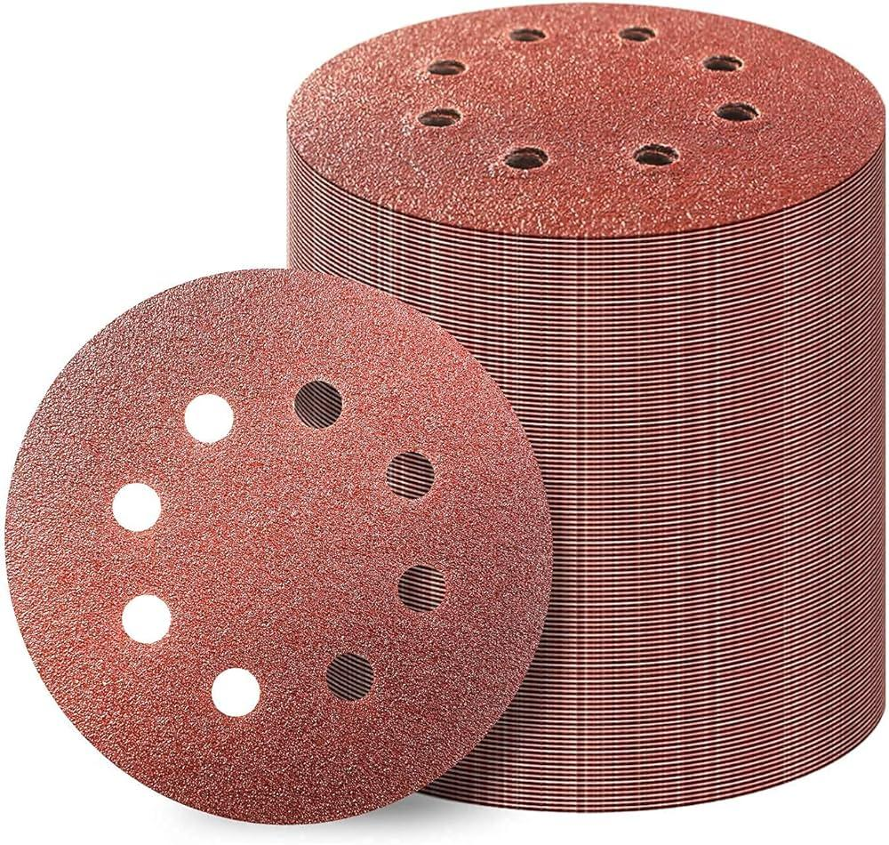
 | Furniture Assembling Worker | Paintbrush |  |  | 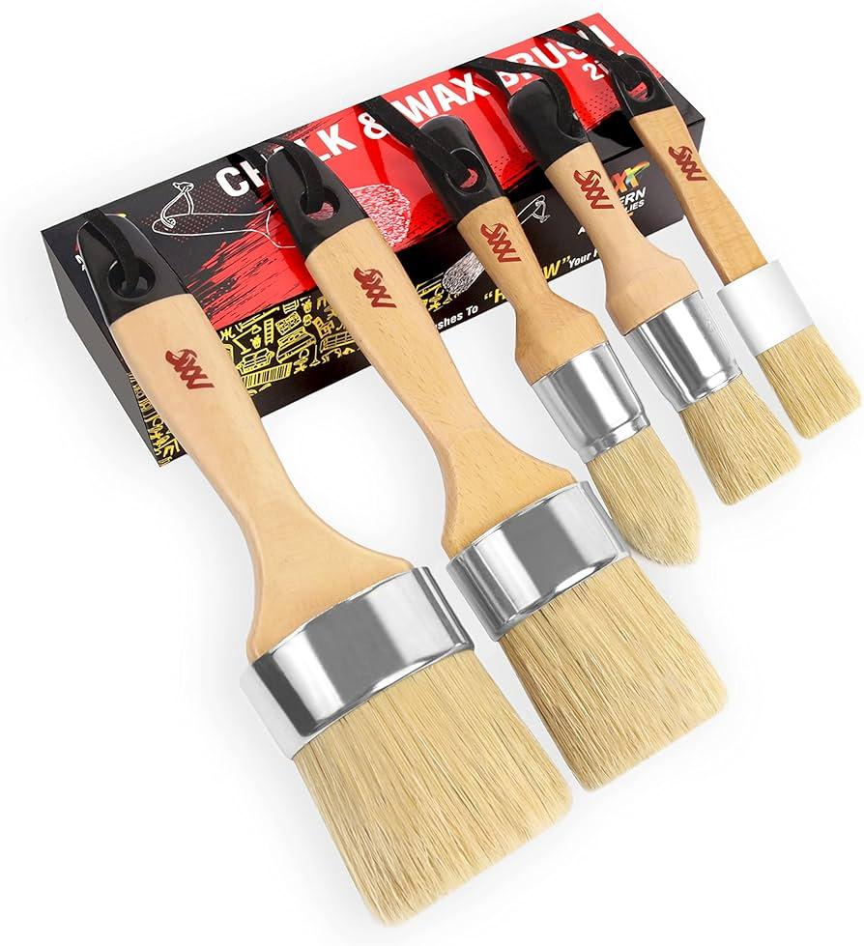
 | Furniture Assembling Worker | Wood primer |  |  | 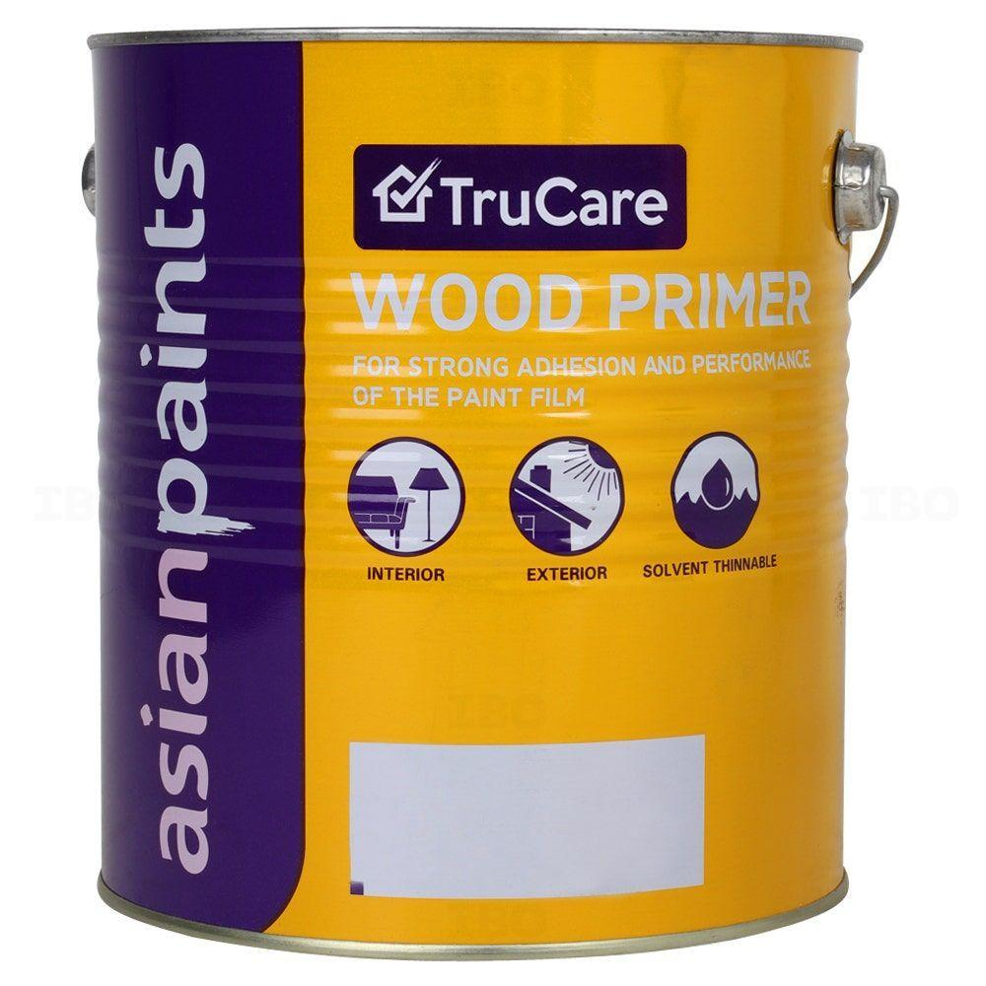
 | Furniture Assembling Worker | Wood paint
 | Furniture Assembling Worker | Desk panels |  |  | 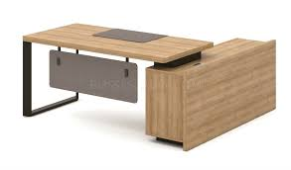
 | Furniture Assembling Worker | Miter saw |  |  | 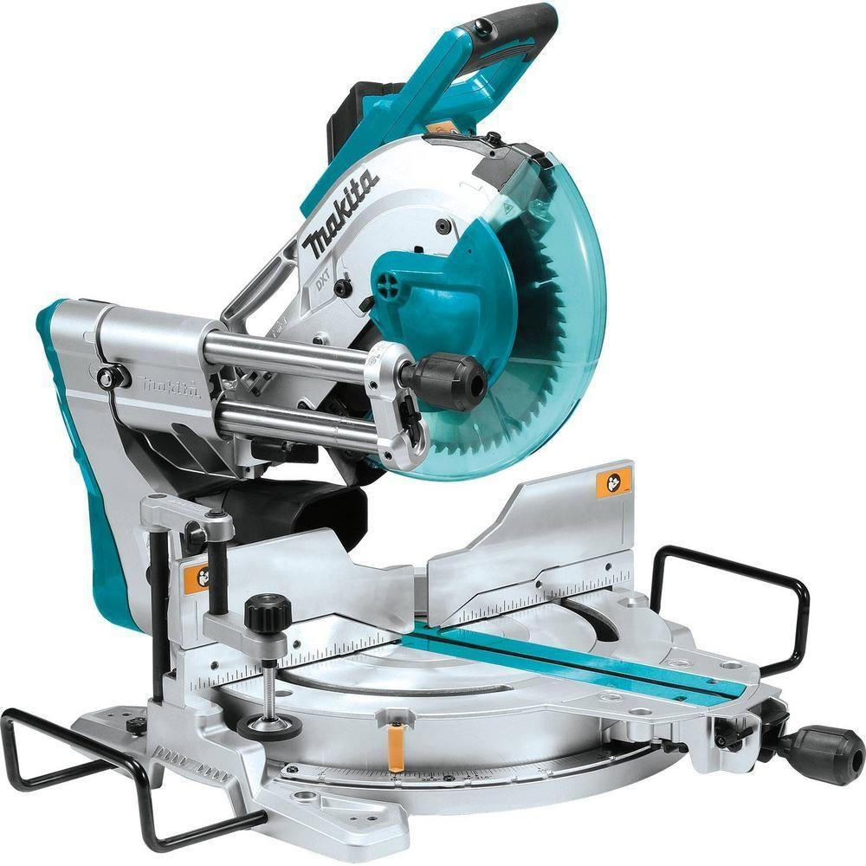
 | Furniture Assembling Worker | Pocket hole jig |  |  | 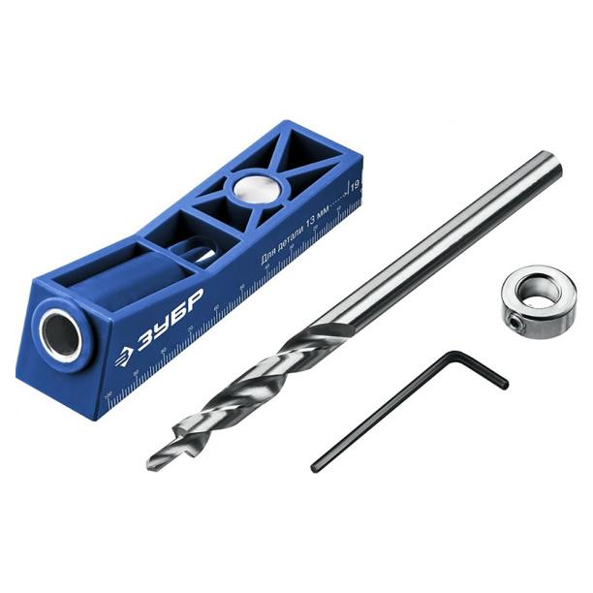
 | Furniture Assembling Worker | Carpenter's square |  |  | 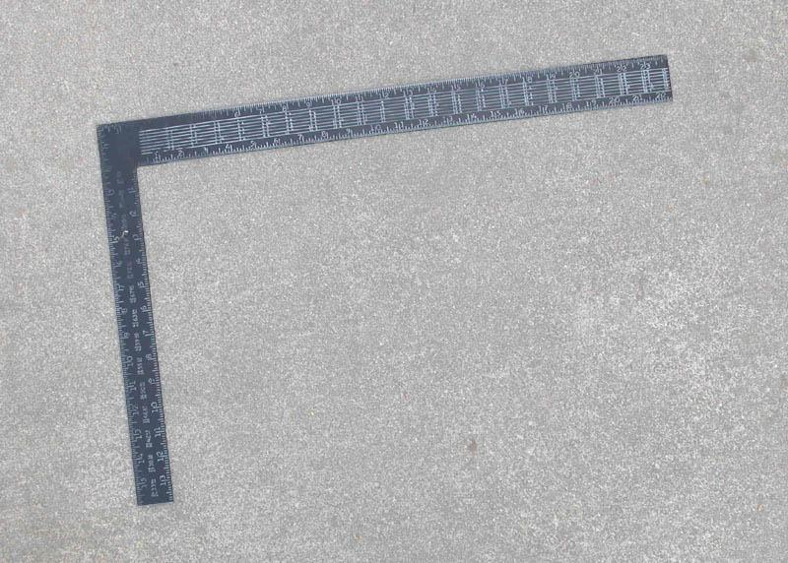
 | Furniture Assembling Worker | Shop vacuum
 | Furniture Assembling Worker | Microfiber cloths |  |  | 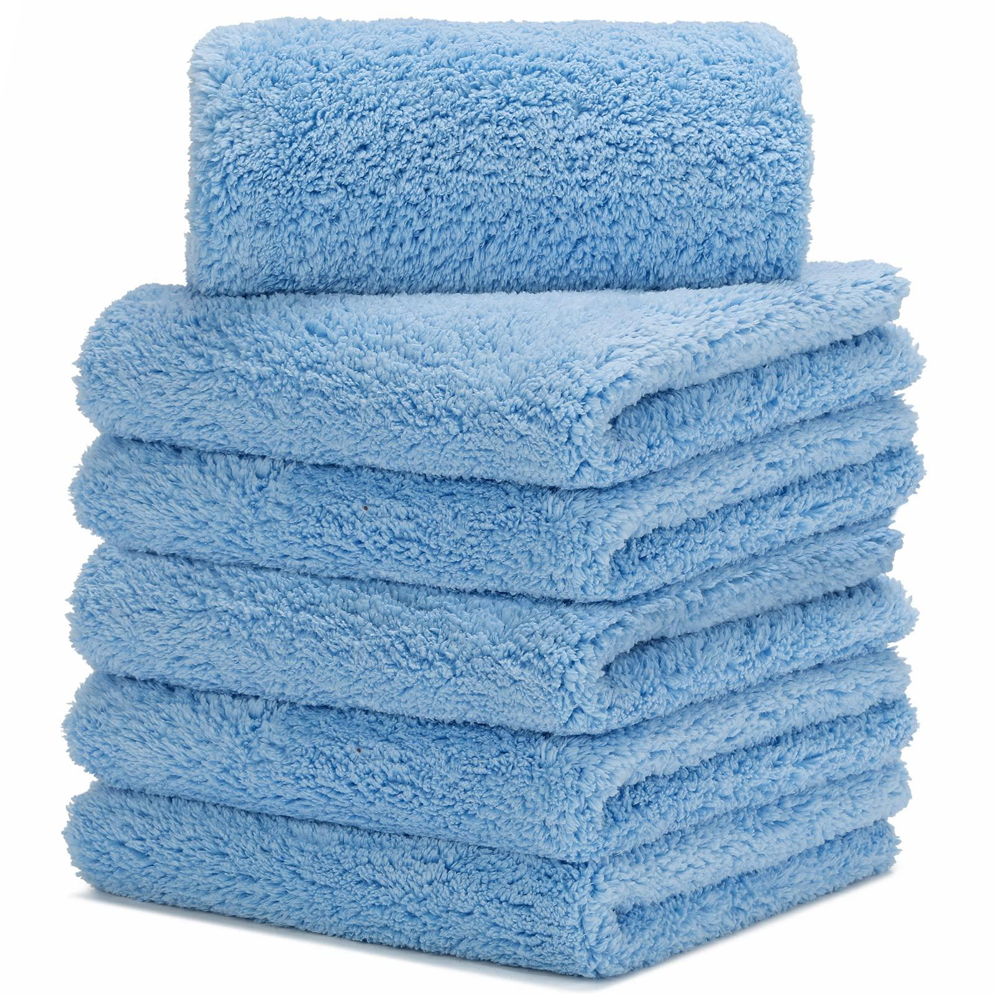
 | Furniture Assembling Worker | All-purpose cleaner |  |  | 
 | Furniture Assembling Worker | Edge banding tape |  |  | 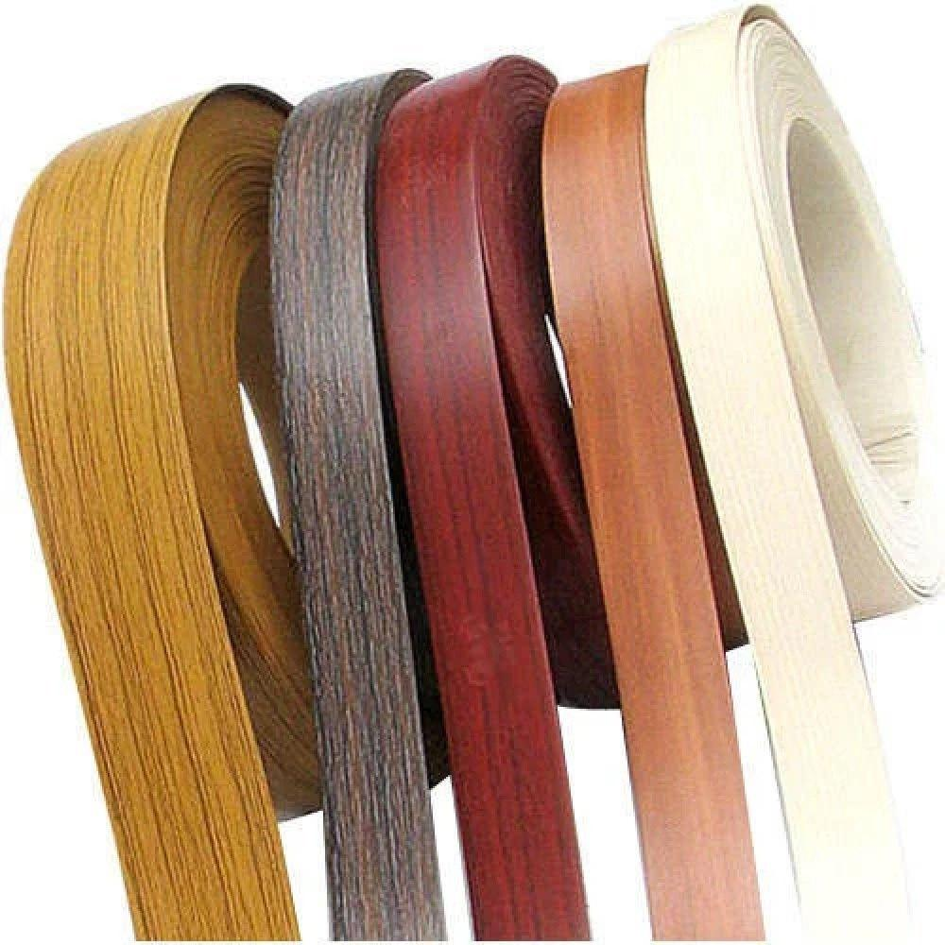
 | Furniture Assembling Worker | Edge banding machine |  |  | 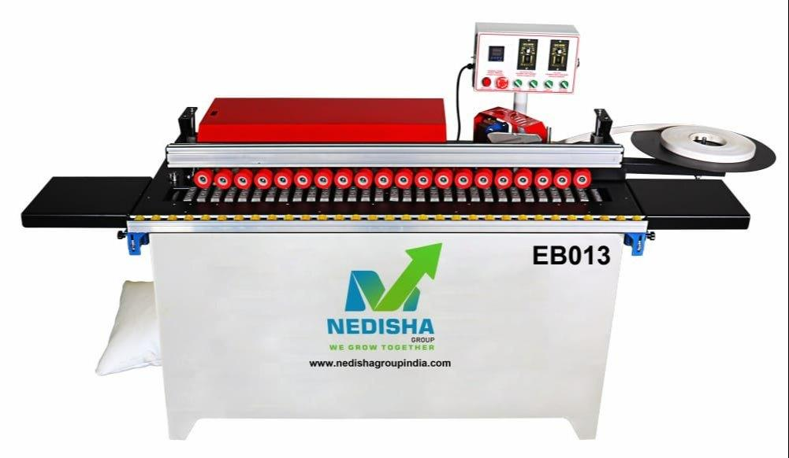
 | Furniture Assembling Worker | Edge trimmer |  |  | 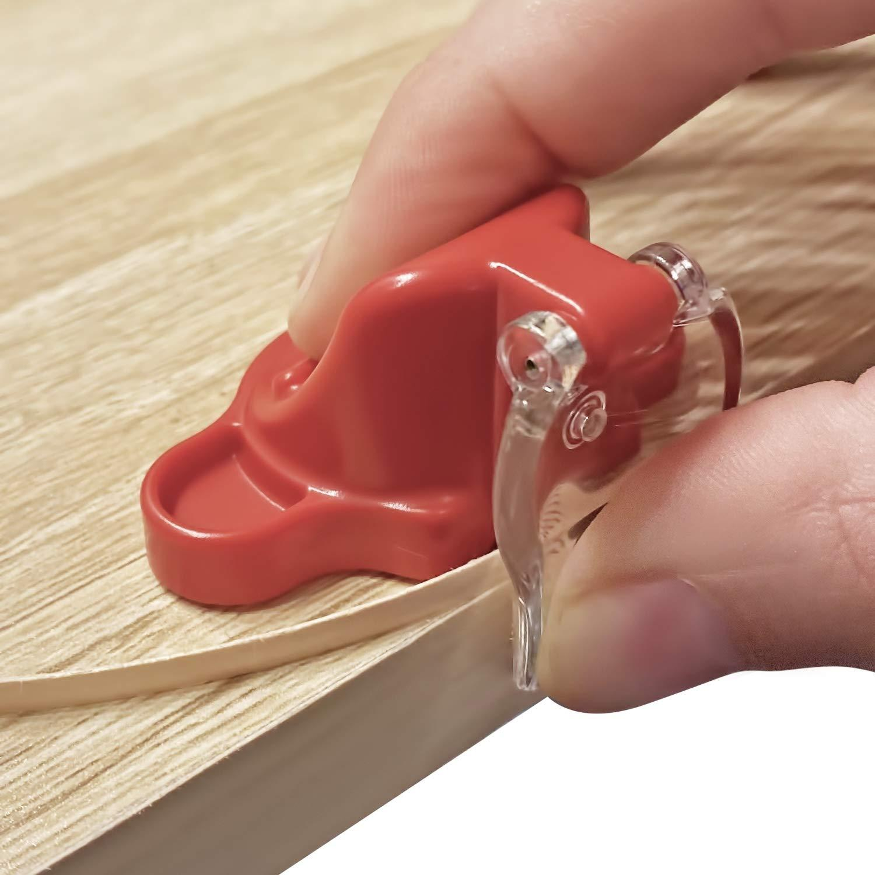
 | Furniture Assembling Worker | Scissors |  |  | 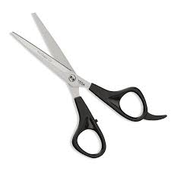
 | Furniture Assembling Worker | Cabinet doors |  |  | 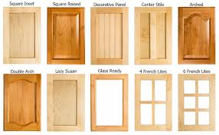
 | Furniture Assembling Worker | Combination square |  |  | 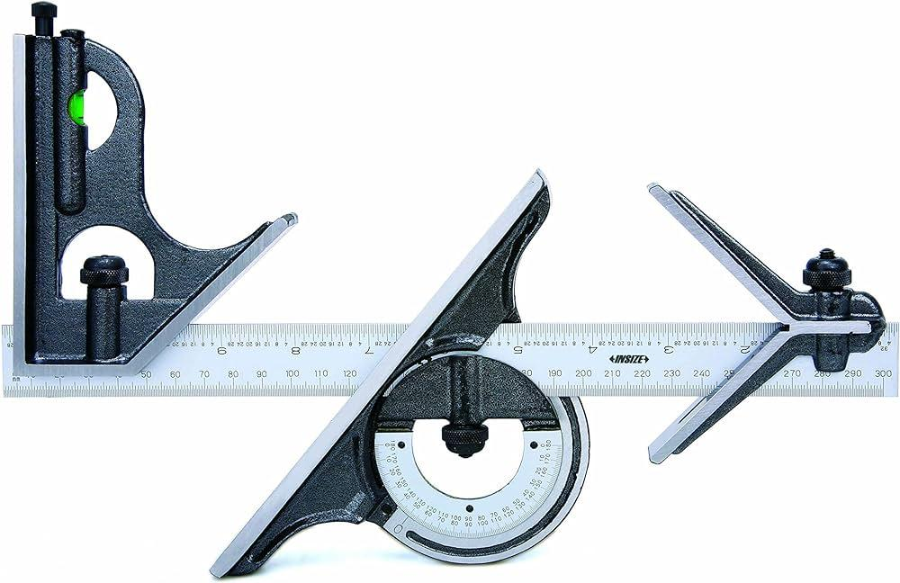
 | Furniture Assembling Worker | Magnifying glass |  |  | 
 | Furniture Assembling Worker | Mild cleaner
 | Furniture Assembling Worker | Touch-up paint
 | Furniture Assembling Worker | Fine brush |  |  | 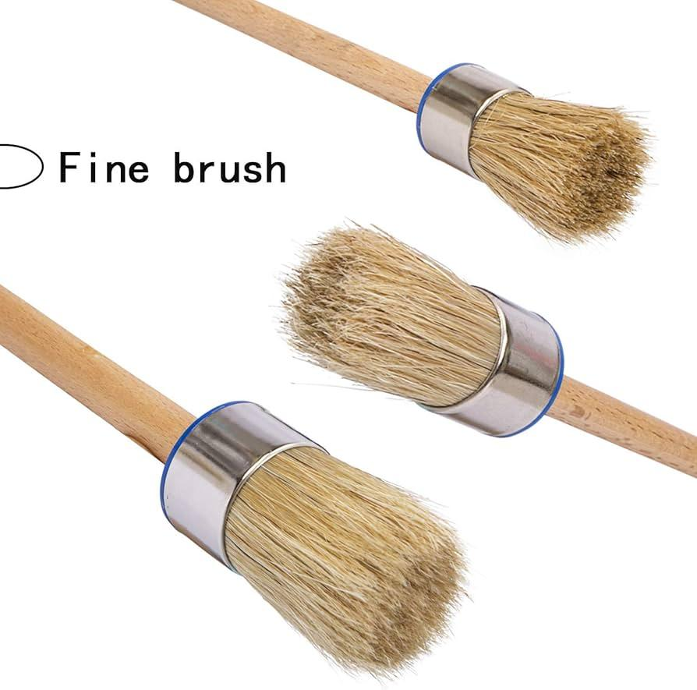
 | Furniture Assembling Worker | Corner brackets |  |  | 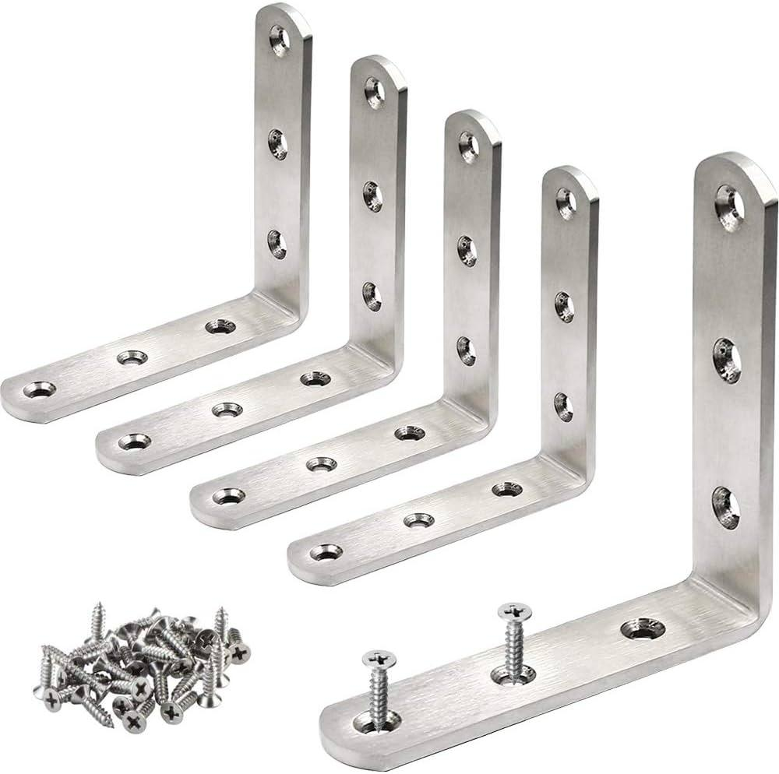
 | Furniture Assembling Worker | Stud finder |  |  | 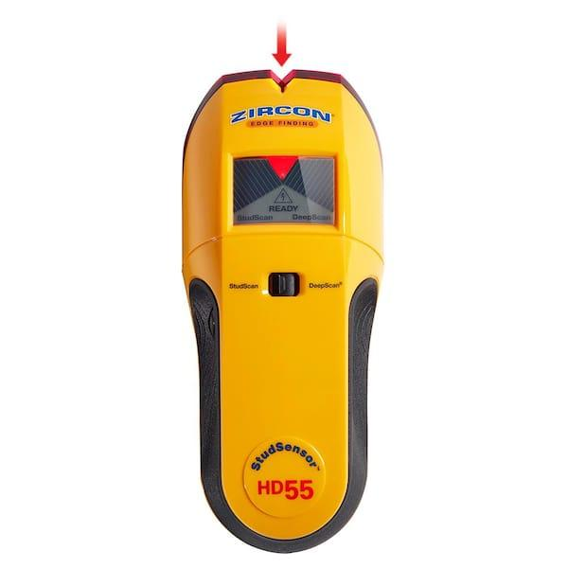
 | Furniture Assembling Worker | Wardrobe panels |  |  | 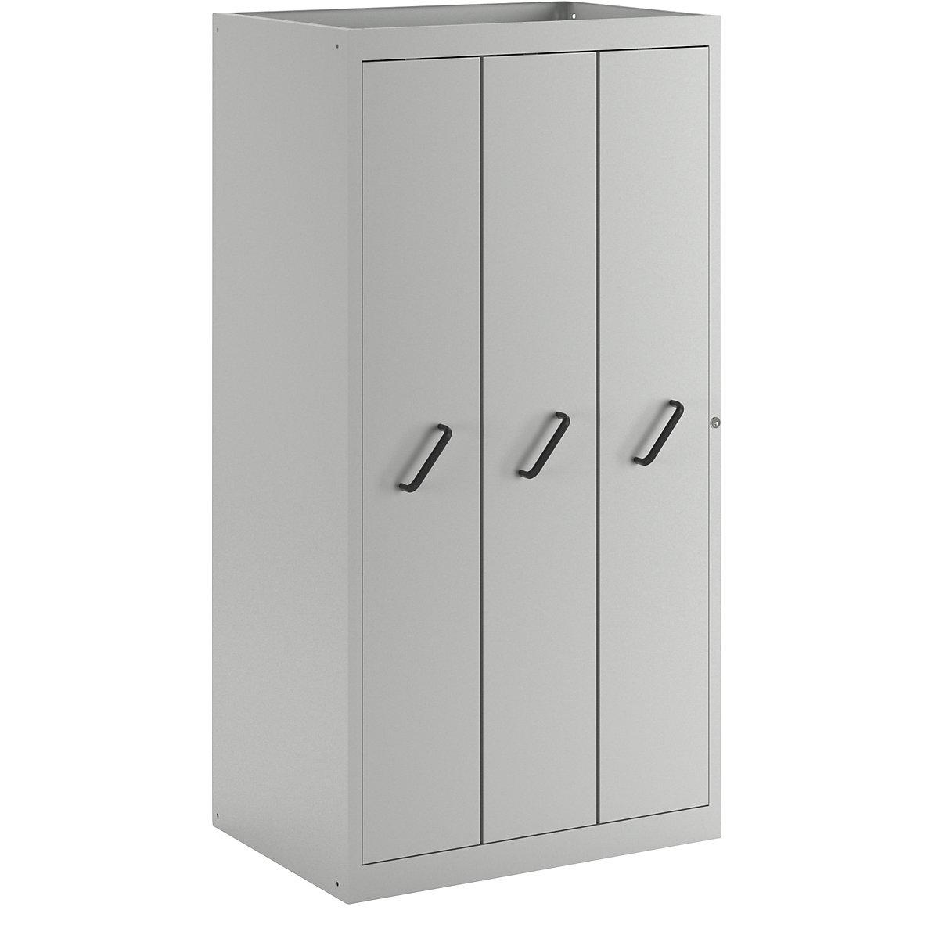
 | Furniture Assembling Worker | Circular saw |  |  | 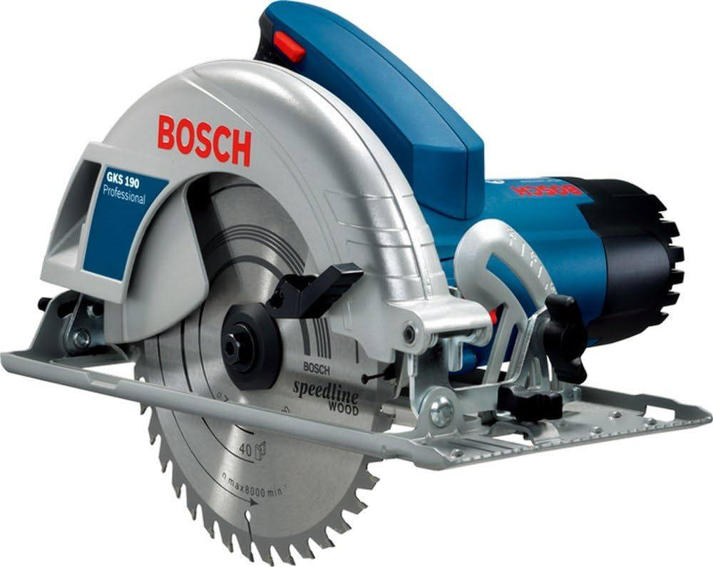
 | Furniture Assembling Worker | Dust collection system |  |  | 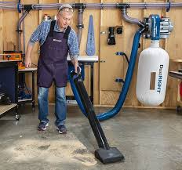
 | Furniture Assembling Worker | Abrasive blast |  |  | 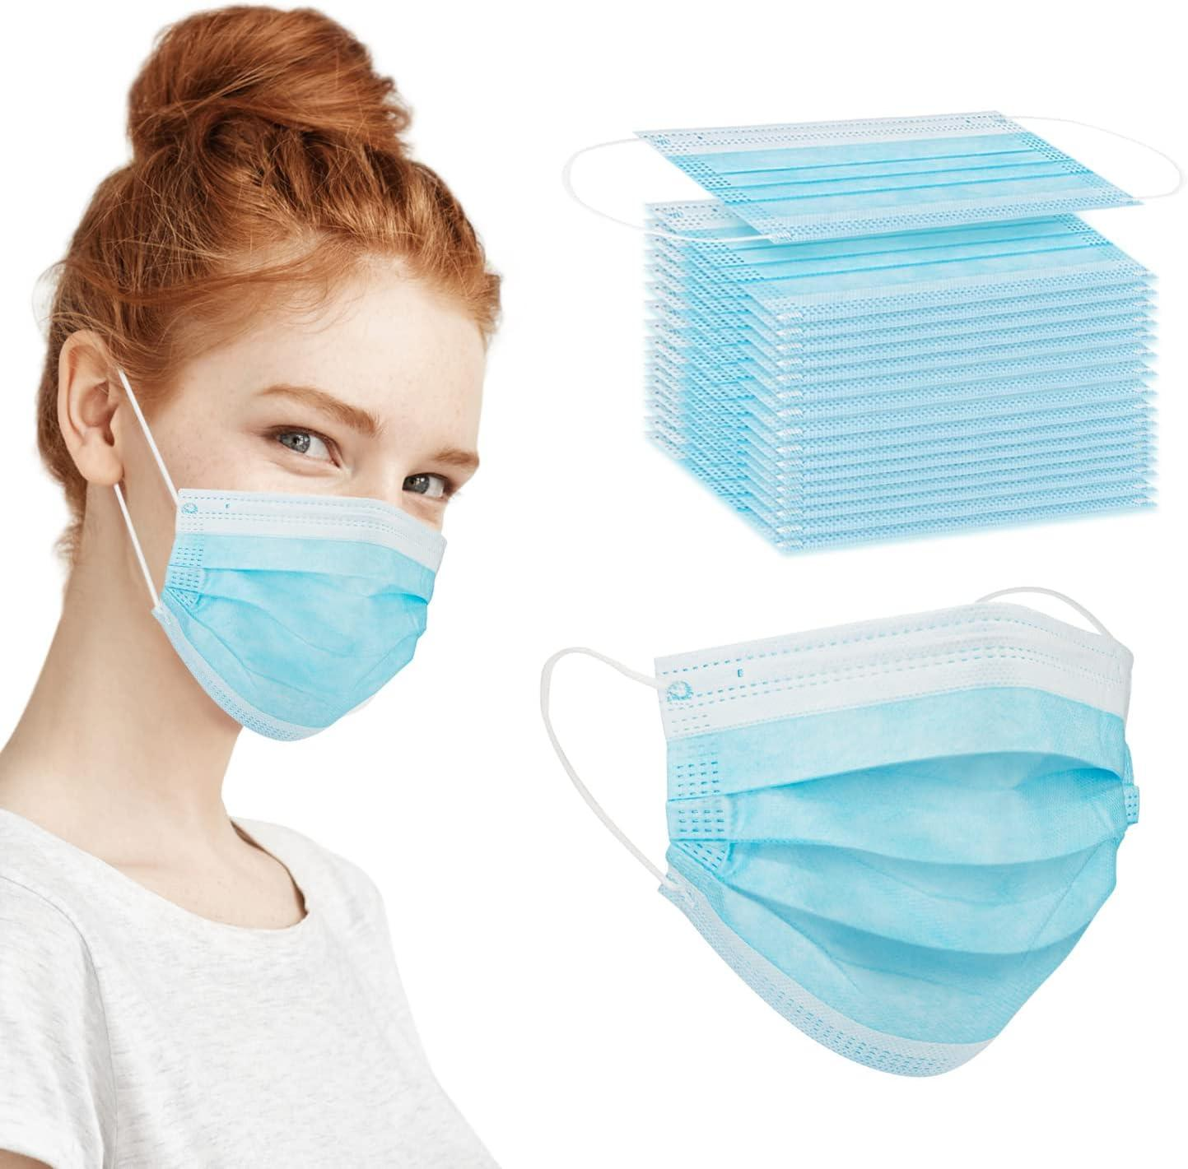
 | Furniture Assembling Worker | Acoustic cleaners (sonic horns) |  |  | 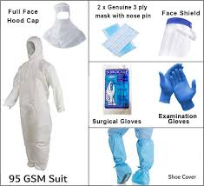 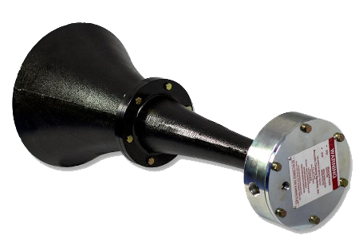
 | Furniture Assembling Worker | Steam cleaner |  |  |  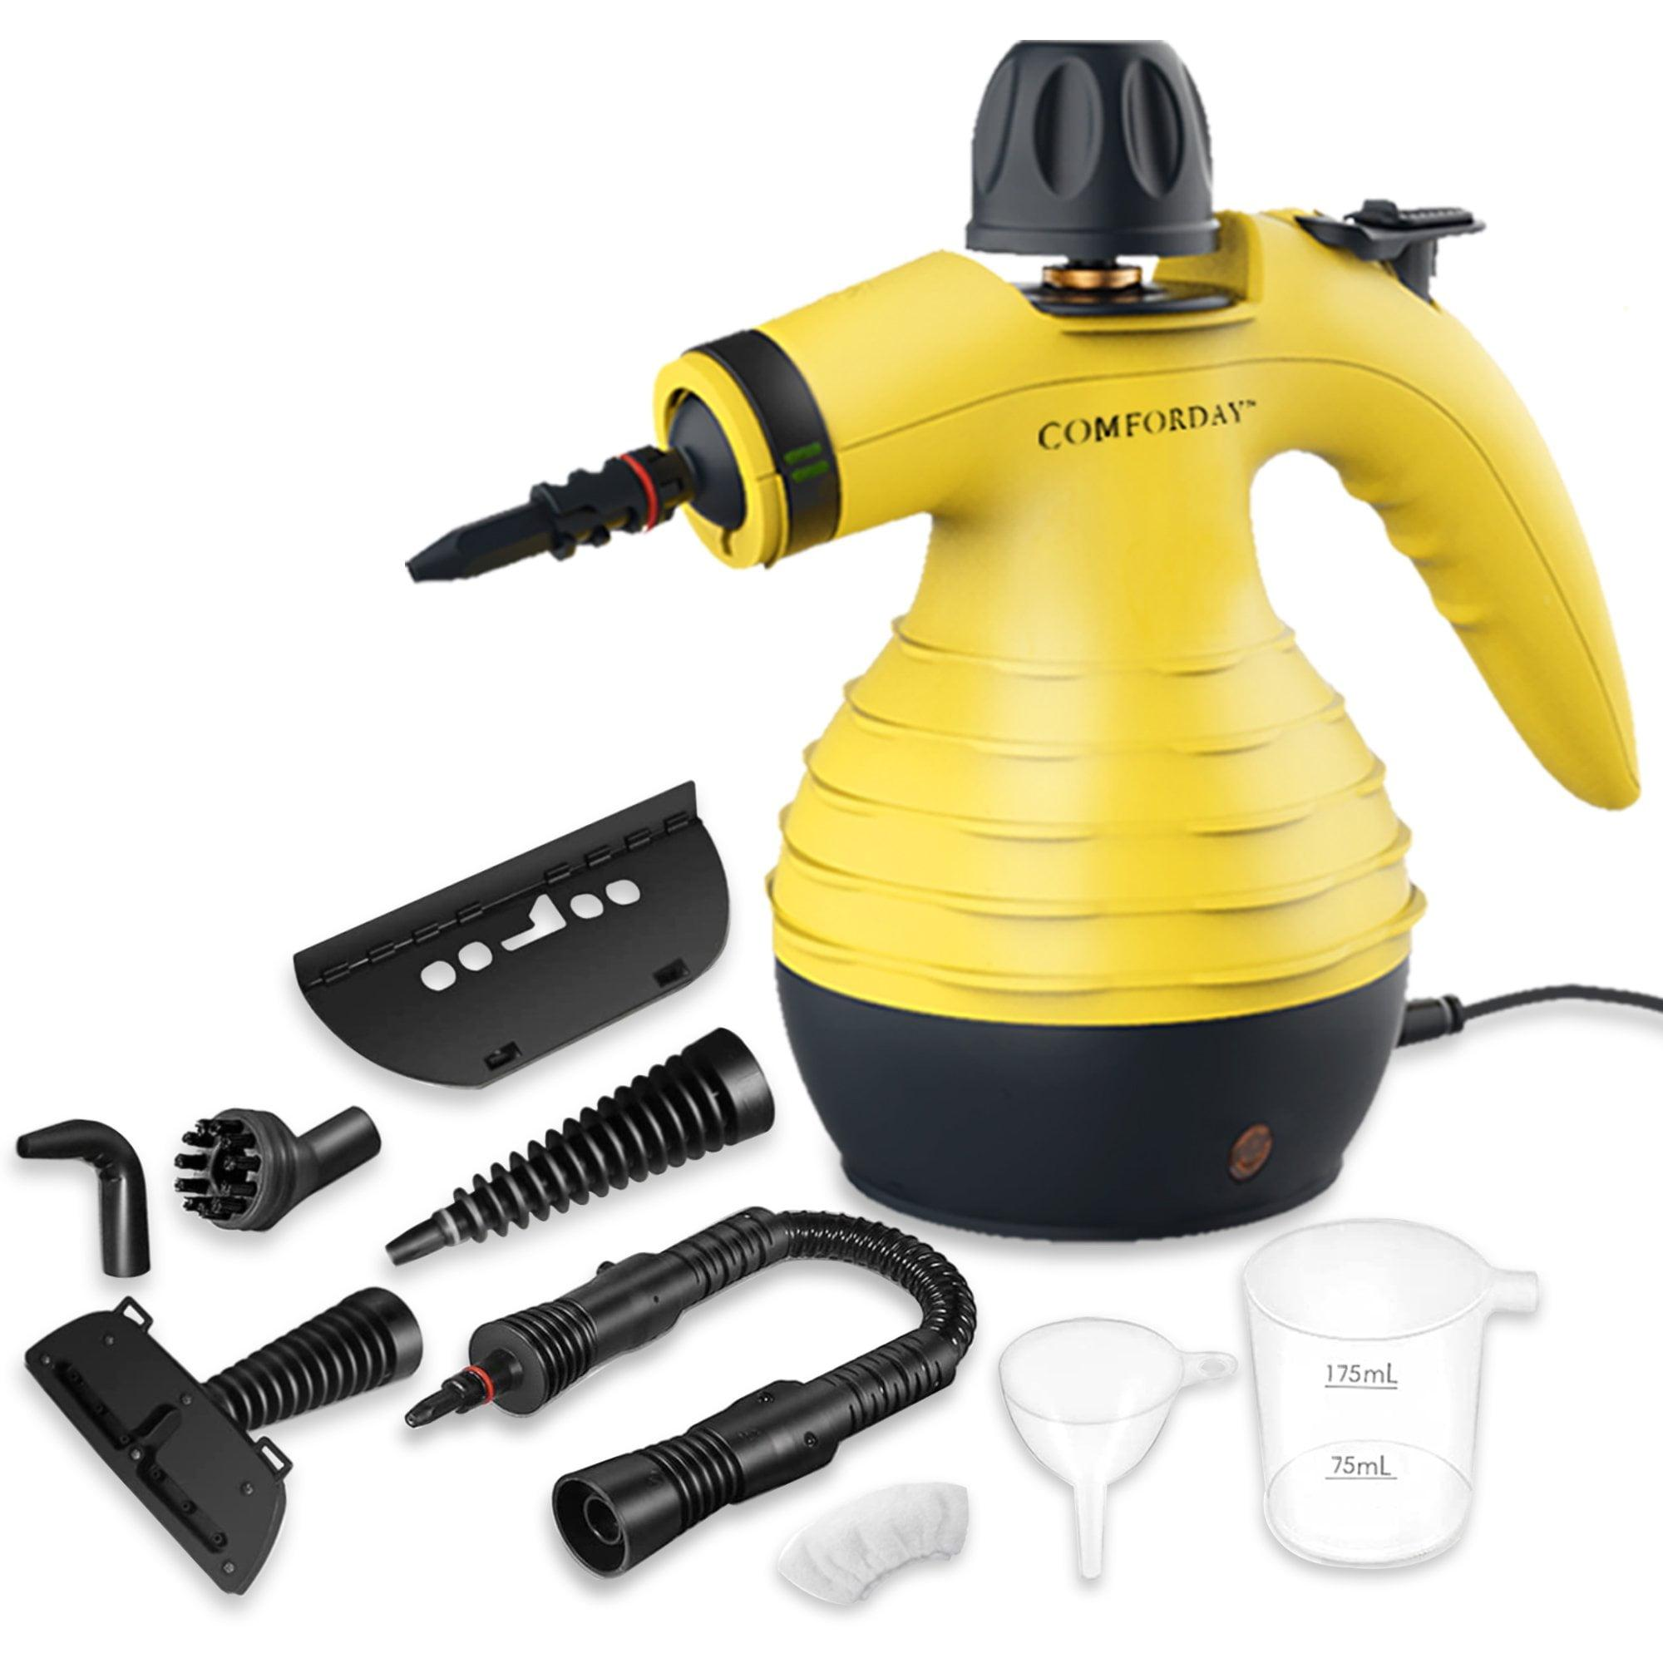
 | Furniture Assembling Worker | Distilled water
 | Furniture Assembling Worker | Cleaning cloths |  |  | 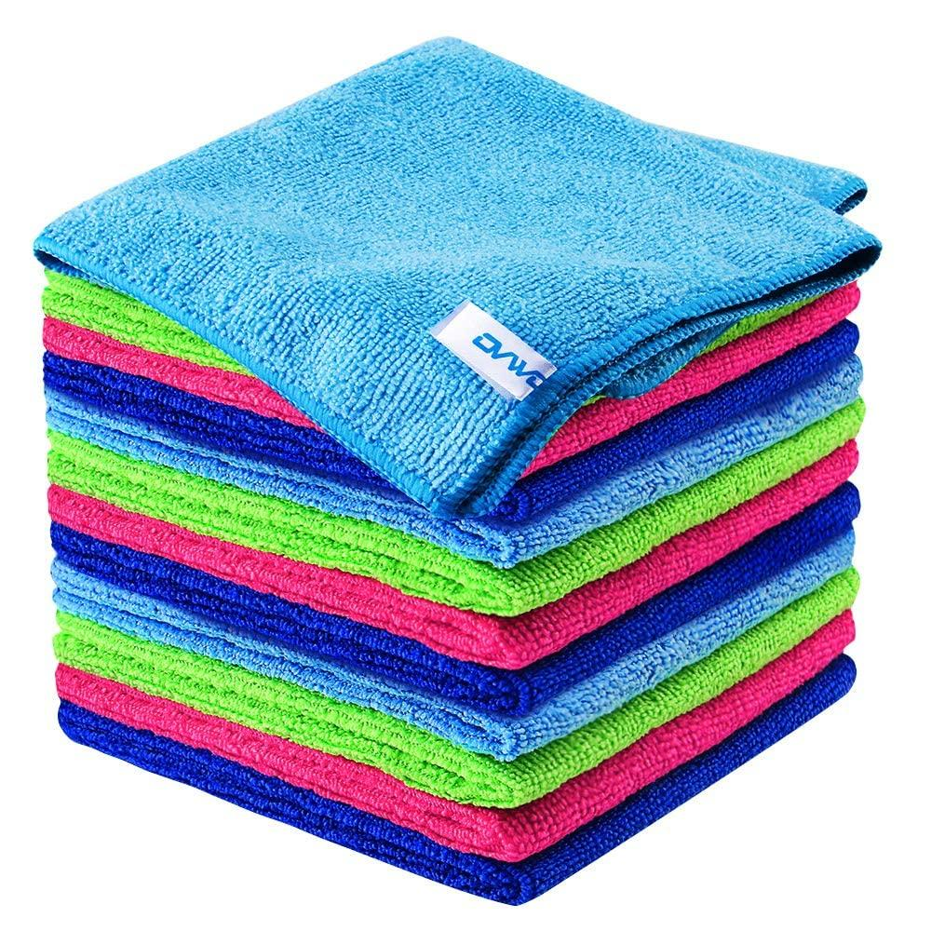
 | Furniture Assembling Worker | Flame cleaning torch |  |  | 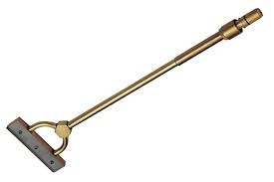
 | Furniture Assembling Worker | Scraper |  |  | 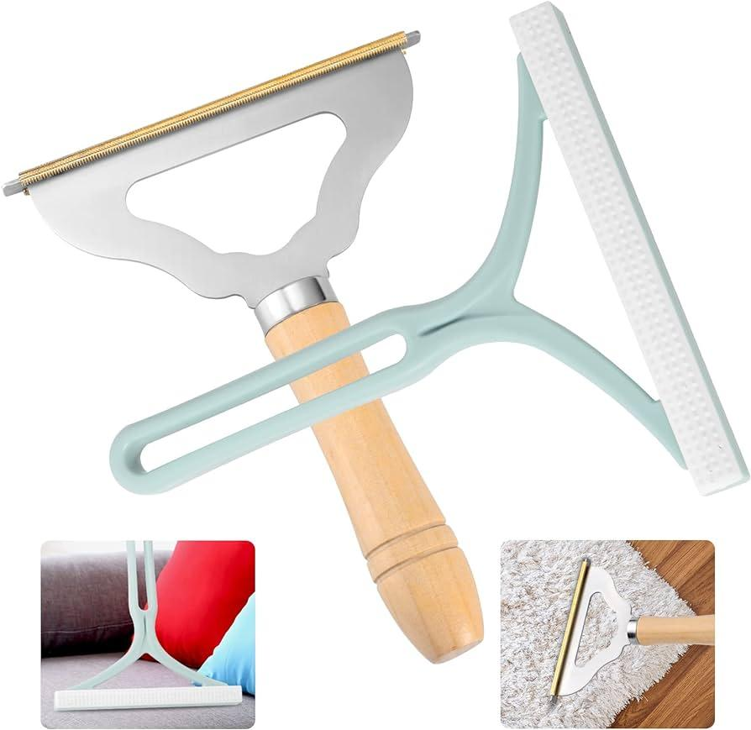
 | Furniture Assembling Worker | Disinfectant |  |  |    
 | Furniture Assembling Worker | Fire blanket |  |  | 
 | Furniture Assembling Worker | Fire extinguisher training simulator
 | Furniture Assembling Worker | Cylindrical keyed lock |  |  | 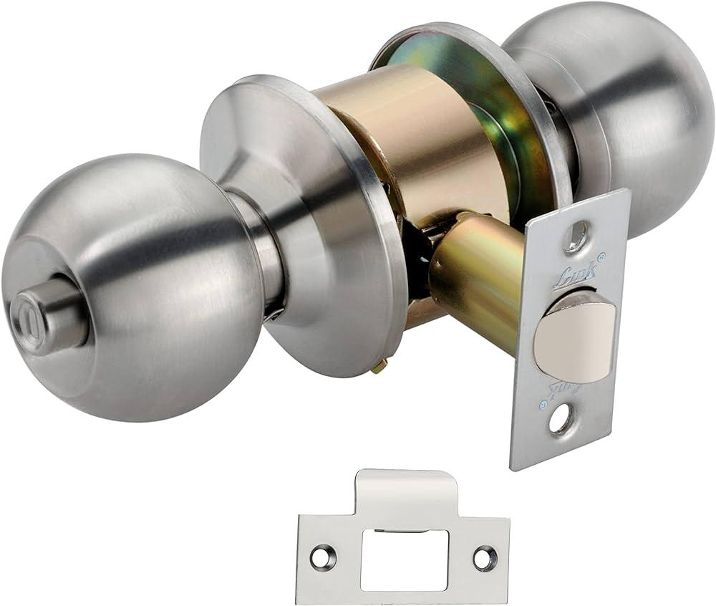
 | Furniture Assembling Worker | Cylindrical keyless lock
 | Furniture Assembling Worker | Night latch lock (inside opening) |  |  | 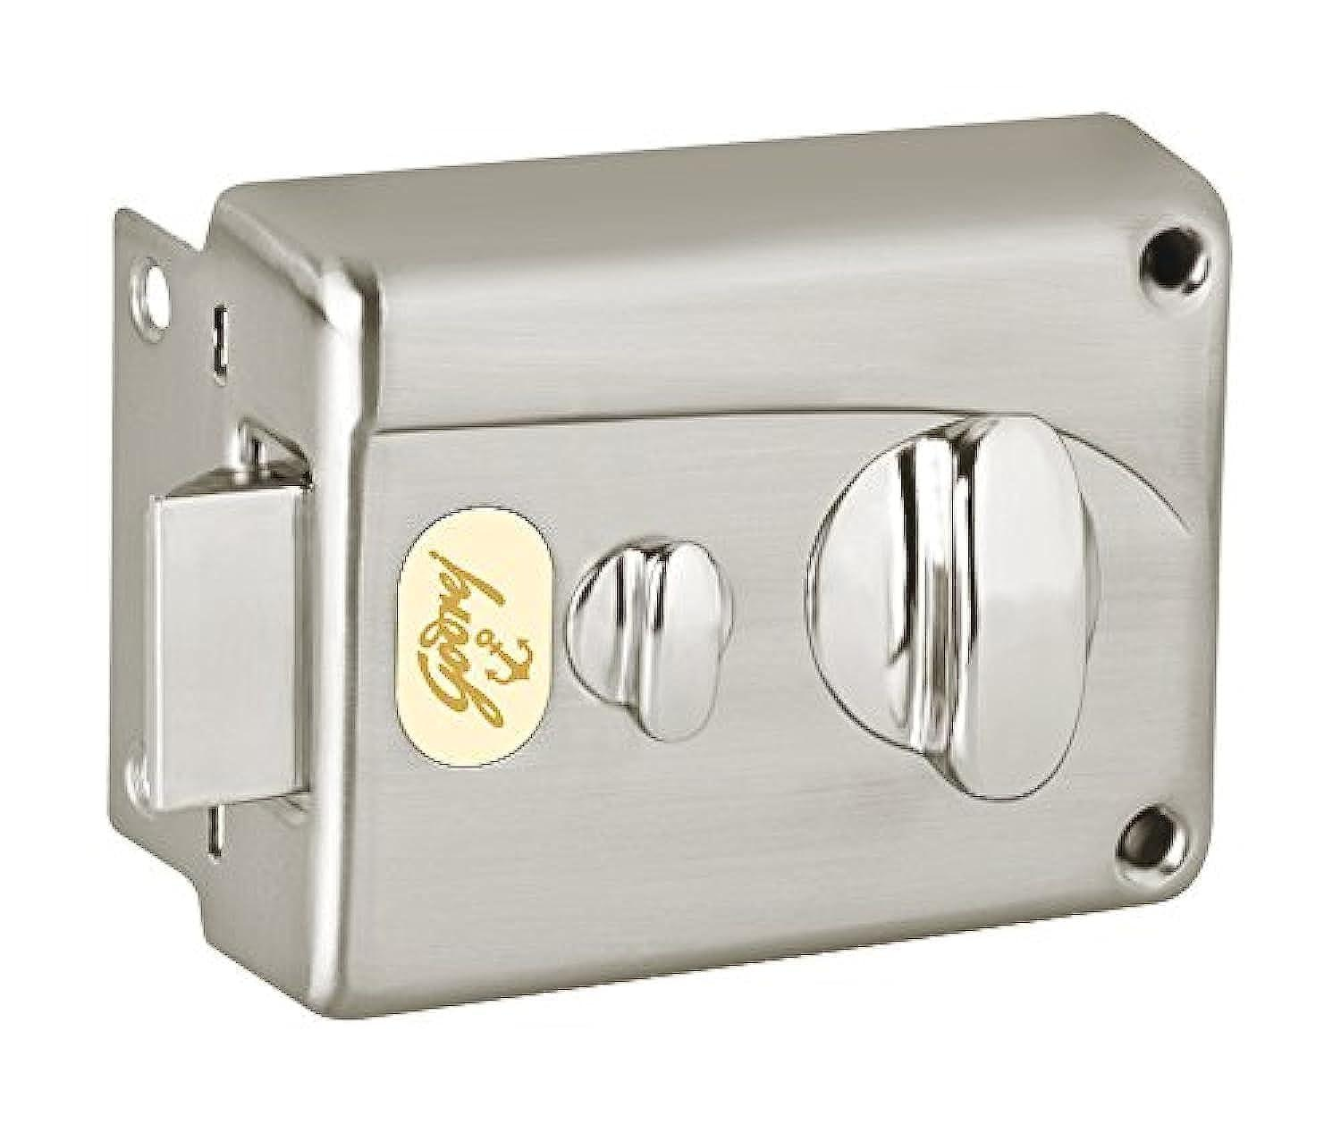
 | Furniture Assembling Worker | Night latch lock (outside opening) |  |  | 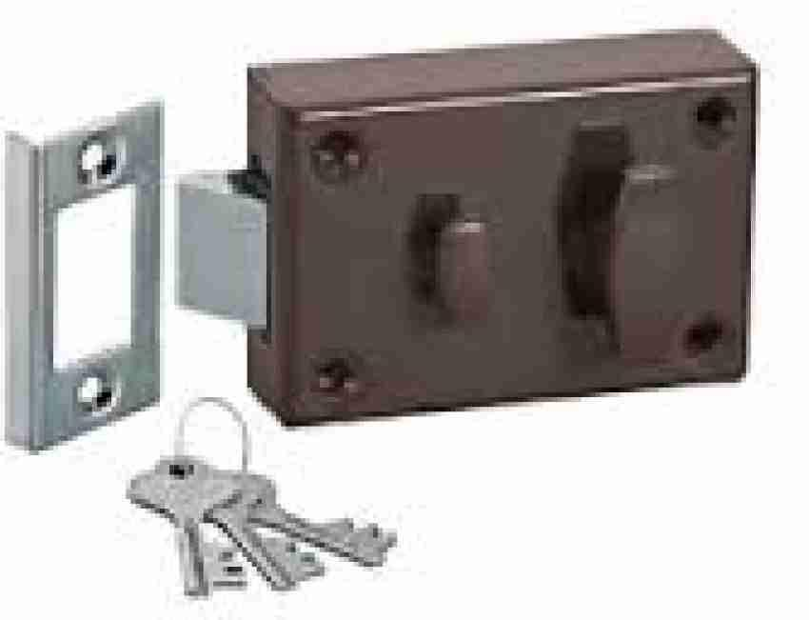
 | Furniture Assembling Worker | Rim lock (inside opening) |  |  | 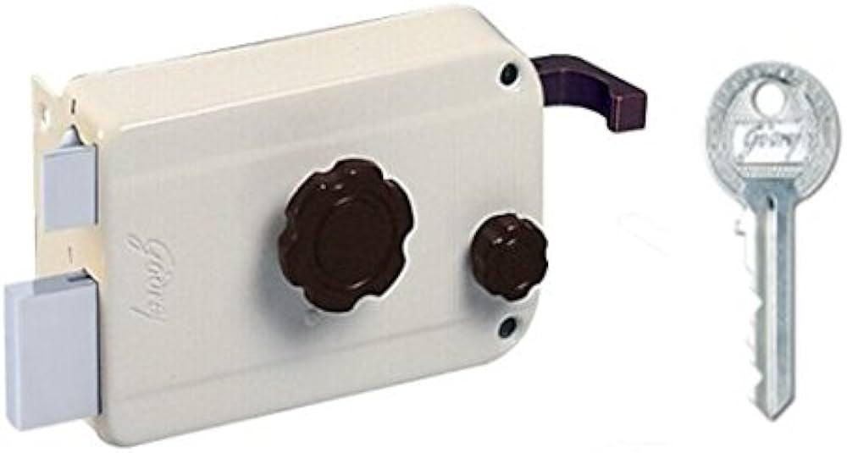
 | Furniture Assembling Worker | Mortise lock |  |  | 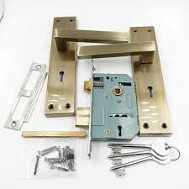
 | Furniture Assembling Worker | Chisel |  |  | 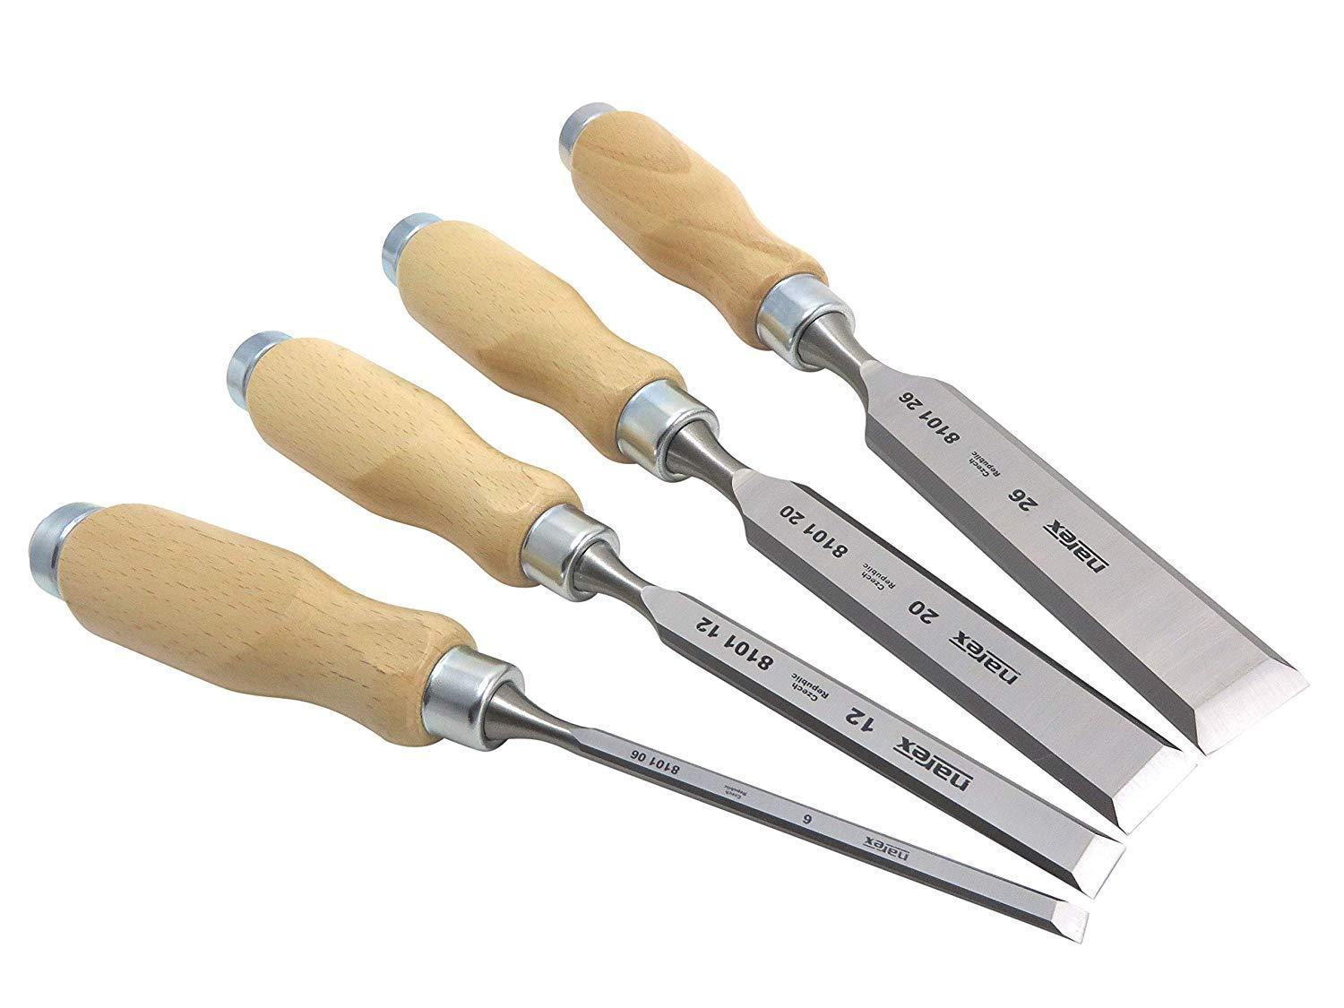
 | Furniture Assembling Worker | Clamps |  |  | 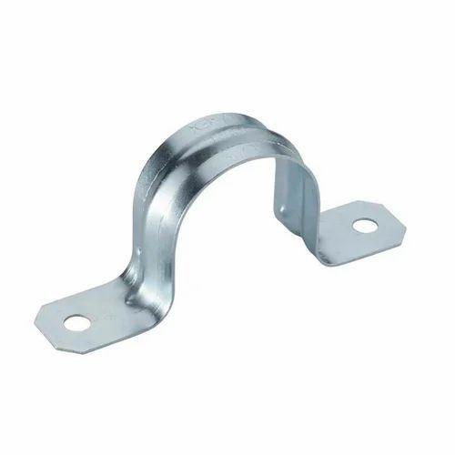
 | Furniture Assembling Worker | Dowels |  |  | 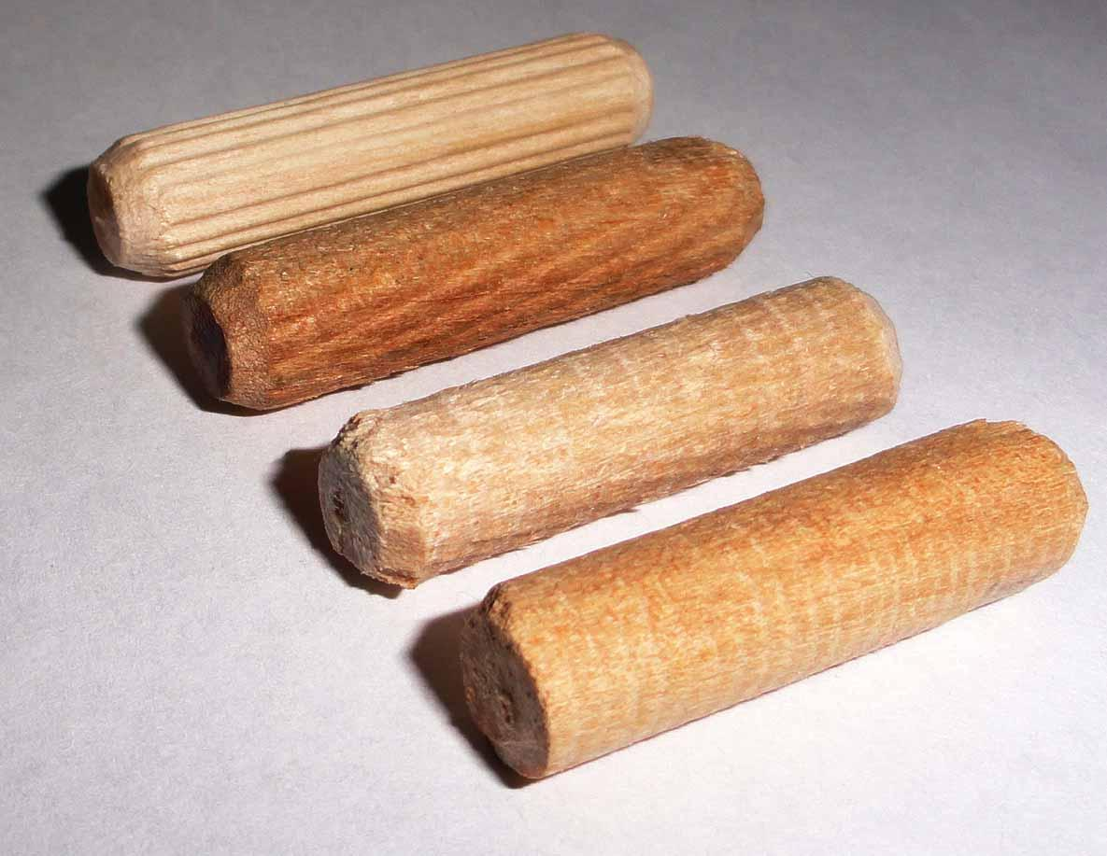
 | Furniture Assembling Worker | Dowel jig |  |  | 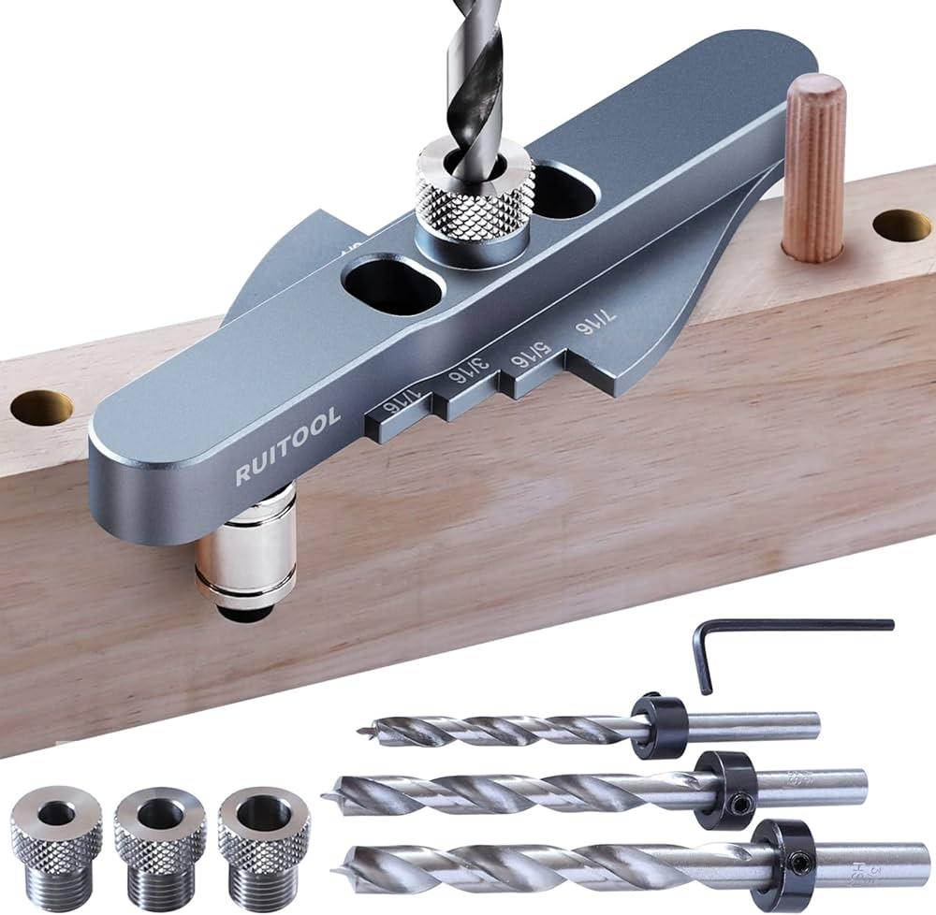
 | Furniture Assembling Worker | Router |  |  | 
 | Furniture Assembling Worker | Touch-up markers |  |  | 
 | Furniture Assembling Worker | A wooden chair
 | Furniture Assembling Worker | 120 and 220 grit sandpaper
 | Furniture Assembling Worker | Tack cloth |  |  | 
 | Furniture Assembling Worker | Dust mask |  |  | 
 | Furniture Assembling Worker | A wooden cabinet
 | Furniture Assembling Worker | Polish |  |  | 
 | Furniture Assembling Worker | Polishing cloth |  |  | 
 | Furniture Assembling Worker | Applicator pads |  |  | 
 | Furniture Assembling Worker | Wooden picture frame |  |  | 
 | Furniture Assembling Worker | Sanding block |  |  | 
 | Furniture Assembling Worker | Sandpaper (various grits) |  |  | 
 | Furniture Assembling Worker | Steel wool |  |  | 
 | Furniture Assembling Worker | Mineral spirits |  |  | 
 | Furniture Assembling Worker | Painter's tape |  |  | 
 | Furniture Assembling Worker | Wood conditioner |  |  | 
 | Furniture Assembling Worker | A workstation with space to work on the plank
 | Furniture Assembling Worker | Wooden plank (15cm x 30cm)
 | Furniture Assembling Worker | Wall hooks
 | Furniture Assembling Worker | Solid wooden block (15cm x 15cm x 25cm)
 | Furniture Assembling Worker | Drill bits |  |  | 
 | Furniture Assembling Worker | Drill press |  |  | 
 | Furniture Assembling Worker | A workbench with necessary provision to lay the cabinet door flat
 | Furniture Assembling Worker | Cabinet door (50cm x 40cm)
 | Furniture Assembling Worker | A well-ventilated area with a table to place the stool on
 | Furniture Assembling Worker | Wood stain |  |  | 
 | Furniture Assembling Worker | Wooden stool |  |  | 
 | Furniture Assembling Worker | A spacious and well-ventilated area
 | Furniture Assembling Worker | Polishing compound
 | Furniture Assembling Worker | Polisher |  |  | 
 | Furniture Assembling Worker | Spacious workbench
 | Furniture Assembling Worker | Wooden planks (100cm x 60cm for table top, 50cm x 40cm for seats)
 | Furniture Assembling Worker | Brackets |  |  | 
 | Furniture Assembling Worker | A well-ventilated area with space for laying out the tabletop
 | Furniture Assembling Worker | Wood varnish |  |  | 
 | Furniture Assembling Worker | Staining brush |  |  | 
 | Furniture Assembling Worker | Nails |  |  | 
 | Furniture Assembling Worker | A workspace with cabinets ready for door installation
 | Furniture Assembling Worker | A sanding station with an orbital sander
 | Furniture Assembling Worker | A workbench with sufficient space to assemble the bookcase
 | Furniture Assembling Worker | Wooden planks (90cm x 30cm for shelves)
 | Furniture Assembling Worker | Damaged wooden chair
 | Furniture Assembling Worker | A well-ventilated area with a table for finishing
 | Furniture Assembling Worker | Sealer |  |  | 
 | Furniture Assembling Worker | Wooden tray |  |  | 
 | Furniture Assembling Worker | A sturdy workbench
 | Furniture Assembling Worker | Wooden planks (40cm x 20cm for top, 20cm x 5cm for legs) |  |  | 
 | Furniture Assembling Worker | A clean, flat assembly space
 | Furniture Assembling Worker | Circular wooden top (30cm diameter) |  |  | 
 | Furniture Assembling Worker | 3 wooden rods (50cm each) |  |  | 
 | Furniture Assembling Worker | A flat surface with a support to hold the door
 | Furniture Assembling Worker | Wooden door (50cm x 70cm) |  |  | 
 | Furniture Assembling Worker | A well-ventilated area with a table placed on a drop cloth
 | Furniture Assembling Worker | A bookcase ready for additional shelving and a workbench
 | Furniture Assembling Worker | Wooden plank (60cm x 20cm) |  |  | 
 | Furniture Assembling Worker | A work area with enough space to accommodate a chair
 | Furniture Assembling Worker | Spare wooden piece (as needed) |  |  | 
 | Furniture Assembling Worker | Wood glue |  |  | 
 | Furniture Assembling Worker | A workspace with Easy
 | Furniture Assembling Worker | Cabinet structure ready for drawers |  |  | 
 | Furniture Assembling Worker | Adjustable hinges |  |  | 
 | Furniture Assembling Worker | A workshop table with various furniture needing joint adjustments
 | Furniture Assembling Worker | Screws |  |  | 
 | Furniture Assembling Worker | Bolts |  |  | 
 | Furniture Assembling Worker | Allen key |  |  | 
 | Furniture Assembling Worker | Drawer |  |  | 
 | Furniture Assembling Worker | Replacement sliders
 | Furniture Assembling Worker | Ball-bearing sliders |  |  | 
 | Furniture Assembling Worker | Side-mount sliders |  |  | 
 | Furniture Assembling Worker | Undermount sliders |  |  | 
 | Furniture Assembling Worker | Door
 | Furniture Assembling Worker | Noisy hinge
 | Furniture Assembling Worker | Lubricant spray |  |  | 
 | Furniture Assembling Worker | Rusty hinges
 | Furniture Assembling Worker | Rust remover |  |  | 
 | Furniture Assembling Worker | Wire brush |  |  | 
 | Furniture Assembling Worker | Unlevel jamb
 | Furniture Assembling Worker | Shims |  |  | 
 | Furniture Assembling Worker | Stuck hinge pin
 | Furniture Assembling Worker | Hammer |  |  | 
 | Furniture Assembling Worker | Punch |  |  | 
 | Furniture Assembling Worker | Loose hinges |  |  | 
 | Furniture Assembling Worker | Wood filler |  |  | 

