Furniture Carpenter
Sector name | Occupation name | Equipment name | Minimum number of equipment required (per batch of 30 trainees) | Unit type | Images
 | Furniture Carpenter | Electric saw |  |  | 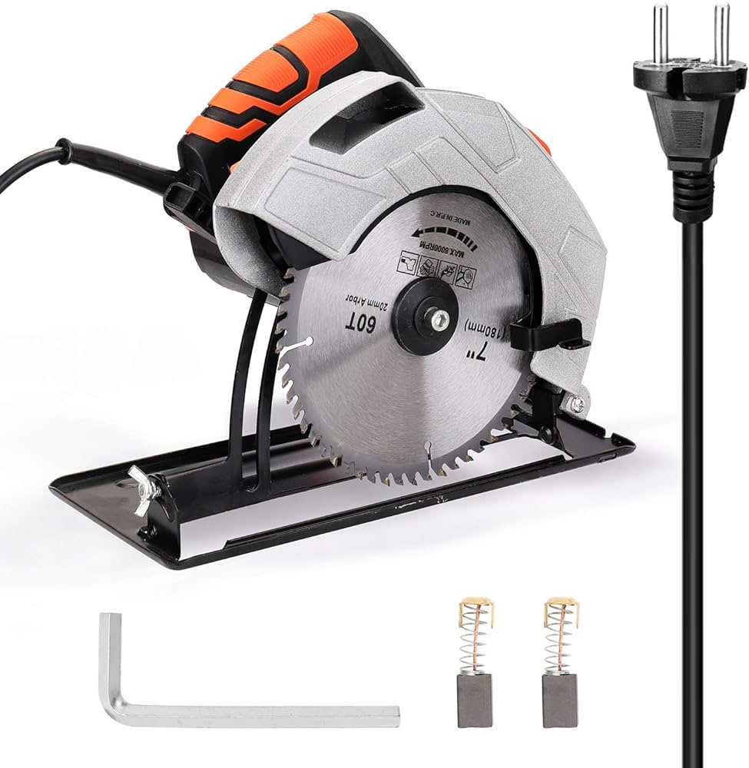
 | Furniture Carpenter | Planer |  |  | 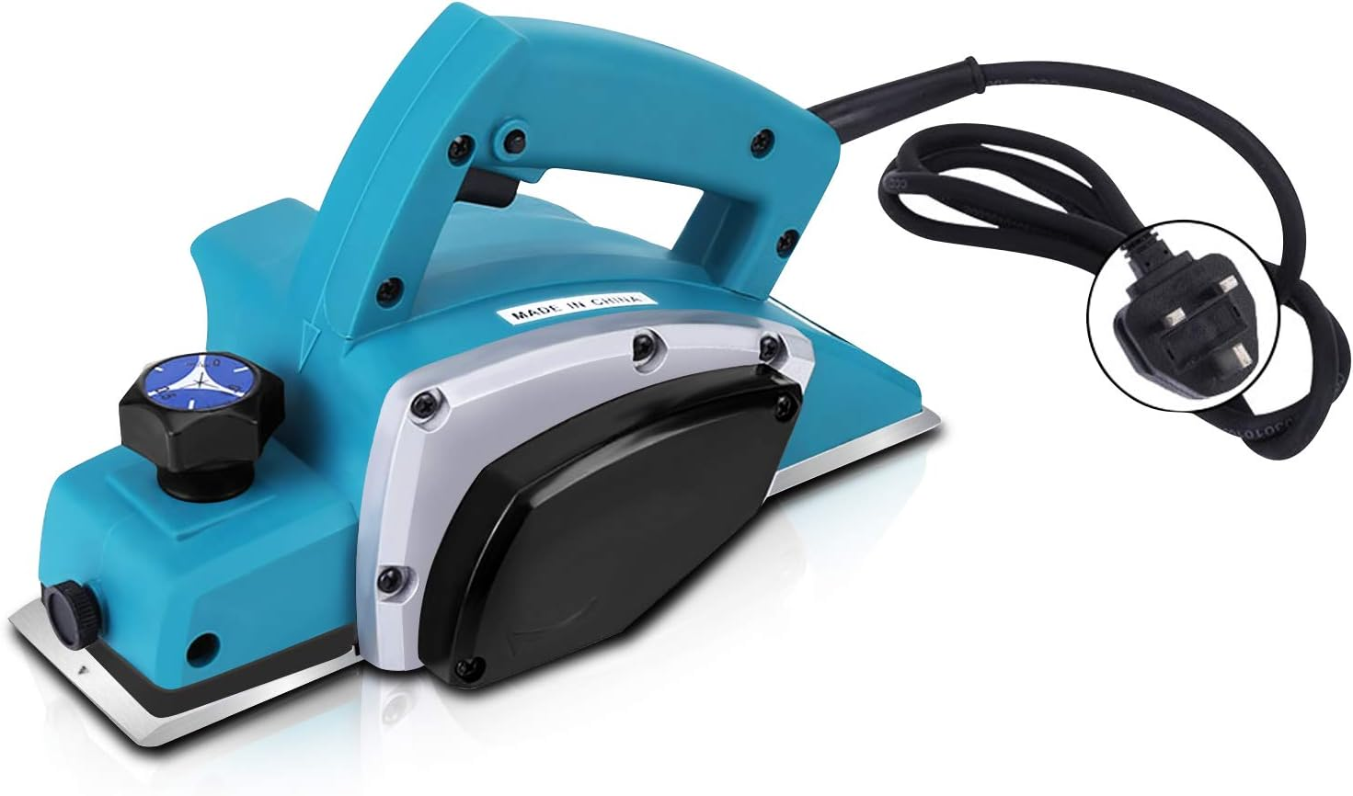
 | Furniture Carpenter | Woodworking Lathe |  |  | 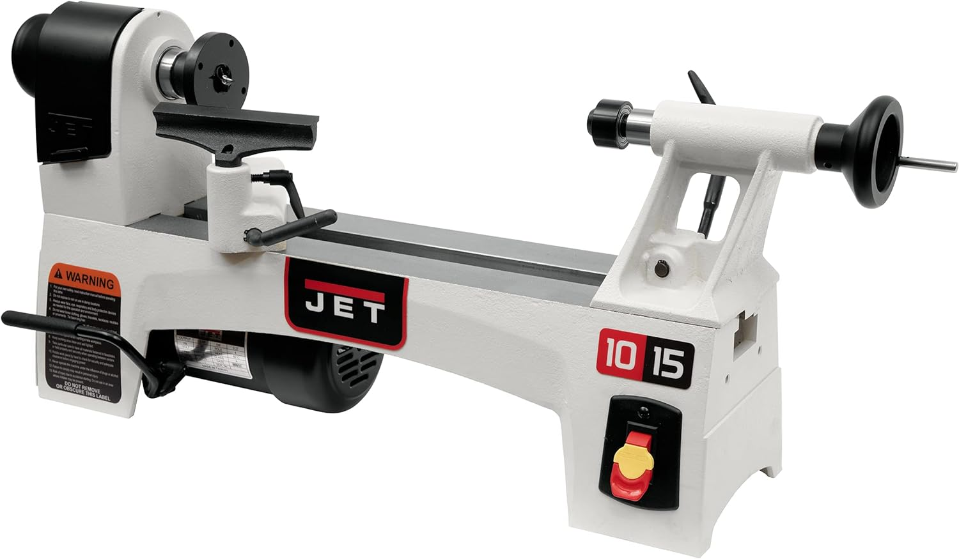
 | Furniture Carpenter | Wood glue |  |  | 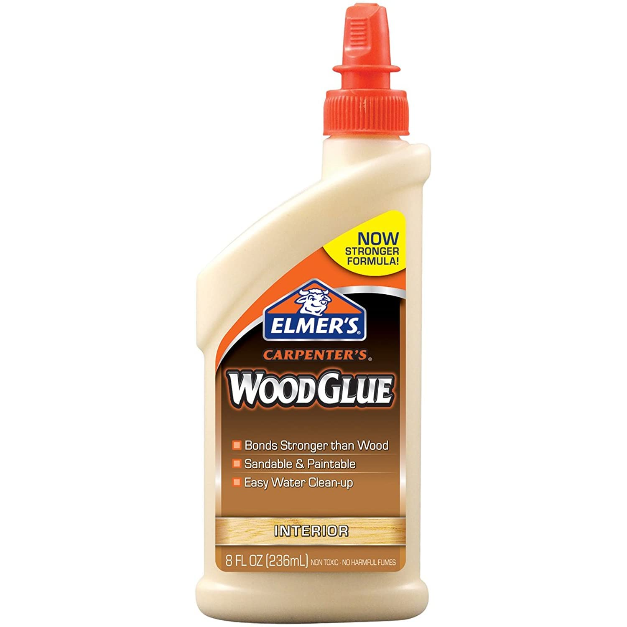
 | Furniture Carpenter | Sandpaper |  |  | 
 | Furniture Carpenter | Carpenter's Square |  |  | 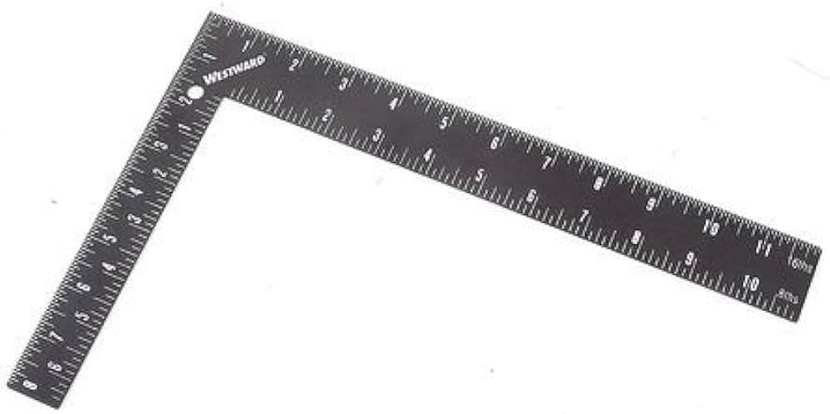
 | Furniture Carpenter | Veneer press |  |  | 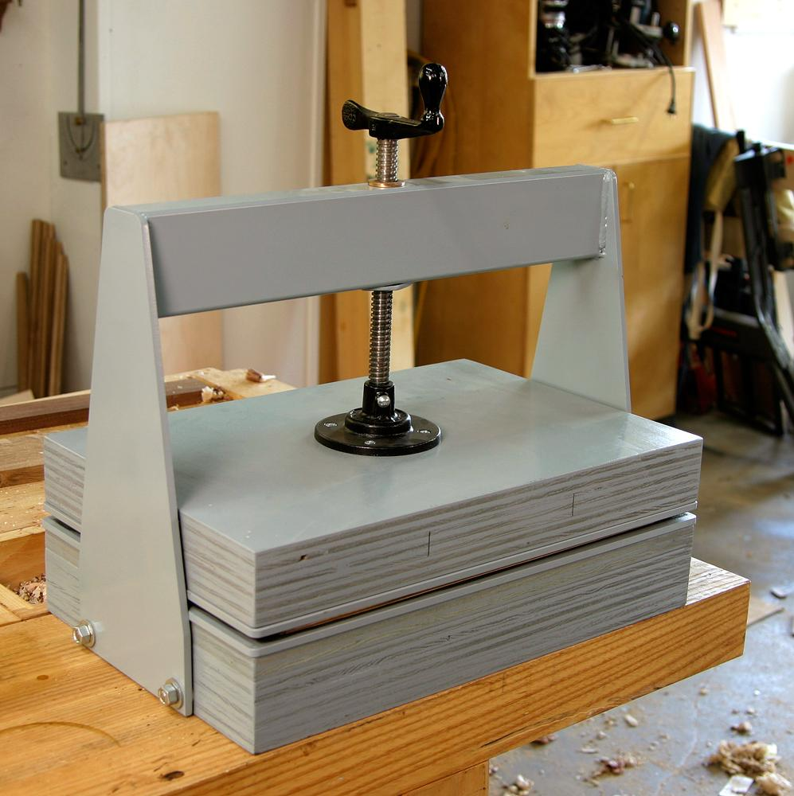
 | Furniture Carpenter | Clamp |  |  | 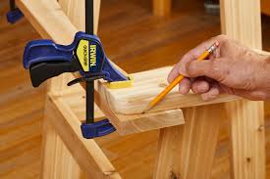
 | Furniture Carpenter | Veneer sheets |  |  | 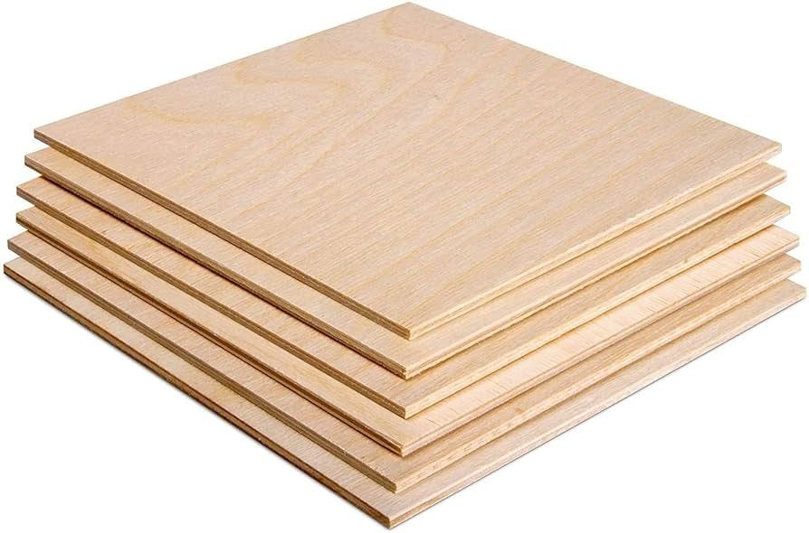
 | Furniture Carpenter | Screwdriver
 | Furniture Carpenter | Hammer
 | Furniture Carpenter | Screws
 | Furniture Carpenter | Nails
 | Furniture Carpenter | Wood panels pre-cut to size |  |  | 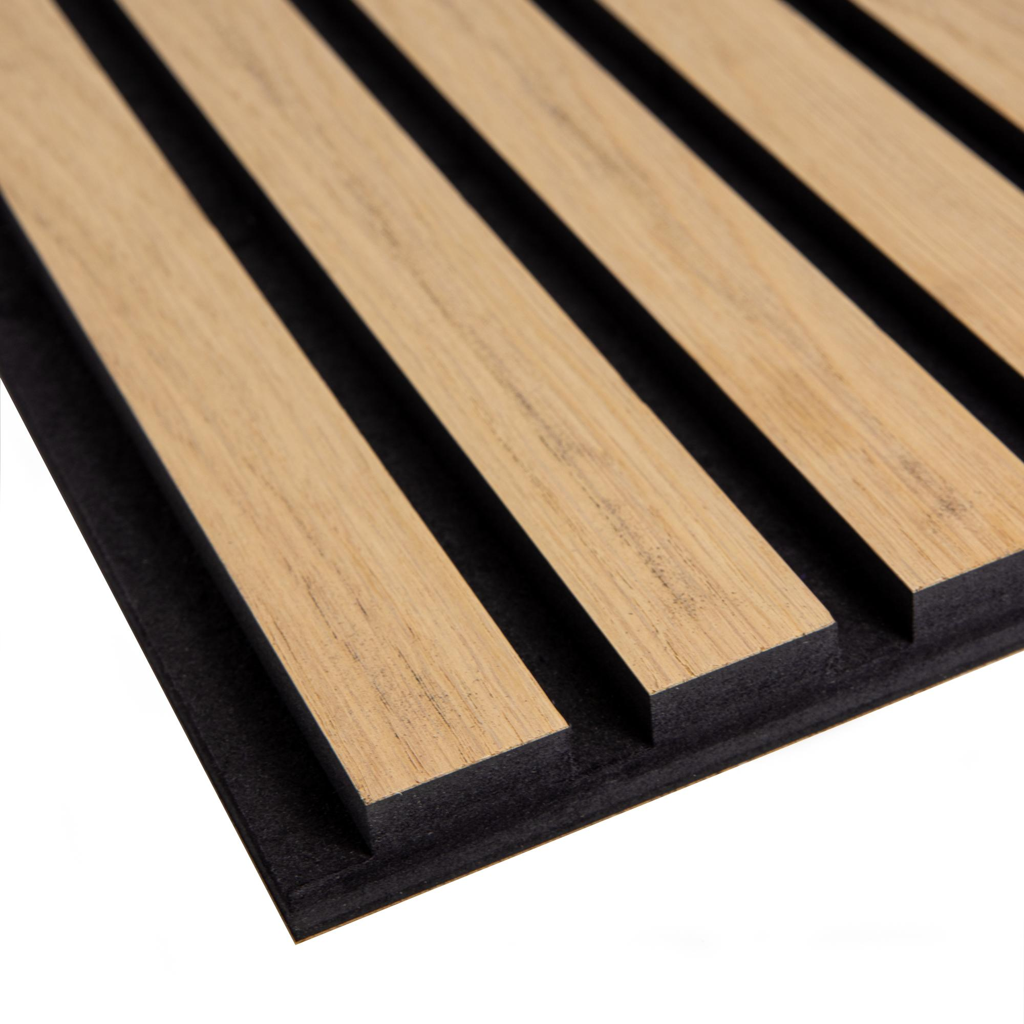
 | Furniture Carpenter | Chisel
 | Furniture Carpenter | Wood Stain |  |  | 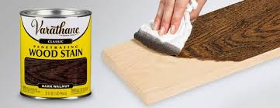
 | Furniture Carpenter | Protective varnish
 | Furniture Carpenter | Rags |  |  | 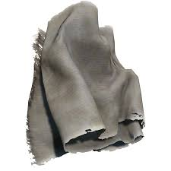
 | Furniture Carpenter | Wood inlays
 | Furniture Carpenter | Drill bits |  |  | 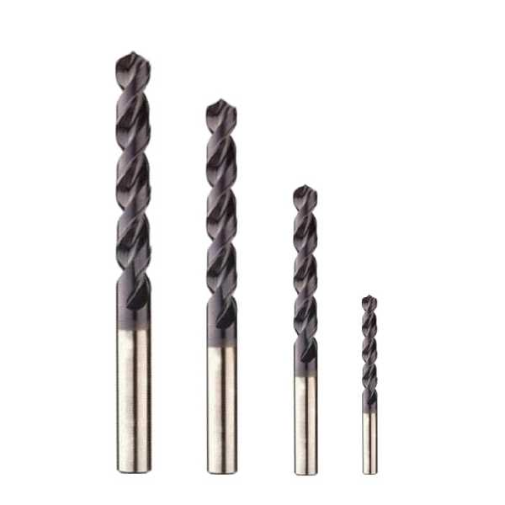
 | Furniture Carpenter | Marking Gauge |  |  | 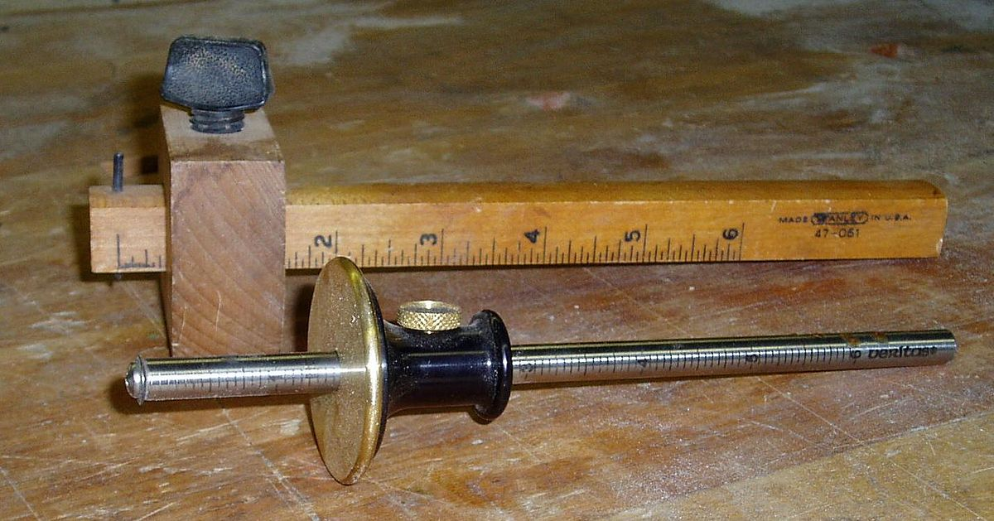
 | Furniture Carpenter | Carpenter's Pencil
 | Furniture Carpenter | Band Saw
 | Furniture Carpenter | Polishing Machine |  |  | 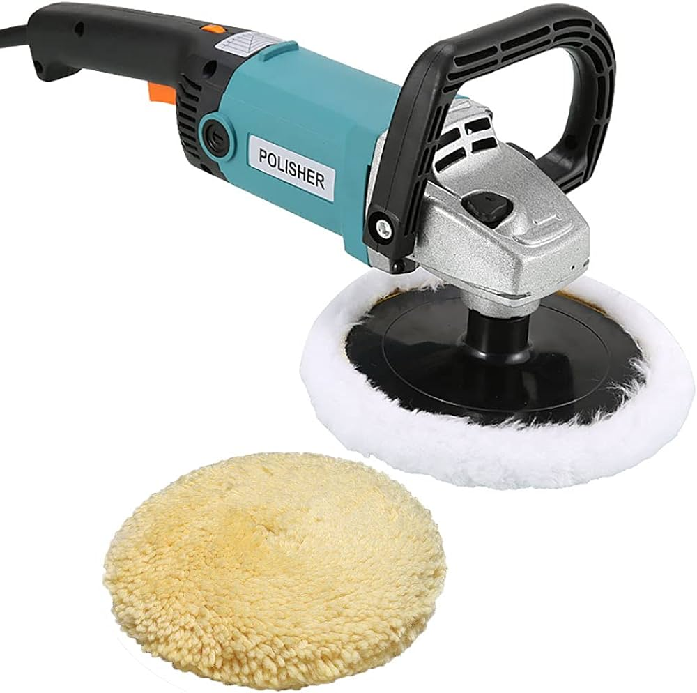
 | Furniture Carpenter | Wood Polish |  |  | 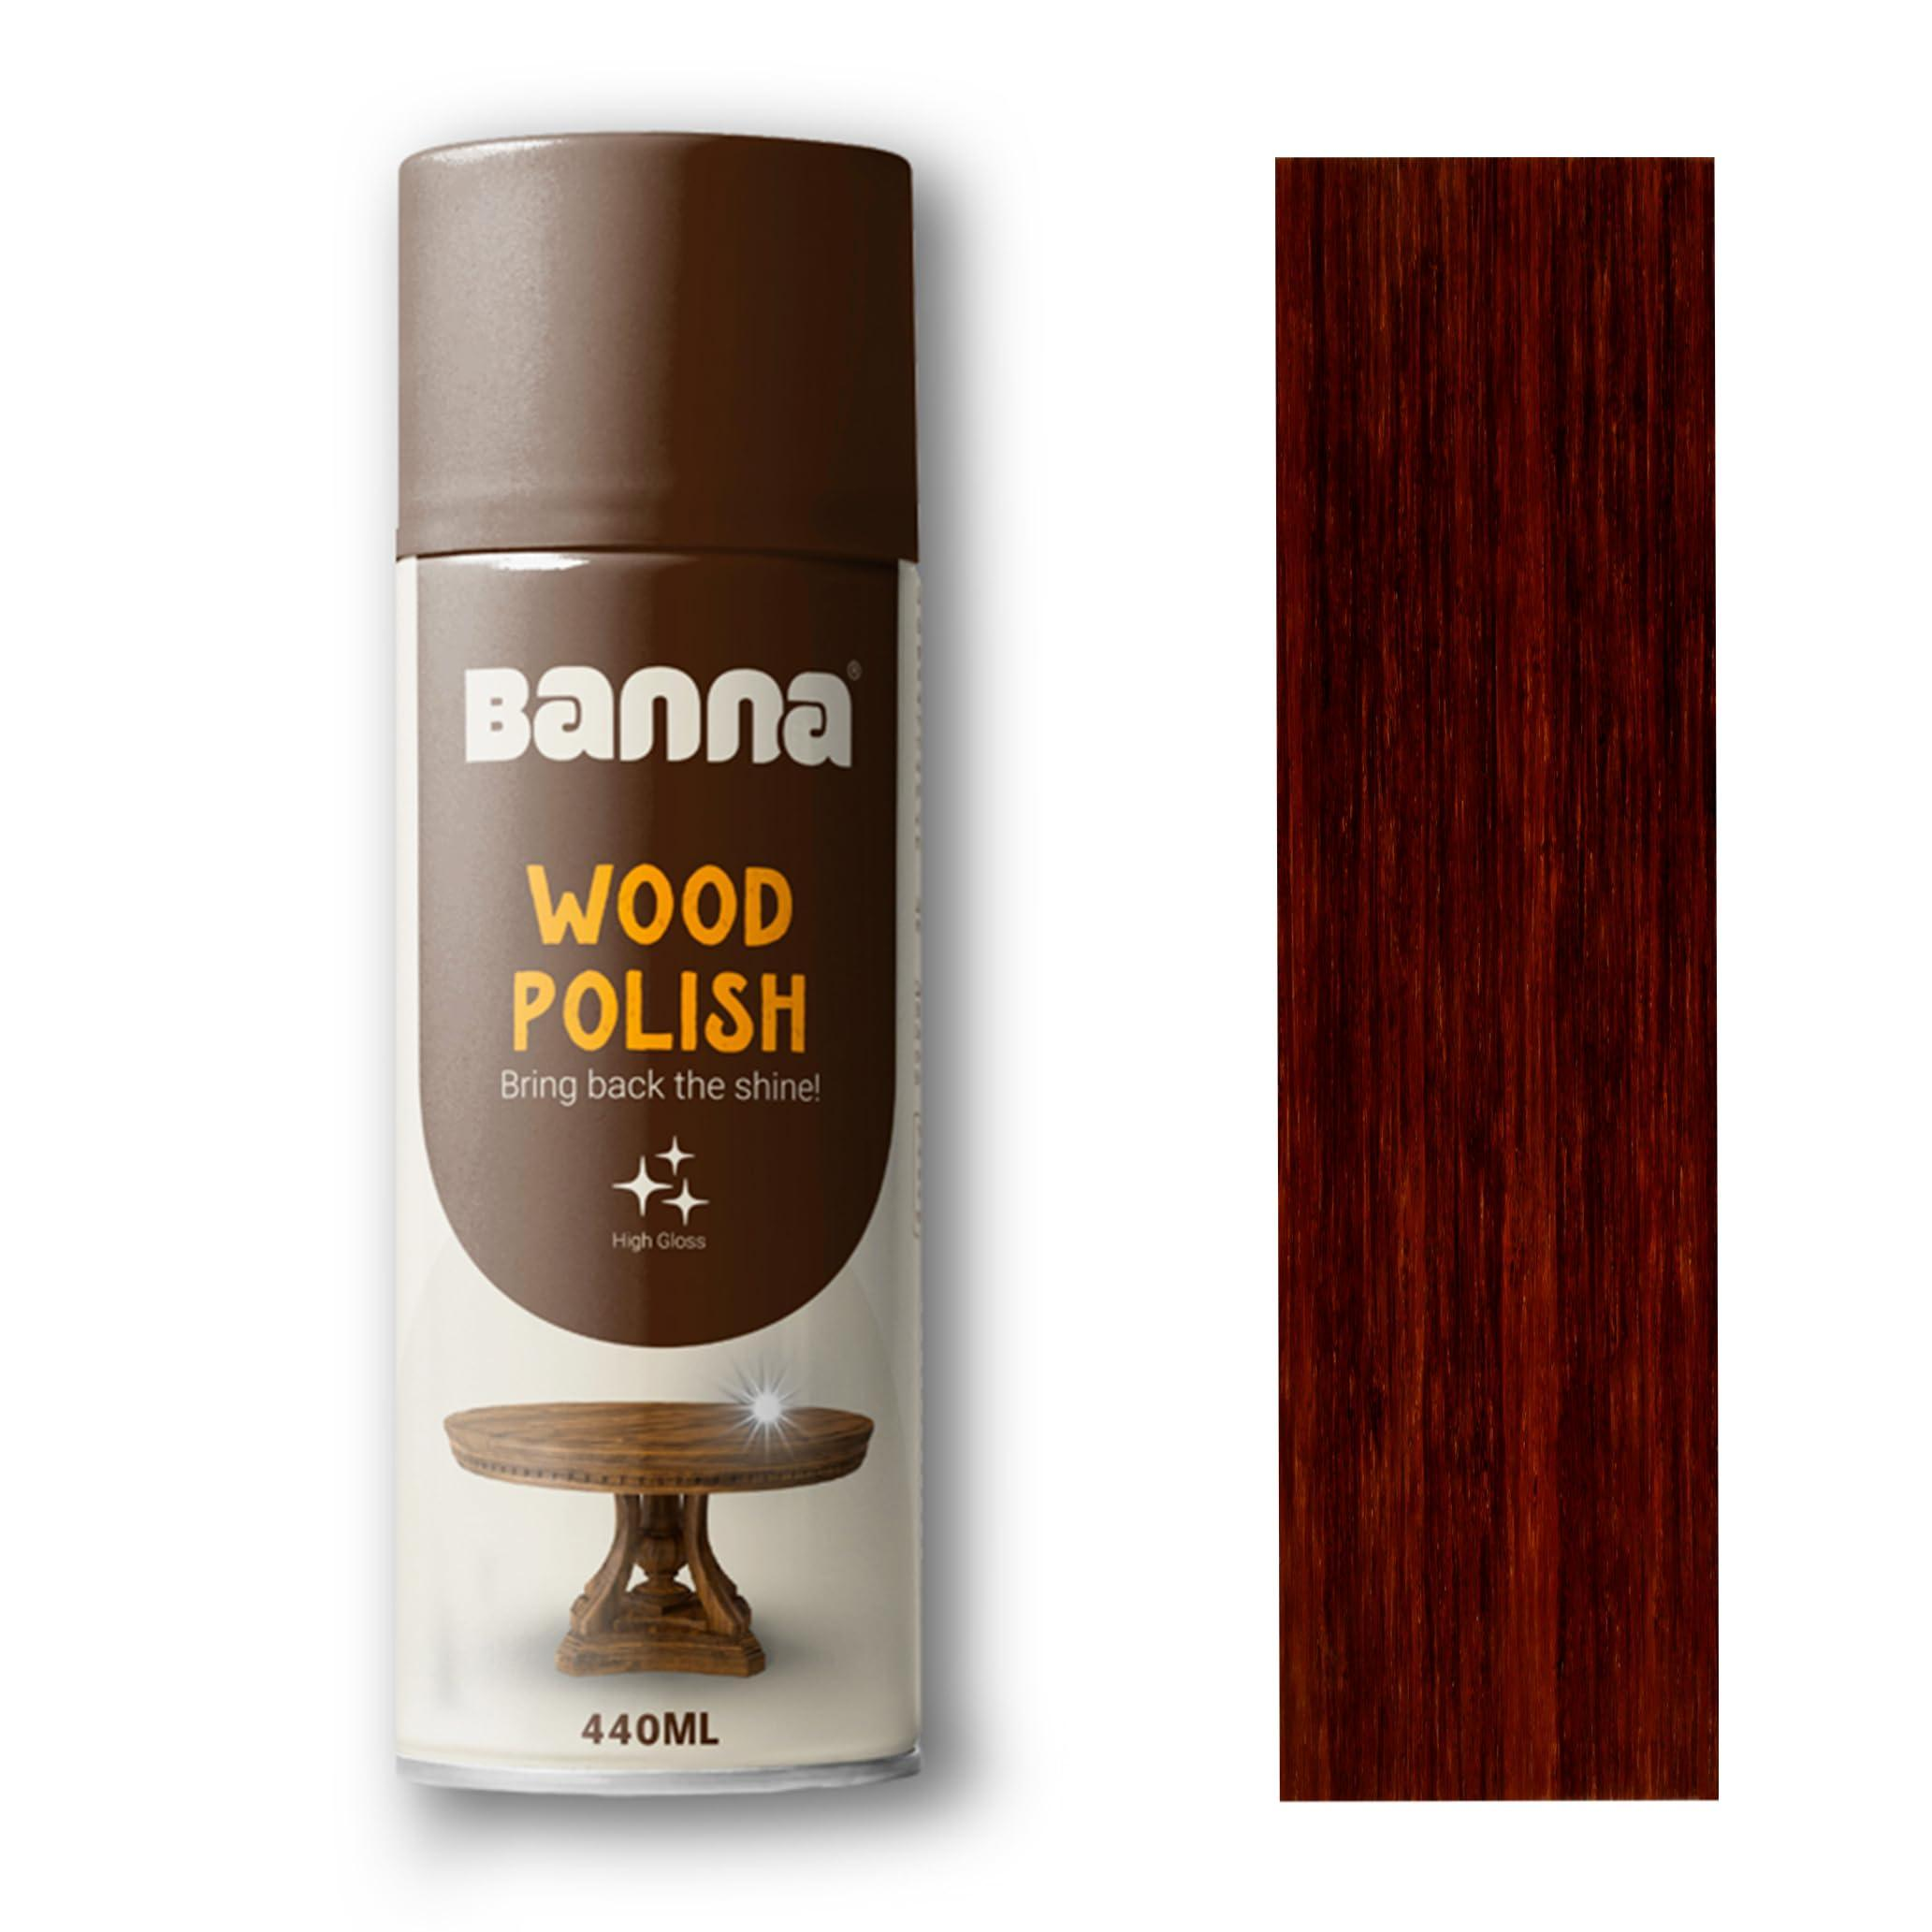
 | Furniture Carpenter | Power Drill |  |  | 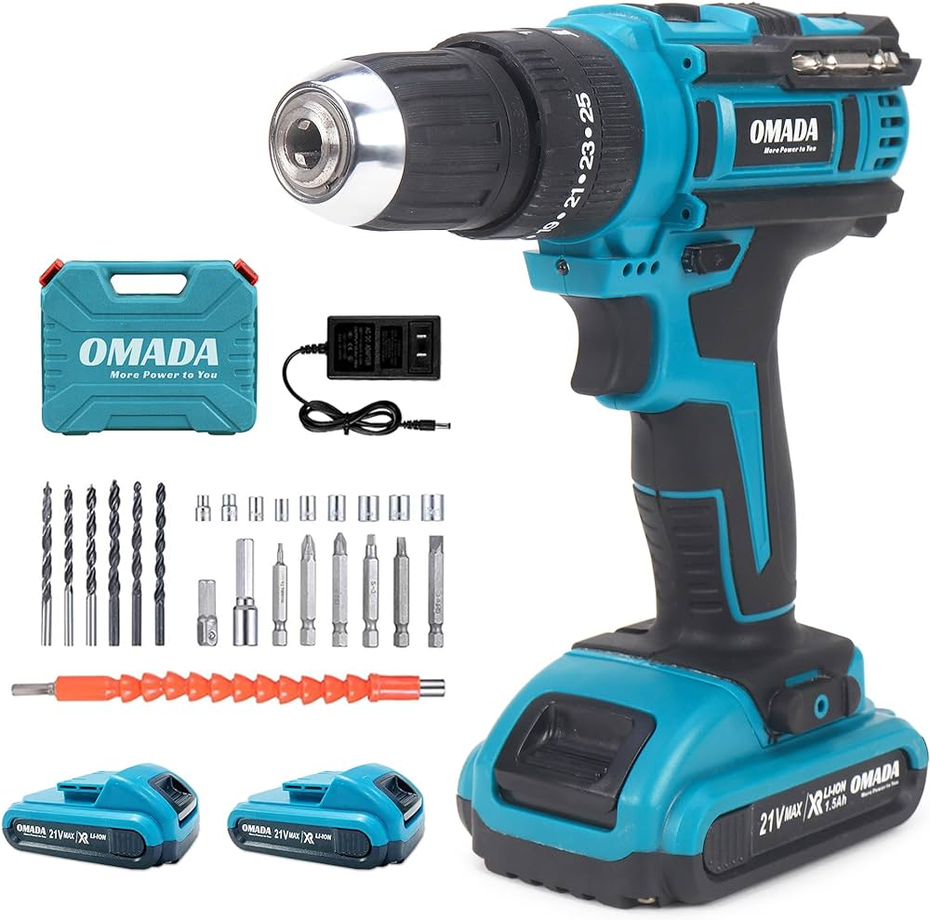
 | Furniture Carpenter | Measuring Tape
 | Furniture Carpenter | Cabinet Handles |  |  | 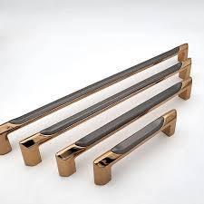
 | Furniture Carpenter | Sealant
 | Furniture Carpenter | Chisels |  |  | 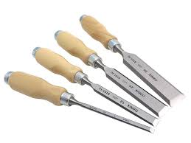
 | Furniture Carpenter | Router |  |  | 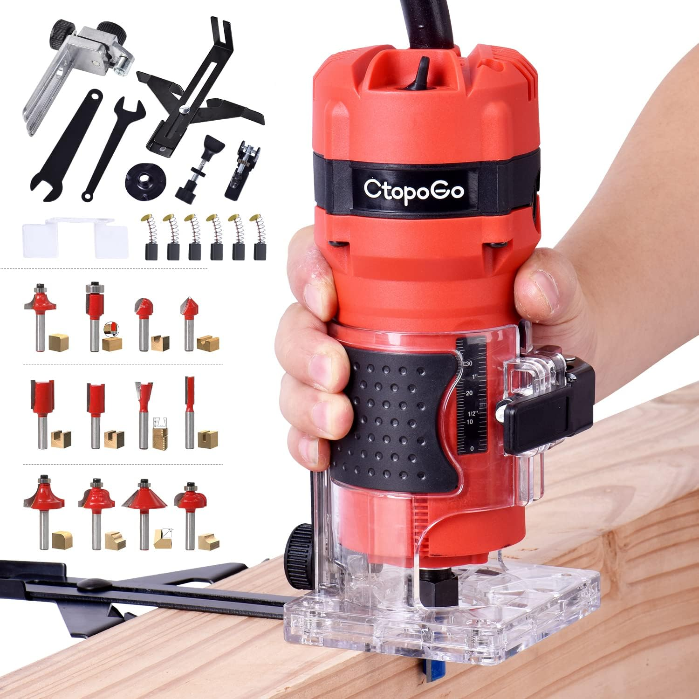
 | Furniture Carpenter | Inlay strips |  |  | 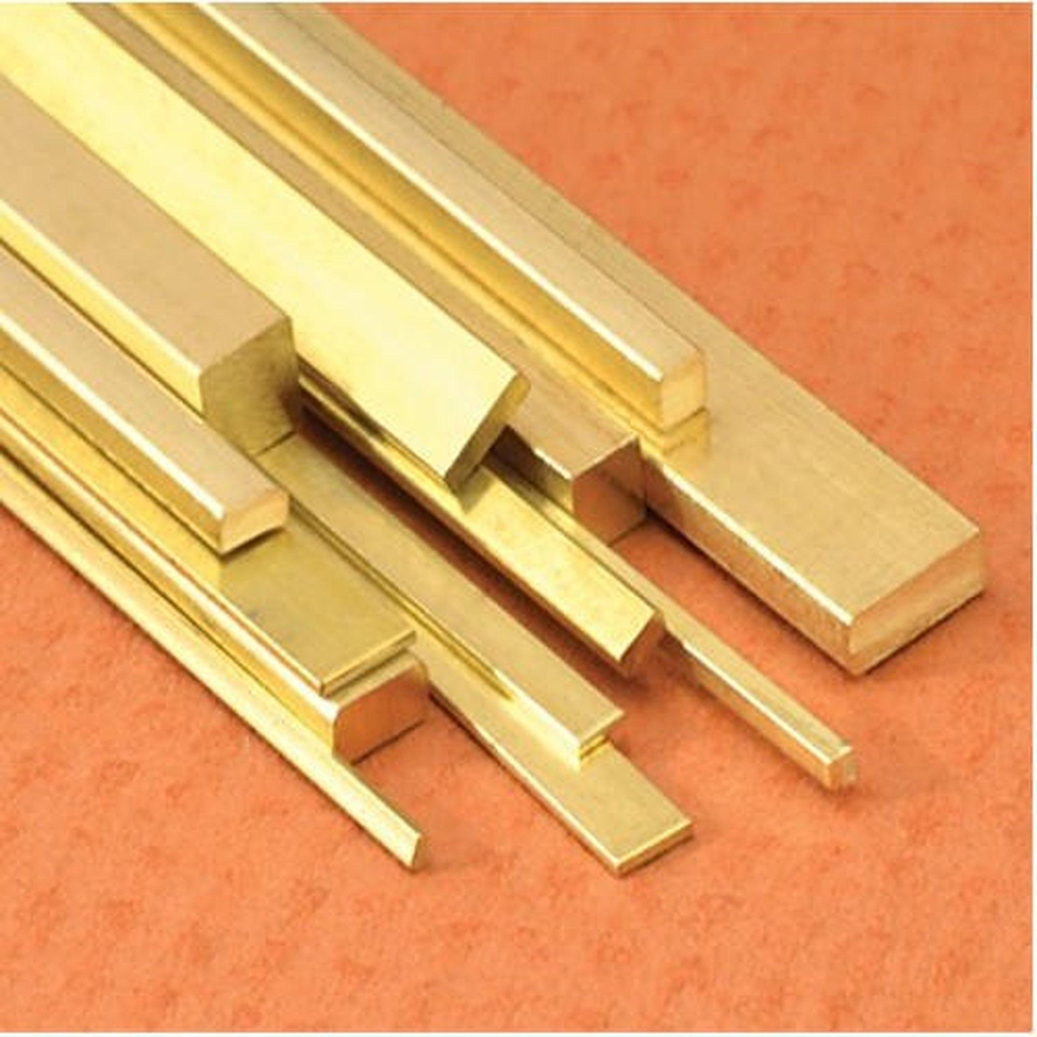
 | Furniture Carpenter | Workbench |  |  | 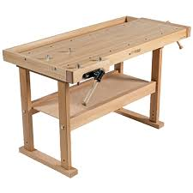
 | Furniture Carpenter | Brushes |  |  | 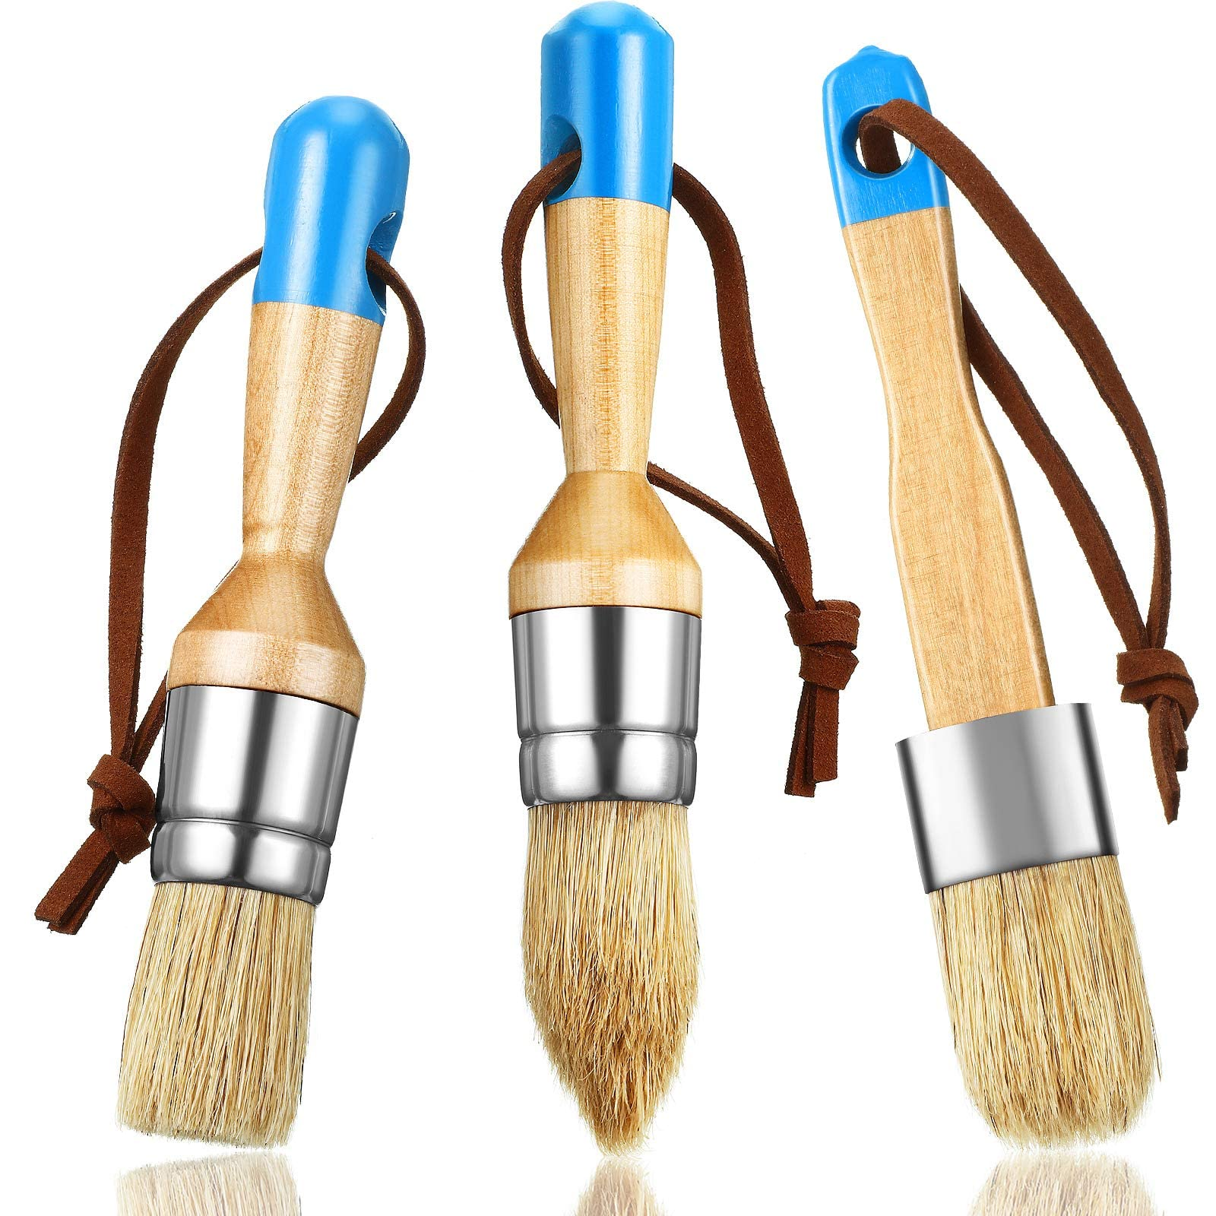
 | Furniture Carpenter | Wood Cleaner |  |  | 
 | Furniture Carpenter | Hinge mortising tool |  |  | 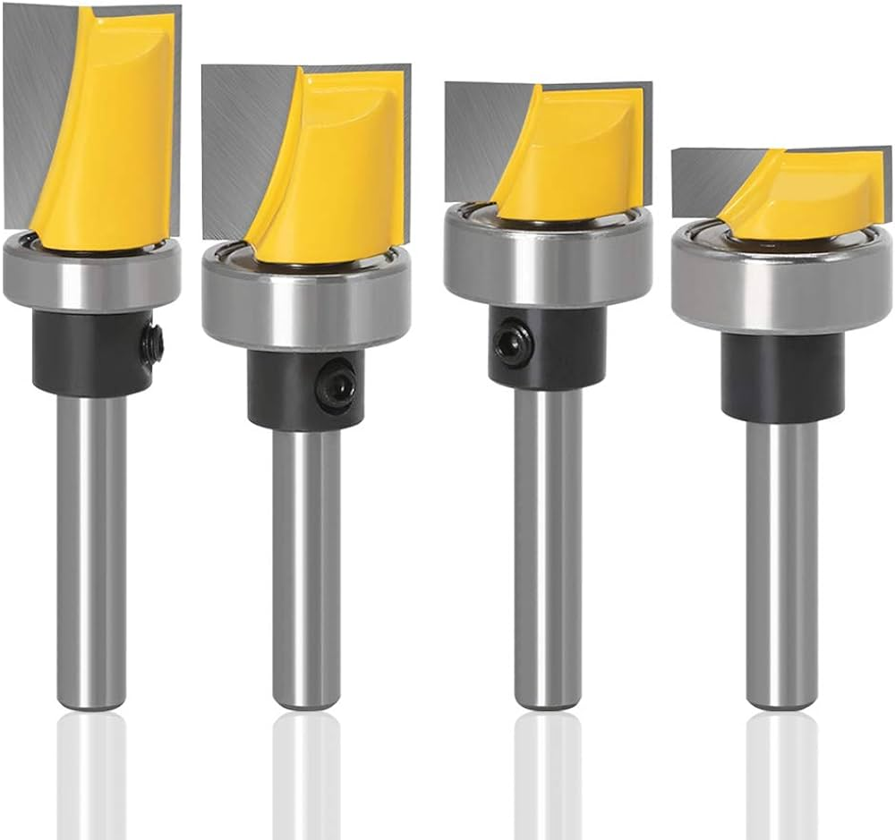
 | Furniture Carpenter | Hinges |  |  | 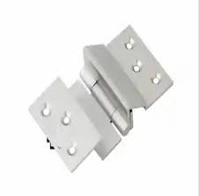
 | Furniture Carpenter | Wood filler
 | Furniture Carpenter | Paint
 | Furniture Carpenter | Allen Wrenches |  |  | 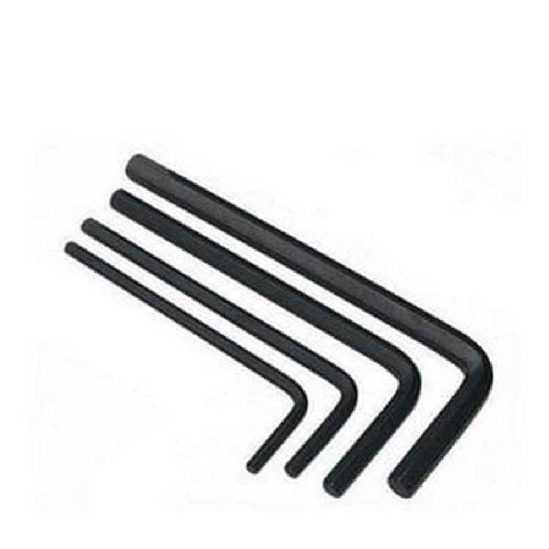
 | Furniture Carpenter | Veneer Saw |  |  | 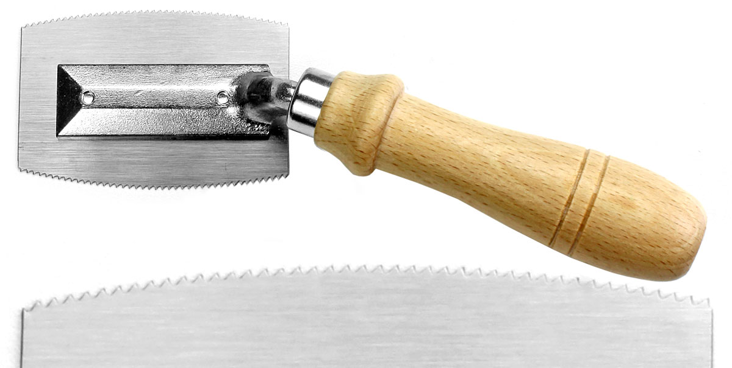
 | Furniture Carpenter | Precision Router |  |  | 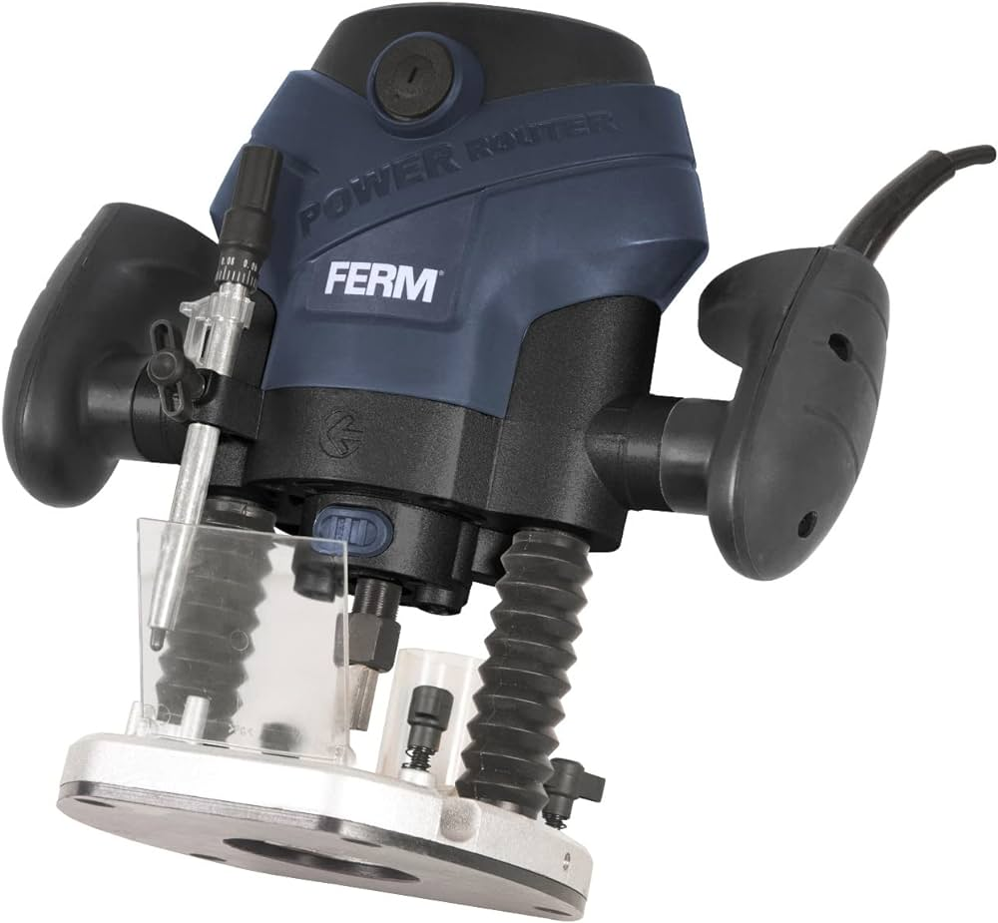
 | Furniture Carpenter | Scroll Saw |  |  | 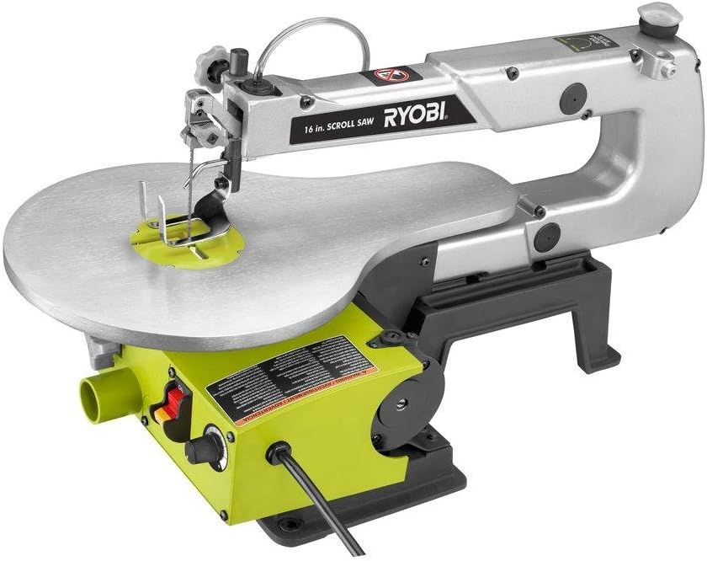
 | Furniture Carpenter | Dowels |  |  | 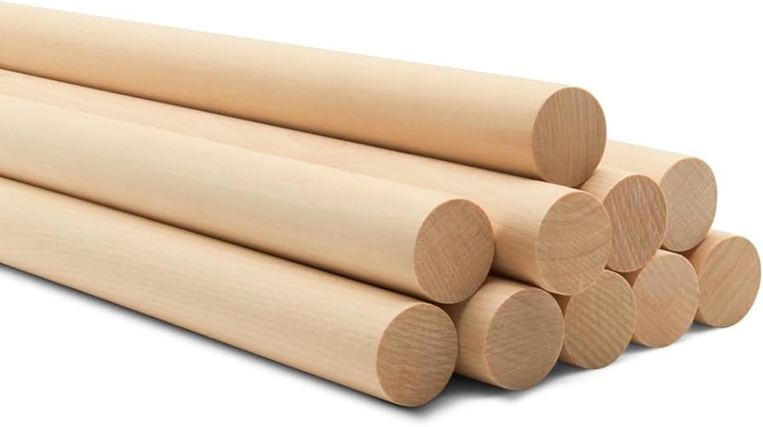
 | Furniture Carpenter | Joints |  |  | 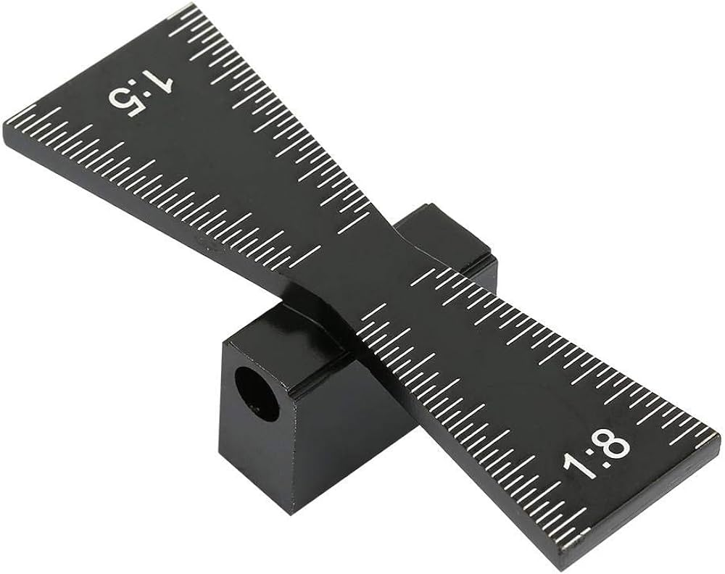
 | Furniture Carpenter | Non-toxic Paint |  |  | 
 | Furniture Carpenter | Orbital Sander |  |  | 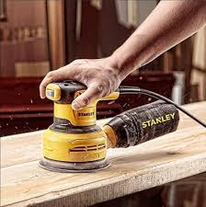
 | Furniture Carpenter | Chemical Paint Stripper |  |  | 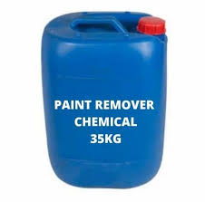
 | Furniture Carpenter | Cotton cloths
Protective Equipment & Wear
 | Furniture Carpenter | Fire retardant, Reflective jacket or Jumpsuit with multiple pockets and reflective bands
 | Furniture Carpenter | Full body harness
 | Furniture Carpenter | Face mask (For light duty installation work) |  |  | 
 | Furniture Carpenter | Protective Safety Glasses/Goggles |  |  | 
 | Furniture Carpenter | Insulated boots |  |  | 
 | Furniture Carpenter | Insulated Ladder
 | Furniture Carpenter | Polypropylene Safety Hat (When working at construction site, at all times) |  |  | 
 | Furniture Carpenter | Elbow and knee guards |  |  | 
 | Furniture Carpenter | Cut resistant gloves |  |  | 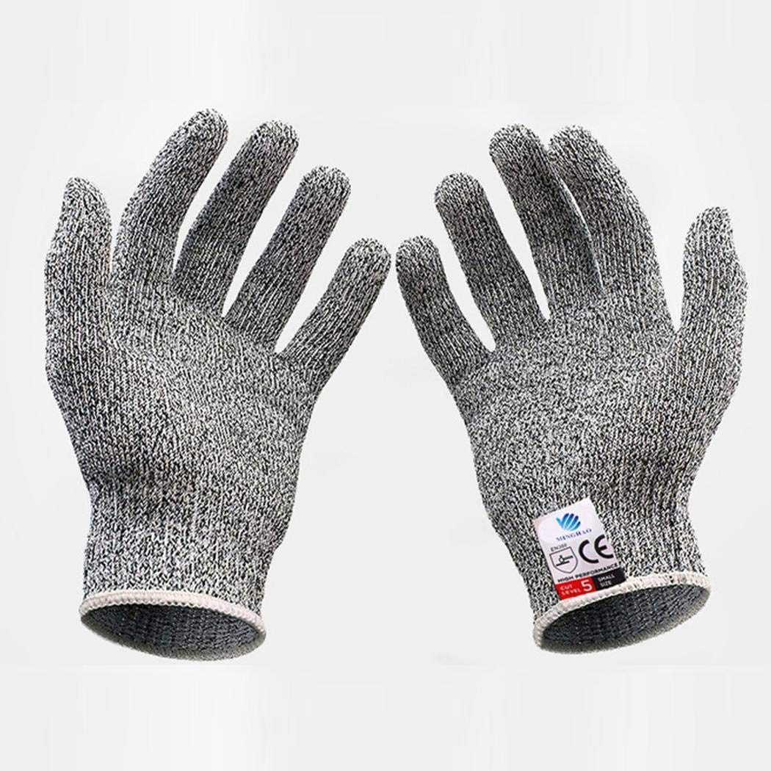
Emergency Protection and Warning Equipment
 | Furniture Carpenter | Fire prevention Kit (Containing fire blanket, Heat Resistant Gloves, Escape Rope, Glass Hammer, Glow Sticks, Flashlight, First Aid Supplies with Burn Injury Care Treatment and More) |  |  | 
 | Furniture Carpenter | Fire extinguisher (Hand held or Wall mounted)
 | Furniture Carpenter | First aid box
 | Furniture Carpenter | Safety tags |  |  | 
 | Furniture Carpenter | Safety notice board /safety message board |  |  | 
 | Furniture Carpenter | Barricade Cones |  |  | 
 | Furniture Carpenter | Warning Signs (Danger)

