Garden Cleaner images for lab
 |  | Occupation - Garden Cleaning Worker
 |  | Tools/Equipment/Material list
S No | Tools/Equipment/Material Name | Image | AVAILABLITY | Image
1 | PPE - Nitrile gloves, Mask, safety goggles |  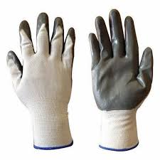 | yes | 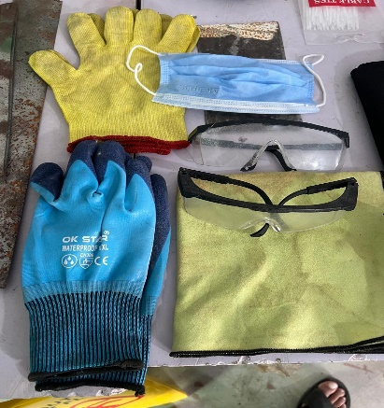
2 | Ear muffs, Knee pads | 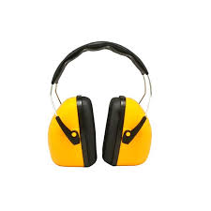 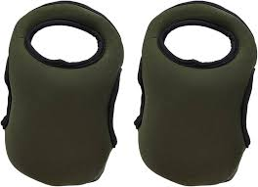 | YES | 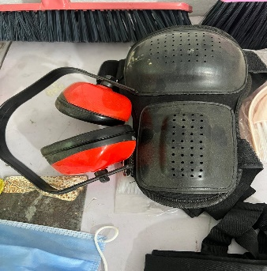
3 | First-aid kit which includes Antiseptic wipes, Sterile bandages, Adhesive Bandages | 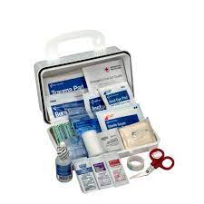 | YES | 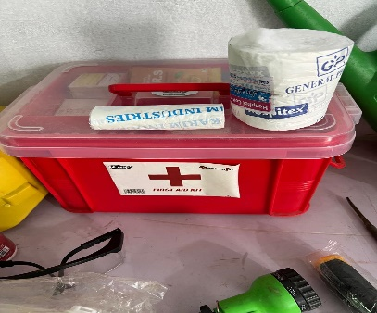
4 | Disposable nitrile gloves, waterproof gloves |  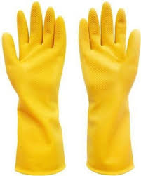 | YES | 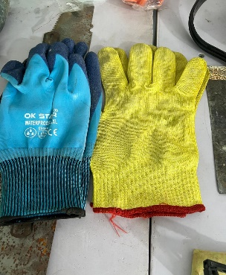
5 | PVC chemical resistant apron, Fire resistant apron (aluminized fiberglass) | 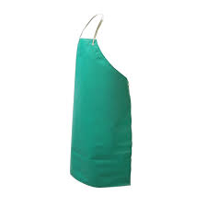 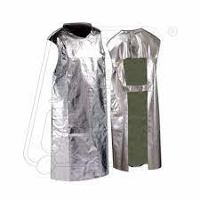 | YES | 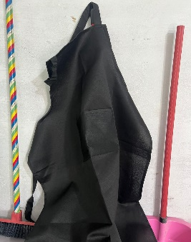
6 | High visibility safety vest | 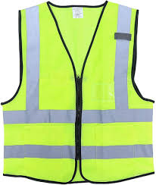 | YES | 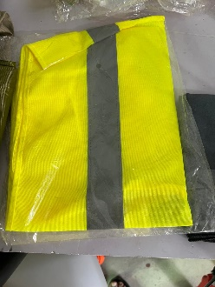
7 | Raincoat | 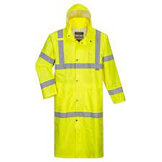 | YES | 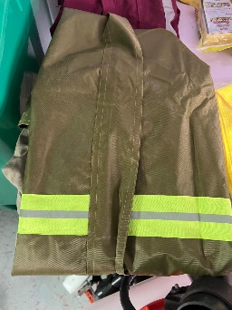
8 | Kneeling pad | 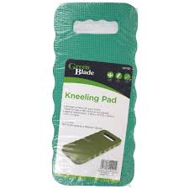 | YES | 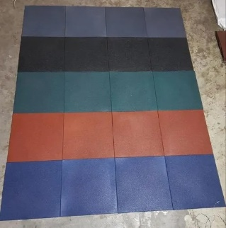
9 | Rubber waterproof boots, Closed toe safety shoes | 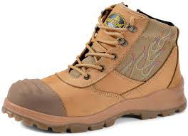 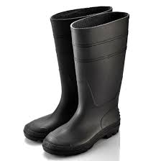 | YES | 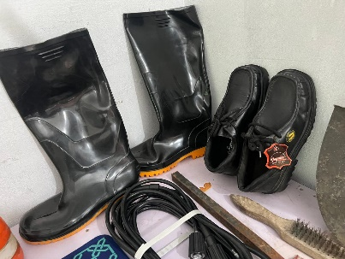
10 | Soft bristled broom, Soft grass broom | 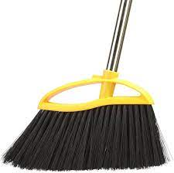 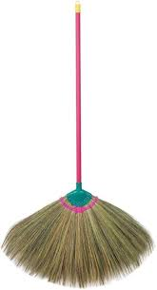 | YES | 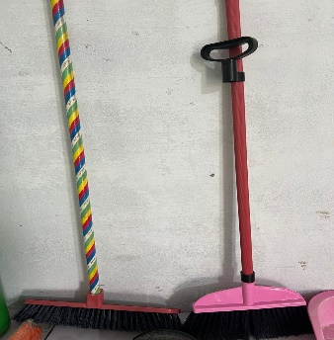
11 | Plastic bristled broom | 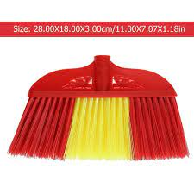 | YES | 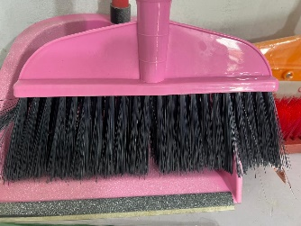
12 | Hand broom, long handled garden broom | 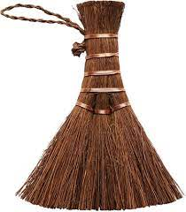 | YES | 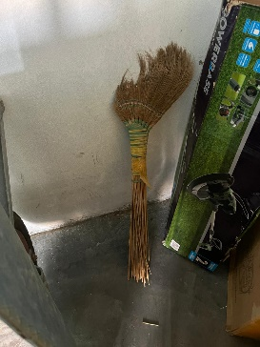
13 | Dust pan |  | YES | 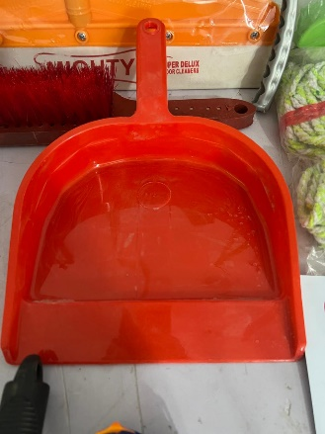
14 | Shovel, small shovel or scoop, plastic shovel | 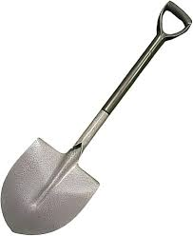 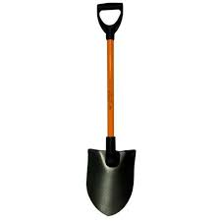 | YES | 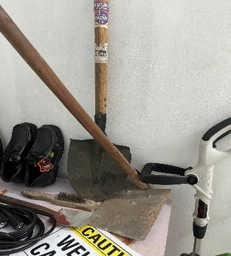
15 | Wheelbarrow or garden cart | 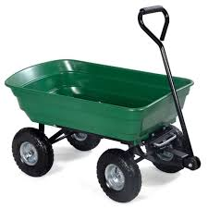 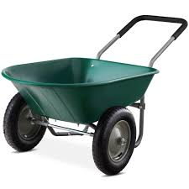 | YES | 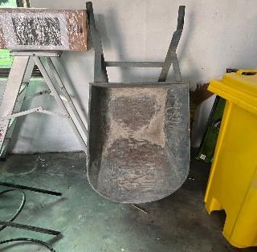
16 | Garden waste bins, multiple green bins |  | YES | 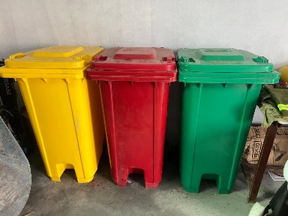
17 | Wire brush, Scrub brush, long handled scrub brush | 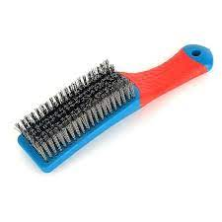 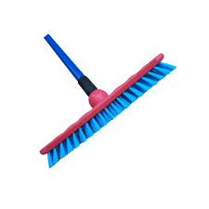 | YES
18 | Soft bristle cleaning brush | 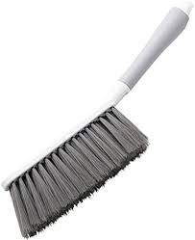 | YES | 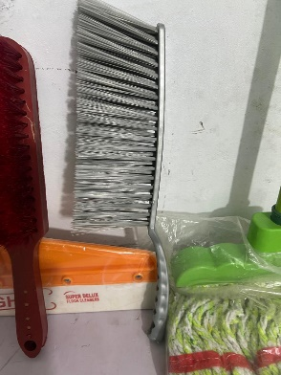
19 | Sponge scrubbing brush |  | yes | 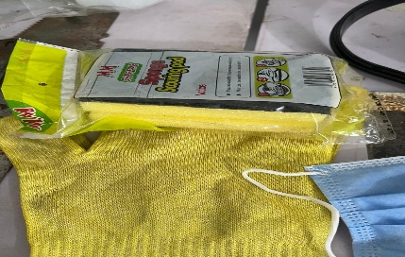
20 | Floor squeegee | 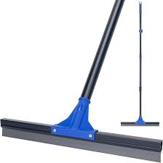 | YES | 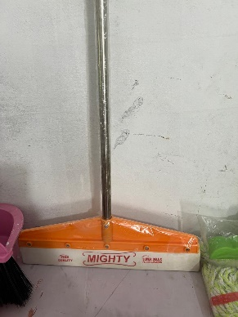
21 | Mop |  | YES | 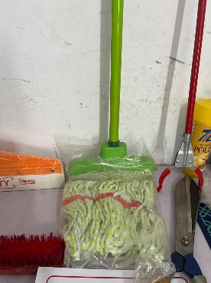
22 | Garden hose pipe, High pressure water hose, Water hose reel |  | YES | 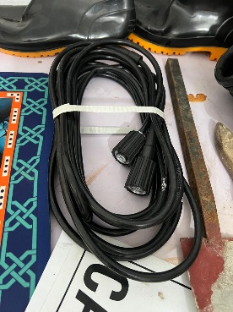
23 | Garden watering can | 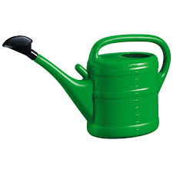 | YES | 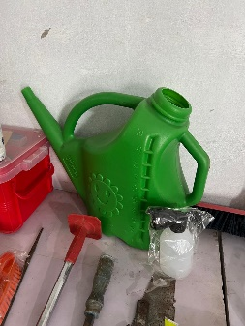
24 | Water sprinkler | 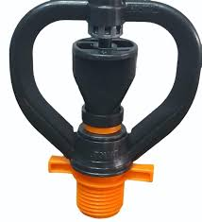 | YES | 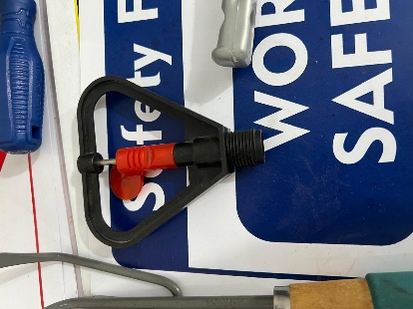
25 | Pressure sprayer | 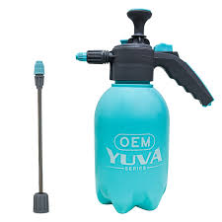 | YES | 
26 | Microfiber cloth, Cotton rag, cloth wipes |   | YES | 
27 | Funnel |  | yes | 
28 | Compost bin |  | YES | 
29 | Garbage liner |  | YES | 
30 | Garden waste bag/grass collection bag |  | yes | 
31 | Green compost bag |  | yes | 
32 | Green waste tarpaulin, Regular non-green tarpaulin sheet |  | yes | 
33 | Garden tool rack |  | yes | 
34 | "Work in progress" caution sign |  | YES | 
35 | Spray bottle |  | YES
36 | Flat-head screwdriver |  | YES
37 | Chisel |  | YES | 
38 | Socket wrench |  | YES
39 | Rubber mallet |  | YES | 
40 | Grass seed spreader |  | YES | 
41 | Manual Edge trimmer |  | YES
42 | Electric edge trimmer |  | YES
43 | Hand weeder |  | YES
44 | Electric hedge trimmer |  | yes | 
45 | Walk behind rototiller |  | yes | 
46 | Power grass trimmer |  | yes
47 | Gasoline powered land mower |  | yes
48 | Garden hoe, Hand hoe |   | yes | 
49 | Spade, Small garden spade |   | YES | 
50 | Garden fork |  | yes | 
51 | Garden hedge shear |  | yes
52 | Weed knife |  | yes | 
53 | Hand held weeding tool |  | YES
54 | Garden rake, Leaf rake with long handle |  | YES
55 | Scarifying rake |  | YES | 
56 | Compost scoop |  | YES
57 | Litter picker/garbage grabber |  | YES | 
58 | Garbage tong |  | YES
59 | Garden stakes |  | YES | 
60 | Leaf grabber |  | YES | 
61 | Leaf blower |  | YES | 
62 | Lawn scarifier machine |  | YES | 
63 | Garden vacuum cleaner |  | YES | 
64 | Mower deck scraper |  | YES | 
65 | Disposable scraper |  | YES
66 | Pruning shears |  | YES
67 | Hand saw |  | YES
68 | Oil can |  | YES
69 | Hand trowel |  | YES | 
70 | Lawn dethatcher |  | YES | 
71 | Tamper |  | YES
72 | Walkway absorbent mat |  | YES
73 | Coco husk mulch, Wood chips mulch |   | YES | 
74 | Scoop net |  | yes
75 | Garden sieve |  | YES | 
76 | Garden ladder |  | YES | 
77 | Tray for collecting grass |  | yes | 
78 | Bucket, mild detergent, multi-purpose cleaner, bio-degradable soap, disinfectant spray, Food-safe disinfectant spray, Multi-purpose disinfectant |  | yes
79 | Forms - Segregation guide chart, Defect report form, Mower safety checklist |  | yes
80 | Pen, notepad, Whistle, Tissues, Watch or timer, Labelled fuel can |  | yes
81 | Organic Compost, Natural or recommended insecticide, Moss removal solution (non-toxic), Algae remover solution (eco-safe) |  | yes | 
82 | Sand, crushed stone, Thin wire or pin, garden markers or fence |  | yes

