Gas Station Attendant
Sector Name | Occupation name | Equipment name | Minimum number of equipment required (per batch of 30 trainees) | Unit type | Images
 | Gas Station Attendant | Fuel nozzle
 | Gas Station Attendant | Spill kit |  |  | 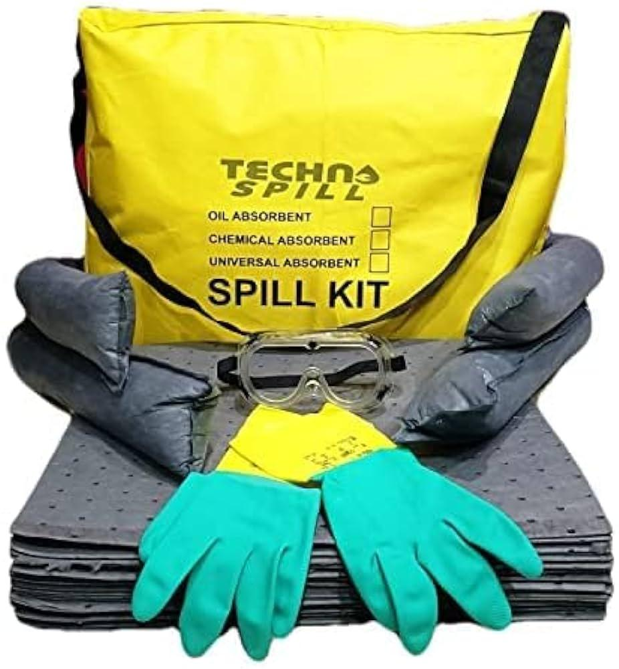
 | Gas Station Attendant | Fire extinguisher
 | Gas Station Attendant | PPE (Personal Protective Equipment) including safety gloves, safety goggles, uniform |  |  | 
 | Gas Station Attendant | Grounding cables |  |  | 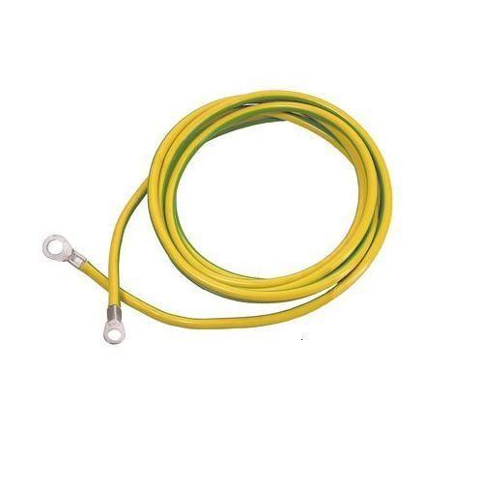
 | Gas Station Attendant | Emergency shutdown switch |  |  | 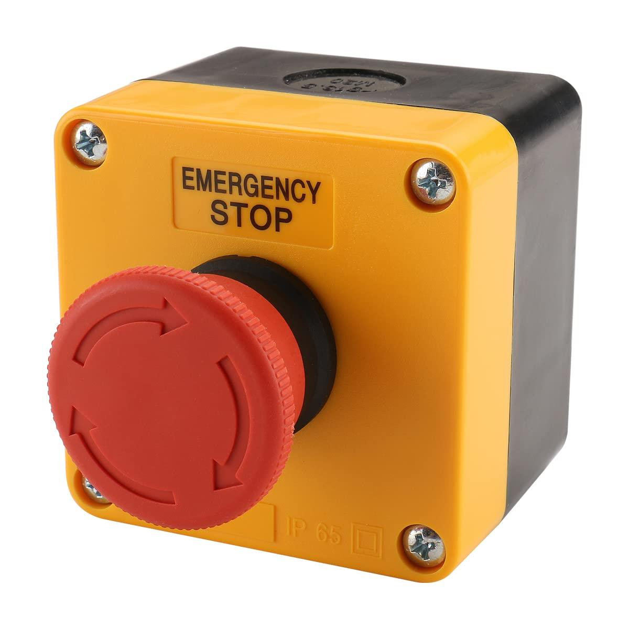
 | Gas Station Attendant | Communication device |  |  | 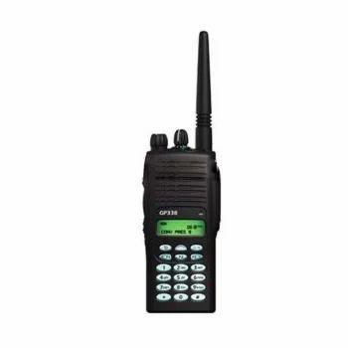
 | Gas Station Attendant | First aid kit |  |  | 
 | Gas Station Attendant | Fire blanket |  |  | 
 | Gas Station Attendant | Inspection checklist
 | Gas Station Attendant | Lubricant |  |  | 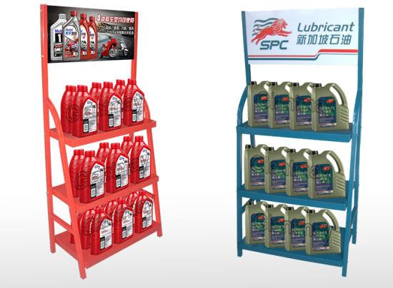
 | Gas Station Attendant | Replacement parts
 | Gas Station Attendant | Cleaning supplies |  |  | 
 | Gas Station Attendant | Windshield washer fluid |  |  | 
 | Gas Station Attendant | Funnel |  |  | 
 | Gas Station Attendant | Air pressure gauge
 | Gas Station Attendant | Water hose |  |  | 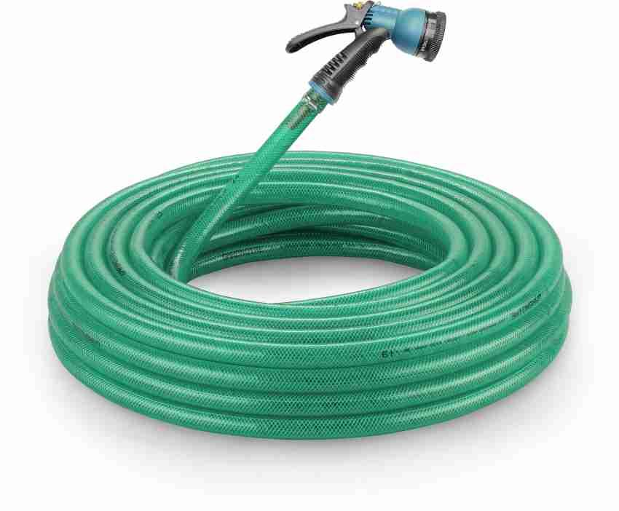
 | Gas Station Attendant | Degreaser |  |  | 
 | Gas Station Attendant | Air compressor |  |  | 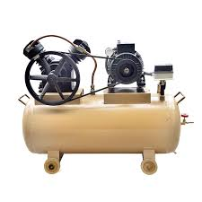
 | Gas Station Attendant | Pressure gauge |  |  | 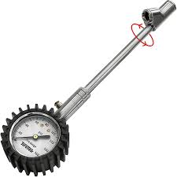
 | Gas Station Attendant | Bucket
 | Gas Station Attendant | Mop |  |  | 
 | Gas Station Attendant | Brochures
 | Gas Station Attendant | Flyers
 | Gas Station Attendant | Digital signage
 | Gas Station Attendant | Loyalty program information
 | Gas Station Attendant | Sales display
 | Gas Station Attendant | Convenience store items
 | Gas Station Attendant | POS (Point of Sale) system
 | Gas Station Attendant | Car wash brochures |  |  | 
 | Gas Station Attendant | Customer feedback forms
 | Gas Station Attendant | Special offer signs
 | Gas Station Attendant | Car wash coupons
 | Gas Station Attendant | Fuel gauge |  |  | 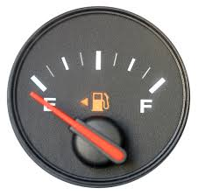
 | Gas Station Attendant | Tank monitoring system
 | Gas Station Attendant | Logbook
 | Gas Station Attendant | Inventory sheets
 | Gas Station Attendant | Ordering system
 | Gas Station Attendant | Cash register
 | Gas Station Attendant | Receipts
 | Gas Station Attendant | Safety manual
 | Gas Station Attendant | Inventory management software
 | Gas Station Attendant | Scanner
 | Gas Station Attendant | Order forms
 | Gas Station Attendant | Telephone |  |  | 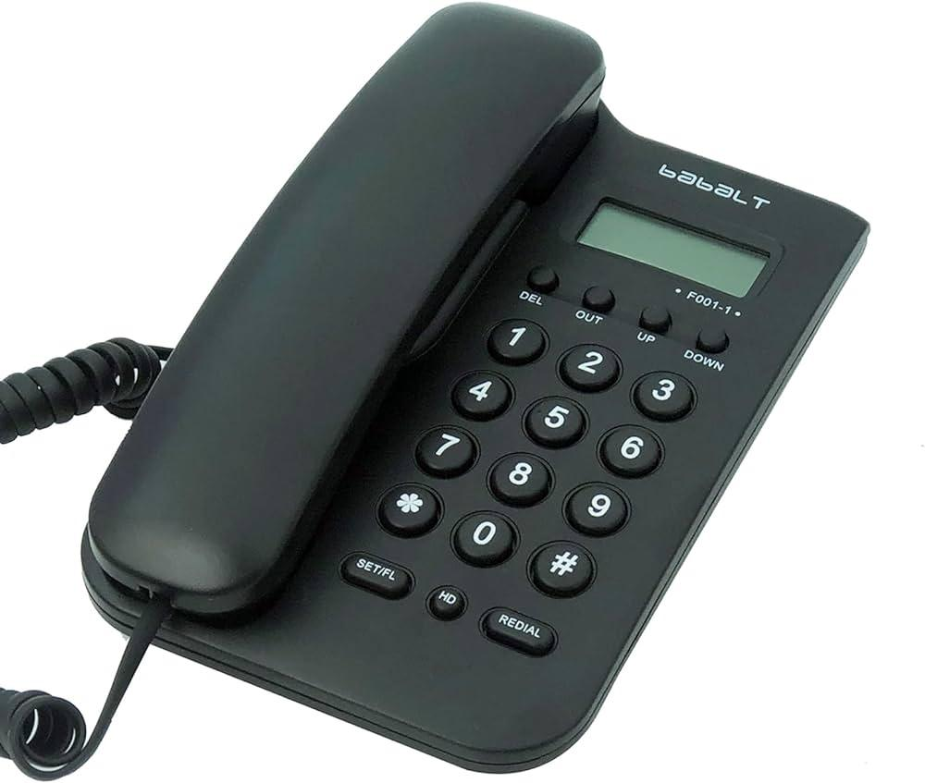
 | Gas Station Attendant | Digital inventory system
 | Gas Station Attendant | Inventory software
 | Gas Station Attendant | Mobile device |  |  | 
 | Gas Station Attendant | OSHA (Occupational Safety and Health Administration) guidelines
 | Gas Station Attendant | Environmental regulations handbook
 | Gas Station Attendant | Secondary containment systems
 | Gas Station Attendant | Environmental compliance checklist
 | Gas Station Attendant | Inspection tools |  |  | 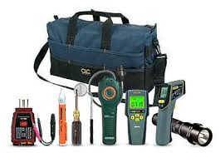
 | Gas Station Attendant | Fuel pump maintenance kit |  |  | 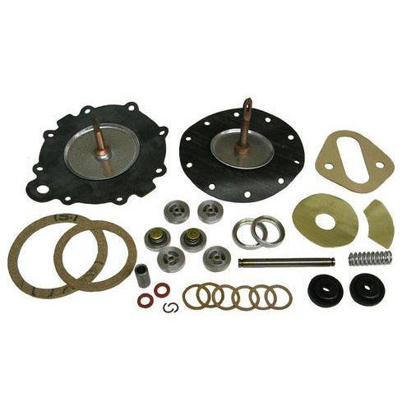
 | Gas Station Attendant | Troubleshooting guide
 | Gas Station Attendant | Tool kit |  |  | 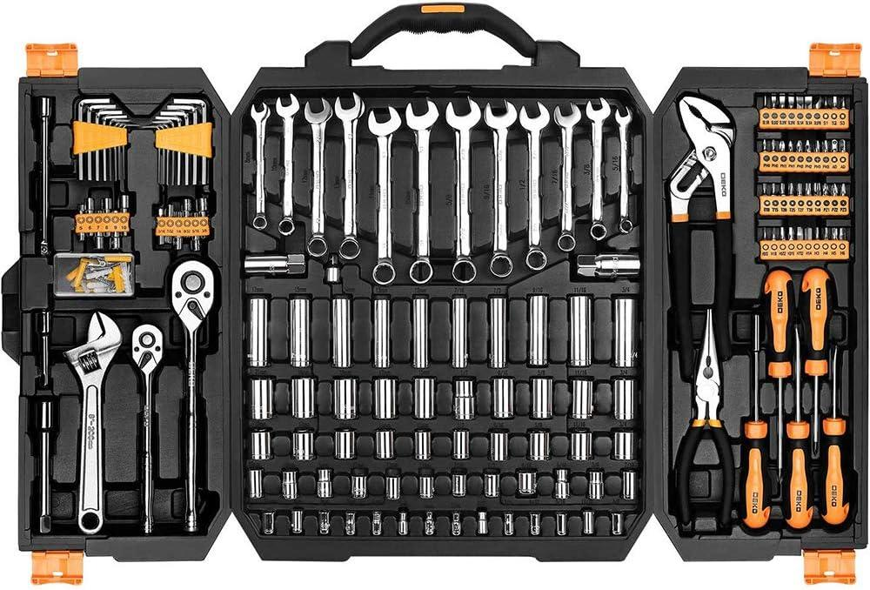
 | Gas Station Attendant | Replacement hose |  |  | 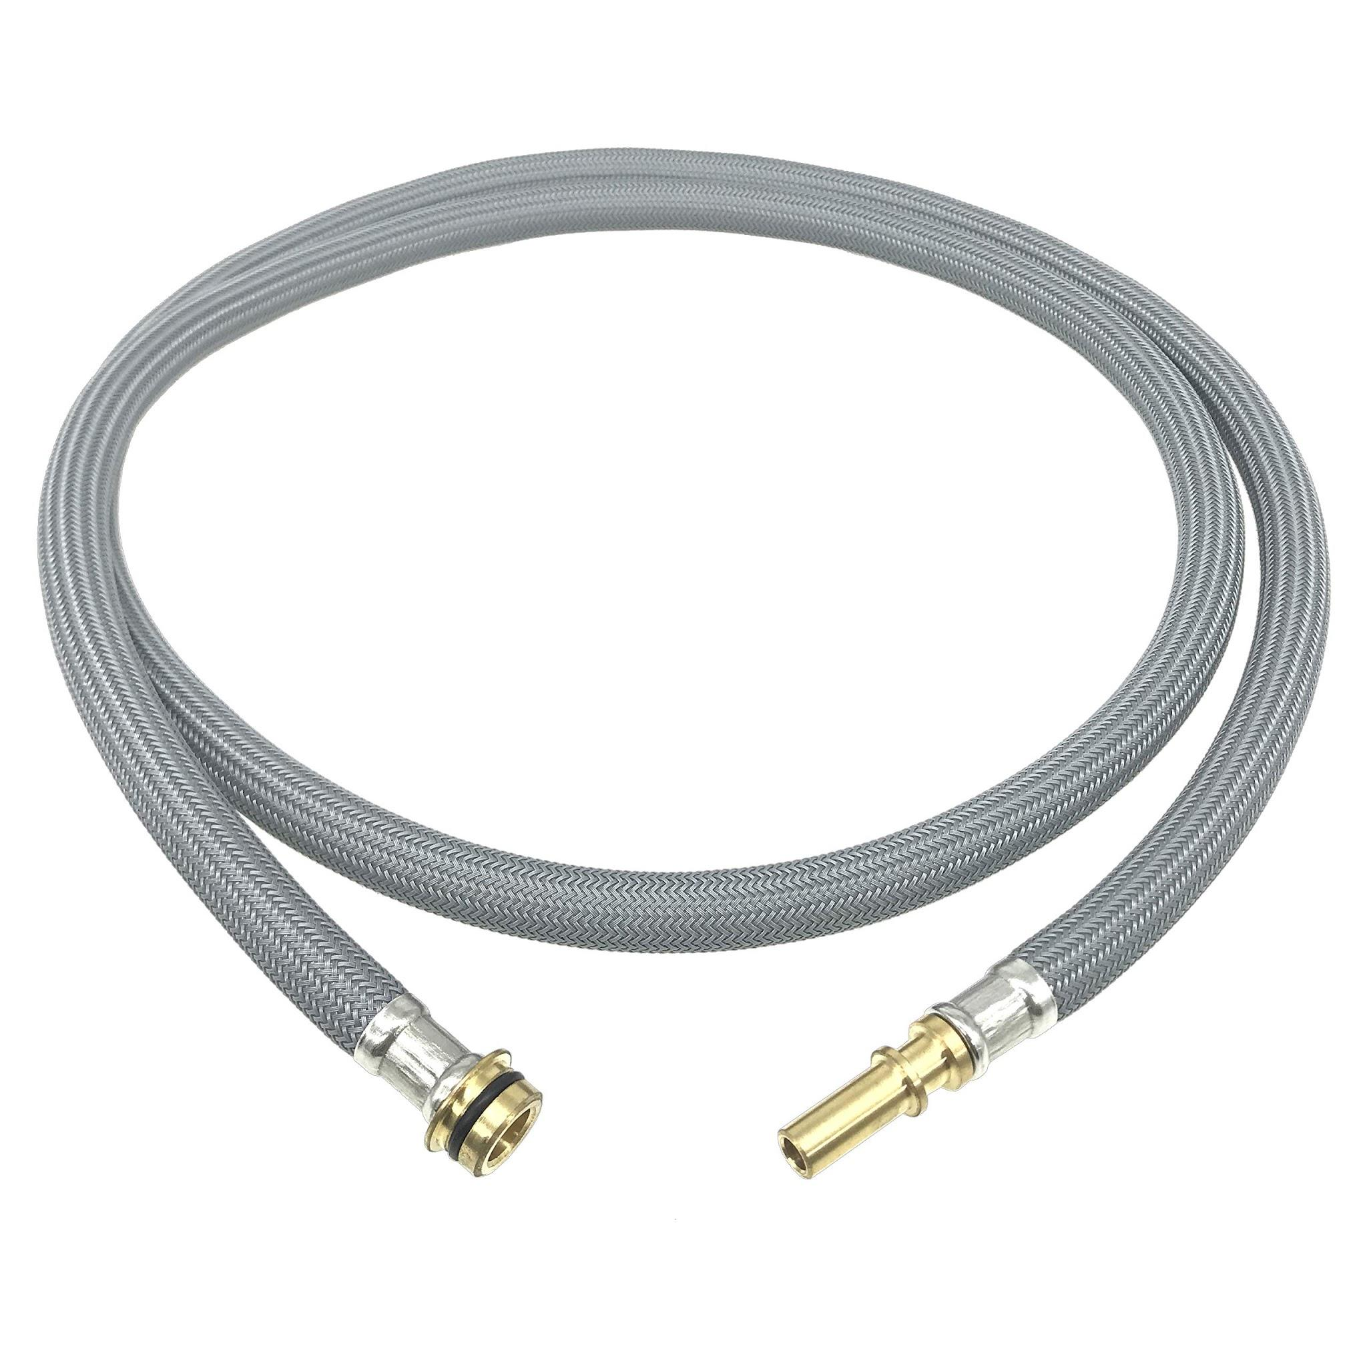
 | Gas Station Attendant | Replacement nozzle |  |  | 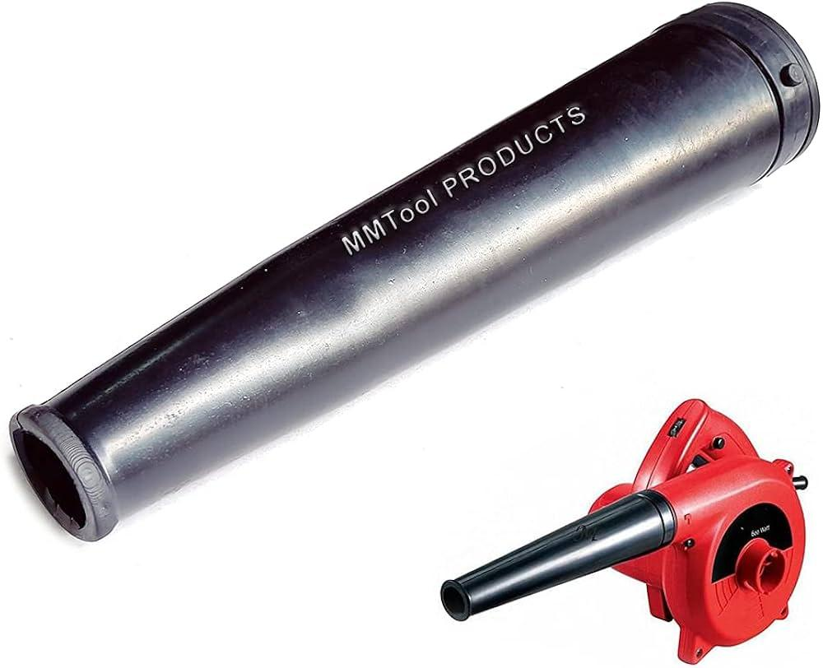
 | Gas Station Attendant | Sealing tape |  |  | 
 | Gas Station Attendant | Replacement gaskets
 | Gas Station Attendant | Replacement filter |  |  | 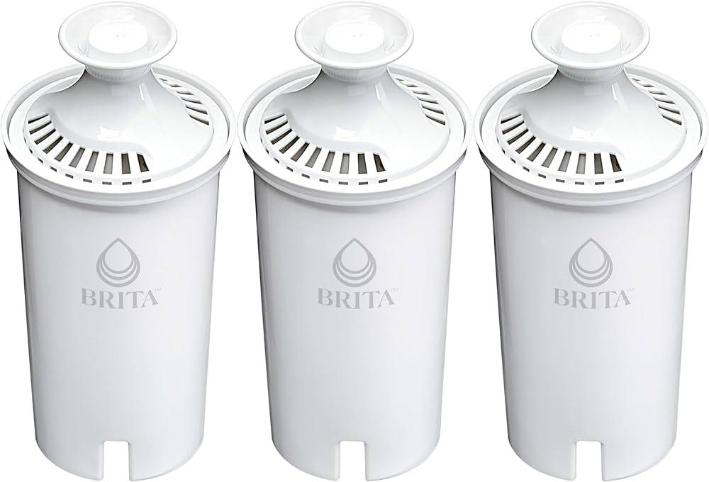
 | Gas Station Attendant | Sponge |  |  | 
 | Gas Station Attendant | Credit card machine |  |  | 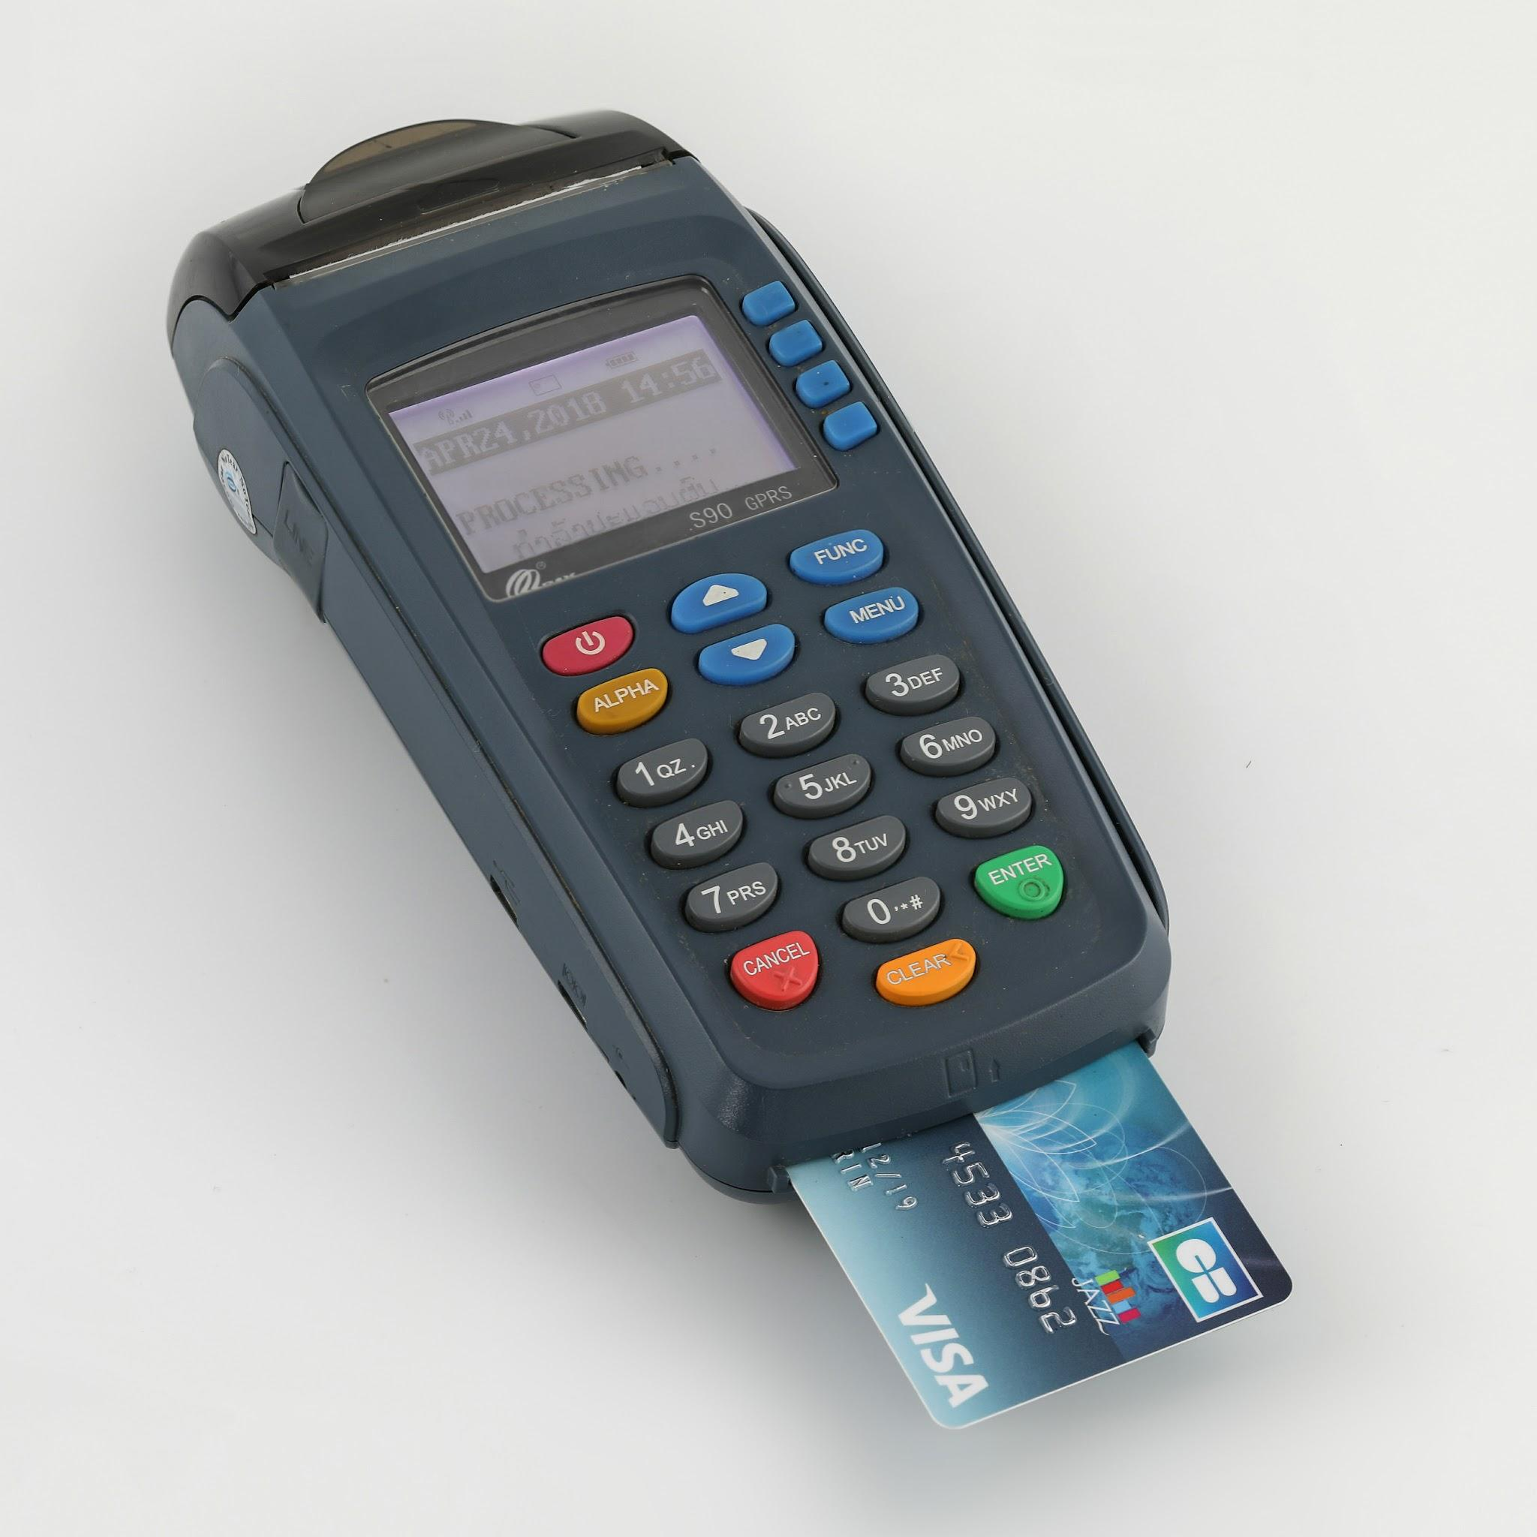
 | Gas Station Attendant | Mobile payment terminal
 | Gas Station Attendant | Spark plug socket |  |  | 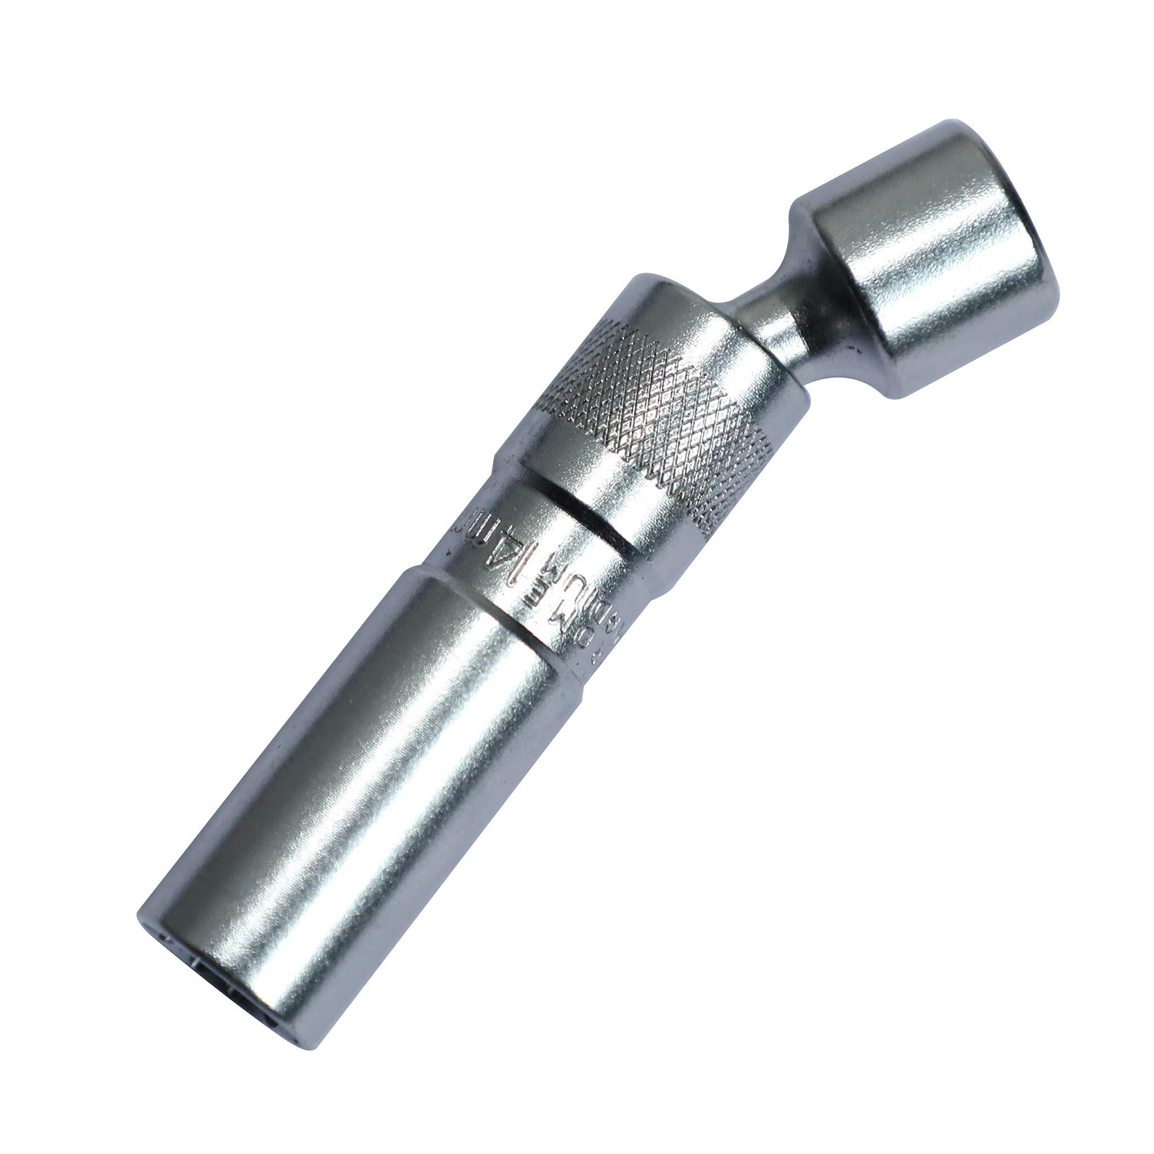
 | Gas Station Attendant | Ratchet |  |  | 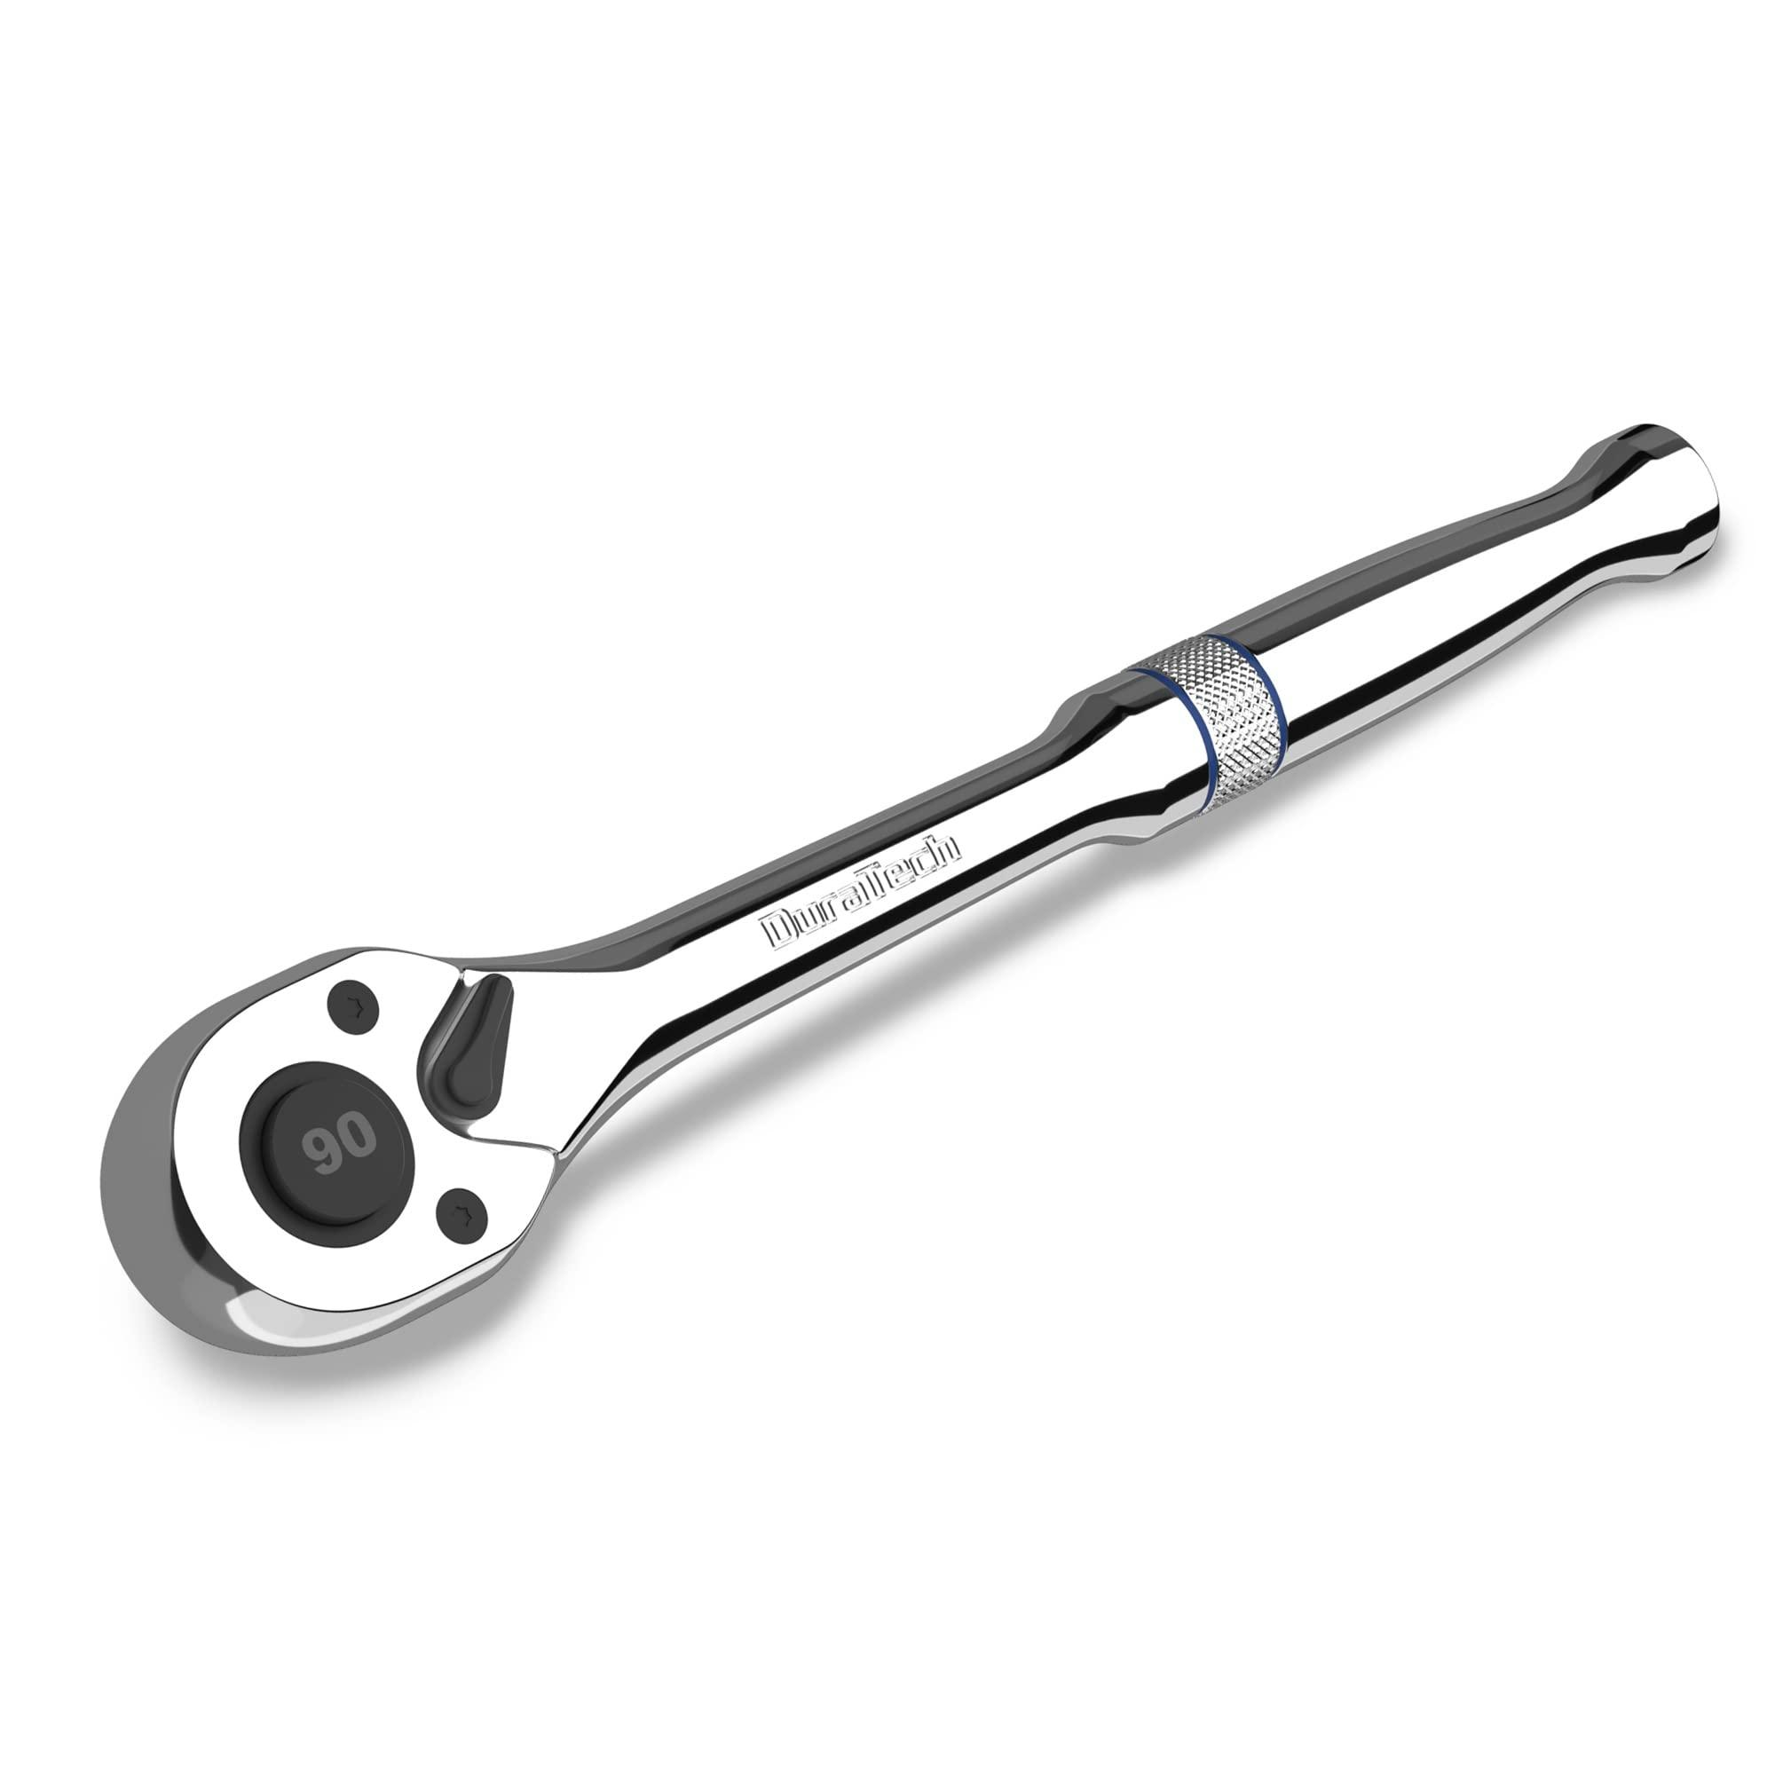
 | Gas Station Attendant | Extension bar |  |  | 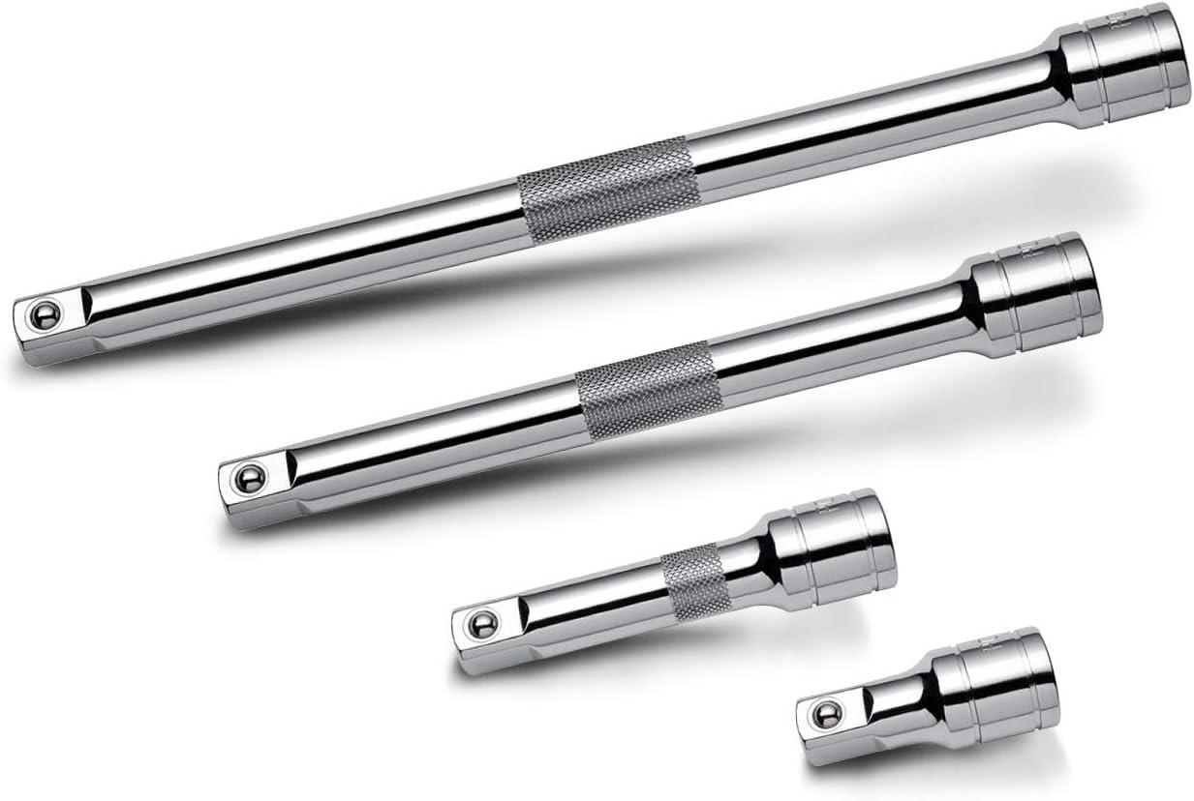
 | Gas Station Attendant | New spark plugs |  |  | 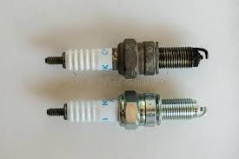
 | Gas Station Attendant | Spark plug gap gauge |  |  | 
 | Gas Station Attendant | Multimeter
 | Gas Station Attendant | Screwdriver set |  |  | 
 | Gas Station Attendant | New ignition switch |  |  | 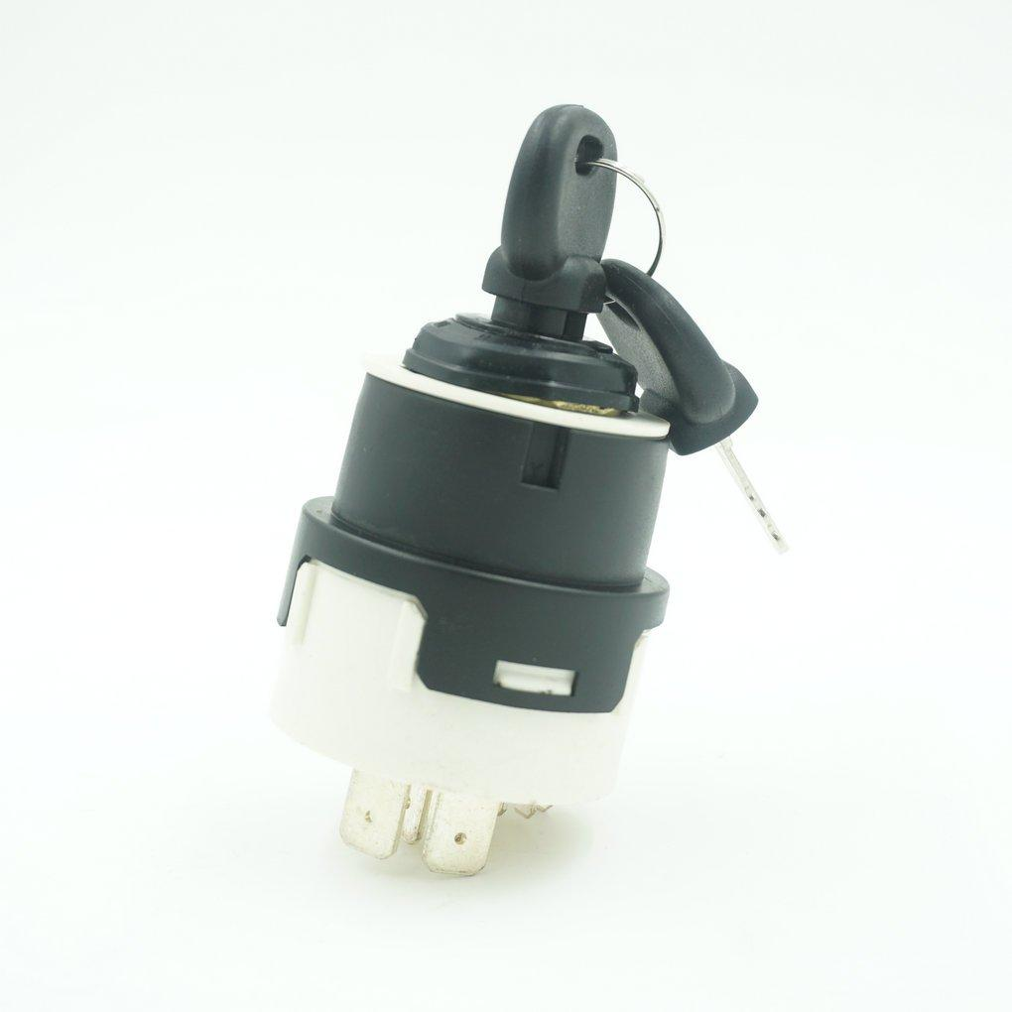
 | Gas Station Attendant | Spark tester |  |  | 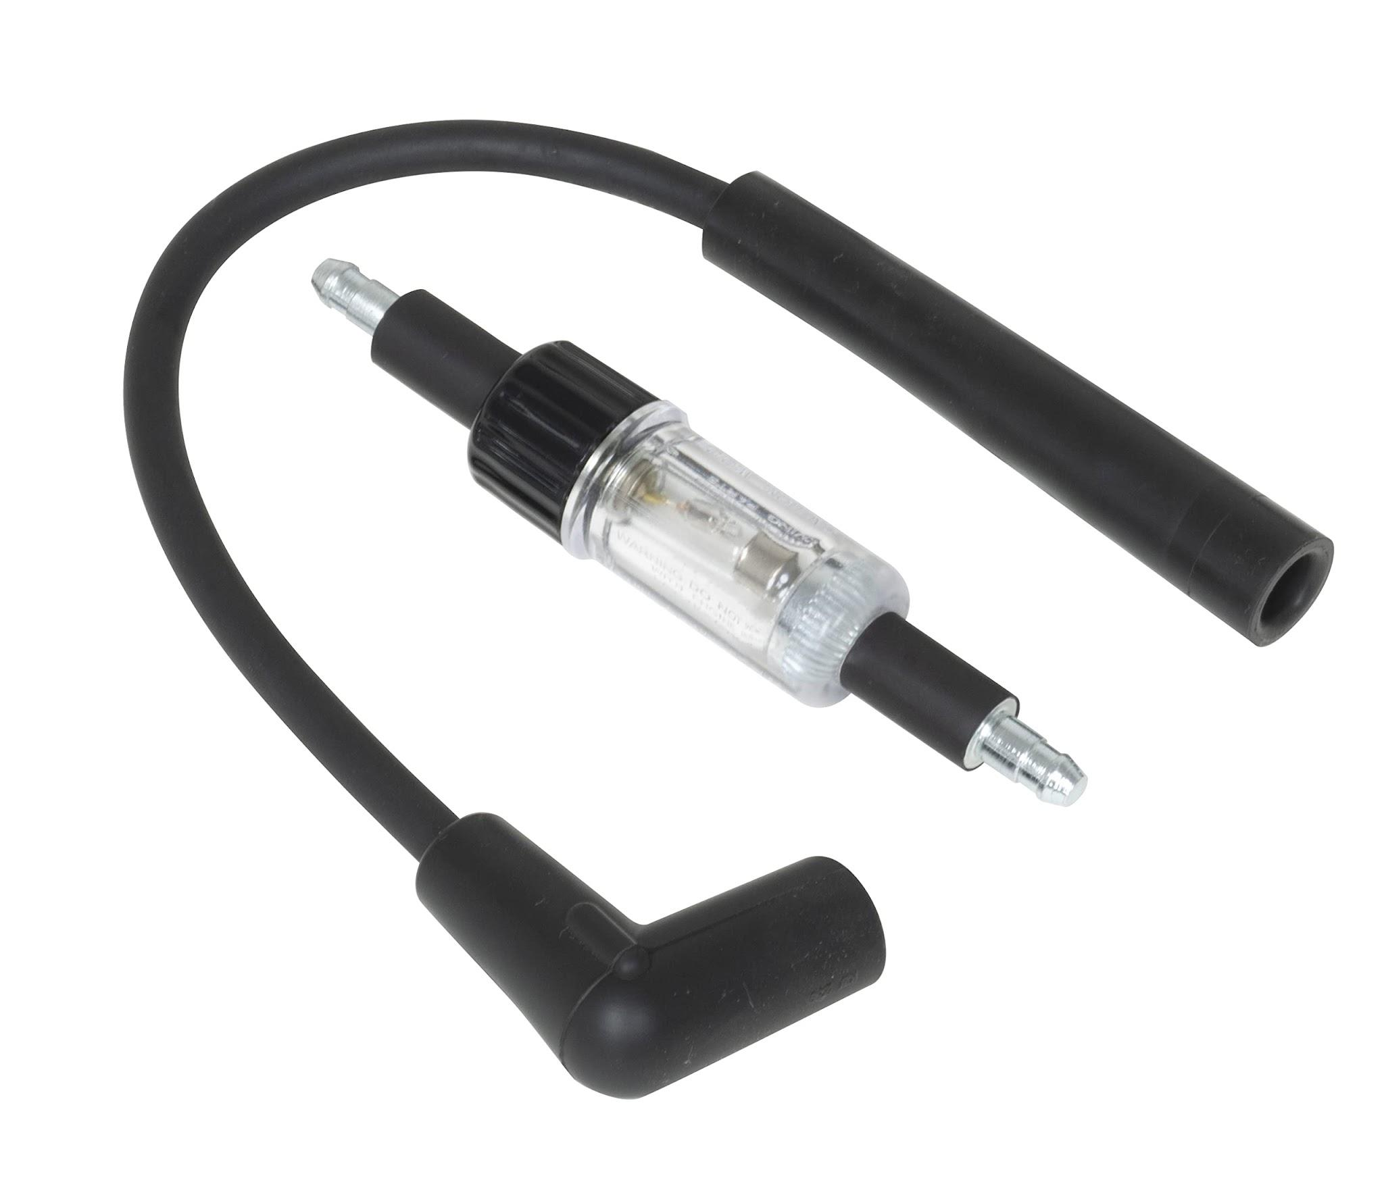
 | Gas Station Attendant | Distributor cap and rotor |  |  | 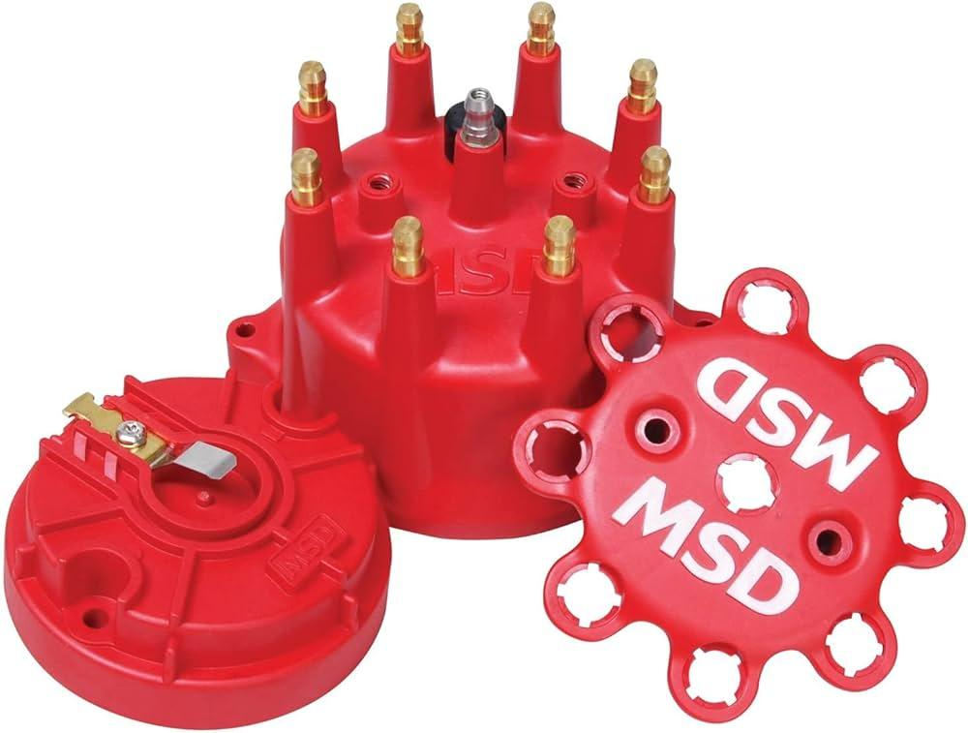
 | Gas Station Attendant | Engine oil |  |  | 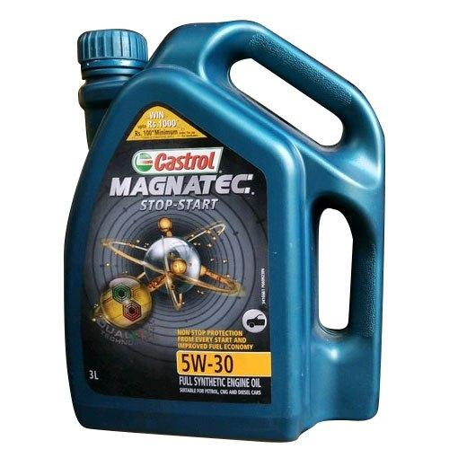
 | Gas Station Attendant | Oil filter |  |  | 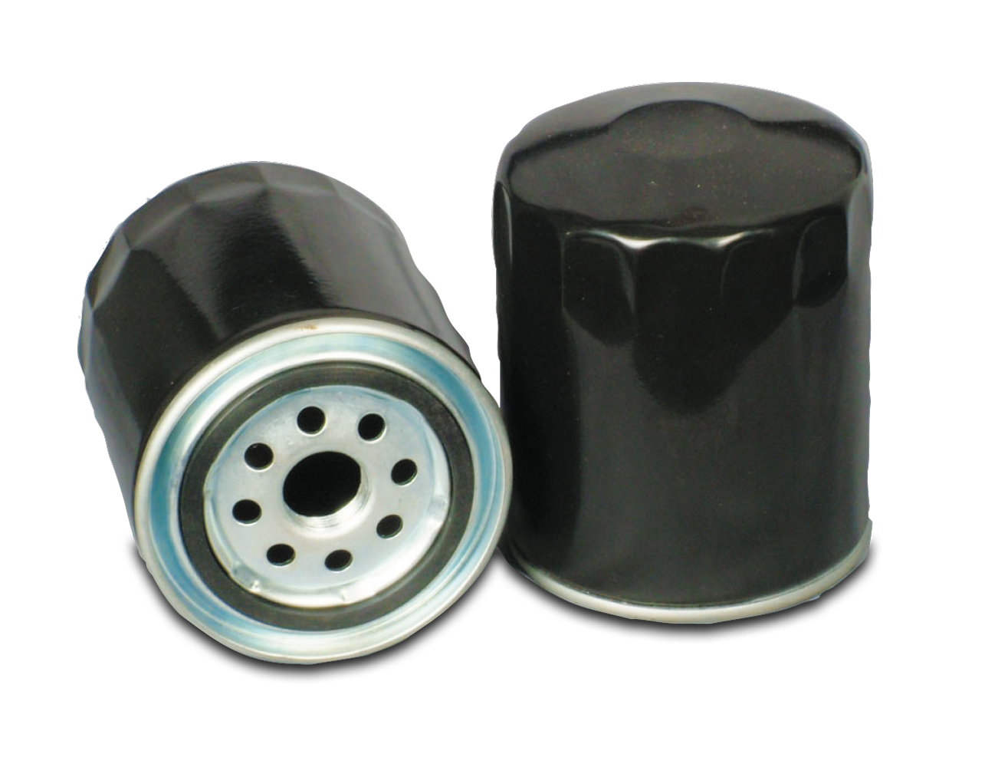
 | Gas Station Attendant | Oil filter wrench |  |  | 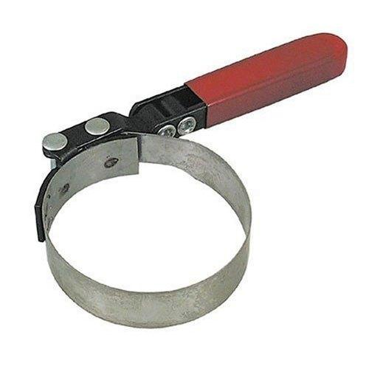
 | Gas Station Attendant | Drain pan |  |  | 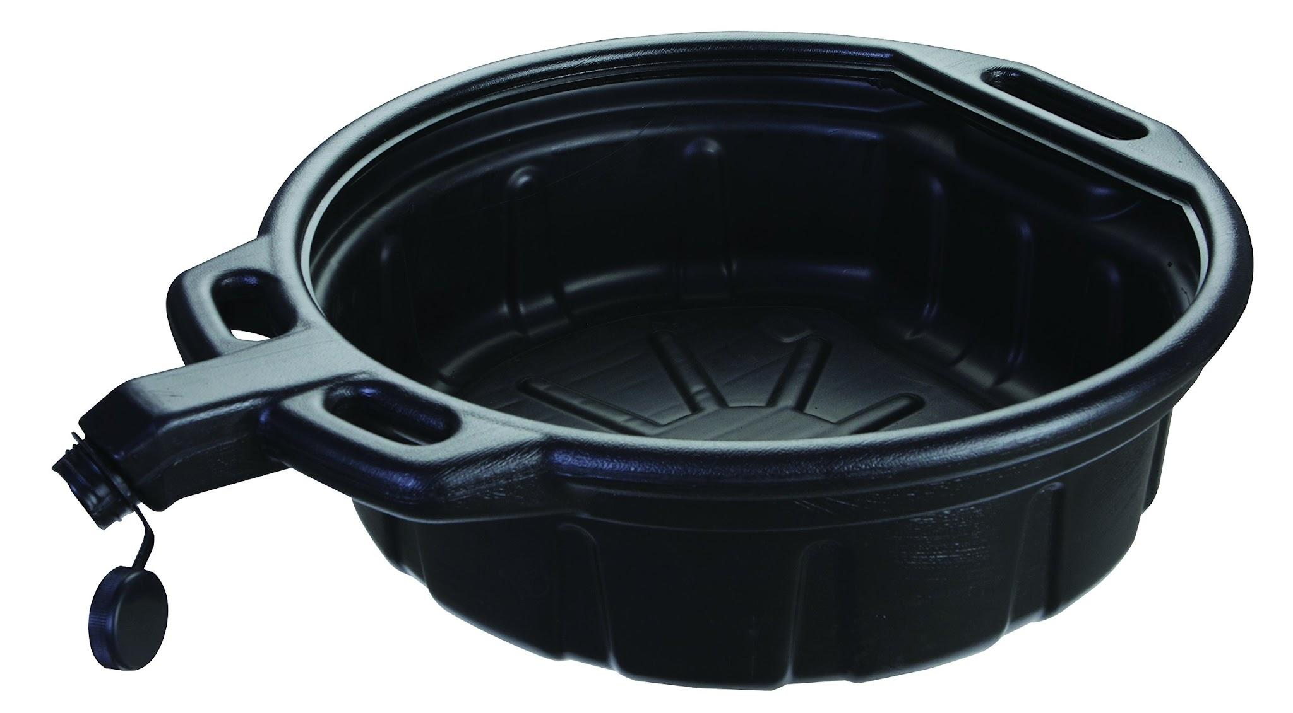
 | Gas Station Attendant | Fuel injector cleaner |  |  | 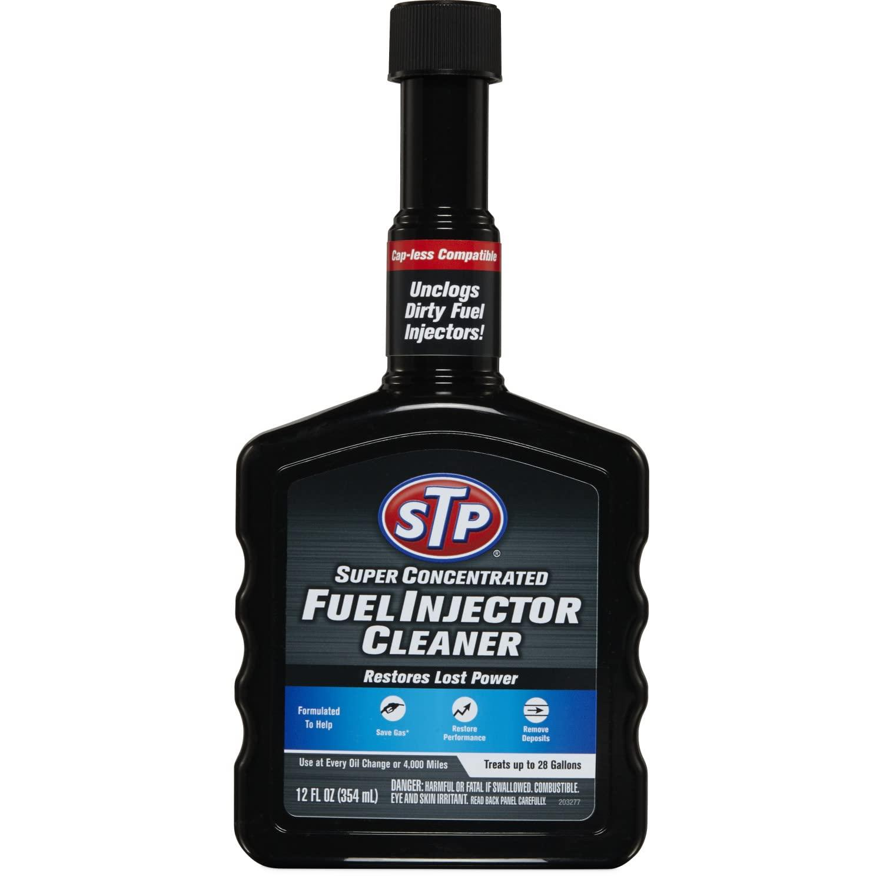
 | Gas Station Attendant | Battery charger |  |  | 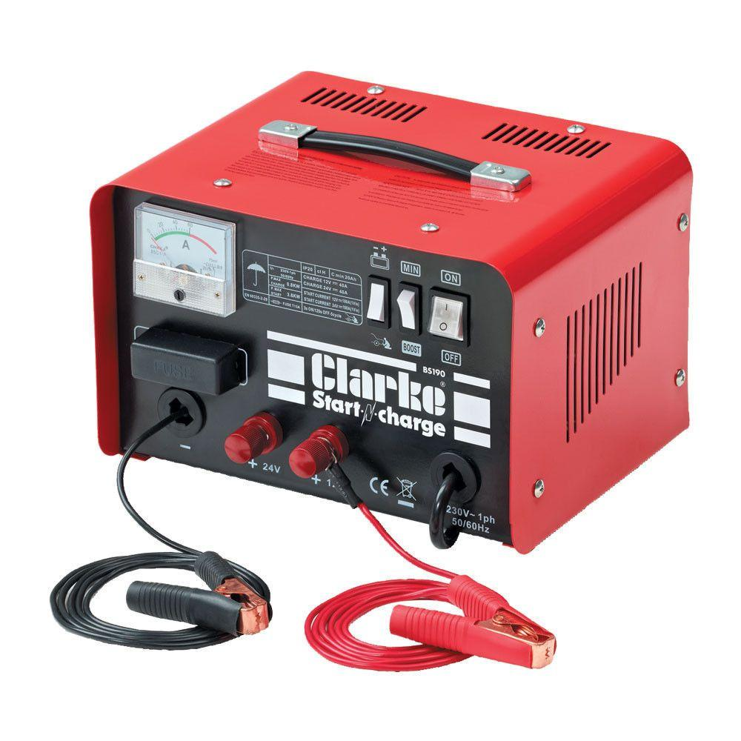
 | Gas Station Attendant | Radiator pressure tester |  |  | 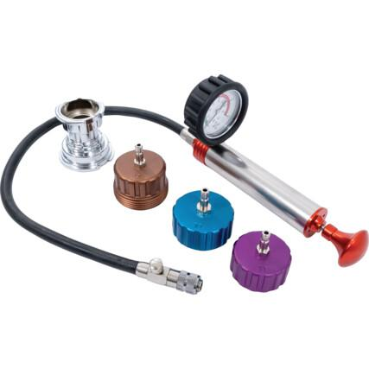
 | Gas Station Attendant | Coolant |  |  | 
 | Gas Station Attendant | Timing light
 | Gas Station Attendant | Compression gauge
 | Gas Station Attendant | Replacement belt
 | Gas Station Attendant | Tensioner pulley |  |  | 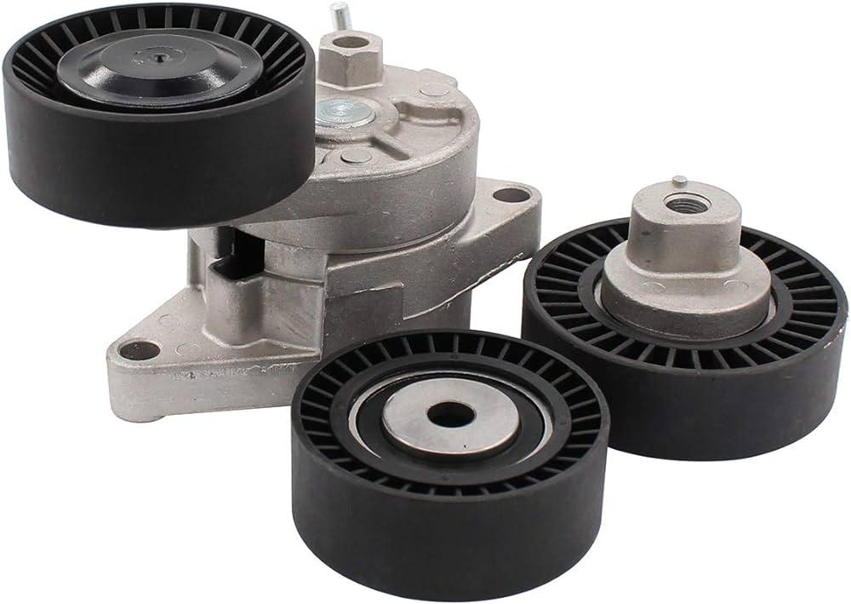
 | Gas Station Attendant | Oil and gas separator
 | Gas Station Attendant | Cleaning tools |  |  | 
 | Gas Station Attendant | Replacement V-belt |  |  | 
 | Gas Station Attendant | Filter cleaning tools |  |  | 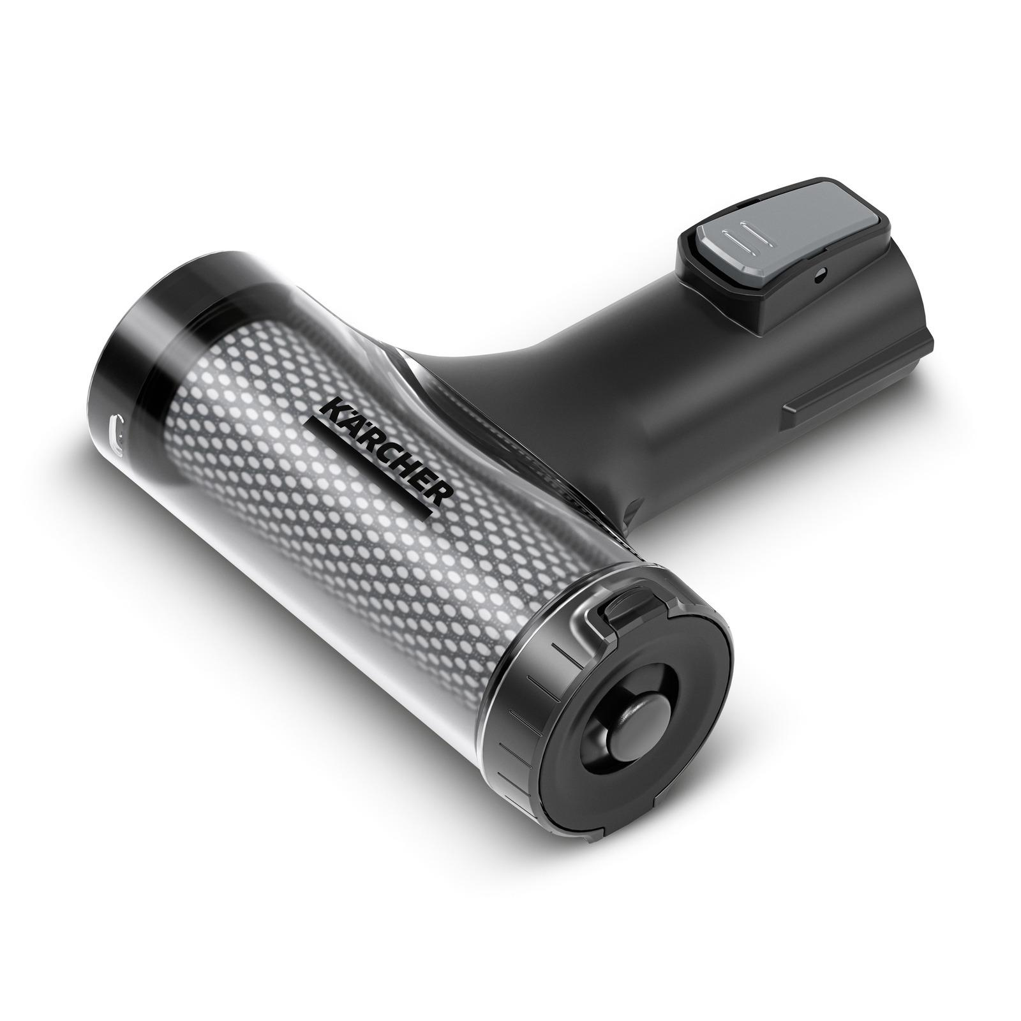
 | Gas Station Attendant | Replacement filters |  |  | 
 | Gas Station Attendant | Replacement oil float |  |  | 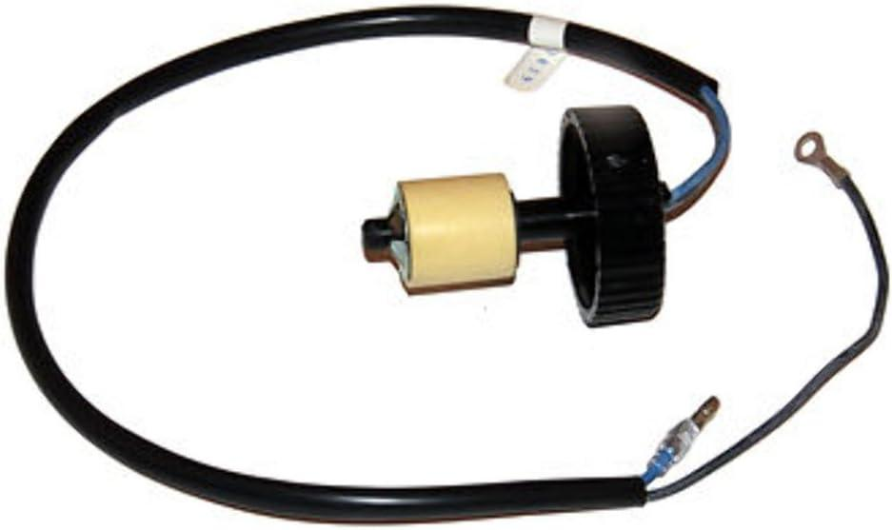
 | Gas Station Attendant | Gasket
 | Gas Station Attendant | Fuel pump system
 | Gas Station Attendant | Emergency contact list

