HVAC Mechanic
Sector name | Occupation name | Equipment name | Minimum number of equipment required (per batch of 30 trainees) | Unit type | Images
Electrical & Electronics | HVAC Technician (HVAC Mechanic) | Refrigerants (different types as per environmental star rating of air conditioning equipment (CFC, HCFC, HFC, HFO) | 10 | Canisters
Electrical & Electronics | HVAC Technician (HVAC Mechanic) | Digital weighing scale | 6 | Number
Electrical & Electronics | HVAC Technician (HVAC Mechanic) | Refrigerant gas filling apparatus | 6 | Set | 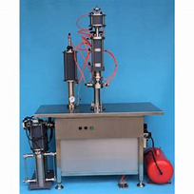
Electrical & Electronics | HVAC Technician (HVAC Mechanic) | Duct system | 3 | Number | 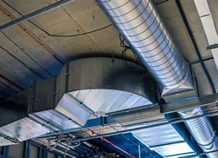
Electrical & Electronics | HVAC Technician (HVAC Mechanic) | Packaged type HVAC system | 3 | Number
Electrical & Electronics | HVAC Technician (HVAC Mechanic) | Organization policy/building plan and standard fire exit/Emergency Assembly Point documents | 1 | Number
Electrical & Electronics | HVAC Technician (HVAC Mechanic) | Warranty and service details | 30 | Number
Electrical & Electronics | HVAC Technician (HVAC Mechanic) | HVAC system specification document | 30 | Number
Electrical & Electronics | HVAC Technician (HVAC Mechanic) | Logbooks, maintenance and service documents | 30 | Number
Electrical & Electronics | HVAC Technician (HVAC Mechanic) | Electrical panel | 3 | Set
Electrical & Electronics | HVAC Technician (HVAC Mechanic) | Water pipes and motors | 3 | Set
Electrical & Electronics | HVAC Technician (HVAC Mechanic) | Duct work | 3 | Set | 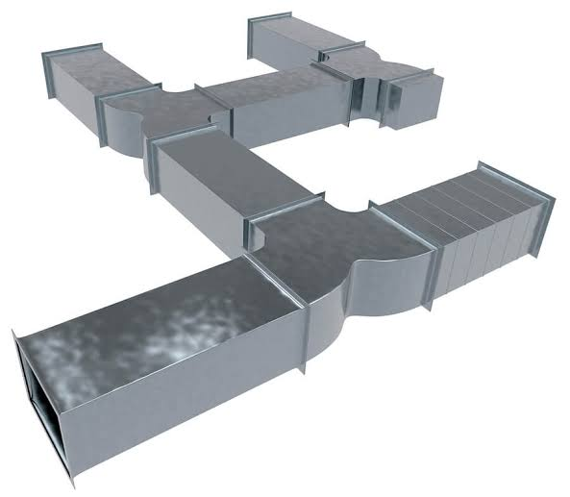
Electrical & Electronics | HVAC Technician (HVAC Mechanic) | FCU (Fan Coil Unit) | 3 | Number | 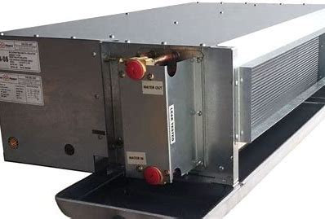
Electrical & Electronics | HVAC Technician (HVAC Mechanic) | AHU (Air Handling Unit) | 3 | Number | 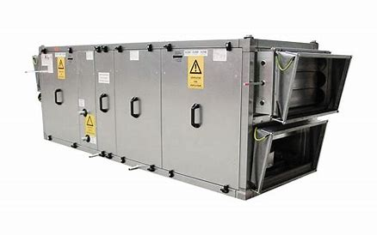
Electrical & Electronics | HVAC Technician (HVAC Mechanic) | Compact cooling tower | 3 | Number
Electrical & Electronics | HVAC Technician (HVAC Mechanic) | Dx chiller package | 3 | Number | 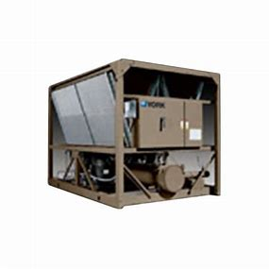
Electrical & Electronics | HVAC Technician (HVAC Mechanic) | Psychometric chart | 10 | Number | 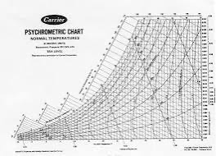
Electrical & Electronics | HVAC Technician (HVAC Mechanic) | Claw hammer | 10 | Number | 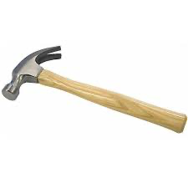
Electrical & Electronics | HVAC Technician (HVAC Mechanic) | Air blower | 6 | Number | 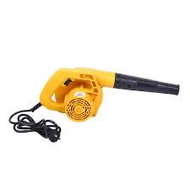
Electrical & Electronics | HVAC Technician (HVAC Mechanic) | Fin comb | 10 | Number
Electrical & Electronics | HVAC Technician (HVAC Mechanic) | Spring bender 1/2" | 15 | Number | 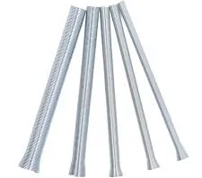
Electrical & Electronics | HVAC Technician (HVAC Mechanic) | Spring bender 3/8" | 15 | Number
Electrical & Electronics | HVAC Technician (HVAC Mechanic) | Spring bender 1/4" | 30 | Number
Electrical & Electronics | HVAC Technician (HVAC Mechanic) | Mechanical bender 5/8" | 15 | Number
Electrical & Electronics | HVAC Technician (HVAC Mechanic) | Mechanical bender 1/2" | 15 | Number
Electrical & Electronics | HVAC Technician (HVAC Mechanic) | Mechanical bender 3/8" | 15 | Number
Electrical & Electronics | HVAC Technician (HVAC Mechanic) | Mechanical bender 1/4" | 15 | Number
Electrical & Electronics | HVAC Technician (HVAC Mechanic) | Reamer | 15 | Number | 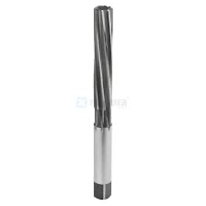
Electrical & Electronics | HVAC Technician (HVAC Mechanic) | AC system service pump | 6 | Number | 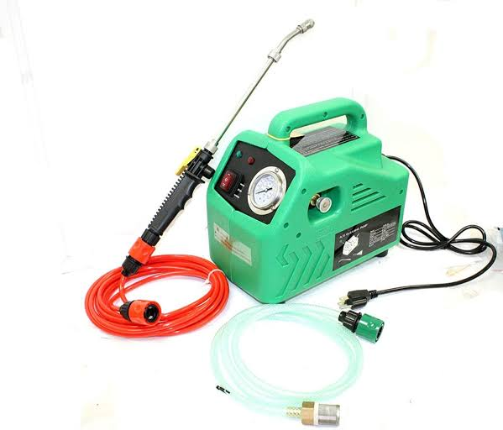
Electrical & Electronics | HVAC Technician (HVAC Mechanic) | Vacuum pump 2- stage | 4 | Set | 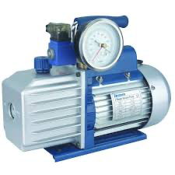
Electrical & Electronics | HVAC Technician (HVAC Mechanic) | Adjustable wrench set | 10 | Number | 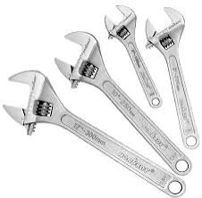
Electrical & Electronics | HVAC Technician (HVAC Mechanic) | Allen key set | 10 | Number | 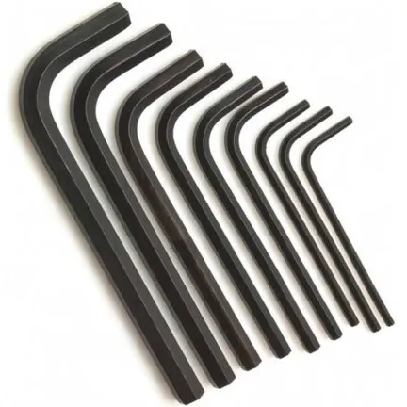
Electrical & Electronics | HVAC Technician (HVAC Mechanic) | Flaring tool set | 10 | Number | 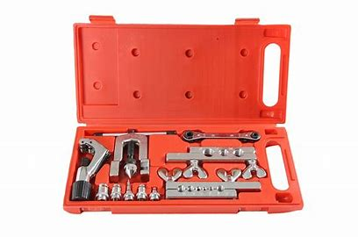
Electrical & Electronics | HVAC Technician (HVAC Mechanic) | Pressure gauge | 10 | Number
Electrical & Electronics | HVAC Technician (HVAC Mechanic) | Anemometer | 10 | Number
Electrical & Electronics | HVAC Technician (HVAC Mechanic) | Clamp meter | 10 | Number | 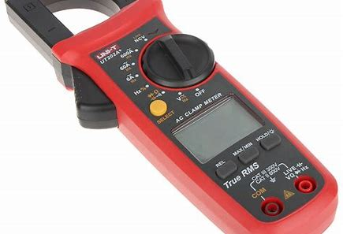
Electrical & Electronics | HVAC Technician (HVAC Mechanic) | Spanner set | 10 | Number | 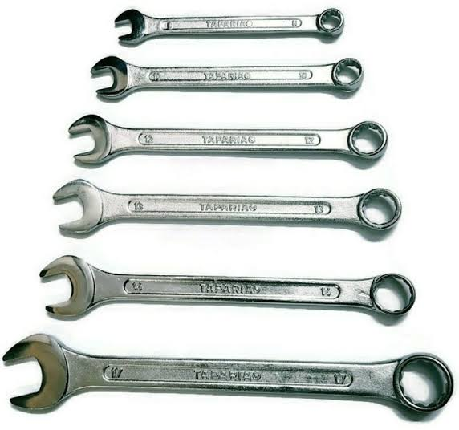
Electrical & Electronics | HVAC Technician (HVAC Mechanic) | Lighter | 10 | Number
Electrical & Electronics | HVAC Technician (HVAC Mechanic) | Butane cane | 10 | Number
Electrical & Electronics | HVAC Technician (HVAC Mechanic) | Plier set | 30 | Number | 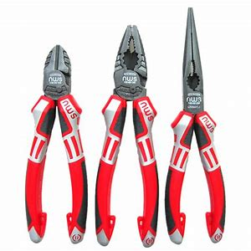
Electrical & Electronics | HVAC Technician (HVAC Mechanic) | Flat screwdriver | 30 | Number
Electrical & Electronics | HVAC Technician (HVAC Mechanic) | Philips screwdriver | 30 | Number
Electrical & Electronics | HVAC Technician (HVAC Mechanic) | Soldering iron | 3 | Number | 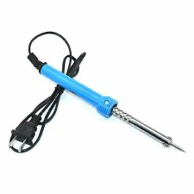
Electrical & Electronics | HVAC Technician (HVAC Mechanic) | Multimeter | 5 | Number
Electrical & Electronics | HVAC Technician (HVAC Mechanic) | Voltmeter | 3 | Number
Electrical & Electronics | HVAC Technician (HVAC Mechanic) | Assorted wires and ducts | Assorted rolls | Number | 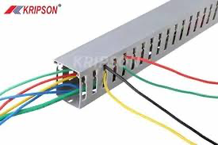
Electrical & Electronics | HVAC Technician (HVAC Mechanic) | AC switches | Assorted | Number
Protective Equipment & Wear
Electrical & Electronics | HVAC Mechanic | Fire retardant, Reflective jacket or Jumpsuit with multiple pockets and reflective bands
Electrical & Electronics | HVAC Mechanic | Full body harness
Electrical & Electronics | HVAC Mechanic | Face mask (For light duty installation work) |  |  | 
Electrical & Electronics | HVAC Mechanic | HEPA filter Respirator (When using soldering iron, drills, or handling large electrical equipment like generators) |  |  | 
Electrical & Electronics | HVAC Mechanic | Protective Safety Glasses/Goggles |  |  | 
Electrical & Electronics | HVAC Mechanic | Insulated boots |  |  | 
Electrical & Electronics | HVAC Mechanic | Insulated Ladder
Electrical & Electronics | HVAC Mechanic | Polypropylene Safety Hat (When working at site, at all times) |  |  | 
Electrical & Electronics | HVAC Mechanic | Elbow and knee guards |  |  | 
Electrical & Electronics | HVAC Mechanic | Insulated gloves |  |  | 
Emergency Protection and Warning Equipment
Electrical & Electronics | HVAC Mechanic | Fire prevention Kit (Containing fire blanket, Heat Resistant Gloves, Escape Rope, Glass Hammer, Glow Sticks, Flashlight, First Aid Supplies with Burn Injury Care Treatment and More) |  |  | 
Electrical & Electronics | HVAC Mechanic | Lockout/Tagout Device with padlock |  |  | 
Electrical & Electronics | HVAC Mechanic | Fire extinguisher (Hand held or Wall mounted)
Electrical & Electronics | HVAC Mechanic | First aid box
Electrical & Electronics | HVAC Mechanic | Safety tags, |  |  | 
Electrical & Electronics | HVAC Mechanic | Safety notice board /safety message board |  |  | 
Electrical & Electronics | HVAC Mechanic | Barricade Cones |  |  | 
Electrical & Electronics | HVAC Mechanic | Warning Signs (Danger)

Note: All electrical equipment should be insulated as per NFPA 70E

