Hairdresser
Sector name | Occupation name | Equipment name | Minimum number of equipment required (per batch of 30 trainees) | Unit type | Images
 | Hairdresser | Aftershave Balm |  |  | 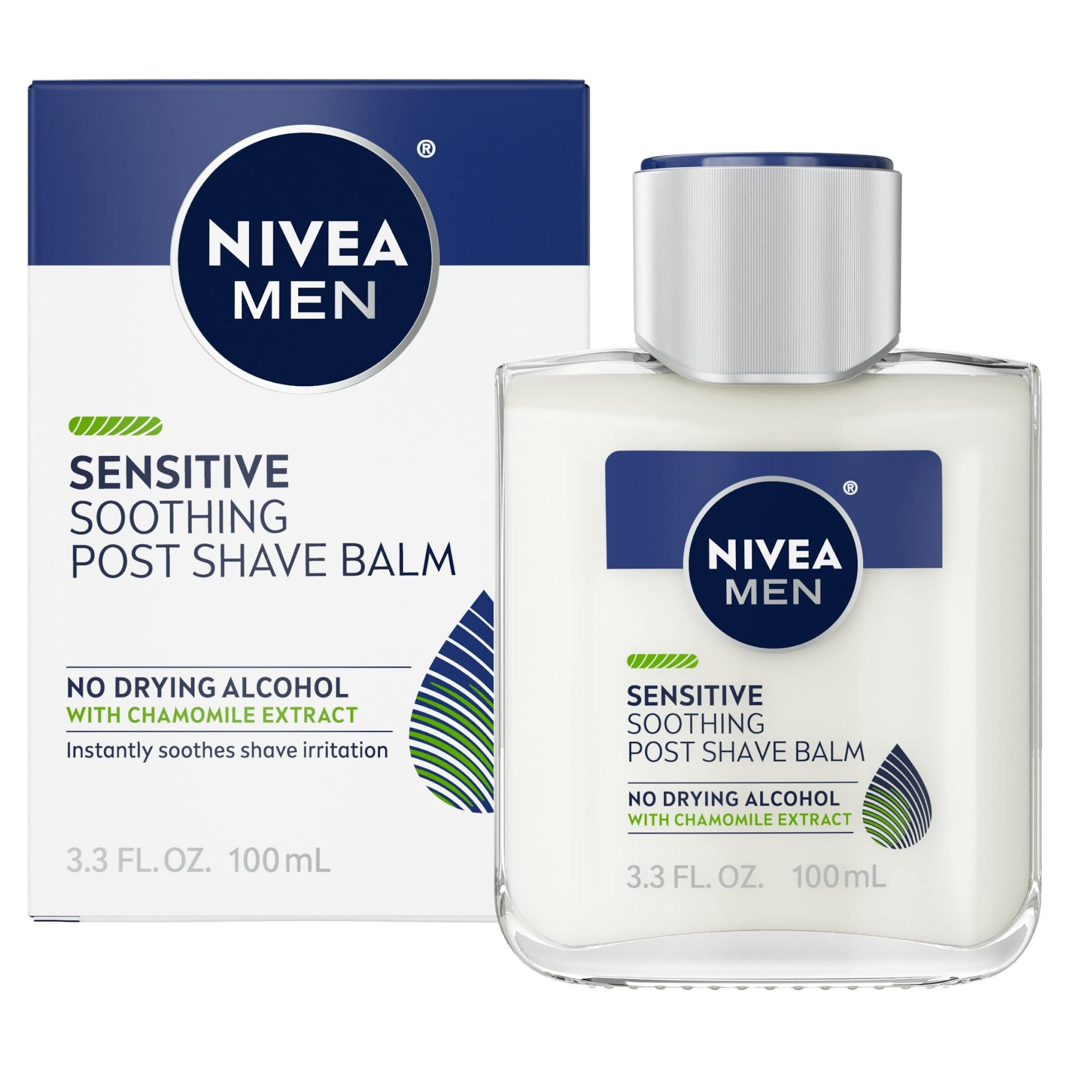
 | Hairdresser | Alcohol Swabs |  |  | 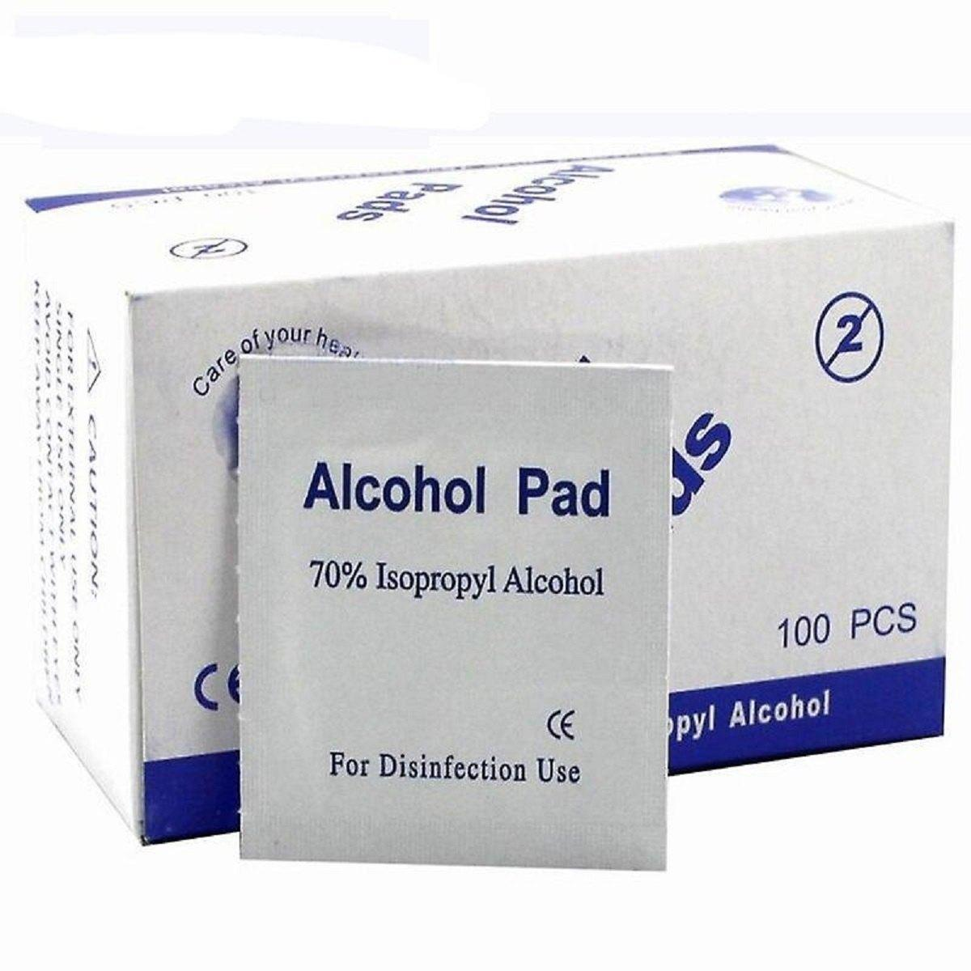
 | Hairdresser | Analysis Software
 | Hairdresser | Antibacterial Soap |  |  | 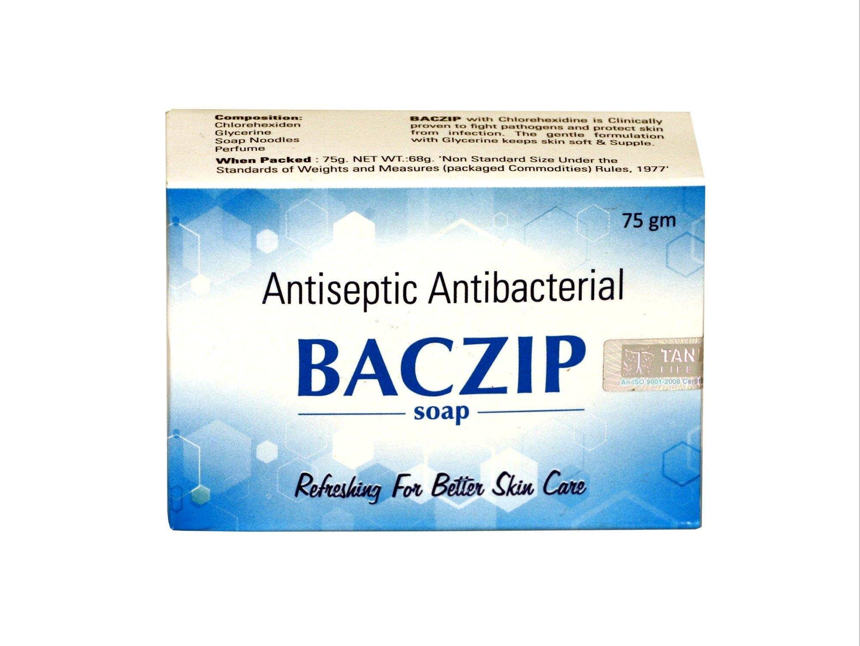
 | Hairdresser | Anti-Dandruff Treatment |  |  | 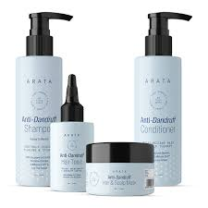
 | Hairdresser | Anti-Frizz Serum |  |  | 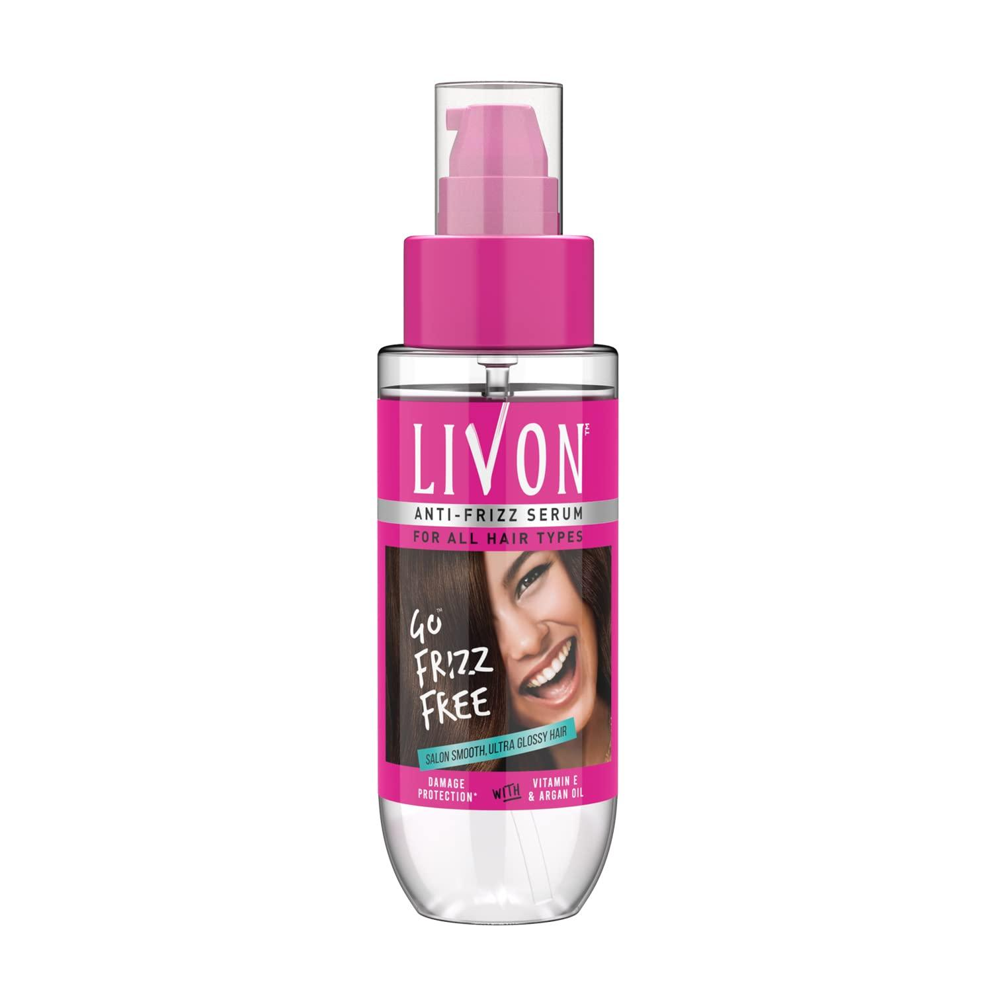
 | Hairdresser | Anti-Humidity Spray |  |  | 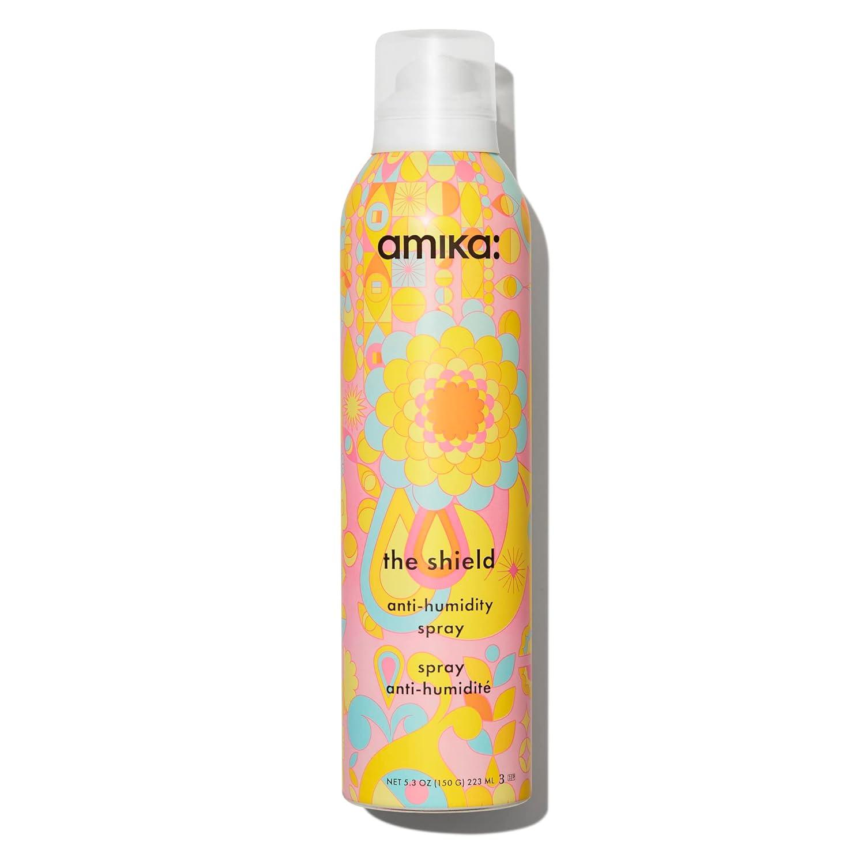
 | Hairdresser | Antiseptic Wipes |  |  | 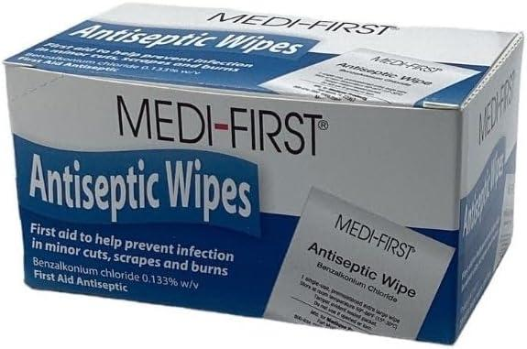
 | Hairdresser | Application Brush |  |  | 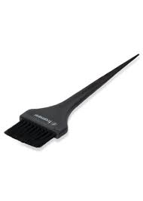
 | Hairdresser | Argan Oil |  |  | 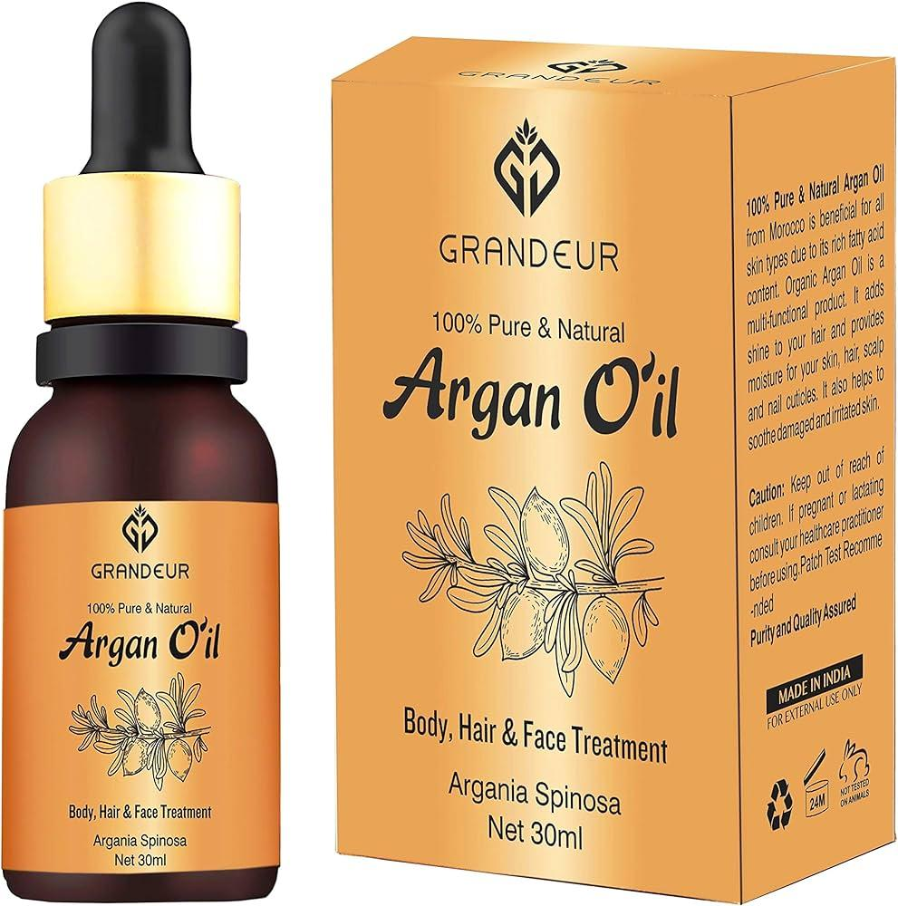
 | Hairdresser | Balancing Shampoo |  |  | 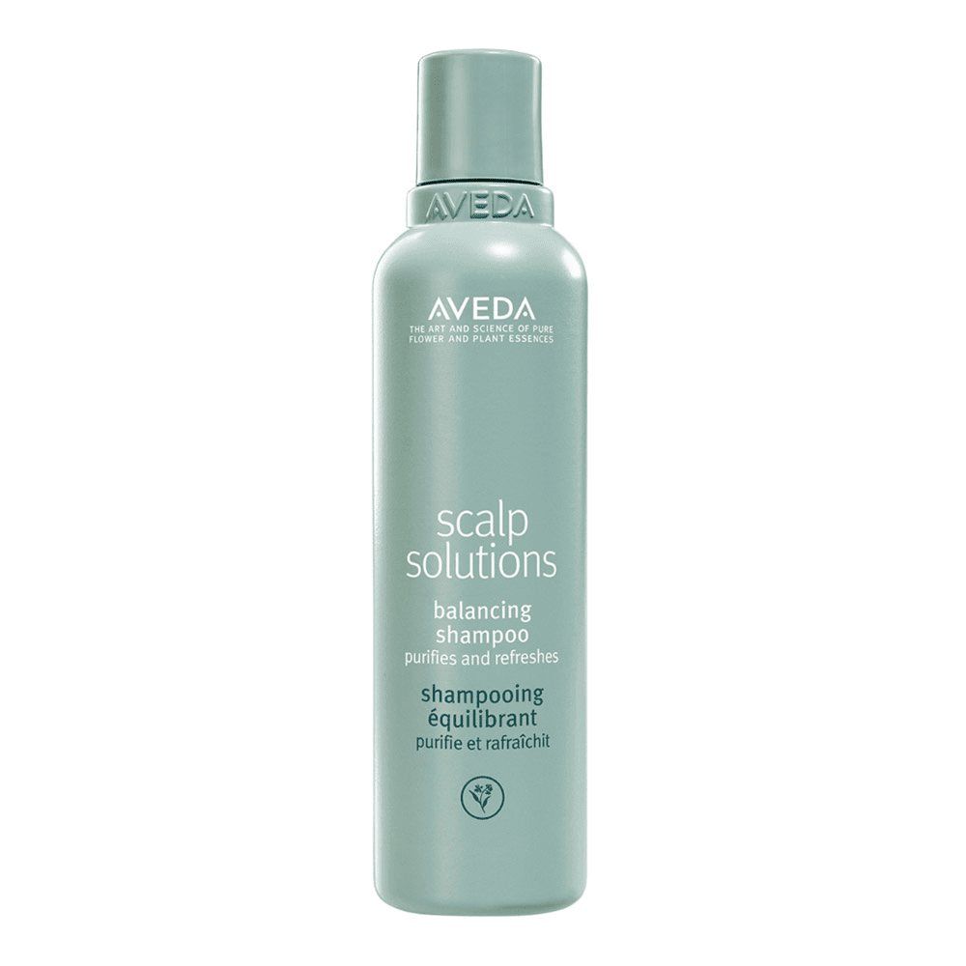
 | Hairdresser | Bandages |  |  | 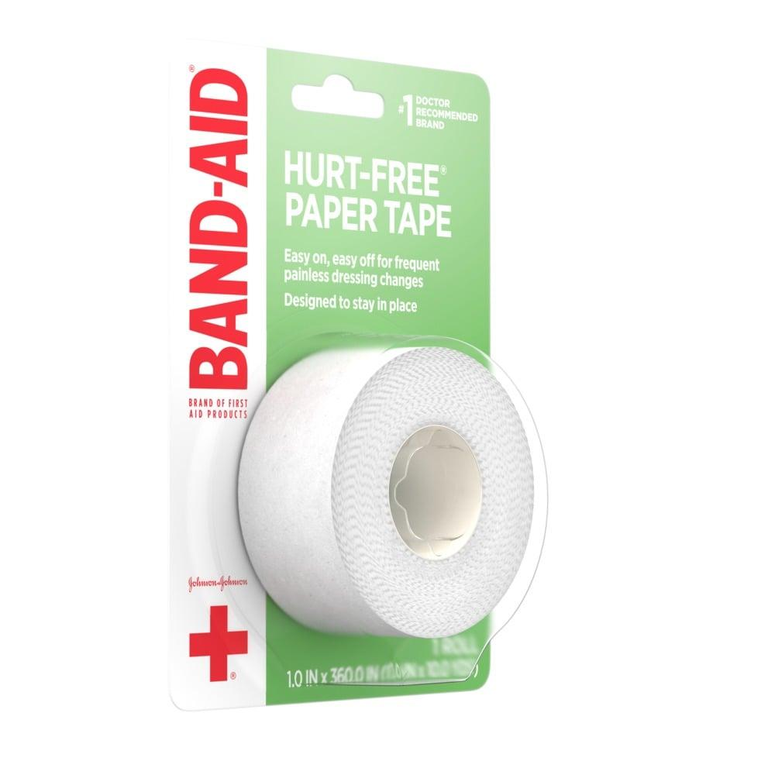
 | Hairdresser | Barbicide |  |  | 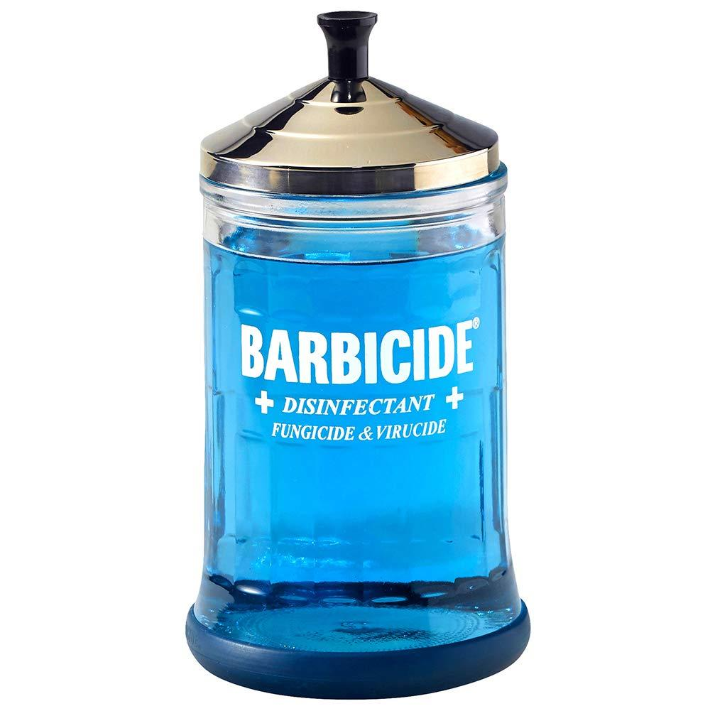
 | Hairdresser | Bleach |  |  |  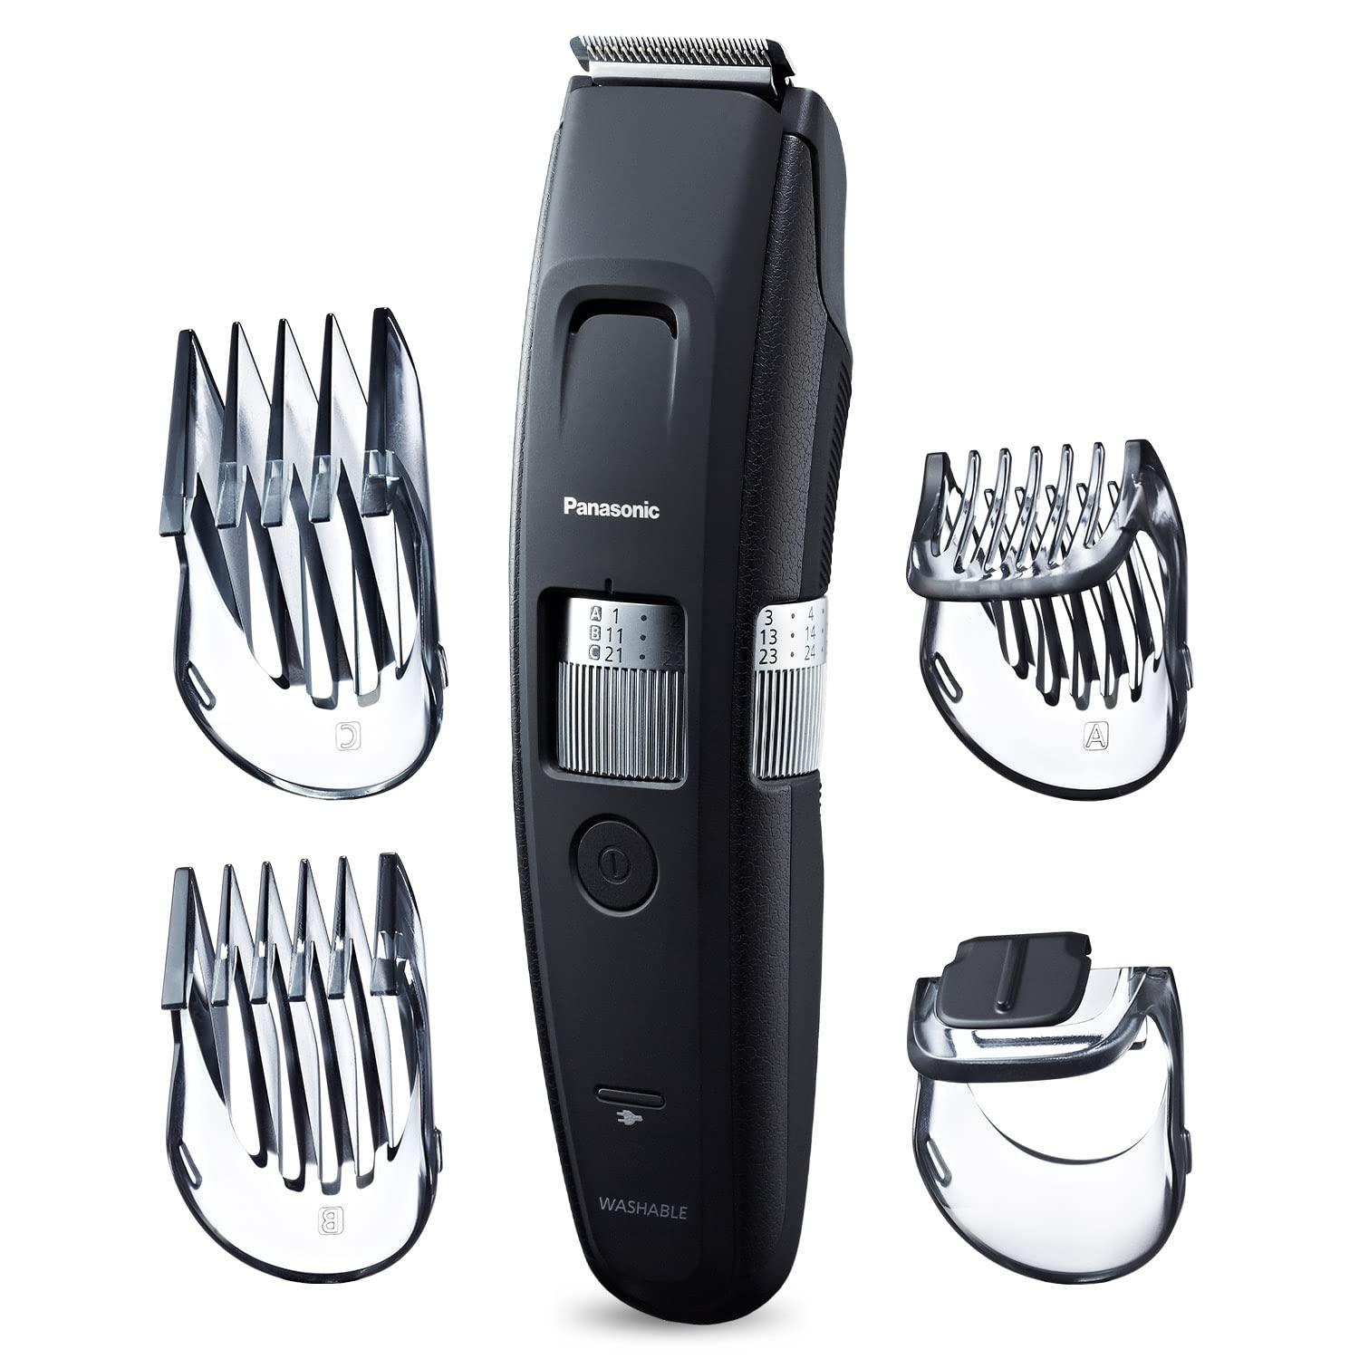 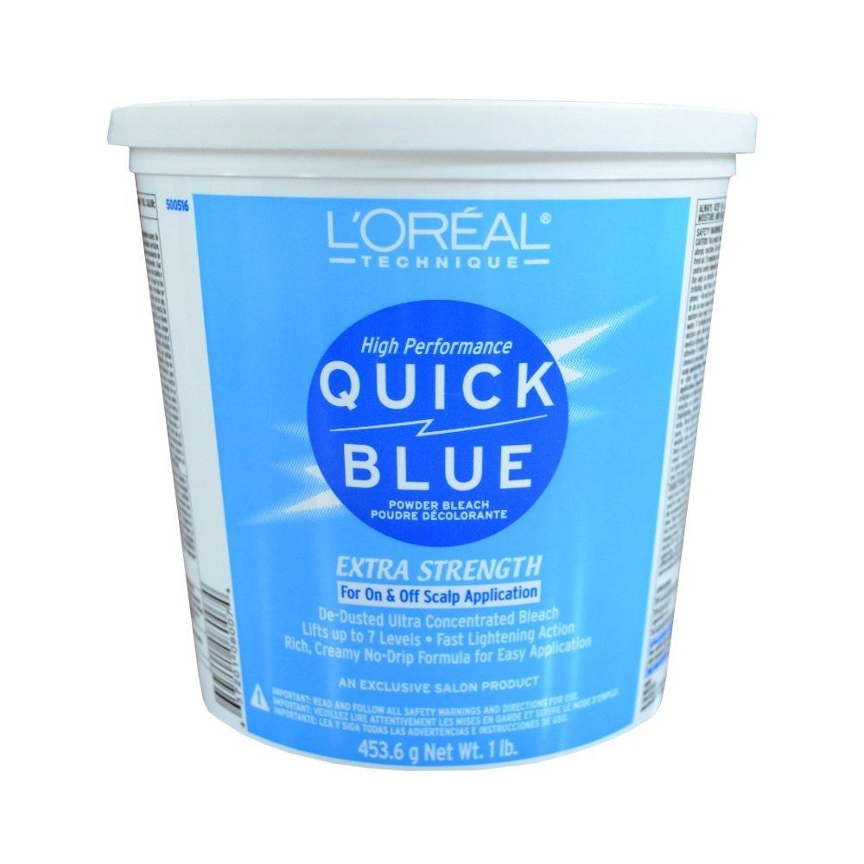
 | Hairdresser | Blow Dryer |  |  | 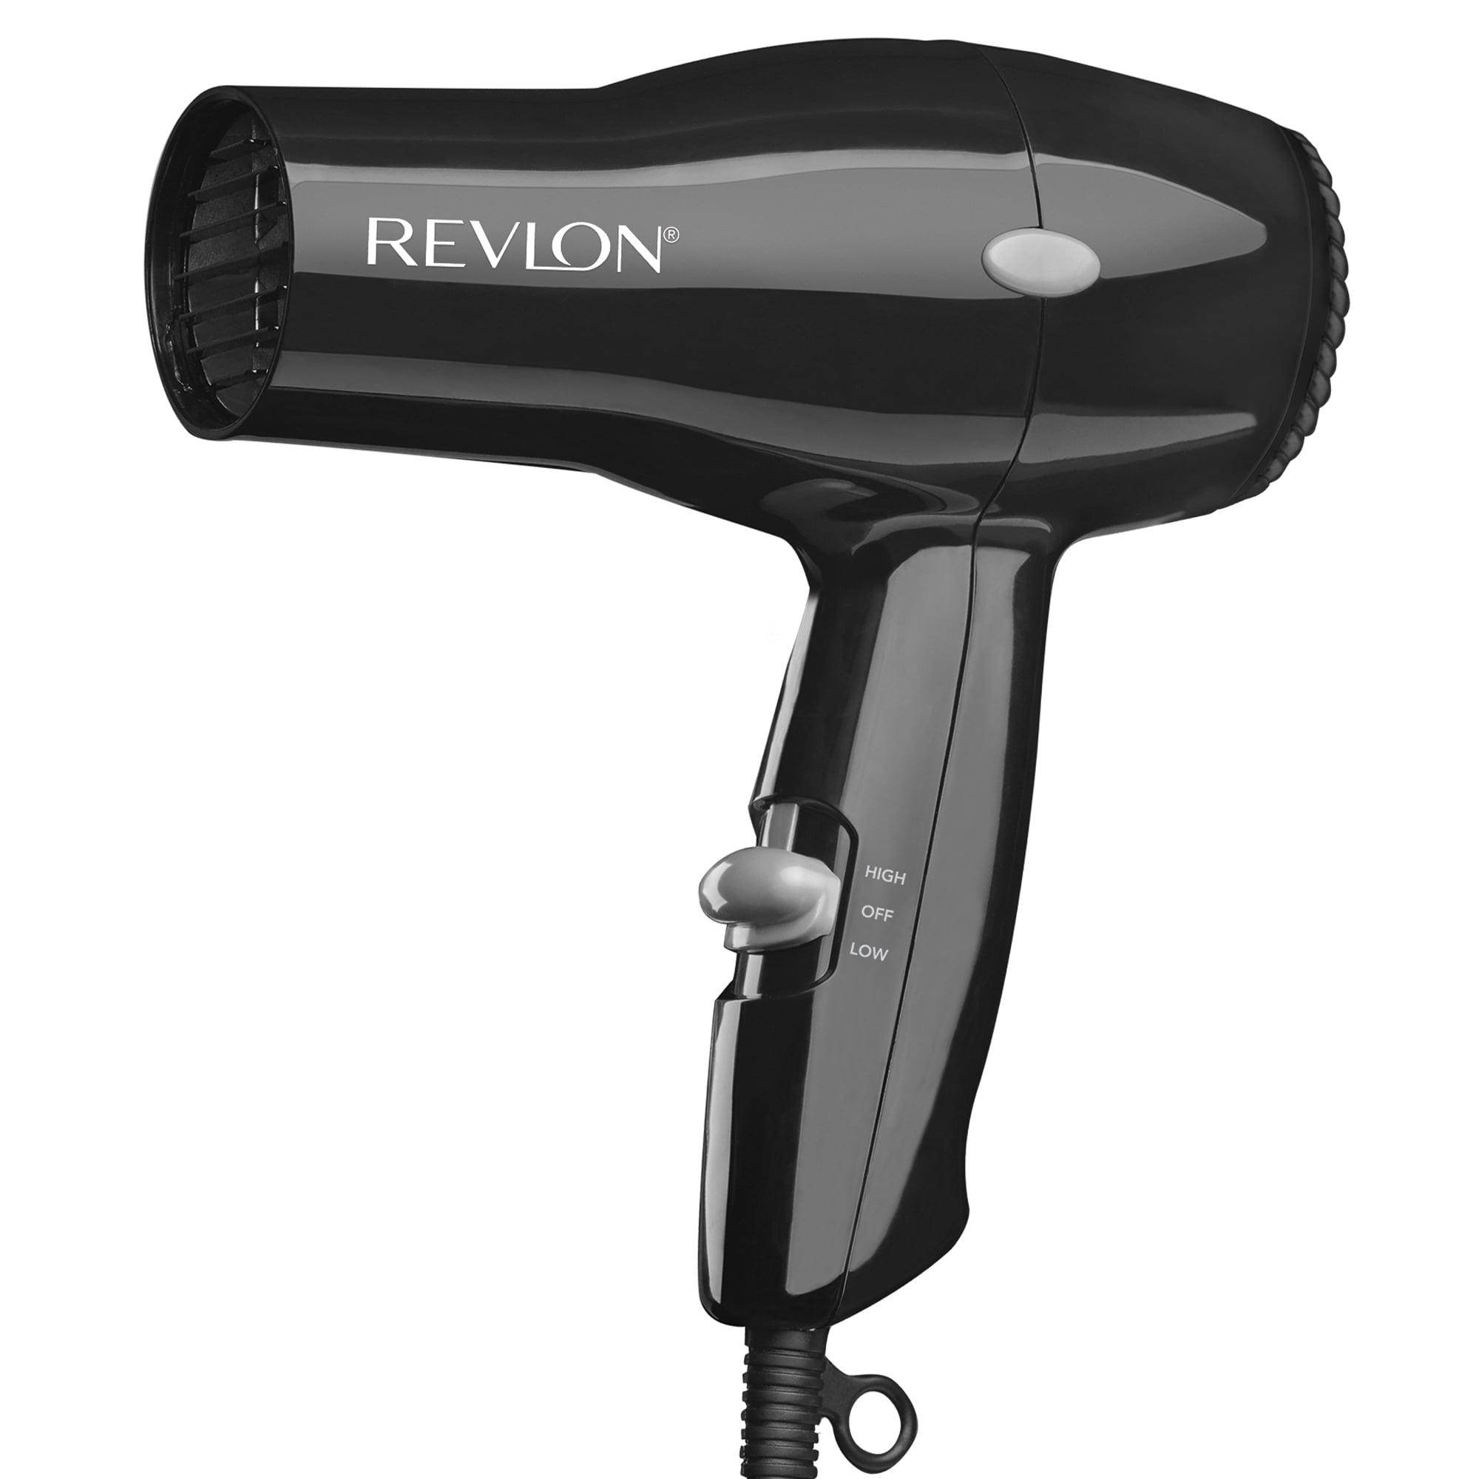
 | Hairdresser | Boar Bristle Brush |  |  | 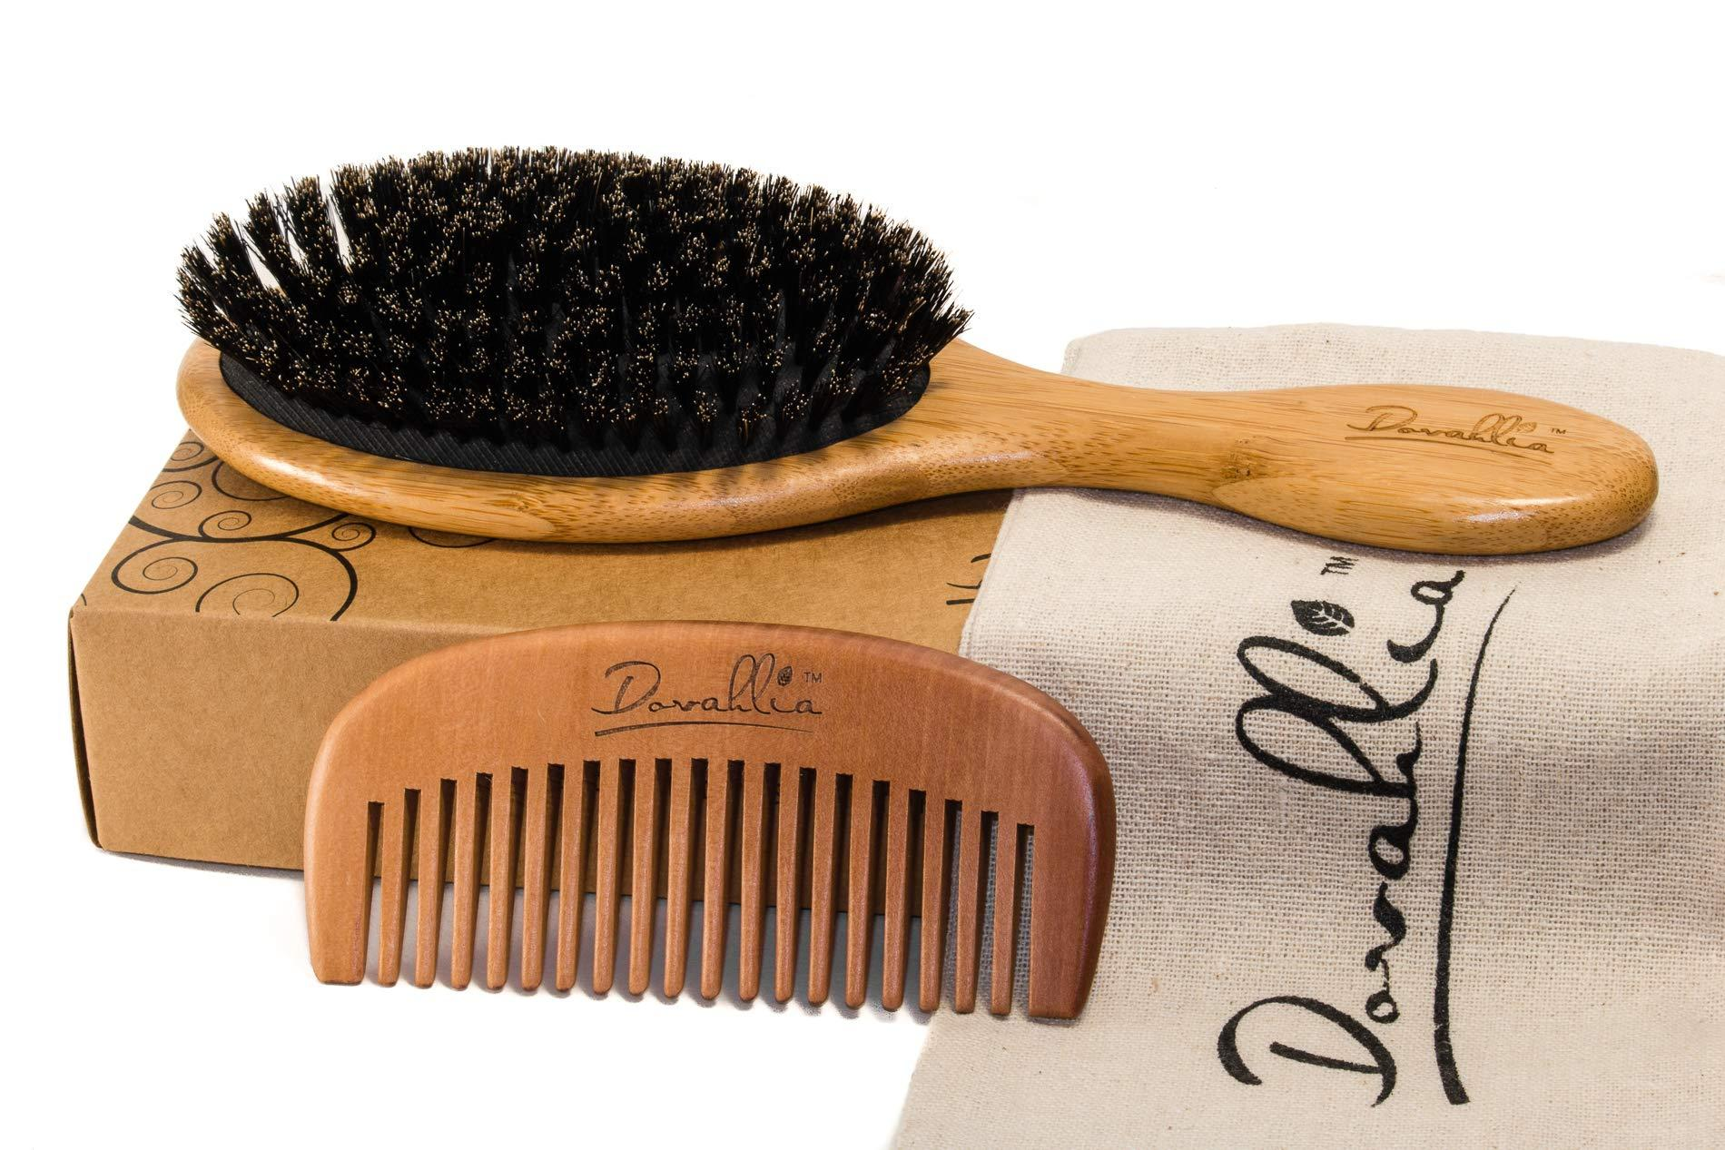
 | Hairdresser | Bobby Pins |  |  | 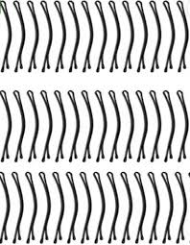
 | Hairdresser | Bond Building Treatments |  |  | 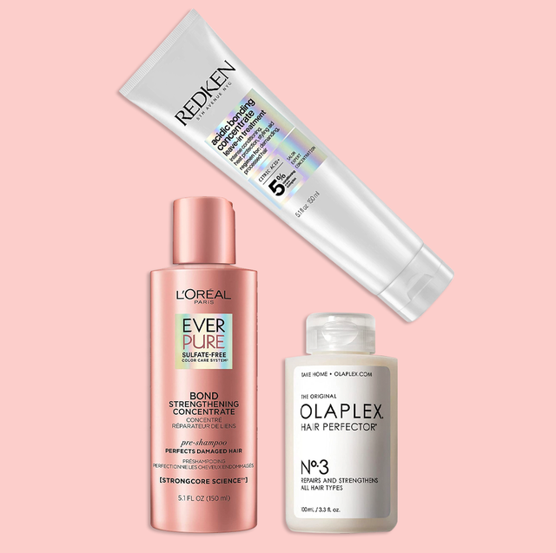
 | Hairdresser | Bonding Agent |  |  | 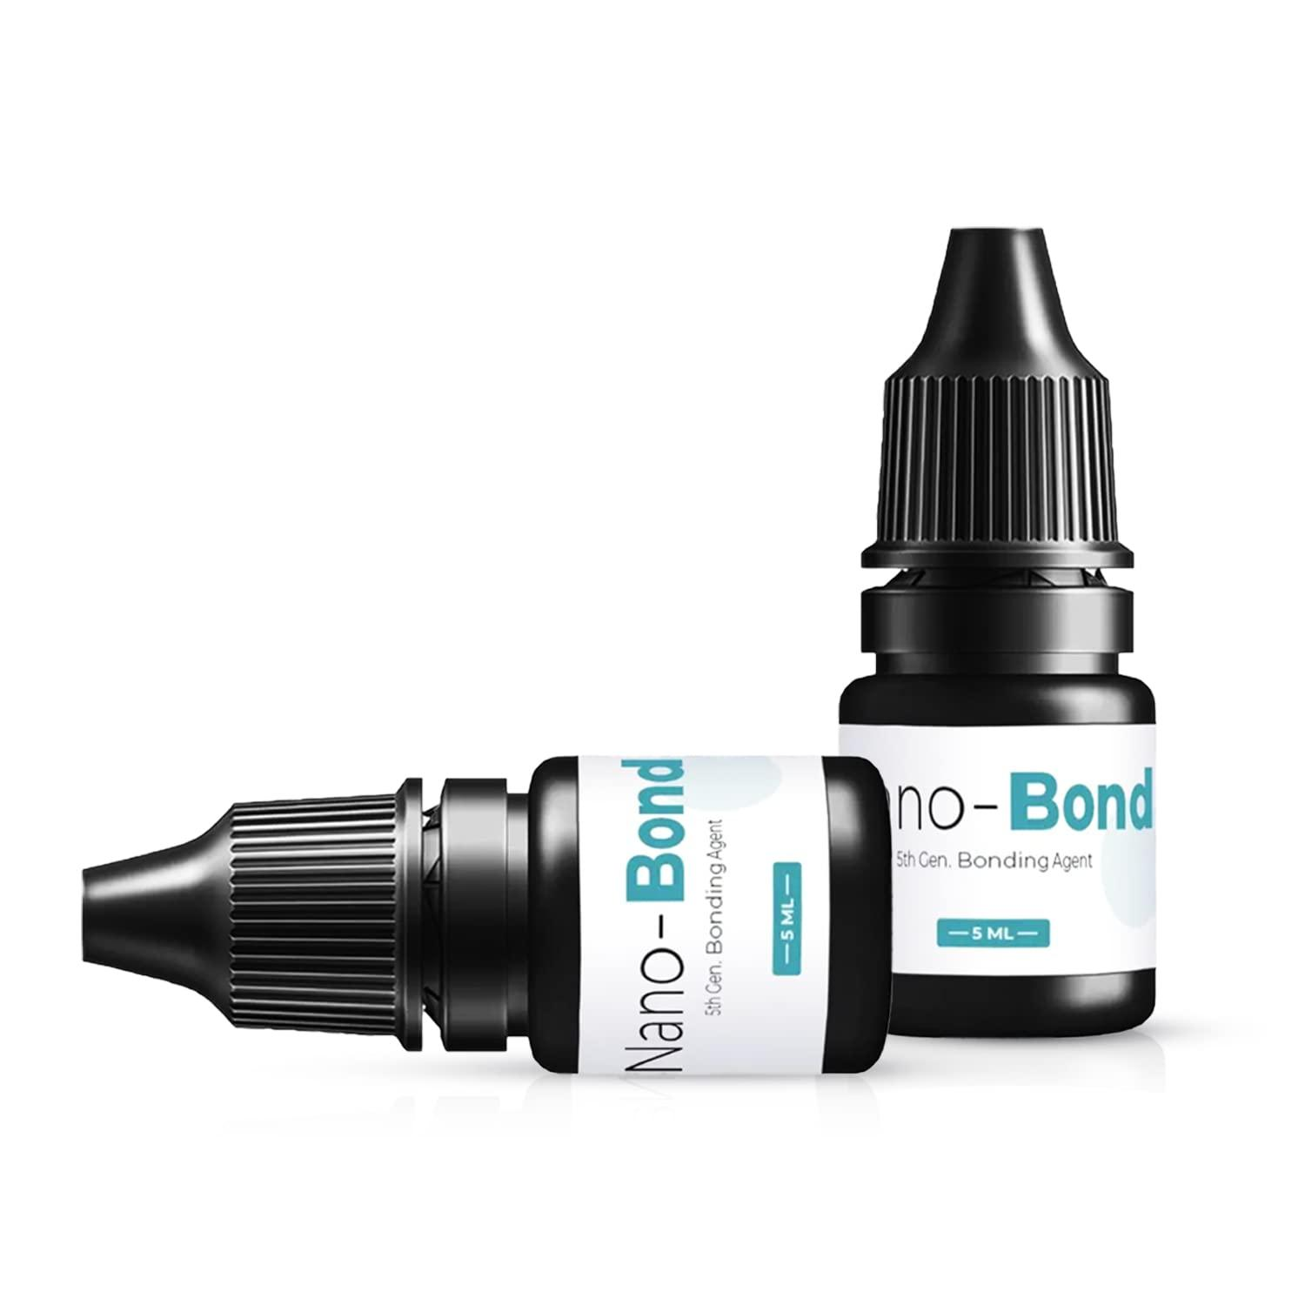
 | Hairdresser | Bonding Glue |  |  | 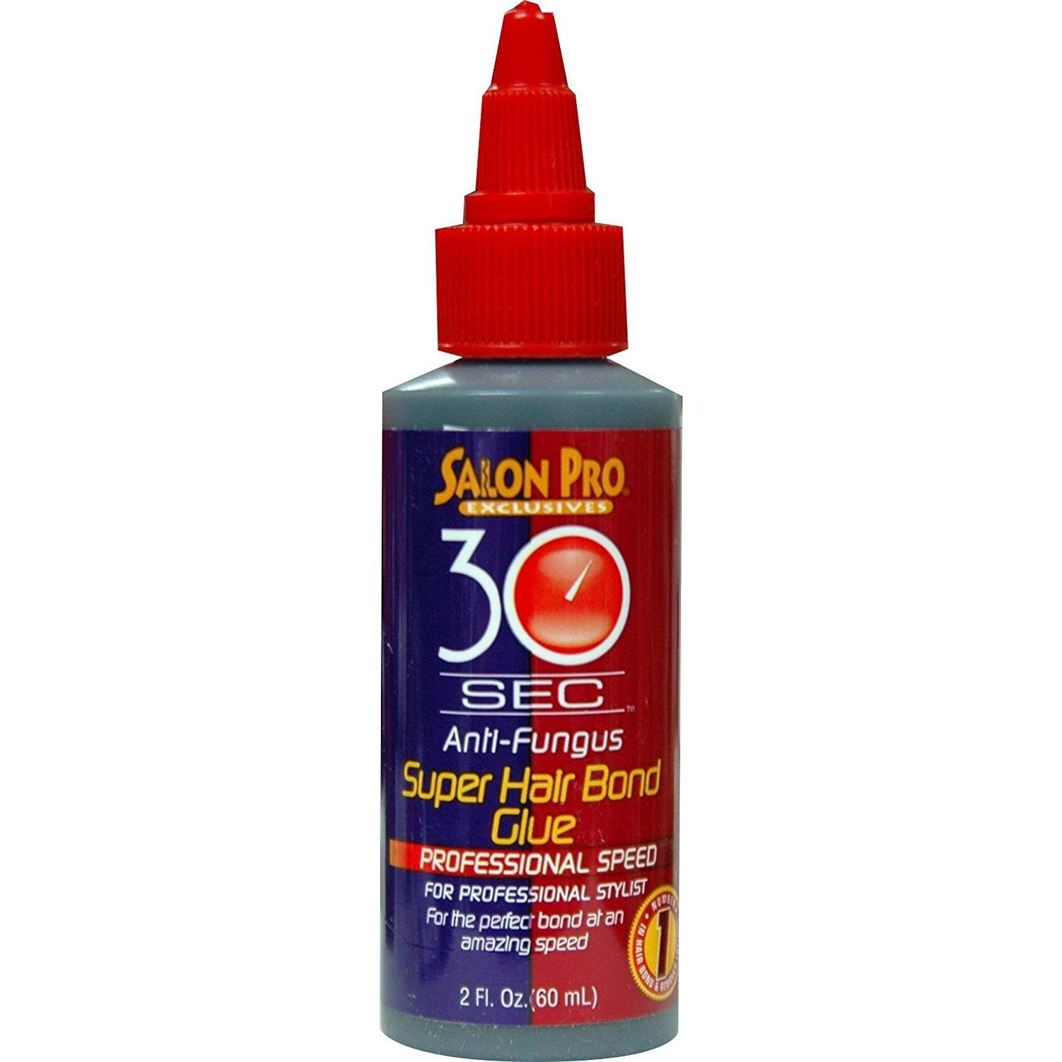
 | Hairdresser | Bonding Resin |  |  | 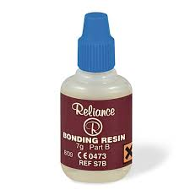
 | Hairdresser | Breath Freshener |  |  | 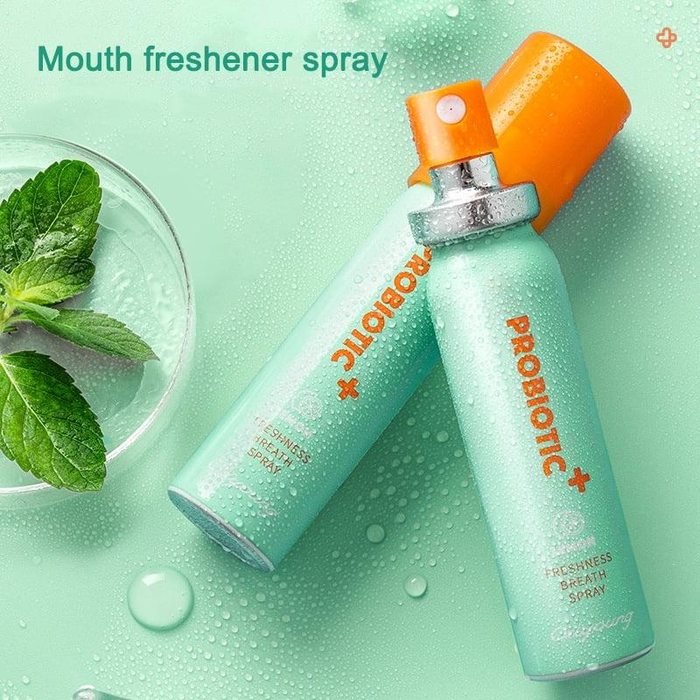
 | Hairdresser | Broom |  |  | 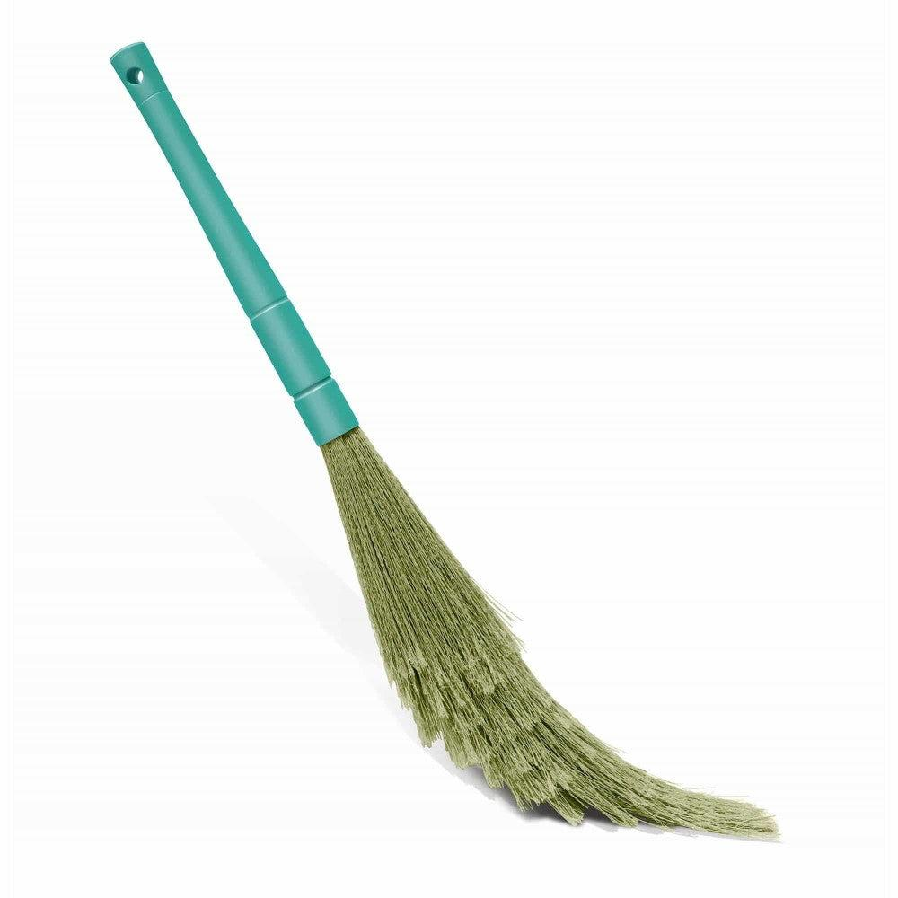
 | Hairdresser | Brush Cleaning Tool |  |  | 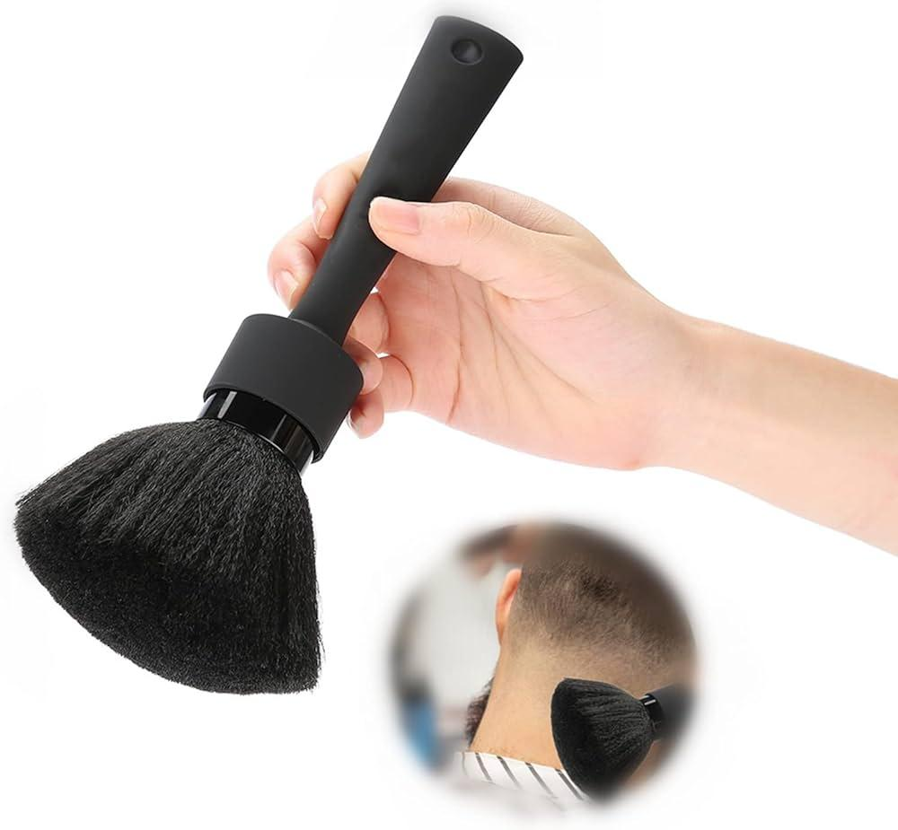
 | Hairdresser | Brushes |  |  | 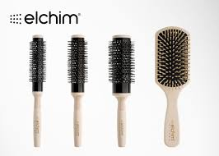
 | Hairdresser | Burn Gel |  |  | 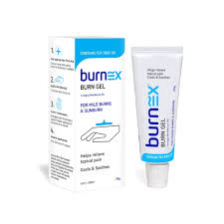
 | Hairdresser | Ceramic Flat Iron |  |  | 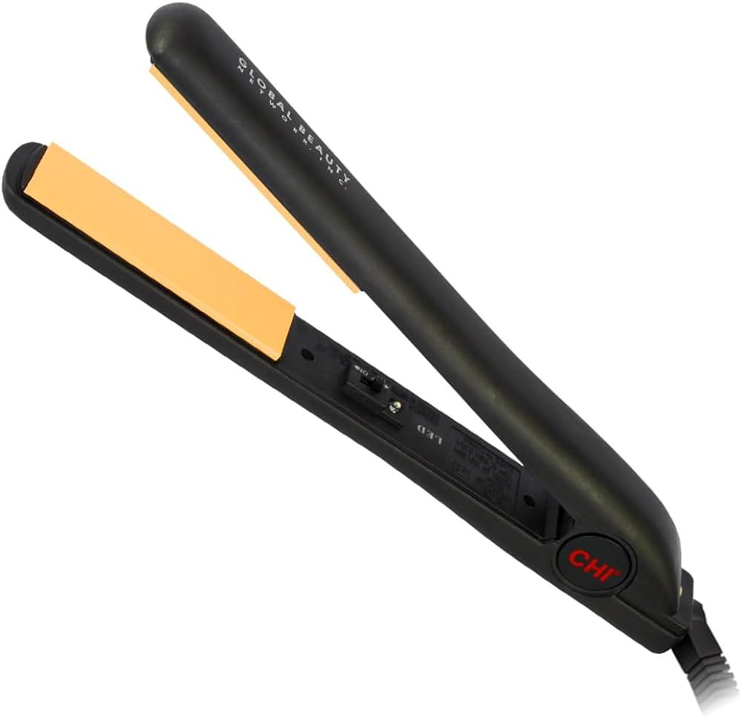
 | Hairdresser | Chemical Straightener |  |  | 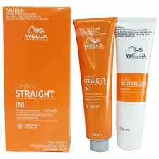
 | Hairdresser | Clarifying Shampoo |  |  | 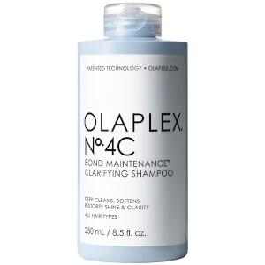
 | Hairdresser | Clips |  |  | 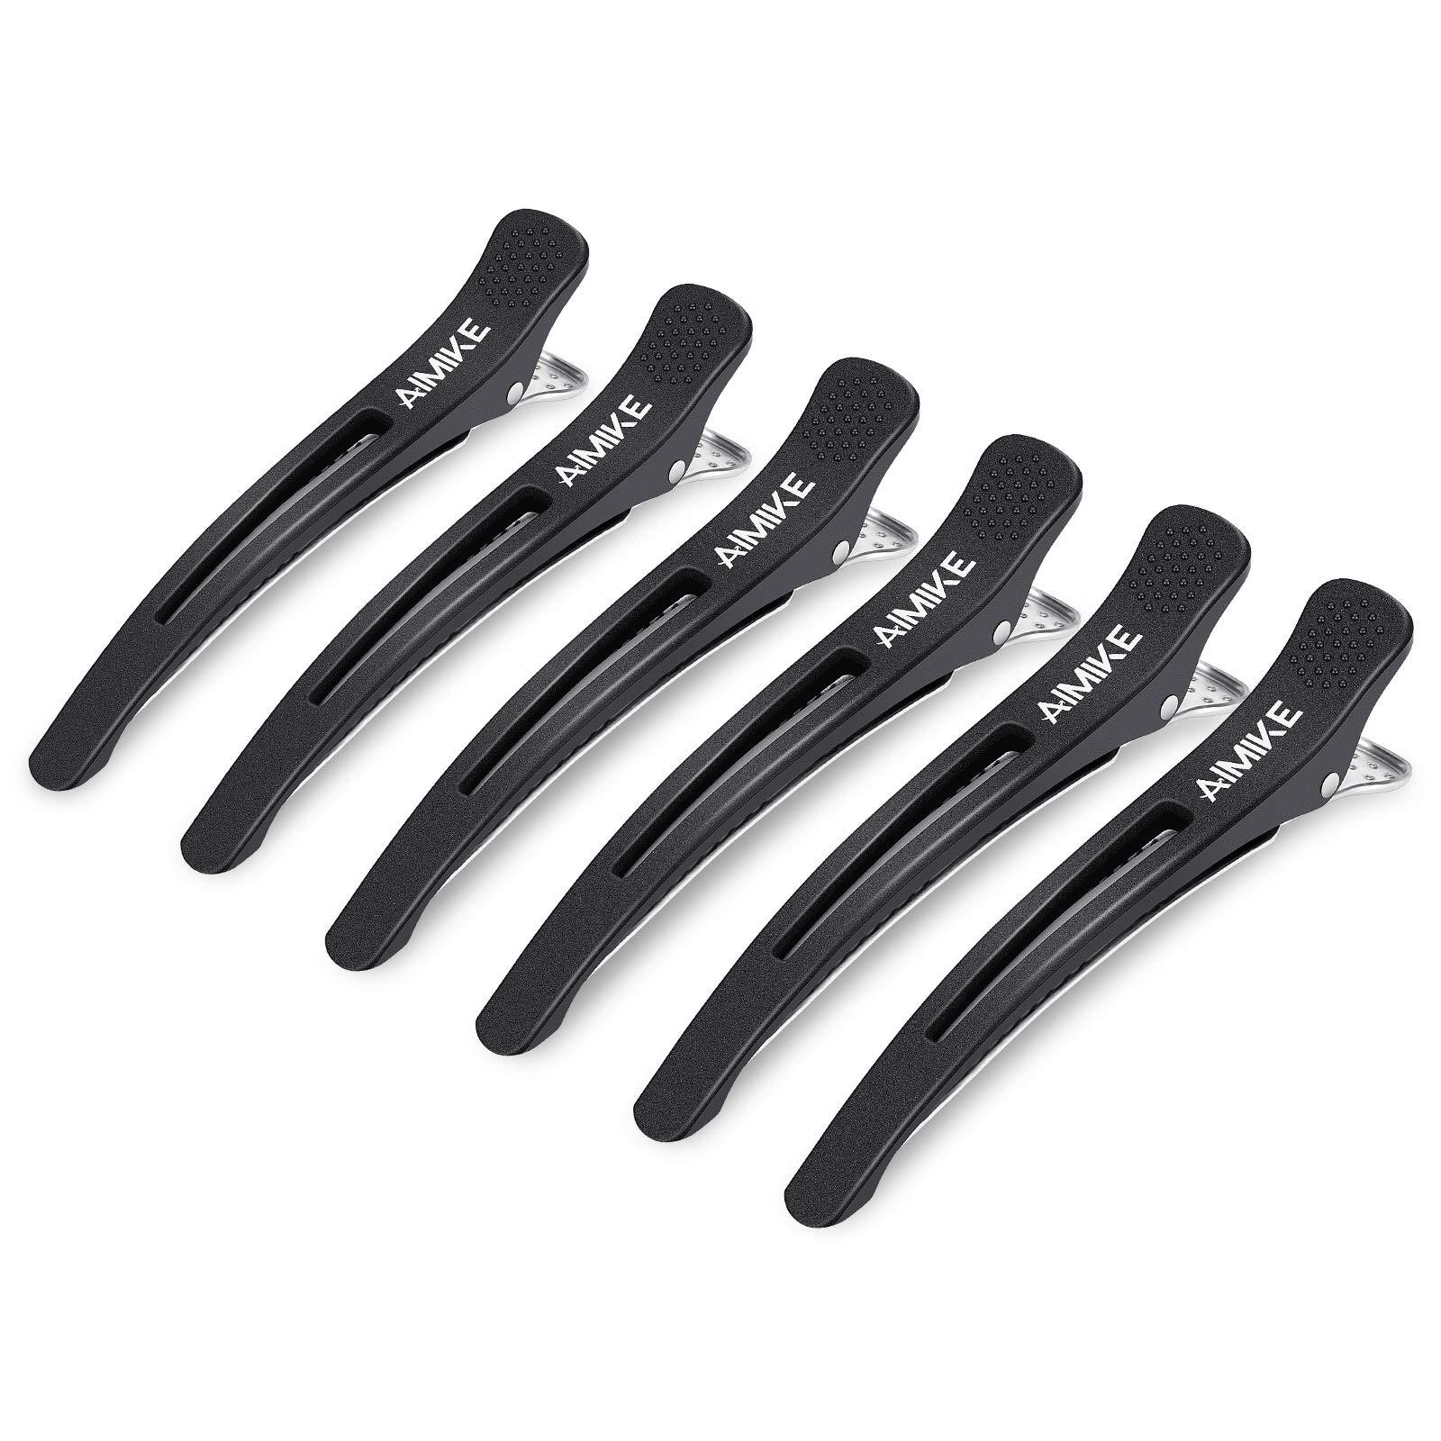
 | Hairdresser | Color Remover |  |  | 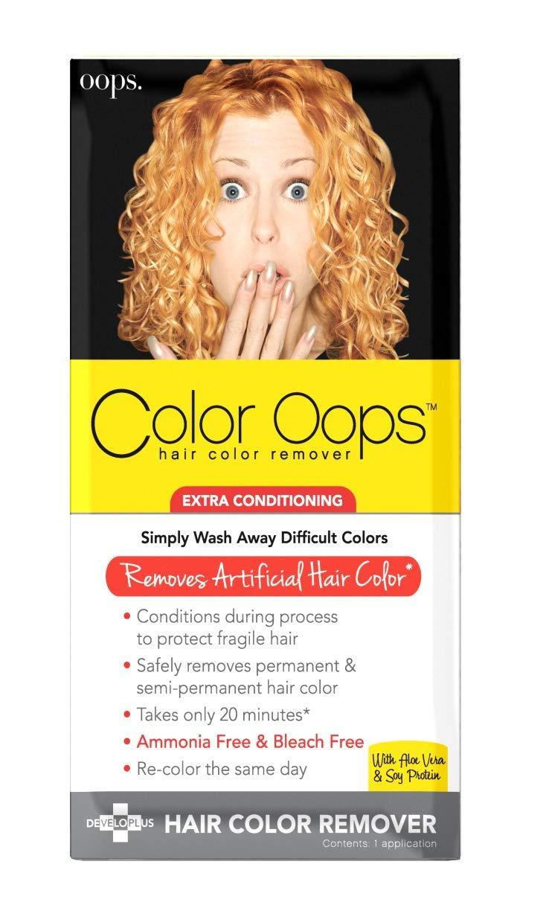
 | Hairdresser | Color Sealant |  |  | 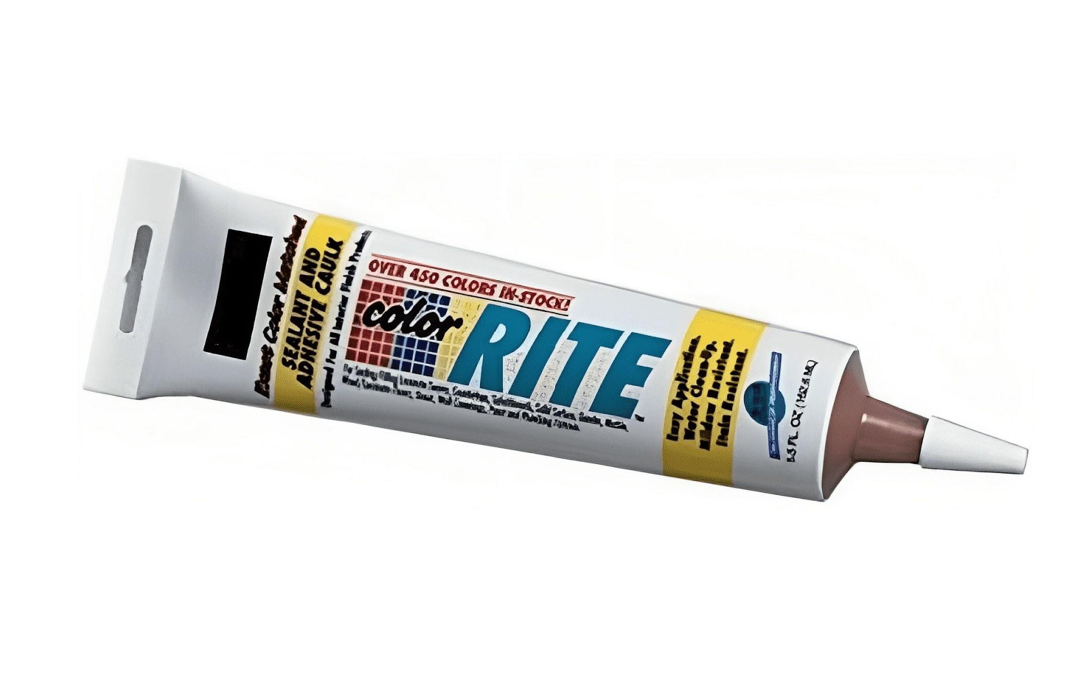
 | Hairdresser | Color-Safe Shampoo |  |  | 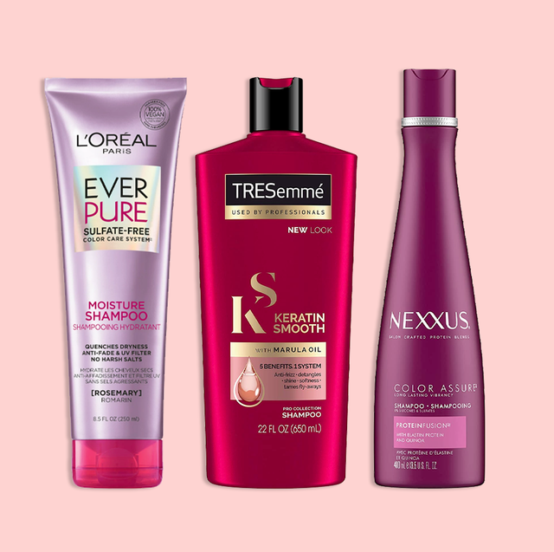
 | Hairdresser | Conditioner
 | Hairdresser | Conditioning Treatment |  |  | 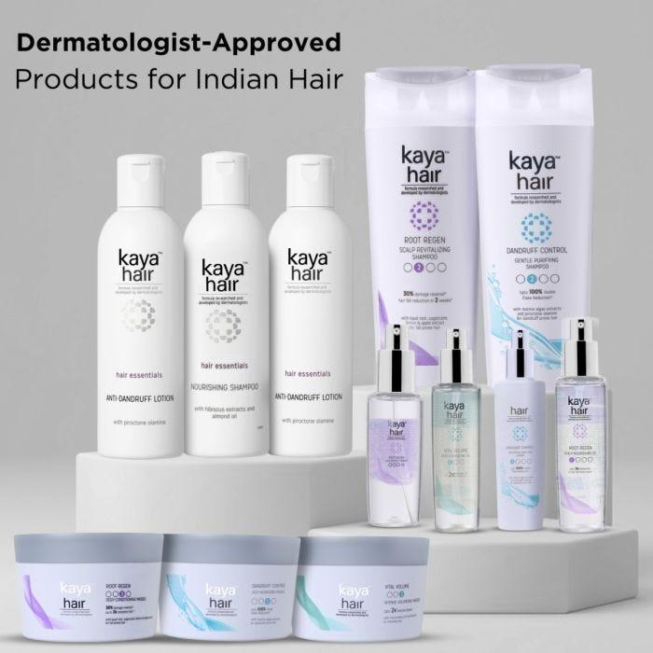
 | Hairdresser | Consultation Book
 | Hairdresser | Consultation Pad
 | Hairdresser | Corrective Dyes |  |  | 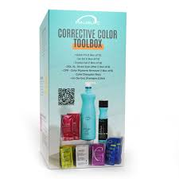
 | Hairdresser | Curl Defining Cream |  |  | 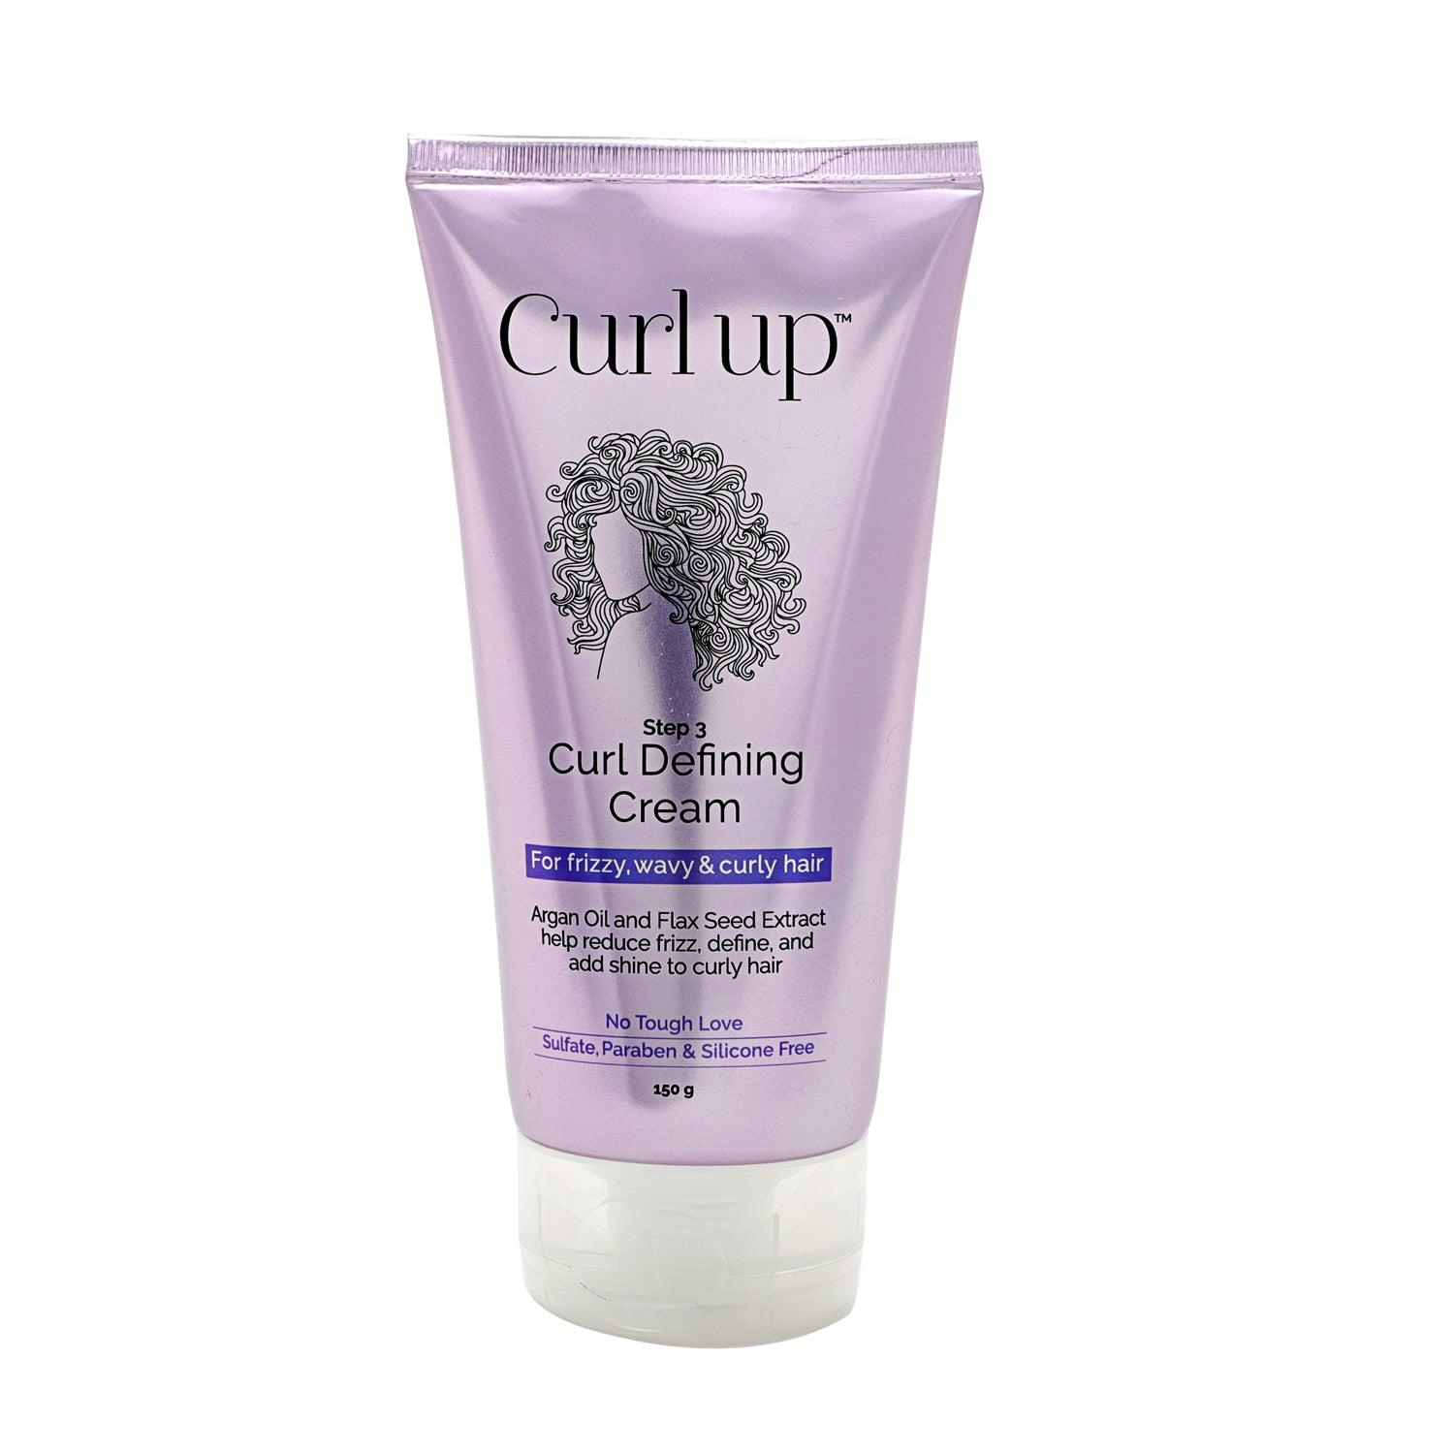
 | Hairdresser | Curl Setting Spray |  |  | 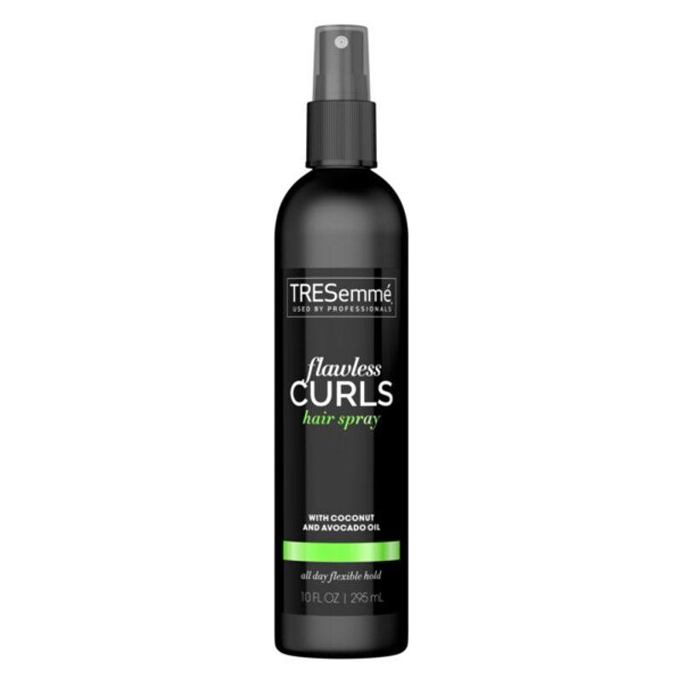
 | Hairdresser | Deep Conditioning Mask |  |  | 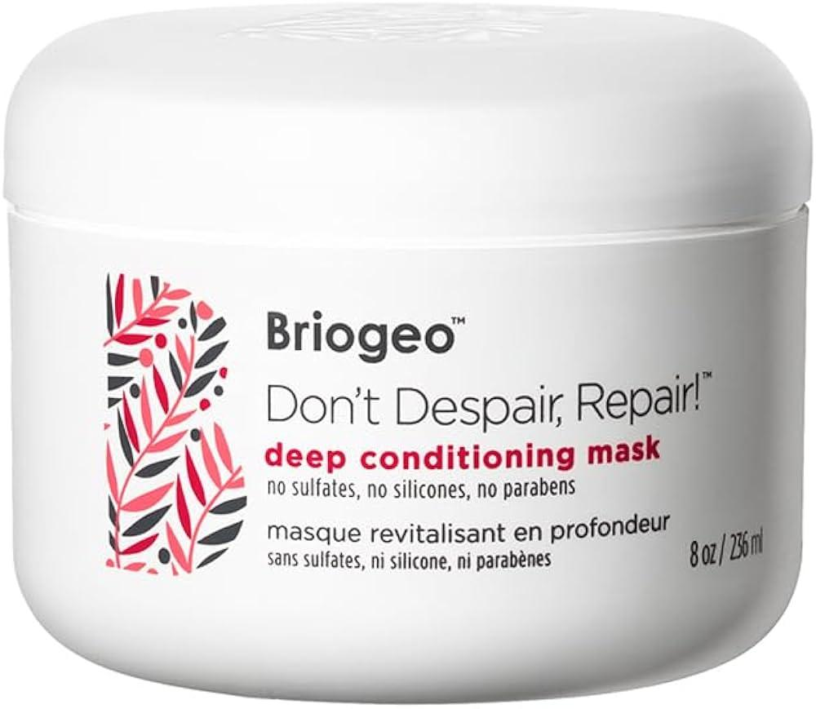
 | Hairdresser | Demi-Permanent Dyes |  |  | 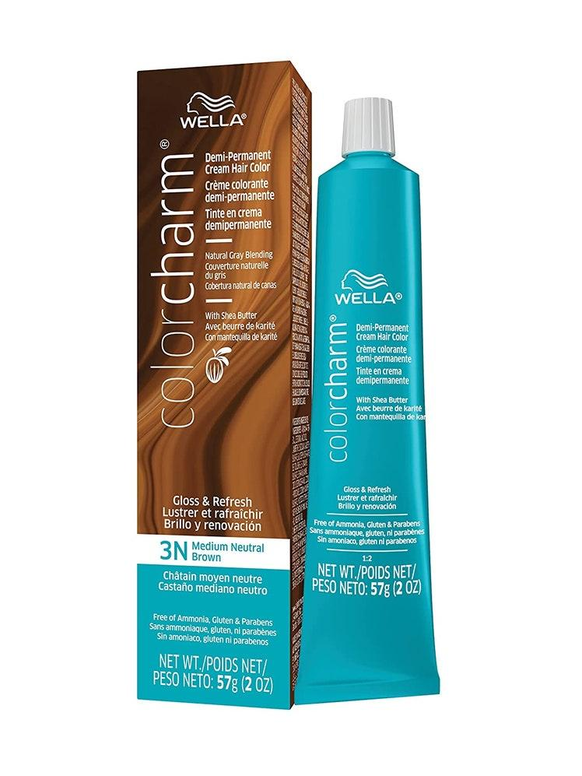
 | Hairdresser | Detangling Brush |  |  | 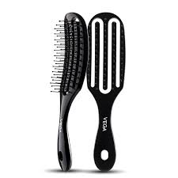
 | Hairdresser | Detangling Spray |  |  | 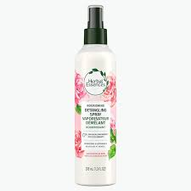
 | Hairdresser | Developer |  |  | 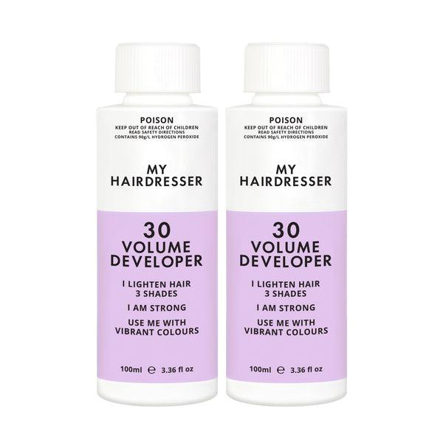
 | Hairdresser | Direct Dyes in Multiple Colors
 | Hairdresser | Disposable Needles |  |  | 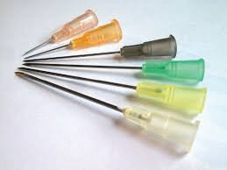
 | Hairdresser | Disposable Paper Towels |  |  | 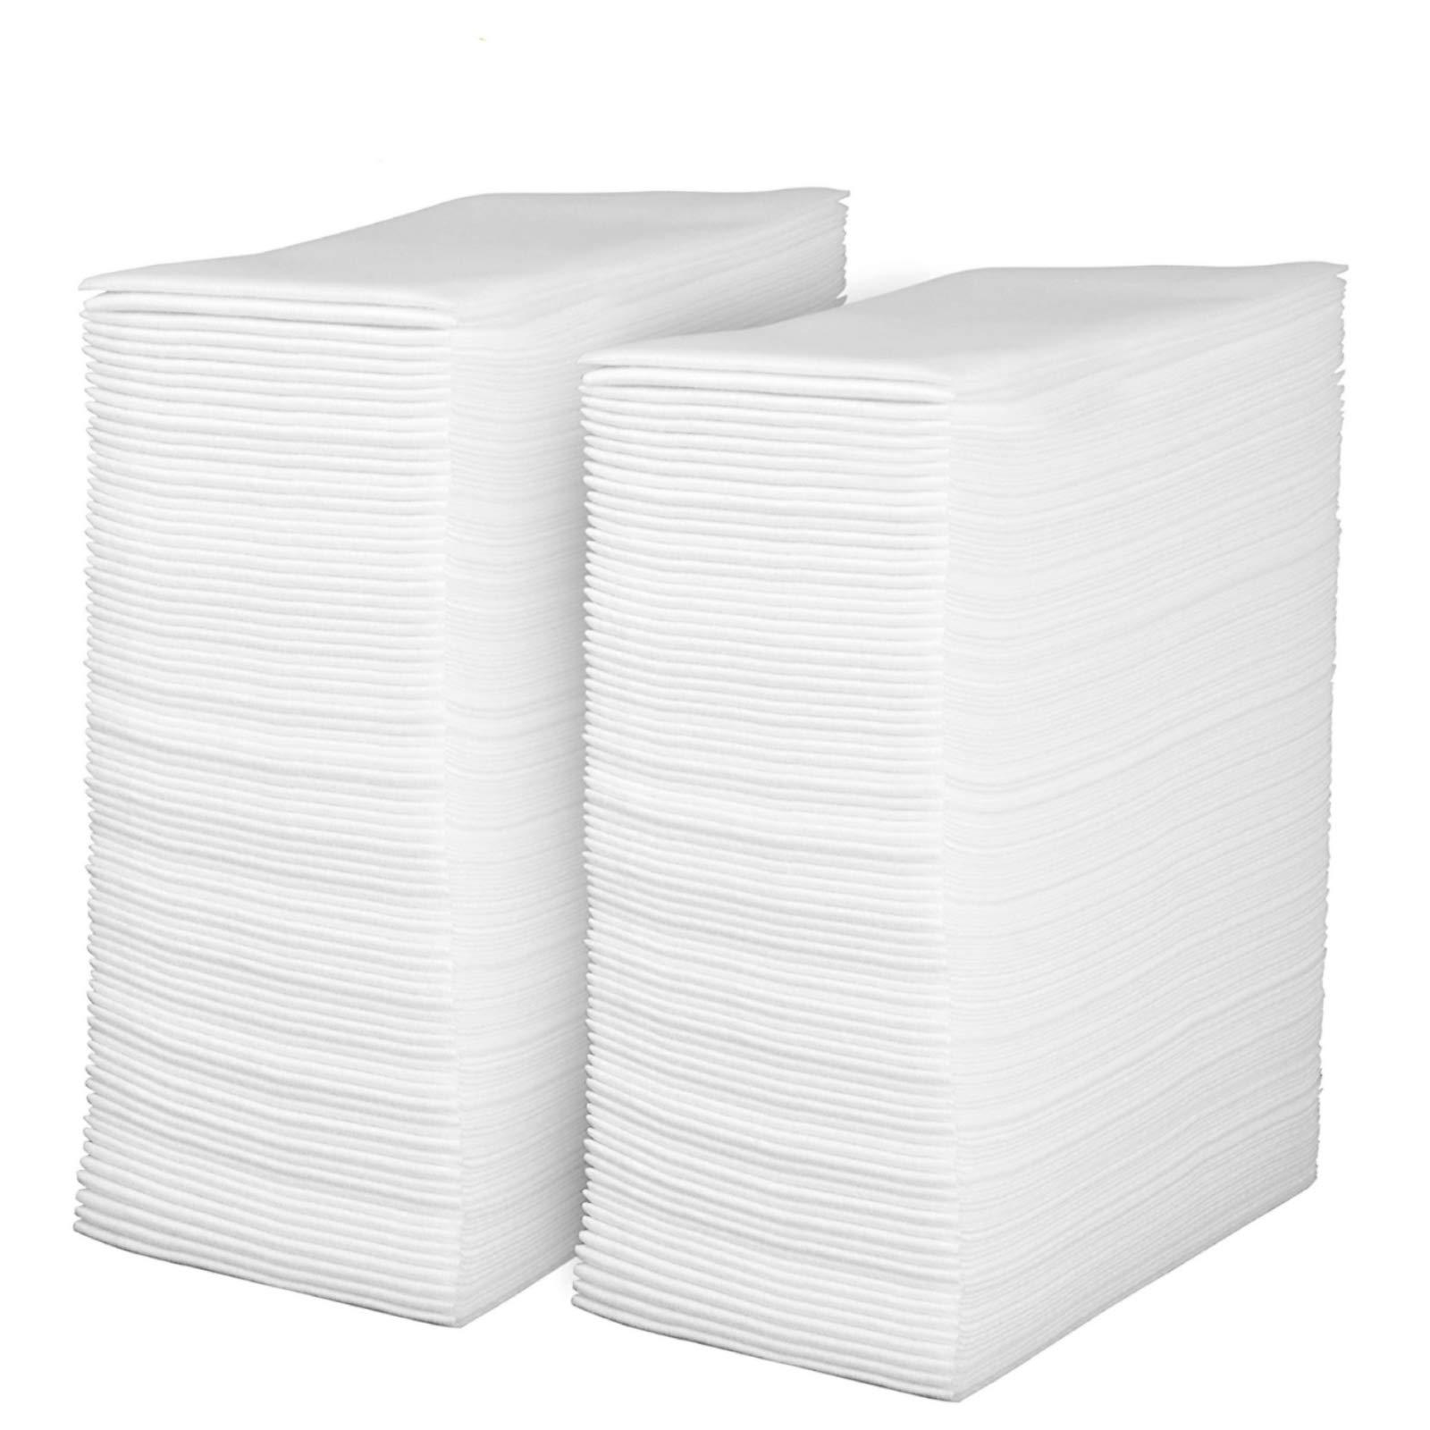
 | Hairdresser | Disposable Towels |  |  | 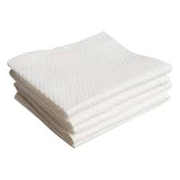
 | Hairdresser | Dummy Wig Head Tools Accessories |  |  | 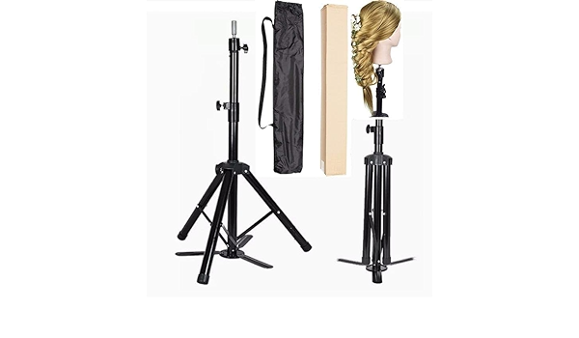
 | Hairdresser | Dustpan |  |  | 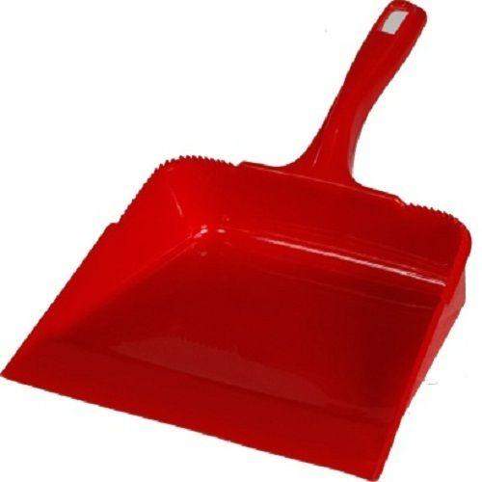
 | Hairdresser | Edge Control Gel |  |  | 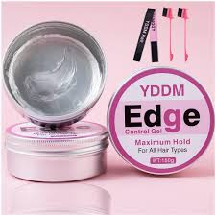
 | Hairdresser | Elastic Bands |  |  | 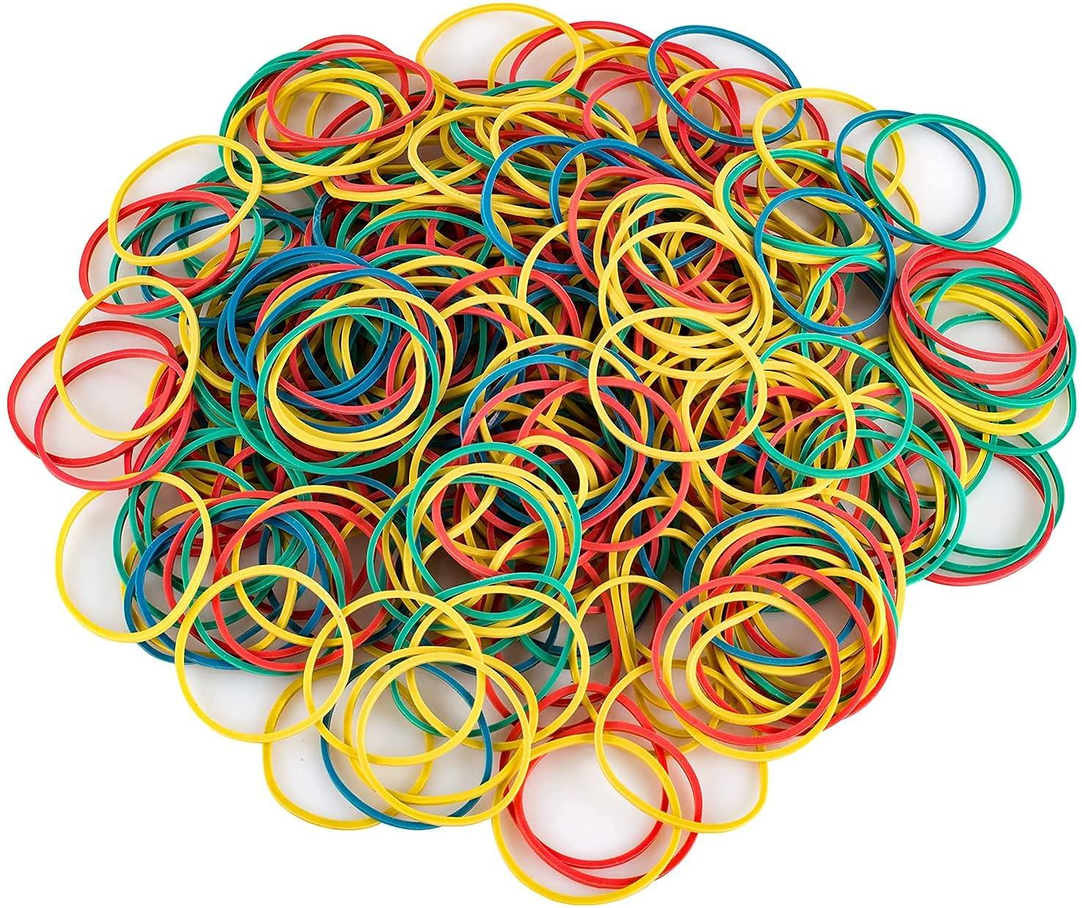
 | Hairdresser | Essential Oils |  |  | 
 | Hairdresser | Extension Loops |  |  | 
 | Hairdresser | Extension Strands |  |  | 
 | Hairdresser | Extension-Safe Conditioner |  |  | 
 | Hairdresser | Fabric Sanitizer |  |  | 
 | Hairdresser | Fantasy Hair Colors |  |  | 
 | Hairdresser | Finishing Spray |  |  | 
 | Hairdresser | Foil Strips |  |  | 
 | Hairdresser | Gentle Hair Steamer |  |  | 
 | Hairdresser | Gentle Scalp Applicator |  |  | 
 | Hairdresser | Goggles |  |  | 
 | Hairdresser | Hair Gloss Treatment |  |  | 
 | Hairdresser | Hair Repair Treatment Serum |  |  | 
 | Hairdresser | Heat Protectant Mat |  |  | 
 | Hairdresser | Heat Protection Shield |  |  | 
 | Hairdresser | Hook with tool |  |  | 
 | Hairdresser | Hot Water
 | Hairdresser | Hydrating Hair Mask |  |  | 
 | Hairdresser | Hydrating Leave-In Conditioner |  |  | 
 | Hairdresser | Hydraulic Fluid
 | Hairdresser | Hypoallergenic Shampoo |  |  | 
 | Hairdresser | Keratin Treatment Solution |  |  | 
 | Hairdresser | Labels
 | Hairdresser | Laundry Detergent |  |  | 
 | Hairdresser | Light Scalp Lotion
 | Hairdresser | Lightweight Scalp Tonic |  |  | 
 | Hairdresser | Loop Tool |  |  | 
 | Hairdresser | Lubricant |  |  | 
 | Hairdresser | Moisturizing Scalp Mask |  |  | 
 | Hairdresser | Neutralizer |  |  | 
 | Hairdresser | Organic Shampoos |  |  | 
 | Hairdresser | Perm Rods |  |  | 
 | Hairdresser | pH-Balanced Scalp Shampoo |  |  | 
 | Hairdresser | Plastic Liners |  |  | 
 | Hairdresser | Pomade
 | Hairdresser | Printable Report Sheets
 | Hairdresser | Product Dispensers
 | Hairdresser | Protective Barrier Cream |  |  | 
 | Hairdresser | Protective Covers
 | Hairdresser | Protective Cream |  |  | 
 | Hairdresser | Protein Masks |  |  | 
 | Hairdresser | Protein Reconstructor |  |  | 
 | Hairdresser | Sanitizing Solution |  |  |  
 | Hairdresser | Scalp Protective Spray |  |  | 
 | Hairdresser | Scalp Scrub |  |  | 
 | Hairdresser | Scalp Soothing Serum |  |  | 
 | Hairdresser | Scalp Stimulating Lotion |  |  | 
 | Hairdresser | Scalp Treatment |  |  | 
 | Hairdresser | Scissors |  |  | 
 | Hairdresser | Screwdriver
 | Hairdresser | Shine Enhancing Serum |  |  | 
 | Hairdresser | Shine Spray |  |  | 
 | Hairdresser | Smoothing Serum |  |  | 
 | Hairdresser | Smoothing Shampoo |  |  | 
 | Hairdresser | Spray Hose |  |  | 
 | Hairdresser | Sterile Gauze |  |  | 
 | Hairdresser | Sterilizing Jar |  |  | 
 | Hairdresser | Straightening Serum |  |  | 
 | Hairdresser | Strand Test Kit |  |  | 
 | Hairdresser | Strengthening Hair Mask |  |  | 
 | Hairdresser | Strong-Hold Hairspray |  |  | 
 | Hairdresser | Styling Mousse |  |  | 
 | Hairdresser | Styling Wax
 | Hairdresser | Texturizing Powder |  |  | 
 | Hairdresser | Different types of Shears |  |  | 
 | Hairdresser | Texturizing Spray |  |  | 
 | Hairdresser | Timer |  |  | 
 | Hairdresser | UV Scalp Analyzer |  |  | 
 | Hairdresser | Various Drill Bits |  |  | 
 | Hairdresser | Ventilation Fan |  |  | 
 | Hairdresser | Volumizing Mousse |  |  | 
 | Hairdresser | Volumizing Powder
 | Hairdresser | Volumizing Spray |  |  | 
 | Hairdresser | Wrench |  |  | 
 | Hairdresser | Adjustable Salon Chair |  |  | 
 | Hairdresser | Air Purifier |  |  | 
 | Hairdresser | Automated Hair Washing Station |  |  | 
 | Hairdresser | Balayage Boards |  |  | 
 | Hairdresser | Color Swatches |  |  | 
 | Hairdresser | Color Wheel |  |  | 
 | Hairdresser | Covered Trash Bins |  |  | 
 | Hairdresser | Curling Wand |  |  | 
 | Hairdresser | Diffuser Attachment |  |  | 
 | Hairdresser | Digital Perm Machine |  |  | 
 | Hairdresser | Disposable Gloves |  |  | 
 | Hairdresser | Eco-Friendly Product Dispensers
 | Hairdresser | Electric Nail Drill |  |  | 
 | Hairdresser | Exfoliating Crystals |  |  | 
 | Hairdresser | Extension Application Tool |  |  | 
 | Hairdresser | Firm Hold Hairspray |  |  | 
 | Hairdresser | First Aid Kit |  |  | 
 | Hairdresser | Fusion Connector |  |  | 
 | Hairdresser | Hair Color Processor |  |  | 
 | Hairdresser | Heat Protectant |  |  | 
 | Hairdresser | High-Frequency Facial Machine |  |  | 
 | Hairdresser | Hot Towel Cabinet |  |  | 
 | Hairdresser | Ionic Hairbrush |  |  | 
 | Hairdresser | Laundry Machine |  |  | 
 | Hairdresser | Low-Level Laser Therapy Device |  |  | 
 | Hairdresser | Micro Links |  |  | 
 | Hairdresser | Microdermabrasion Machine |  |  | 
 | Hairdresser | Mixing Bowl |  |  | 
 | Hairdresser | Multimeter |  |  | 
 | Hairdresser | Perm Solution |  |  | 
 | Hairdresser | Protein Treatment Mask |  |  | 
 | Hairdresser | Rat Tail Comb |  |  | 
 | Hairdresser | Round Brush |  |  | 
 | Hairdresser | Satin Scarves |  |  | 
 | Hairdresser | Scalp Massager |  |  | 
 | Hairdresser | Sealable Plastic Bags |  |  | 
 | Hairdresser | Sharpening Stone |  |  | 
 | Hairdresser | Sharps Container |  |  | 
 | Hairdresser | Sulfate-Free Shampoo |  |  | 
 | Hairdresser | Tint Brushes |  |  | 
 | Hairdresser | Ultrasonic Welding Machine |  |  | 
 | Hairdresser | Wide-Tooth Comb |  |  | 
 | Hairdresser | Approns |  |  | 
 | Hairdresser | Height adjustable salon chair with reclinable back, in front of mirror and a salon setting, mannquin with specified wig or volunteers

