Table 1
Occupation - Hospital Cleaner Tools/Equipment/Material list
S No | Tools/Equipment/Material Name | Image | IMAGES | AVAILBILITY
1 | PPE - N-G5 Mask, safety goggles, face shield |  | 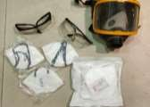 | YES
2 | Disposable shoe cover |  | 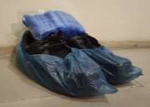 | YES
3 | Disposable latex gloves, Nitrile gloves, chemical resistant gloves ( Nitrile or butyl gloves) |  | 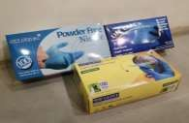 | YES
4 | PVC chemical resistant apron, disposable apron |  |  | YES
5 | Bouffant disposable hair net | 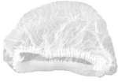 | 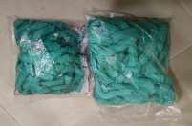 | YES
6 | Waterproof disposable gown | 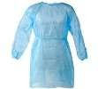 | 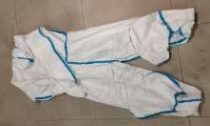 | YES
7 | Rubber waterproof boots, Closed toe safety shoes |  | 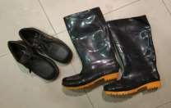 | YES

Table 2
Plastic funnel |  | 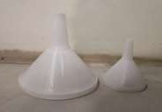 | YES
Sealable evidence bag |  | 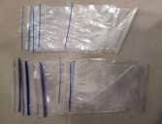 | YES
Pre-printed barcoded labels | 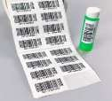 | 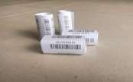 | YES
Weighing scale |  | 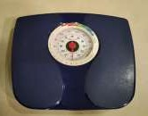 | YES
8
9
10
11

Table 3
Stopwatch |  |  | YES
"Caution - Sluice area" sign | 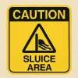 |  | YES
"Caution - Wet floor" sign | 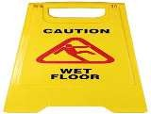 | 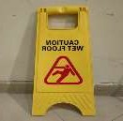 | YES
Caution - "Biohazard clean up in progress" sign | 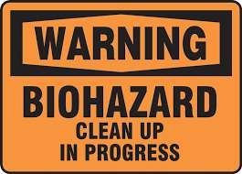 | 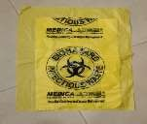 | YES
12
13
14
15

Table 4
Caution - "Cleaning in progress" sign | 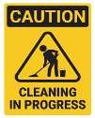 | 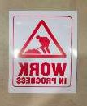 | YES
Garbage liner |  |  | YES
Bedpan liner | 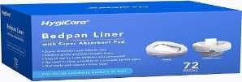 |  | YES
Trash picker tool | 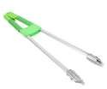 | 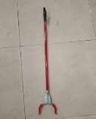 | YES
16
17
18
19

Table 5
Litter picker stick |  | YES
Drain cover lifting hook |  | YES
Food waste cart | 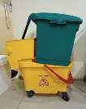 | YES
Spill absorbent granules and powder |  | YES
20
21
22
24

Table 6
Biohazard spill kit (absorbent granules, disposable scoop, clinical waste bag, disinfectant wipes) |  |  | YES
Vomit spill kit (absorbent powder, scoop, disposable towels, disinfectant, clinical waste bag) | 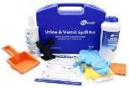 | 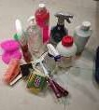 | YES
Underbed access grabber/Reacher tool | 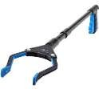 | 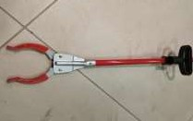 | YES
Hand rub refill bottle, wall mounted sanitizer spray bottle |  | 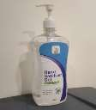 | YES
25
26
27
28

Table 7
Cockroach trap box | 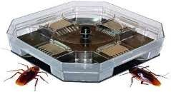 | 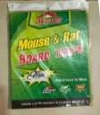 | YES
Rodent bait box | 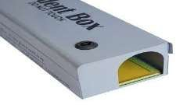 | 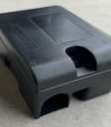 | YES
Sticky pads/traps | 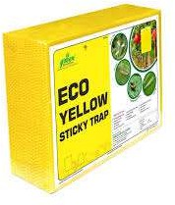 | 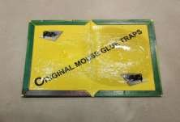 | YES
29
30
31

Table 8
Rubber tipped forceps for mouse handling/ Tong for mouse handling |  |  | YES
Flashlight | 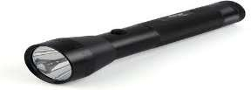 | 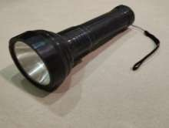 | YES
Sharps waste container, White puncture proof container | 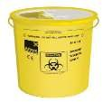 | 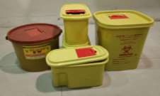 | YES
Biohazard waste red bin with lid, yellow bin with lid |  | 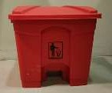 | YES
32
33
34
35

Table 9
Tool discard bin |  | 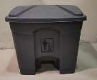 | YES
Green general waste bin | 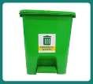 | 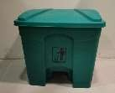 | YES
Blue cardboard box with liner |  | 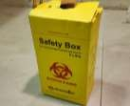 | YES
Waste trolley to carry different bins | 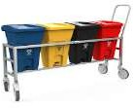 | 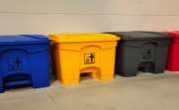 | YES
Single bin trolley, Two-basket trolley system | 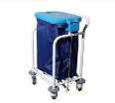 |  | YES
36
37
38
39
40

Table 10
Stainless steel injection tray |  | 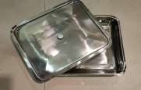 | YES
Medical trolley, trolley with compartments | 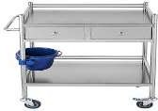 | 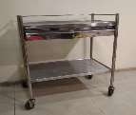 | YES
Food waste clearance cart with lid |  |  | YES
Emergency crash cart |  |  | YES
Cotton swab |  |  | YES
41
42
23
43
44

Table 11
Color coded labels for tools |  |  | YES
Tool storage rack, Drying rack for mops after disinfecting |  |  | YES
Glass scraper blade |  |  | YES
Vomit bowl |  |  | YES
Urine bottle |  |  | YES
45
46
47
48
49

Table 12
Sluice washing sink |  |  | YES
Automatic bedpan washer |  |  | YES
Vacuum cleaner |  |  | YES
Blue light fly killer |  |  | YES
Step ladder |  |  | YES
50
51
52
53
54

Table 13
Microfiber cloth, Microfiber hand duster |  | YES
Lint-free cloth |  | YES
Disposable towel |  | YES
Drainage cleaning rod |  | YES
Plunger |  | YES
Flexible bathroom drain brush with straw cleaning brush |  | YES
55
56
57
58
59
60

Table 15
Telescopic mop handle |  |  | YES
Measuring cup |  |  | YES
Clean labeled container |  |  | YES
Closed laundry trolley with red biohazard and blue liner |  |  | YES
Yellow infectious waste bags, Red and blue waste bags |  |  | YES
66
67
68
69
70

Table 16
Red and Blue soiled linen disposable bags |  | YES
Blue and red linen collection trolleys |  | YES
Linen inspection table with bright overhead light |  | YES
Soft scrub pads |  | YES
Clipboard |  | YES
71
72
73
74
75

Table 17
70% Isopropyl alcohol wipes, Anti-microbial wipes (70% IPA) |  | YES
Computer safe disinfectant spray |  | YES
Non-toxic pest control spray |  | YES
Documents/Books - Cleaning supply checklist, housekeeping logbook, Inspection checklist, Cleaning equipment logbook, Visual inspection checklist, Item log register or digital entry app, Damaged linen register, Waste transfer register, Hospital waste register, Pest reporting form, Linen checklist sheet, Linen room logbook, Pest reporting form, Dispenser log sheet, Tool repair logbook |  | YES
Bucket, Permanent marker, Tub with lid |  | YES
76
77
78
79 80

Table 18
81 82 83 | Disinfectant - Hospital-grade quaternary ammonium disinfectant, Peracetic acid disinfectant, Non-alcohol-based disinfectant, Alcohol based hand rub |  | YES
 | Bleach - 1% sodium hypochlorite (bleach) solution, 5% sodium hypochlorite (bleach) stock solution |  | YES
 | Sprays - Air freshener spray, Odor neutralizer spray, Non-corrosive disinfectant spray, 70% alcohol spray, 70% ethanol spray, Glass cleaner spray |  | YES
84 | Cleaning agents - Neutral detergent, disinfectant liquid, Floor cleaning liquid, mild detergent, Chlorine-based disinfectant, Neutral pH detergent, Wood safe surface cleaner, Fabric safe upholstery cleaner, Degreasing cleaner, Glass cleaner |  | YES

