Images for lab
 |  | Occupation - Hotel Housekeeper
 |  | Tools/Equipment/Material list
S No | Tools/Equipment/Material Name | Image
1 | PPE - N-95 mask, Disposable mask, Surgical face mask | 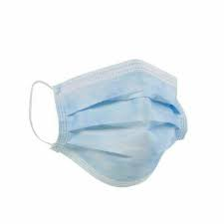 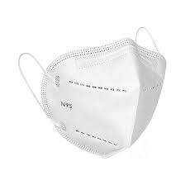
2 | PPE - Disposable nitrile gloves, Disposable latex gloves | 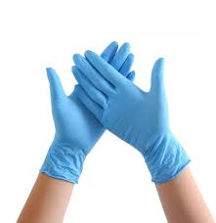 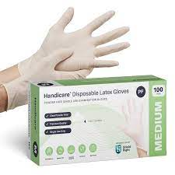
3 | Housekeeping apron | 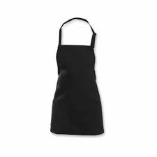
4 | Hotel housekeeper uniform | 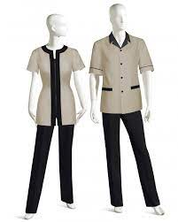
5 | Anti-slip shoes | 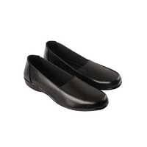
6 | Bed runner and decorative cushions | 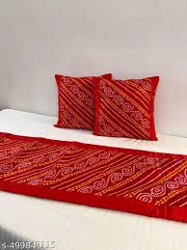
7 | Duvet and duvet cover | 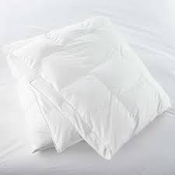
8 | Fresh linen set - Fitted sheet and flat sheet, Two pillows with pillow covers, Extra pillows
9 | Linen trolley | 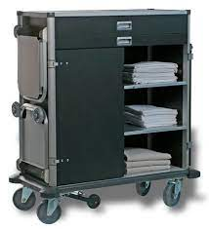
10 | Housekeeping cleaning trolley | 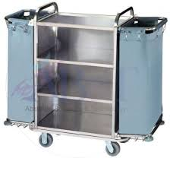
11 | Mattress protector | 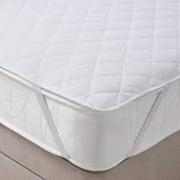
12 | Extra mattress with pillow, bed linen and blanket | 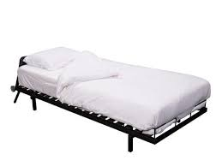
13 | Linen spray | 
14 | Cleaning trolley (which has mop and bucket) | 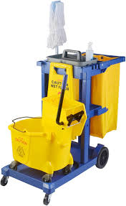
15 | Microfiber cloth | 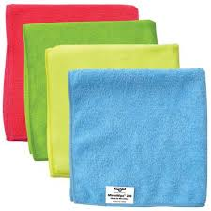
16 | Replenishing toiletries - shampoo, conditioner, body wash, soap, Body lotion, handwash, toilet roll
17 | Guest consumables - Tea/coffee sachet, sugar, Milk powder sachet, water bottles
18 | Fresh bath towel, hand towels, face towel and bath mat | 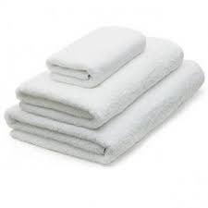
19 | Dusting wand | 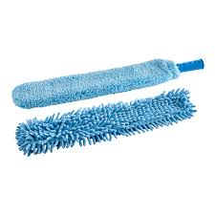
20 | Vacuum cleaner | 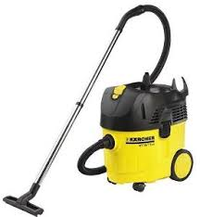
21 | Hand-held vacuum cleaner | 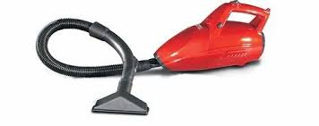
22 | Glass squeegee | 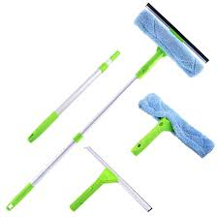
23 | Carpet stain remover | 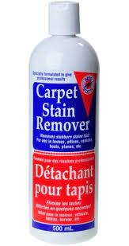
24 | Carpet cleaning soft bristle brush | 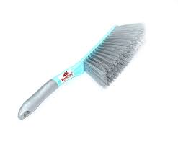
25 | Waste bin cleaning brush | 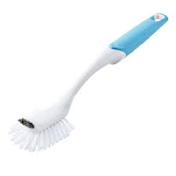
26 | Step ladder | 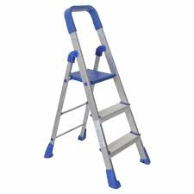
27 | Toilet bowl brush | 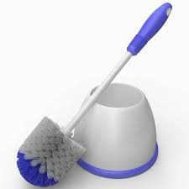
28 | Scrubbing pad | 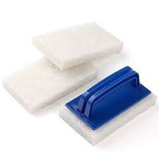
29 | Housekeeping laundry trolley | 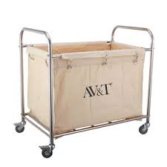
30 | Guest laundry bags, Sealable laundry bags | 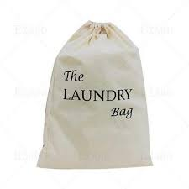 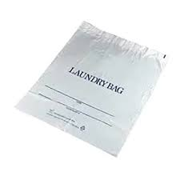
31 | Hotel room number tags - With and without numbers(for manually writing) | 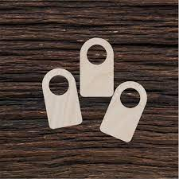 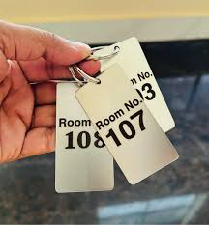
32 | Tape labels with laundry pen for marking the laundry | 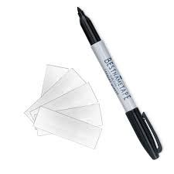
33 | Bathroom drain unblocker | 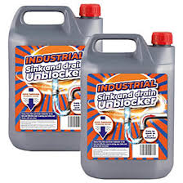
34 | Hand sanitizer spray | 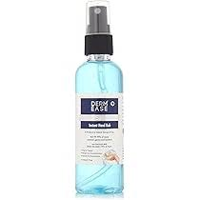
35 | Dish collection tray | 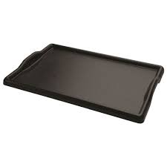
36 | Waste bin, liners and color coded garbage bags | 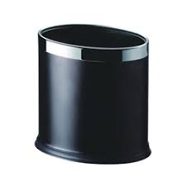
37 | Recyclable bin | 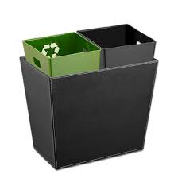
38 | Zip lock bag | 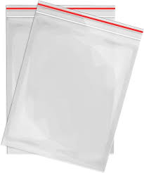
39 | Documents - Linen checklist, Lost and found logbook, Room service log sheet, Cleaning solutions Inventory checklist, Laundry checklist, Guest room assignment sheet, Laundry register, Express laundry form, Linen inventory checklist or logbook, Laundry invoice, Guest signature sheet for laundry, Room cleaning checklist, Room equipment maintenance logbook, Guest consumable checklist, Bathroom cleaning checklist, Minibar restock checklist, Minibar inventory log sheet, Minibar usage sheet
40 | Cleaning solutions - Disinfectant spray, Glass cleaner, Multi-purpose surface cleaner, Deodorizing spray, Toilet disinfectant spray, Toilet bowl cleaner, Liquid floor cleaner, Mild detergent solution
41 | Mop, mop bucket and floor cleaning cloth | 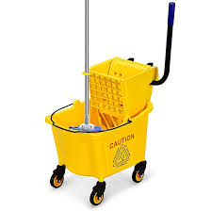 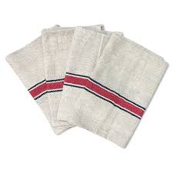
42 | Bucket, pen, Notepad, Room access card
43 | Housekeeping cleaning tools and cleaning agents storage area | 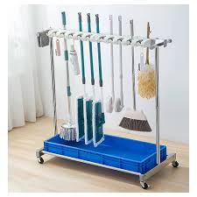 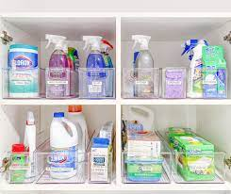
44 | Lenin and guest supplies storage shelves and boxes | 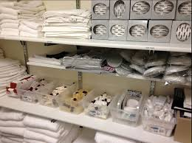
45 | Long handle broom and dustpan for cleaning corridors | 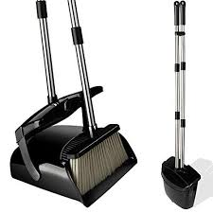
46 | Caution - Cleaning in progress | 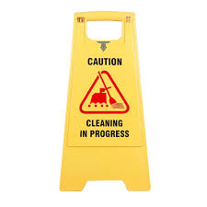
47 | Radio or intercom | 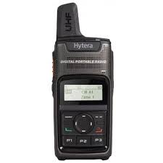
48 | Plunger | 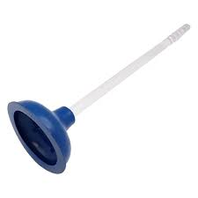
49 | Toilet auger | 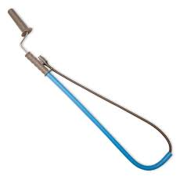
50 | Bathroom drain cleaning brush | 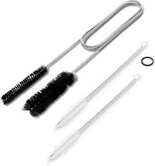
51 | Flashlight | 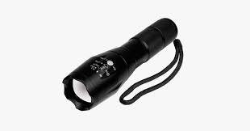
52 | Room freshener with spray | 
53 | Minibar | 
54 | Minibar stock - Soft drinks, Juice box, snack packs, water bottles
55 | "Sanitized for your protection" seal for toilet seat | 
56 | Shaving kit for guest | 
57 | Toiletry kit (e.g., soap, shampoo, conditioner, lotion) placed in amenities tray | 

