Tools
Serial Number | Tools Name | Image
1 | Acidic stain remover | 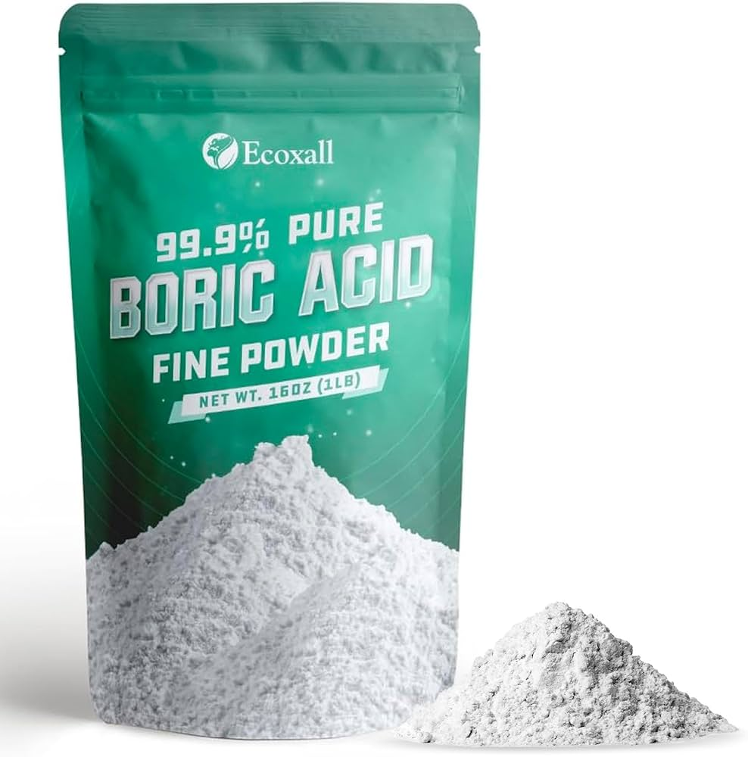
2 | Ammonia-based cleaner | 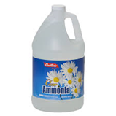
3 | Bagging machine | 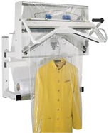
4 | Basic toolkit (screwdriver) | 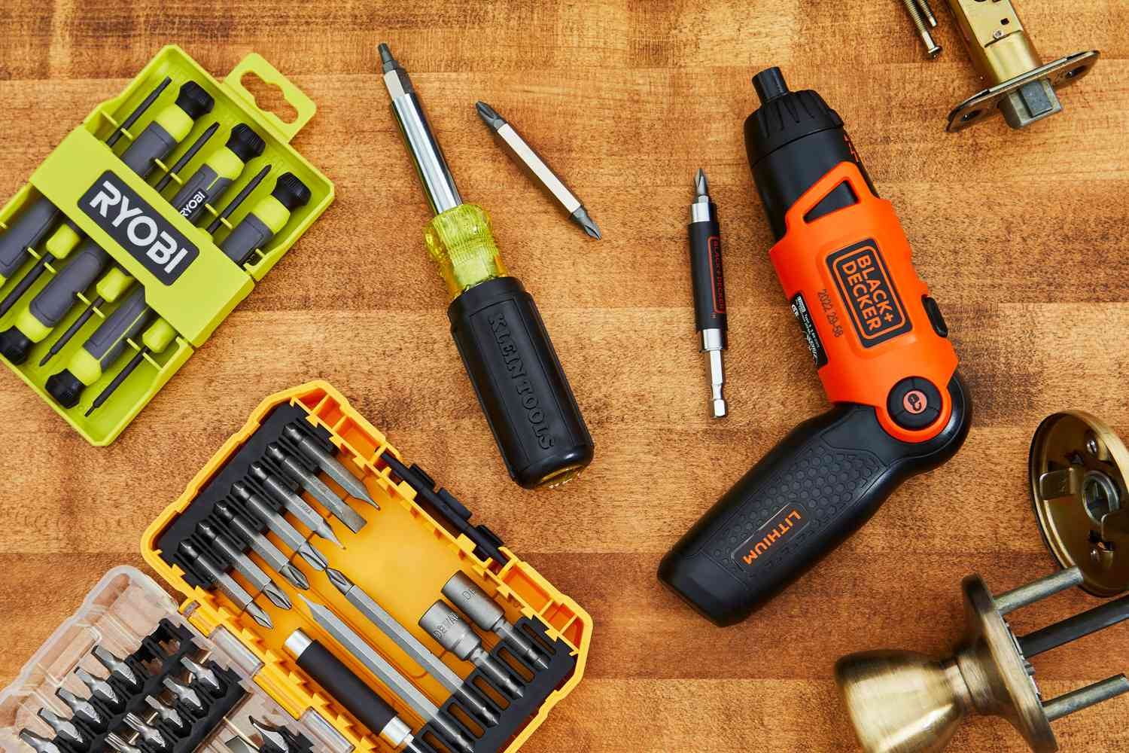
5 | Basic toolkit (wrench) | 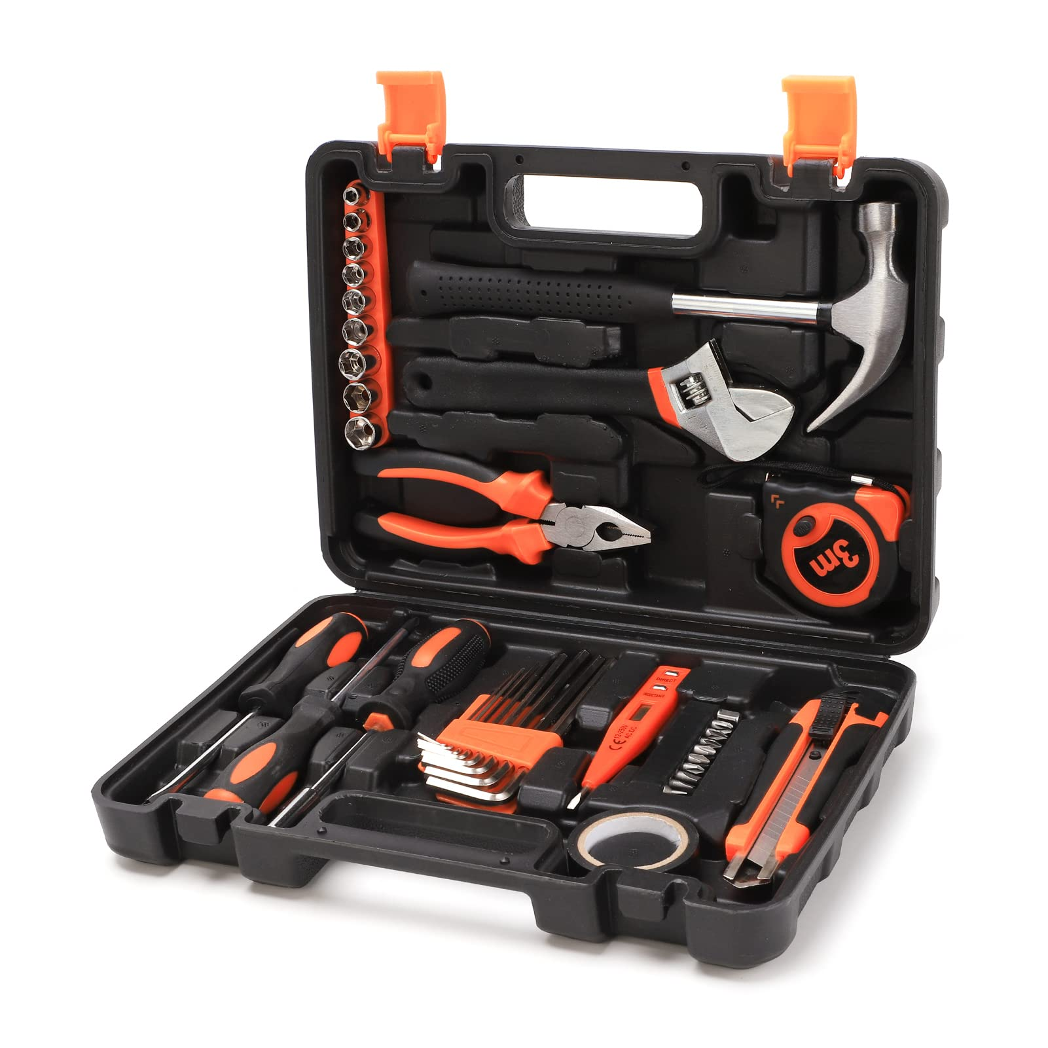
6 | Bed sheet folder | 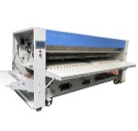
7 | Bleach | 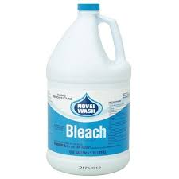
8 | Boiler | 
9 | Body & Bosom press | 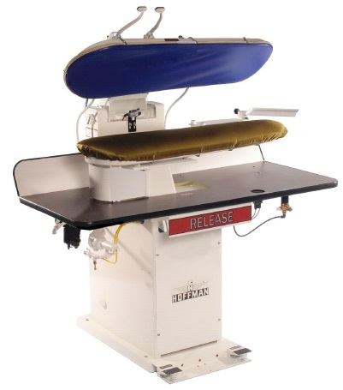
10 | Cuff & Collar press | 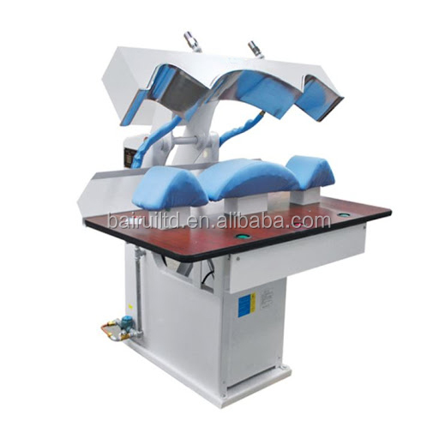
11 | Commercial washing machine | 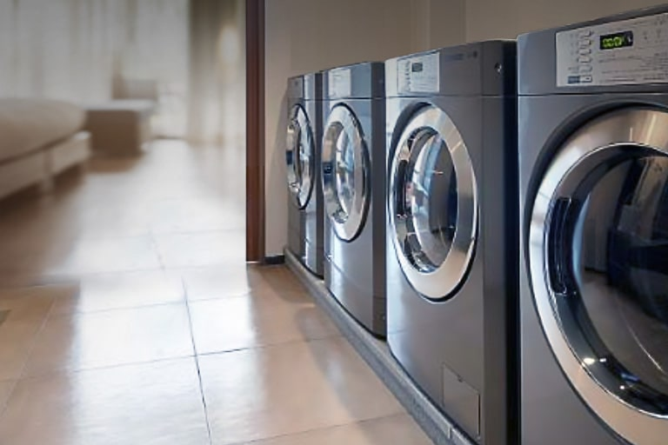
12 | Dry-cleaning machine | 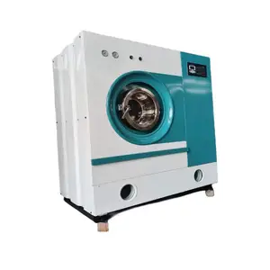
13 | Dry set vacuum | 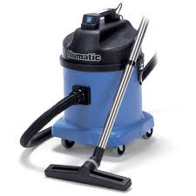
14 | Fabric markers | 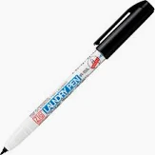
15 | Fabric softener | 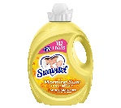
16 | Folding tables | 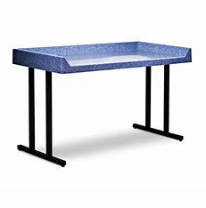
17 | Form finisher | 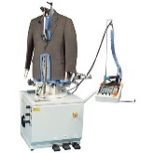
18 | Grease-fighting detergent
19 | Heavy-duty washer and dryer combo | 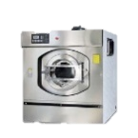
20 | High-speed spin extractor | 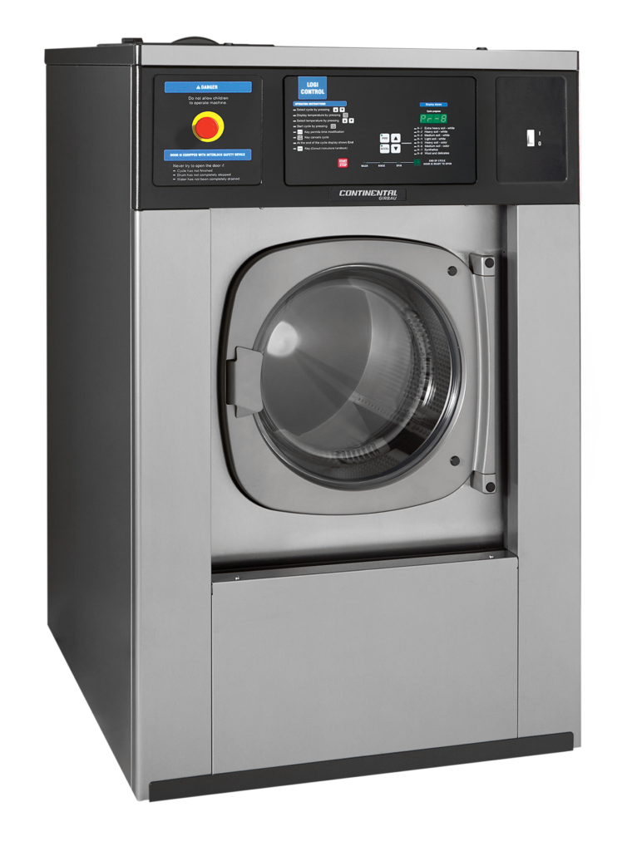
21 | Pressing Iron | 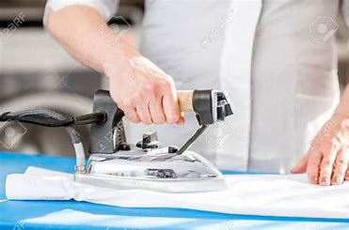
22 | Ironing board | 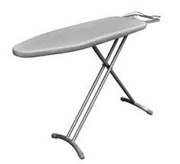
23 | Laundry baskets | 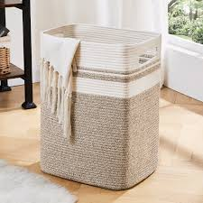
24 | Laundry roller iron | 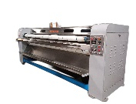
25 | Mild detergent
26 | Multimeter | 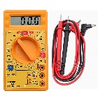
27 | Mushroom press | 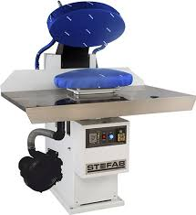
28 | Phone or communication device
29 | Process tracking tools
30 | Replacement buttons | 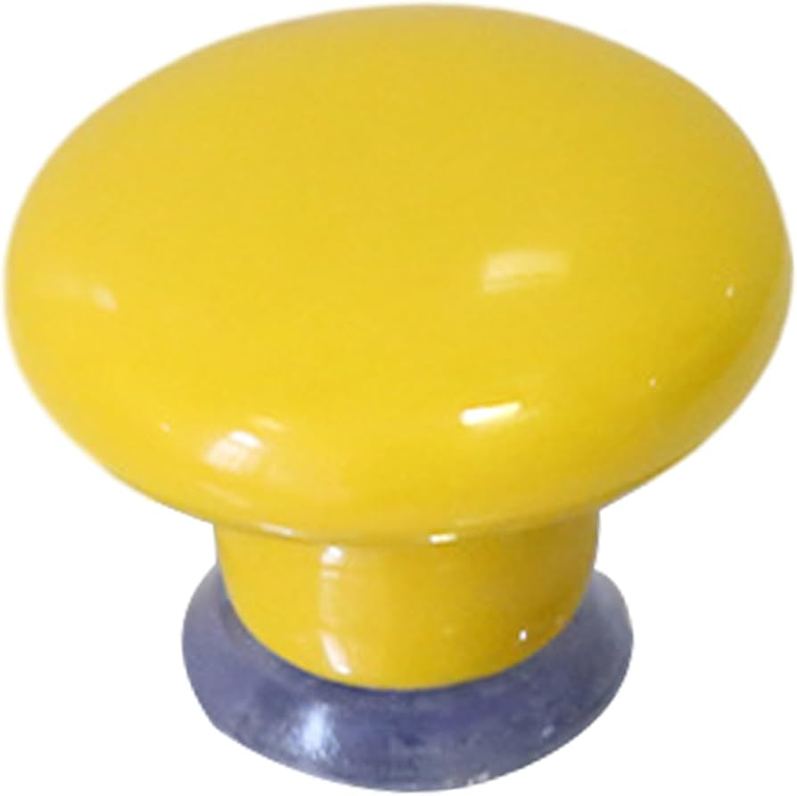
31 | Safety goggles | 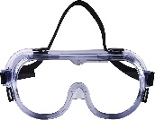
32 | Seam inspection tools | 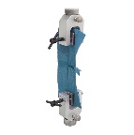
33 | Sewing kit | 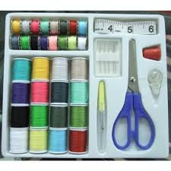
34 | Steam iron | 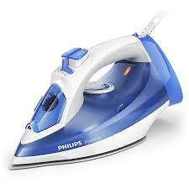
35 | Steam utility legger | 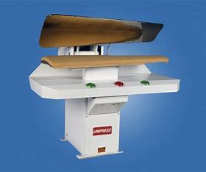
36 | Stain remover | 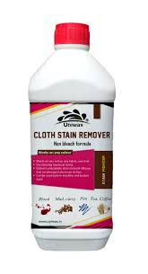
37 | Tagging labels | 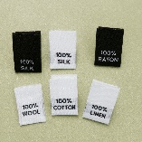
38 | Task scheduling software
39 | Towel folder | 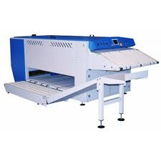
40 | Uniform conveyor | 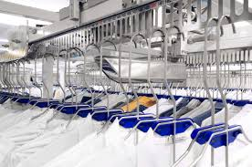
41 | Vinegar
42 | Washing machine (front-load) | 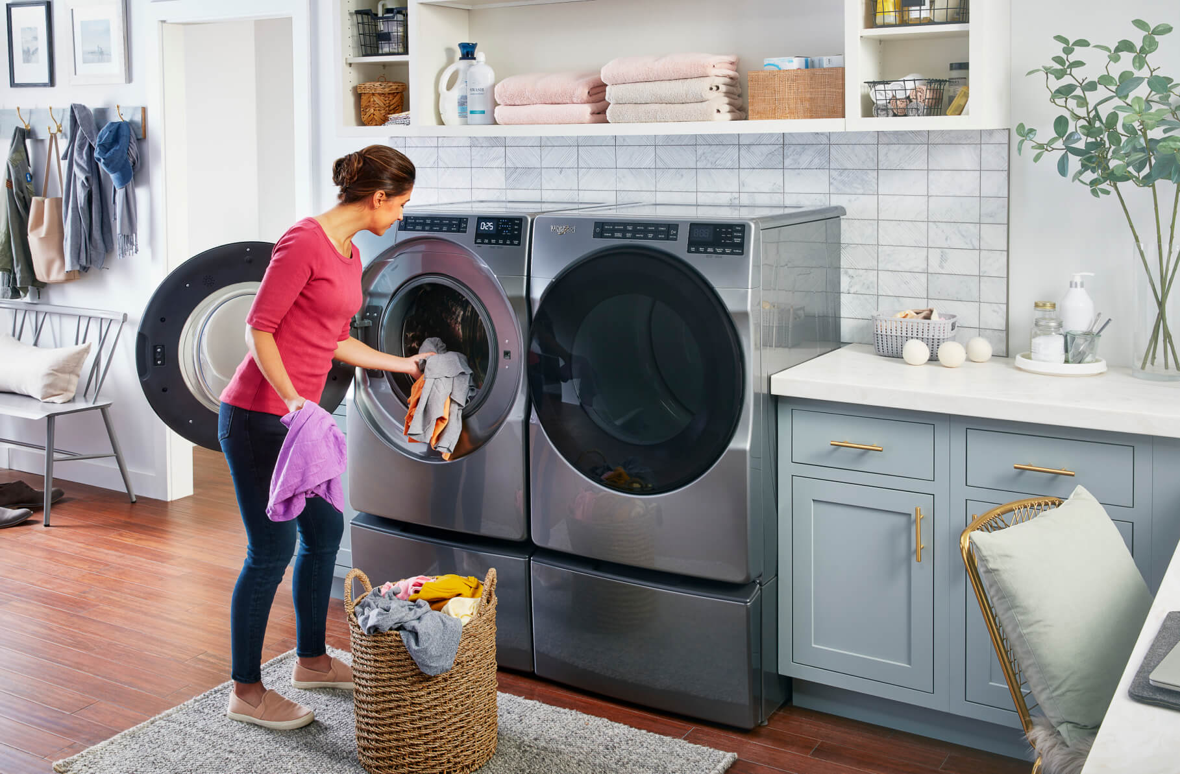
43 | Washing machine (top-load) | 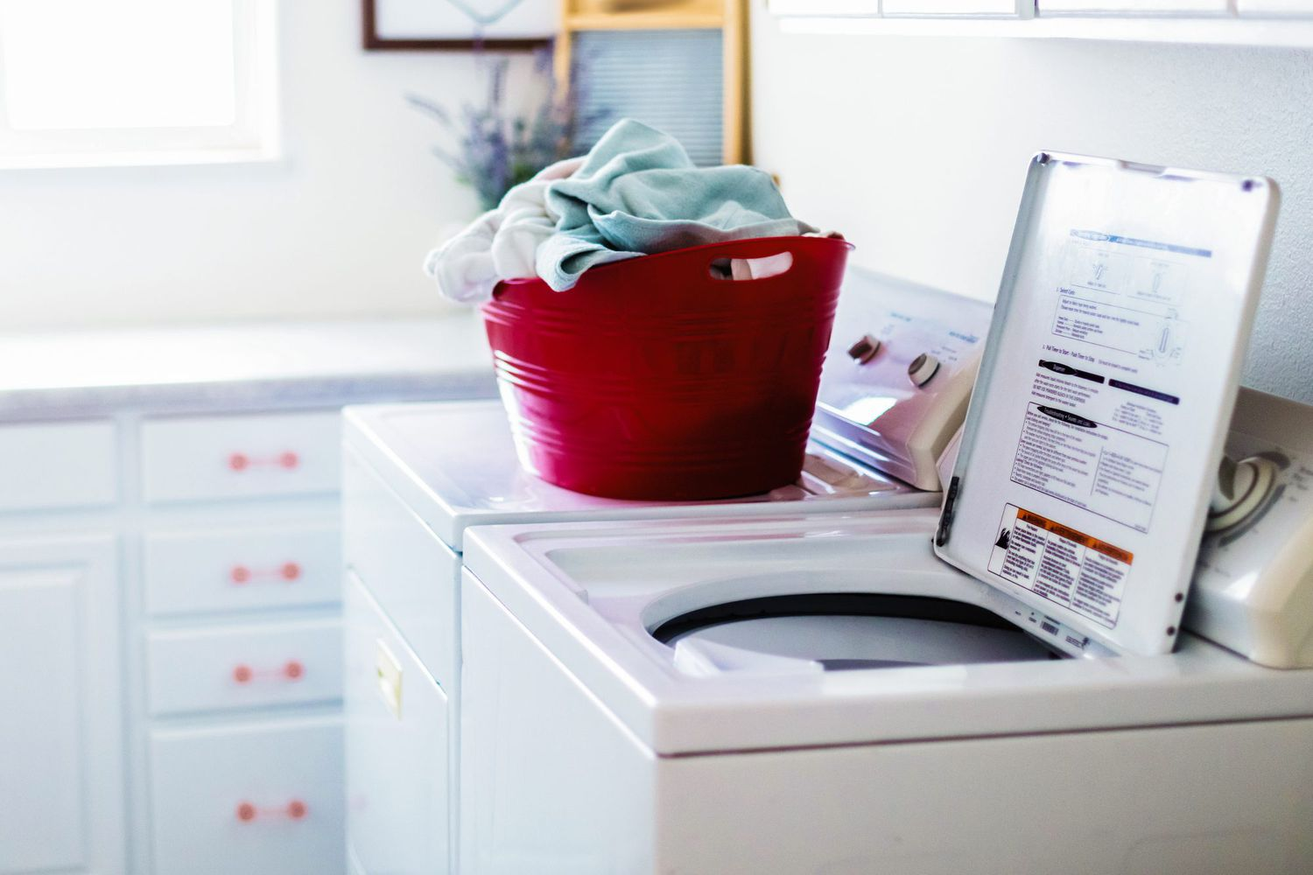
44 | Wool-safe detergent | 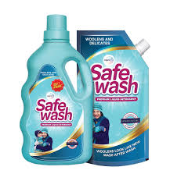
45 | Cleaning cloth | 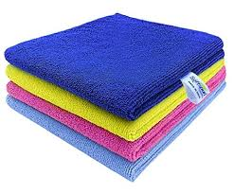
46 | Color-safe detergent | 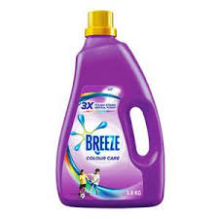
47 | Conveyor belt system (for folding/packing) | 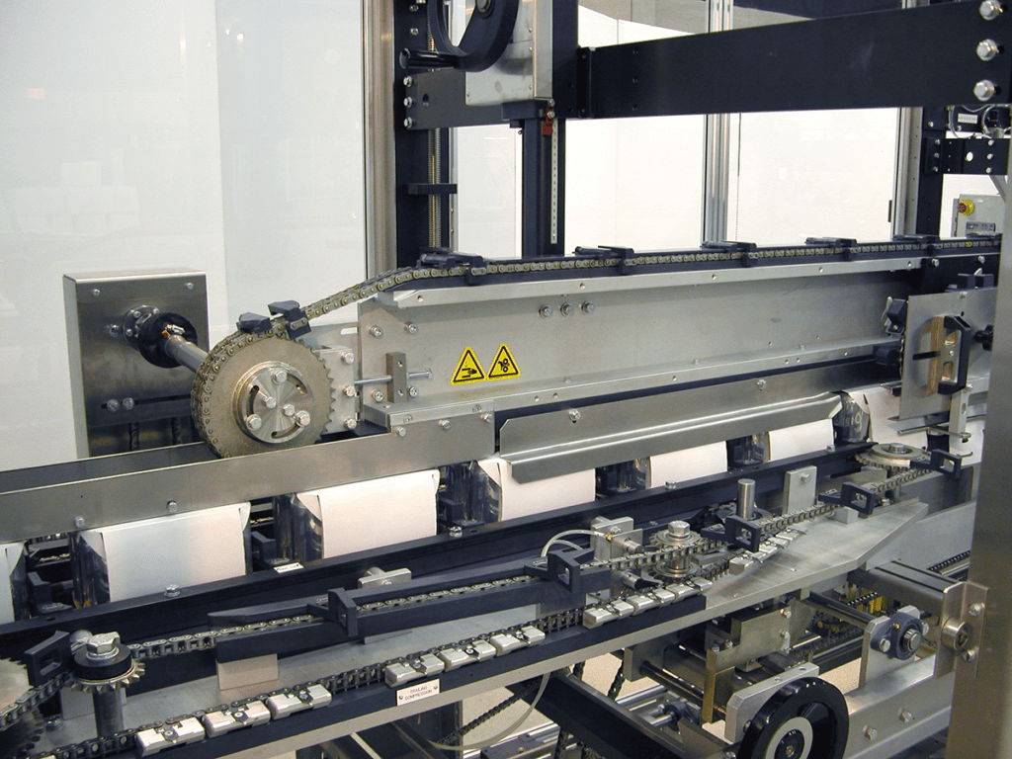
48 | Digital inventory system | 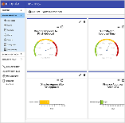
49 | Dryer sheets | 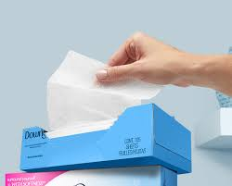
50 | Enzyme detergent | 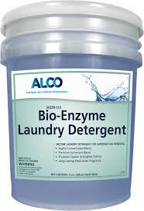
51 | Fabric care guide
52 | Gentle detergent
53 | Hangers | 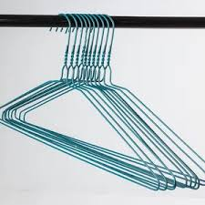
54 | Hydrogen peroxide | 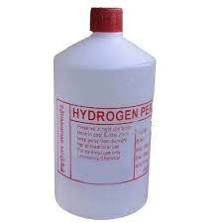
55 | Hypoallergenic detergent | 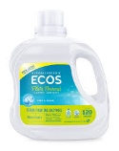
56 | Hypoallergenic pillows | 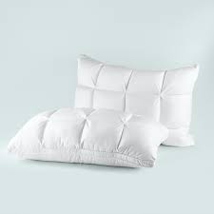
57 | Lint filter | 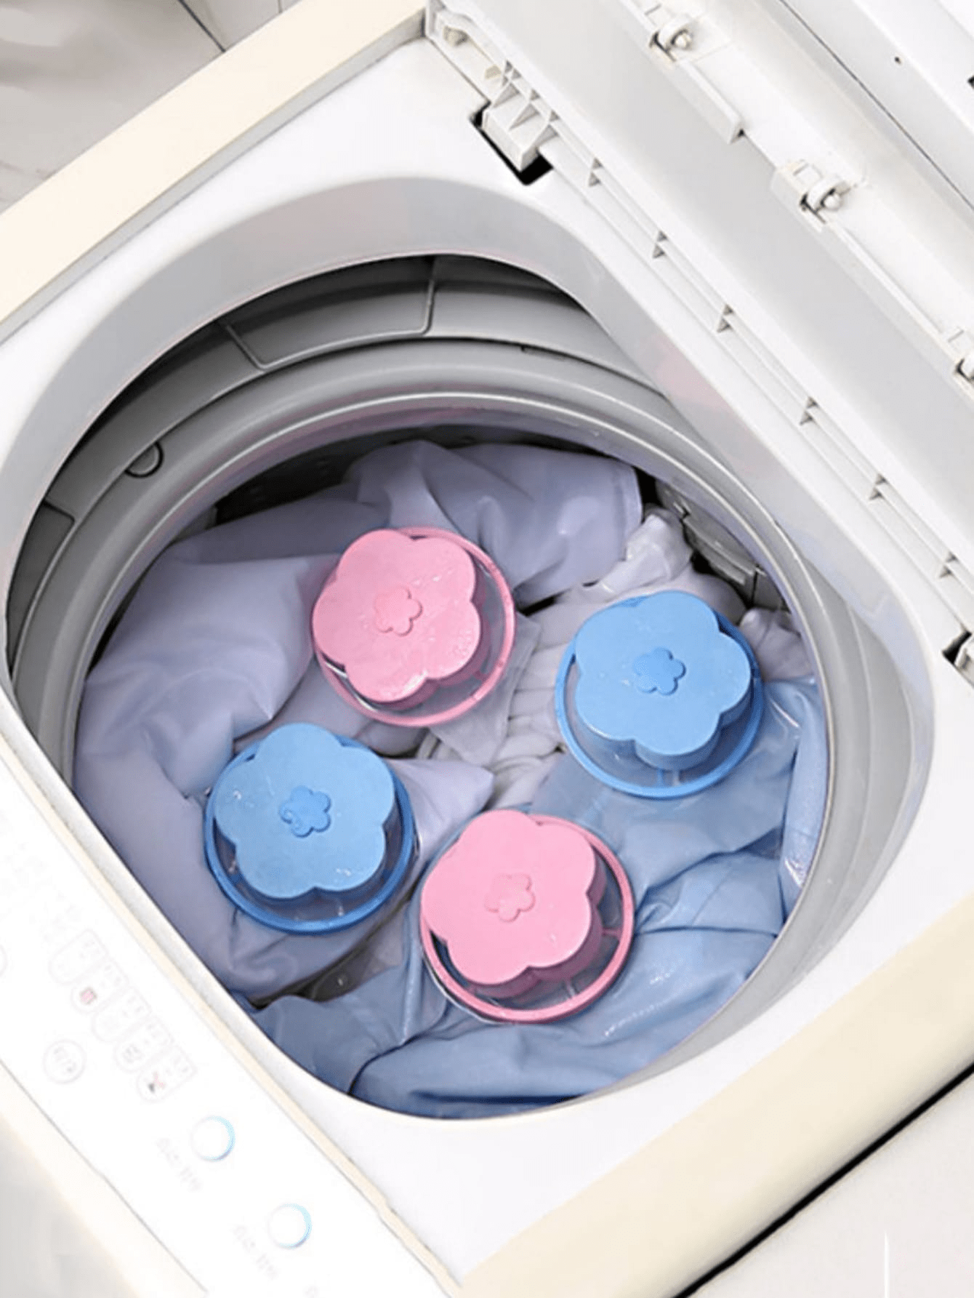
58 | Lint trap cleaner | 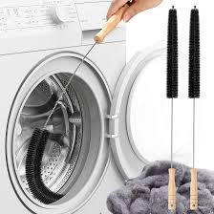
59 | Liquid starch | 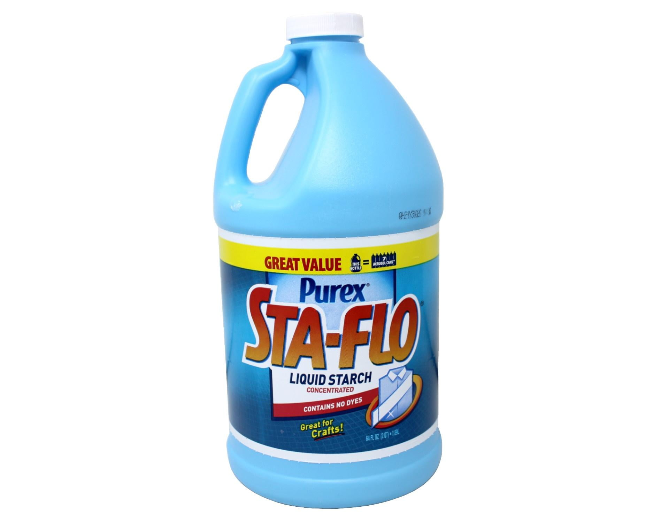
60 | Lubricant oil | 
61 | Lubricant spray | 
62 | Machine manual | 
63 | Marker
64 | Mesh bags | 
65 | Mild detergent
66 | Pressing mat | 
67 | Priority list
68 | Priority markers (tags/labels)
69 | Scissors
70 | Soft brush | 
71 | Soft sponge | 
72 | Sorting table | 
73 | Spray bottle
74 | Storage containers | 
75 | Tagging supplies | 
76 | Tracking system
77 | Vacuum | 
78 | Vacuum bags | 
79 | Fabric softener with mild fragrance | 
80 | Heat-resistant gloves | 
81 | rubber gloves | 
82 | neoprene gloves | 
83 | R95 rated respiratory mask | 
84 | PVC Fluid resistant apron | 

