Minitruck Driver
Sector Name | Occupation name | Equipment name | Minimum number of equipment required (per batch of 30 trainees) | Unit type | Images
 | Minitruck Driver | Mini-truck
 | Minitruck Driver | GPS |  |  | 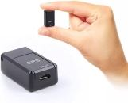
 | Minitruck Driver | Fuel efficiency tracking app
 | Minitruck Driver | PPE (Personal Protective Equipment) including reflective safety vest, gloves, safety boots |  |  | 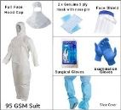
 | Minitruck Driver | Eco-driving manual
 | Minitruck Driver | Fuel log
 | Minitruck Driver | Maintenance log
 | Minitruck Driver | Oil filter |  |  | 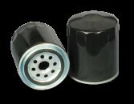
 | Minitruck Driver | Engine oil |  |  | 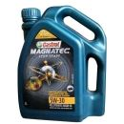
 | Minitruck Driver | Tire pressure gauge |  |  | 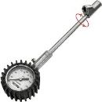
 | Minitruck Driver | Driving habits report
 | Minitruck Driver | Oil dipstick |  |  | 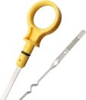
 | Minitruck Driver | Flashlight |  |  | 
 | Minitruck Driver | Cleaning supplies |  |  | 
 | Minitruck Driver | Wrench set |  |  | 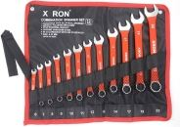
 | Minitruck Driver | Spare fuses |  |  | 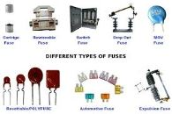
 | Minitruck Driver | Tire patch kit |  |  | 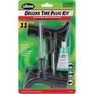
 | Minitruck Driver | Oil filter wrench |  |  | 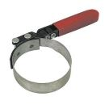
 | Minitruck Driver | Funnel |  |  | 
 | Minitruck Driver | Delivery route plan
 | Minitruck Driver | Mobile phone |  |  | 
 | Minitruck Driver | Delivery schedule
 | Minitruck Driver | Delivery tracking app
 | Minitruck Driver | Cones for marking |  |  | 
 | Minitruck Driver | Side mirrors |  |  | 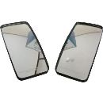
 | Minitruck Driver | Backup camera (if available)
 | Minitruck Driver | Parking sensors |  |  | 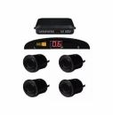
 | Minitruck Driver | Rearview camera |  |  | 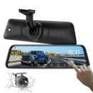
 | Minitruck Driver | Truck (refrigerated) |  |  | 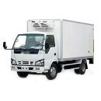
 | Minitruck Driver | Labels for hazardous cargo |  |  | 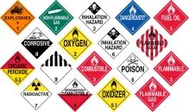
 | Minitruck Driver | Truck (hazardous materials)
 | Minitruck Driver | Truck (livestock)
 | Minitruck Driver | Truck (flatbed)
 | Minitruck Driver | Truck (tanker)
 | Minitruck Driver | Load capacity chart
 | Minitruck Driver | Scale |  |  | 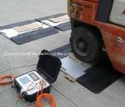
 | Minitruck Driver | Load distribution software
 | Minitruck Driver | Axle weight calculator
 | Minitruck Driver | Journey planning software
 | Minitruck Driver | Fuel card |  |  | 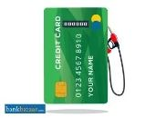
 | Minitruck Driver | Spare parts |  |  | 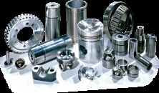
 | Minitruck Driver | Local maps
 | Minitruck Driver | Emergency contact list
 | Minitruck Driver | Water supply
 | Minitruck Driver | Portable stove |  |  | 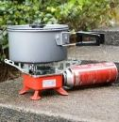
 | Minitruck Driver | Extra clothing
 | Minitruck Driver | Navigation system
 | Minitruck Driver | Emergency flares |  |  | 
 | Minitruck Driver | Oil change kit |  |  | 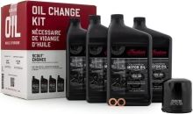
 | Minitruck Driver | Filter replacement kit |  |  | 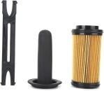
 | Minitruck Driver | Mountain driving checklist
 | Minitruck Driver | Engine fan |  |  | 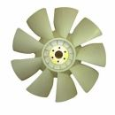
 | Minitruck Driver | Tire chains |  |  | 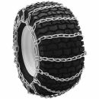
 | Minitruck Driver | Truck (automatic transmission)
 | Minitruck Driver | Downhill driving checklist
 | Minitruck Driver | Low gear settings
 | Minitruck Driver | Engine brakes
 | Minitruck Driver | Weather monitoring tools
 | Minitruck Driver | Emergency kit |  |  | 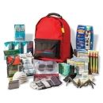
 | Minitruck Driver | Gravel road driving checklist
 | Minitruck Driver | Rural driving checklist
 | Minitruck Driver | Extra fuel
 | Minitruck Driver | Road condition monitoring tools
 | Minitruck Driver | Mud tires |  |  | 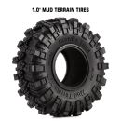
 | Minitruck Driver | Traction control tools |  |  | 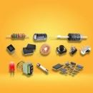
 | Minitruck Driver | Snow shovel |  |  | 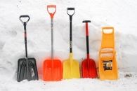
 | Minitruck Driver | Air filters |  |  |  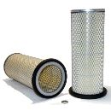
 | Minitruck Driver | Emergency toolkit |  |  | 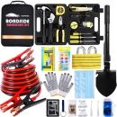
 | Minitruck Driver | Flares or reflective triangles |  |  | 
 | Minitruck Driver | Spare tire
 | Minitruck Driver | Jack |  |  | 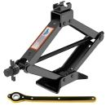
 | Minitruck Driver | Fire extinguisher
 | Minitruck Driver | Towing service contact
 | Minitruck Driver | Basic toolkit |  |  | 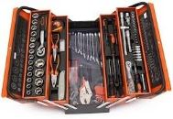
 | Minitruck Driver | Tie-down straps |  |  | 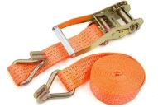
 | Minitruck Driver | Tarps |  |  | 
 | Minitruck Driver | Edge protectors |  |  | 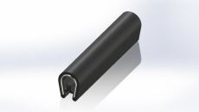
 | Minitruck Driver | Load bars |  |  | 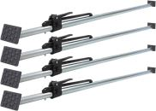
 | Minitruck Driver | Anti-slip mats |  |  | 
 | Minitruck Driver | Lashing chains
 | Minitruck Driver | Coil racks |  |  | 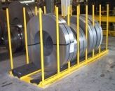
 | Minitruck Driver | Cargo nets
 | Minitruck Driver | Forklift |  |  | 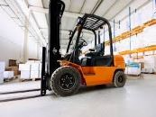
 | Minitruck Driver | Conveyor belt |  |  | 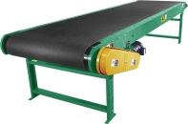
 | Minitruck Driver | Safety barriers |  |  | 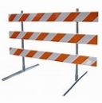
 | Minitruck Driver | Crane |  |  | 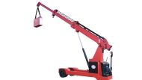
 | Minitruck Driver | Load binders |  |  | 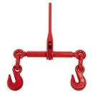
 | Minitruck Driver | Shrink wrap |  |  | 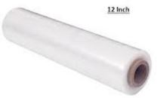
 | Minitruck Driver | Loading dock |  |  | 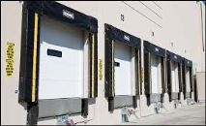
 | Minitruck Driver | Dock leveller |  |  | 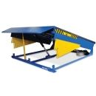
 | Minitruck Driver | Ramps |  |  | 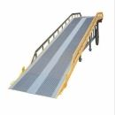
 | Minitruck Driver | Dollies |  |  | 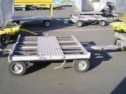
 | Minitruck Driver | Post-trip inspection checklist
 | Minitruck Driver | Trash bags |  |  | 
 | Minitruck Driver | Tire tread depth gauge |  |  | 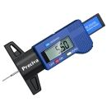
 | Minitruck Driver | Coolant
 | Minitruck Driver | Radiator cap |  |  | 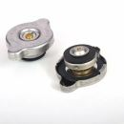
 | Minitruck Driver | Coolant tester |  |  | 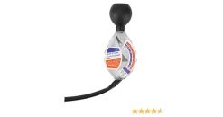
 | Minitruck Driver | Brake fluid
 | Minitruck Driver | Brake pads |  |  | 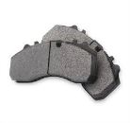
 | Minitruck Driver | Brake disc caliper tool |  |  | 
 | Minitruck Driver | Battery tester |  |  | 
 | Minitruck Driver | Terminal cleaner |  |  | 
 | Minitruck Driver | Hydraulic fluid |  |  | 
 | Minitruck Driver | Hydraulic hoses |  |  | 
 | Minitruck Driver | Air filter housing |  |  | 
 | Minitruck Driver | Transmission fluid |  |  | 
 | Minitruck Driver | Suspension components
 | Minitruck Driver | Grease gun |  |  | 
 | Minitruck Driver | Electrical system tester |  |  | 
 | Minitruck Driver | Wiring diagram
 | Minitruck Driver | Fuse puller |  |  | 
 | Minitruck Driver | Replacement fuses
 | Minitruck Driver | Multimeter
 | Minitruck Driver | Trailer truck
 | Minitruck Driver | Bungee cords |  |  | 
 | Minitruck Driver | Permits
 | Minitruck Driver | Flags
 | Minitruck Driver | Manual transmission knowledge
 | Minitruck Driver | Wide-angle mirrors |  |  | 
 | Minitruck Driver | Turn signals |  |  | 
 | Minitruck Driver | Backing dock
 | Minitruck Driver | Spotter |  |  | 
 | Minitruck Driver | Engine brake system
 | Minitruck Driver | Signaling devices |  |  | 
 | Minitruck Driver | Handheld radio
 | Minitruck Driver | Laser docking system |  |  | 
 | Minitruck Driver | Backup camera
 | Minitruck Driver | Jumper cables |  |  | 
 | Minitruck Driver | Replacement battery
 | Minitruck Driver | Fuel filter |  |  | 
 | Minitruck Driver | Fuel filter wrench |  |  | 
 | Minitruck Driver | Fuel additive |  |  | 
 | Minitruck Driver | Drain pan |  |  | 
 | Minitruck Driver | Hose clamps |  |  | 
 | Minitruck Driver | Parking brake
 | Minitruck Driver | Clutch
 | Minitruck Driver | Accelerator

