Motorcycle Driver
Sector Name | Occupation name | Equipment name | Minimum number of equipment required (per batch of 30 trainees) | Unit type | Images
 | Motorcycle Driver | Helmet |  |  | 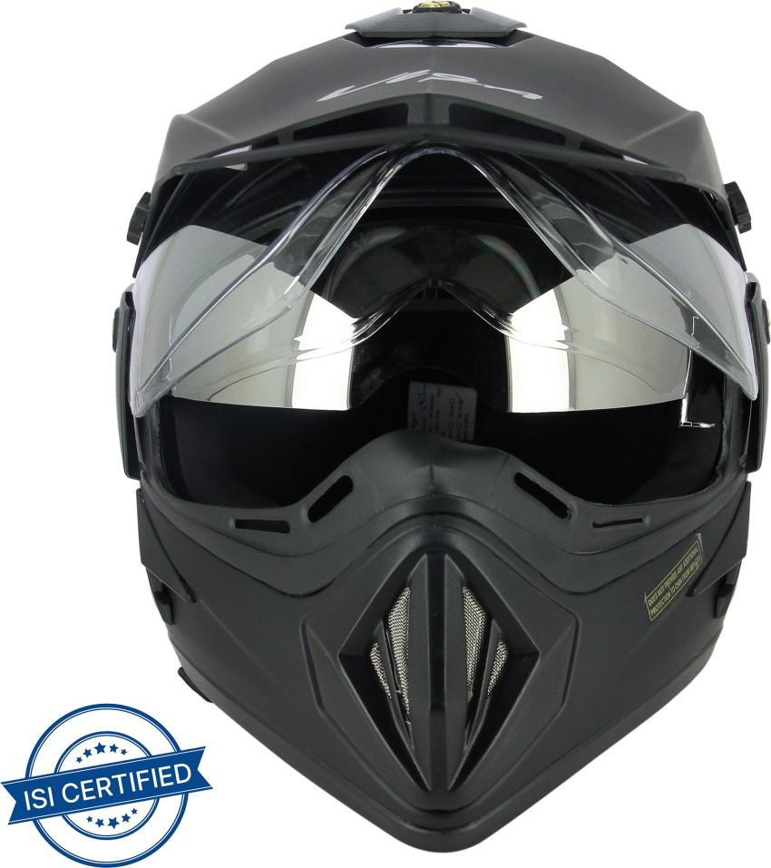
 | Motorcycle Driver | Gloves |  |  | 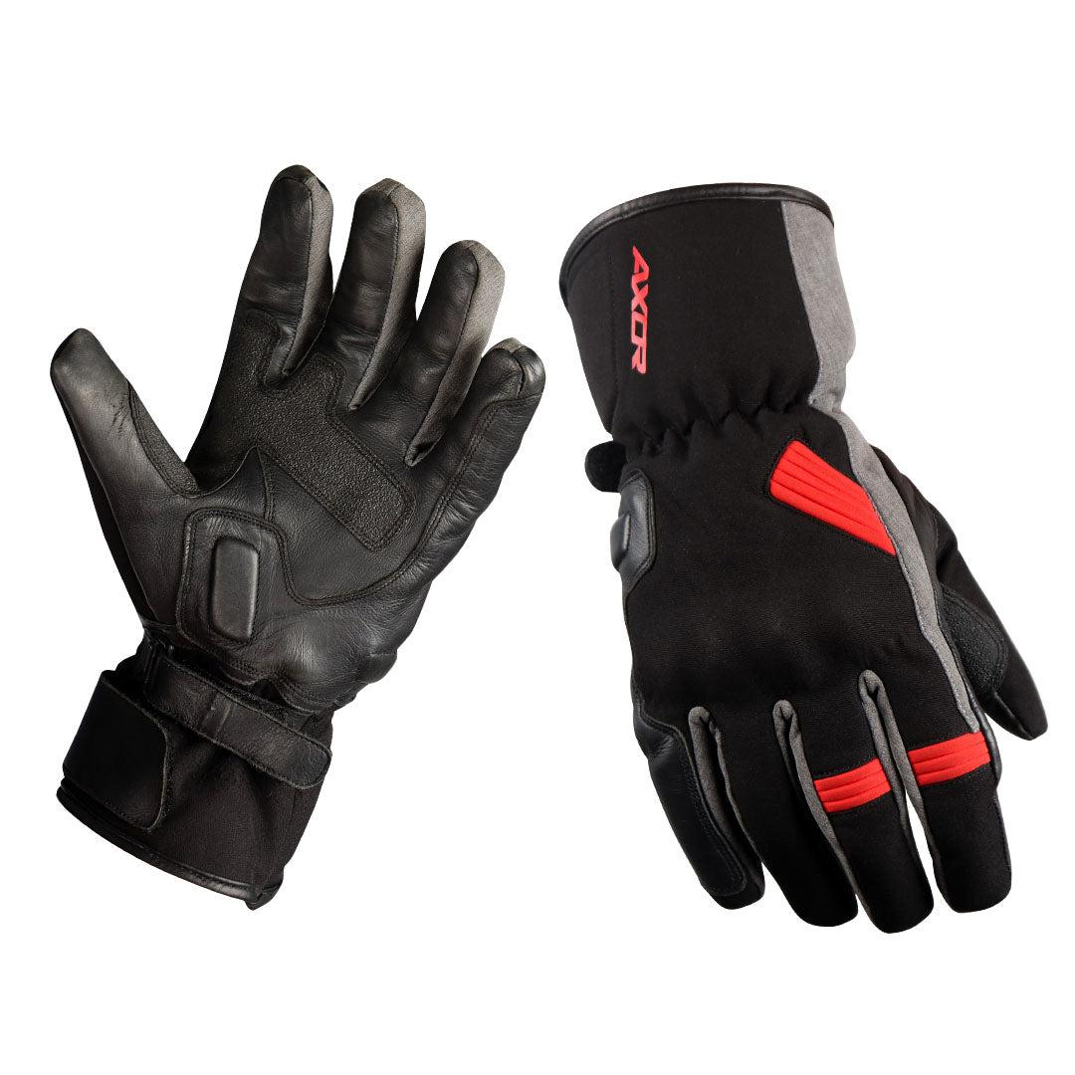
 | Motorcycle Driver | Jacket |  |  | 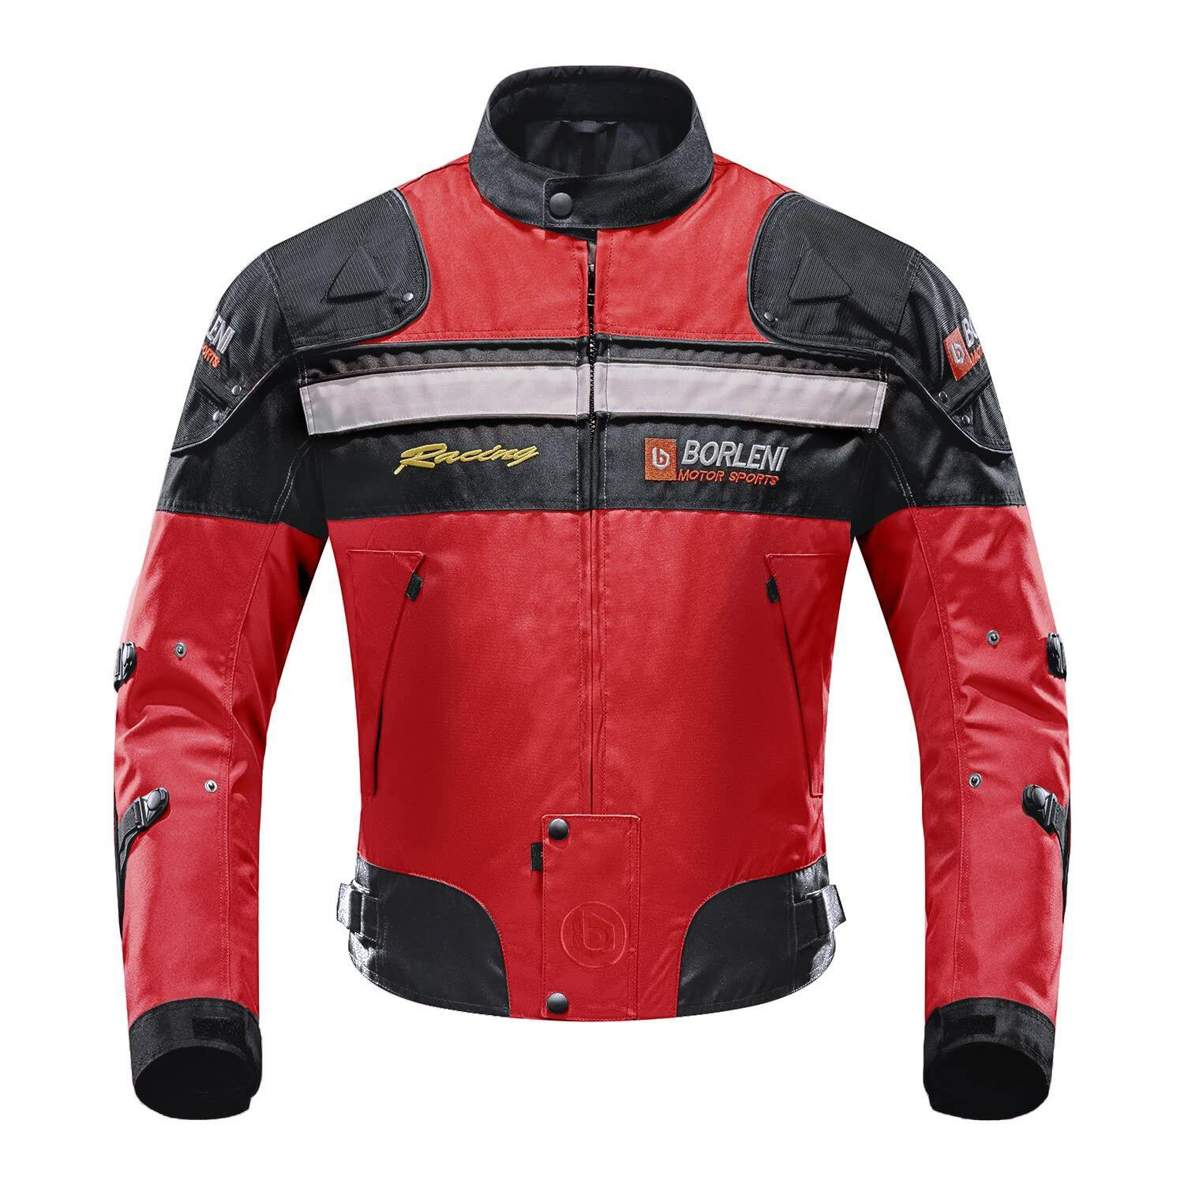
 | Motorcycle Driver | Motorcycle |  |  | 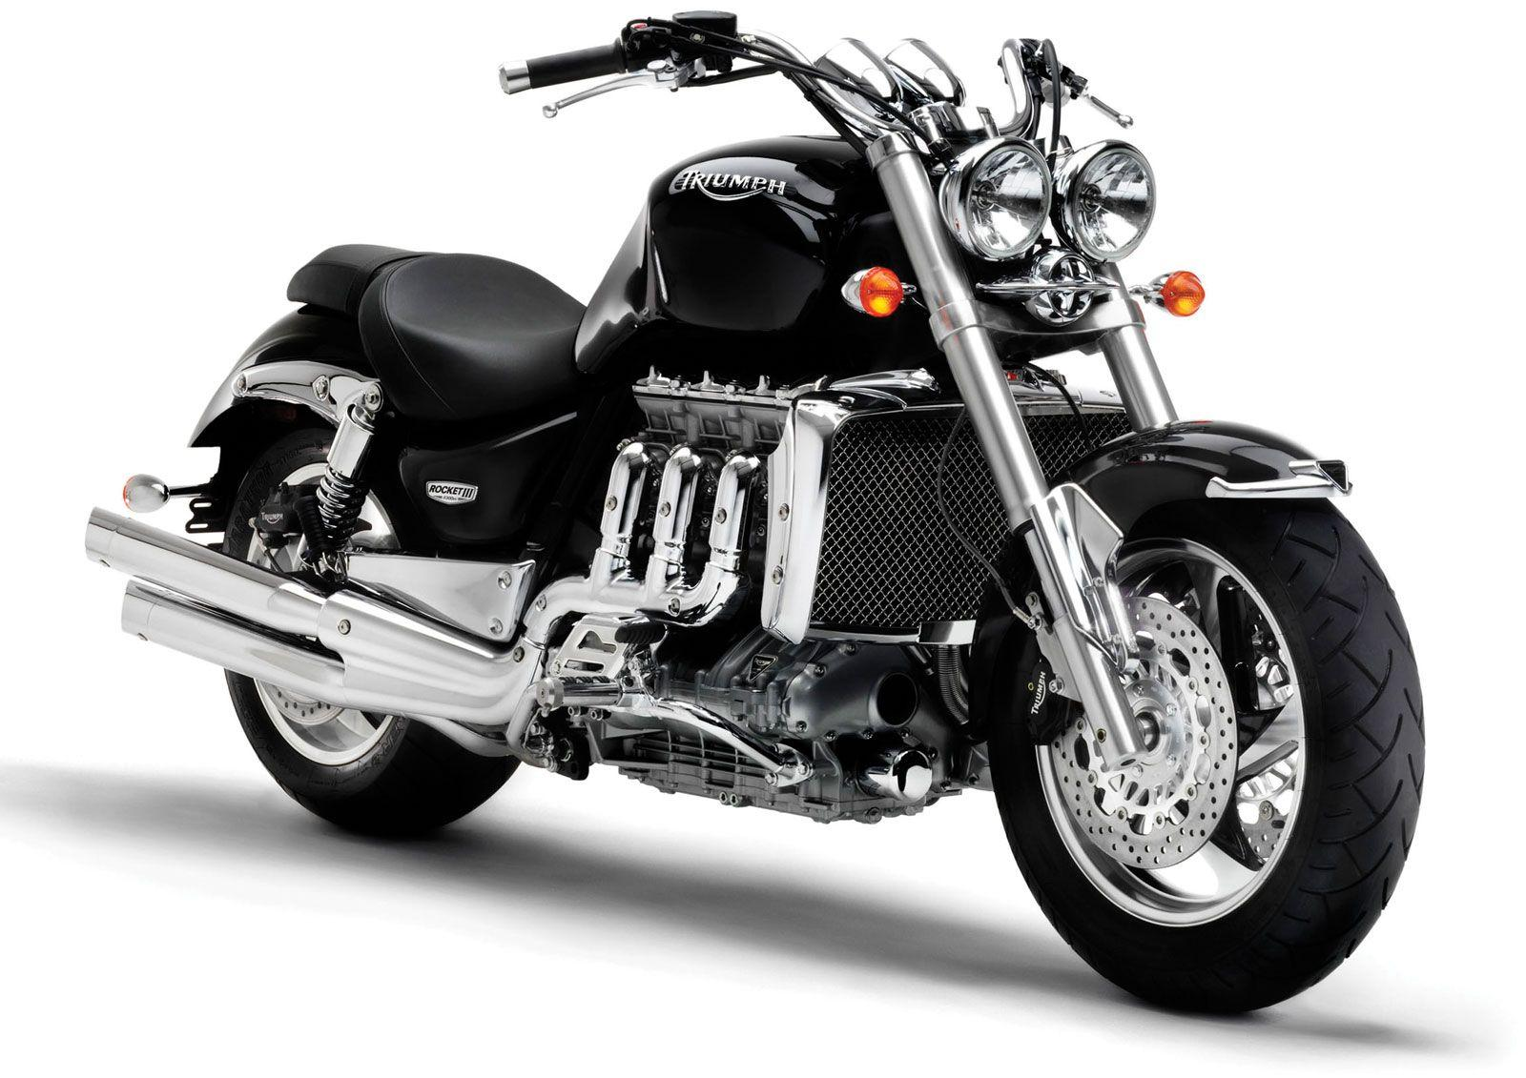
 | Motorcycle Driver | TCLOCS (Tires and wheels, Controls, Lights and electric, Oil and other fluids, Chassis and chain, and Stands) checklist
 | Motorcycle Driver | Tire pressure gauge |  |  | 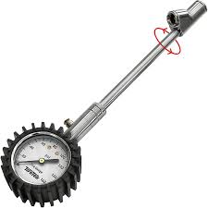
 | Motorcycle Driver | Flashlight |  |  | 
 | Motorcycle Driver | Personal Protective Equipment (PPE) including reflective vest, knee and shin guards, gloves |  |  | 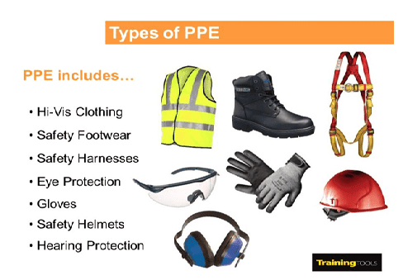
 | Motorcycle Driver | Oil filter |  |  | 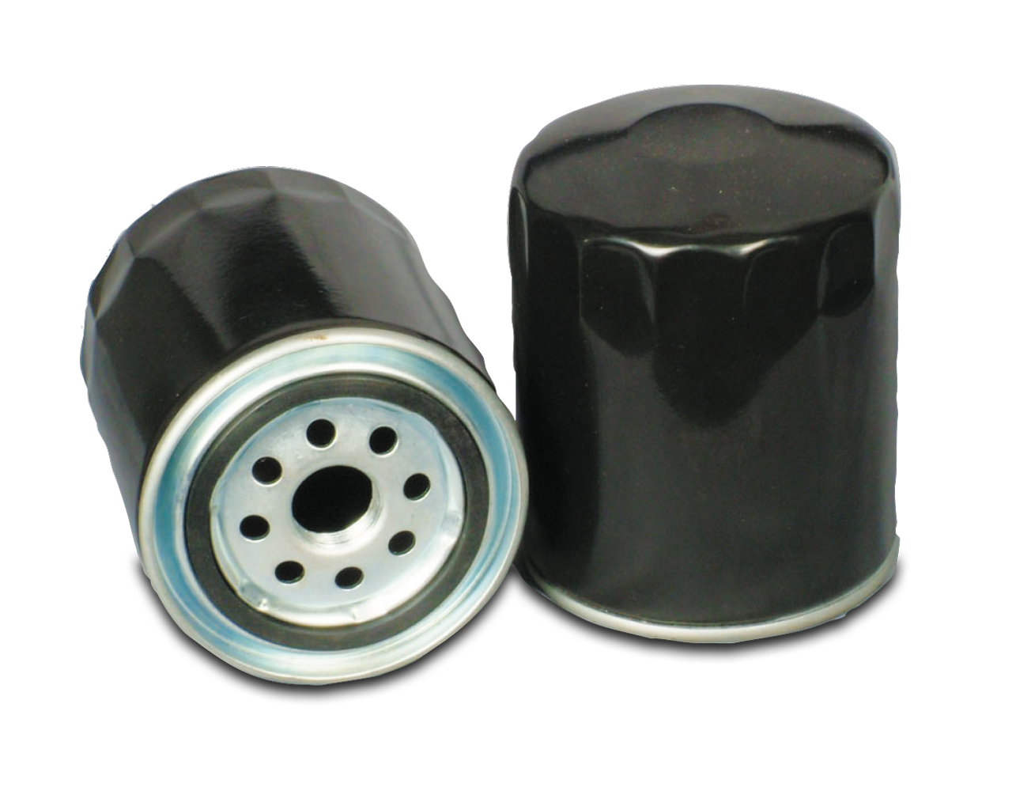
 | Motorcycle Driver | Wrench set |  |  | 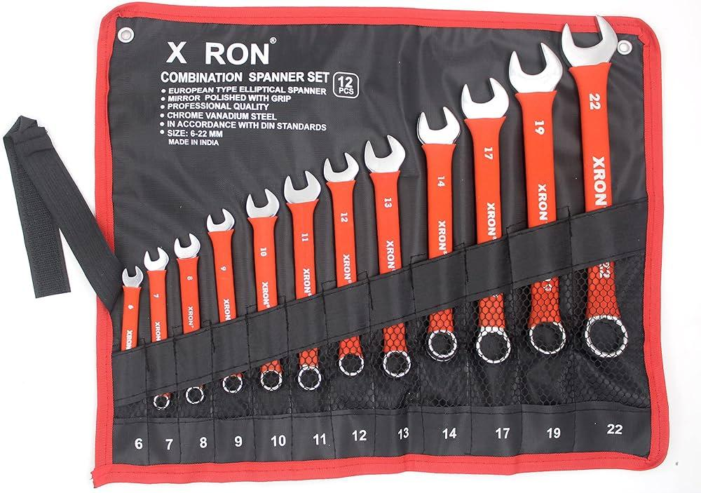
 | Motorcycle Driver | Oil drain pan |  |  | 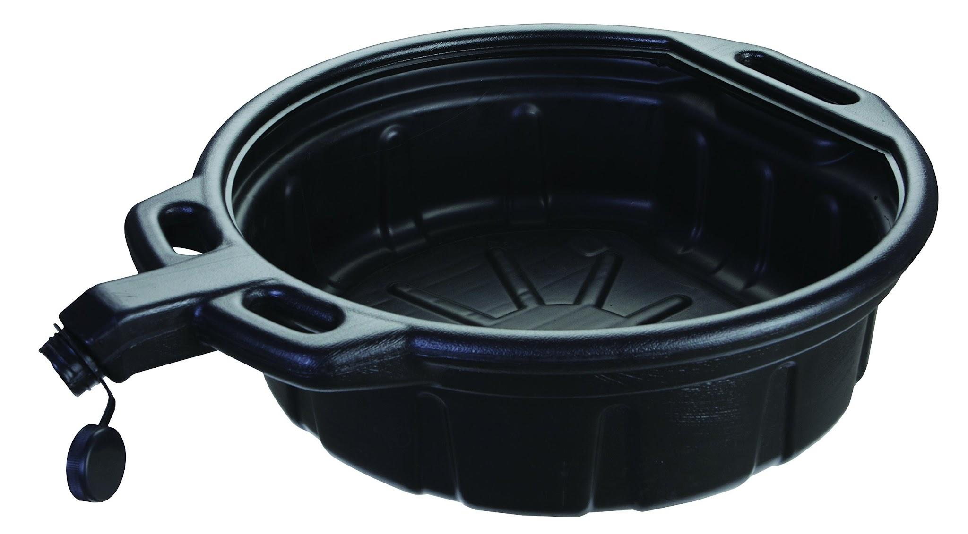
 | Motorcycle Driver | Funnel |  |  | 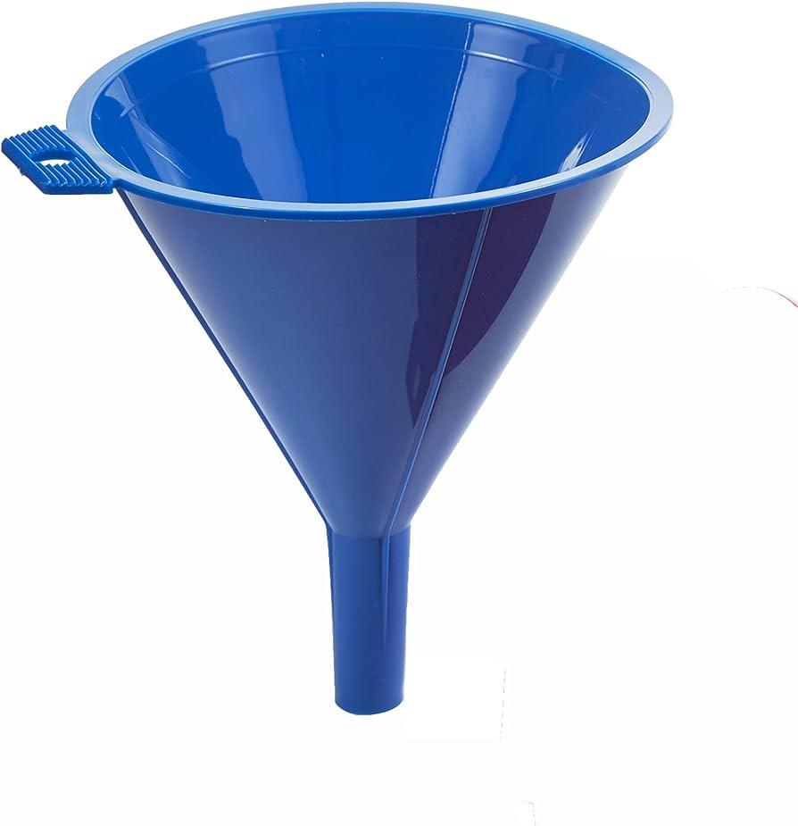
 | Motorcycle Driver | New engine oil |  |  | 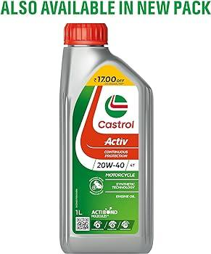
 | Motorcycle Driver | Brake fluid
 | Motorcycle Driver | Brake bleeding kit
 | Motorcycle Driver | Chain lubricant
 | Motorcycle Driver | Cleaning brush
 | Motorcycle Driver | Maintenance stand
 | Motorcycle Driver | Air compressor |  |  | 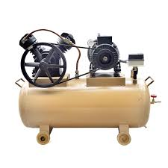
 | Motorcycle Driver | Tire repair kit |  |  | 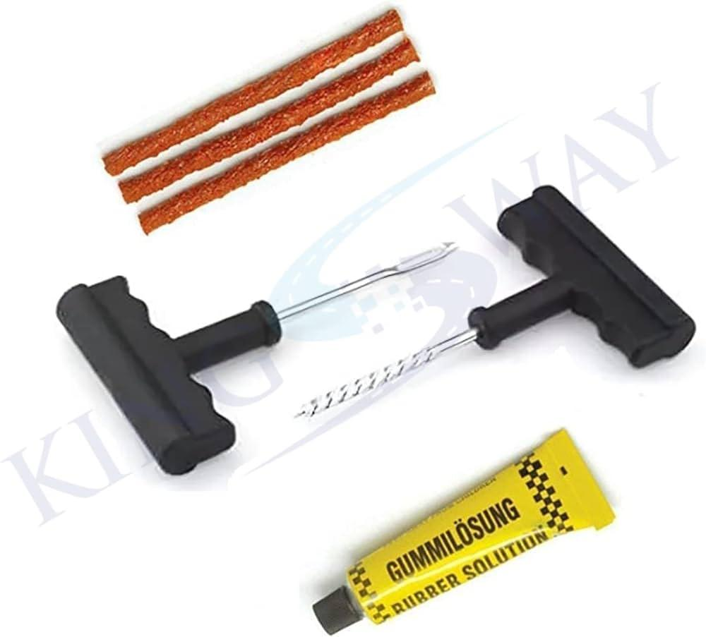
 | Motorcycle Driver | Air filter
 | Motorcycle Driver | Screwdriver |  |  | 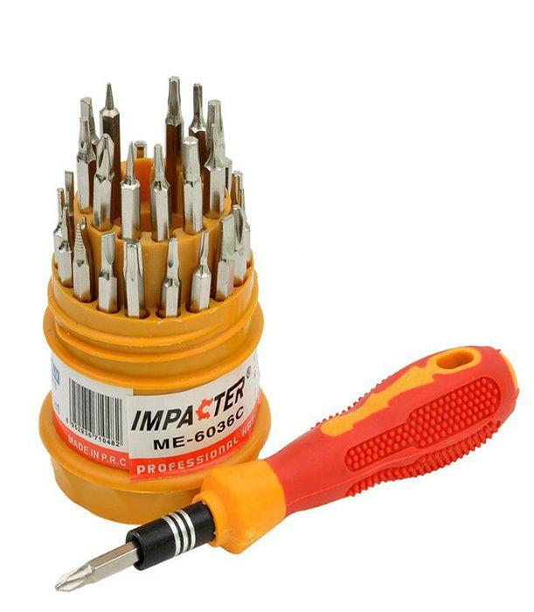
 | Motorcycle Driver | New air filter
 | Motorcycle Driver | Coolant |  |  | 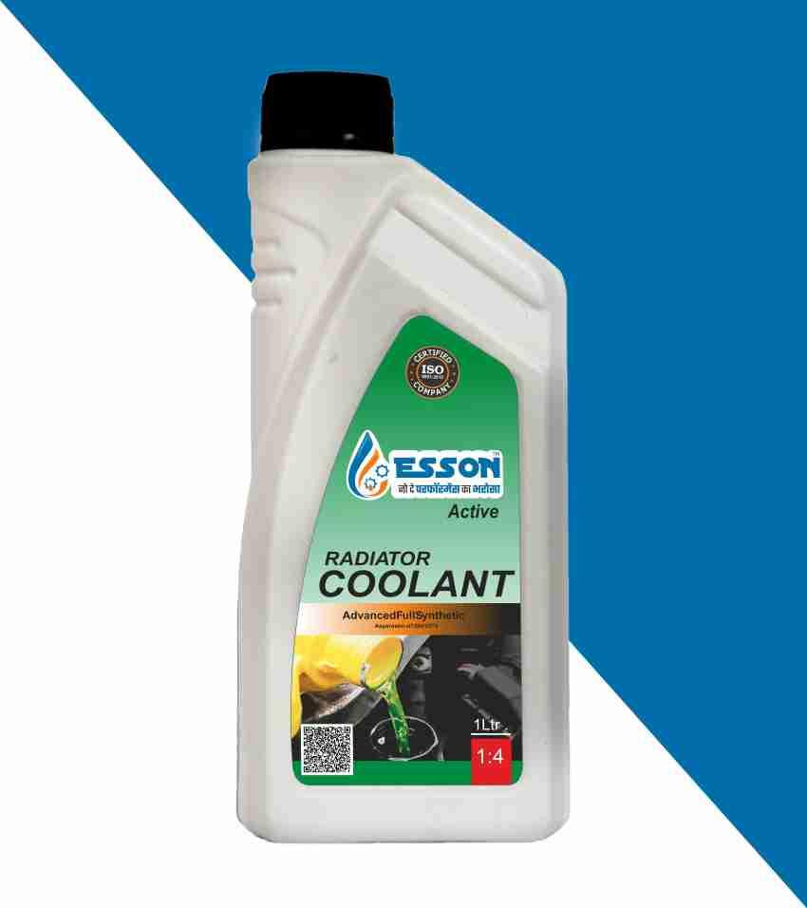
 | Motorcycle Driver | Spark plug socket |  |  | 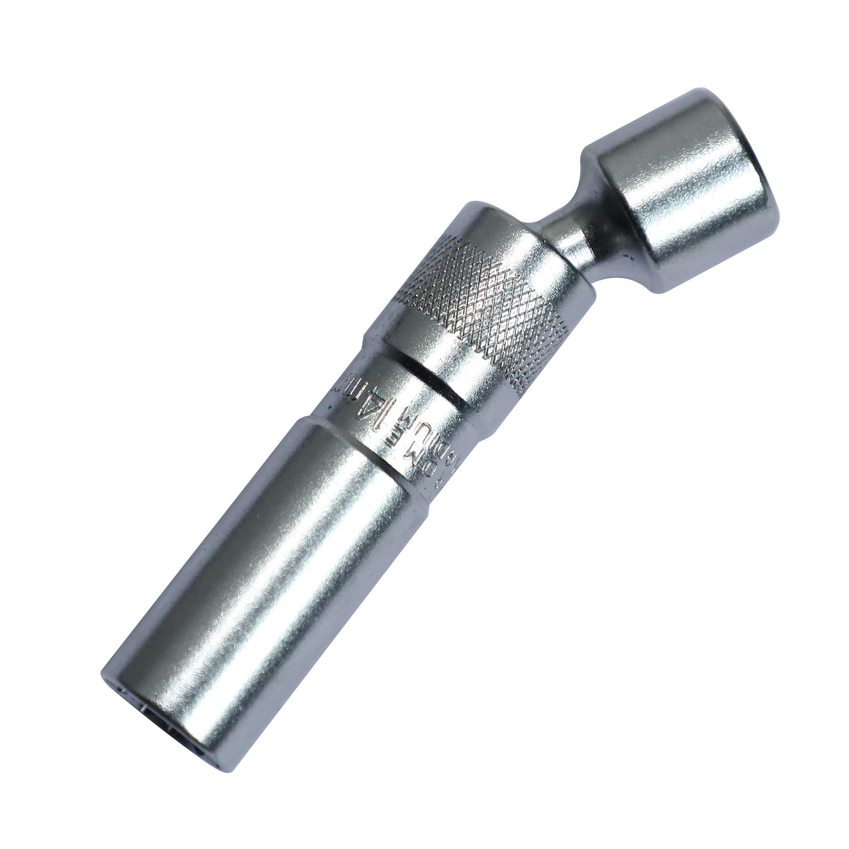
 | Motorcycle Driver | New spark plugs
 | Motorcycle Driver | Feeler gauge
 | Motorcycle Driver | Intercom system
 | Motorcycle Driver | Cones in a figure "8" setup |  |  | 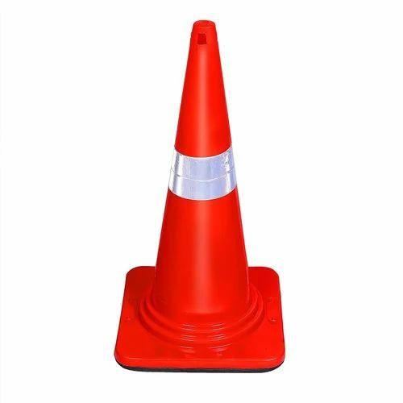
 | Motorcycle Driver | Road for perform
 | Motorcycle Driver | Smartphone or camera |  |  | 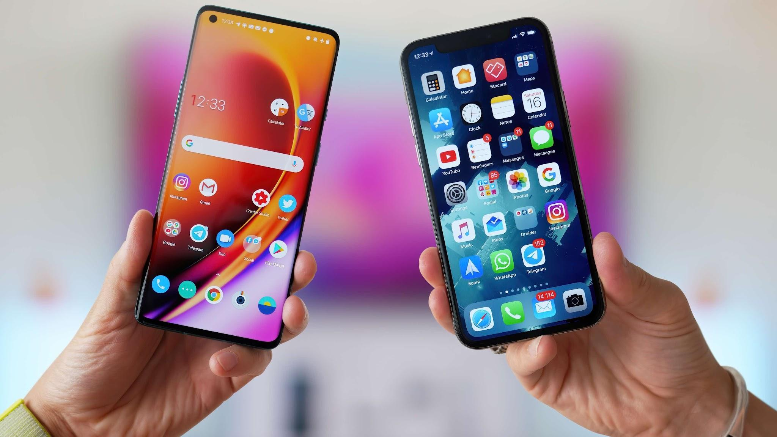
 | Motorcycle Driver | Incident report form
 | Motorcycle Driver | First aid kit |  |  | 
 | Motorcycle Driver | Water bottle
 | Motorcycle Driver | Snacks
 | Motorcycle Driver | Cargo net |  |  | 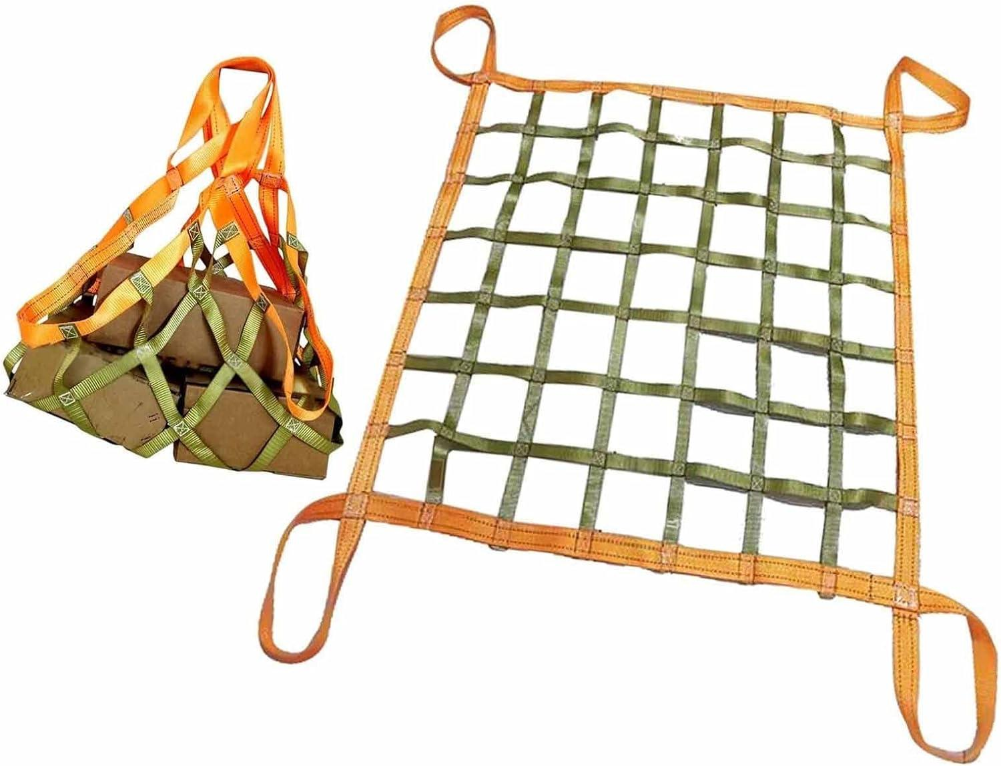
 | Motorcycle Driver | Bungee cords |  |  | 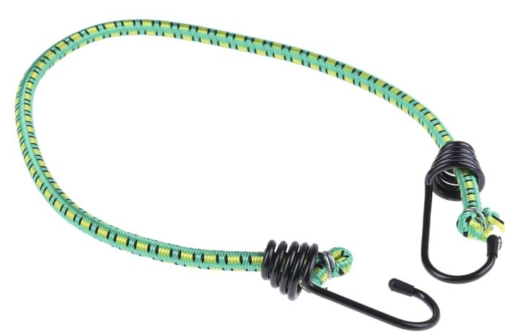
 | Motorcycle Driver | Rubberized Operation Kit (ROK) Straps |  |  | 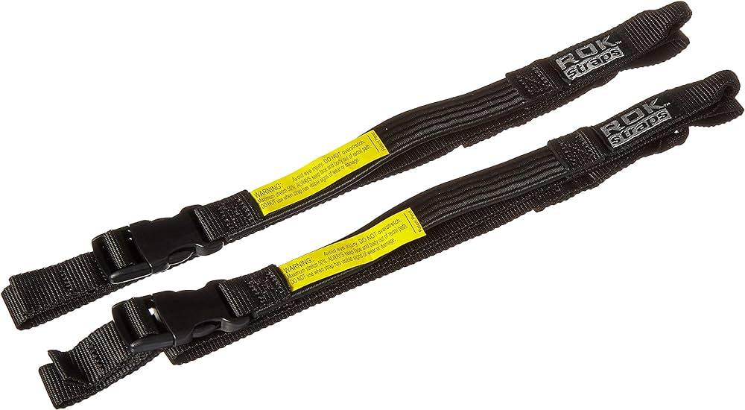
 | Motorcycle Driver | Saddlebags |  |  | 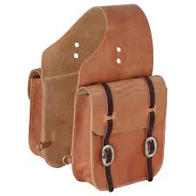
 | Motorcycle Driver | Tank bag |  |  | 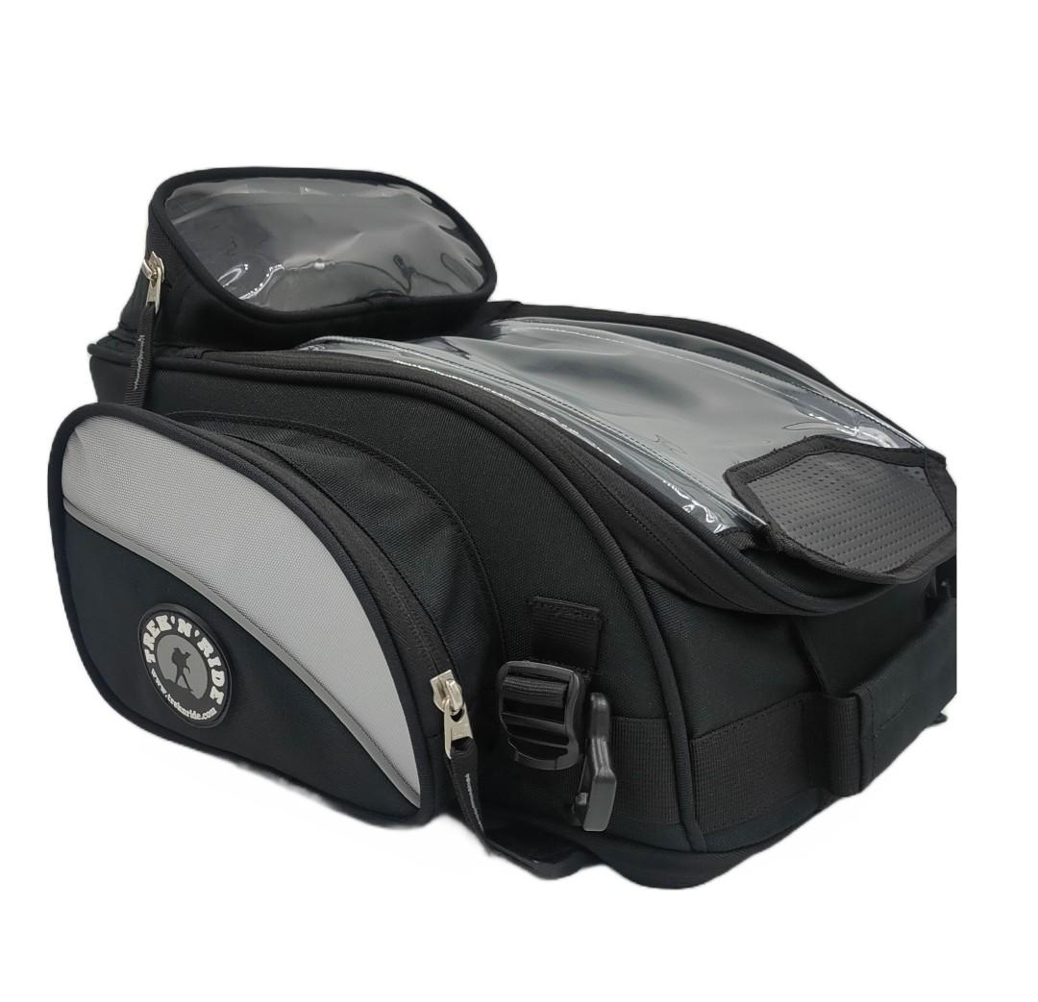
 | Motorcycle Driver | Motorcycle with an attached mobile holder |  |  | 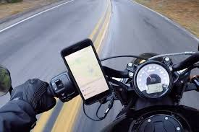
 | Motorcycle Driver | Global Positioning System (GPS) device |  |  | 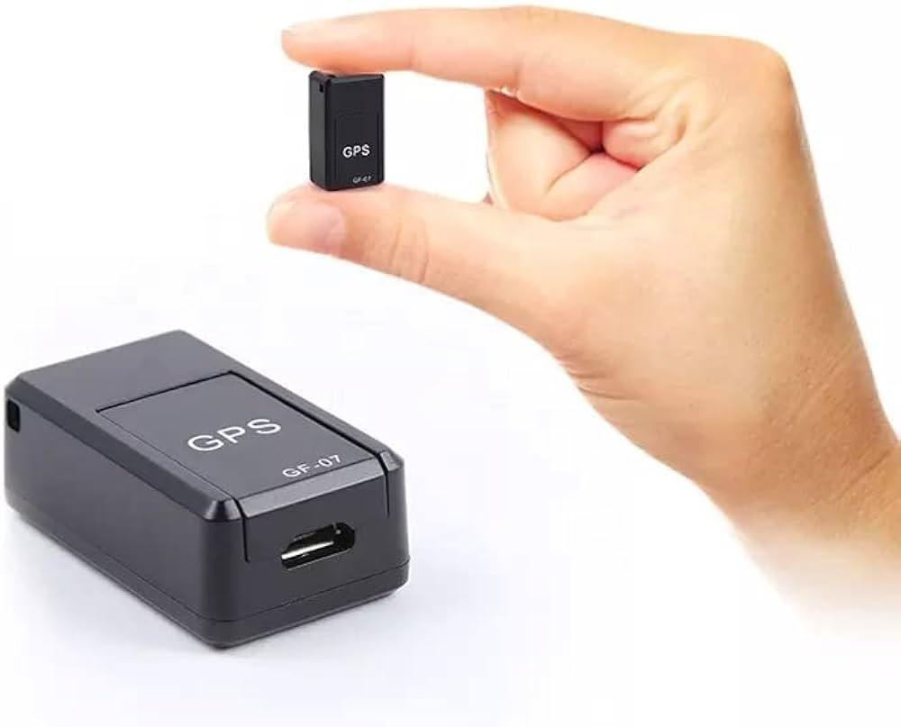
 | Motorcycle Driver | Smartphone with map apps
 | Motorcycle Driver | Smartphone with navigation apps
 | Motorcycle Driver | Map
 | Motorcycle Driver | Side panniers |  |  | 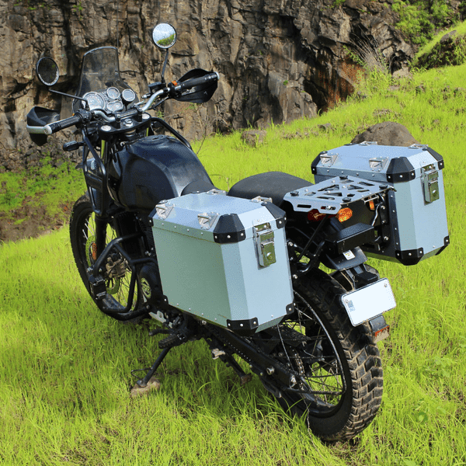
 | Motorcycle Driver | Smartphone
 | Motorcycle Driver | Complaint resolution form
 | Motorcycle Driver | Smartphone with delivery app
 | Motorcycle Driver | Point of sale (POS) device |  |  | 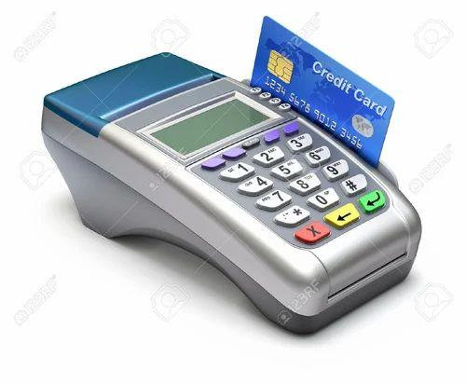
 | Motorcycle Driver | Smartphone with payment app
 | Motorcycle Driver | Delivery attempt notice
 | Motorcycle Driver | Empty parking lot
 | Motorcycle Driver | Gravel road |  |  | 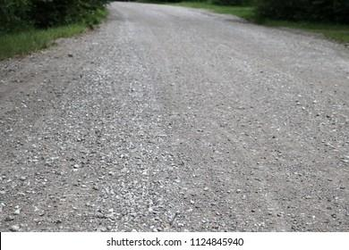
 | Motorcycle Driver | Sandy road
 | Motorcycle Driver | Waterproof gear |  |  | 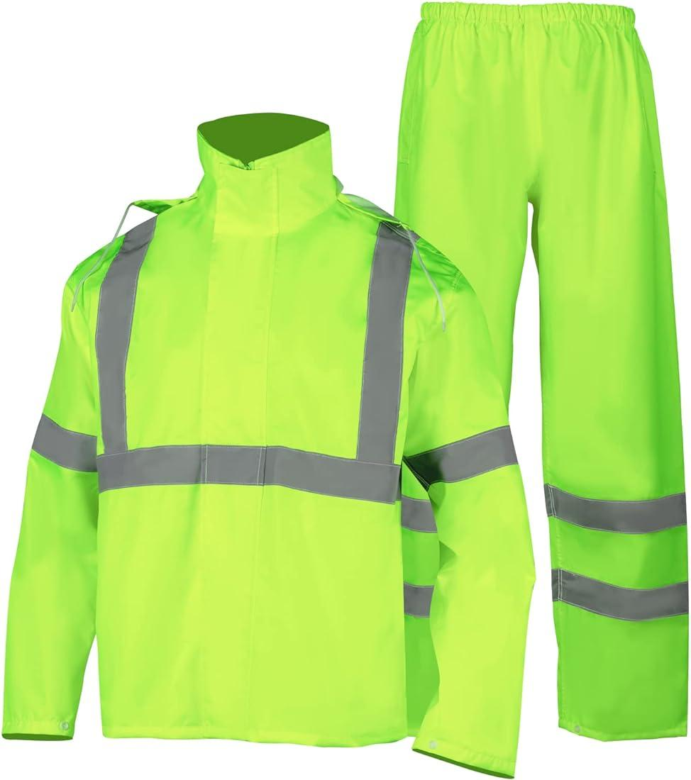
 | Motorcycle Driver | Wet roads with oil spills
 | Motorcycle Driver | Multimeter
 | Motorcycle Driver | Electronic sensor cleaner |  |  | 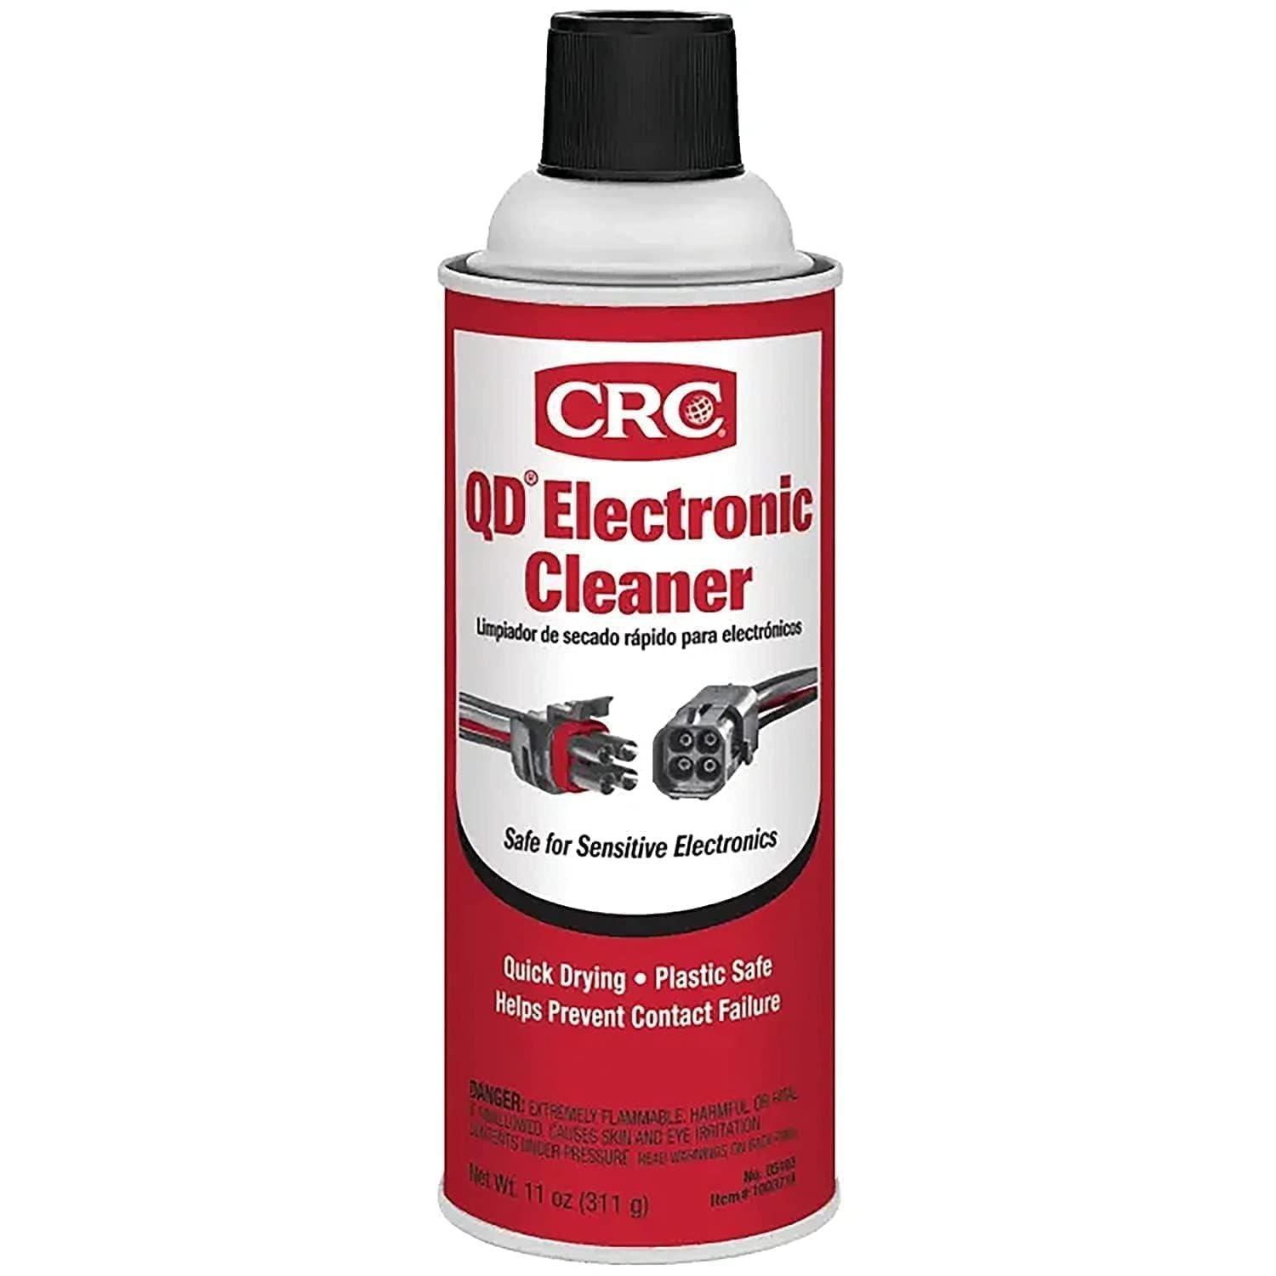
 | Motorcycle Driver | Microfiber towel |  |  | 
 | Motorcycle Driver | Battery tester |  |  | 
 | Motorcycle Driver | Replacement fuses |  |  | 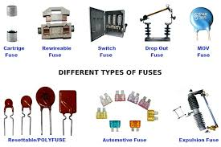
 | Motorcycle Driver | Small brush |  |  | 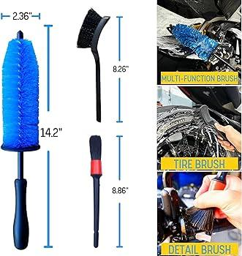
 | Motorcycle Driver | Wiring diagram
 | Motorcycle Driver | Diagnostic tool |  |  | 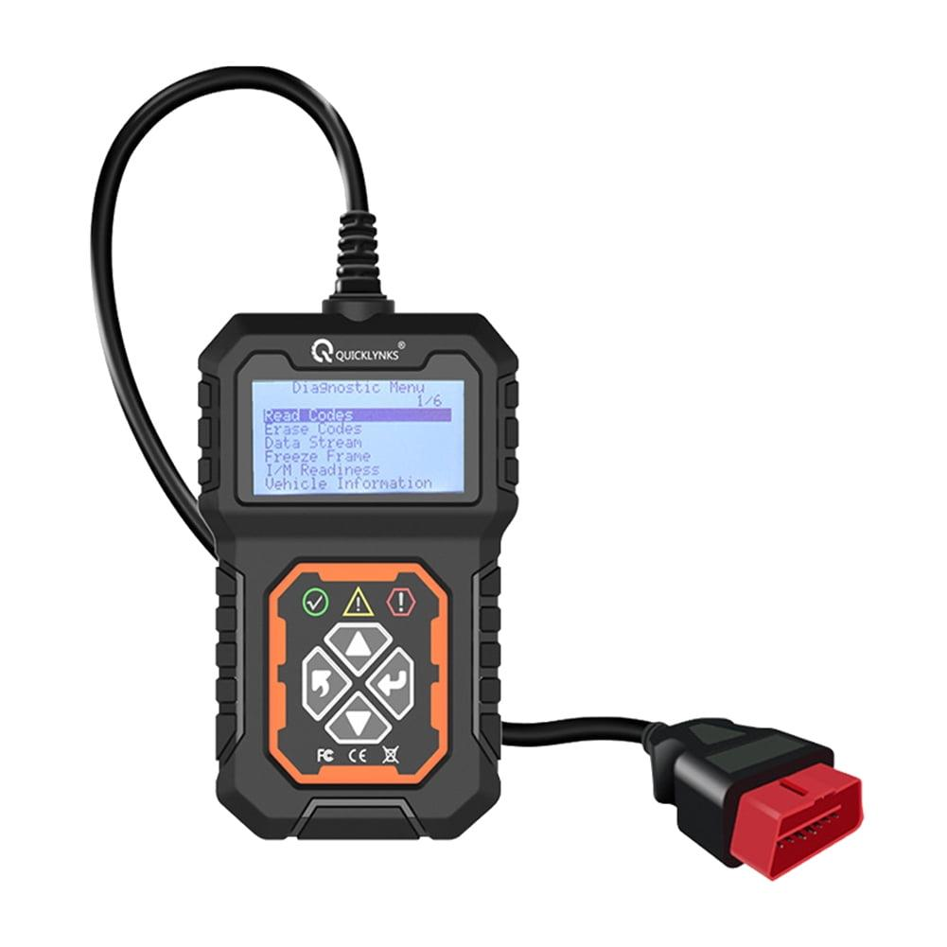
 | Motorcycle Driver | Replacement sensors |  |  | 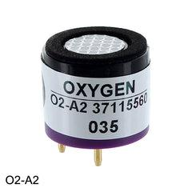
 | Motorcycle Driver | Pump
 | Motorcycle Driver | Brake pads |  |  | 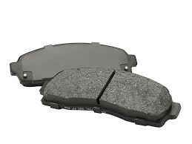
 | Motorcycle Driver | Brake cleaner |  |  | 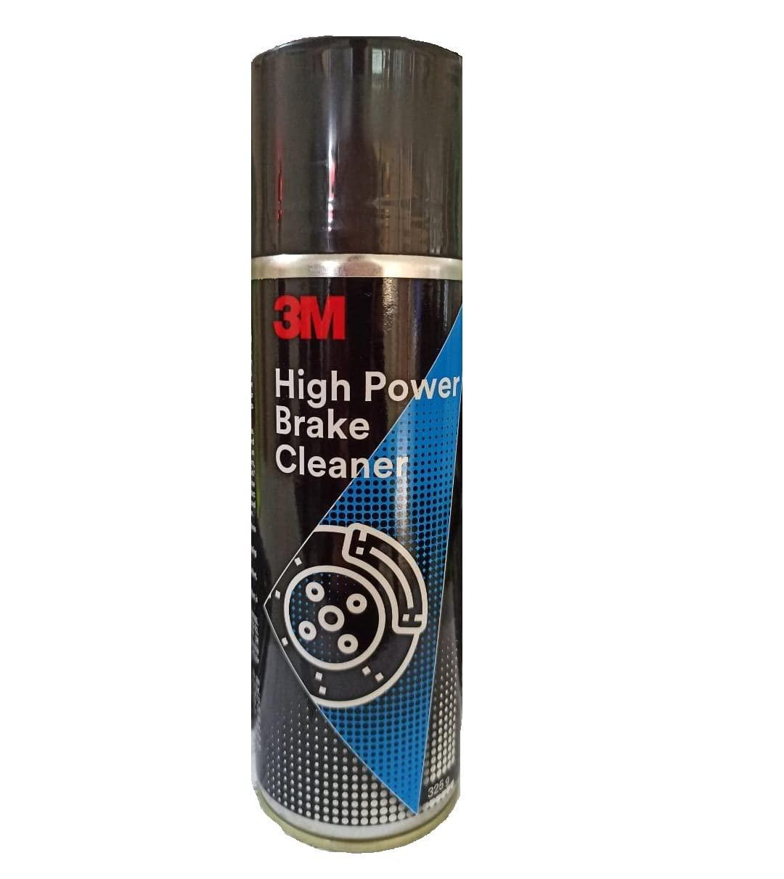
 | Motorcycle Driver | Packing materials (bubble wrap, packing peanuts) |  |  | 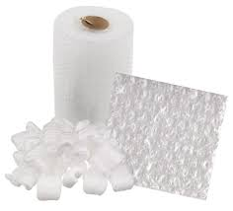
 | Motorcycle Driver | Thermal bags |  |  | 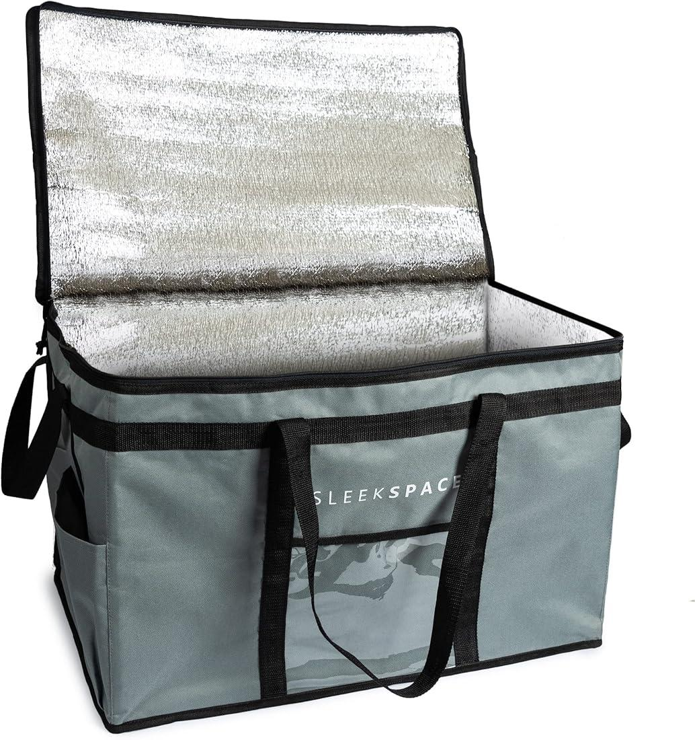
 | Motorcycle Driver | Ice packs |  |  | 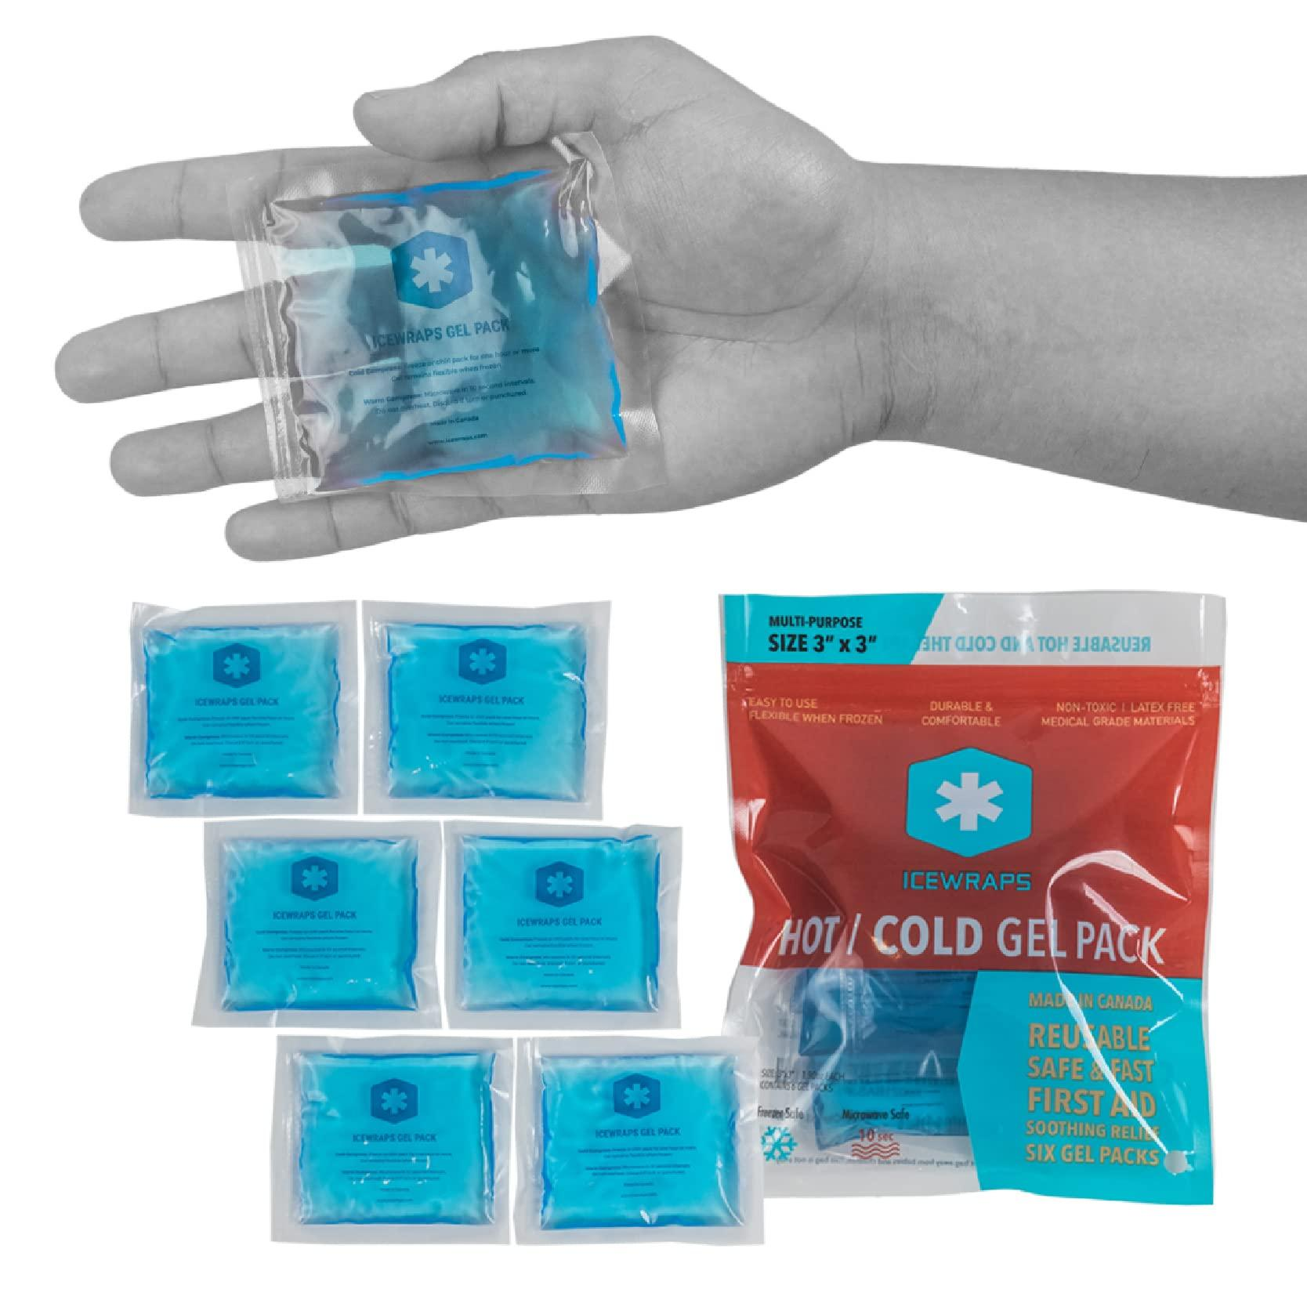
 | Motorcycle Driver | Delivery boxes |  |  | 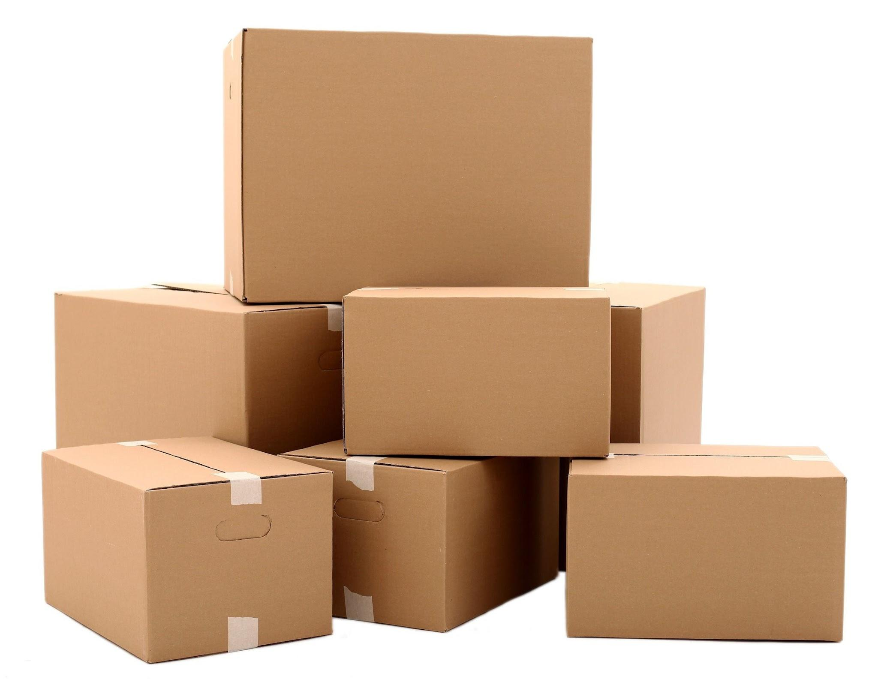
 | Motorcycle Driver | Padding materials for packing

