Office_facilities worker
 |  | Occupation - Office and facilities cleaning worker
 |  | Tools/Equipment/Material list
S No | Tools/Equipment/Material Name | Image | Availibility | Real Images
1 | PPE - Nitrile gloves, Mask, safety goggles, Face shield | 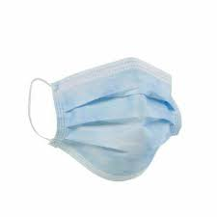 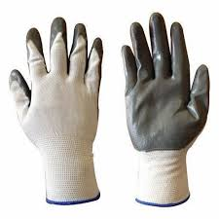 | Yes | 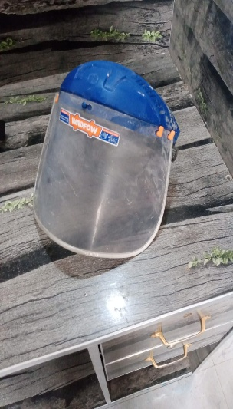 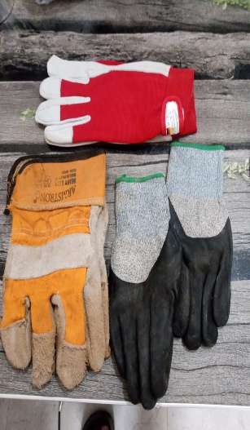 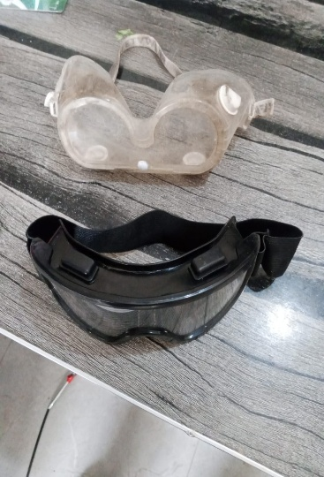 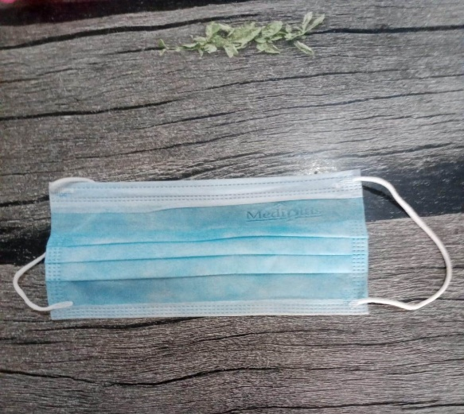
2 | PPE - Microfiber gloves, hard hat | 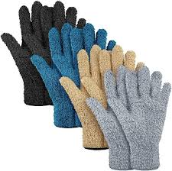  | Yes | 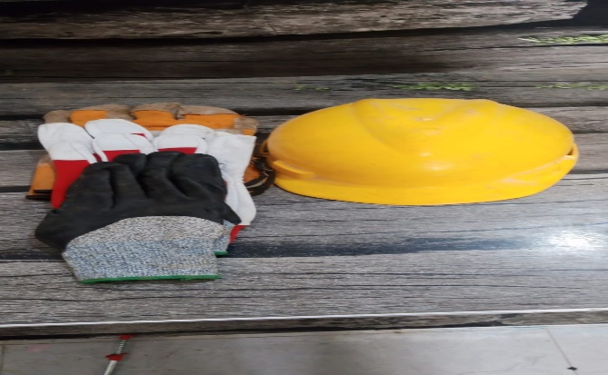
3 | First-aid kit which includes Antiseptic wipes, Sterile bandages, Adhesive Bandages | 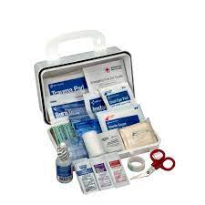 | Yes | 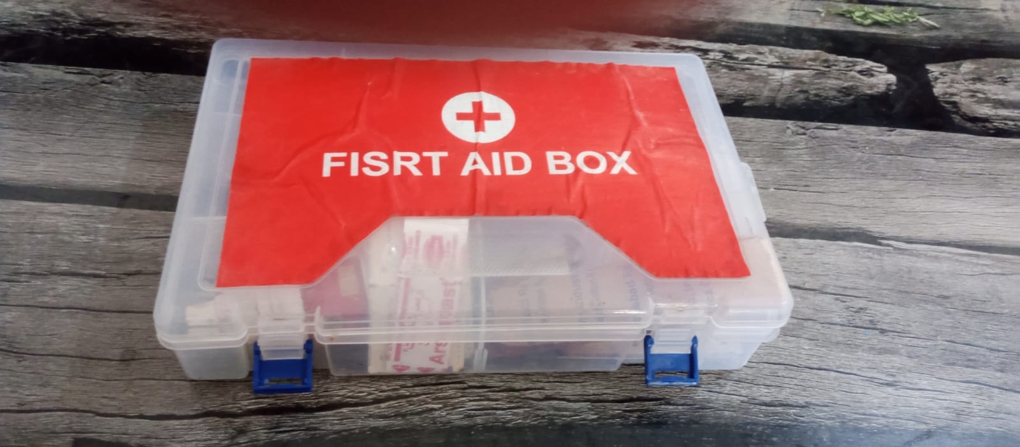
4 | Microfiber window glass cleaning cloths | 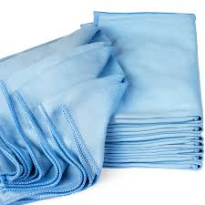 | Yes | 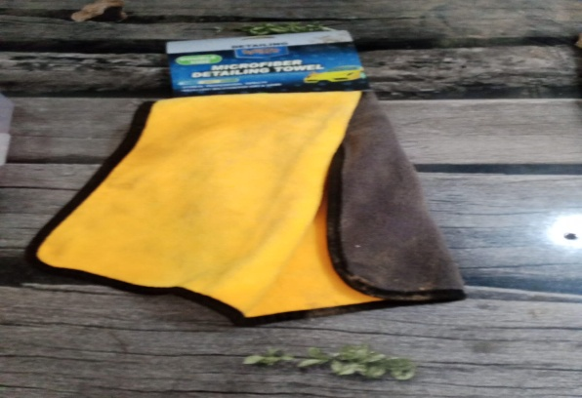
5 | Microfiber dusting cloth | 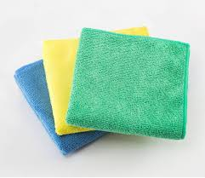 | Yes | 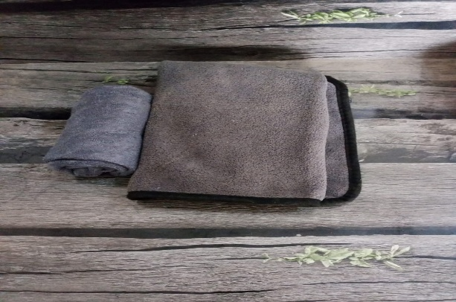
6 | Anti-static dusting cloth | 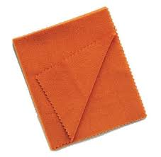 | Yes | 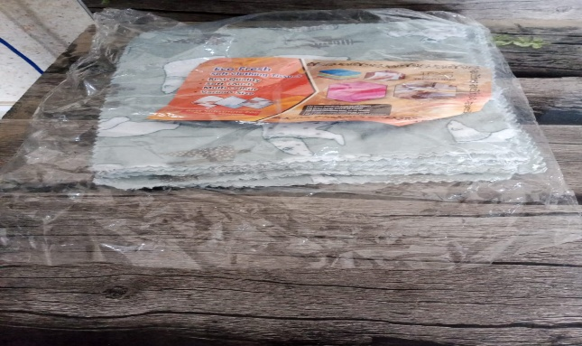
7 | Lint-free cloth, Lint-free towel |   | Yes | 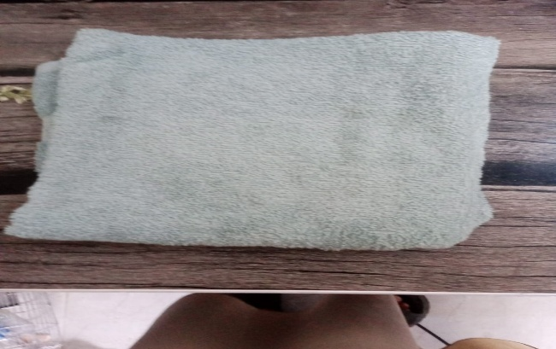
8 | Dustpan with brush | 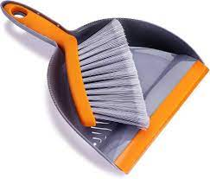 | Yes | 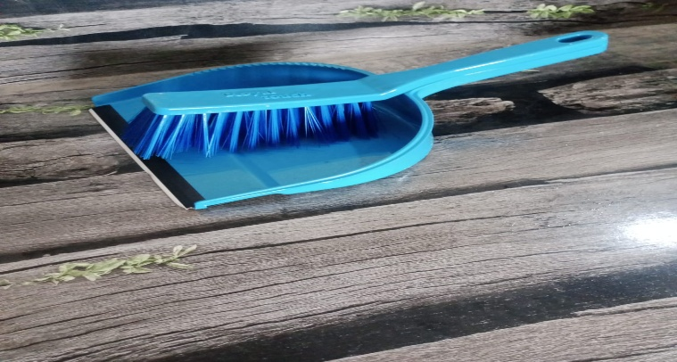
9 | Dustpan with long handle | 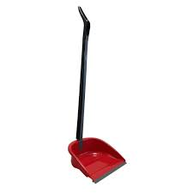 | Yes | 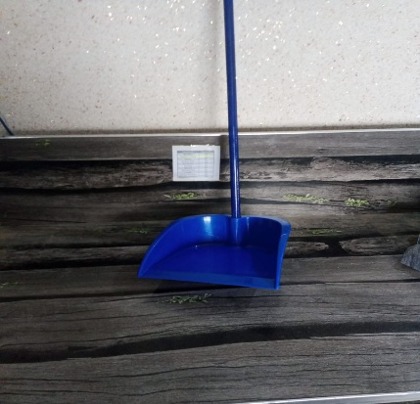
10 | Flat mop and tube mop with microfiber head | 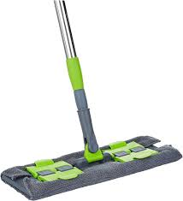 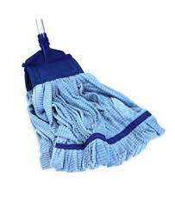 | Yes | 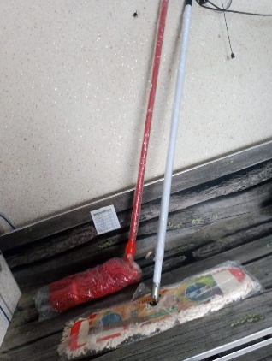
11 | Cotton string mop | 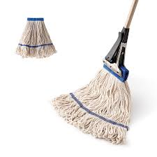 | Yes | 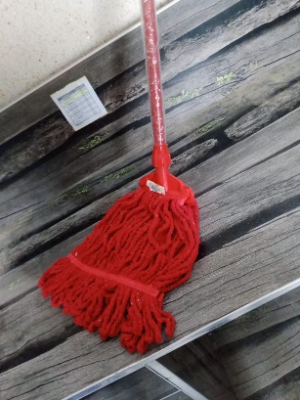
12 | Sponge mop with wringer mechanism | 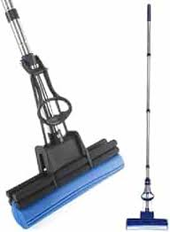 | Yes | 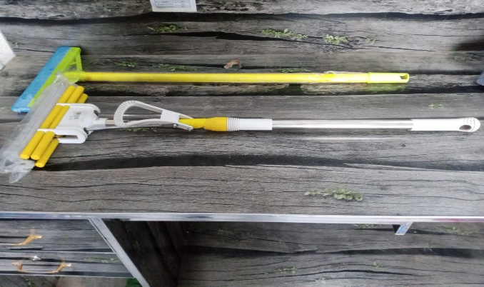
13 | Neutral pH floor cleaner/Bathroom floor cleaner | 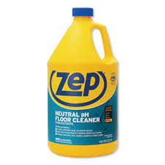 | Yes | 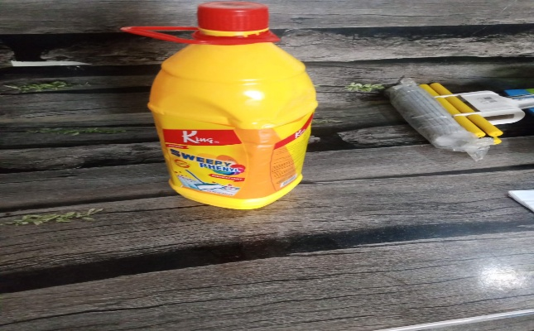
14 | Mop bucket with wringer | 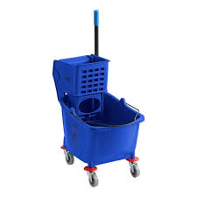 | Yes | 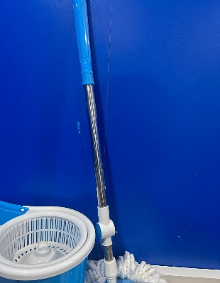 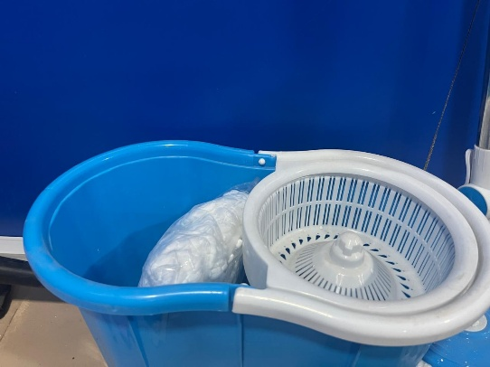
15 | Mop wringer | 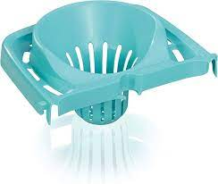 | Yes | 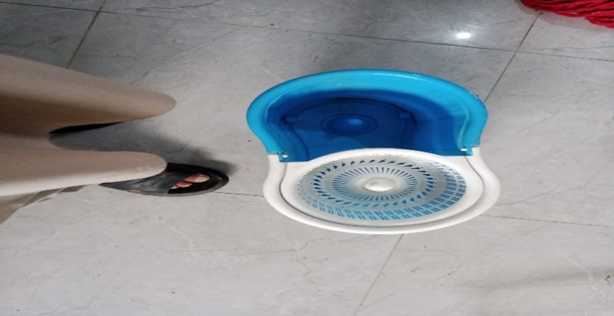
16 | Walk-behind or ride-on floor scrubber with squeegee | 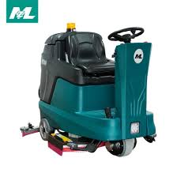 | Yes | 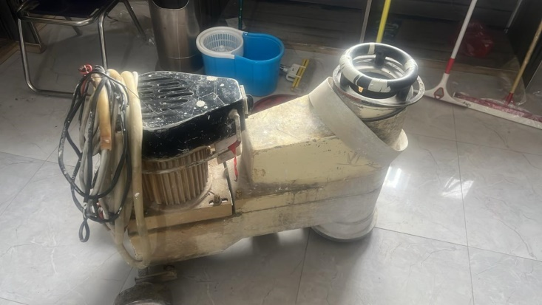
17 | Pressure washer | 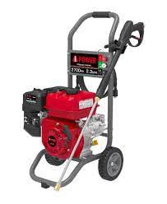 | Yes | 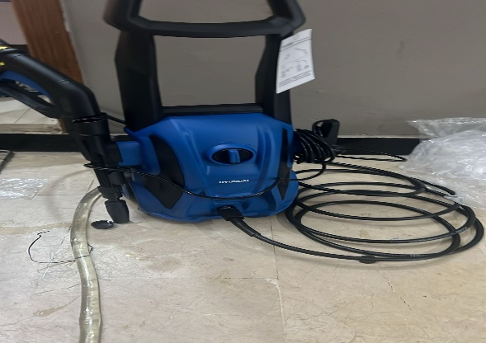
18 | Appropriate pads for scrubber | 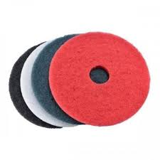 | Yes | 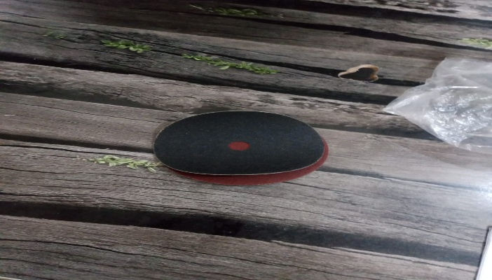
19 | Pre-sweeper or broom | 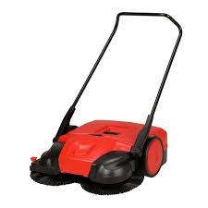 | Yes | 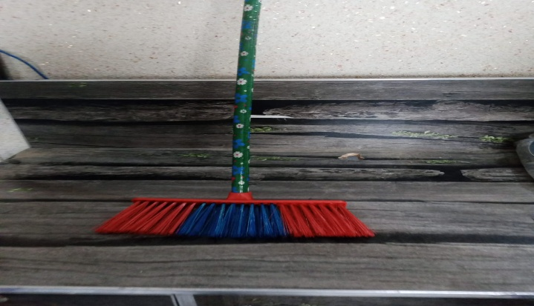
20 | Upright commercial vacuum cleaner with HEPA filter | 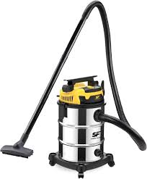 | Yes | 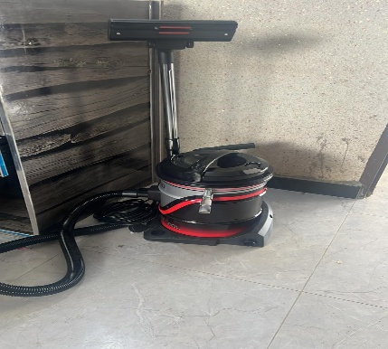
21 | Vacuum cleaner with upholstery attachment | 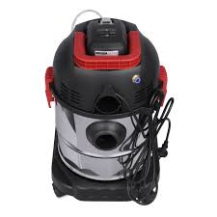 | Yes | 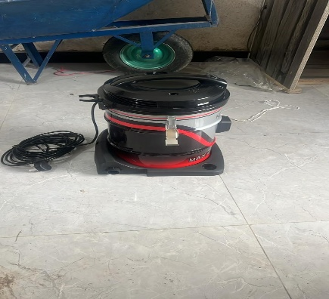
22 | Refrigerator | 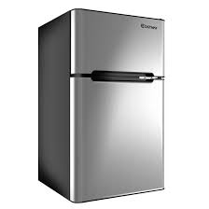 | Yes | 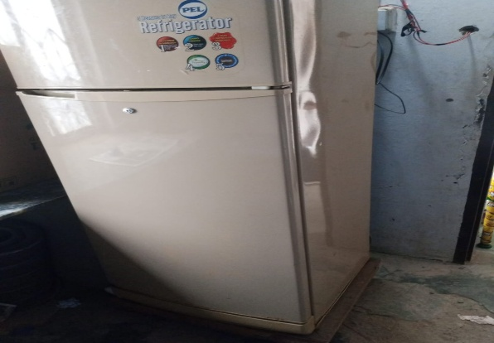
23 | Floor buffer machine with pad | 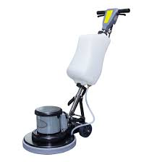 | Yes | 
24 | Neutral floor polish |  | Yes | 
25 | Spray bottle with glass cleaner |  | Yes | 
26 | Floor Squeegee |  | Yes | 
27 | Step stool |  | Yes | 
28 | Disinfectant spray |  | Yes | 
29 | Ladder or mobile scaffold |   | Yes | 
30 | Vertical blinds cleaning brush |  | Yes | 
31 | Extendable microfiber duster, dusting brush |   | Yes | 
32 | Soft-bristled brush |  | Yes | 
33 | Toilet brush |  | Yes | 
34 | Wire brush or grout-cleaning tool |  | Yes | 
35 | Stiff-bristled scrubbing brush |  | Yes | 
36 | Floor drain brush |  | Yes | 
37 | Compressed air canister |  | Yes | 
38 | Computer-safe electronics cleaner |  | Yes | 
39 | Screen-safe electronic cleaner spray |  | Yes | 
40 | Disposable cleaning cloths |  | Yes | 
41 | Labeled puncture-resistant sharps container or thick cardboard box |  | Yes | 
42 | Degreaser |  | Yes | 
43 | Non-abrasive sponge |  | Yes | 
44 | Soft sponge |  | Yes | 
45 | Baking soda and white vinegar |  | Yes | 
46 | Acid-based drain cleaner powder (e.g., caustic soda) |  | Yes | 
47 | Measuring spoon |  | Yes | 
48 | Tester |  | Yes | 
49 | Insulated screwdriver |  | Yes | 
50 | Flashlight |  | Yes | 
51 | Inspection flashlight |  | Yes |  
52 | Extension cord |  | Yes | 
53 | Replacement bulb |  | Yes
54 | Wrench set |  | Yes | 
55 | Adjustable wrench |  | Yes | 
56 | Lubricant oil |  | Yes | 
57 | High-pressure hose |  | Yes | 
58 | Cable ties |  | Yes | 
59 | Adhesive cable clips |  | Yes | 
60 | Wire sleeves |  | Yes | 
61 | Wire trunking channels |  | Yes | 
62 | Scissors, Measuring tape |  | Yes
63 | Screwdriver set |  | Yes | 
64 | Small tool kit |  | Yes | 
65 | Carpet stretcher |  | Yes | 
66 | Carpet adhesive |  | Yes | 
67 | Clean Carpet roll |  | Yes | 
68 | Mild carpet spot cleaner |  | Yes | 
69 | Color-coded bins |  | Yes | 
70 | Color-coded bin liners |  | Yes | 
71 | Waste collection trolley |  | Yes | 
72 | Designated e-waste bin or container with label |  | Yes | 
73 | Waste segregation bins |  | Yes | 
74 | Signage for restricted waste |  | Yes | 
75 | Bathroom-grade tile and grout cleaner |  | Yes |  
76 | Tile cleaner with descaling agent |  | Yes | 
77 | Plunger |  | Yes | 
78 | Replacement wax ring |  | Yes | 
79 | Toilet Drain snake |  | Yes | 
80 | Insect traps or glue boards |  | Yes | 
81 | Sticky cockroach trap |  | Yes | 
82 | Sealant or caulk |  | Yes | 
83 | Caulking gun |  | Yes | 
84 | Mild pest repellent spray |  | Yes | 
85 | Preservation sealing tape |  | Yes | 
86 | Hand sanitizer |  | Yes | 
87 | Wood surface cleaner |  | Yes
88 | Borate-based wood preservative solution |  | Yes | 
89 | Spray applicator or brush to apply wood preservative |  | Yes |  
90 | Watering can with a narrow spout |  | Yes | 
91 | Mild liquid fertilizer for indoor plants |  | Yes | 
92 | Stainless steel elevator wall cleaner |  | Yes
93 | ‘Lift Out of Service’ signage |  | Yes | 
94 | Communication device (e.g., two-way radio) |  | Yes | 
95 | Plastic scoop or trowel |   | Yes | 
96 | Kettle or pot for boiling water |  | Yes | 
97 | Whiteboard eraser |  | Yes
98 | Whiteboard cleaning solution or isopropyl alcohol |  | Yes | 
99 | Rat trap cage |  | Yes | 
100 | Bait (e.g., peanut butter or dried fruit) |  | Yes | 
101 | Zip-lock bag |  | Yes | 
102 | Fabric-safe deodorizing spray |  | Yes | 
103 | Activated charcoal odor absorber bags |  | Yes | 
104 | Enzymatic restroom cleaner |  | Yes | 
105 | Scented urinal screens |  | Yes | 
106 | Automatic air freshener dispenser with refill |   | Yes | 
107 | Absorbent floor mats |  | Yes | 
108 | Bucket with clean water |  | Yes |  
109 | Storage shelves or designated cleaning supply area |  | Yes |  
110 | Janitor’s closet or cleaning supply room |  | Yes |   
111 | Documents - Waste segregation chart, Inventory logbook or disposal form, disposal tracking form |  | Yes |  
112 | Cleaning agents - Mild detergent solution, All purpose cleaner, Mild all purpose cleaner spray, Isopropyl alcohol (70%) solution, Toilet bowl cleaner with disinfectant, Cleaning detergent, sanitizing solution, Mild non-abrasive cleaning solution, Heavy duty floor cleaner, Mild soap solution |  | Yes |   

