PW Lab
 |  | Occupation - Packaging Worker
 |  | Tools/Equipment/Material list
S No | Tools/Equipment/Material Name | Image
1 | PPE - N-95 mask, Disposable dust mask, Hard hat | 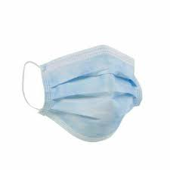 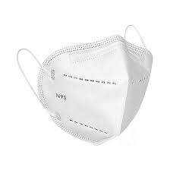
2 | PPE - Disposable nitrile gloves, Cut resistant nitrile gloves |  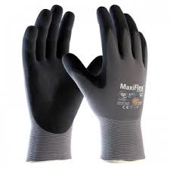
3 | Chemical resistant nitrile gloves | 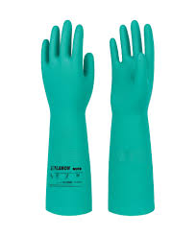
4 | PPE - High visibility vest | 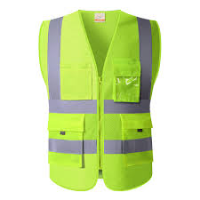
5 | Reflective rain jacket, Raincoat
6 | PPE - Safety goggles | 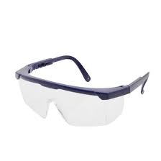
7 | Slip-resistant shoes | 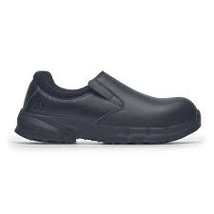
8 | Canvas Apron, disposable apron (Polyethylene) |  
9 | Long sleeved apron | 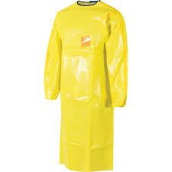
10 | Barcode scanner | 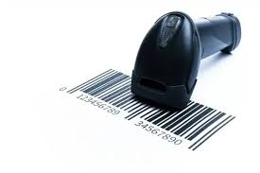
11 | BOPP Packaging tape | 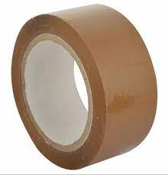
12 | Shipping labels | 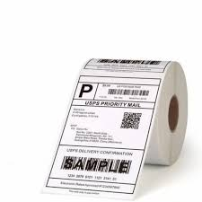
13 | Clip board with pen holder | 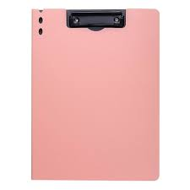
14 | Tape dispenser | 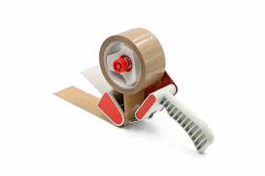
15 | Box cutter, Cutter blade | 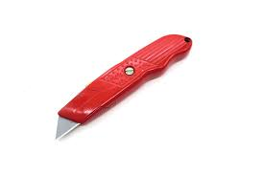 
16 | Corrugated boxes of different sizes | 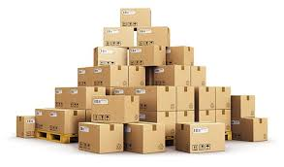
17 | Double walled corrugated outer boxes, Tripple walled corrugated outer boxes | 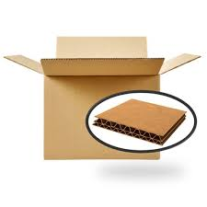
18 | Electronics packaging box | 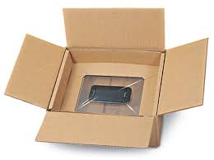
19 | Flame-retardant boxes | 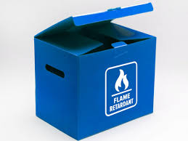
20 | Rigid United Nations (UN)-certified outer container meeting Packing Group II performance. | 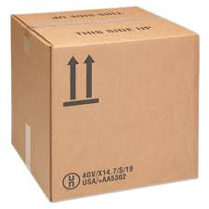
21 | Insulated boxes | 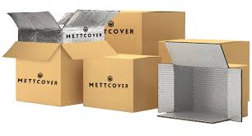
22 | Insulated box liners | 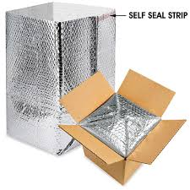
23 | Corrugated fiberboard boxes | 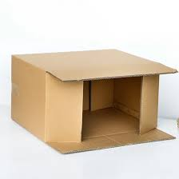
24 | Master carton (60x40x40 cm), Stock Keeping Unit (SKU) boxes (12x8x4 cm and 10x10x10 cm)
25 | Inner carton, outer carton (at least 15 cm larger), Damaged cartons
26 | Glue gun | 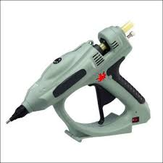
27 | Bubble wrap, Anti-static bubble wrap | 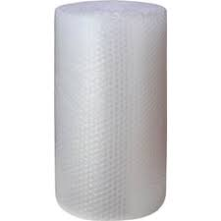 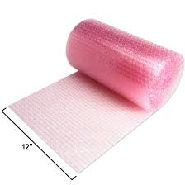
28 | Foam sheet roll | 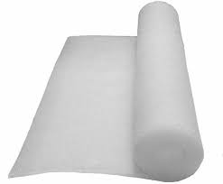
29 | Manual strapping tool | 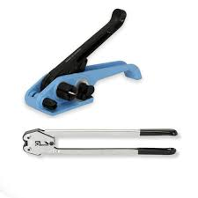
30 | Polypropylene strap roll, Polypropylene strap roll for semi-automatoc strapping machine | 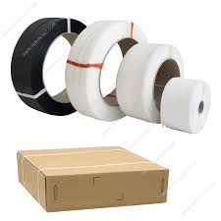 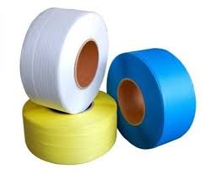
31 | Double-sided tape | 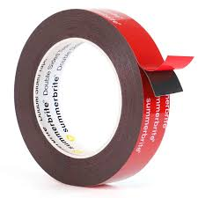
32 | Corrugated dividers | 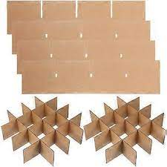
33 | Semi-automatic Strapping machine | 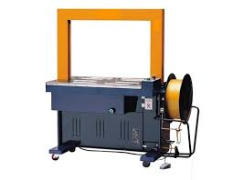
34 | Hand-held strapping machine | 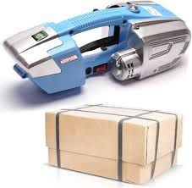
35 | Edge protector | 
36 | Wooden pallet | 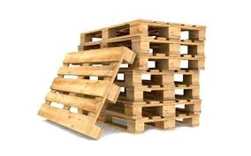
37 | Shrink wrap roll | 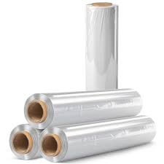
38 | Hand-held heat gun | 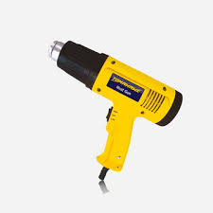
39 | Pallet stretch wrapping machine (Turn table type) | 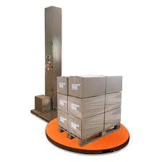
40 | LLDPE stretch film roll | 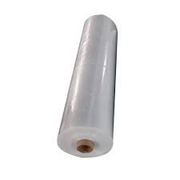
41 | Anti-static ESD wrist strap | 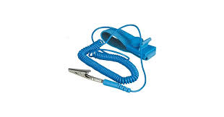
42 | anti-static (ESD) inspection mat | 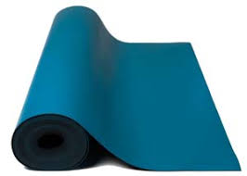
43 | Hand-held magnifier | 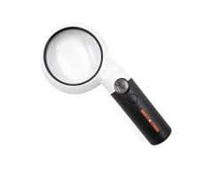
44 | Foam net sleeves | 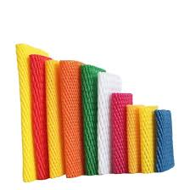
45 | Ice-pack sleeves | 
46 | Foam filler/Foam-in-place filler |  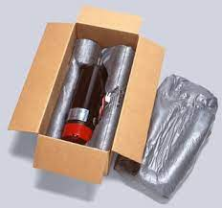
47 | Food grade liners | 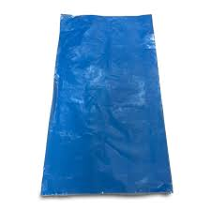 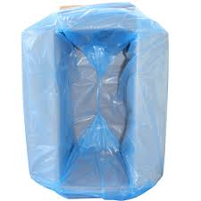
48 | Anti-static box liner | 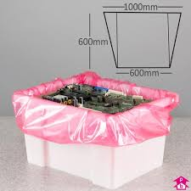
49 | Moisture resistant liners | 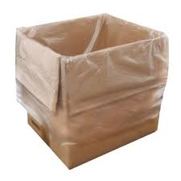
50 | Food grade polyethylene sleeve packaging | 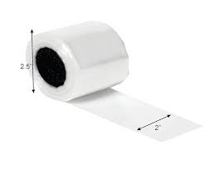
51 | Cardboard food tray | 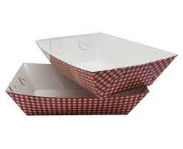
52 | Tamper-evident tape | 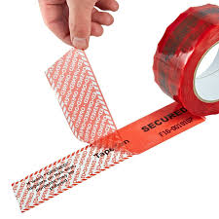
53 | LLDP Leak-proof pouches | 
54 | Absorbant liner roll |  
55 | Spill absorbant pads and rolls |  
56 | Packing foam peanuts | 
57 | Fragile label, "This side up" label, "handle with care" label, "Caution - Heavy" label | 
58 | “Caution - Sensitive Electronics" sign, Caution "Do not stack" label |  
59 | "United Nations (UN) approved packaging for dangerous goods" label | 
60 | "Hazardous material" caution label, Corrosive material caution lebel, "Flammable" label | 
61 | Foam inserts | 
62 | Honeycomb paper wrap | 
63 | Kraft mailer box | 
64 | Kraft paper filler |  
65 | Stock Keeping Unit (SKU) labels | 
66 | Barcode printer | 
67 | Void fillers - Kraft paper/shredded paper/foam sheet/packing peanuts/air pillows
68 | Reinforced tape | 
69 | United Nations (UN)-certified drums | 
70 | UN approved spec plastic inner pack | 
71 | Polyethylene liners for drum |  
72 | Zip ties | 
73 | Non-conductive cushion pad (silicon) | 
74 | Lithium battery label, Class 9 hazard label |  
75 | "Cargo aircraft only" label | 
76 | Semi-automatic L-bar shrink-wrap machine | 
77 | Center-fold shrink film roll | 
78 | Impulse sealer | 
79 | Automatic stretch-wrap turntable machine | 
80 | Linear Low-Density Polyethylene (LLDPE) stretch film reel
81 | Semi-automatic tape sealing machine | 
82 | Semi-automatic bagging and sealing machine | 
83 | Compresses air duster | 
84 | Lubricat spray | 
85 | Soft-bristle cleaning brush | 
86 | Cleaning wipes | 
87 | Caliberation weights | 
88 | Microfiber cloth, Lint-free cloth | 
89 | Inspection mirror | 
90 | Thermometer IR/ Thermometer gun | 
91 | Nylon rope | 
92 | Stock bins for keeping packaging material | 
93 | Cold packs | 
94 | Label printer | 
95 | Isopropyl spray | 
96 | Ventilated plastic crates | 
97 | ventilated wooden crate | 
98 | Molded pulp tray | 
99 | Strap coil | 
100 | Mesh bags | 
101 | Torque tester | 
102 | Pen, Marker pans, scissor
103 | Material to be packaged - Heavy bundles product for packaging, Cosmetics sample kits, Loaded pallet of boxed goods, Packaged printed books, Full pallet of canned beverages, Pre-packed circuit boards, Fragile ceramic vases, Meal kits for refrigerated delivery, Bottled liquid detergent, boxed electonic gadgets, Pre-boxed light bulbs, Boxed glass pefume bottles, 10 units of Stock Keeping Unit (SKU) A1 (USB wall charger) and 5 units of Stock Keeping Unit (SKU) B2 (Bluetooth earphones), fragile ceramic figurine, Heavy glass vase, fragile electronic Printed Circuit Board (PCB), Corrosive liquid canisters, Aerosol spray cans, Standalone lithium‑ion battery packs (United Nations (UN) 3480), Full pallet load of boxed goods, Packed flammable items and packed food items, Strawberries for refrigerated transport, Mangoes for export shipment, Fresh leafy greens for regional delivery
104 | Cleaning chemicals - Surface disinfectant spray
105 | Documents - Packing list, E-commerce orders, Inspection checklist, Packing checklist sheet, Manufacturer checklist, Pre‑use inspection log, Cleaning checklist, Adjustment log form, Packing spec sheet, Damage report form, inventory check of packing supplies (e.g., boxes, tape rolls, bubble wrap, void fill, Manual count sheets, Hazardous spill report, Weight log sheet, Temperature data logger, Package retun form
106 | Broom, Dustpan, Garbage bin
107 | Waste segregation bins labeled for cardboard, plastic wrap, damaged packaging | 
108 | Waster disposal bags | 
109 | Sealed waste bin, Puncture proof sharps container for glass pieces |  
110 | Caution - Wet floor signage | 
111 | Acid spill kit | 
112 | Hazardous spill absorbent pads | 
113 | Acid neutralizing agent | 
114 | Hazardous waste drum | 
115 | Vacuum cleaner | 
116 | Isolation cart | 
117 | Weighing scale | 
118 | Bench scale with label printer | 

