Sheet2
 |  | Occupation - Packing the Shelves Worker
 |  | Tools/Equipment/Material list
S No | Tools/Equipment/Material Name | Image
1 | PPE - N-95 mask, Disposable dust mask | 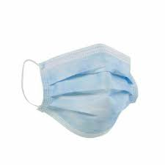 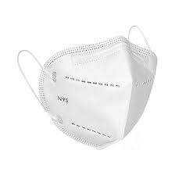
2 | PPE - Disposable nitrile gloves, | 
3 | Canvas/leather Apron, disposable apron (Polyethylene) | 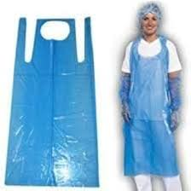 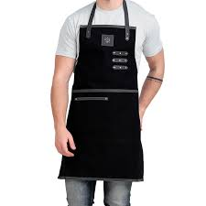
4 | High visibility jacket | 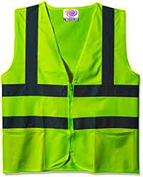
5 | Slip-resistant shoes | 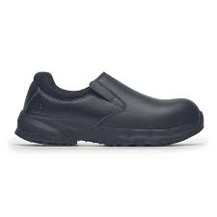
6 | Elbow and knee guard | 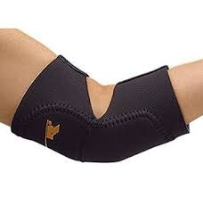
7 | Barcode scanner | 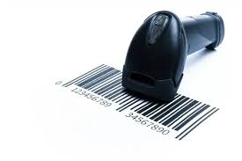
9 | Heavy duty platform trolley | 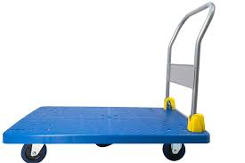
10 | Cage trolley | 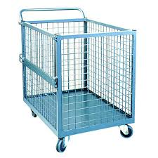
11 | Cage trolley (mesh‑sided roll container) rated for crate loads. | 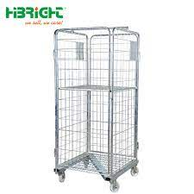
12 | Cooler trolley Dolly | 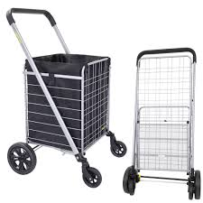
13 | Retail trolly for replenishing products on different aisles | 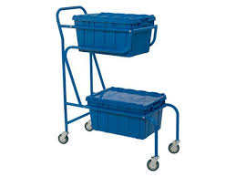
14 | Shelf labels, Price tag rolls | 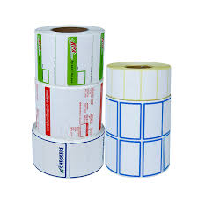 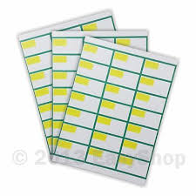
15 | Insulated or cold‑rated platform trolley or Insulated container to carry on platform trolley | 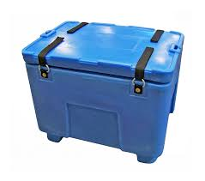
16 | Clipboard and pen | 
17 | Handheld tablet | 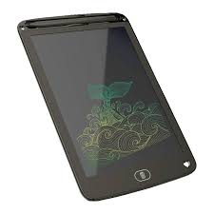
18 | Sorting table | 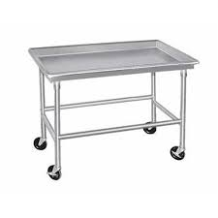
19 | Retail display pallet | 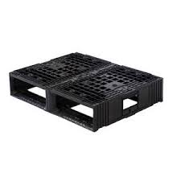
20 | Hand pallet truck | 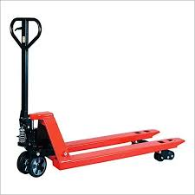
21 | Shelf edge pricing labels, Shelf tags
22 | Shelf edge label holder | 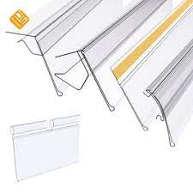
23 | Temperature data logger | 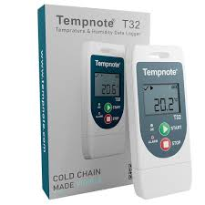
24 | Temperature probe | 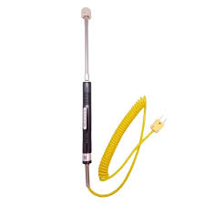
25 | Hand-held thermometer gun | 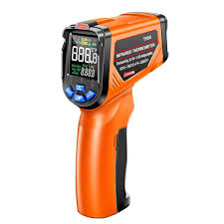
26 | Male mannequin, Detachable male mannequin | 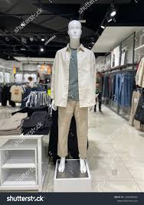
27 | Step stool | 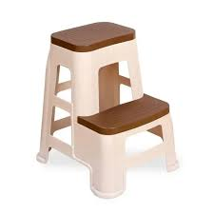
28 | Lint roller | 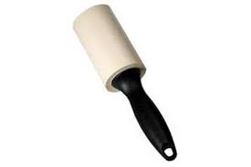
29 | Decorative elements (banners, balloons, ribbons)
30 | Label printer | 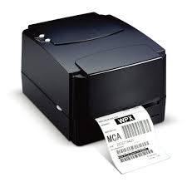
31 | Label printer roll | 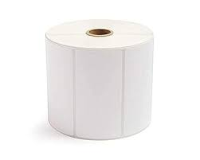
32 | Promotional shelf tags | 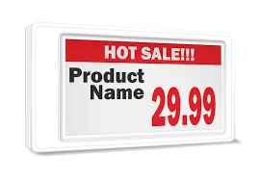 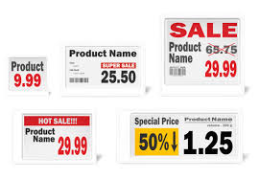
33 | Safety ladder | 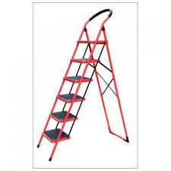
34 | Reach pole | 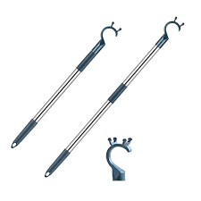
35 | "Limited period offer", "Free gift with every purchase" labels |  
36 | Buy 1, get 1 free stickers and signage | 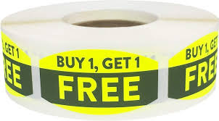 
37 | Retail Shelf dividers | 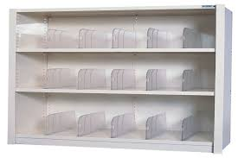
38 | "Not to be sold separately" label | 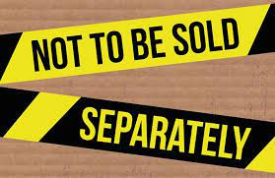
39 | Scissors
40 | Documents - Delivery manifest, Packing list, Delivery list, Retail store planogram, Logbook, Product info booklet, Shelf map, Price sheets
41 | Pallet of fresh fruits and vegetables
42 | Items - Large heavy bulk sacks (e.g. rice or flour), Crates of fragile glass bottled beverages, Frozen food (Ice-cream tubs/frozen meals), Batch of cleaning supply - (detergents, cleaning sprays, wipes), Electronics accessories (phone chargers, headphones, cables), Packaged meats, Packaged dairy products (e.g. yogurt cups, milk cartons), Electronics accessories aisle (phone cases, chargers, headphones), Assorted cartons with beverages of different pack sizes and brands (soft drinks, bottled water, juices), Baby care products by category (diapers vs. wipes vs. creams), brand (e.g. Pampers, Huggies), and size (diaper different sizes), Shirts of different category (style: formal vs. casual), brand, and size (S, M, L, XL), Dry grocery packets
43 | Items continued - Fresh bakery items (pastries and bread loaves), Cosmetics (lipsticks, foundations, mascaras), Stationery items (notebooks, pens, markers), Canned goods (vegetables, soups, sauces), chilled deli & ready‑to‑eat food, Pre-packed sandwiches and dairy-based desserts, Protein bars and packaged bakery snacks, Packaged cereals, canned soups, Clothing set (shirt, trousers, jacket), Freebie items (e.g., sample sachets, mini bottles)
44 | Microfiber cleaning cloth, Lint-free cloth | 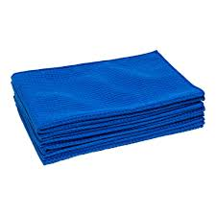
45 | Cleaning material - Detergents, Surface cleaners for cleaning shelves, Food grade disinfectants) | 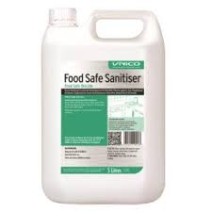
46 | Dusting brush |  
47 | Garbage bags | 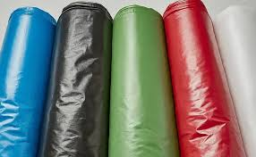
48 | Quarantine bin | 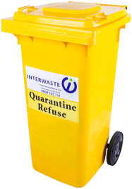
49 | "Caution wet floor" sign | 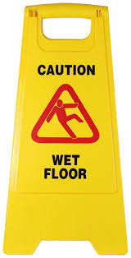
50 | Puncture proof sharps container for broken glass pieces | 