Table 1
Painter Practical – List of Tools and Materials
Painter Practical - Requirement List
S.No | Description | Unit | Quantity (per candidate) | Pictures | Availability
Task 1 | Painting a drywall surface
1 | Safety Coverall | PC | 1 | 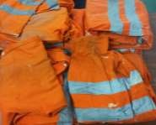
2 | Safety goggle | PC | 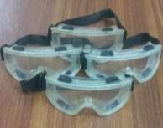 1
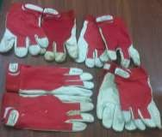
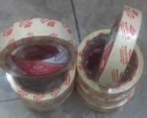
3 | Safety shoe | PAIR | 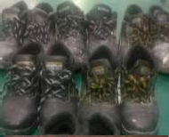 1
4 | Hand gloves | PAIR | 1
5 | Painter tape | PC | 1
6 | Primer | PC | 1 | 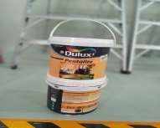
7 | Paint | PC | 1 | 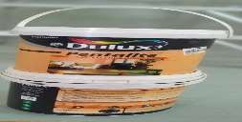
8 | Paint brush | PC | 1 | 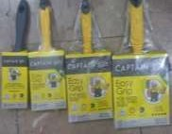
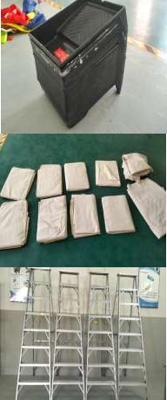
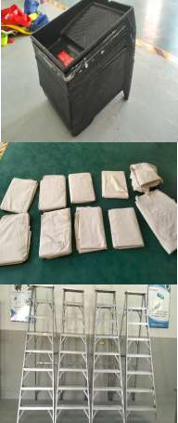
9 | Paint tray | PC | 1
10 | Drop cloth | PC | 1
11 | Ladder (if required) | PC | 1
Task 2 | Painting a wooden surface
1 | Safety Coverall | PC | 1
2 | Safety goggle | PC | 1
3 | Safety shoe | PAIR | 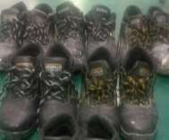 1
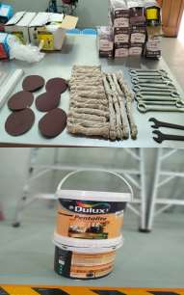
4 | Hand gloves | PAIR | 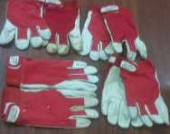 1
5 | Sand paper, or sander | PC | 1
6 | Primer and paint | PC | 1
7 | Paint brush | PC | 1
8 | Paint tray | PC | 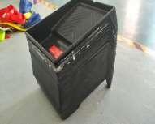 1
9 | Paint scraper | PC | 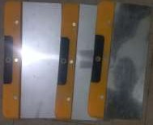 1
10 | Putty knife | PC | 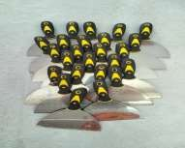 1
11 | Clean rags | PC | 1 | 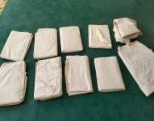
12 | Drop cloth | PC | 1 | 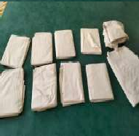
13 | Painter tape | PC | 1
14 | Ladder | PC | 1 | 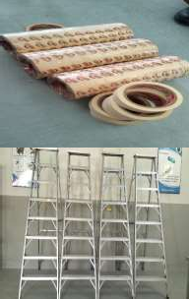
Task 3 | Painting a metal door
1 | Safety Coverall | PC | 1
2 | Safety goggle | PC | 1
3 | Safety shoe | PAIR | 1
4 | Hand gloves | PAIR | 1
5 | Metal filler | PC | 1 | 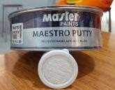
6 | Primer and paint | PC | 1
7 | Paint tray | PC | 1
8 | 2″ angled brush | PC | 1 | 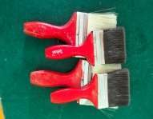
9 | Paint stirrer | PC | 1 | 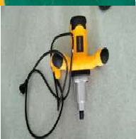
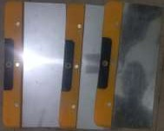
10 | Paint stripper (if you are painting over a metal door that is cracking or peeling) | PC | 1
11 | Paint stripping gloves | PC | 1
12 | Scraper | PC | 1
13 | Drop cloth | PC | 1 | 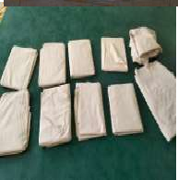
Task 4 | Applying wallpaper
1 | Safety Coverall | PC | 1
2 | Safety goggle | PC | 1
3 | Safety shoe | PAIR | 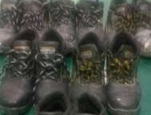 1
4 | Hand gloves | PAIR | 1
5 | Wallpaper | PC | 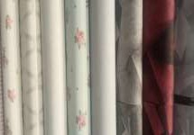 1
6 | Primer | PC | 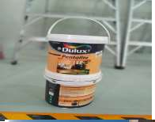 1
7 | Wallpaper sponge | PC | 1 | 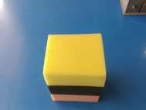
8 | Sandpaper | PC | 1 | 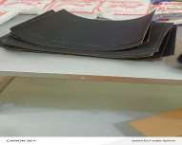
9 | Putty knife | PC | 1
10 | Wallpaper brush | PC | 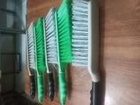 1
11 | Drop cloth | PC |  1
12 | Pliers | PC | 1 | 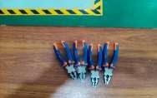
13 | Measuring tape | PC | 1 | 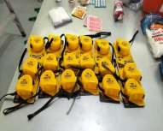
14 | Level | PC | 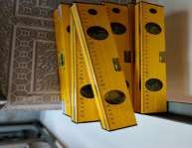 1
15 | Broad knife | PC | 1
16 | Utility knife with breakaway blades | PC | 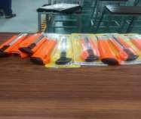 1
17 | Wallpaper tray | PC | 1
18 | Soft - seam roller | PC | 1 | 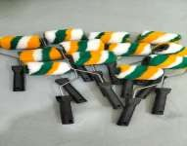
19 | Long - nap paint roller | PC | 1 | 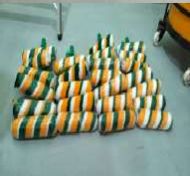
Task 5 | Preparing exterior wall surface
1 | Safety Coverall | PC | 1
2 | Safety goggle | PC | 1
3 | Safety shoe | PAIR | 1
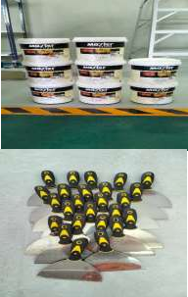
4 | Hand gloves | PAIR | 1
5 | Wall filler | PC | 1
6 | Filling knife | PC | 1
7 | Fine sandpaper | PC | 1 | 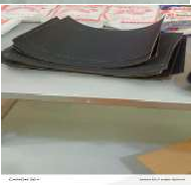
8 | Moist, dust - free cloth | PC | 1 | 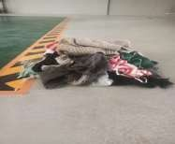
9 | Paint - resistant filler | PC | 1 | 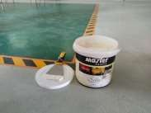
10 | Putty or sealant | PC | 1 | 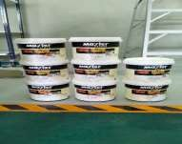
Task 6 | Painting a plastered wall surface
1 | Safety Coverall | PC | 1
2 | Safety goggle | PC | 1
3 | Safety shoe | PAIR | 1
4 | Hand gloves | PAIR | 1
5 | Painter tape | PC | 1
6 | Primer | PC | 1
7 | Paint | PC | 1
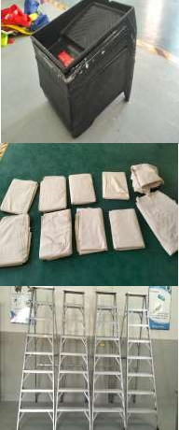
8 | Paint brush/roller | PC | 1
9 | Paint tray | PC | 1
10 | Drop cloth | PC | 1
11 | Ladder (if required) | PC | 1
Task 7 | Paint the surface using a paint spray gun
1 | Safety Coverall | PC | 1
2 | Safety goggle | PC | 1
3 | Safety shoe | PAIR | 1
4 | Hand gloves | PAIR | 1 | 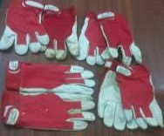
5 | Interior emulsion paint (wall and ceiling paint) | PC | 1 | 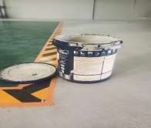
6 | Masking tape | PC | 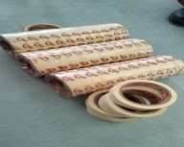 1
7 | Scrap of cardboard | PC | 1 | 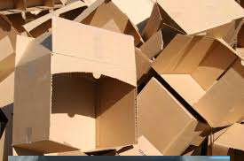
8 | Tools | PC | 1 | 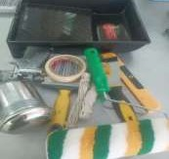
9 | Powered paint sprayer | PC | 1 | 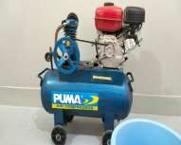
10 | Paint stirrer | PC | 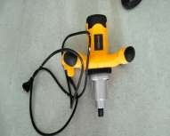 1
11 | Sieve (if the paint can has previously been opened) | PC | 1 | 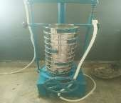
12 | Polythene dust sheets (masking surfaces) | PC |  1
13 | Cotton dust sheets (protecting floorings) | PC | 1
14 | Bucket (cleaning your sprayer after use) | PC | 1
Task 8 | Paint the ceiling using a roller brush
1 | Safety Coverall | PC | 1
2 | Safety goggle | PC | 1
3 | Safety shoe | PAIR | 1
4 | Hand gloves | PAIR | 1
5 | Interior latex paint | PC |   1

6 | Interior latex paint primer | PC | 1 | 
7 | Canvas drop cloth | PC | 1
8 | Painter tape | PC | 1
9 | Paint roller | PC |  1
10 | Extension pole for paint roller | PC |  1
11 | Roller tray | PC |  1
12 | Stepladder | PC | 1
13 | Dish soap | PC | 1 | 


14 | Paint brush comb | PC | 1 | 
15 | Painter’s tool | PC | 1
16 | Paper towels | PC | 1
17 | Paint brush | PC | 1
18 | Roller spinner | PC | 1 | 
19 | Masking tape | PC | 1 | 

