Pipe and Boiler Insulator
Sector Name | Occupation name | Equipment name | Minimum number of equipment required (per batch of 30 trainees) | Unit type | Images
 | Pipe and Boiler Insulator | Foam tubing |  |  | 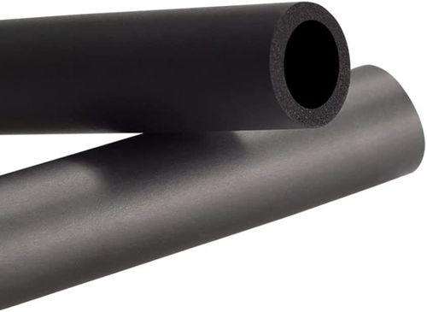
 | Pipe and Boiler Insulator | Measuring tape
 | Pipe and Boiler Insulator | Utility knife |  |  | 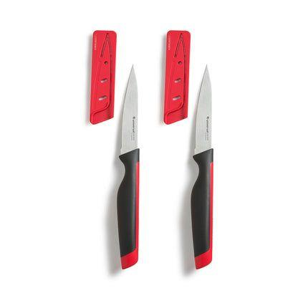
 | Pipe and Boiler Insulator | Insulation tape |  |  | 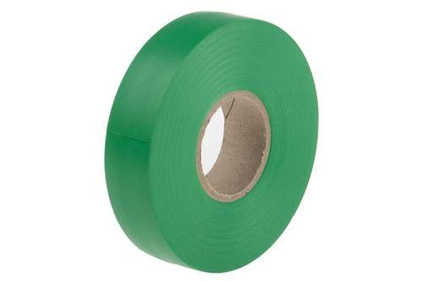
 | Pipe and Boiler Insulator | PPE (Personal Protective Equipment) including safety goggles, gloves, full body harness, protective wear. |  |  | 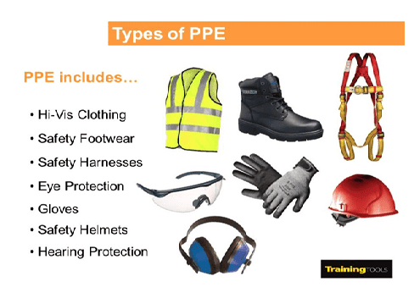
 | Pipe and Boiler Insulator | Fiberglass insulation |  |  |       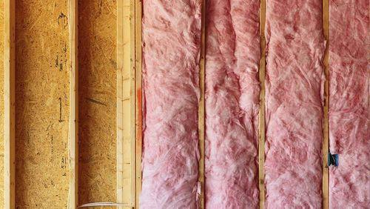
 | Pipe and Boiler Insulator | Adhesive |  |  | 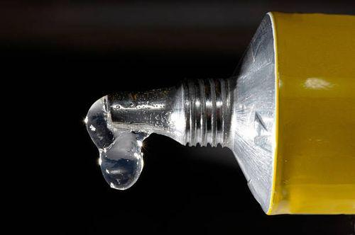
 | Pipe and Boiler Insulator | Aluminum foil tape |  |  | 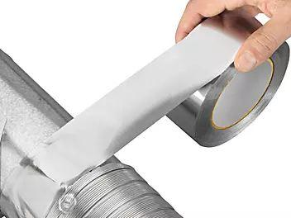
 | Pipe and Boiler Insulator | Polyurethane foam insulation |  |  | 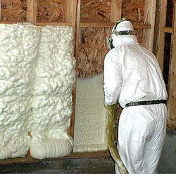
 | Pipe and Boiler Insulator | Fiberglass pipe insulation |  |  | 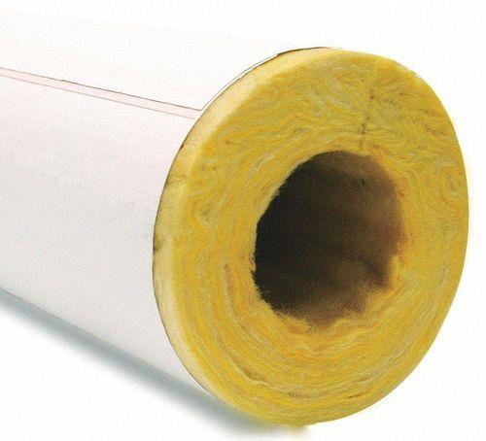
 | Pipe and Boiler Insulator | Mineral wool insulation |  |  | 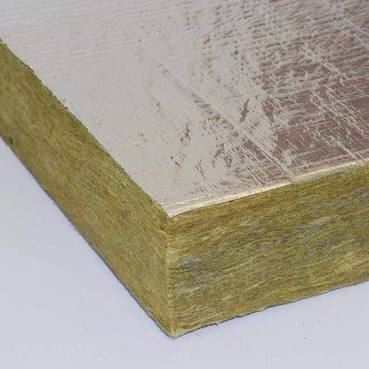
 | Pipe and Boiler Insulator | Flexible insulation blankets |  |  | 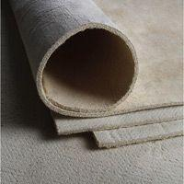
 | Pipe and Boiler Insulator | Self-sealing foam insulation |  |  | 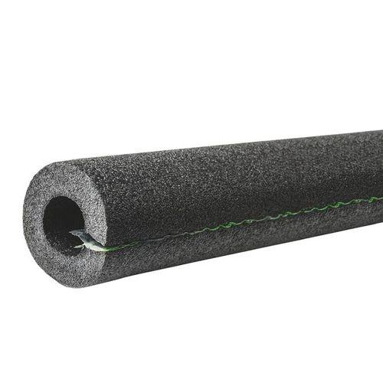
 | Pipe and Boiler Insulator | Rigid foam insulation boards |  |  | 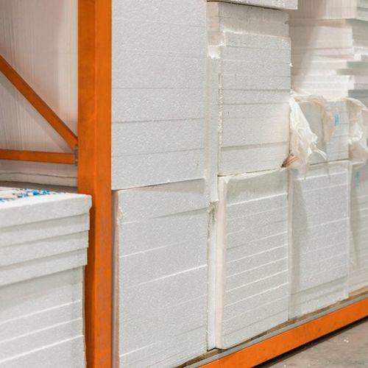
 | Pipe and Boiler Insulator | High-temperature insulation material (eg-, calcium silicate, mineral wool, ceramic fiber) |  |  | 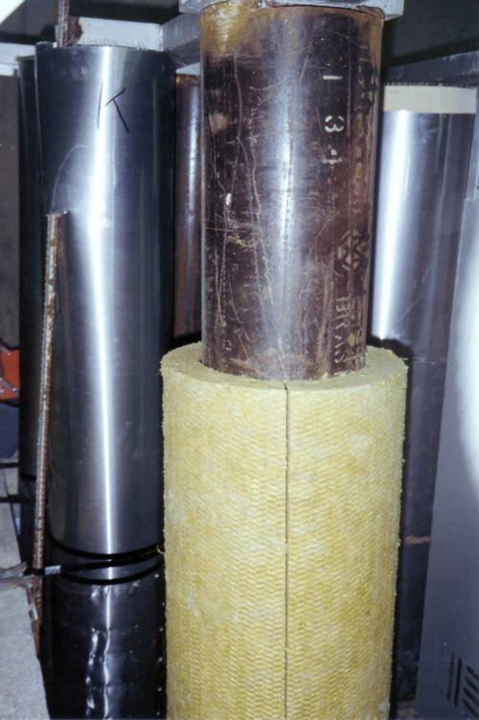
 | Pipe and Boiler Insulator | Welding pins |  |  | 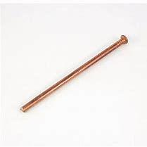
 | Pipe and Boiler Insulator | Washers |  |  | 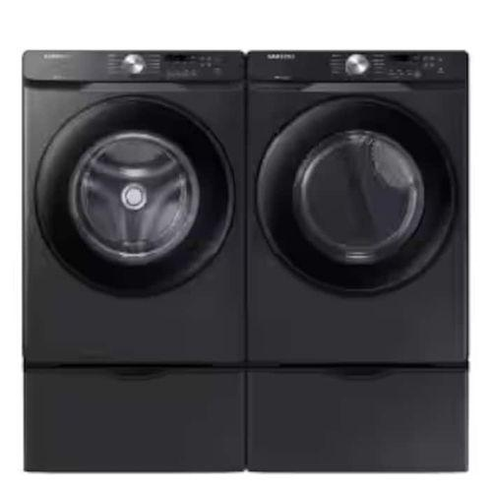
 | Pipe and Boiler Insulator | Stone wool wired mats |  |  | 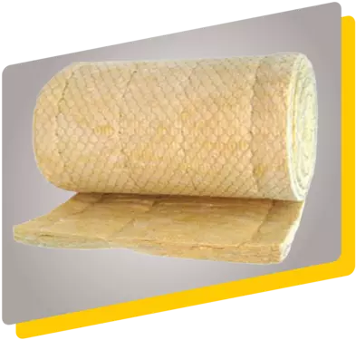
 | Pipe and Boiler Insulator | High-density stone wool boards |  |  | 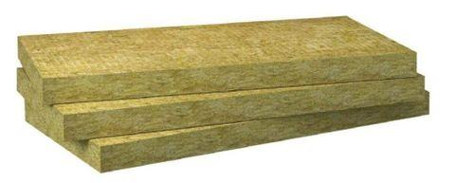
 | Pipe and Boiler Insulator | Reinforced metal support structure |  |  | 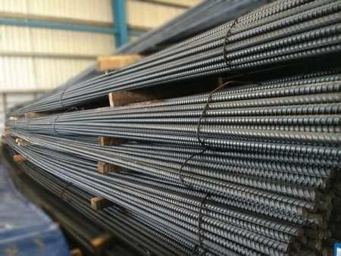
 | Pipe and Boiler Insulator | Corrugated metal plates |  |  | 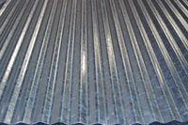
 | Pipe and Boiler Insulator | Spray foam insulation |  |  | 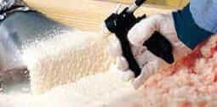
 | Pipe and Boiler Insulator | Ventilation equipment |  |  | 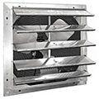
 | Pipe and Boiler Insulator | Polyethylene foam pipe insulation |  |  | 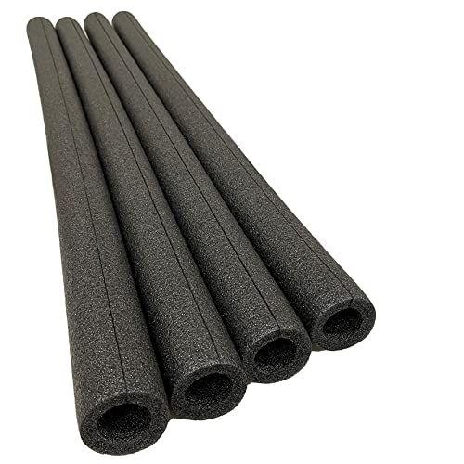
 | Pipe and Boiler Insulator | Weather-resistant tape |  |  | 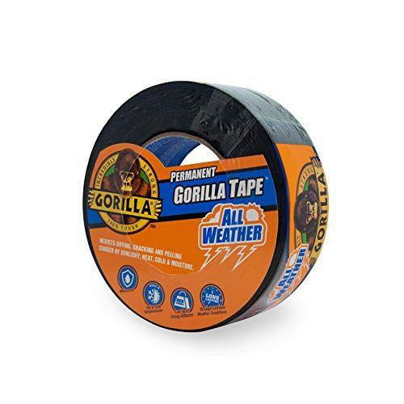
 | Pipe and Boiler Insulator | Foam insulation tape |  |  | 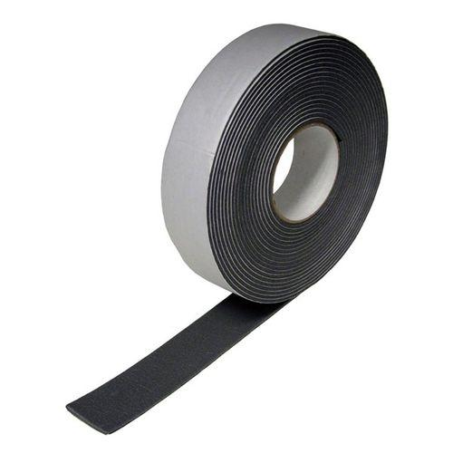
 | Pipe and Boiler Insulator | Rubber foam insulation |  |  | 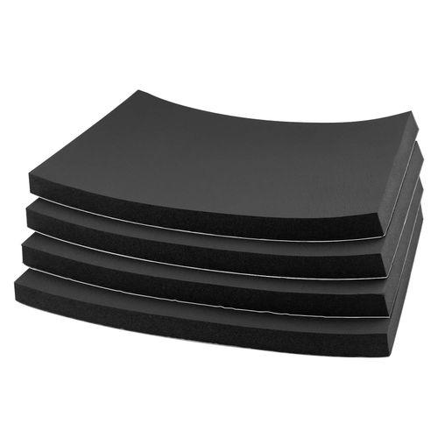
 | Pipe and Boiler Insulator | Weatherproof cover |  |  | 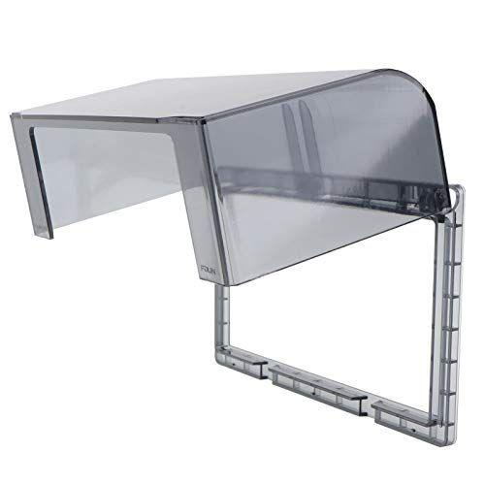
 | Pipe and Boiler Insulator | Foam pipe insulation |  |  | 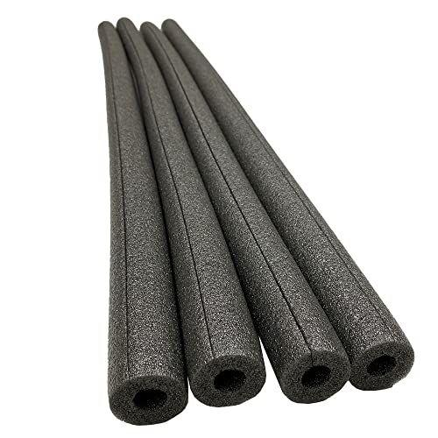
 | Pipe and Boiler Insulator | Heat tape |  |  | 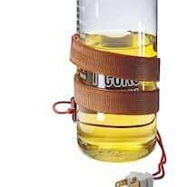
 | Pipe and Boiler Insulator | Rubber insulation tape |  |  | 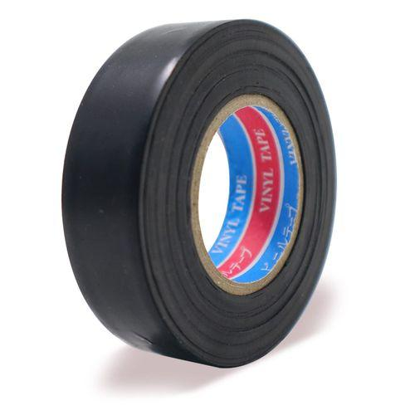
 | Pipe and Boiler Insulator | Fiberglass pipe wrap |  |  | 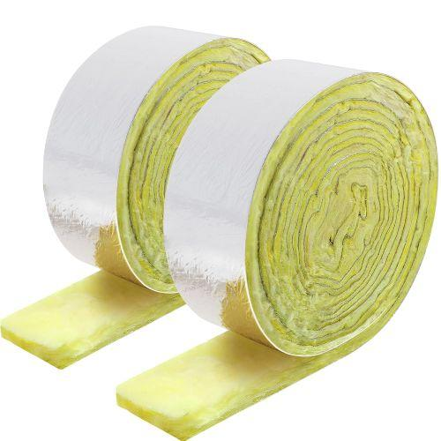
 | Pipe and Boiler Insulator | Removable insulation pads |  |  | 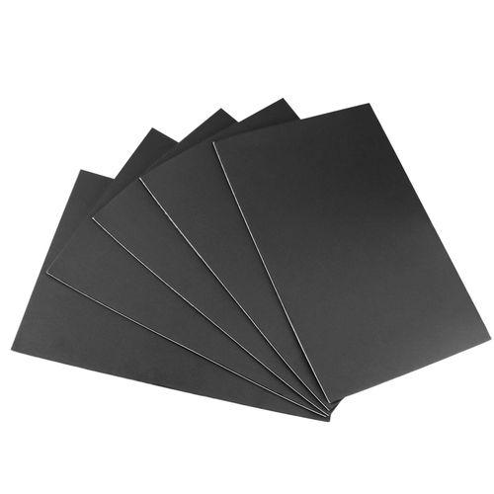
 | Pipe and Boiler Insulator | Pre-formed insulation |  |  | 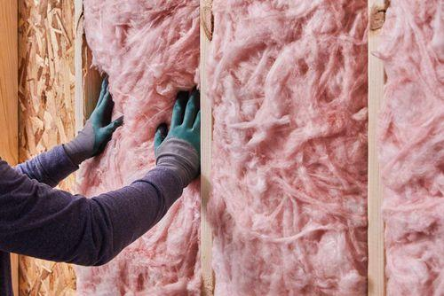
 | Pipe and Boiler Insulator | Insulation blankets |  |  | 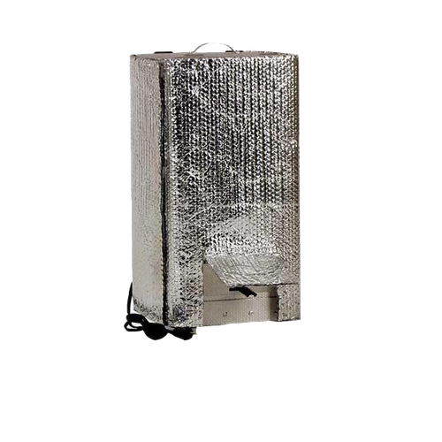
 | Pipe and Boiler Insulator | Flexible foam insulation |  |  | 
 | Pipe and Boiler Insulator | Modular insulation kit |  |  | 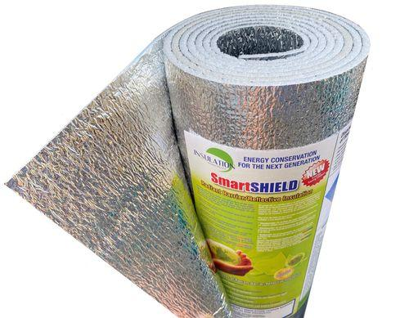
 | Pipe and Boiler Insulator | Silicone-based insulation |  |  | 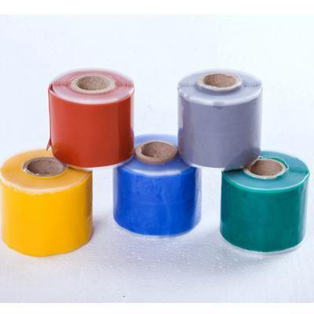
 | Pipe and Boiler Insulator | Flexible insulation wrap |  |  | 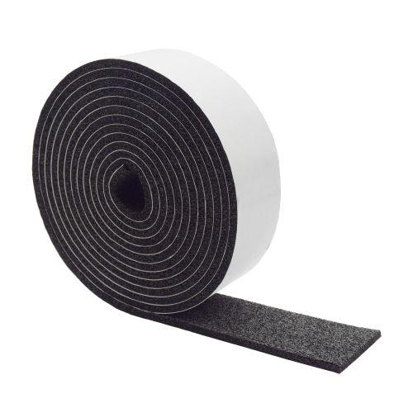
 | Pipe and Boiler Insulator | High-temperature insulation blankets |  |  | 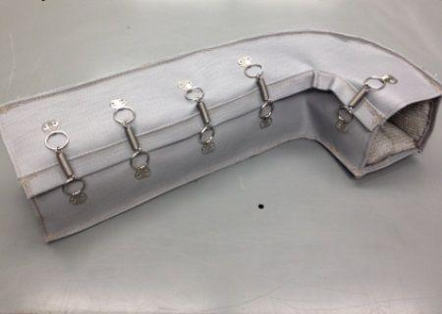
 | Pipe and Boiler Insulator | Pre-fabricated insulation covers |  |  | 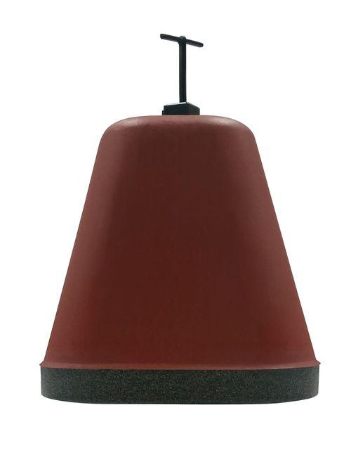
 | Pipe and Boiler Insulator | Spill kit |  |  | 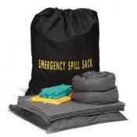
 | Pipe and Boiler Insulator | Emergency contact list
 | Pipe and Boiler Insulator | First aid kit |  |  | 
 | Pipe and Boiler Insulator | Fire extinguisher |  |  | 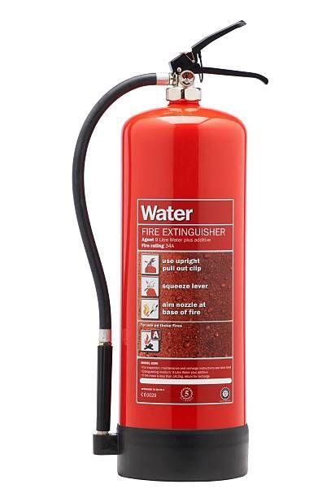
 | Pipe and Boiler Insulator | Disposable shoe covers |  |  |  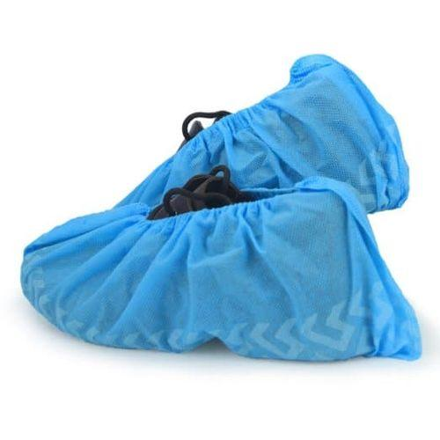
 | Pipe and Boiler Insulator | HEPA (high efficiency particulate air) vacuum |  |  | 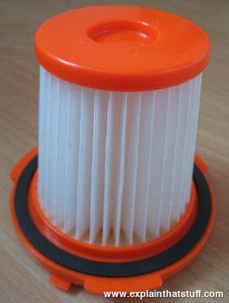
 | Pipe and Boiler Insulator | Wet wipes |  |  | 
 | Pipe and Boiler Insulator | Plastic sheeting |  |  | 
 | Pipe and Boiler Insulator | Leak-proof containers |  |  | 
 | Pipe and Boiler Insulator | Storage racks |  |  | 
 | Pipe and Boiler Insulator | Pallets |  |  | 
 | Pipe and Boiler Insulator | Moisture barriers |  |  | 
 | Pipe and Boiler Insulator | Labels
 | Pipe and Boiler Insulator | Cleaning supplies |  |  | 
 | Pipe and Boiler Insulator | Flashlight |  |  | 
 | Pipe and Boiler Insulator | Inspection camera |  |  | 
 | Pipe and Boiler Insulator | Moisture meter |  |  | 
 | Pipe and Boiler Insulator | Replacement insulation |  |  | 
 | Pipe and Boiler Insulator | Insulation pins |  |  | 
 | Pipe and Boiler Insulator | Caulk |  |  | 
 | Pipe and Boiler Insulator | Weatherstripping |  |  | 
 | Pipe and Boiler Insulator | Replacement pipe insulation |  |  | 
 | Pipe and Boiler Insulator | Cryogel® Z insulation |  |  | 
 | Pipe and Boiler Insulator | Vapor barrier |  |  | 
 | Pipe and Boiler Insulator | XPS (extruded polystyrene insulation) insulation |  |  | 
 | Pipe and Boiler Insulator | Multilayer insulation |  |  | 
 | Pipe and Boiler Insulator | Foam glass insulation |  |  | 
 | Pipe and Boiler Insulator | Vacuum jacketed pipe insulation |  |  | 
 | Pipe and Boiler Insulator | Ceramic fiber insulation |  |  | 
 | Pipe and Boiler Insulator | Silica aerogel blankets |  |  | 
 | Pipe and Boiler Insulator | Stainless steel wire |  |  | 
 | Pipe and Boiler Insulator | Mica-based insulation sheets |  |  | 
 | Pipe and Boiler Insulator | Stainless steel banding |  |  | 
 | Pipe and Boiler Insulator | Ceramic fiber tape |  |  | 
 | Pipe and Boiler Insulator | Aluminum cladding sheets |  |  | 
 | Pipe and Boiler Insulator | Pipe insulation wrap |  |  | 
 | Pipe and Boiler Insulator | Mass loaded vinyl (MLV) |  |  | 
 | Pipe and Boiler Insulator | Acoustic foam panels |  |  | 
 | Pipe and Boiler Insulator | Soundproofing blankets |  |  | 
 | Pipe and Boiler Insulator | Quiet Wrap™ pipe soundproofing wrap |  |  | 
 | Pipe and Boiler Insulator | Vacuum Insulation Panels (VIPs) |  |  | 
 | Pipe and Boiler Insulator | Aerogel insulation blankets |  |  | 
 | Pipe and Boiler Insulator | Cotton insulation |  |  | 
 | Pipe and Boiler Insulator | Perforated batts |  |  | 
 | Pipe and Boiler Insulator | Phase Change Materials (PCMs) |  |  | 
 | Pipe and Boiler Insulator | Insulation material |  |  | 
 | Pipe and Boiler Insulator | Clamps |  |  | 
 | Pipe and Boiler Insulator | Pre-formed flange insulation |  |  | 
 | Pipe and Boiler Insulator | Split insulation sections |  |  | 

