Plasterer
Sector name | Occupation name | Equipment name | Minimum number of equipment required (per batch of 30 trainees) | Unit type | Images
Construction | Plasterer | Measuring tape | 6 | Set
Construction | Plasterer | Scale | 10 | Number
Construction | Plasterer | Steel square | 10 | Number | 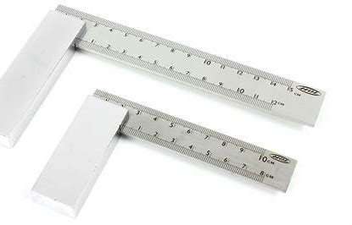
Construction | Plasterer | Trowel set (such as: Pointing trowel and tuck trowel) | 10 | Number | 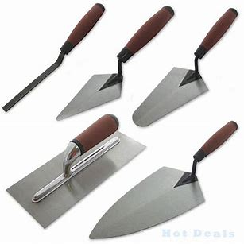
Construction | Plasterer | Water level | 15 | Number | 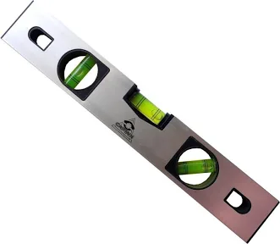
Construction | Plasterer | Laser level | 10 | Number | 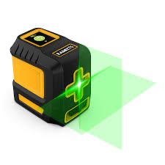
Construction | Plasterer | Spirit level | 10 | Number
Construction | Plasterer | Plumb bob | 10 | Number | 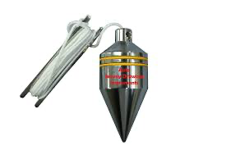
Construction | Plasterer | Straight edge | 10 | Number | 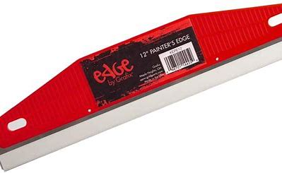
Construction | Plasterer | Mason’s hammer | 6 | Set | 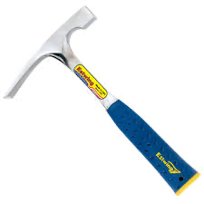
Construction | Plasterer | String line | 6 | Number | 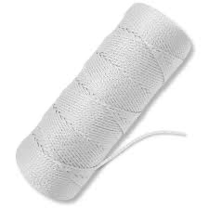
Construction | Plasterer | Jointer | 10 | Number | 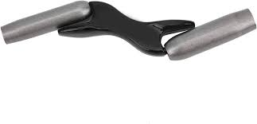
Construction | Plasterer | Mallet | 6 | Number
Construction | Plasterer | Wedge | 6 | Number
Construction | Plasterer | Screed | 6 | Number
Construction | Plasterer | Floats | 2 | Number | 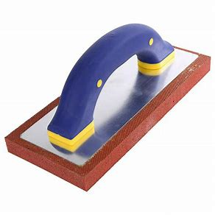
Construction | Plasterer | Chisel Set - bolster chisel, brick chisel, comb chisel | 10 | Number | 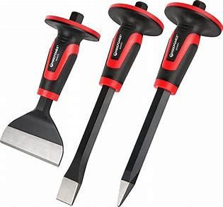
Construction | Plasterer | Rubber/wooden hammer | 3 | Number
 | Plasterer | Paddle mixer |  |  | 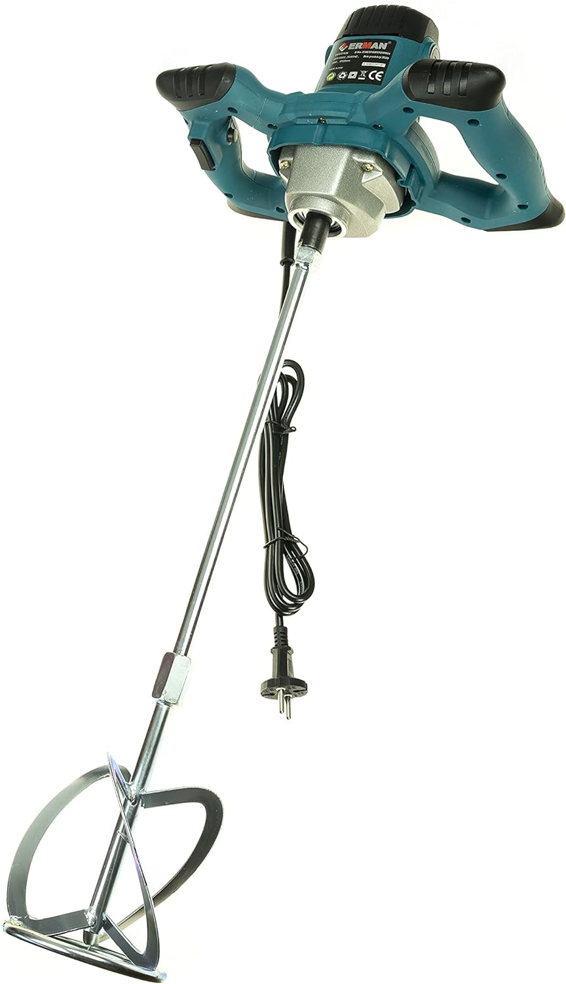
Construction | Plasterer | Spade | 2 | Number
Construction | Plasterer | Sponge | 2 | Bundle
Construction | Plasterer | Mortar stand | 2 | Bundle
Construction | Plasterer | Weighing scales (Digital or physical) | 20 | Number
Construction | Plasterer | Tile scribes or hand held tile cutter | 5 | Number | 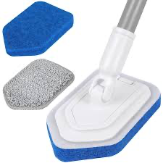
Construction | Plasterer | Wet power saw | 1 | Number | 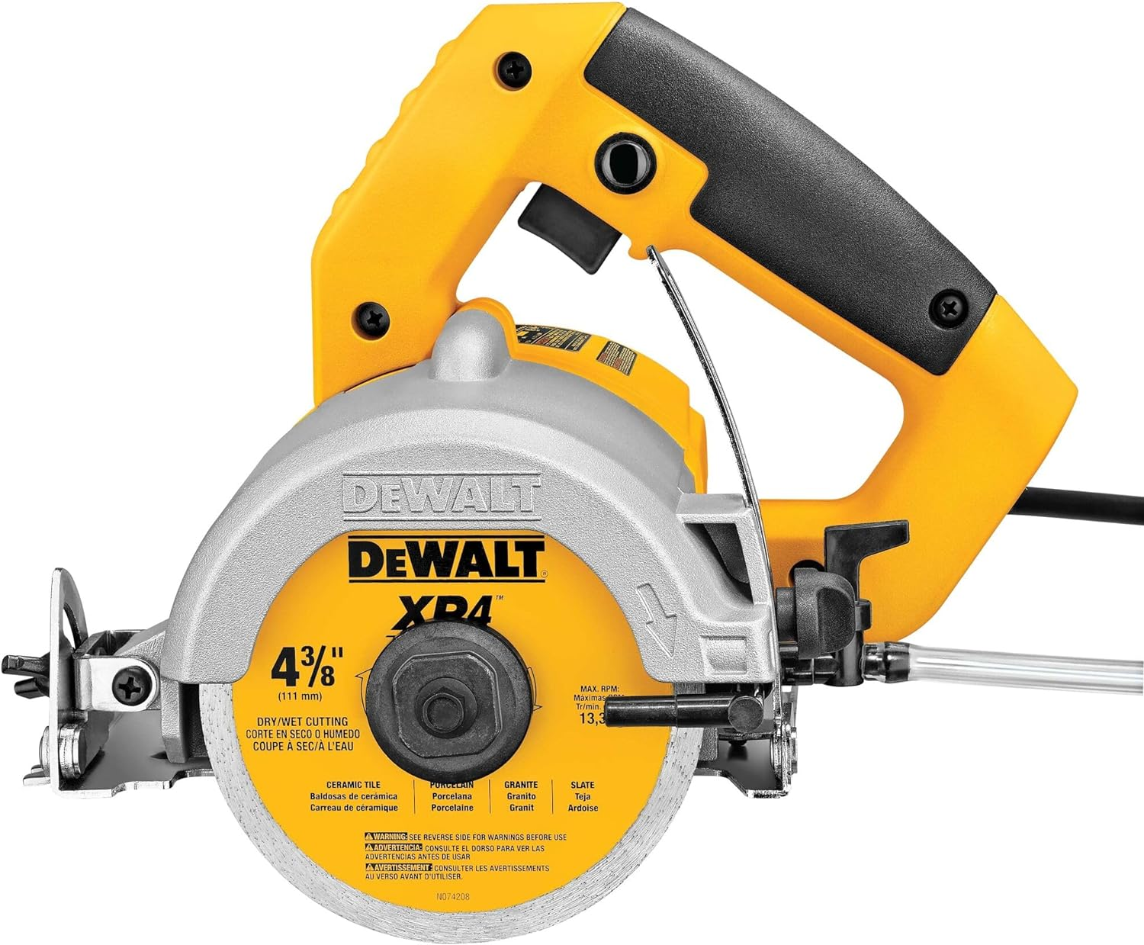
 |  | Scarifier
Construction | Plasterer | Handsaw | 5 | Number | 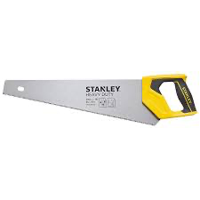
Construction | Plasterer | Mason’s line | 1 | Number | 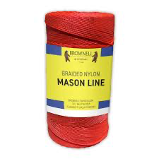
 |  | Heavy duty saw for wallboard/ceiling board
Construction | Plasterer | Cup-lock scaffolding components set | 2 | Number | 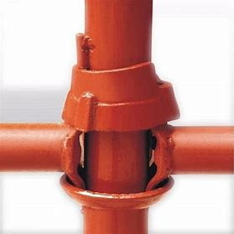
Construction | Plasterer | 40 NB pipe | 4 | Number
Construction | Plasterer | Swivel coupler | 10 | Number | 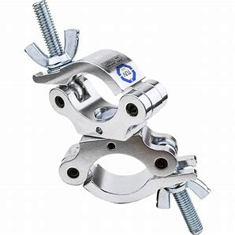
Construction | Plasterer | Fixed clamp | 2 | Number
Construction | Plasterer | Steel waler | 25 | Number
Construction | Plasterer | Steel walkway | 20 | Number
Construction | Plasterer | Toolbox with lock and key | 5 | Number | 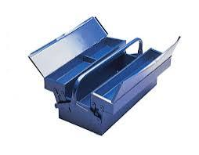
Construction | Plasterer | Power source | 5 | Number
Construction | Plasterer | Platereres Hawk | 5 | Number | 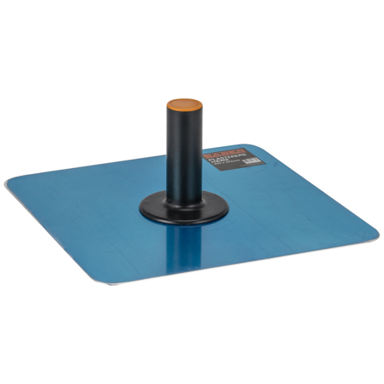
Construction | Plasterer | Electric drill | 5 | Number | 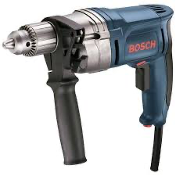
Construction | Plasterer | Grinder | 5 | Number | 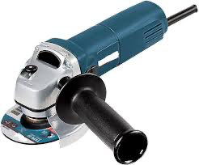
Construction | Plasterer | Vibrator | 10 | Number | 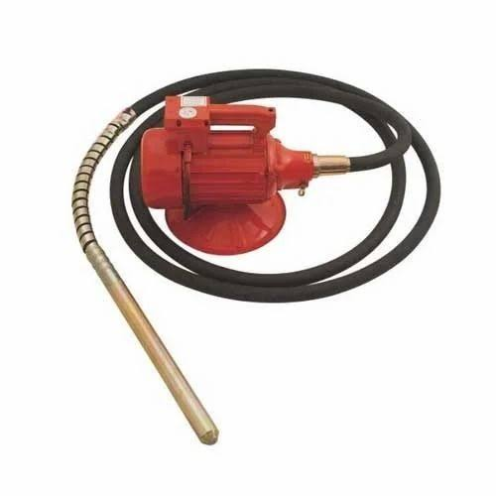
Construction | Plasterer | Hand operated concrete mixer | 10 | Number | 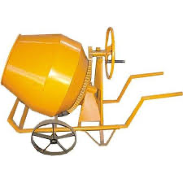
Construction | Plasterer | Mortar mixing board/mortar pan | 10 | Number | 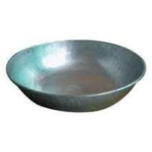
Construction | Plasterer | Shovel | 5 | Number | 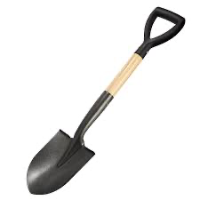
Construction | Plasterer | Pick axe | 5 | Number | 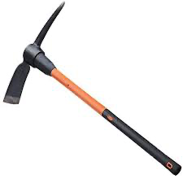
Construction | Plasterer | Rhombus mesh | `10 | Number | 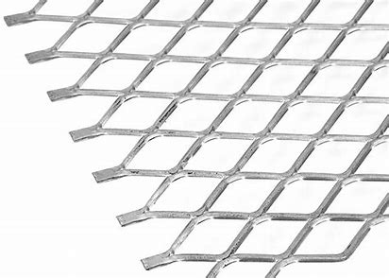
Construction | Plasterer | GI bucket 5L capacity | 5 | Number
Construction | Plasterer | Wheel barrow | 5 | Number
Construction | Plasterer | Lime powder | 20 | kg
Construction | Plasterer | Wooden peg | 50 | Number
Construction | Plasterer | Hard broom | 10 | Number
Construction | Plasterer | Nuts and bolts | 30 | Number
Construction | Plasterer | Spanner set | 5 | Number | 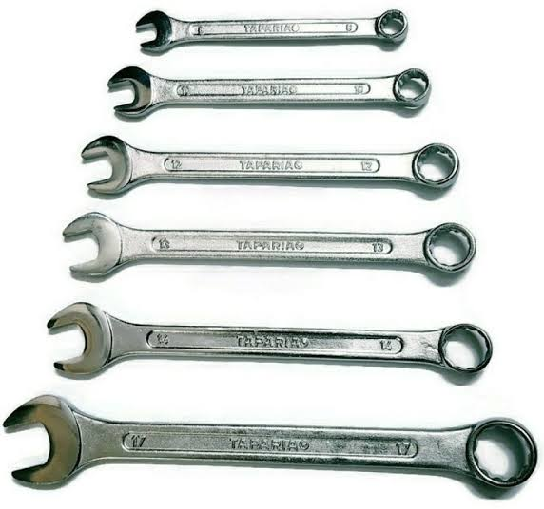
Construction | Plasterer | Conduit Pipes |  |  | 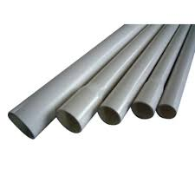
Construction | Plasterer | Wrench | 10 | Number | 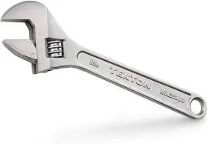
Construction | Plasterer | Pulley | 10 | Number | 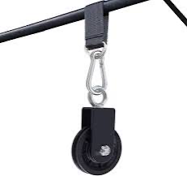
Construction | Plasterer | Snips | 20 | Meters | 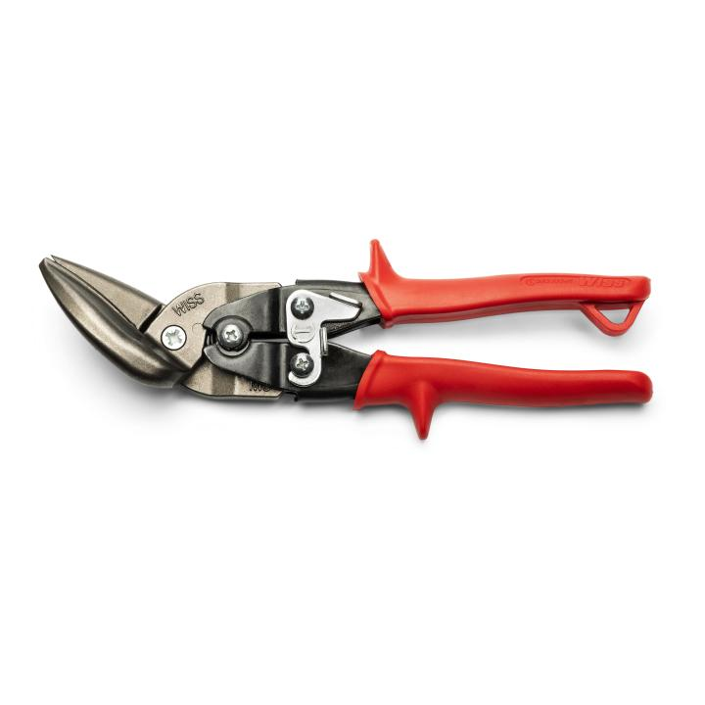
Construction | Plasterer | Hand roller | 2 | Number | 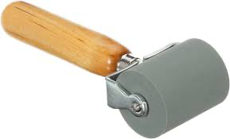
Construction | Plasterer | Plate vibrator | 3 | Number | 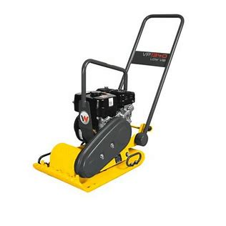
Construction | Plasterer | Wire brush | 10 | Number
Construction | Plasterer | Metal Mesh |  |  | 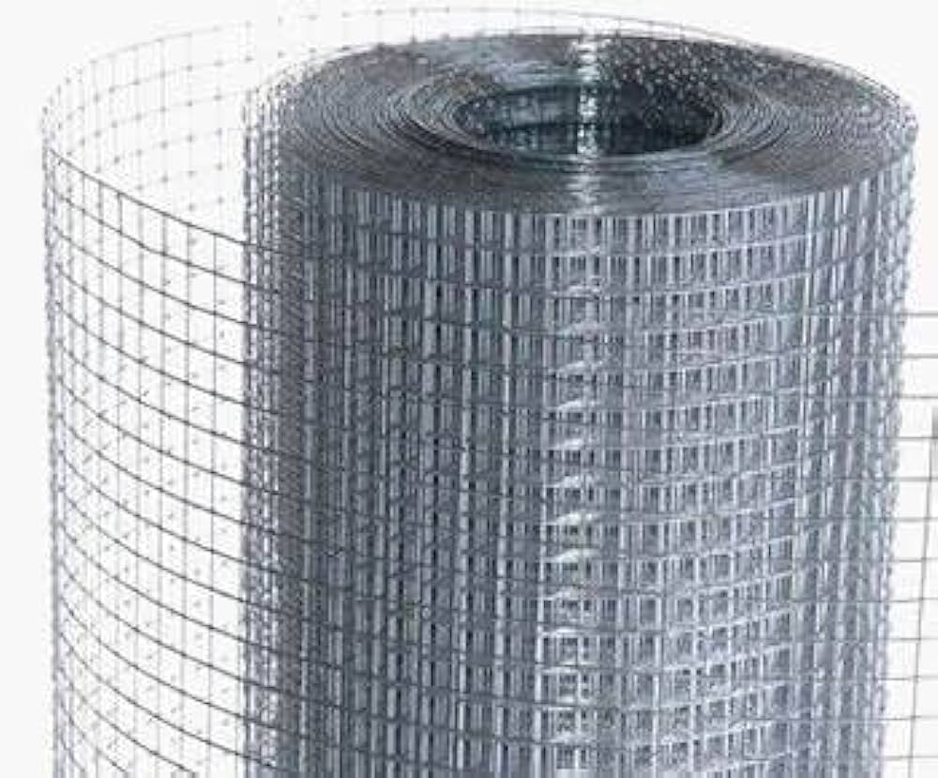
Construction | Plasterer | Assorted size - bricks | 500 | Number
Construction | Plasterer | Screw Gauge |  |  | 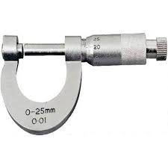
Construction | Plasterer | Cement | 5 | kg
Construction | Plasterer | Calipers |  |  | 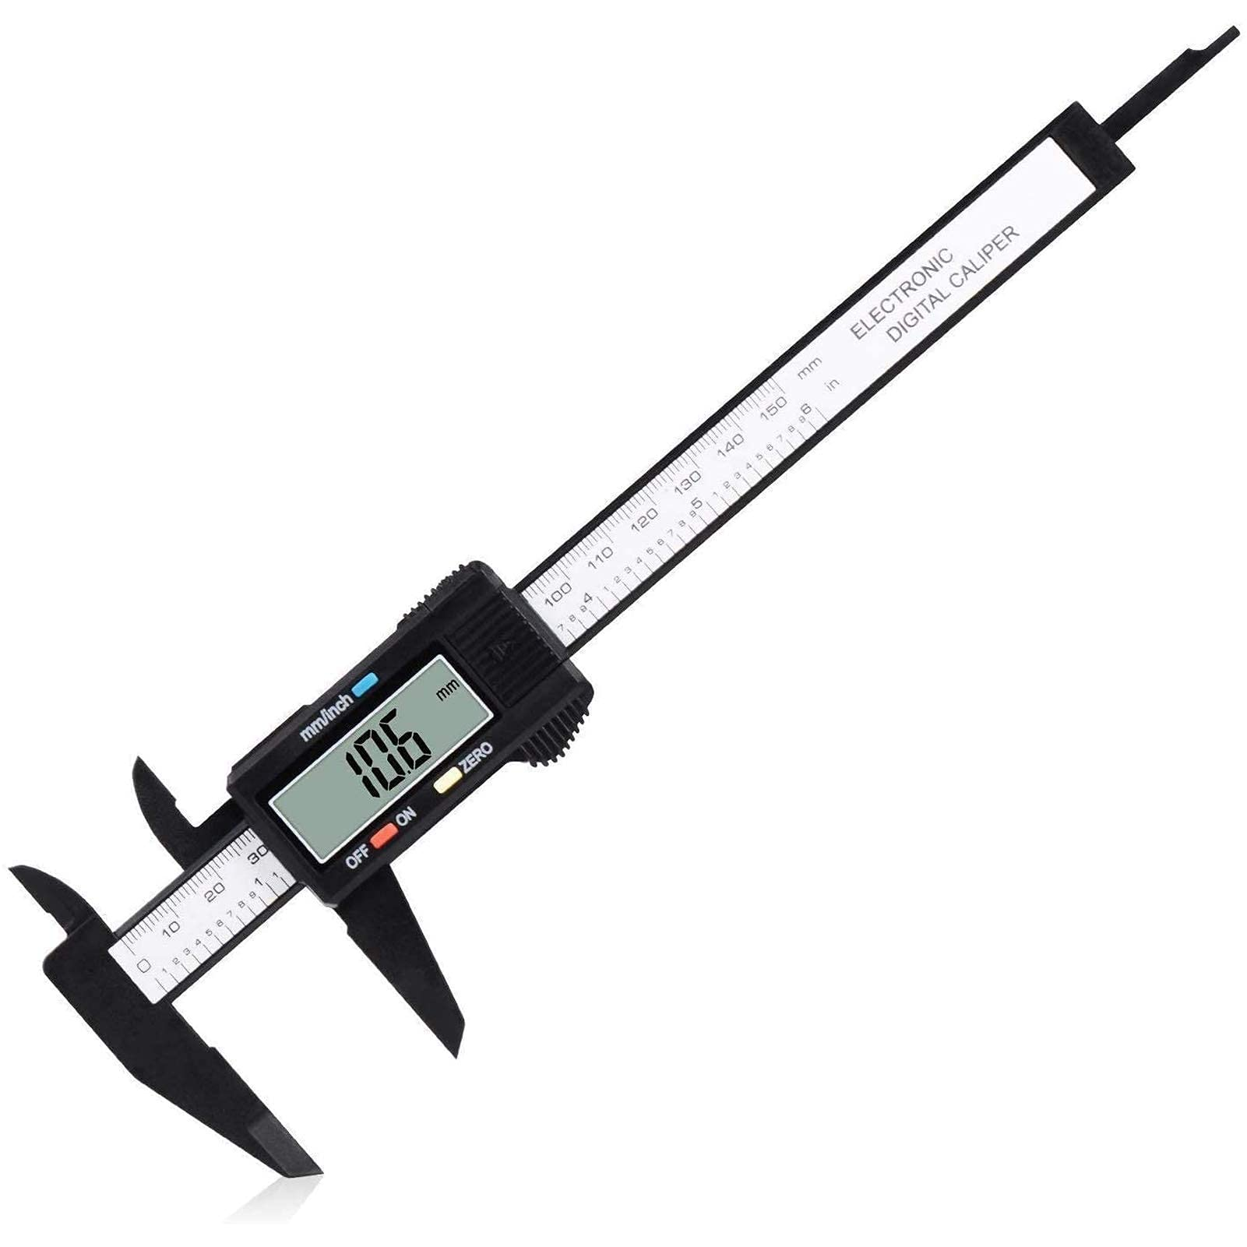
Construction | Plasterer | Sand | 25 | kg
Construction | Plasterer | Steel Compass (Geometrical) for drawing circular shapes in building plans | 2 | Number
Construction | Plasterer | Lifting, appliances (wheel and rope, shackles, sling, belts) | 3 | Set
Construction | Plasterer | Coarse aggregates | 25 | Kg | 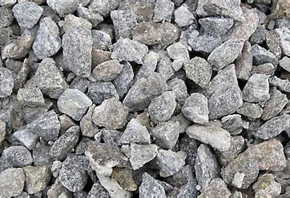
Construction | Plasterer | Fiber Board |  |  | 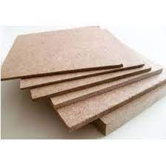
Construction | Plasterer | Bricks
Construction | Plasterer | Ruler
Construction | Plasterer | Pins |  |  | 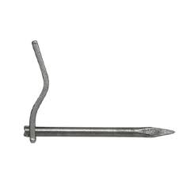
Construction | Plasterer | Drum |  |  | 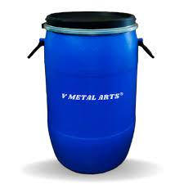
Construction | Plasterer | Concave steel tool |  |  | 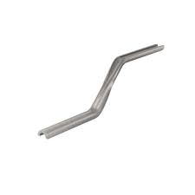
Construction | Plasterer | Water and Mug
Construction | Plasterer | Sieve |  |  | 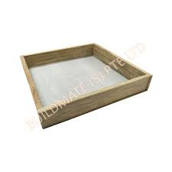
Construction | Plasterer | Plastic Sheet |  |  | 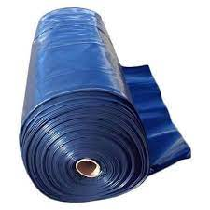
Construction | Plasterer | Bricks wall with groove for conduit |  |  | 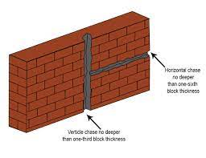
Construction | Plasterer | Rammer
Construction | Plasterer | Raking Bar
Construction | Plasterer | Rubble stone (natural stone) | 25 | Kg
Protective Equipment & Wear
Construction | Plasterer | Reflective jacket or Jumpsuit with multiple pockets and reflective bands
Construction | Plasterer | Full body harness
Construction | Plasterer | Face mask (For light duty masonry) |  |  | 
Construction | Plasterer | HEPA filter Respirator (for heavy duty mortar mixing, repairs, demolition, unloading, installation) |  |  | 
Construction | Plasterer | Protective Safety Glasses/Goggles |  |  | 
Construction | Plasterer | Industrial Safety boots |  |  | 
Construction | Plasterer | Toe-Guards (If safety boots do not have steel toes) |  |  | 
Construction | Plasterer | Polypropylene Safety Hat (When working at construction site, at all times) |  |  | 
Construction | Plasterer | Welding helmet/Helmet (When using grinding machine)
Construction | Plasterer | Elbow and knee guards |  |  | 
Construction | Plasterer | Insulated gloves when working on conduit piping or using motorized tools |  |  | 
Construction | Plasterer | Rubber gloves |  |  | 
Emergency Protection and Warning Equipment
Construction | Plasterer | Fire prevention Kit (Containing fire blanket, Heat Resistant Gloves, Escape Rope, Glass Hammer, Glow Sticks, Flashlight, First Aid Supplies with Burn Injury Care Treatment and More) |  |  | 
Construction | Plasterer | Fire extinguisher (Hand held or Wall mounted)
Construction | Plasterer | First aid box
Construction | Plasterer | Safety tags, |  |  | 
Construction | Plasterer | Safety notice board /safety message board |  |  | 
Construction | Plasterer | Barricade Cones |  |  | 
Construction | Plasterer | Warning Signs (Wet Floor, Construction Work in Progress)

