Plumber
Sector name | Occupation name | Tools/Equipment/Supplies name | Images | Availbility | Tools Pictures
Plumbing | Plumber | Wrench
Plumbing | Plumber | Screwdriver
Plumbing | Plumber | Wax ring
Plumbing | Plumber | Level
Plumbing | Plumber | Pipe wrench
Plumbing | Plumber | Plumber's putty
Plumbing | Plumber | Adjustable wrench
Plumbing | Plumber | Allen key
Plumbing | Plumber | Sealant
Plumbing | Plumber | Pipe threader | 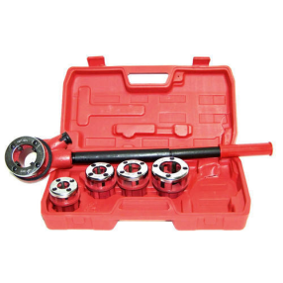
Plumbing | Plumber | Hose clamp
Plumbing | Plumber | Pressure gauge
Plumbing | Plumber | Reamer
Plumbing | Plumber | Teflon tape
Plumbing | Plumber | Radiator key
Plumbing | Plumber | Drain snake
Plumbing | Plumber | Ladder
Plumbing | Plumber | Soldering torch
Plumbing | Plumber | Tube cutter
Plumbing | Plumber | Drill
Plumbing | Plumber | PVC pipe cutter
Plumbing | Plumber | Stud finder
Plumbing | Plumber | Drywall saw
Plumbing | Plumber | Flathead screwdriver
Plumbing | Plumber | Flux brush
Plumbing | Plumber | Electric drain auger
Plumbing | Plumber | Hydro jetter
Plumbing | Plumber | Putty knife
Plumbing | Plumber | Backflow preventer test kit
Plumbing | Plumber | Pipe cutter
Plumbing | Plumber | Allen wrench
Plumbing | Plumber | Multimeter
Plumbing | Plumber | Motorized drain auger
Plumbing | Plumber | Inspection camera
Plumbing | Plumber | Sandpaper
Plumbing | Plumber | Propane torch
Plumbing | Plumber | Electrical tester
Plumbing | Plumber | Hacksaw
Plumbing | Plumber | Tubing cutter
Plumbing | Plumber | Radiator key
Plumbing | Plumber | Bucket
Plumbing | Plumber | Leak detection solution
Plumbing | Plumber | Radiator bleed key
Plumbing | Plumber | Ventilation fan
Plumbing | Plumber | Pipe freezing kit
Plumbing | Plumber | Electrofusion welding machine
Plumbing | Plumber | Pipe scraper
Plumbing | Plumber | Heat gun
Plumbing | Plumber | Plunger
Plumbing | Plumber | Shovel
Plumbing | Plumber | Wet/dry vacuum
Plumbing | Plumber | Garden hose
Plumbing | Plumber | Replacement washer
Plumbing | Plumber | Hex key or disposal wrench
Plumbing | Plumber | Toilet auger
Plumbing | Plumber | Pump
Plumbing | Plumber | Valve key
Plumbing | Plumber | Shut off wrench
Plumbing | Plumber | Water quality testing kit
Plumbing | Plumber | Faucet washer
Plumbing | Plumber | Bathroom with drain, washbasin, WC, shower
Protective Equipment & Wear
Plumbing | Plumber | Reflective jacket or Jumpsuit with multiple pockets and reflective bands
Plumbing | Plumber | Face mask (For light duty Plumbing)
Plumbing | Plumber | HEPA filter Respirator (for heavy duty repair and installation)
Plumbing | Plumber | Full body harness with lanyard
Plumbing | Plumber | Protective Safety Glasses/Goggles | 
Plumbing | Plumber | Industrial Safety boots | 
Plumbing | Plumber | Toe-Guards (If safety boots do not have steel toes)
Plumbing | Plumber | Polypropylene Safety Hat (When working at construction site, at all times) | 
Plumbing | Plumber | Elbow and knee guards | 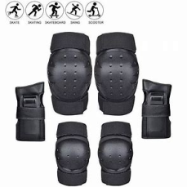
Plumbing | Plumber | Insulated gloves when working on conduit piping or using motorized tools | 
Plumbing | Plumber | Rubber gloves
Emergency Protection and Warning Equipment
Plumbing | Plumber | Fire extinguisher (Hand held or Wall mounted)
Plumbing | Plumber | First aid box
Plumbing | Plumber | Safety tags | 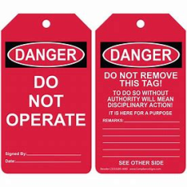
Plumbing | Plumber | Safety notice board /safety message board | 
Plumbing | Plumber | Barricade Cones
Plumbing | Plumber | Warning Signs (Wet Floor, Construction Work in Progress)

