Power Cable Connector
Sector name | Occupation name | Equipment name | Minimum number of equipment required (per batch of 30 trainees) | Unit type | Images
 | Power Cable Connector | Ammeter |  |  | 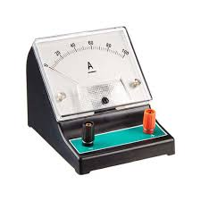
 | Power Cable Connector | Anchors |  |  | 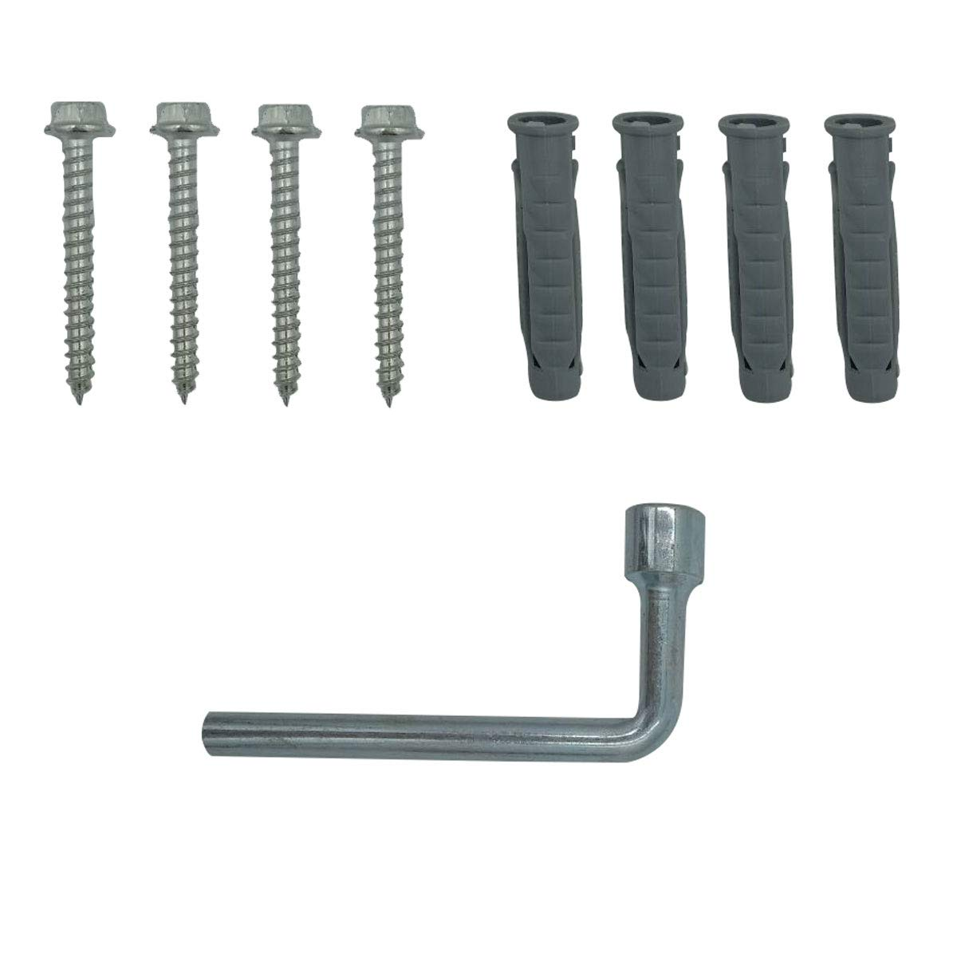
 | Power Cable Connector | Anti-corrosion Joint Compound |  |  | 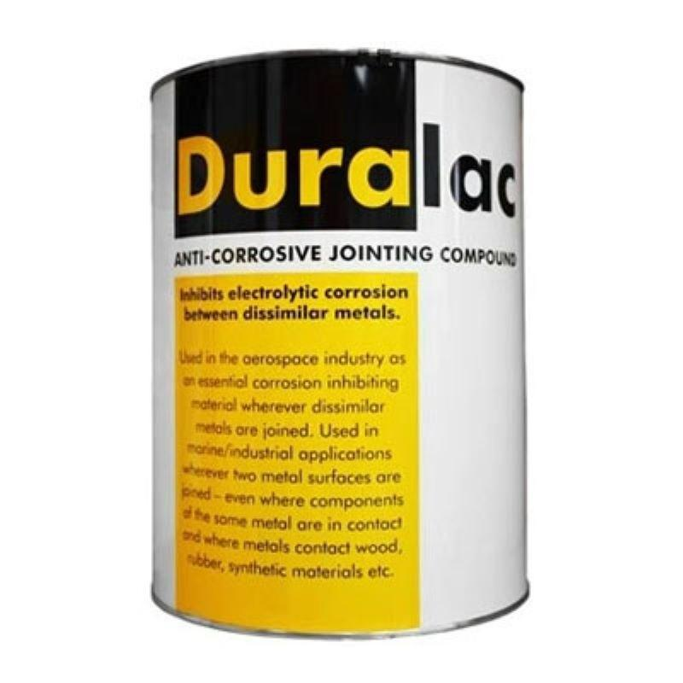
 | Power Cable Connector | Anti-corrosion spray |  |  | 
 | Power Cable Connector | Arc Flash Clothing |  |  | 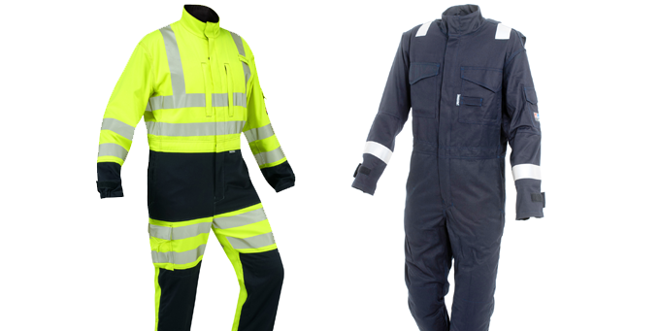
 | Power Cable Connector | Barricade Cones |  |  | 
 | Power Cable Connector | Bender |  |  | 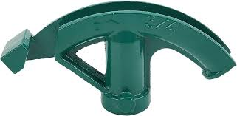
 | Power Cable Connector | Bushings |  |  | 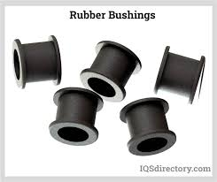
 | Power Cable Connector | Cable clamps |  |  | 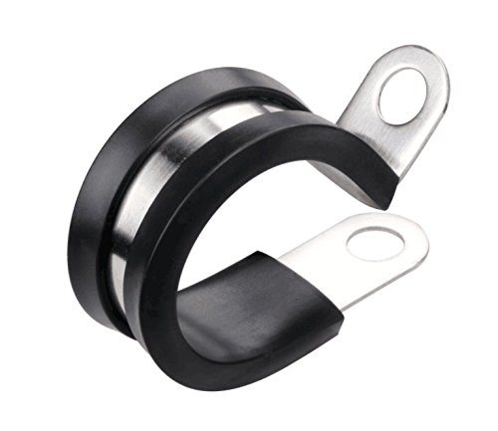
 | Power Cable Connector | Cable Cleaning Solvents |  |  | 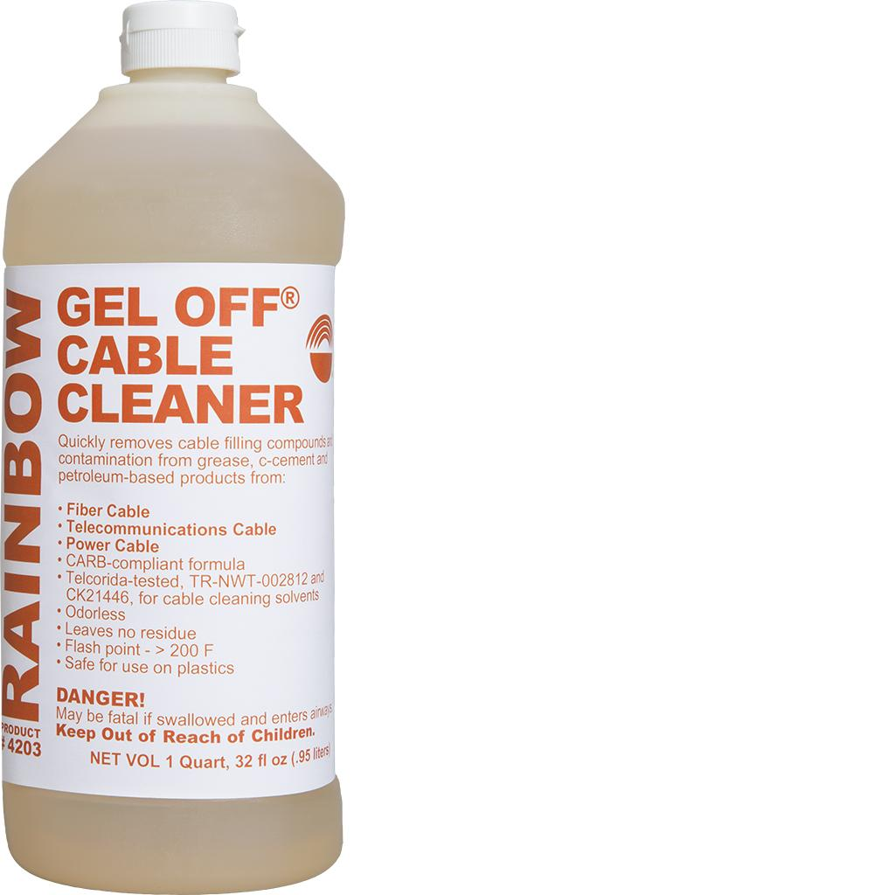
 | Power Cable Connector | Cable connectors |  |  | 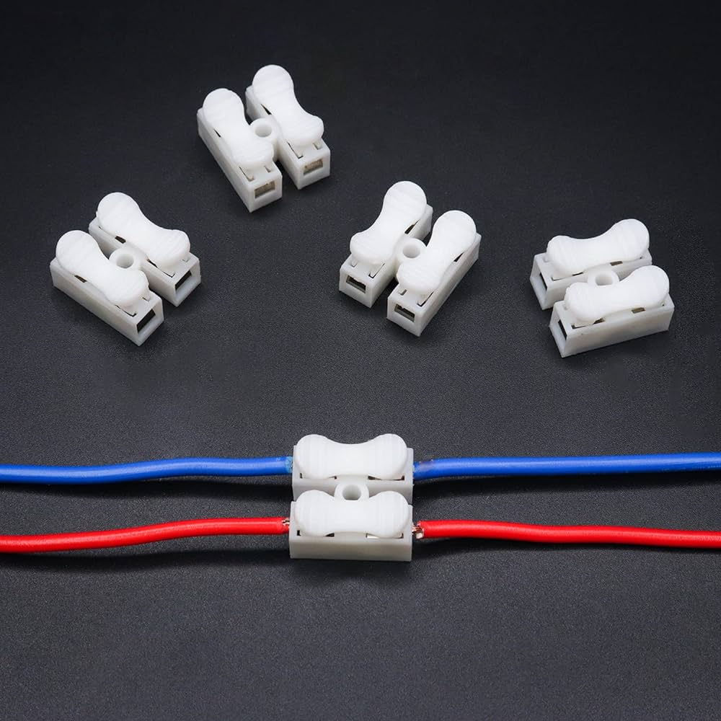
 | Power Cable Connector | Cable Cutters |  |  | 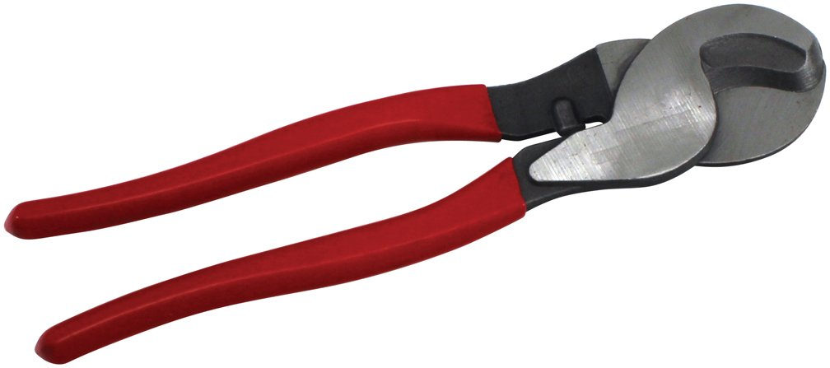
 | Power Cable Connector | Cable Drum |  |  | 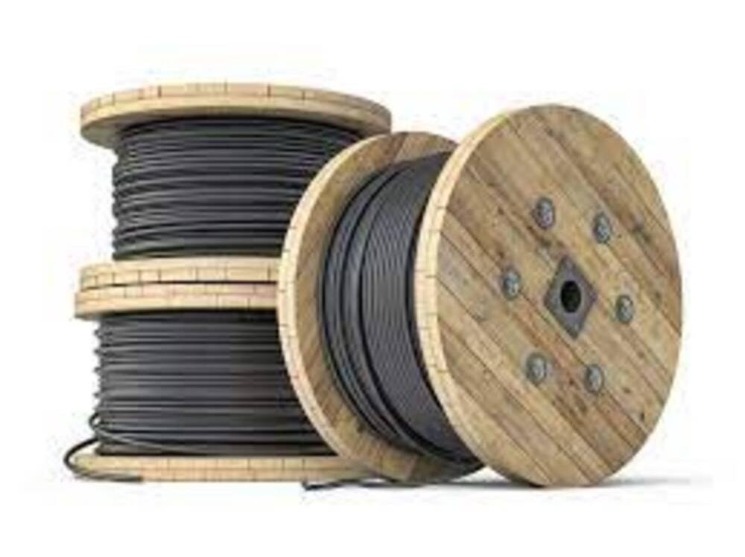
 | Power Cable Connector | Cable Fault Locator |  |  | 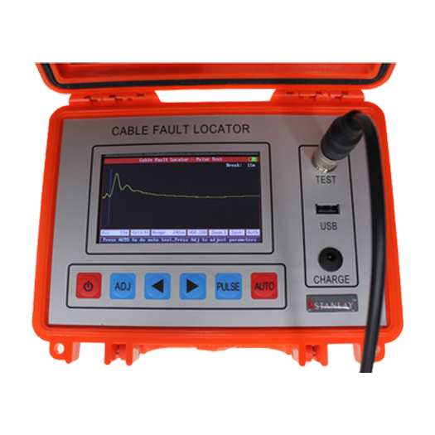
 | Power Cable Connector | Cable glands |  |  | 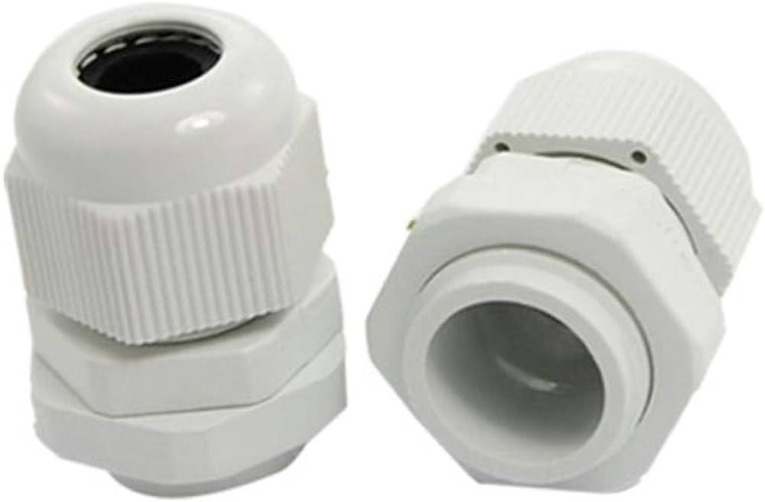
 | Power Cable Connector | Cable grips |  |  | 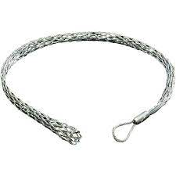
 | Power Cable Connector | Cable Jointing Kit |  |  | 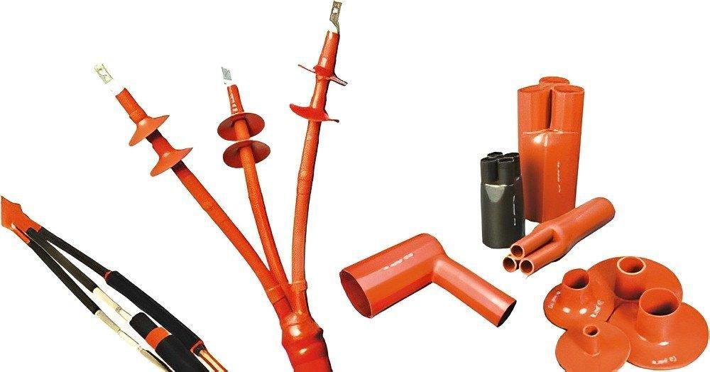
 | Power Cable Connector | Cable Laying Tools |  |  | 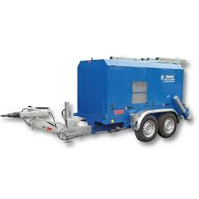
 | Power Cable Connector | Cable Lubricant |  |  | 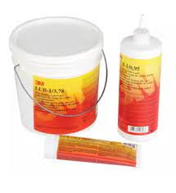
 | Power Cable Connector | Cable markers |  |  | 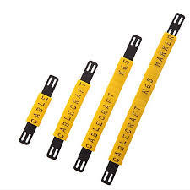
 | Power Cable Connector | Cable Preparation Tools |  |  | 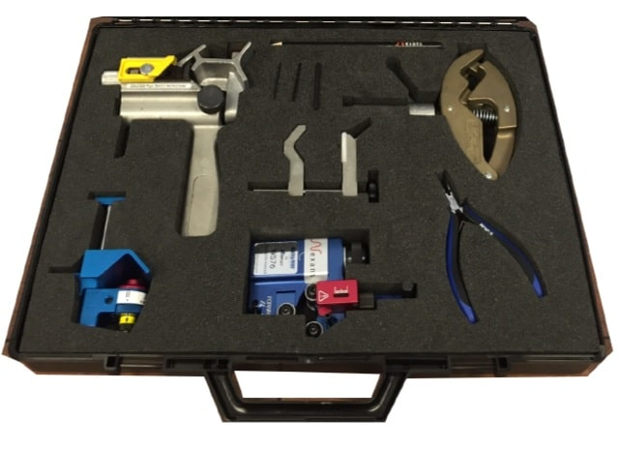
 | Power Cable Connector | Cable protector |  |  | 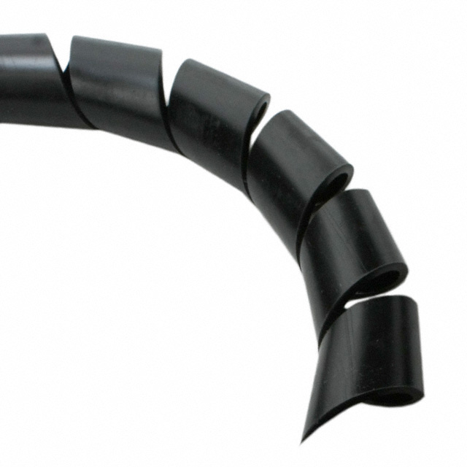
 | Power Cable Connector | Cable Shears |  |  | 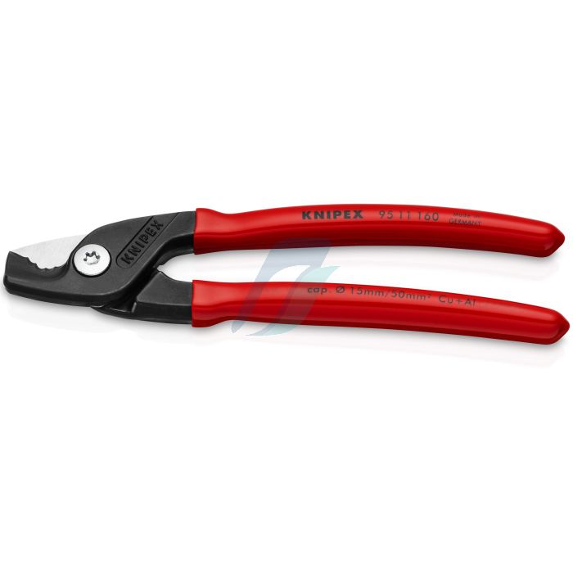
 | Power Cable Connector | Cable Stripping Tools |  |  | 
 | Power Cable Connector | Cable tester |  |  | 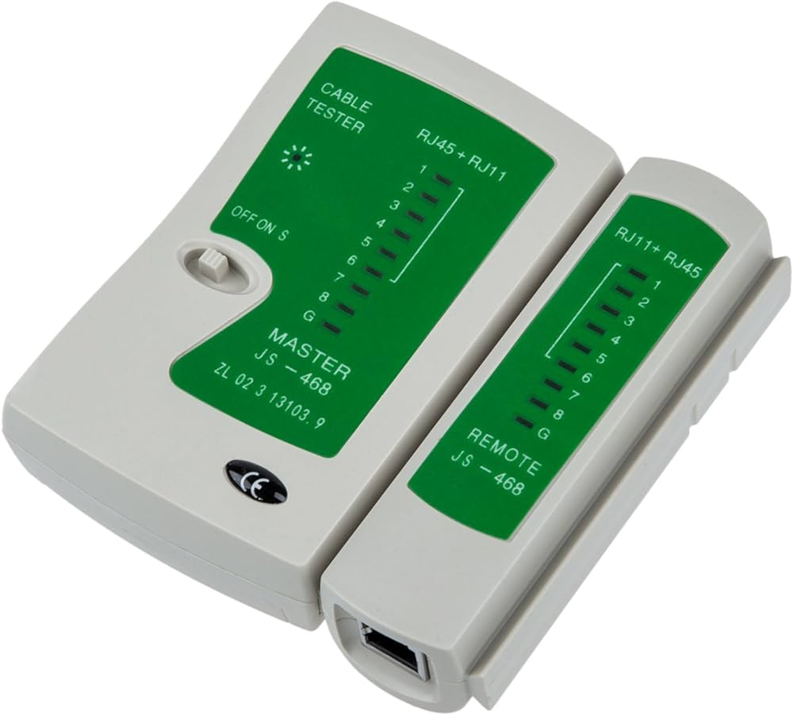
 | Power Cable Connector | Cable Ties |  |  | 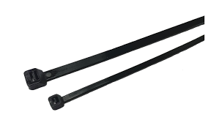
 | Power Cable Connector | Calibration Certificates
 | Power Cable Connector | Circuit Tracer |  |  | 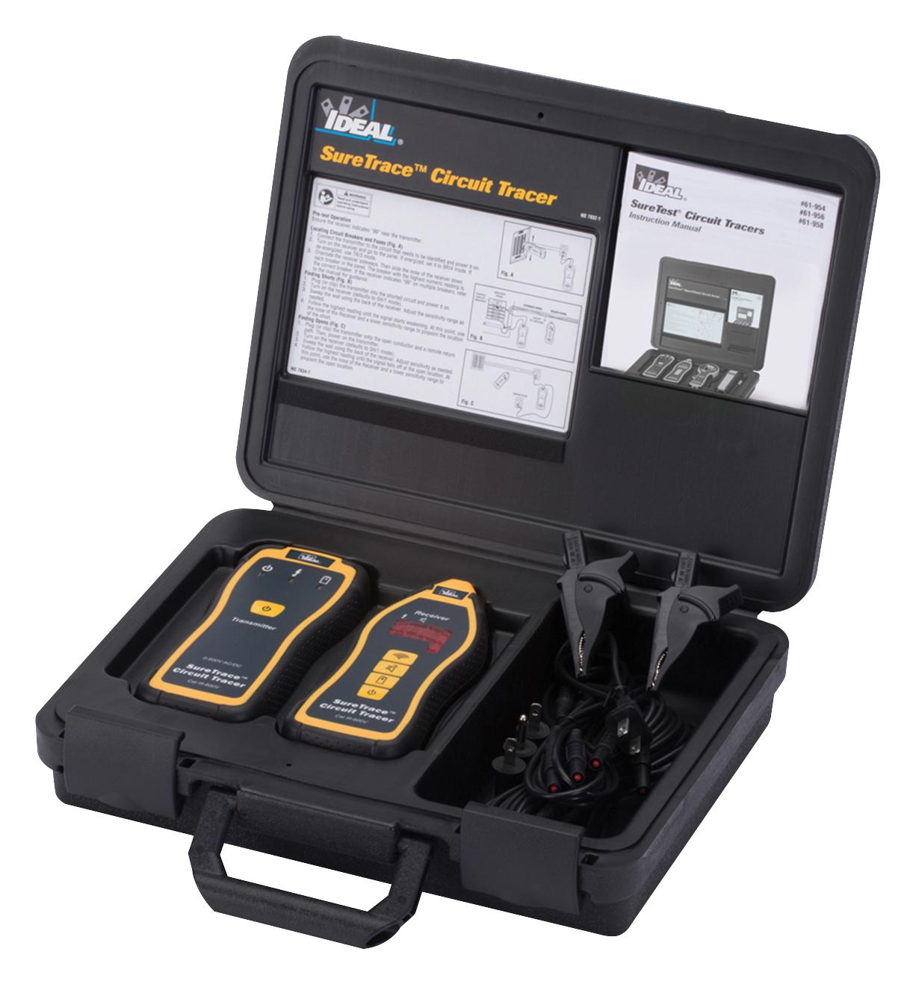
 | Power Cable Connector | Clamps |  |  | 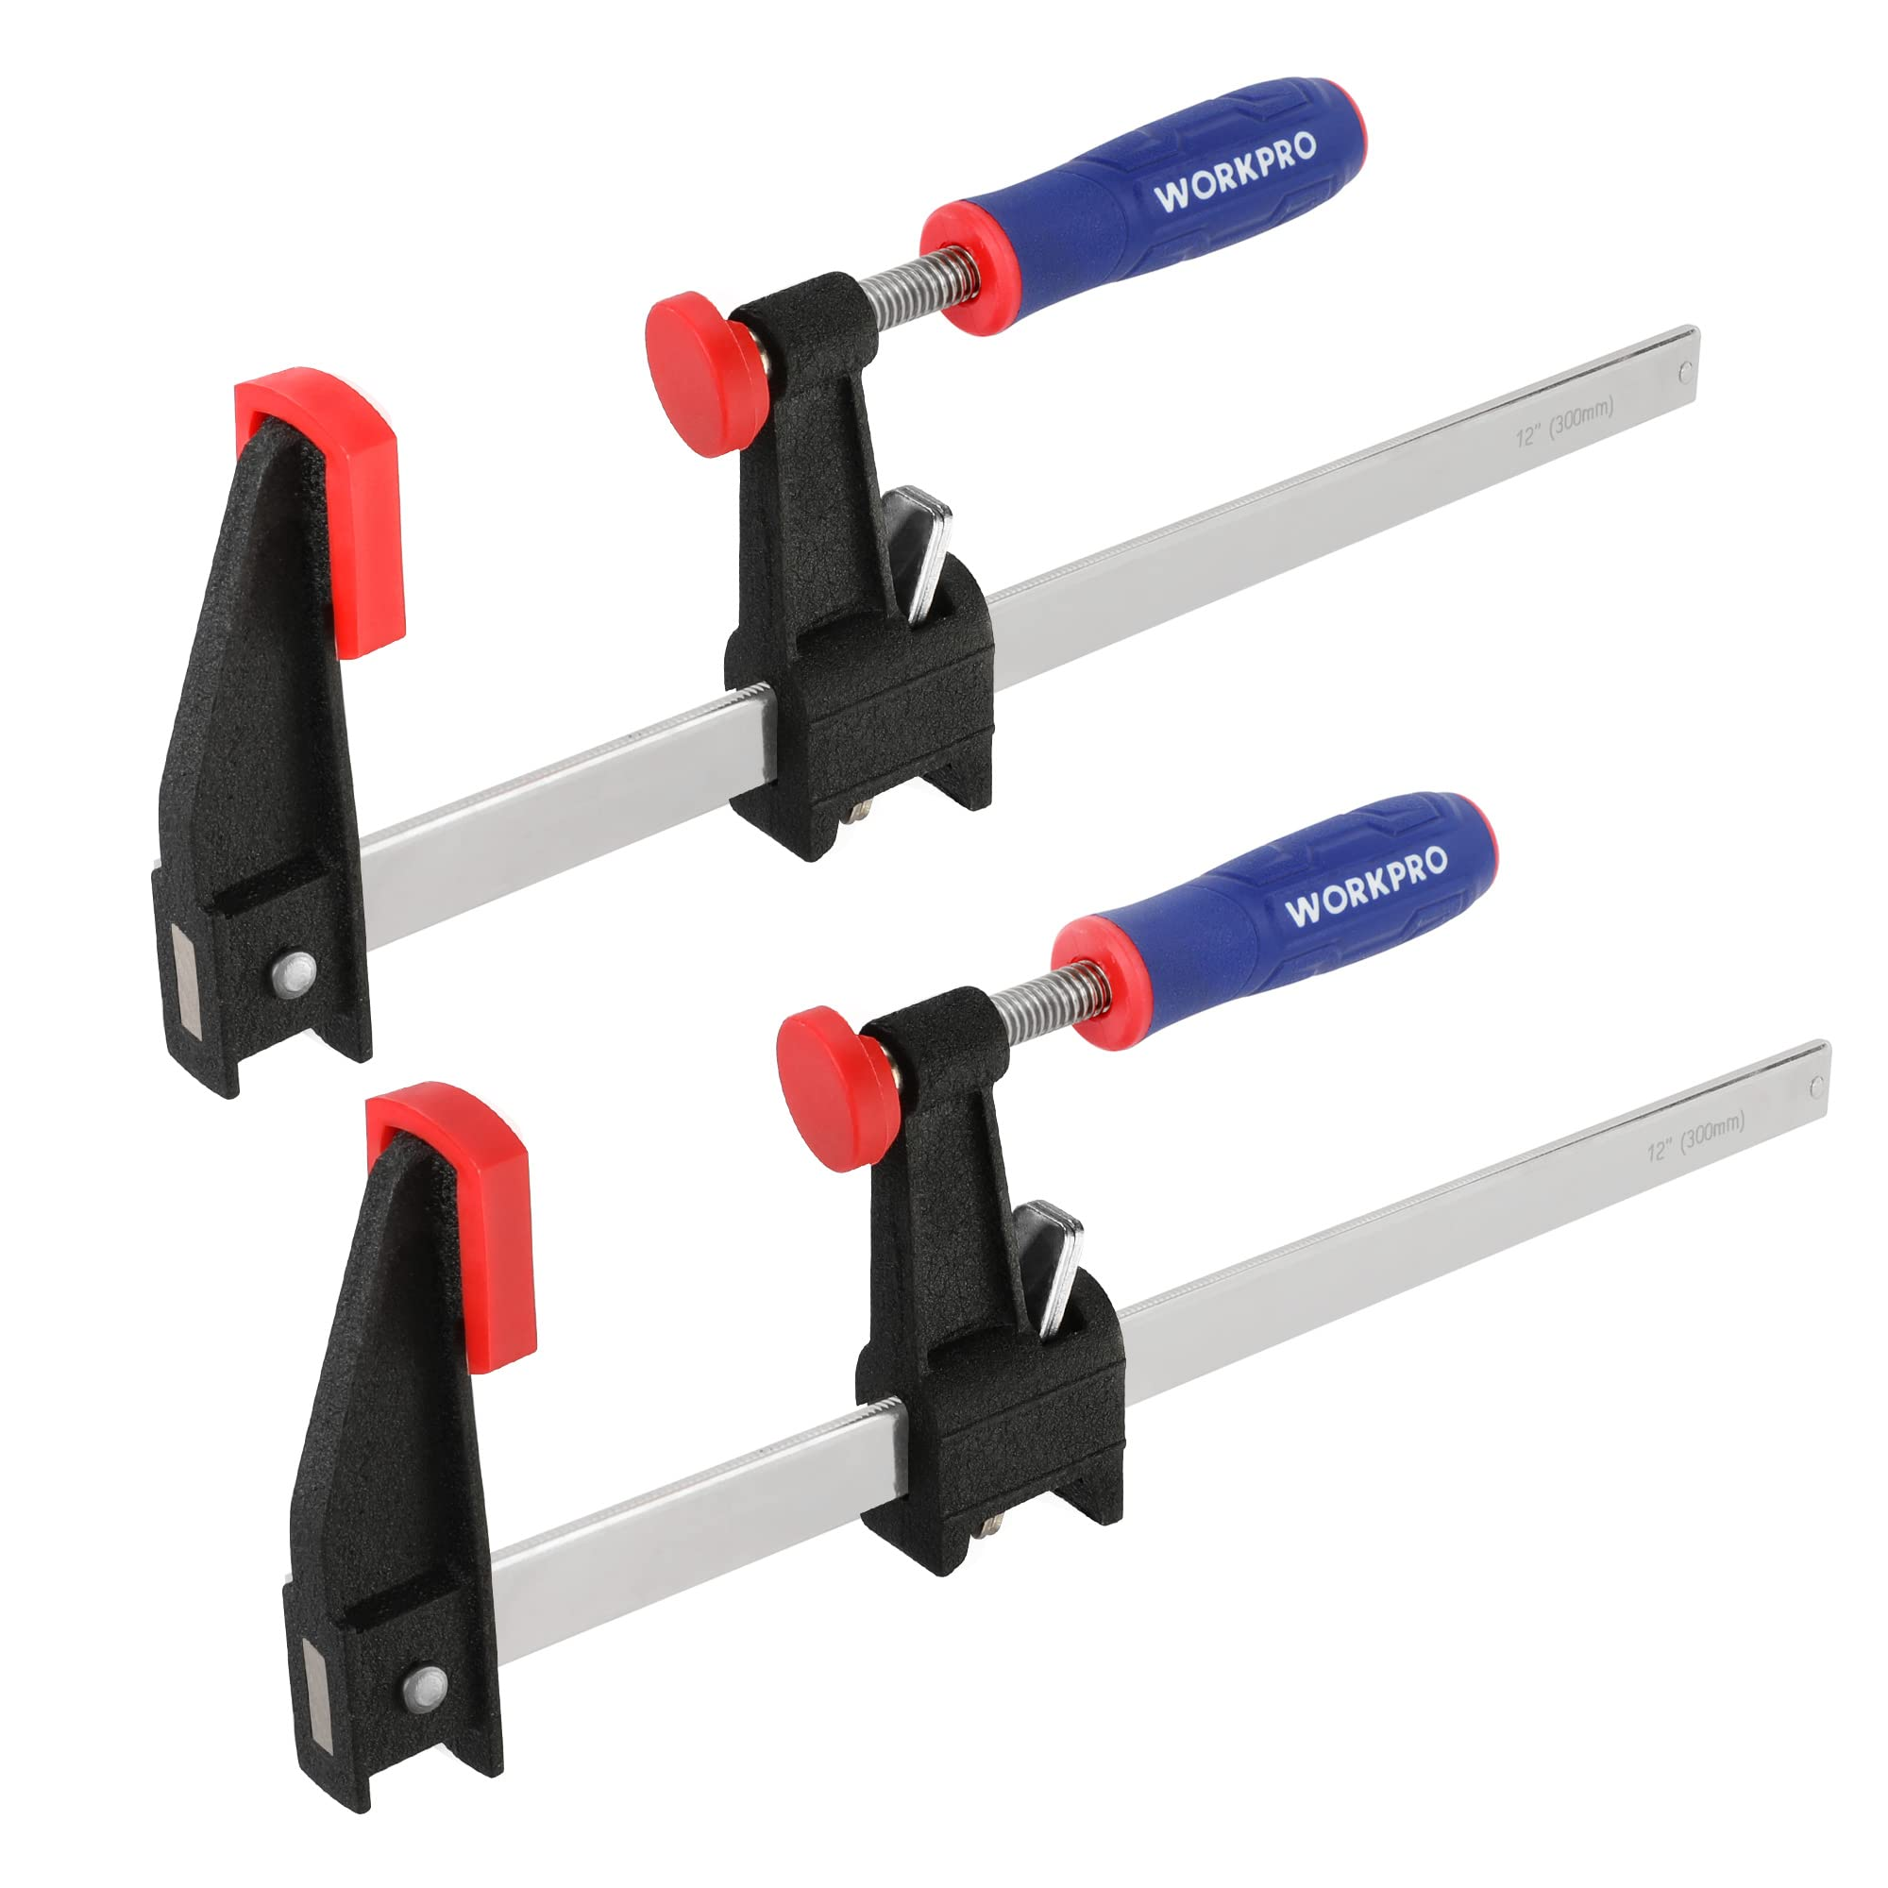
 | Power Cable Connector | Cleaning Wipes |  |  | 
 | Power Cable Connector | Conductor Grease |  |  | 
 | Power Cable Connector | Conduit Connectors |  |  | 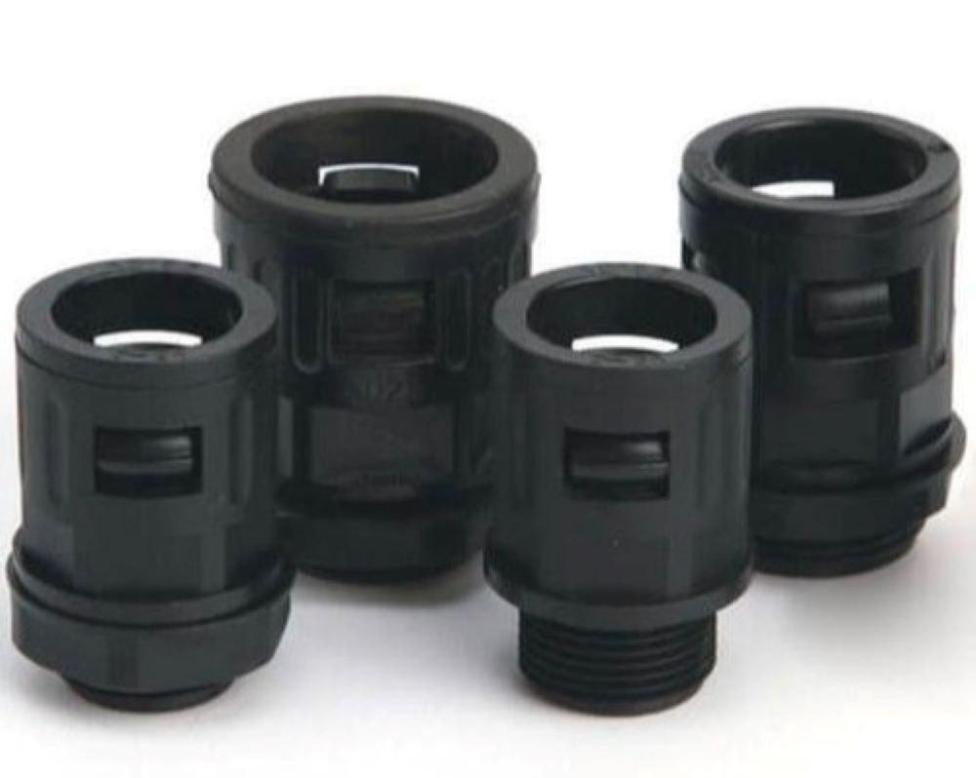
 | Power Cable Connector | Conduit Cutter |  |  | 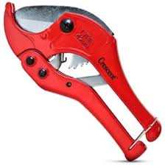
 | Power Cable Connector | Contact cleaner |  |  | 
 | Power Cable Connector | Continuity tester |  |  | 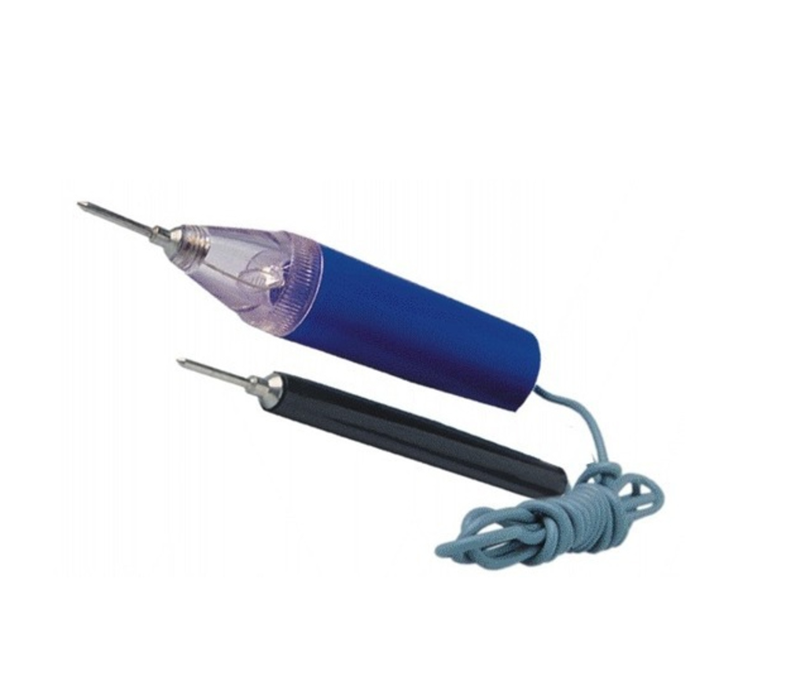
 | Power Cable Connector | Control panel
 | Power Cable Connector | Crimp lugs |  |  | 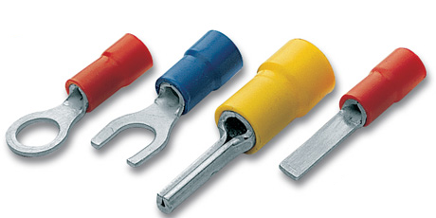
 | Power Cable Connector | Crimping dies |  |  | 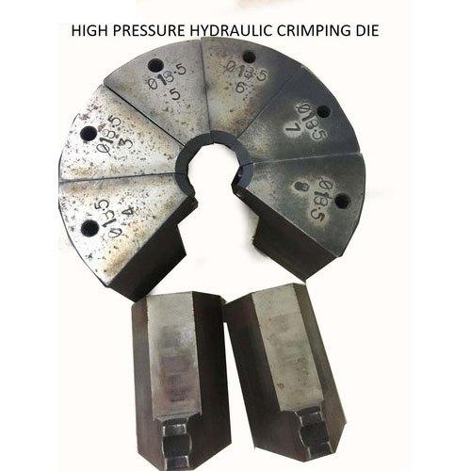
 | Power Cable Connector | Crimping Tool |  |  | 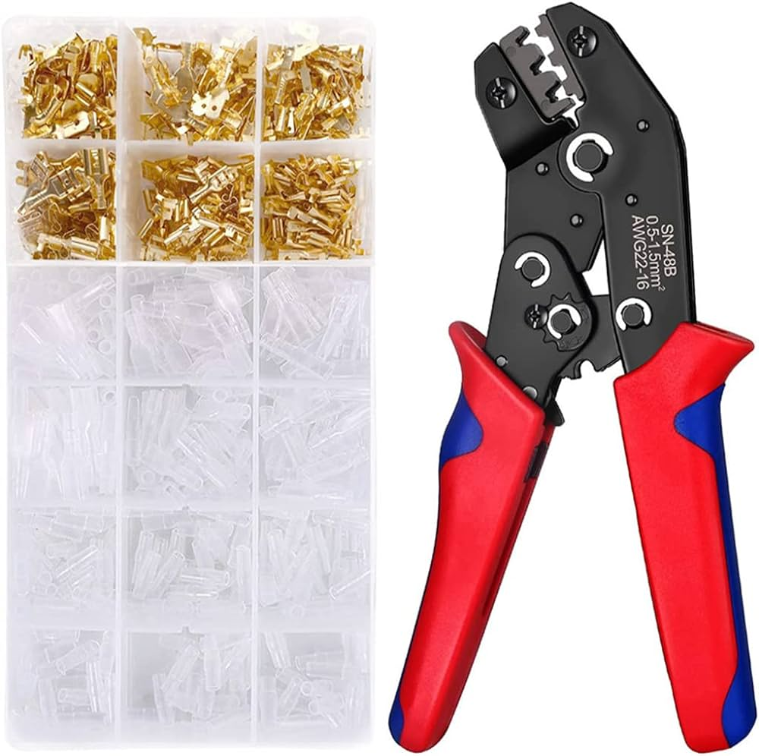
 | Power Cable Connector | Digital Camera |  |  | 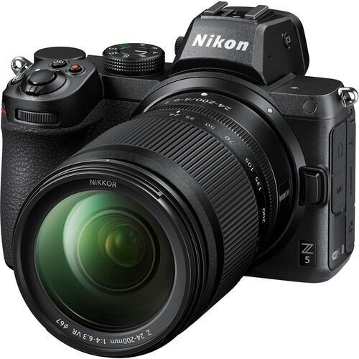
 | Power Cable Connector | Drilling Machine |  |  | 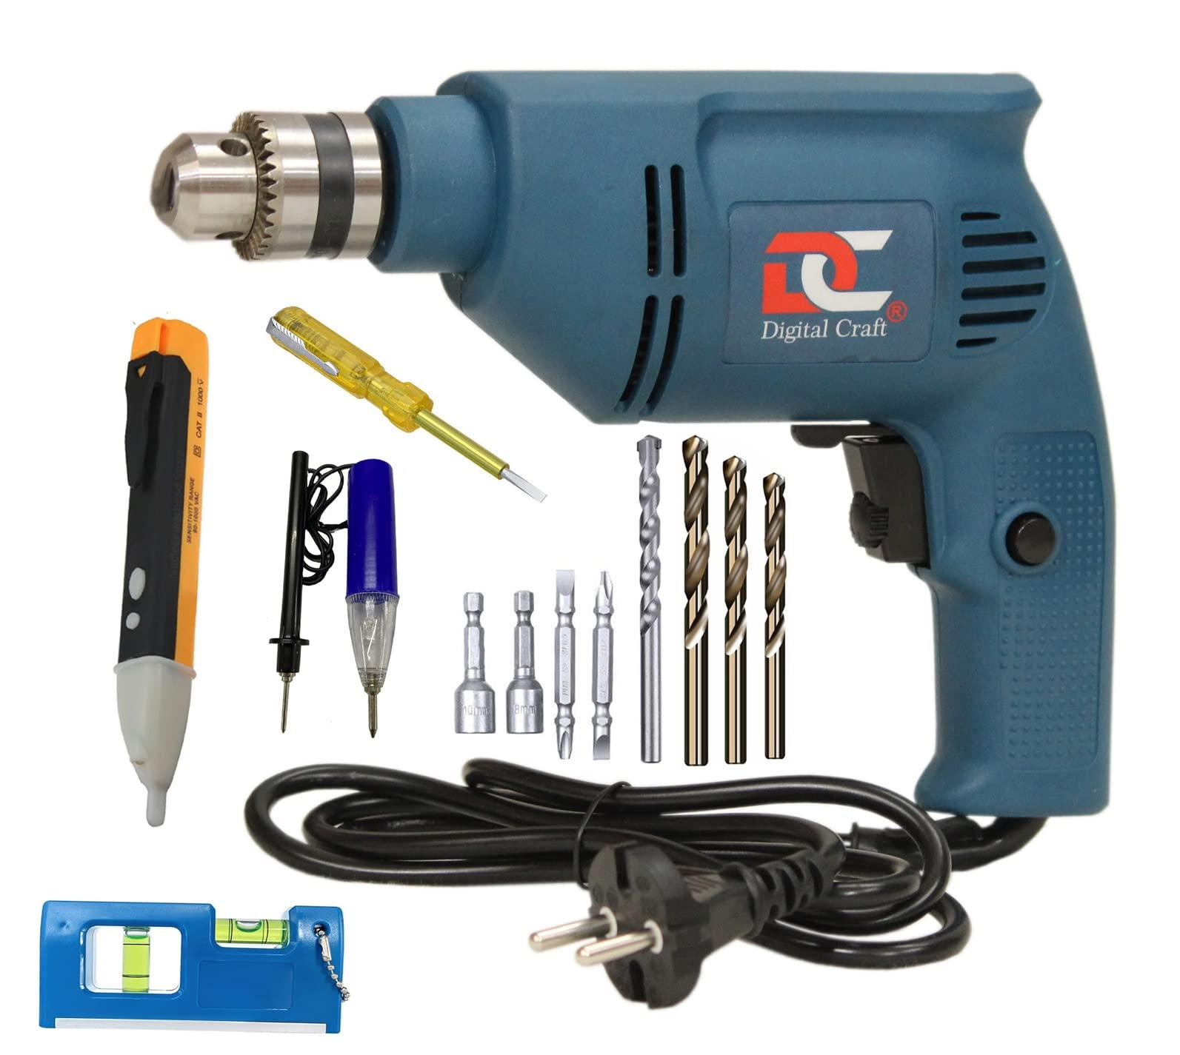
 | Power Cable Connector | Elbow and knee guards |  |  | 
 | Power Cable Connector | Electrical layout blueprints |  |  | 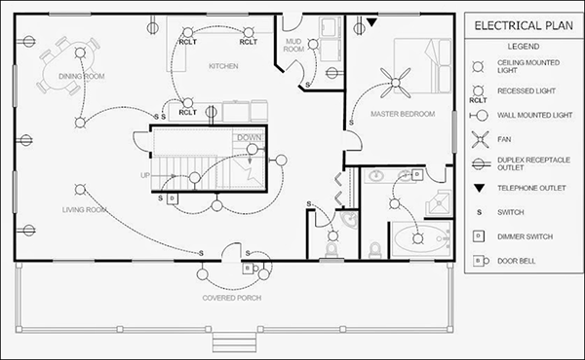
 | Power Cable Connector | Electrical metallic conduit |  |  | 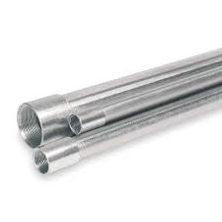
 | Power Cable Connector | Electrical tape |  |  | 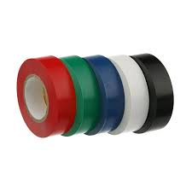
 | Power Cable Connector | Electricians' Knife |  |  | 
 | Power Cable Connector | Fasteners |  |  | 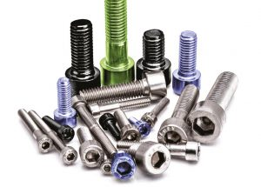
 | Power Cable Connector | Fish Tape
 | Power Cable Connector | Fittings |  |  | 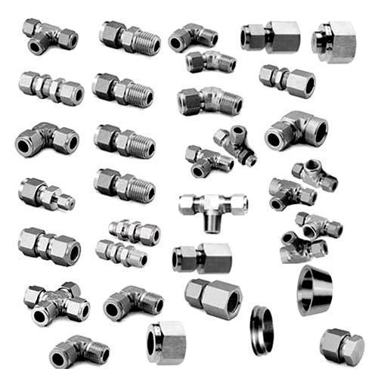
 | Power Cable Connector | Ground Rod |  |  | 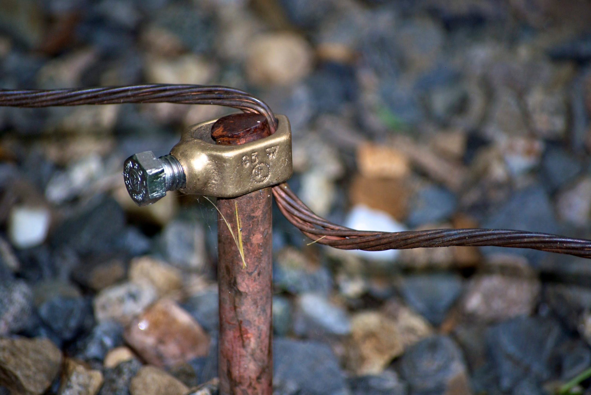
 | Power Cable Connector | Grounding cables |  |  | 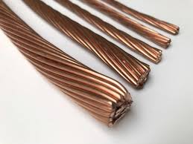
 | Power Cable Connector | Grounding Kit |  |  | 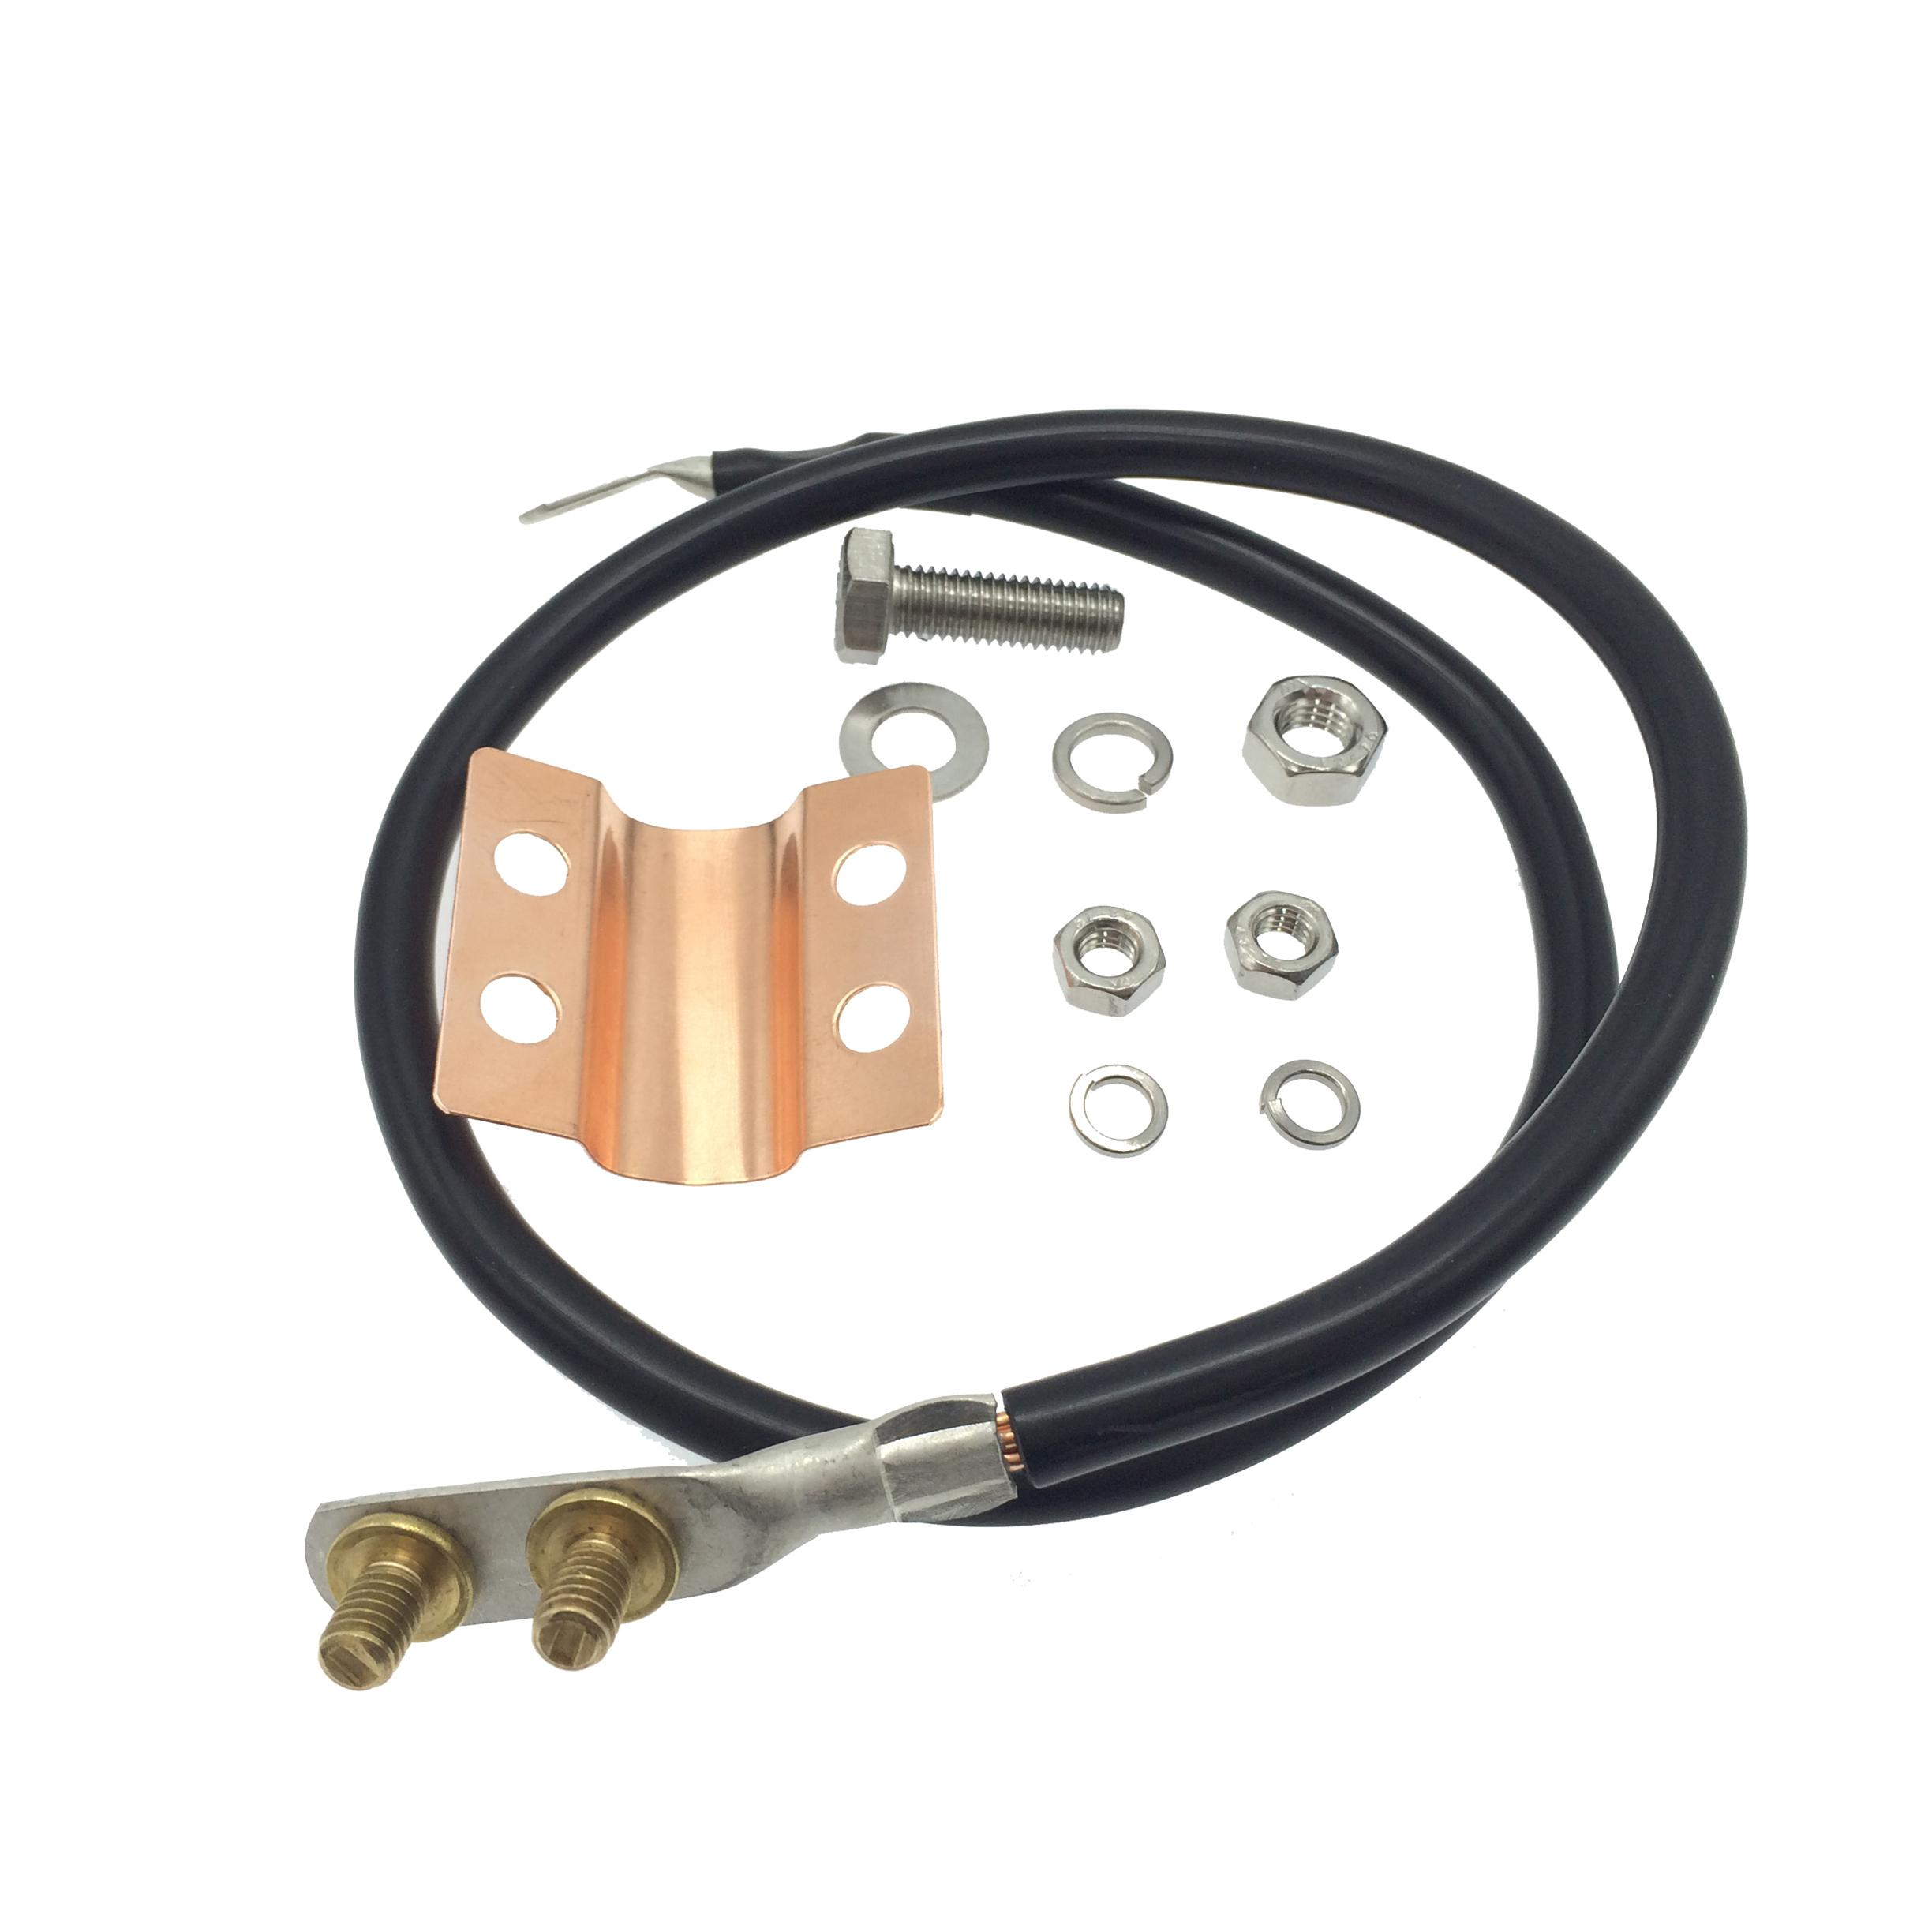
 | Power Cable Connector | Hacksaw |  |  | 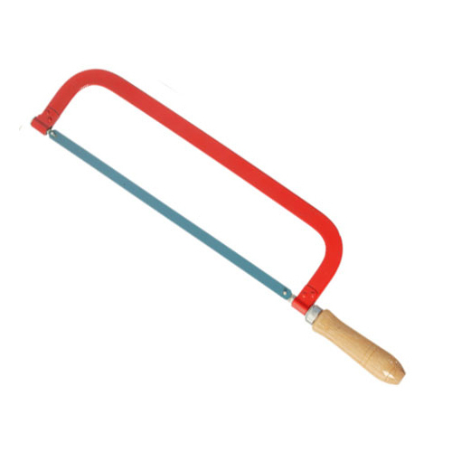
 | Power Cable Connector | Hammer drill |  |  | 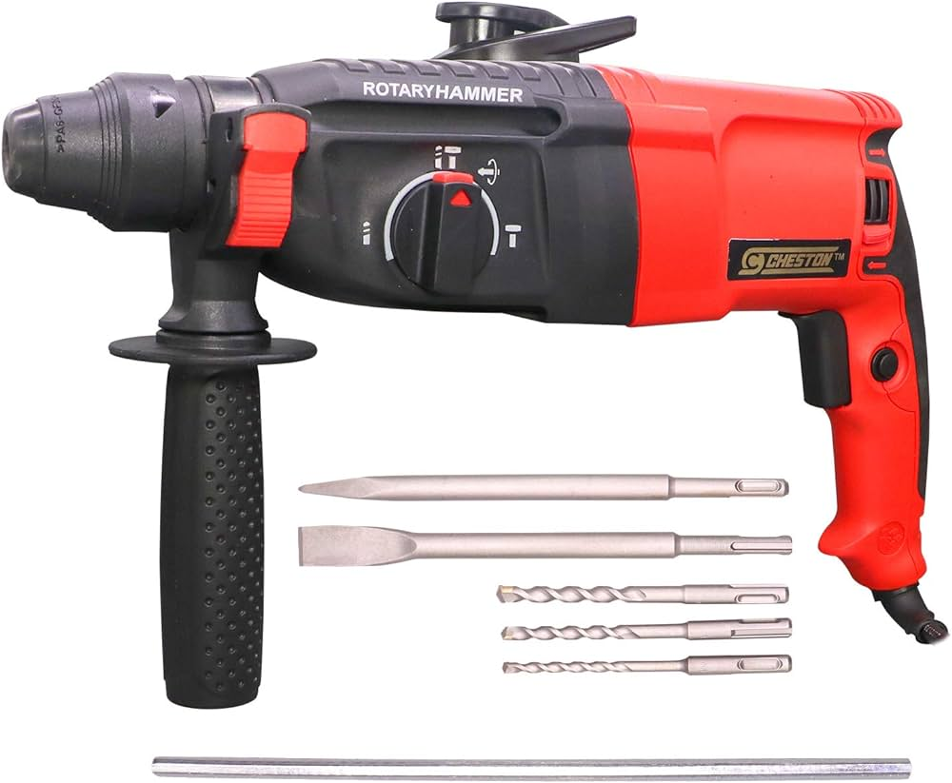
 | Power Cable Connector | Heat gun |  |  | 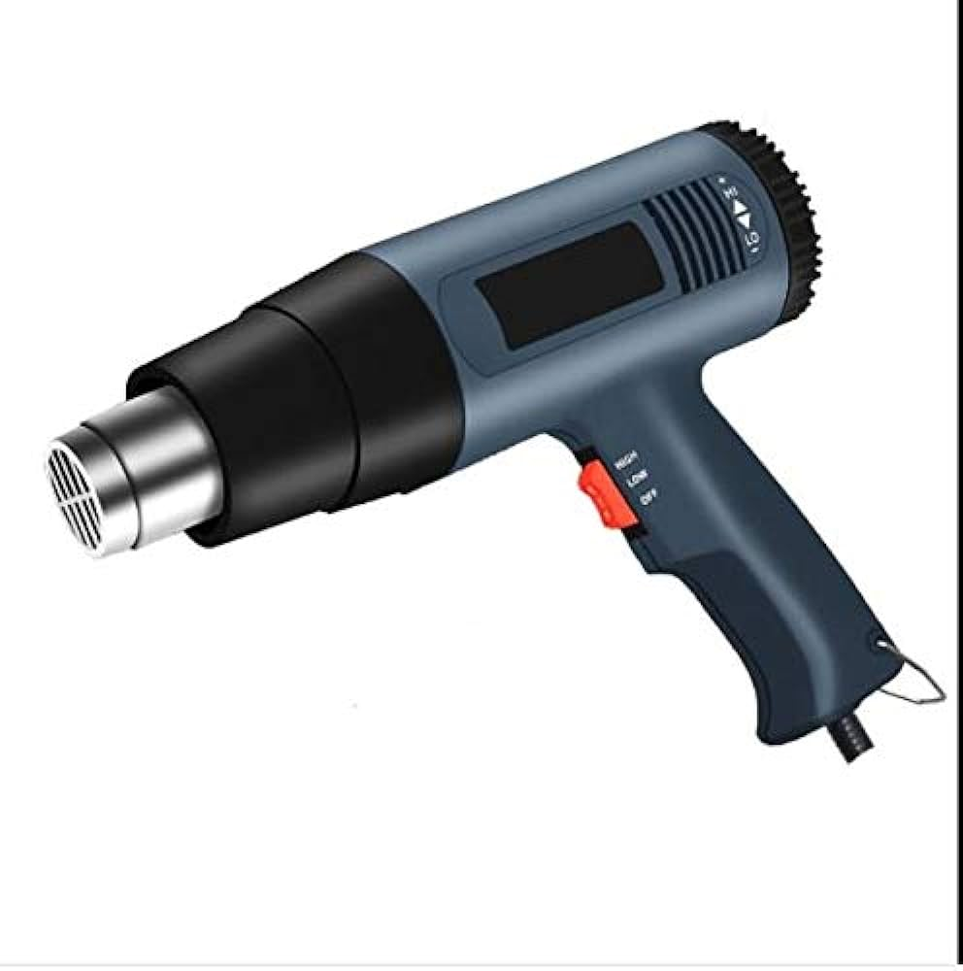
 | Power Cable Connector | Heat Shrink Sleeve |  |  | 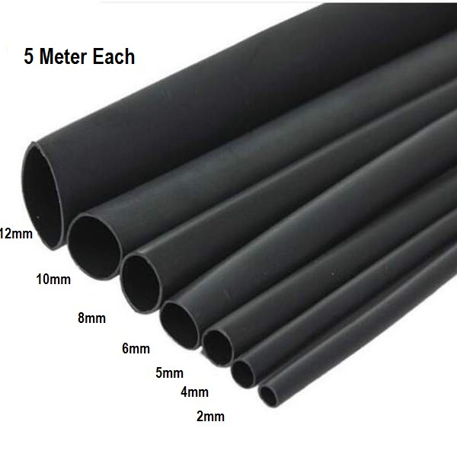
 | Power Cable Connector | Heating Torch |  |  | 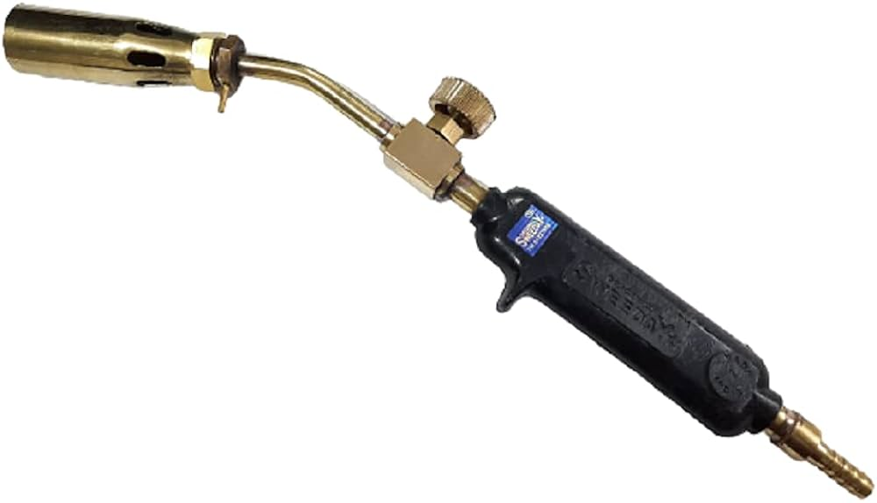
 | Power Cable Connector | High tension cables |  |  | 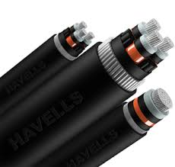
 | Power Cable Connector | High-voltage cable |  |  | 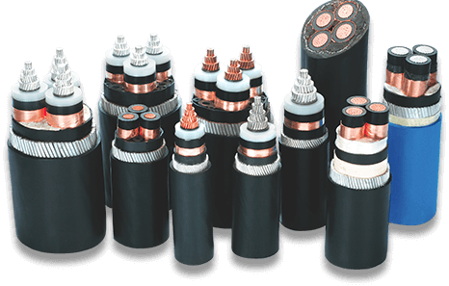
 | Power Cable Connector | Hoisting Equipment |  |  | 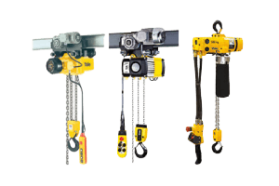
 | Power Cable Connector | Hydraulic Crimping Tool |  |  | 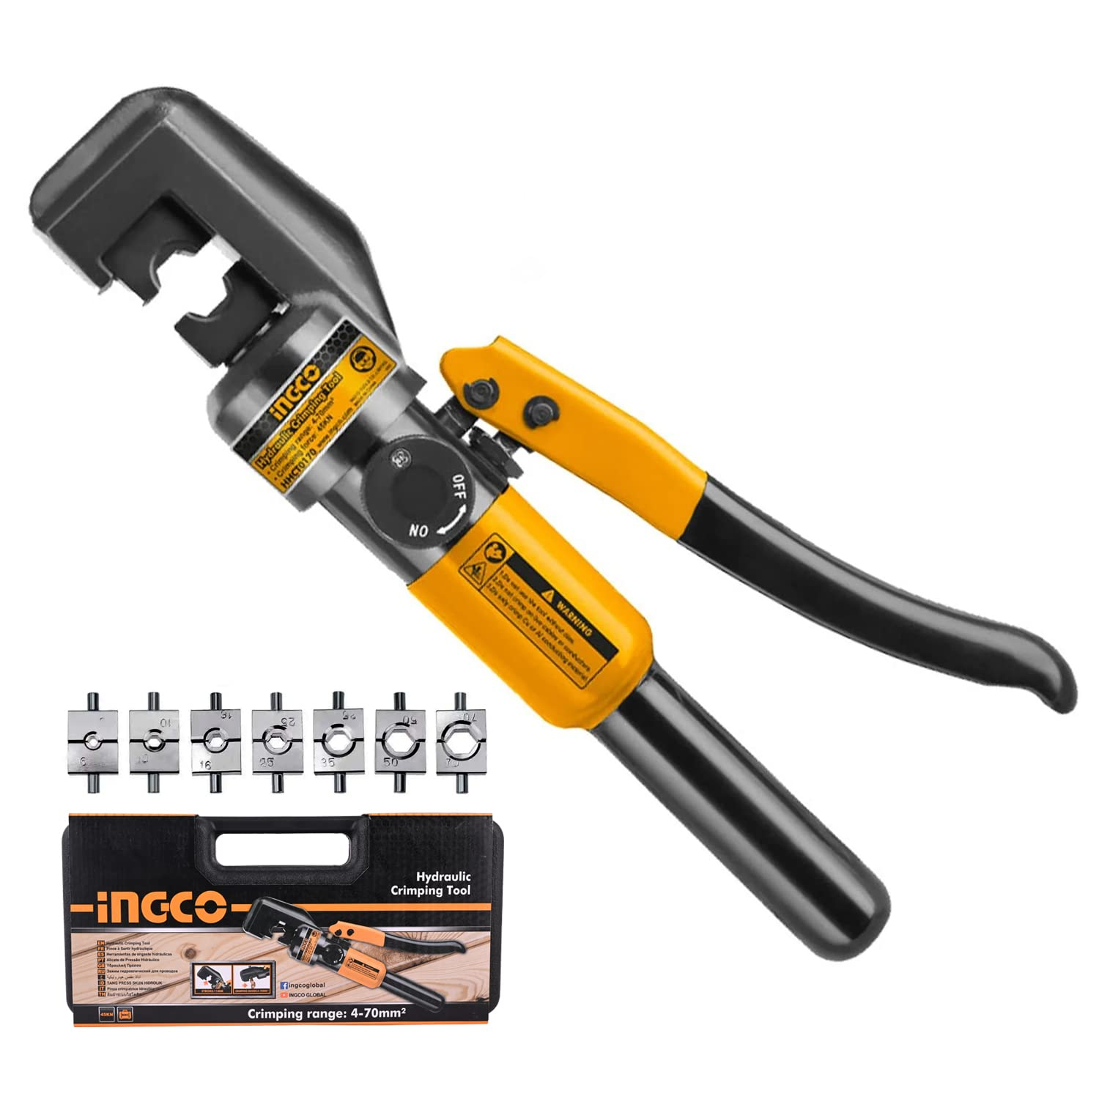
 | Power Cable Connector | Inspection checklist |  |  | 
 | Power Cable Connector | Installation manual |  |  | 
 | Power Cable Connector | Insulation Resistance Tester |  |  | 
 | Power Cable Connector | Joining adhesives |  |  | 
 | Power Cable Connector | Jointing Compound |  |  | 
 | Power Cable Connector | Junction Shell |  |  | 
 | Power Cable Connector | Level |  |  | 
 | Power Cable Connector | Locknuts |  |  | 
 | Power Cable Connector | LT Cable |  |  | 
 | Power Cable Connector | Lugs |  |  | 
 | Power Cable Connector | Marker Tags |  |  | 
 | Power Cable Connector | Markers |  |  | 
 | Power Cable Connector | Marking Paint |  |  | 
 | Power Cable Connector | Marking pencil |  |  | 
 | Power Cable Connector | Measurement tape |  |  | 
 | Power Cable Connector | Megger (Insulation Tester) |  |  | 
 | Power Cable Connector | Multimeter |  |  | 
 | Power Cable Connector | Overhead cables |  |  | 
 | Power Cable Connector | Overhead Line Model |  |  | 
 | Power Cable Connector | Phase Meter |  |  | 
 | Power Cable Connector | Power cables |  |  | 
 | Power Cable Connector | Pre-molded Termination Kit |  |  | 
 | Power Cable Connector | Precision Knife |  |  | 
 | Power Cable Connector | PVC conduit |  |  | 
 | Power Cable Connector | Replacement Cable |  |  | 
 | Power Cable Connector | Replacement circuit breakers and fuses |  |  | 
 | Power Cable Connector | Resin Compound |  |  | 
 | Power Cable Connector | Screwdrivers |  |  | 
 | Power Cable Connector | Screws |  |  | 
 | Power Cable Connector | Signal Generator |  |  | 
 | Power Cable Connector | Silicone grease |  |  | 
 | Power Cable Connector | Splice Closure Kit |  |  | 
 | Power Cable Connector | Splicing Tape |  |  | 
 | Power Cable Connector | Terminal Blocks |  |  | 
 | Power Cable Connector | Terminal Cabinet |  |  | 
 | Power Cable Connector | Terminal lugs |  |  | 
 | Power Cable Connector | Test leads |  |  | 
 | Power Cable Connector | Threaded Conduit |  |  | 
 | Power Cable Connector | Threading machine |  |  | 
 | Power Cable Connector | Torque wrench |  |  | 
 | Power Cable Connector | Transformer model |  |  | 
 | Power Cable Connector | Trenching tools |  |  | 
 | Power Cable Connector | Underground cable |  |  | 
 | Power Cable Connector | Visual Inspection Tools |  |  | 
 | Power Cable Connector | Voltmeter |  |  | 
 | Power Cable Connector | Wall Plugs |  |  | 
 | Power Cable Connector | Wire brush |  |  | 
 | Power Cable Connector | Wire Cutters |  |  | 
 | Power Cable Connector | Wire Stripper |  |  | 
Protective Equipment & Wear
 | Power Cable Connector | Fire retardant, Reflective jacket or Jumpsuit with multiple pockets and reflective bands
 | Power Cable Connector | Full body harness
 | Power Cable Connector | Face mask (For light duty installation work) |  |  | 
 | Power Cable Connector | HEPA filter Respirator (When using soldering iron, drills, or handling large electrical equipment like generators) |  |  | 
 | Power Cable Connector | Protective Safety Glasses/Goggles |  |  | 
 | Power Cable Connector | Insulated boots |  |  | 
 | Power Cable Connector | Insulated Ladder
 | Power Cable Connector | Polypropylene Safety Hat (When working at construction site, at all times) |  |  | 
 | Power Cable Connector | Elbow and knee guards
 | Power Cable Connector | HEPA filter Respirator (When using soldering iron, drills, or handling large electrical equipment like generators)
 | Power Cable Connector | Insulated gloves |  |  | 
 | Power Cable Connector | Toe-Guards (If safety boots do not have steel toes) |  |  | 
Emergency Protection and Warning Equipment
 | Power Cable Connector | Fire prevention Kit (Containing fire blanket, Heat Resistant Gloves, Escape Rope, Glass Hammer, Glow Sticks, Flashlight, First Aid Supplies with Burn Injury Care Treatment and More) |  |  | 
 | Power Cable Connector | Lockout/Tagout Device with padlock |  |  | 
 | Power Cable Connector | Fire extinguisher (Hand held or Wall mounted)
 | Power Cable Connector | First aid box
 | Power Cable Connector | Safety tags, |  |  | 
 | Power Cable Connector | Safety notice board /safety message board |  |  | 
 | Power Cable Connector | Barricade Cones
 | Power Cable Connector | Warning Signs (Danger) |  |  | 

