Power Lines Operator
Sector name | Occupation name | Equipment name | Minimum number of equipment required (per batch of 30 trainees) | Unit type | Images
Power | Power Line Operator | Screwdriver | 15 | Number
Power | Power Line Operator | Phase tester | 15 | Number
Power | Power Line Operator | Combination plier | 10 | Number | 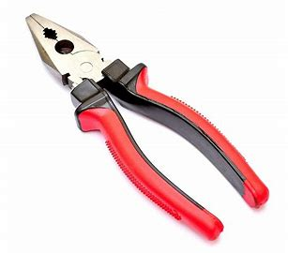
Power | Power Line Operator | Nose plier | 10 | Number
Power | Power Line Operator | Spanner | 10 | Number | 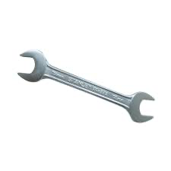
Power | Power Line Operator | Adjustable wrench | 10 | Number | 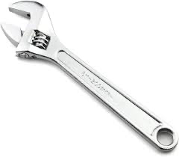
Power | Power Line Operator | Pipe wrench | 10 | Number
Power | Power Line Operator | Wooden pole |  |  | 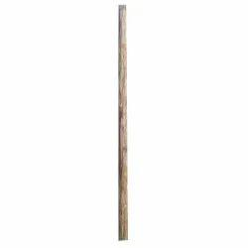
Power | Power Line Operator | Lab coat |  |  | 
Power | Power Line Operator | Rubber Apron
Power | Power Line Operator | Measuring tape | 10 | Number
Power | Power Line Operator | Hacksaw | 10 | Number
Power | Power Line Operator | Hammer | 10 | Number
Power | Power Line Operator | Chisel | 10 | Number
Power | Power Line Operator | Filer | 10 | Number
Power | Power Line Operator | Wood saw | 10 | Number
Power | Power Line Operator | Poker | 10 | Number | 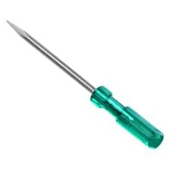
Power | Power Line Operator | Center punch | 10 | Number | 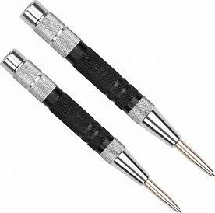
Power | Power Line Operator | Crimping tool | 5 | Number | 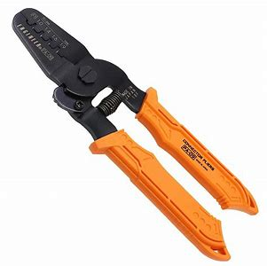
Power | Power Line Operator | Portable electric drill machine | 5 | Number | 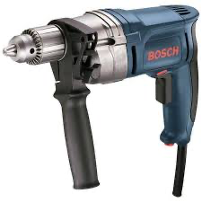
Power | Power Line Operator | Bench vise and line vise | 3 | Number | 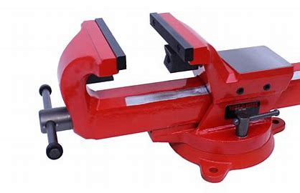
Power | Power Line Operator | Soldering iron | 3 | Number | 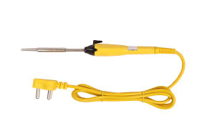
Power | Power Line Operator | Blow lamp | 5 | Number
Power | Power Line Operator | Cable socket punching tool | 5 | Number | 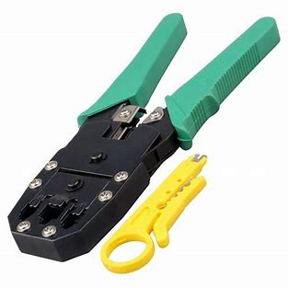
Power | Power Line Operator | Digital multimeter | 5 | Number | 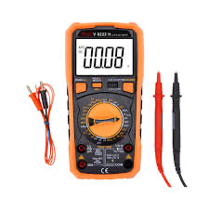
Power | Power Line Operator | Clip on meter or clamp on tester | 4 | Number | 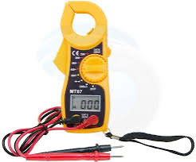
Power | Power Line Operator | Hi pot set | 1 | Number | 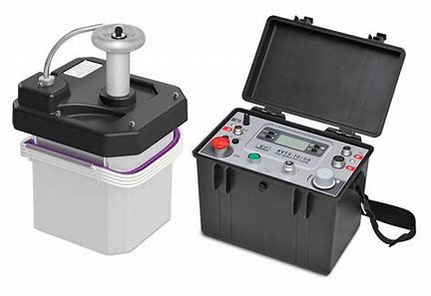
Power | Power Line Operator | Megger(Analogue) | 2 | Number
Power | Power Line Operator | Earth tester | 2 | Number
Power | Power Line Operator | Neon (Power) tester | 1 | Number | 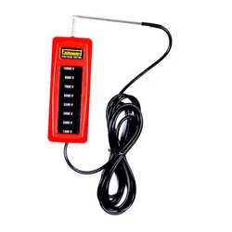
Power | Power Line Operator | Transformer oil testing kit | 1 | Number | 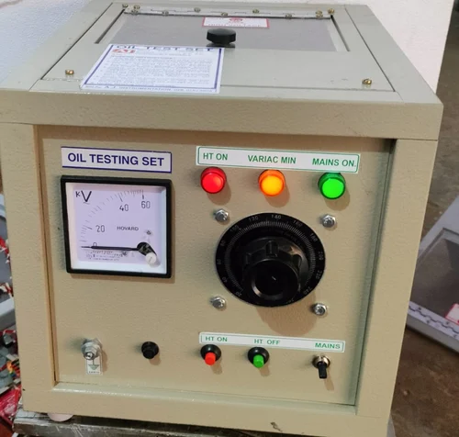
Power | Power Line Operator | Discharge rod | 1 | Number | 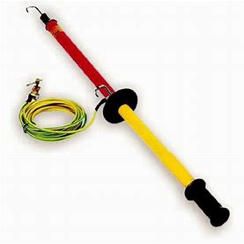
Protective Equipment & Wear
Power | Power Line Operator | Fire retardant, Reflective jacket or Jumpsuit with multiple pockets and reflective bands, flame-resistant clothing - CAT 2
Power | Power Line Operator | Full body harness
Power | Power Line Operator | Face mask (For light duty installation work) |  |  | 
Power | Power Line Operator | HEPA filter Respirator (When using soldering iron, drills, or handling large electrical equipment like generators) |  |  | 
Power | Power Line Operator | Protective Safety Glasses/Goggles |  |  | 
Power | Power Line Operator | Insulated boots and closed toe shoe |  |  | 
Power | Power Line Operator | Insulated Ladder
Power | Power Line Operator | Polypropylene Safety Hat (When working at construction site, at all times) |  |  | 
Power | Power Line Operator | Elbow and knee guards |  |  | 
Power | Power Line Operator | Insulated gloves |  |  | 
Emergency Protection and Warning Equipment
Power | Power Line Operator | Fire prevention Kit (Containing fire blanket, Heat Resistant Gloves, Escape Rope, Glass Hammer, Glow Sticks, Flashlight, First Aid Supplies with Burn Injury Care Treatment and More) |  |  | 
Power | Power Line Operator | Lockout/Tagout Device with padlock |  |  | 
Power | Power Line Operator | Fire extinguisher (Hand held or Wall mounted)
Power | Power Line Operator | First aid box
Power | Power Line Operator | Safety tags, |  |  | 
Power | Power Line Operator | Safety notice board /safety message board |  |  | 
Power | Power Line Operator | Barricade Cones |  |  | 
Power | Power Line Operator | Warning Signs (Danger)

Note: All electrical equipment should be insulated as per NFPA 70E

