Tools
Road Maintenance Worker Images for Lab
S. no | Tools | Images
1 | Traffic cones | 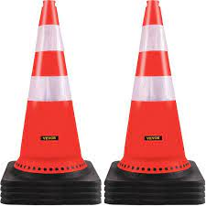
2 | Warning signs | 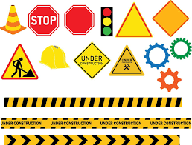
3 | Pedestrian barriers | 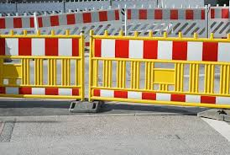
4 | High-visibility safety vest | 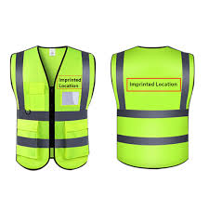
5 | Gloves (laboratory or chemical-resistant gloves) | 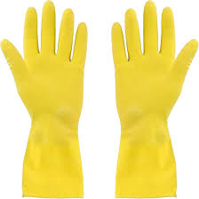
6 | Heat-resistant gloves | 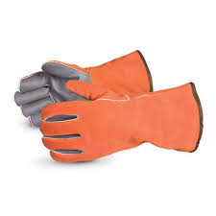
7 | Heavy duty leather gloves | 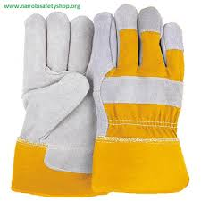
8 | Hard hat | 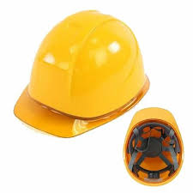
9 | Reflective tape | 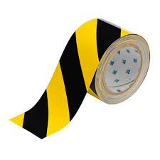
10 | Asphalt plant | 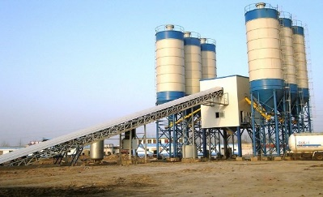
11 | Aggregate (coarse) | 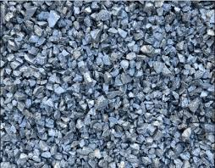
12 | Aggregate (fine) | 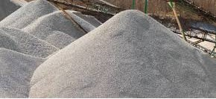
13 | Mixing equipment | 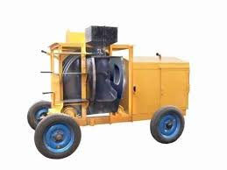
14 | Asphalt Thermometer | 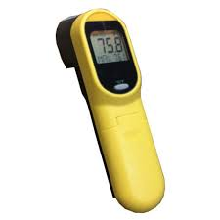
15 | Asphalt mixing machine with temperature control | 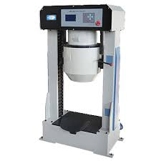
16 | Additives for lowering production temperature
17 | Half-face respirator | 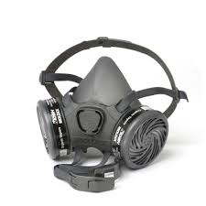
18 | Safety goggles | 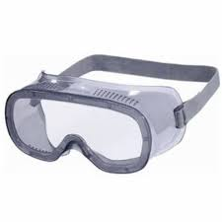
19 | Ear protection | 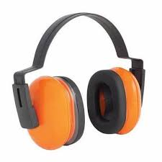
20 | Shovel | 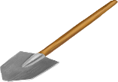
21 | Portland cement
22 | Measuring tools - Measuring Tapes | 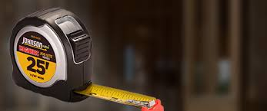
23 | Measuring tools - Distance measuring | 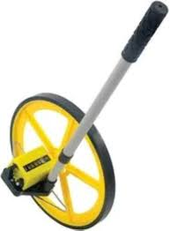
24 | Measuring tools - Angle Finders | 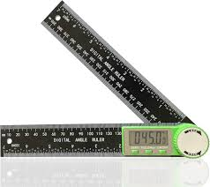
25 | Wheelbarrow | 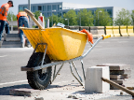
26 | Hand Trowel
27 | Power Trowel | 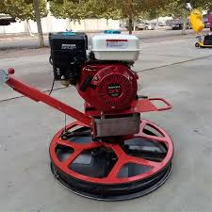
28 | Hydraulic Broom | 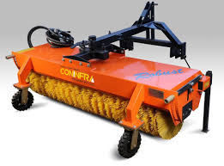
29 | Concrete Screed board vibrator | 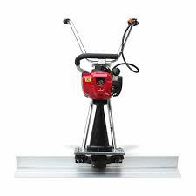
30 | Dust mask | 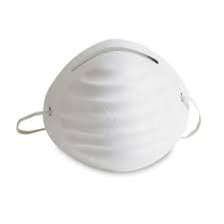
31 | Water source
32 | Wheel tractor Scraper | 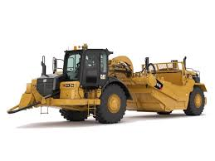
33 | Metal wire road cleaning brush | 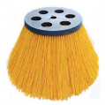
34 | Waterproof apron | 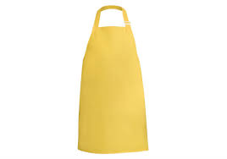
35 | Crack sealing material - Asphalt rubber
36 | Crack cleaning tools
37 | Compressed air equipment | 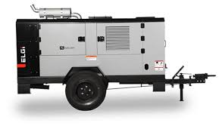
38 | Chip seal materials (Asphalt binders/ aggregate chips)
39 | Asphalt distributor/ Bitumen sprayer | 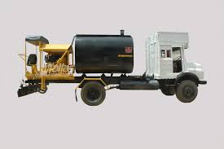
40 | Chip spreader
41 | Pneumatic roller | 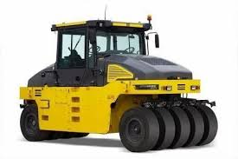
42 | Crawler Excavator | 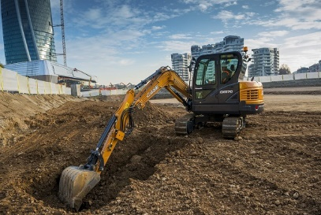
43 | Moisture content tester | 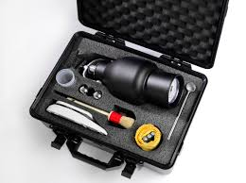
44 | Geotextile fabric | 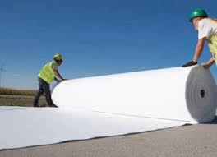
45 | Water truck | 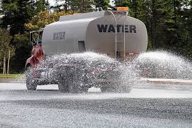
46 | Survey map | 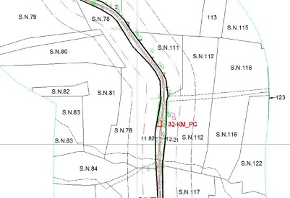
47 | Dump truck | 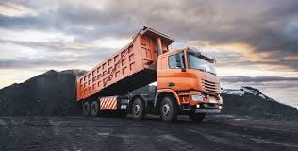
48 | Surveying equipment - Theodilite
49 | Surveying equipment - Ranging rods | 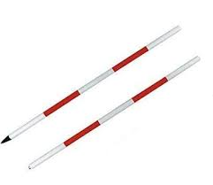
50 | Surveying equipment - pegs | 
51 | Survey Stakes | 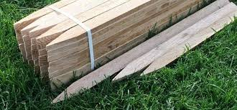
52 | Marking paint | 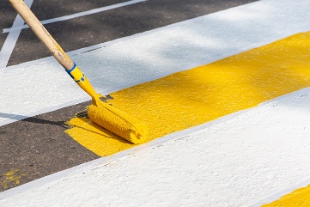
53 | Measuring tape | 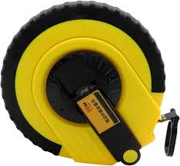
54 | String line/ Mason line | 
55 | Grader attachment | 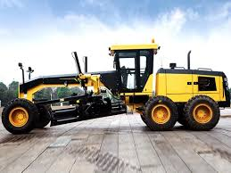
56 | Asphalt paver | 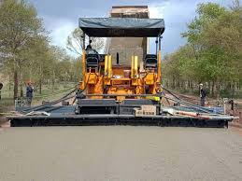
57 | Asphalt mix
58 | Hand tools - Rakes | 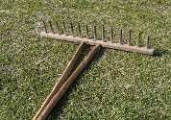
59 | Spirit Level
60 | Tamper (hand tamper) | 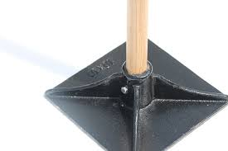
61 | Cold mix asphalt
62 | Pavement saw/ Road saw
63 | Tack coat/ Bond coat
64 | Spray-injection patching machine | 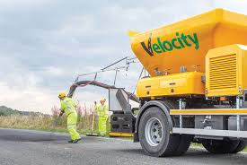
65 | Asphalt emulsion | 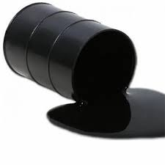
66 | Laser level machine
67 | Auto level machine | 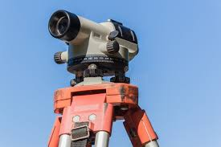
68 | Backhoe loader | 
69 | Trench box | 
70 | Bedding material (sand or gravel)
71 | Drainage pipes
72 | Pipe laser | 
73 | Backfill material | 
74 | Compacting equipment - Vibratory Compactor | 
75 | Compacting equipment - Plate vibratory Compactor | 
76 | Compacting Equipment - Smooth wheel roller | 
77 | Sheep's foot roller | 
78 | Jackhammer | 
79 | Pressure broom | 
80 | Fuel
81 | Polyethylene sheets | 
82 | Curing compound
83 | Asphalt roller | 
84 | Drainage inspection camera | 
85 | High-pressure water jetting equipment | 
86 | Dynamic shear rheometer | 
87 | Ring and ball apparatus | 
88 | Ductility machine | 
89 | Capillary viscometer | 
90 | Stopwatch
91 | Lab coat
92 | Communication devices
93 | Needle vibrator | 
94 | Asphalt sample | 
95 | Steel-toed boots | 

