Roof Cleaner
Sector Name | Occupation name | Equipment name | Minimum number of equipment required (per batch of 30 trainees) | Unit type | Images
 | Roof Cleaner | X Frame scaffolding |  |  | 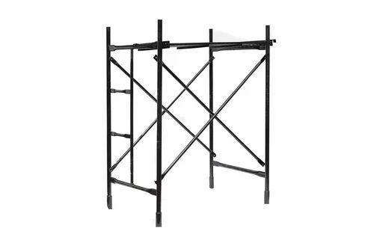
 | Roof Cleaner | Soft wash system |  |  | 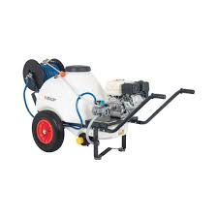
 | Roof Cleaner | Biodegradable cleaning solution
 | Roof Cleaner | Garden hose |  |  | 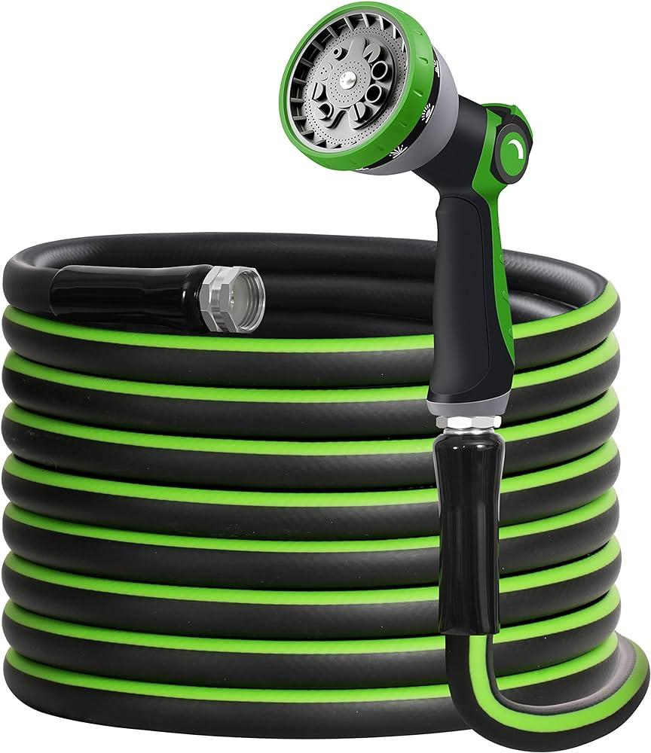
 | Roof Cleaner | Two-story asphalt shingle
 | Roof Cleaner | Pressure washer |  |  | 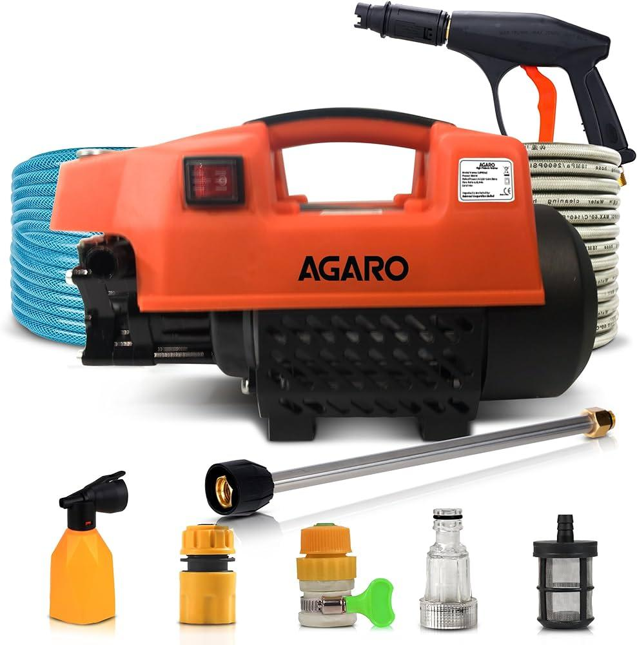
 | Roof Cleaner | Pressure washing detergent
 | Roof Cleaner | Single-story concrete tile roof
 | Roof Cleaner | Long-handled brush |  |  | 
 | Roof Cleaner | Power washer |  |  | 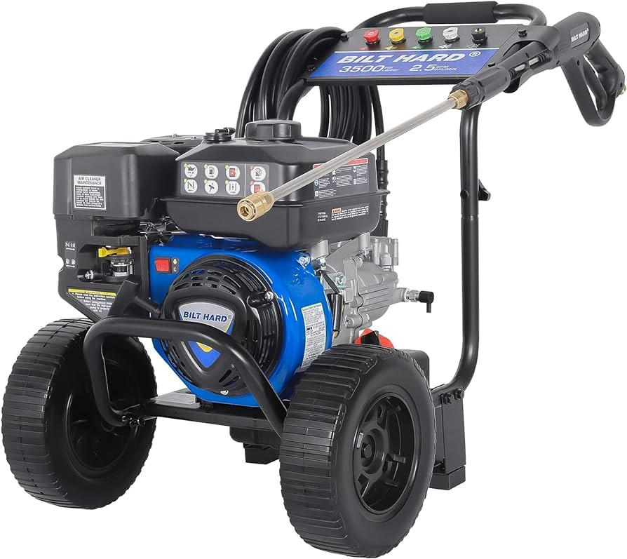
 | Roof Cleaner | Three-story metal roof
 | Roof Cleaner | Industrial detergent |  |  | 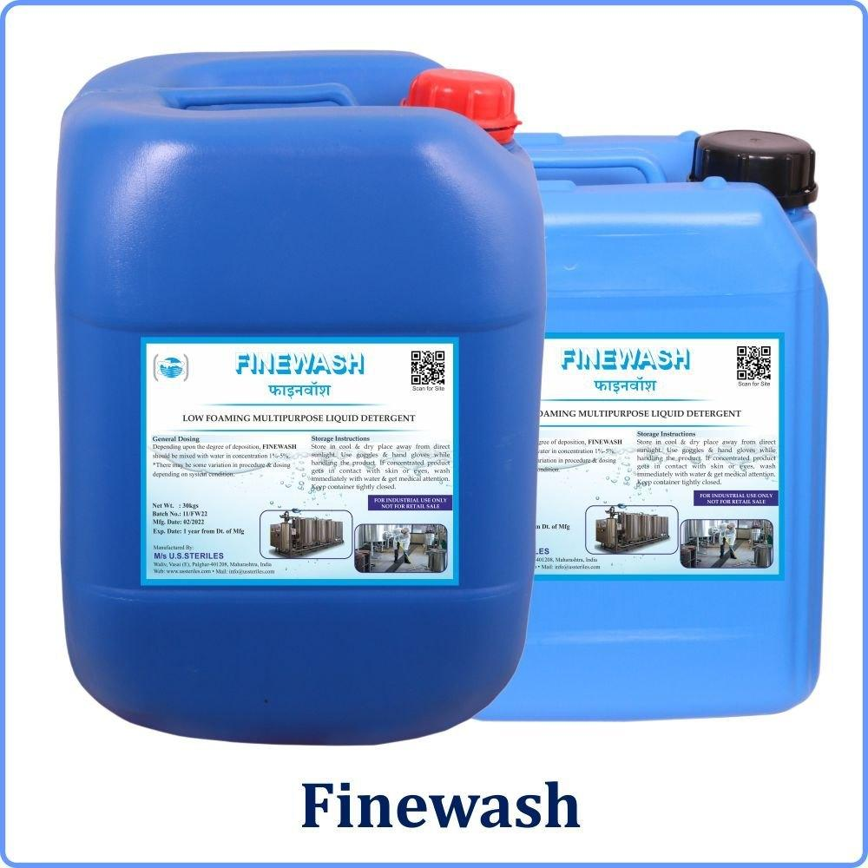
 | Roof Cleaner | Eco-friendly detergent
 | Roof Cleaner | Clay tile |  |  | 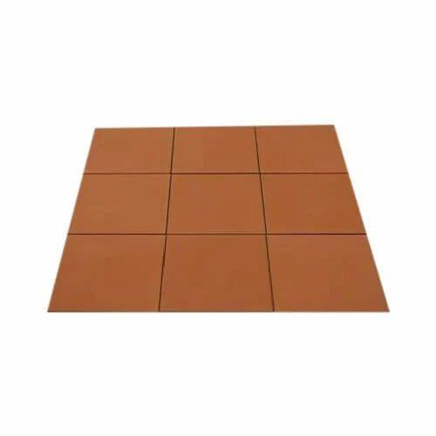
 | Roof Cleaner | Single-story wooden shake roof
 | Roof Cleaner | Adjustable pressure nozzle |  |  | 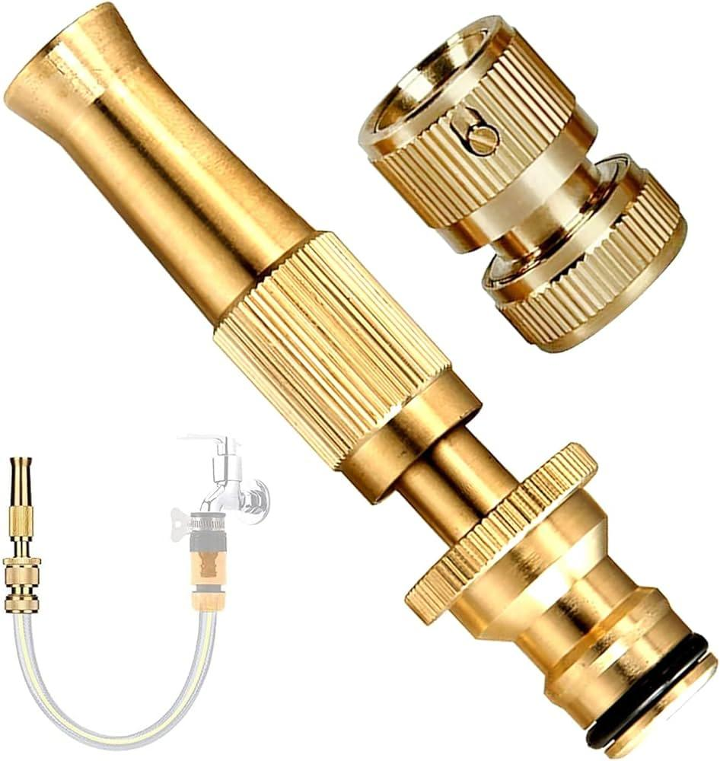
 | Roof Cleaner | Non-ionic detergent
 | Roof Cleaner | Soft-bristle brush |  |  | 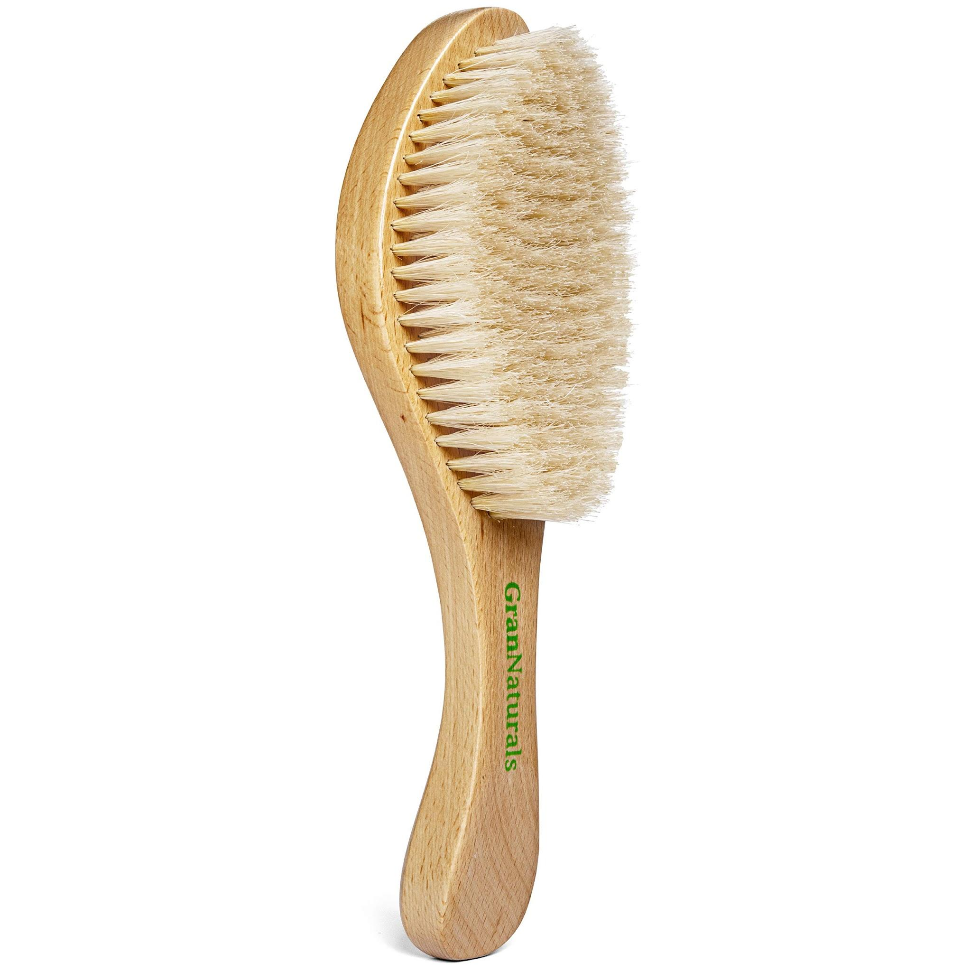
 | Roof Cleaner | Ground-level stone facade
 | Roof Cleaner | Steam cleaner |  |  | 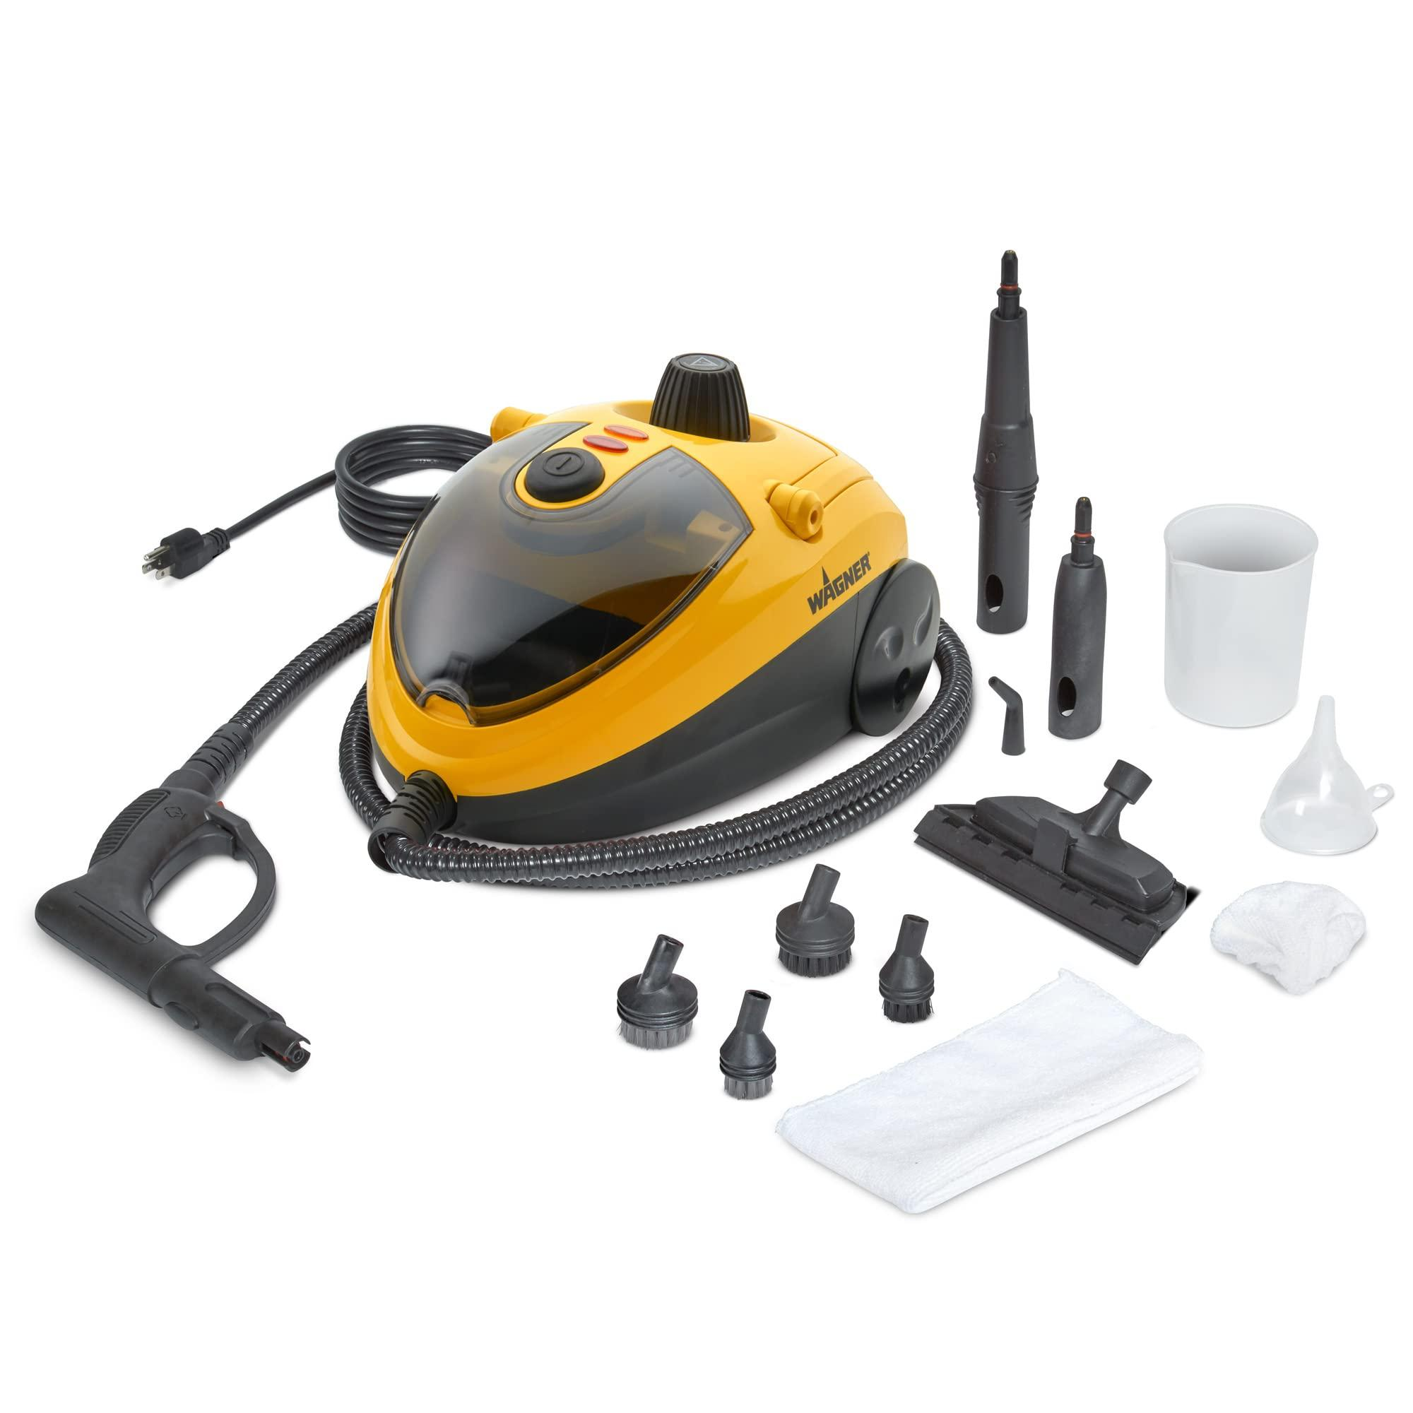
 | Roof Cleaner | High-rise glass facade
 | Roof Cleaner | Alkaline cleaner |  |  | 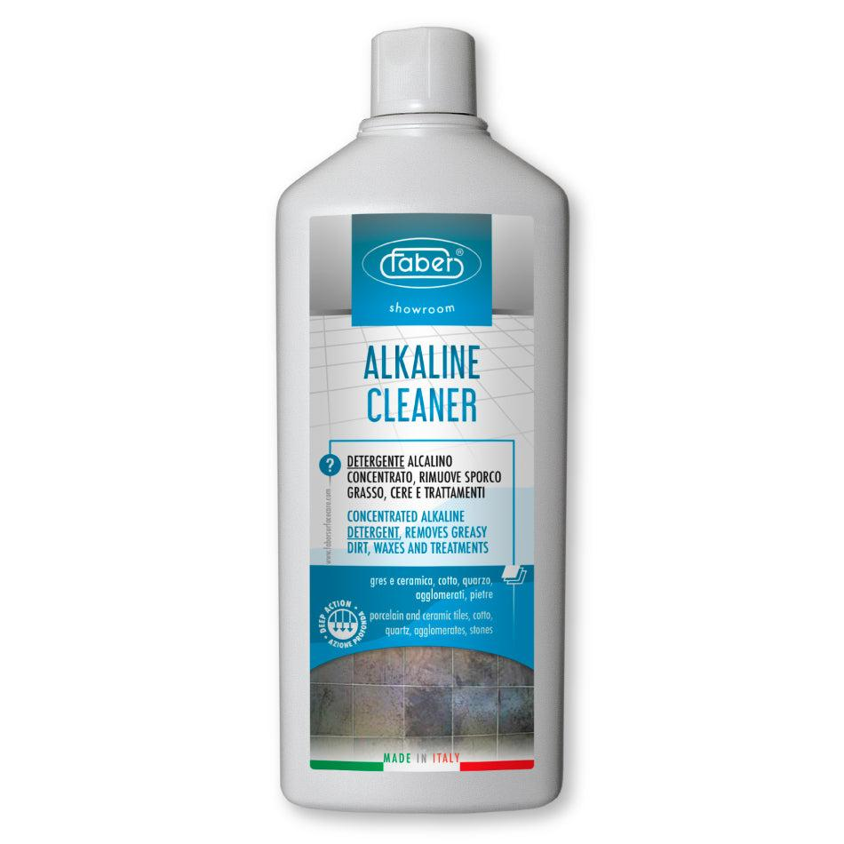
 | Roof Cleaner | Dry ice blasting equipment |  |  | 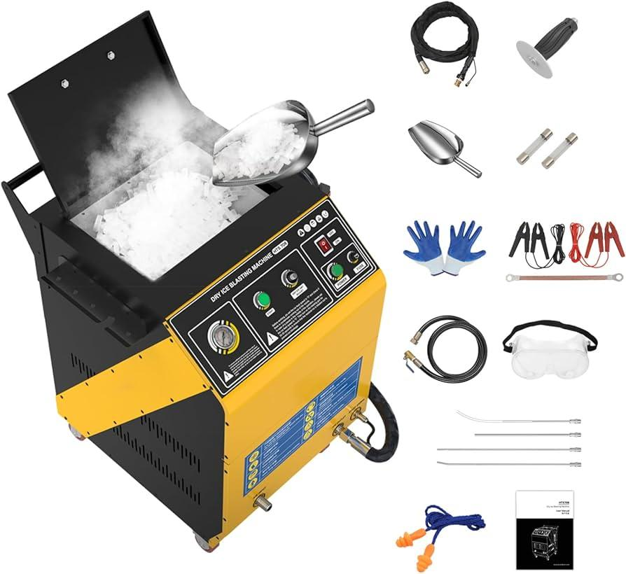
 | Roof Cleaner | Historical limestone facade
 | Roof Cleaner | Plumber's snake |  |  | 
 | Roof Cleaner | Wet/dry vacuum |  |  | 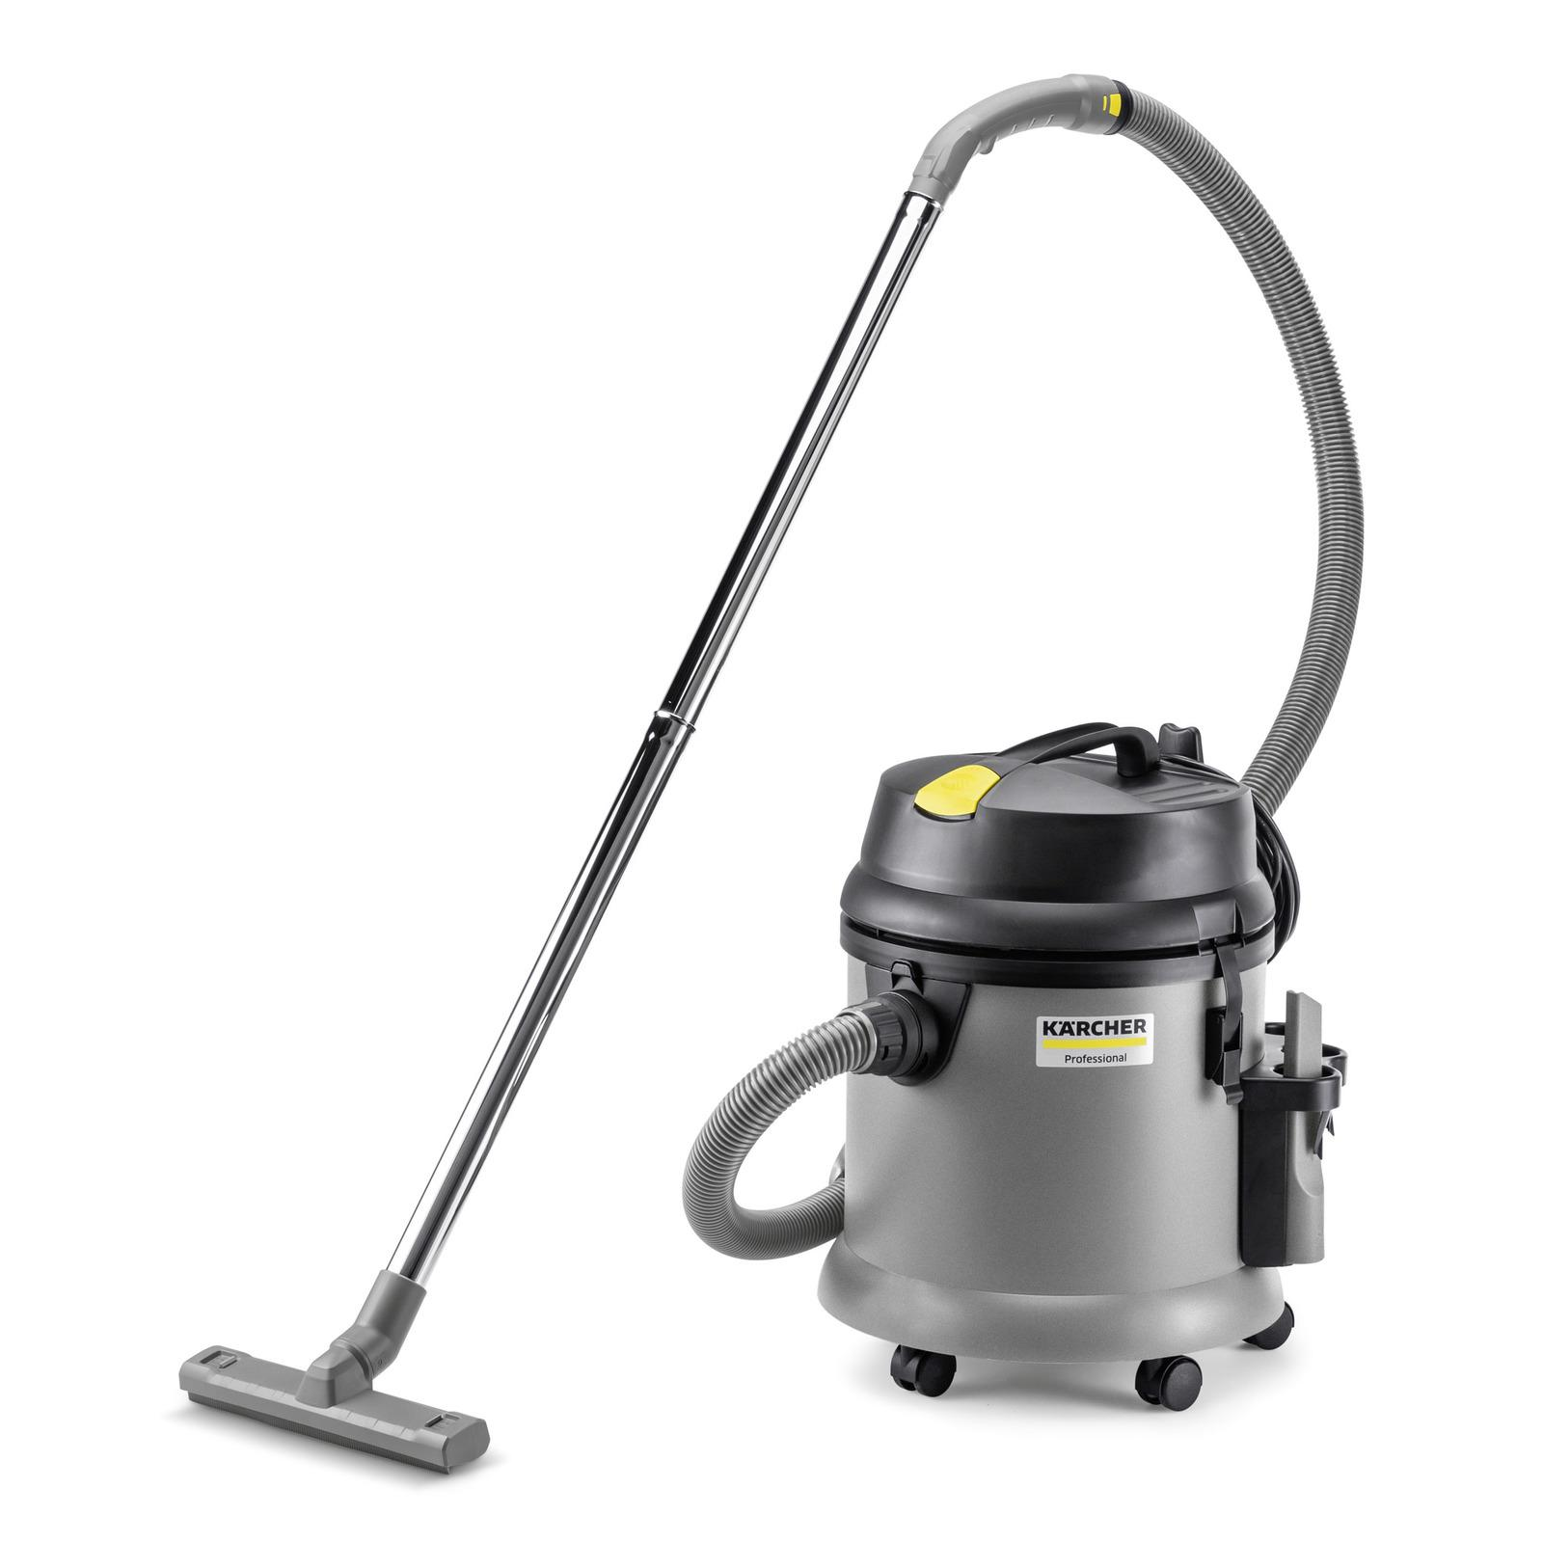
 | Roof Cleaner | Leaf blower with gutter attachment |  |  | 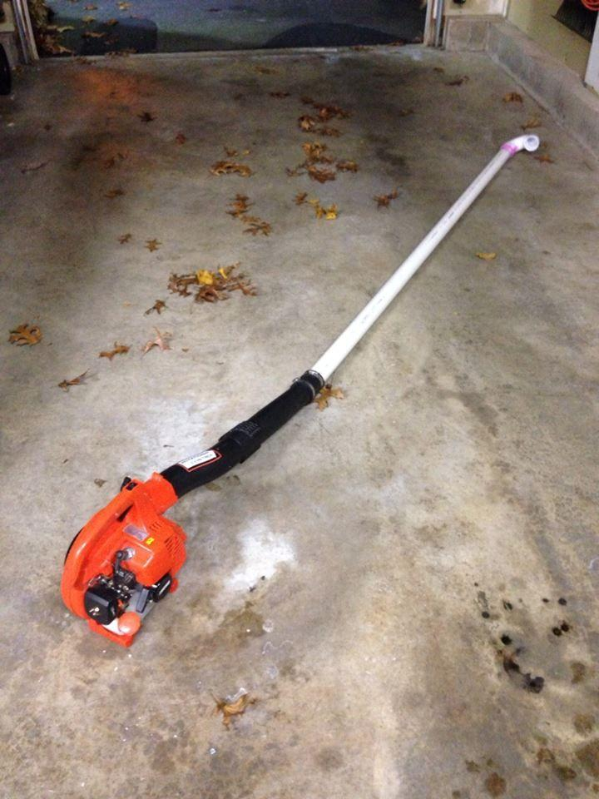
 | Roof Cleaner | Garden hose with telescopic pole attachment |  |  | 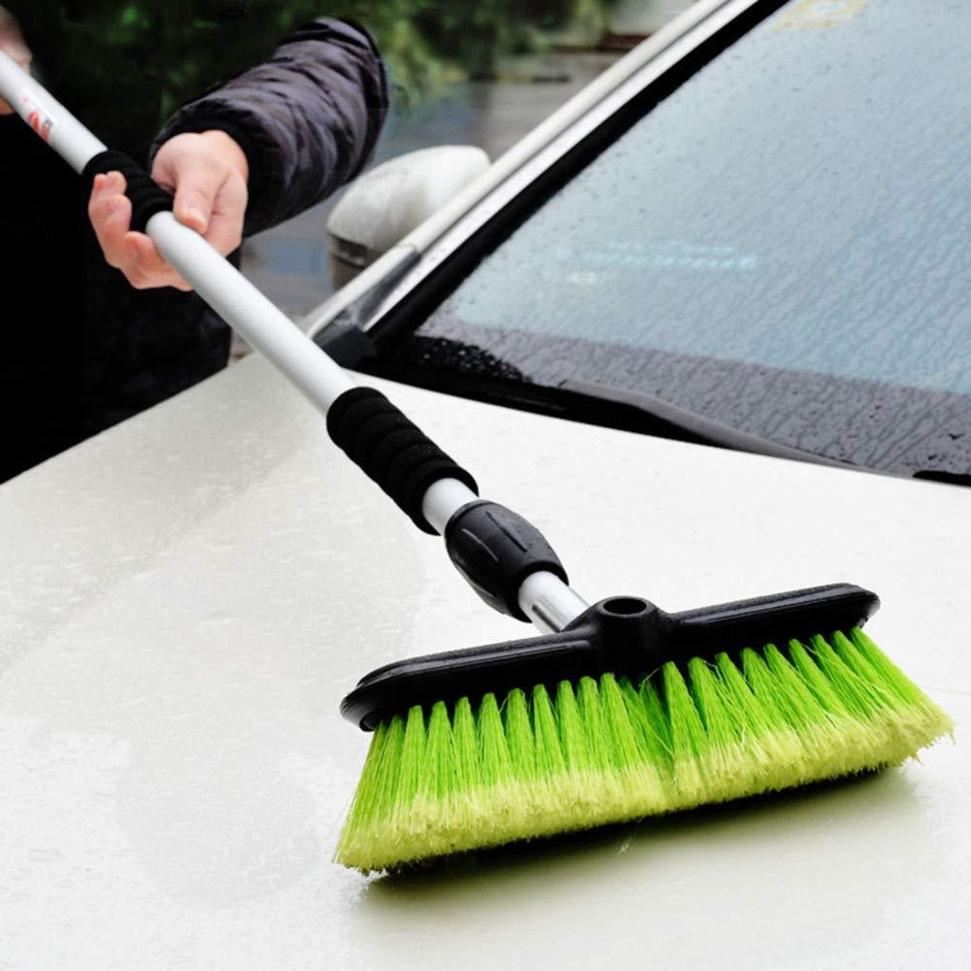
 | Roof Cleaner | Plumber's auger |  |  | 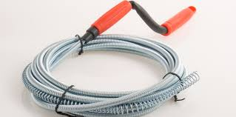
 | Roof Cleaner | Pressure washer with telescopic wand |  |  | 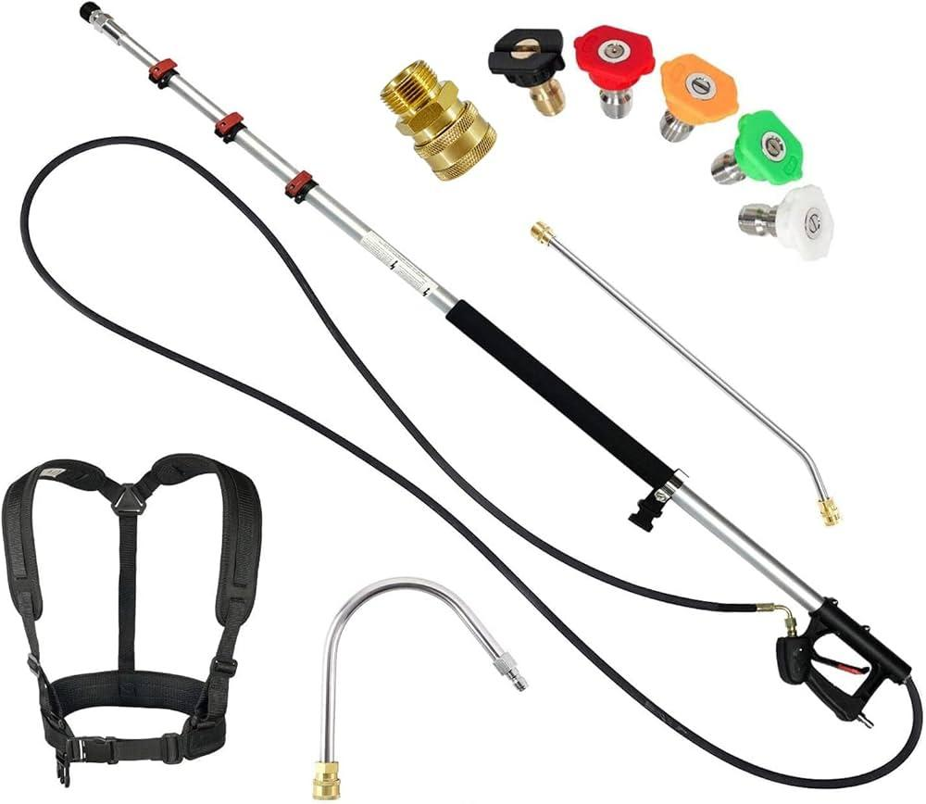
 | Roof Cleaner | Long-handled soft brush |  |  | 
 | Roof Cleaner | Drone with cleaning attachment |  |  | 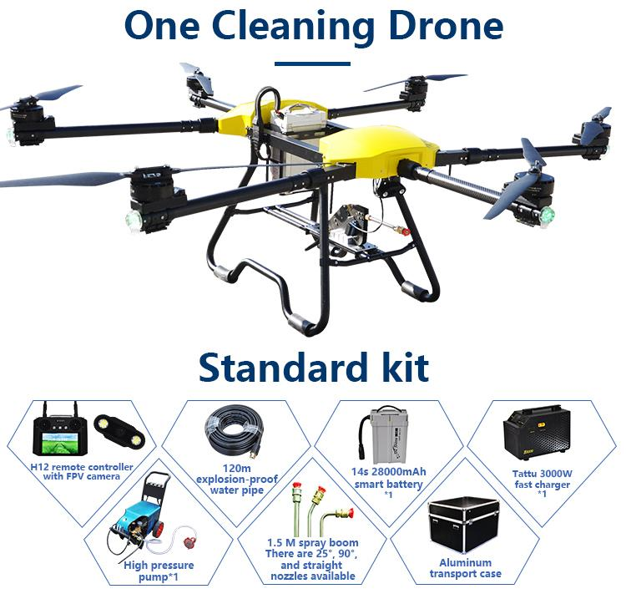
 | Roof Cleaner | Telescopic brush |  |  | 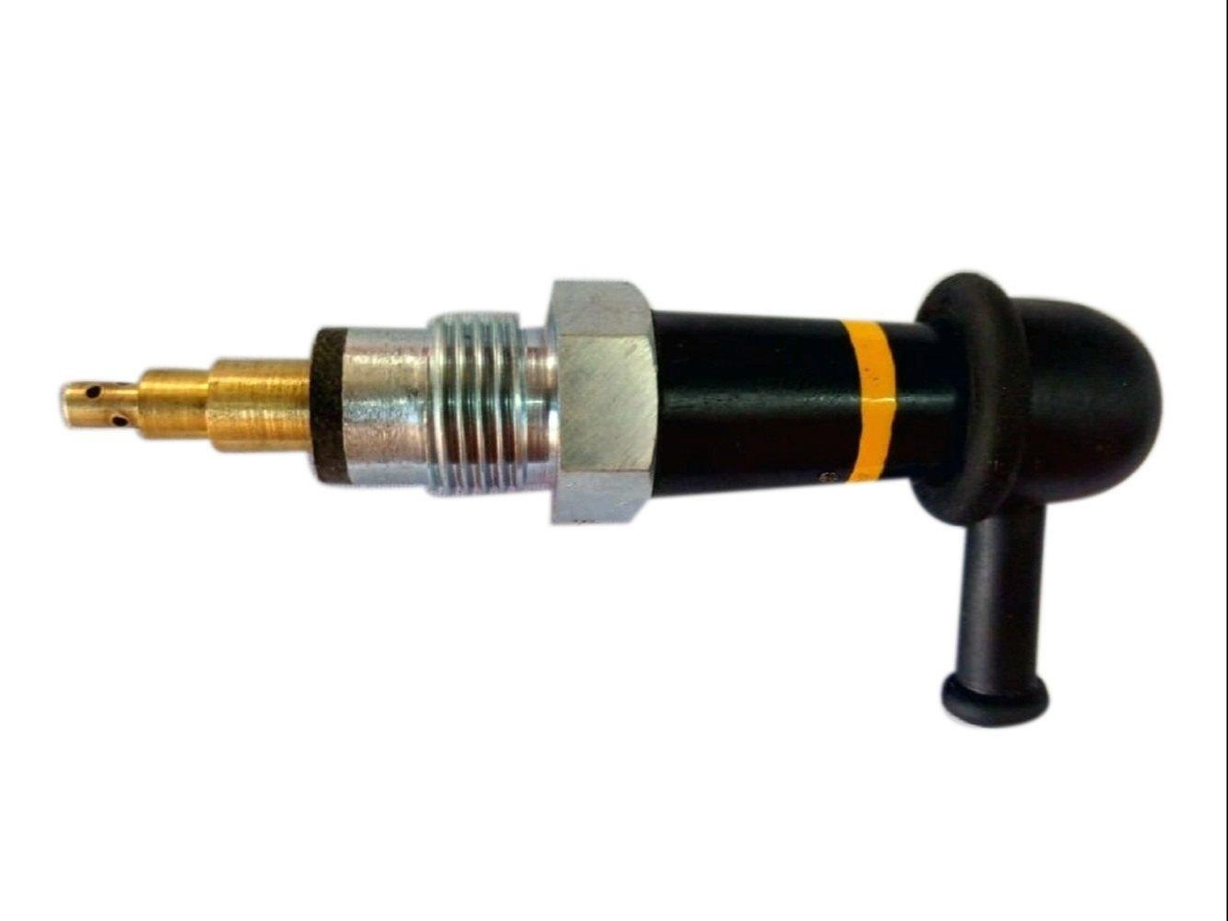
 | Roof Cleaner | Biodegradable cleaner
 | Roof Cleaner | Glass conservatory roof |  |  | 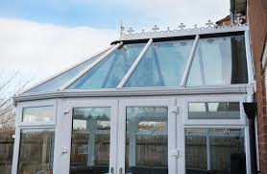
 | Roof Cleaner | Squeegee with telescopic pole |  |  | 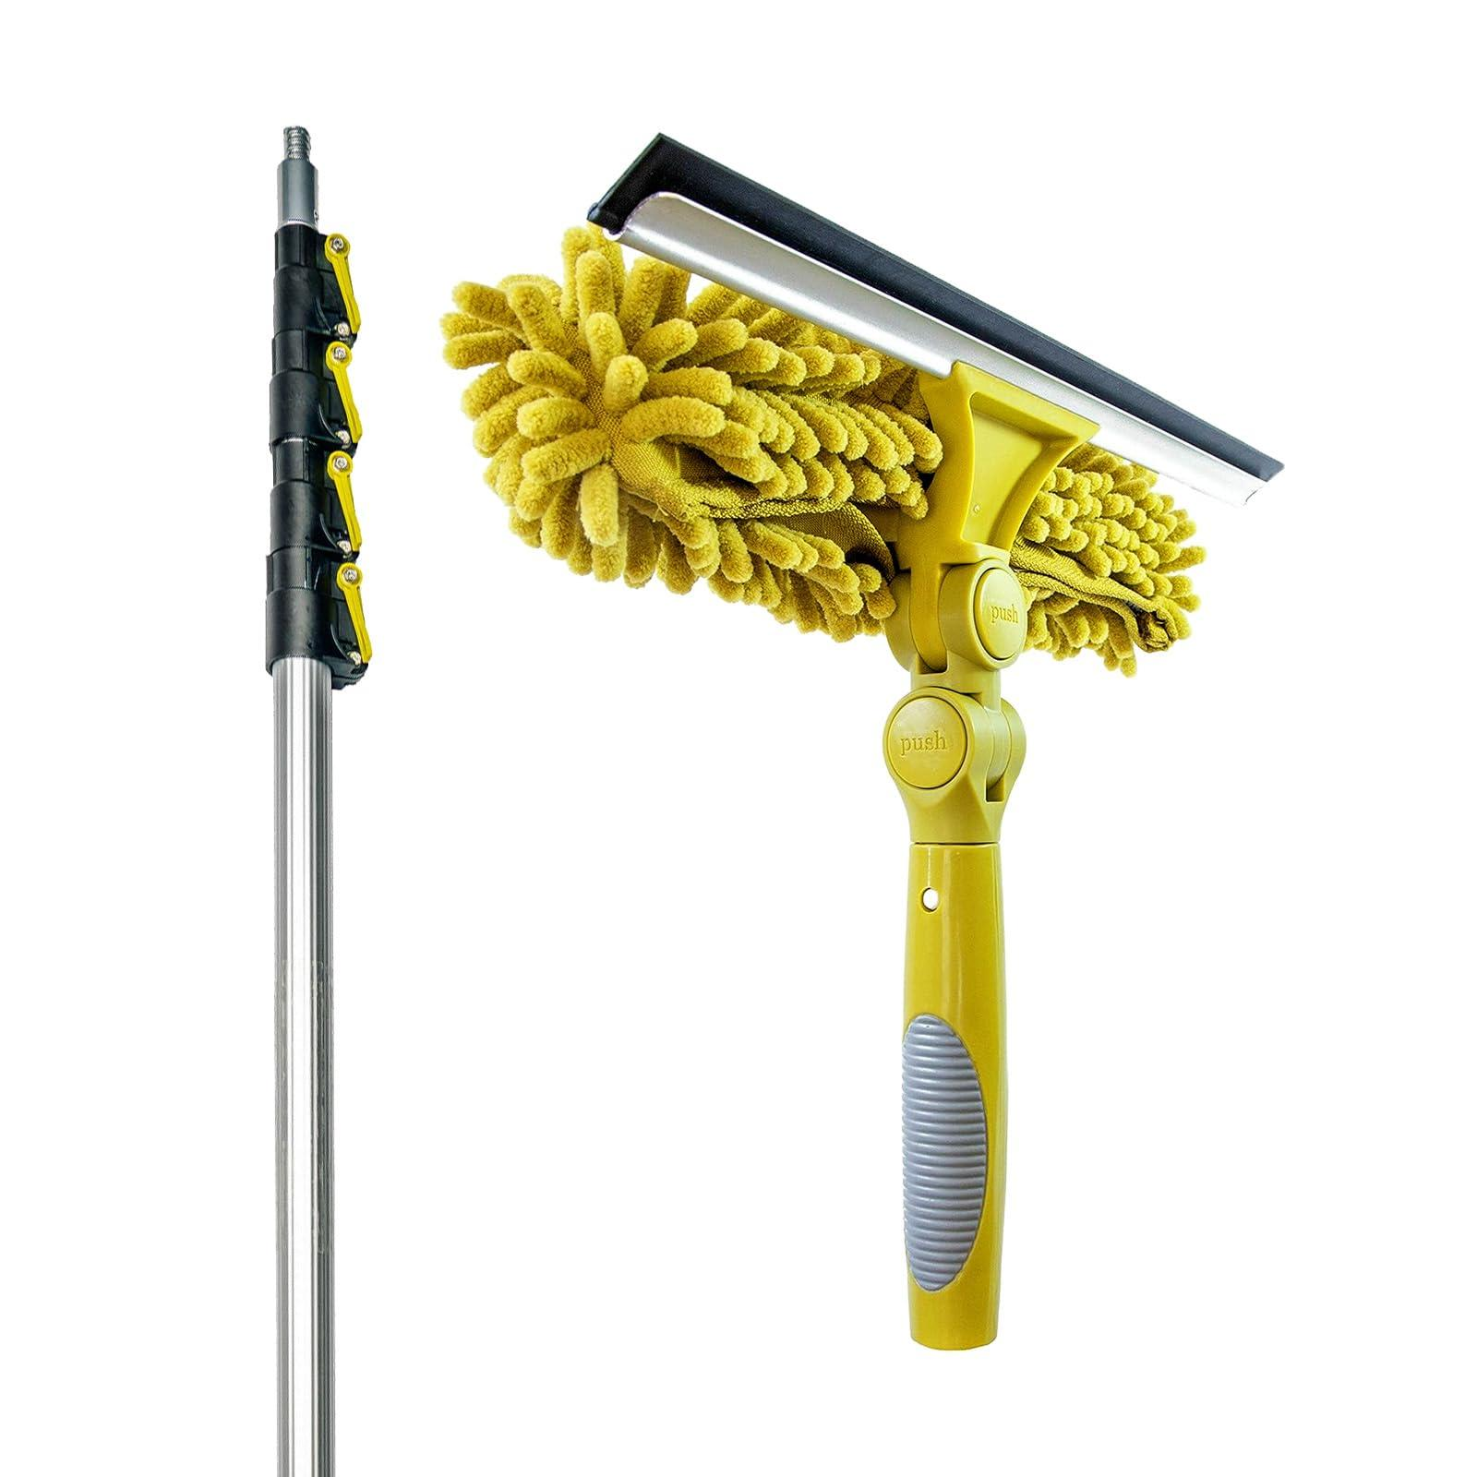
 | Roof Cleaner | Stiff-bristle brush |  |  | 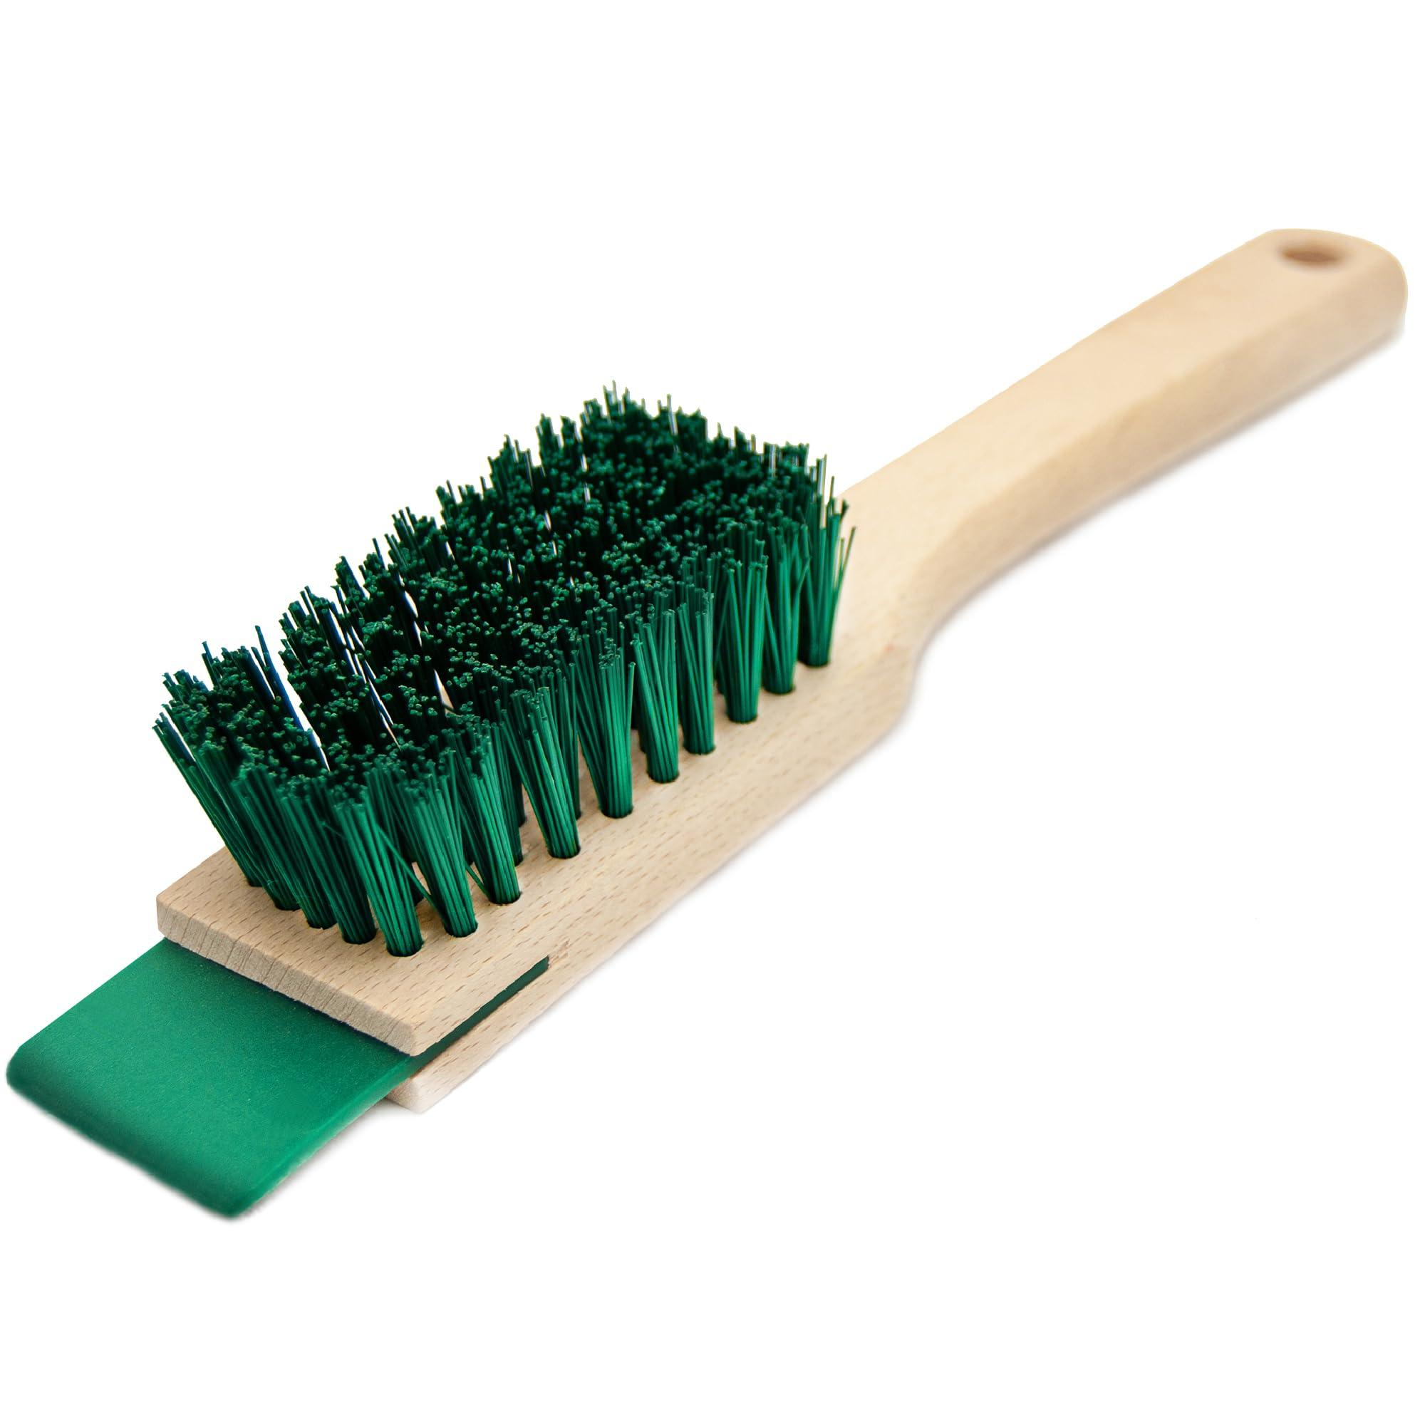
 | Roof Cleaner | Mild detergent
 | Roof Cleaner | Low-pressure steam cleaner |  |  | 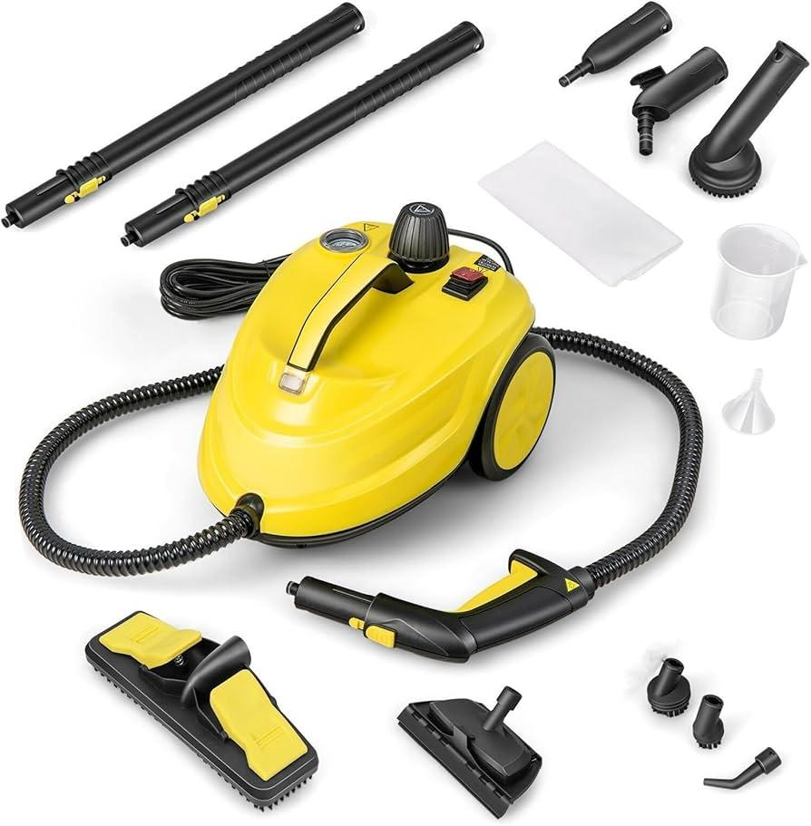
 | Roof Cleaner | Heavy-duty tarp |  |  | 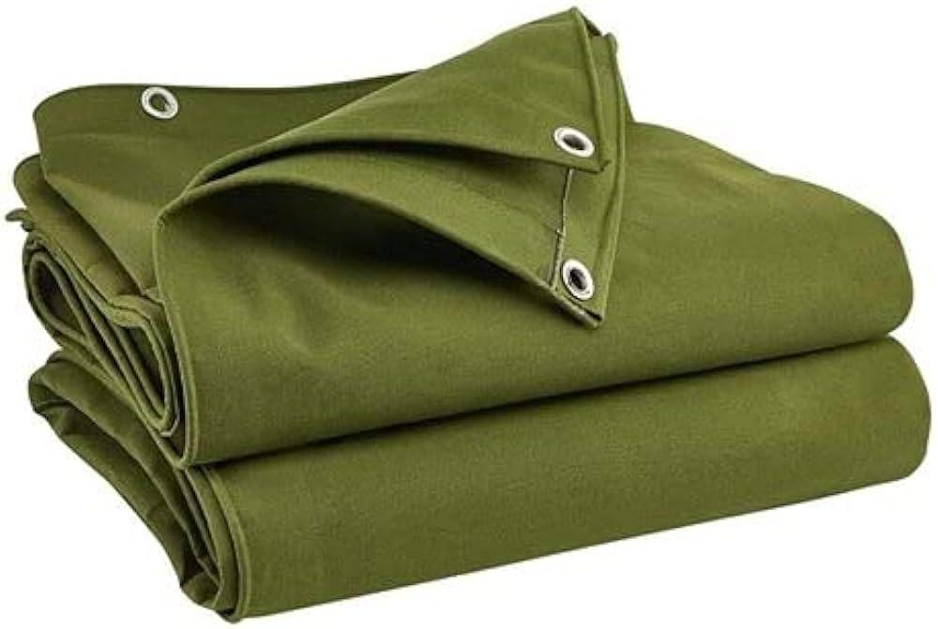
 | Roof Cleaner | Nails |  |  | 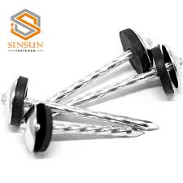
 | Roof Cleaner | Hammer |  |  | 
 | Roof Cleaner | Non-conductive tools |  |  | 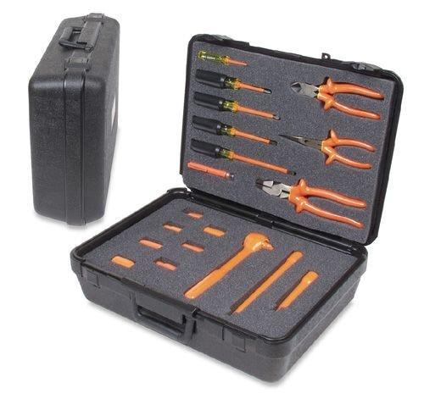
 | Roof Cleaner | Emergency contact list
 | Roof Cleaner | Cell phone
 | Roof Cleaner | Emergency flares
 | Roof Cleaner | Reflective triangles |  |  | 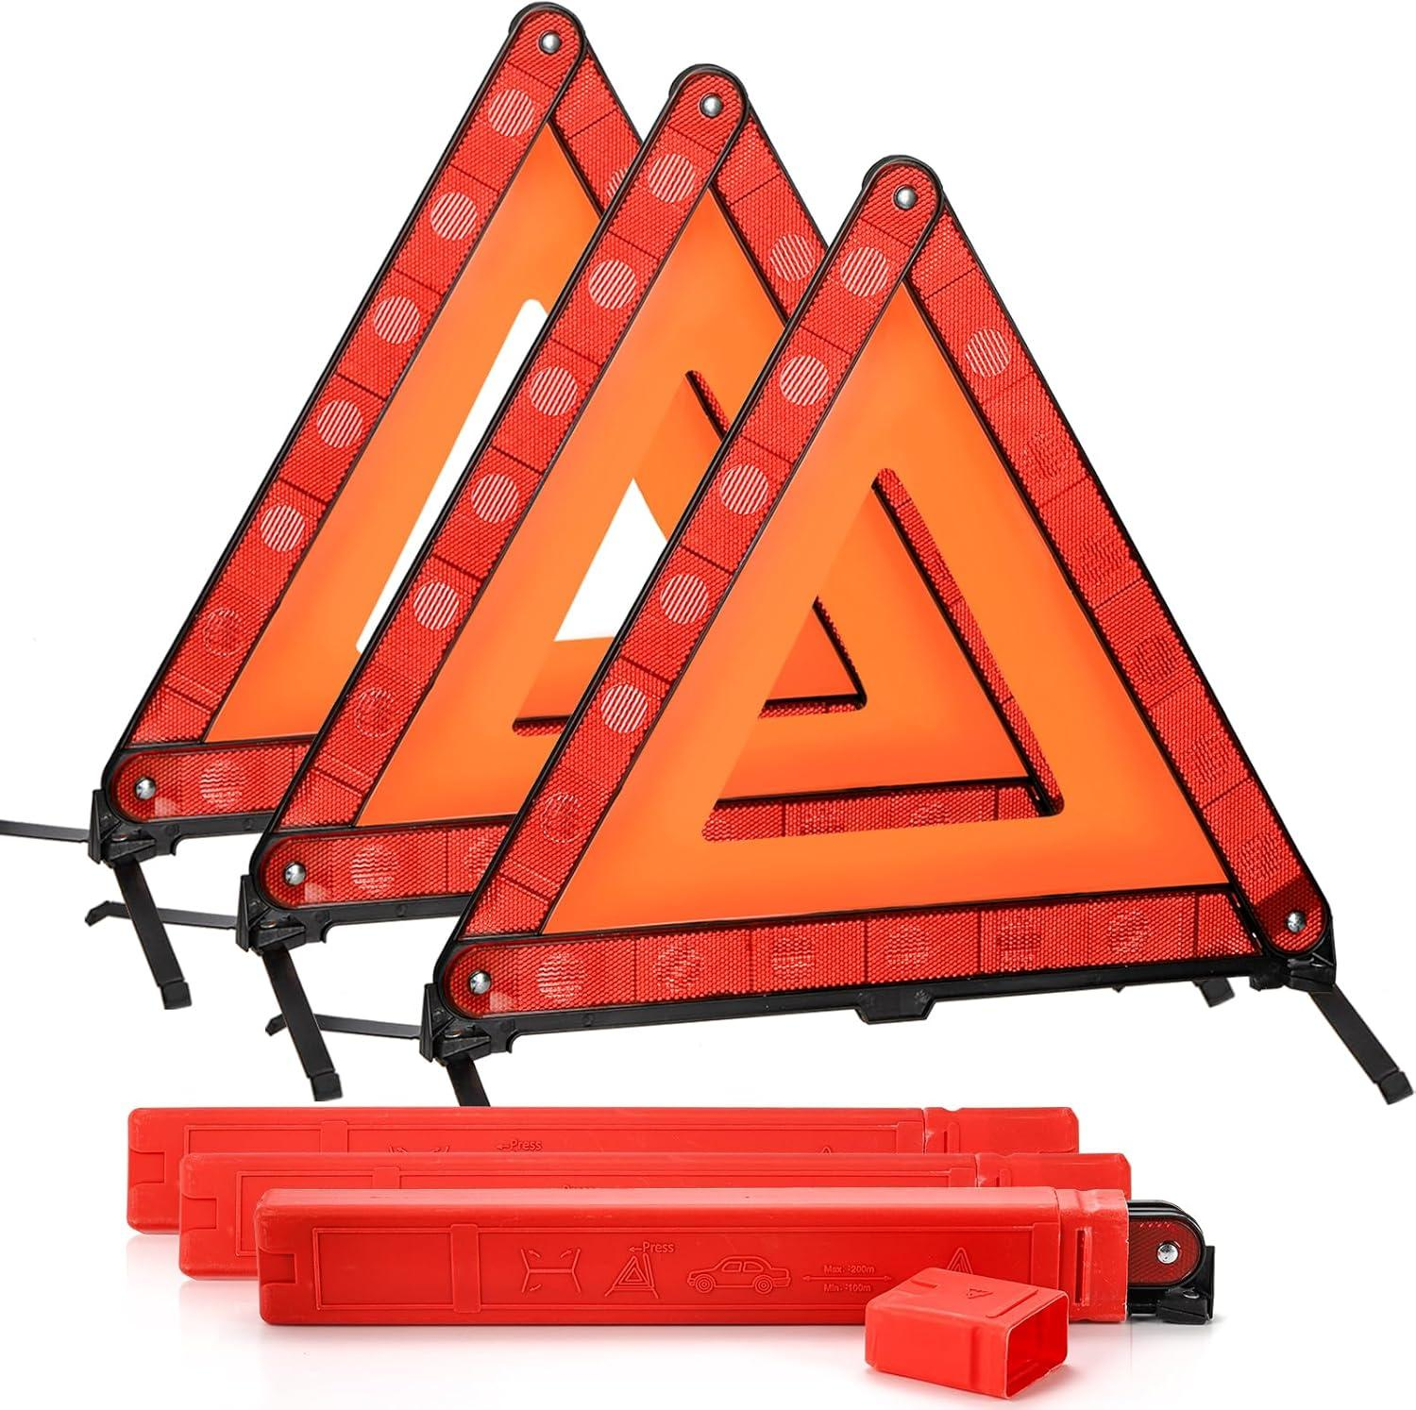
 | Roof Cleaner | Water
 | Roof Cleaner | Pump sprayer
 | Roof Cleaner | Bleach
 | Roof Cleaner | Oxygen bleach
 | Roof Cleaner | Dish soap
 | Roof Cleaner | Anchor points |  |  | 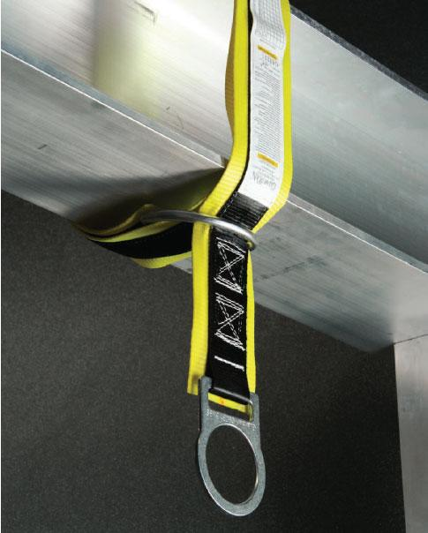
 | Roof Cleaner | Guardrail system |  |  | 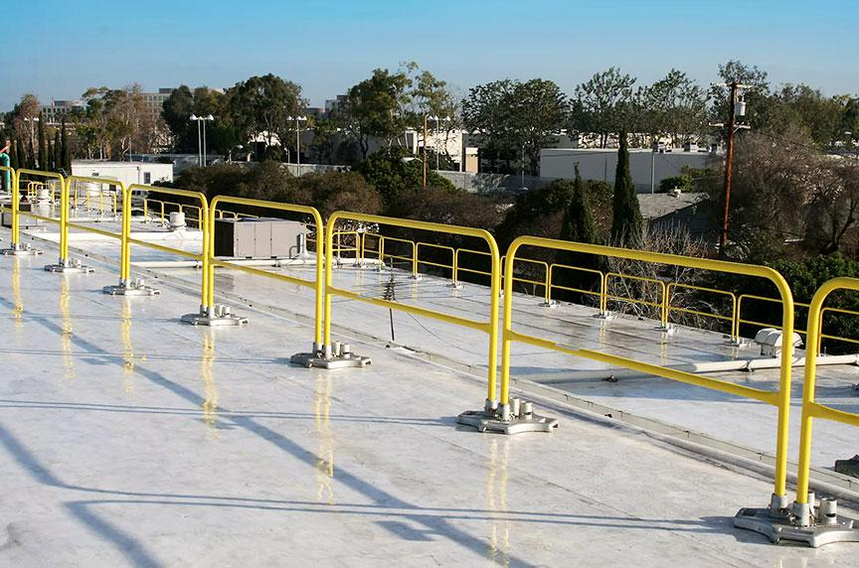
 | Roof Cleaner | Safety net system |  |  | 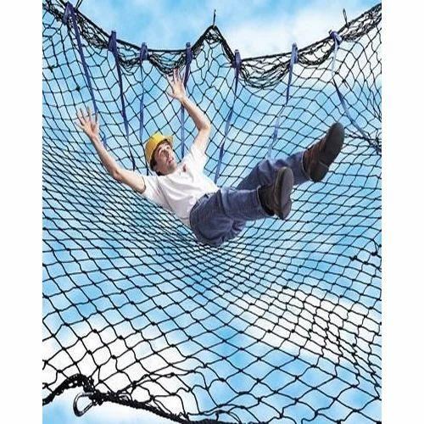
 | Roof Cleaner | Travel restraint system |  |  | 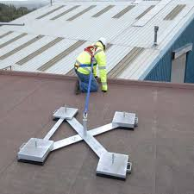
 | Roof Cleaner | Temporary work platform
 | Roof Cleaner | Ladder |  |  | 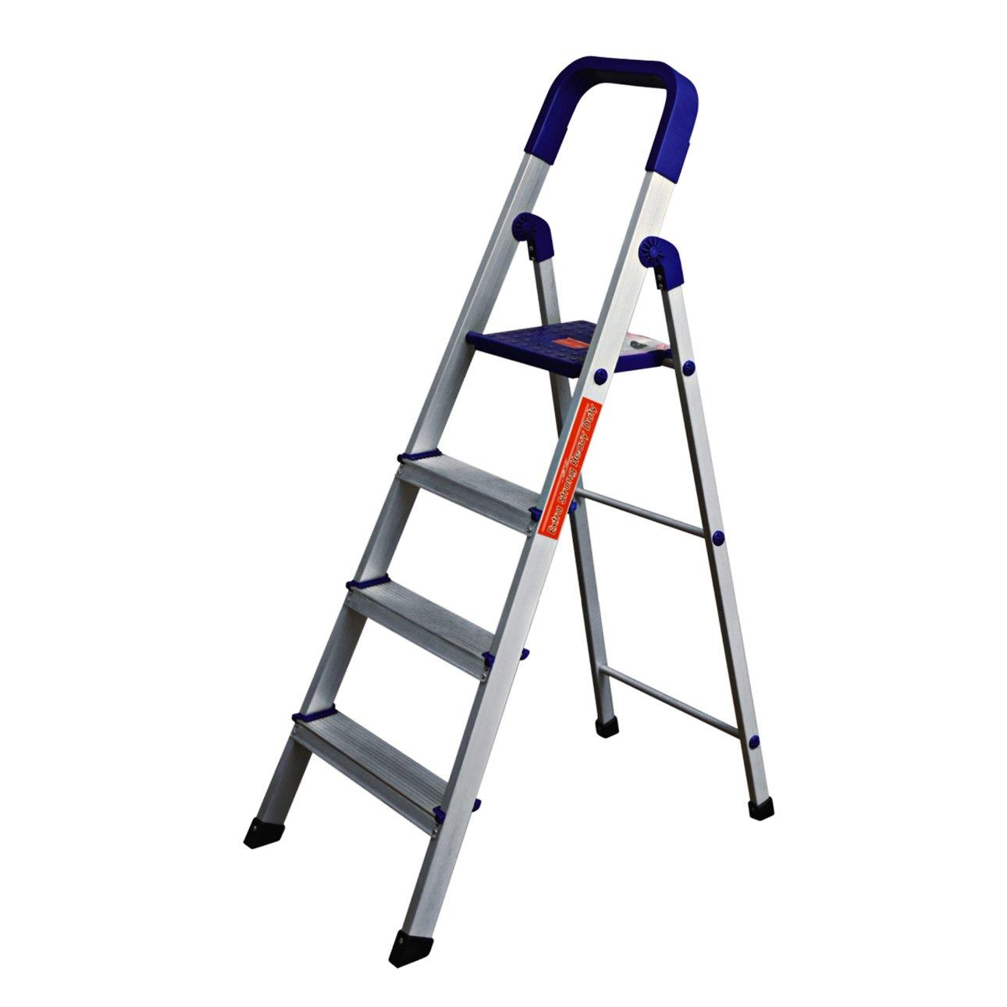
 | Roof Cleaner | Twin Lanyards |  |  | 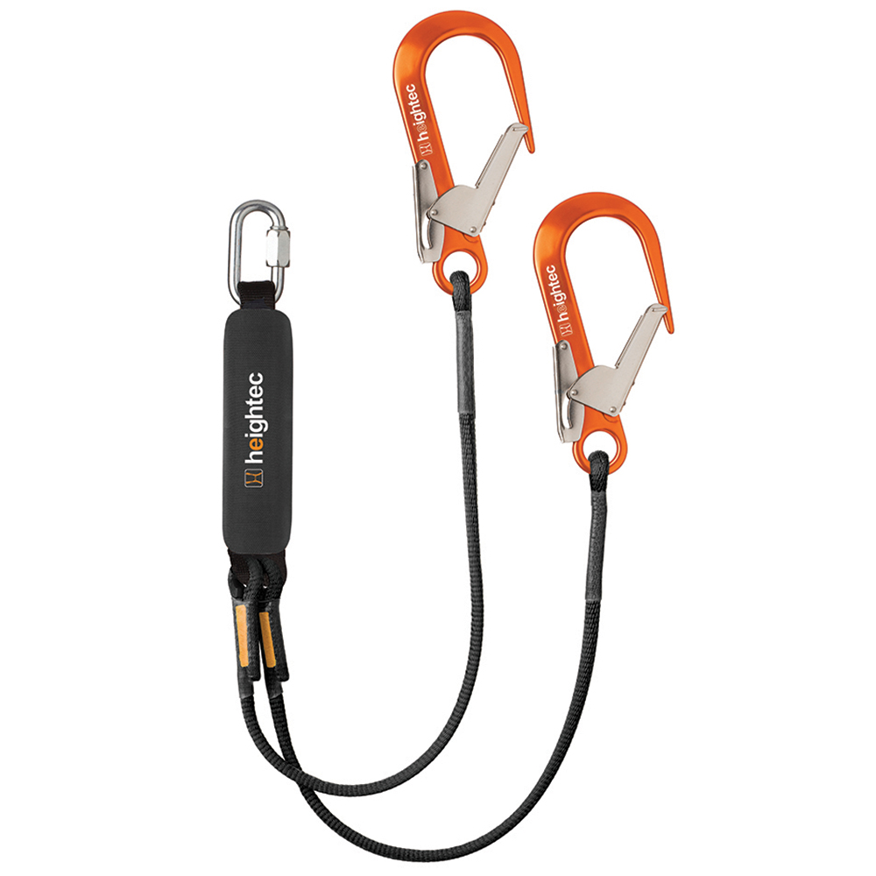
 | Roof Cleaner | Personal Protective Equipment (PPE) including reflective vest, N95 mask, Safety goggles, full body harness |  |  | 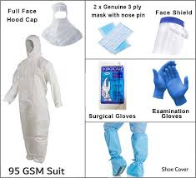
 | Roof Cleaner | Single-story asphalt shingle roof |  |  | 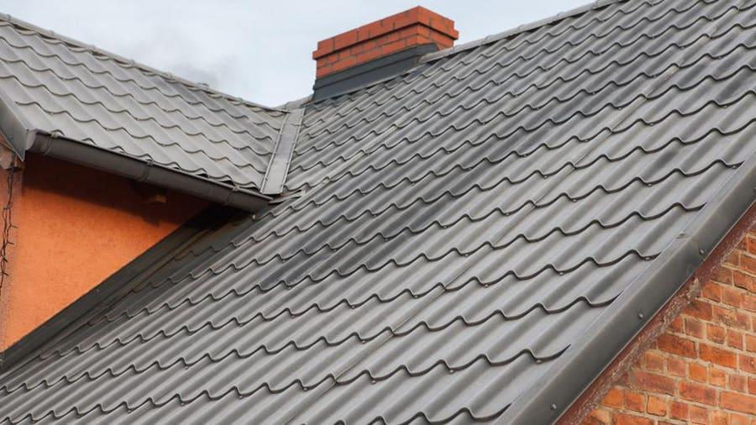
 | Roof Cleaner | Single-story slate roof |  |  | 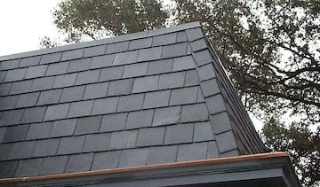
 | Roof Cleaner | Single-story clay tile roof |  |  | 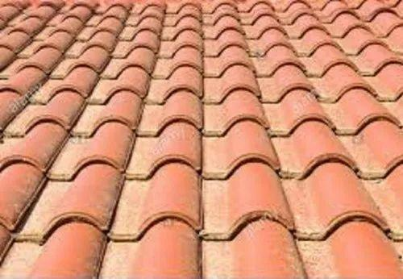
 | Roof Cleaner | Three-story brick facade
 | Roof Cleaner | Two-story metal roof
 | Roof Cleaner | Two-story vinyl siding house
 | Roof Cleaner | Single-story clay tile roof with solar panels
 | Roof Cleaner | Two-story asphalt shingle roof with gutters
 | Roof Cleaner | Three-story slate roof
 | Roof Cleaner | Single-story metal roof
 | Roof Cleaner | Two-story tiled roof
 | Roof Cleaner | Historical building with decorative parapet
 | Roof Cleaner | Commercial pressure washer |  |  | 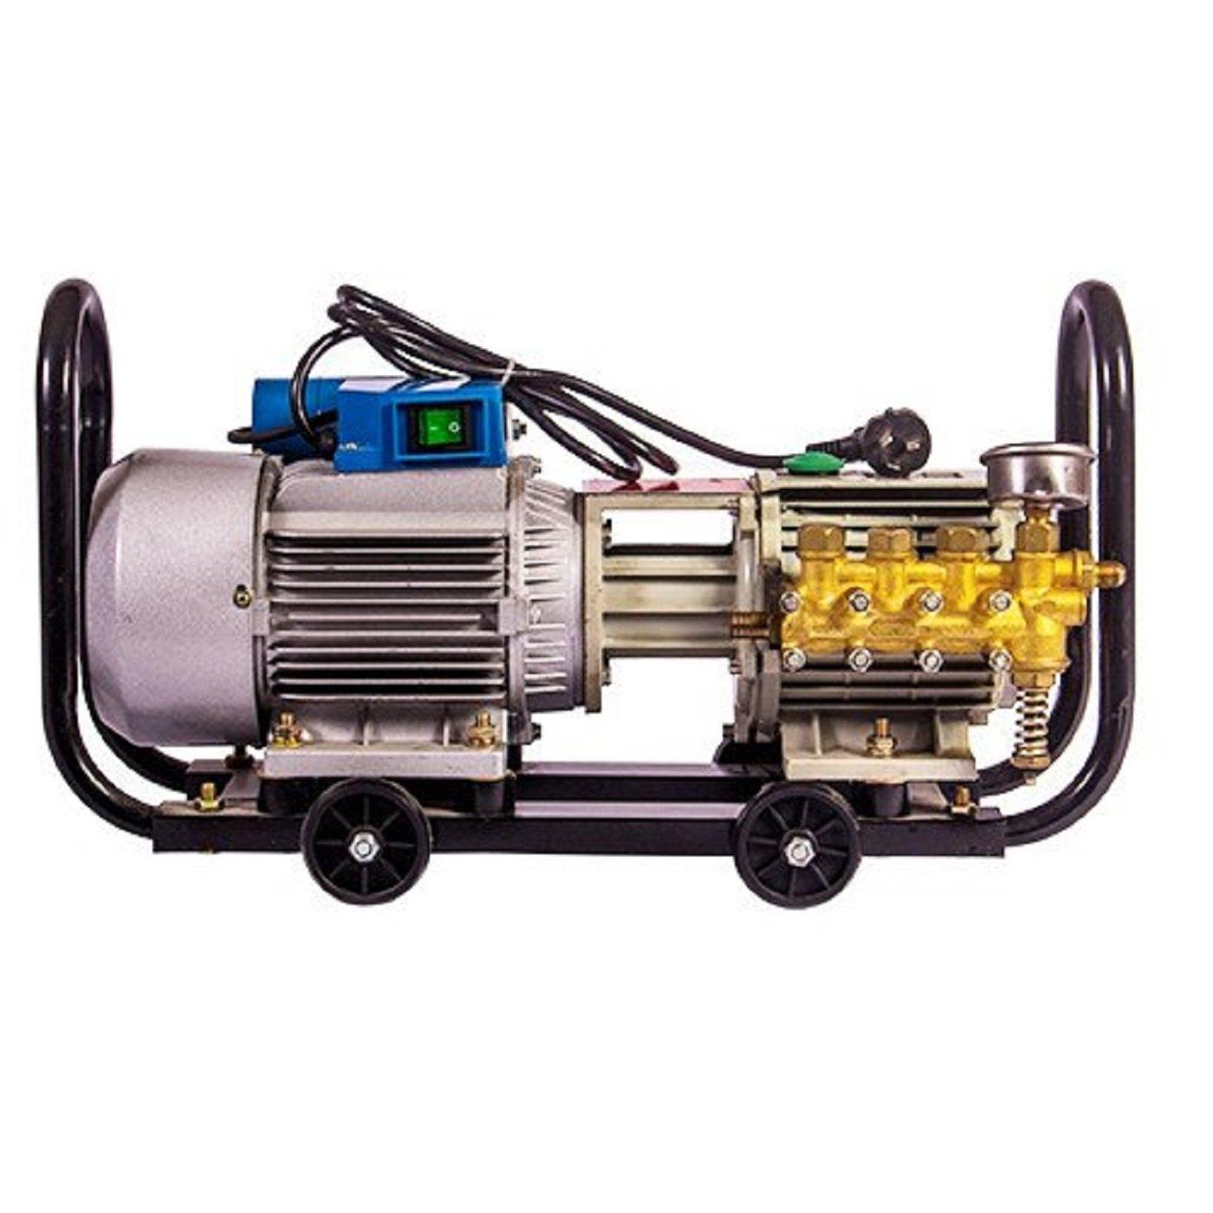
 | Roof Cleaner | Industrial vacuum cleaner |  |  | 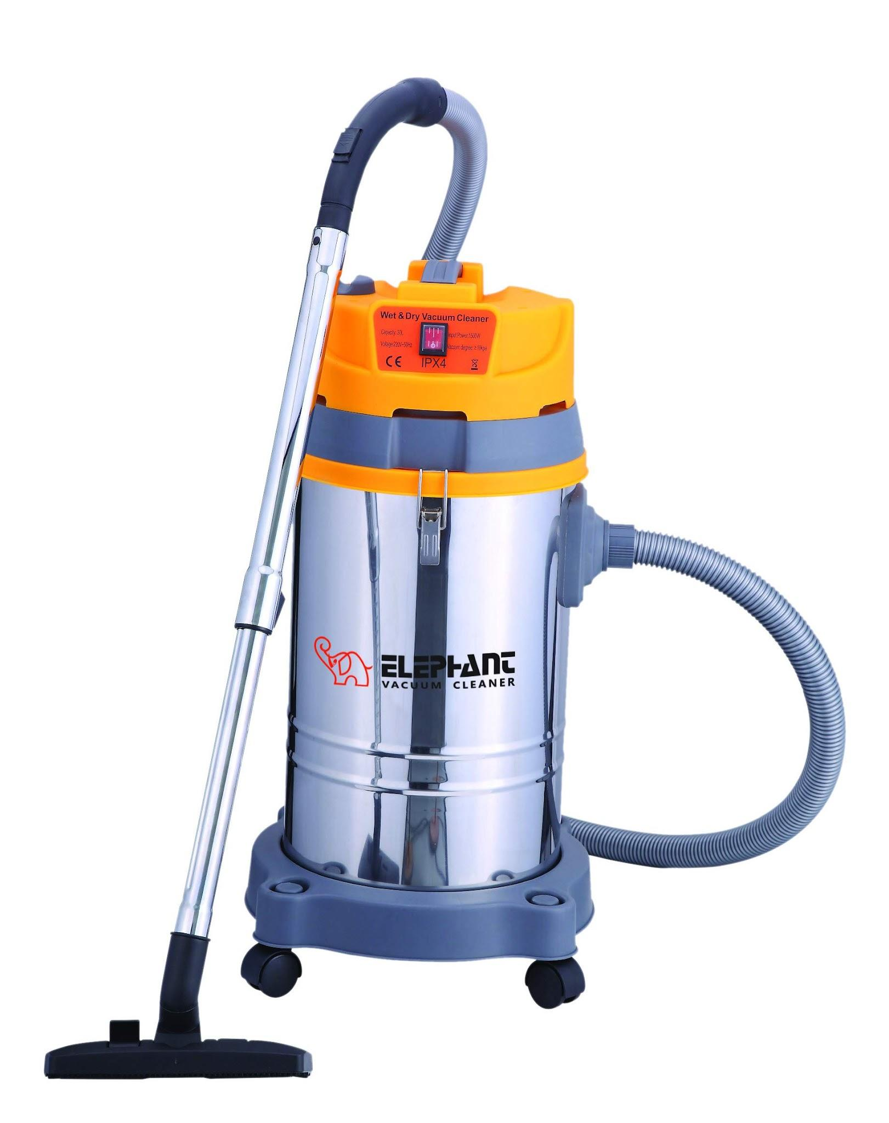
 | Roof Cleaner | Commercial dishwasher |  |  | 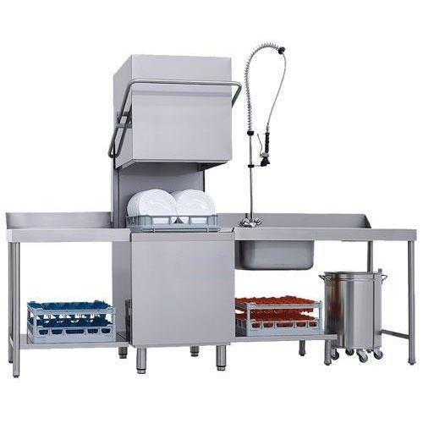
 | Roof Cleaner | Electric floor scrubber |  |  | 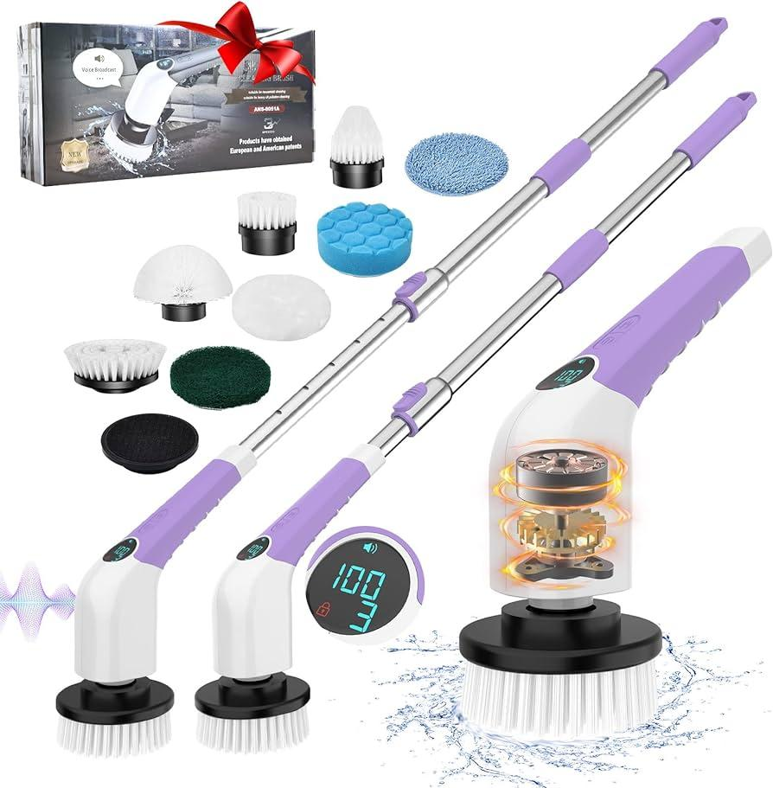
 | Roof Cleaner | Commercial lawn mower |  |  | 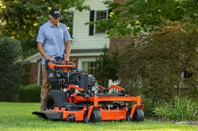
 | Roof Cleaner | Single-story residential building with wooden parapet
 | Roof Cleaner | Steep-sloped wooden shake roof
 | Roof Cleaner | Two-story gable roof with stone parapet
 | Roof Cleaner | Three-story commercial building with concrete parapet
 | Roof Cleaner | Mild soap solution |  |  | 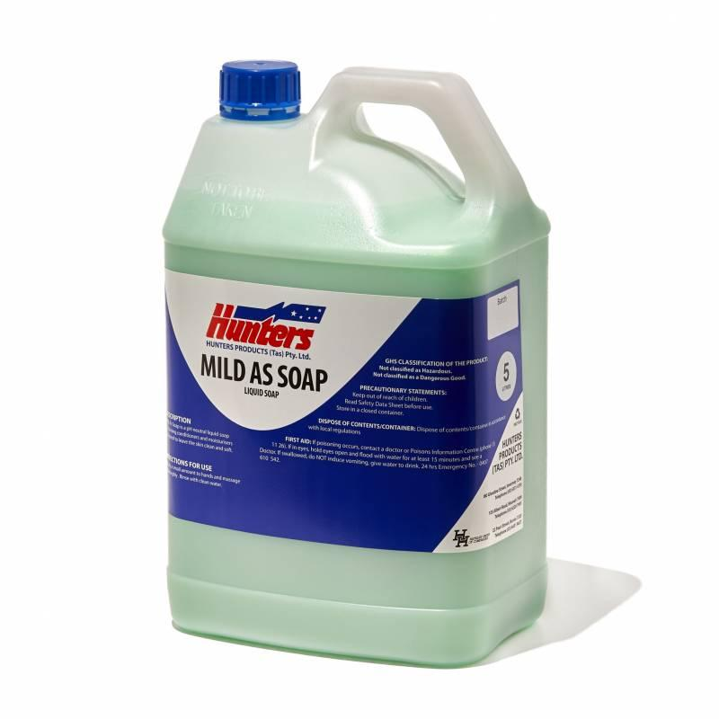
 | Roof Cleaner | Sponge |  |  | 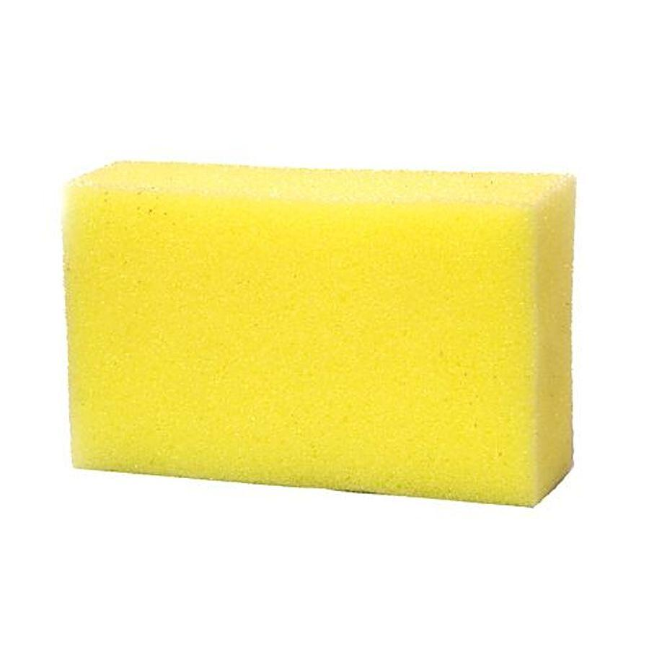
 | Roof Cleaner | Bucket |  |  | 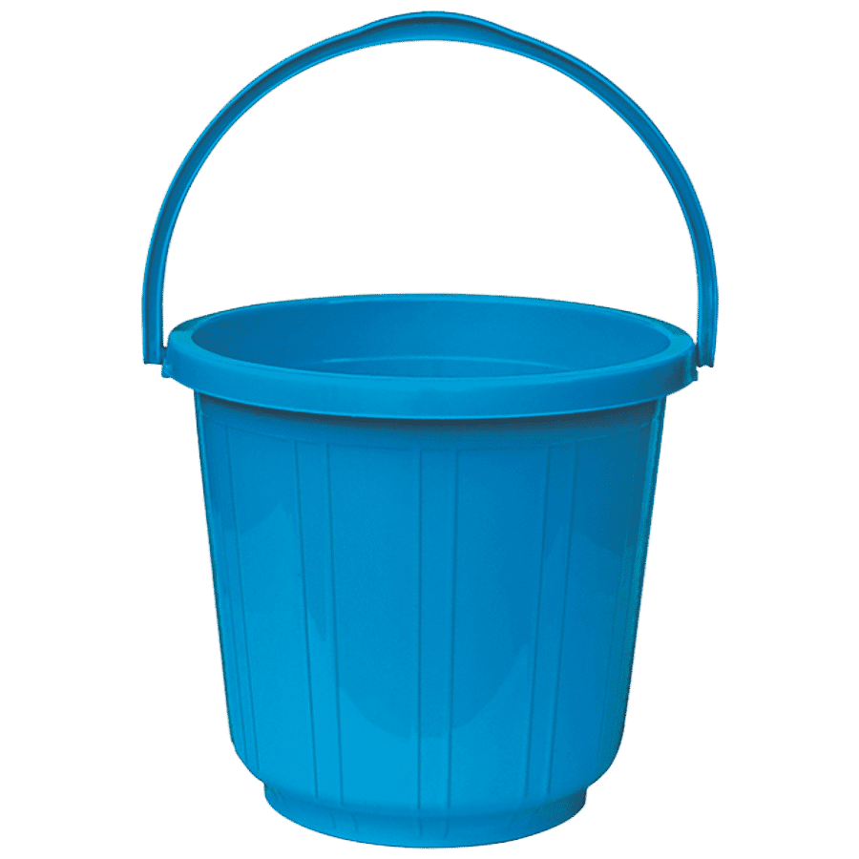
 | Roof Cleaner | Single-story flat roof with brick parapet

