Scaffold
Sector name | Occupation name | Equipment name | Minimum number of equipment required (per batch of 30 trainees) | Unit type | Real Images | Available
Construction | Scaffold | Measuring tape | 6 | Set
Construction | Scaffold | Scale | 10 | Number
Construction | Scaffold | Steel square | 10 | Number
Construction | Scaffold | Trowel set (such as: Pointing trowel and tuck trowel) | 10 | Number
Construction | Scaffold | Water level | 15 | Number
Construction | Scaffold | Laser level | 10 | Number
Construction | Scaffold | Spirit level | 10 | Number
Construction | Scaffold | Plumb bob | 10 | Number
Construction | Scaffold | Straight edge | 10 | Number
Construction | Scaffold | Mason’s hammer | 6 | Set
Construction | Scaffold | Scaffold inspection tags (green, yellow, red)
Construction | Scaffold | scaffold maintenance log | 1 | Number
Construction | Scaffold | scaffold inspection report | 1 | Number
Construction | Scaffold | Scaffolding poles | 50 | Number
Construction | Scaffold | base plates | 2 | Number
Construction | Scaffold | scaffold planks | 200 | Number
Construction | Scaffold | aerial lift
Construction | Scaffold | anti-corrosion spray | 5 | Number
Construction | Scaffold | scaffolding boards | 200 | Number
Construction | Scaffold | couplers | 5 | Number
Construction | Scaffold | Hanging bracket scaffold beams | 1 | Number | 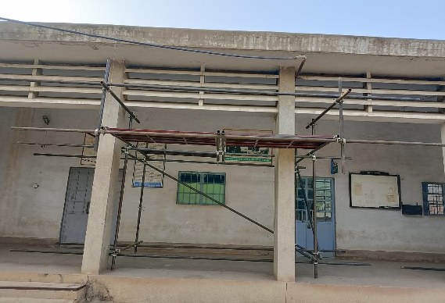
Construction | Scaffold | Mobile scaffold | 4 | Numbers | 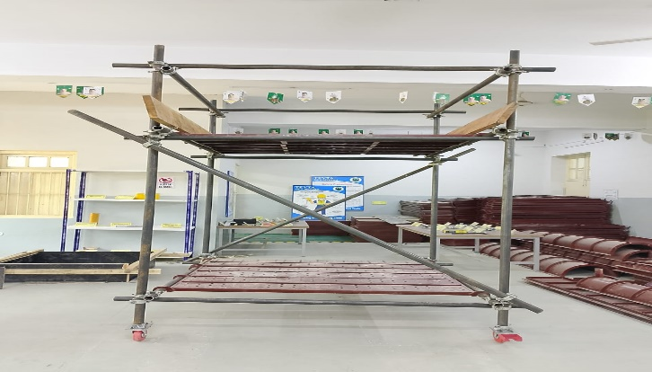
Construction | Scaffold | Suspended scaffold platform | 3
Construction | Scaffold | stirrups | 4 | Numbers
Construction | Scaffold | Rolling scaffold tower | 4 | Numbers | 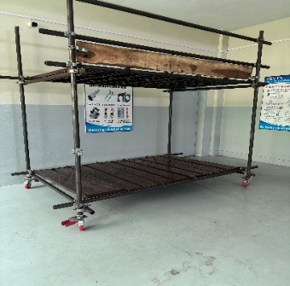
Construction | Scaffold | Cantilever scaffold beams | 3 | Numbers | 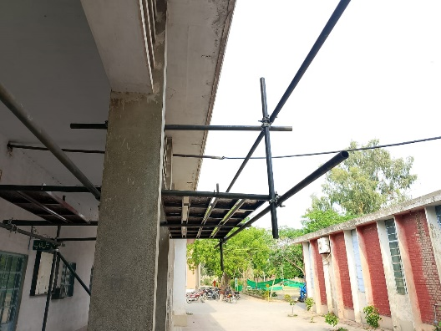
Construction | Scaffold | Portable/Folding mobile scaffold | 1 | Numbers | 
Construction | Scaffold | X frame scaffolding | 5 | Numbers
Construction | Scaffold | H frame Scaffolding | 3 | Numbers | 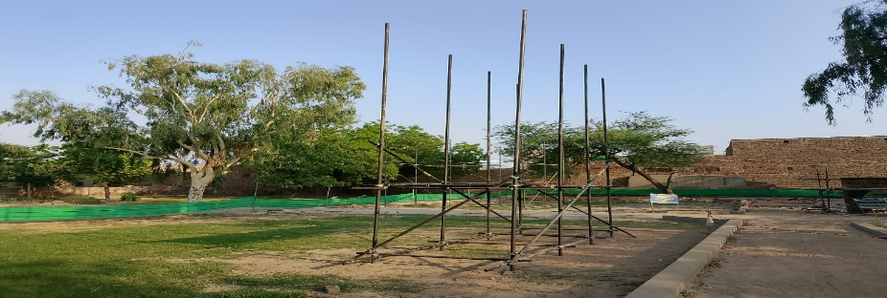
Construction | Scaffold | String line | 6 | Number
Construction | Scaffold | Jointer | 10 | Number
Construction | Scaffold | Mallet | 6 | Number
Construction | Scaffold | Wedge | 6 | Number
Construction | Scaffold | Screed | 6 | Number
Construction | Scaffold | Floats | 10 | Number
Construction | Scaffold | Chisel Set - bolster chisel, brick chisel, comb chisel | 10 | Number
Construction | Scaffold | Rubber/wooden hammer | 3 | Number
Construction | Scaffold | Spade | 5 | Number
Construction | Scaffold | Sponge | 2 | Bundle
Construction | Scaffold | Volume box | 2 | Bundle
Construction | Scaffold | Weighing scales (Digital or physical) | 20 | Number
Construction | Scaffold | Tile scribes or hand held tile cutter | 5 | Number
Construction | Scaffold | Wet power saw | 1 | Number | 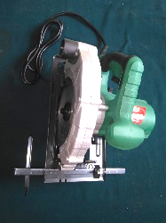
Construction | Scaffold | Handsaw | 5 | Number
Construction | Scaffold | Mason’s line | 1 | Number
Construction | Scaffold | Cup-lock scaffolding components set | 2 | Number
Construction | Scaffold | 40 NB pipe | 4 | Number
Construction | Scaffold | Swivel coupler | 10 | Number
Construction | Scaffold | Fixed clamp | 2 | Number
Construction | Scaffold | Steel waler | 25 | Number
Construction | Scaffold | Steel walkway | 20 | Number
Construction | Scaffold | Toolbox with lock and key | 5 | Number
Construction | Scaffold | Power source | 5 | Number
Construction | Scaffold | Source of water | 3 | Number
Construction | Scaffold | Electric drill | 5 | Number
Construction | Scaffold | Grinder | 5 | Number
Construction | Scaffold | Vibrator | 10 | Number
Construction | Scaffold | Hand operated concrete mixer | 1 | Number
Construction | Scaffold | Mortar mixing board/mortar pan | 10 | Number
Construction | Scaffold | Shovel | 5 | Number
Construction | Scaffold | Pick axe | 5 | Number
Construction | Scaffold | Rhombus mesh | `10 | Number
Construction | Scaffold | GI bucket 5L capacity | 5 | Number
Construction | Scaffold | Wheel barrow | 5 | Number
Construction | Scaffold | Lime powder | 20 | kg
Construction | Scaffold | Wooden peg | 50 | Number
Construction | Scaffold | Hard broom | 10 | Number
Construction | Scaffold | Nuts and bolts | 30 | Number
Construction | Scaffold | Spanner set | 5 | Number
Construction | Scaffold | Conduit Pipes | 20 | Number
Construction | Scaffold | Wrench | 10 | Number
Construction | Scaffold | Pulley | 10 | Number
Construction | Scaffold | Rope | 20 | Meters
Construction | Scaffold | Hand roller | 2 | Number
Construction | Scaffold | Plate vibrator | 3 | Number
Construction | Scaffold | Wire brush | 10 | Number
Construction | Scaffold | Metal Mesh | 50 | Kg
Construction | Scaffold | Assorted size - bricks | 500 | Number
Construction | Scaffold | Screw Gauge | 10 | Number
Construction | Scaffold | Cement | 50 | kg
Construction | Scaffold | Calipers | 10 | Nos
Construction | Scaffold | Sand | 25 | kg
Construction | Scaffold | Steel Compass (Geometrical) for drawing circular shapes in building plans | 2 | Number
Construction | Scaffold | Lifting, appliances (wheel and rope, shackles, sling, belts) | 3 | Set
Construction | Scaffold | Coarse aggregates | 25 | Kg
Construction | Scaffold | Fiber Board | 5 | No
Construction | Scaffold | Bricks | 500 | Numbers
Construction | Scaffold | Ruler | 10 | Numbers
Construction | Scaffold | Pins | 5 | Numbers
Construction | Scaffold | Drum | 2 | Numbers
Construction | Scaffold | Concave steel tool | 5 | Numbers
Construction | Scaffold | Water and Mug | 5 | Numbers
Construction | Scaffold | Sieve | 5 | Numbers
Construction | Scaffold | Plastic Sheet | 20 | Sq.m
Construction | Scaffold | Bricks wall with groove for conduit | 2 | Numbers
Construction | Scaffold | Rammer
Construction | Scaffold | Raking Bar | 12 | Numbers
Construction | Scaffold | Rubble stone (natural stone) | 25 | Kg
Protective Equipment & Wear
Construction | Scaffold | Reflective jacket or Jumpsuit with multiple pockets and reflective bands | 25 | Number
Construction | Scaffold | Full body harness | 25 | Number | 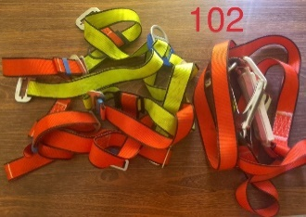
Construction | Scaffold | Face mask (For light duty masonry) | 50 | Number
Construction | Scaffold | HEPA filter Respirator (for heavy duty mortar mixing, repairs, demolition, unloading, installation) | 5 | Number
Construction | Scaffold | Protective Safety Glasses/Goggles | 25 | Number
Construction | Scaffold | Industrial Safety boots | 25 | Number
Construction | Scaffold | Toe-Guards (If safety boots do not have steel toes) | 25 | Number
Construction | Scaffold | Polypropylene Safety Hat (When working at construction site, at all times) | 25 | Number
Construction | Scaffold | Welding helmet/Helmet (When using grinding machine) | 15 | Number
Construction | Scaffold | Elbow and knee guards | 10 | Number | 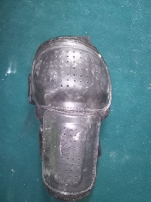
Construction | Scaffold | Insulated gloves when working on conduit piping or using motorized tools | 25 | Number
Construction | Scaffold | Rubber gloves | 25 | Number
Emergency Protection and Warning Equipment
Construction | Scaffold | Fire prevention Kit (Containing fire blanket, Heat Resistant Gloves, Escape Rope, Glass Hammer, Glow Sticks, Flashlight, First Aid Supplies with Burn Injury Care Treatment and More) | 1 | Number
Construction | Scaffold | Fire extinguisher (Hand held or Wall mounted) | 1 | Number
Construction | Scaffold | First aid box | 1 | Number
Construction | Scaffold | Safety tags, | 5 | Number
Construction | Scaffold | Safety notice board /safety message board | 5 | Number
Construction | Scaffold | Barricade Cones | 5 | Number
Construction | Scaffold | Warning Signs (Wet Floor, Construction Work in Progress) | 5 | Number

