Selller
Sector name | Occupation name | Equipment name | Minimum number of equipment required (per batch of 30 trainees) | Unit type | Images
 | Selller | Bright light source |  |  | 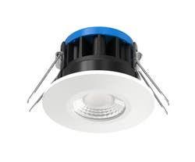
 | Selller | Magnifying glass |  |  | 
 | Selller | Ruler or measuring tape |  |  | 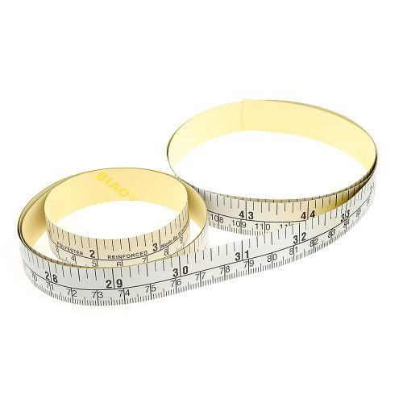
 | Selller | Camera/Smartphone |  |  | 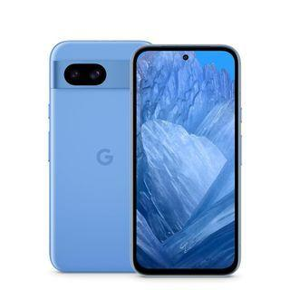
 | Selller | Computer or mobile device
 | Selller | Pen and pad |  |  | 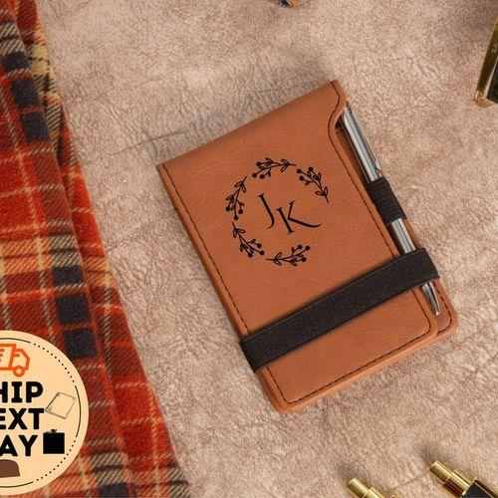
 | Selller | Invoice or Order Confirmation
 | Selller | Packaging |  |  | 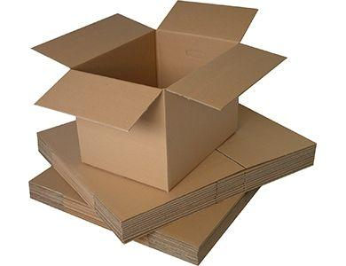
 | Selller | Shipping Label
 | Selller | Notebook |  |  | 
 | Selller | Spreadsheet
 | Selller | Pricing Information
 | Selller | Promotional Materials
 | Selller | Service contract information
 | Selller | Specification sheets
 | Selller | Comparison charts
 | Selller | Warranty Documents
 | Selller | Store return/exchange policy
 | Selller | Store Cancellation Policy
 | Selller | Cleaning supplies (mops, trash bins, cleaning cloths, sponges, cleaning solutions) |  |  | 
 | Selller | Shelving units or cabinets |  |  | 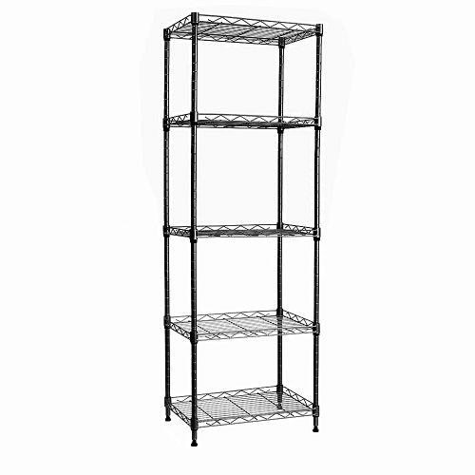
 | Selller | Labels or tags
 | Selller | Small bags or containers |  |  | 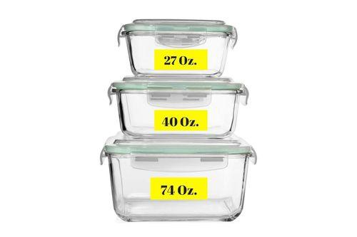
 | Selller | Velcro straps or twist ties |  |  | 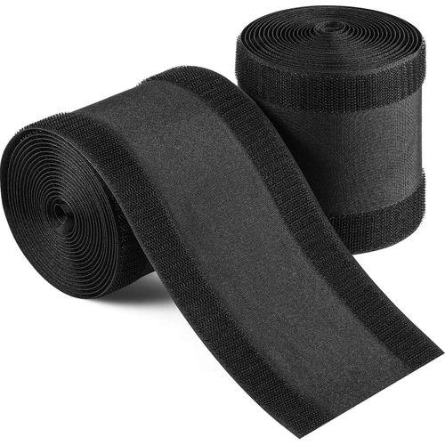
 | Selller | POS (Point of Sale) system
 | Selller | Signage or brochures
 | Selller | POS Terminal and Card Reader |  |  | 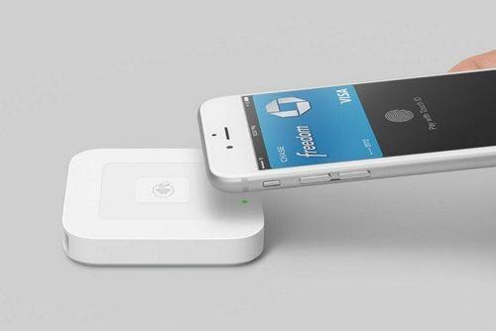
 | Selller | Cash Register |  |  | 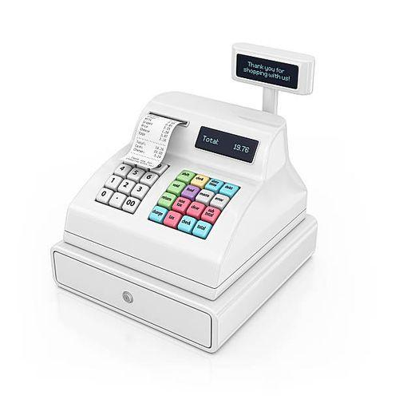
 | Selller | Mobile Payment System
 | Selller | Receipt Printer
 | Selller | Cash Drawer |  |  | 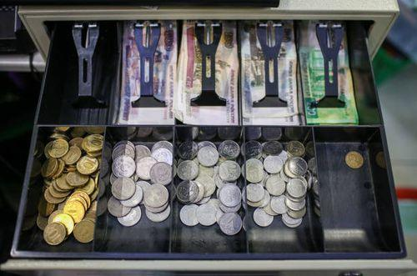
 | Selller | QR Code
 | Selller | Personal Protective Equipment (PPE) (anti-slip shoes, gloves, hair net, mask)
 | Selller | Readymade store environment
 | Selller | Fitting rooms |  |  | 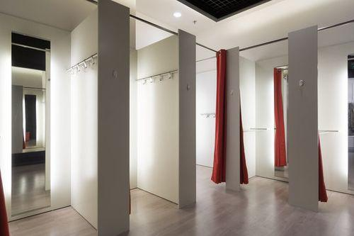
 | Selller | Clothing range, discarded packets, racks, bins |  |  | 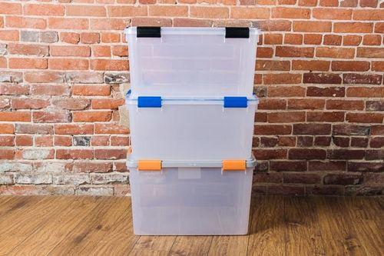
 | Selller | Hangers and organizers |  |  | 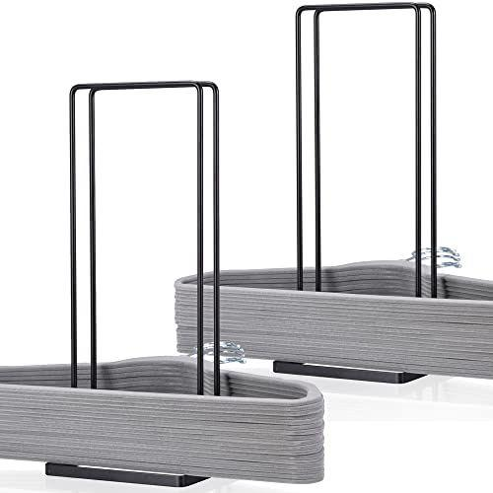
 | Selller | Demo models
 | Selller | Samples or displays
 | Selller | Product Labels
 | Selller | Product Displays
 | Selller | Membership brochure or flyer
 | Selller | Sample membership card
 | Selller | Gift Voucher Terms and Conditions
 | Selller | Laptop or tablet |  |  | 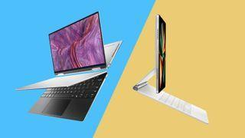
 | Selller | Presentation software
 | Selller | Product brochures
 | Selller | Calculator |  |  | 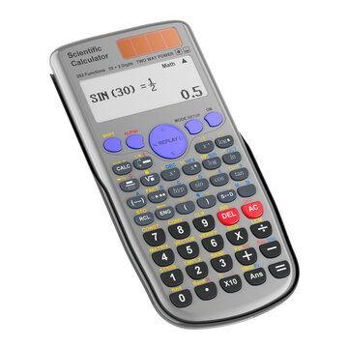
 | Selller | Quote generation software
 | Selller | 3D modeling software
 | Selller | Mouse or trackpad |  |  | 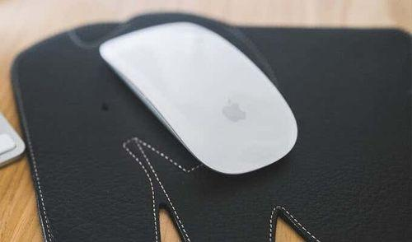
 | Selller | Fabric swatches |  |  | 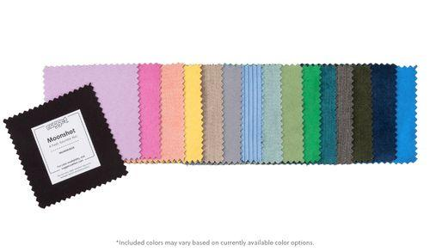
 | Selller | Style guide or pictures
 | Selller | Mirror
 | Selller | Order form
 | Selller | Premium calculator
 | Selller | Store Policy Documents
 | Selller | Delivery schedule or calendar
 | Selller | Customer's policy details
 | Selller | Online Comparison Tools

