Street Cleaner images for lab
 |  | Occupation - Street Cleaner
 |  | Tools/Equipment/Material list
S No | Tools/Equipment/Material Name | Image
1 | PPE - Nitrile gloves, Mask, safety goggles, Face shield | 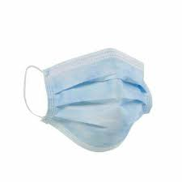 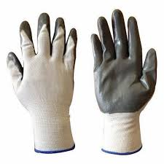 | YES | 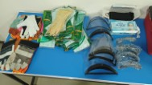
2 | Hard hat |  | YES | 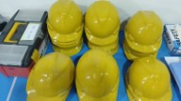
3 | First-aid kit which includes Antiseptic wipes, Sterile bandages, Adhesive Bandages | 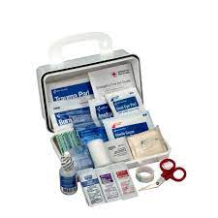 | YES | 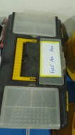
4 | Disposable nitrile gloves, waterproof gloves, disposable apron |  | YES | 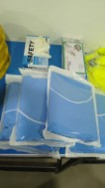
5 | Safety vest, Reflective jacket | 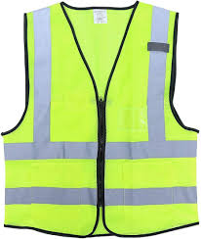 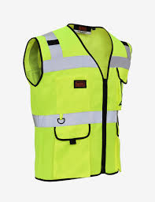 | YES | 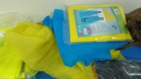
6 | Raincoat | 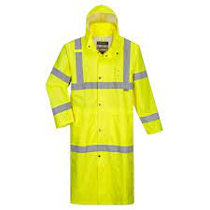 | YES | 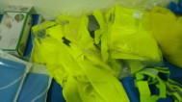
7 | Back support belt | 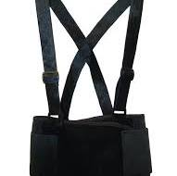 | YES | 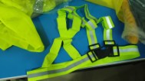
8 | Gum boots (PVC water proof) boots, Rubber boots | 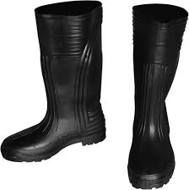 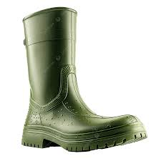 | YES | 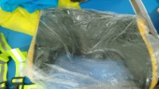
9 | Steel Toe shoes, closed toe safety shoes | 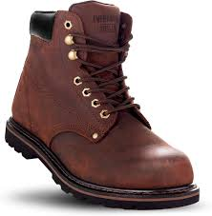 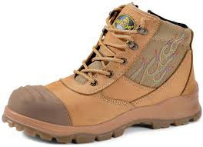 | YES | 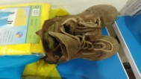
10 | Soft bristled broom | 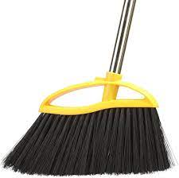 | YES | 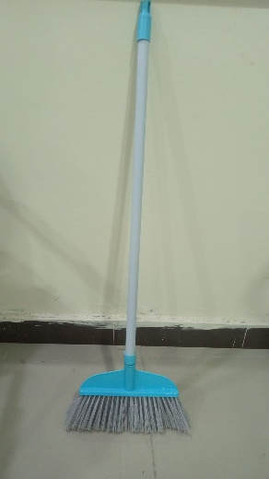
11 | Stiff bristled broom | 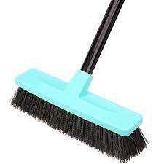 | YES | 
12 | Push broom | 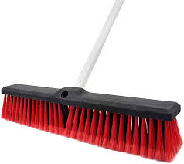 | YES | 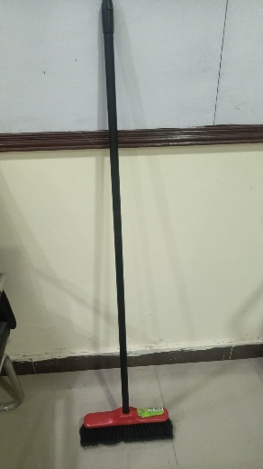
13 | Hand broom, long handled street broom | 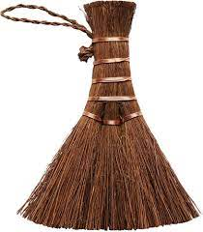 | YES | 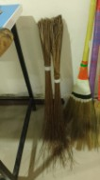
14 | Dust pan, Long handled dust pan | 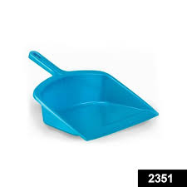 | YES | 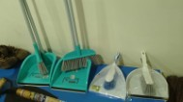
15 | Shovel, small shovel or scoop | 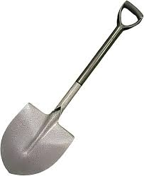 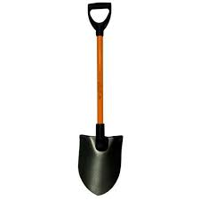 | YES | 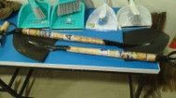
16 | Hand cart with lid | 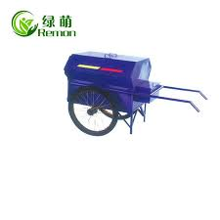 | YES | 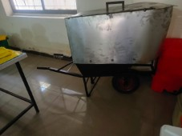 | 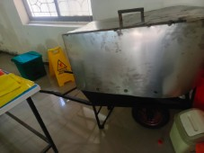
17 | Hand cart without lid | 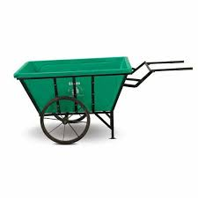 | YES | 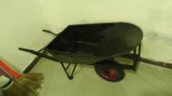
18 | Handcart with side panels | 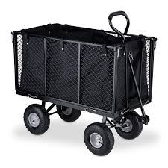 | YES | 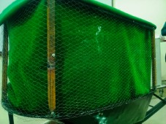 | 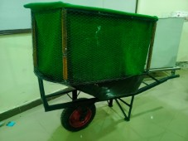 |  | 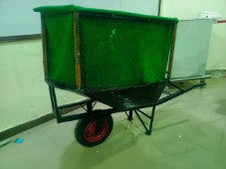
19 | Bin dolly | 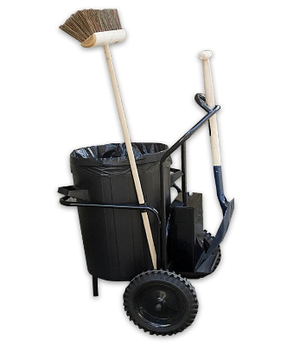 | YES | 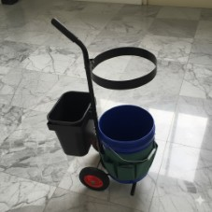
20 | Wire brush, Scrub brush |  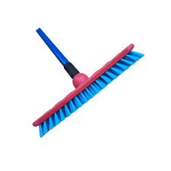 | YES | 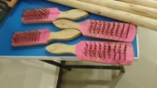
21 | Hand rake | 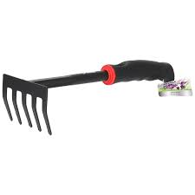 | YES | 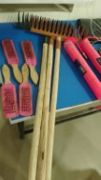
22 | Floor squeegee | 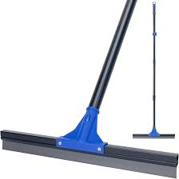 | YES | 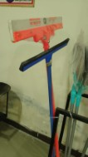
23 | Mop |  | YES | 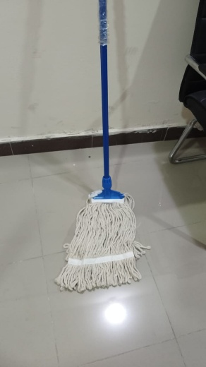
24 | Water hose with gun nozzle, High pressure water hose |   | YES | 
25 | Microfiber cloth, Cotton rag |   | YES | 
26 | Sharps container |  | YES | 
27 | Garbage liner |  | YES | 
28 | Heavy duty garbage bag, two sizes (one big size garbage sack to put the filled ones) |  | YES | 
29 | Colored garbage bags |  | YES | 
30 | Bio hazard waste bag |  | YES | 
31 | "Cleaning in progress" caution sign, "Do not touch" caution sign, "Work in progress" caution sign |   | YES | 
32 | "Out of use" caution sign |  | YES | 
33 | Handheld stop sign |  | YES | 
34 | Marked barrier tape - Do not enter, Caution tape |   | YES | 
35 | Sandbags |  | YES | 
36 | Flashlight |  | YES | 
37 | Tool rack |  | YES | 
38 | Safety expandable barricade, Reflective barricade, Safety cone |   | YES | 
39 | Spray bottle |  | YES | 
40 | Litter picker/garbage grabber |  | YES | 
41 | Garbage tong |  | YES | 
42 | Radio set/ walkie talkie |  | YES | 
43 | Locking chain |  | YES | 
44 | Mud scraper tool |  | YES
45 | Oil can |  | YES | 
46 | Hygiene kit with Hand sanitizer, soap, hand towel |  | YES | 
47 | Bucket, water, warm water, mild detergent for soapy water, multi-purpose cleaner, bio-degradable cleaning solution, disinfectant spray, Deodorizer |  | YES | 
48 | Forms - Segregation guide chart, Defect report form |  | YES |  |  |  |  | 
49 | Pen, notepad |  | YES |  | 

