Tile Setter
Sector name | Occupation name | Tools/Equipment/Supplies name | Images
Construction | Tile Setter | Measuring tape/rule
Construction | Tile Setter | Mason's line
Construction | Tile Setter | Plumb bob
Construction | Tile Setter | Try square
Construction | Tile Setter | Mortar pan
Construction | Tile Setter | Steel Compass (Geometrical) for drawing circular shapes in building plans
Construction | Tile Setter | Straight edge (Aluminium)
Construction | Tile Setter | Wood/rubber mallet
Construction | Tile Setter | Line and pins
Construction | Tile Setter | Spirit level
Construction | Tile Setter | Water level
Construction | Tile Setter | Trowel set (such as: Normal Mason's Trowel, Square notch trowel, corner trowel, Pointer trowel and V notched trowel)
Construction | Tile Setter | Hammer
Construction | Tile Setter | Mallet
Construction | Tile Setter | Wedges and pins
Construction | Tile Setter | Power wet saw
Construction | Tile Setter | Tile scribe or hand held tile cutter
Construction | Tile Setter | Sieve
Construction | Tile Setter | Rubber grout float
Construction | Tile Setter | Tile trims/tile strips - Assorted
Construction | Tile Setter | Assorted spacers- H,U,T shaped
Construction | Tile Setter | Mixing platform (3’x5’) and mixing pan
Construction | Tile Setter | Wire brush
Construction | Tile Setter | Sand bucket
Construction | Tile Setter | Sand
Construction | Tile Setter | Cement
Construction | Tile Setter | Grout Premixed, sanded grout, unsanded grout, Epoxy
Construction | Tile Setter | Tile sealant
Construction | Tile Setter | Cleaning sponge
Construction | Tile Setter | Assorted tiles - Porcelain, Ceramic and Mosaic
Construction | Tile Setter | Wheelbarrow
Construction | Tile Setter | Indoor Ladder/Exterior ladder
Construction | Tile Setter | Tile able room with countertop, a sink a drain and faucet for water supply
Protective Equipment & Wear
Construction | Tile Setter | Reflective jacket or Jumpsuit with multiple pockets and reflective bands
Construction | Tile Setter | Full body harness with lanyard
Construction | Tile Setter | Ear protection (Ear Muffs or Corded Foam disposable Ear plugs) | 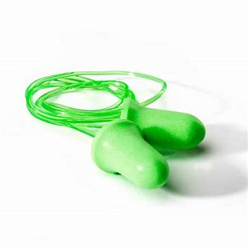
Construction | Tile Setter | Face mask (For light duty grouting)
Construction | Tile Setter | HEPA filter Respirator (For heavy duty tile cutting, cement unloading/mixing)
Construction | Tile Setter | Protective Safety Glasses/Goggles | 
Construction | Tile Setter | Industrial Safety boots | 
Construction | Tile Setter | Toe-Guards (If safety boots do not have steel toes) | 
Construction | Tile Setter | Polypropylene Safety Hat (When working at construction site, at all times) | 
Construction | Tile Setter | Welding helmet/Helmet (When using a Wet Saw to cut tiles)
Construction | Tile Setter | Elbow and knee guards (When laying tiles on floor) | 
Construction | Tile Setter | Leather gloves (for picking up, lowering tiles) | 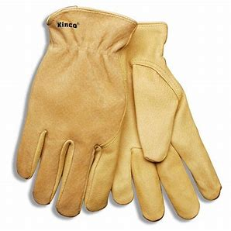
Construction | Tile Setter | Rubber gloves (when mixing grout, mortar)
Emergency Protection and Warning Equipment
Construction | Tile Setter | Fire prevention Kit (Containing fire blanket, Heat Resistant Gloves, Escape Rope, Glass Hammer, Glow Sticks, Flashlight, First Aid Supplies with Burn Injury Care Treatment and More) | 
Construction | Tile Setter | Fire extinguisher (Hand held or Wall mounted)
Construction | Tile Setter | First aid box
Construction | Tile Setter | Safety tags | 
Construction | Tile Setter | Safety notice board /safety message board | 
Construction | Tile Setter | Barricade Cones
Construction | Tile Setter | Warning Signs (Wet Floor, Construction Work in Progress)

