Table 1
Sector Name | Occupation name | Equipment name | Minimum number of equipment required (per batch of 30 trainees) | Unit type | Images
 | Trailer-truck Driver | Truck (hazardous materials)
 | Trailer-truck Driver | Labels for hazardous cargo |  | 
 | Trailer-truck Driver | Pre-trip inspection checklist
 | Trailer-truck Driver | Tire pressure gauge |  | 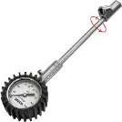
 | Trailer-truck Driver | Flashlight |  | 
 | Trailer-truck Driver | PPE (Personal Protective Equipment) including reflective safety vest, N95 masks, cut-resistant gloves, safety boots |  | 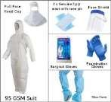
 | Trailer-truck Driver | Truck (dry van)
 | Trailer-truck Driver | Truck (auto transport)
 | Trailer-truck Driver | Truck (container)
 | Trailer-truck Driver | Load capacity chart
 | Trailer-truck Driver | Scale |  | 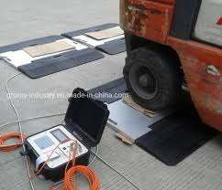
 | Trailer-truck Driver | Load distribution software
 | Trailer-truck Driver | Axle weight calculator
 | Trailer-truck Driver | Maintenance log
 | Trailer-truck Driver | Oil change kit |  | 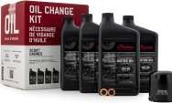
 | Trailer-truck Driver | Filter replacement kit |  | 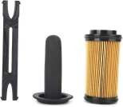
 | Trailer-truck Driver | Food and water supplies
 | Trailer-truck Driver | Mobile phone
 | Trailer-truck Driver | Long-haul documentation
 | Trailer-truck Driver | Cargo securing equipment |  | 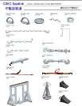
 | Trailer-truck Driver | Long-haul route plan
 | Trailer-truck Driver | Spare parts
 | Trailer-truck Driver | Mountain driving checklist
 | Trailer-truck Driver | Engine fan |  | 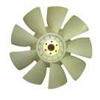
 | Trailer-truck Driver | Tire chains |  | 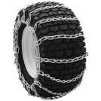
 | Trailer-truck Driver | Truck (automatic transmission)
 | Trailer-truck Driver | Downhill driving checklist
 | Trailer-truck Driver | Low gear settings
 | Trailer-truck Driver | Engine brakes
 | Trailer-truck Driver | Weather monitoring tools
 | Trailer-truck Driver | Emergency kit |  | 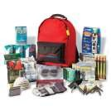
 | Trailer-truck Driver | Gravel road driving checklist
 | Trailer-truck Driver | Mud tires |  | 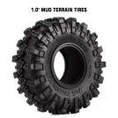
 | Trailer-truck Driver | Traction control tools
 | Trailer-truck Driver | Brake check tools
 | Trailer-truck Driver | Hazard lights |  | 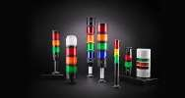
 | Trailer-truck Driver | Snow shovel |  |  | 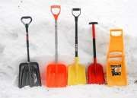
 | Trailer-truck Driver | Windshield wipers |  | 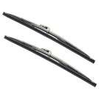
 | Trailer-truck Driver | Headlights
 | Trailer-truck Driver | Traction control systems
 | Trailer-truck Driver | Air filters |  | 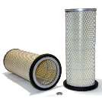
 | Trailer-truck Driver | Emergency toolkit |  | 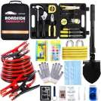
 | Trailer-truck Driver | Flares or reflective triangles |  | 
 | Trailer-truck Driver | Emergency contact list
 | Trailer-truck Driver | Spare tire
 | Trailer-truck Driver | Jack |  | 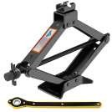
 | Trailer-truck Driver | Wrench set |  | 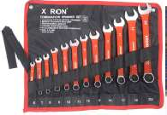
 | Trailer-truck Driver | Fire extinguisher
 | Trailer-truck Driver | Towing service contact
 | Trailer-truck Driver | Tie-down straps |  | 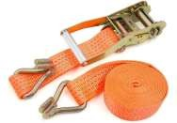
 | Trailer-truck Driver | Tarps |  | 
 | Trailer-truck Driver | Edge protectors |  | 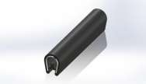
 | Trailer-truck Driver | Load bars |  | 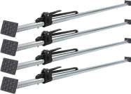
 | Trailer-truck Driver | Anti-slip mats |  | 
 | Trailer-truck Driver | Lashing chains |  | 
 | Trailer-truck Driver | Coil racks |  | 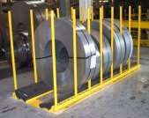
 | Trailer-truck Driver | Cargo Nets |  | 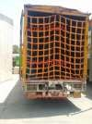
 | Trailer-truck Driver | Forklift |  | 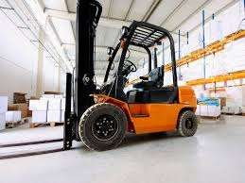
 | Trailer-truck Driver | Pallet jack
 | Trailer-truck Driver | Ramps |  | 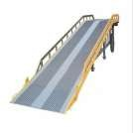
 | Trailer-truck Driver | Conveyor belt |  | 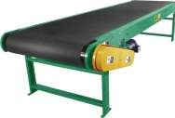
 | Trailer-truck Driver | Safety barriers |  | 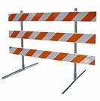
 | Trailer-truck Driver | Crane
 | Trailer-truck Driver | Load binders |  | 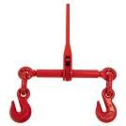
 | Trailer-truck Driver | Shrink wrap |  | 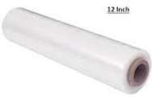
 | Trailer-truck Driver | Loading dock |  | 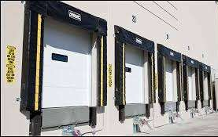
 | Trailer-truck Driver | Dock leveller |  | 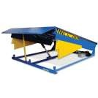
 | Trailer-truck Driver | Security clearance documents
 | Trailer-truck Driver | ID badges
 | Trailer-truck Driver | Airport security clearance
 | Trailer-truck Driver | Cargo manifest
 | Trailer-truck Driver | Emergency response plan
 | Trailer-truck Driver | Hazard signs |  | 
 | Trailer-truck Driver | Logbook
 | Trailer-truck Driver | Electronic logging device (ELD) |  | 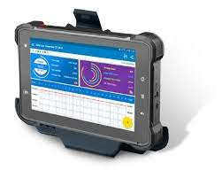
 | Trailer-truck Driver | Cleaning supplies |  | 
 | Trailer-truck Driver | Trash bags |  | 
 | Trailer-truck Driver | Refueling station access
 | Trailer-truck Driver | Fuel card |  | 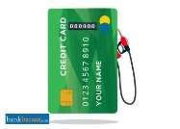
 | Trailer-truck Driver | Oil filter |  | 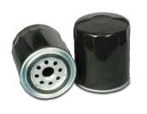
 | Trailer-truck Driver | Engine oil |  | 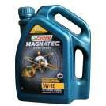
 | Trailer-truck Driver | Tire tread depth gauge |  | 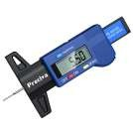
 | Trailer-truck Driver | Coolant
 | Trailer-truck Driver | Radiator cap |  | 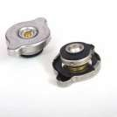
 | Trailer-truck Driver | Coolant tester |  | 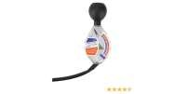
 | Trailer-truck Driver | Brake fluid
 | Trailer-truck Driver | Brake pads |  | 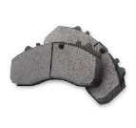
 | Trailer-truck Driver | Brake disc caliper tool |  | 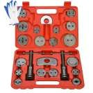
 | Trailer-truck Driver | Battery tester |  | 
 | Trailer-truck Driver | Terminal cleaner |  | 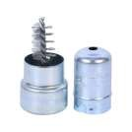
 | Trailer-truck Driver | Hydraulic fluid |  | 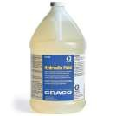
 | Trailer-truck Driver | Hydraulic hoses |  | 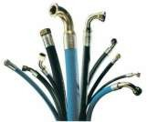
 | Trailer-truck Driver | Air filter housing |  | 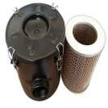
 | Trailer-truck Driver | Transmission fluid |  | 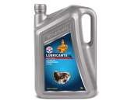
 | Trailer-truck Driver | Dipstick |  | 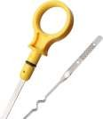
 | Trailer-truck Driver | Suspension components
 | Trailer-truck Driver | Grease gun |  | 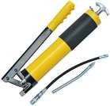
 | Trailer-truck Driver | Electrical system tester |  | 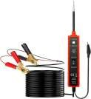
 | Trailer-truck Driver | Wiring diagram
 | Trailer-truck Driver | Fuse puller |  | 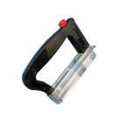
 | Trailer-truck Driver | Replacement fuses
 | Trailer-truck Driver | Multimeter |  | 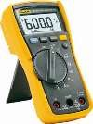
 | Trailer-truck Driver | Trailer truck
 | Trailer-truck Driver | Bungee cords |  | 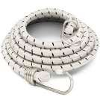
 | Trailer-truck Driver | Permits
 | Trailer-truck Driver | Flags
 | Trailer-truck Driver | Manual transmission knowledge
 | Trailer-truck Driver | Wide-angle mirrors |  | 
 | Trailer-truck Driver | Turn signals |  | 
 | Trailer-truck Driver | Backing dock
 | Trailer-truck Driver | Spotter |  |  | 
 | Trailer-truck Driver | Engine brake system
 | Trailer-truck Driver | Signaling devices
 | Trailer-truck Driver | Handheld radio
 | Trailer-truck Driver | Laser docking system |  | 
 | Trailer-truck Driver | Backup camera
 | Trailer-truck Driver | Jumper cables |  | 
 | Trailer-truck Driver | Replacement battery
 | Trailer-truck Driver | Fuel filter |  | 
 | Trailer-truck Driver | Fuel filter wrench |  | 
 | Trailer-truck Driver | Fuel additive |  | 
 | Trailer-truck Driver | Oil filter wrench |  | 
 | Trailer-truck Driver | Drain pan |  | 
 | Trailer-truck Driver | Hose clamps |  | 
 | Trailer-truck Driver | Parking brake
 | Trailer-truck Driver | Clutch
 | Trailer-truck Driver | Accelerator

Table 2
 Real Images | Availability
Available
Available
Available



Available
Available

Available

Available


Available
Available
Available
Available

Available
Available
Available
Available


Available
Available
Available
Available


Available
Available
Available
Available



Available
Available
Available
Available


Available
Available
Available
Available
Available
Available
Available
Available

Available
Available
Available
Available

Available
Available
Available
Available

  
Available
Available
Available
Available


Available
Available
Available
Available




Available
Available
Available
Available

Available
Available
Available
Available

 
Available
Available

Available
Available

Available
Available
Available
Available

Available
Available
Available


Available

Available
Available
Available

Available

Available
Available
Available
Available





Available
Available

Available
Available
Available
Available
Available
Available
Available
Available
Available
Available

Available
Available
Available
Available

Available
Available
Available


Available


Available
Available
Available

Available

Available

Available
Available
Available
Available
Available
Available
Available

Available
Available
Available
Available


Available
Available
Available
Available




Available
Available
Available
Available


Available
Available
Available
Available

