Table 1
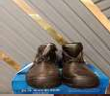
Occupation - Transport BIKE Worker Tools/Equipment/Material list
S No | Tools/Equipment/Material Name | Image
1 | PPE - N-G5 mask, Disposable mask,
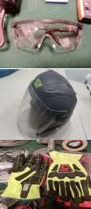
2 | PPE - Disposable nitrile gloves, safety goggles
3 | Full face helmet
4 | Protective gloves (Full gauntlet)
5 | Elbow and knee guards
6 | Motorcycle riding boots

Table 2
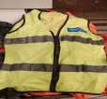
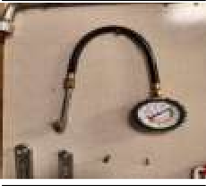
7 | Reflective jacket or high visibility reflective vest
8 | Water resistant jacket
9 | Tire pressure gauge
10 | Brake fluid testing tool
11 | Flashlight
12 | Motorcycle delivery box with locking mechanism

Table 3
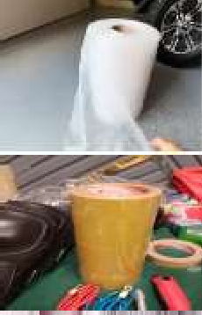
13 | Waterproof delivery bag
14 | Insulated delivery bag with compartments, Double-walled insulated food delivery box
15 | Pre-heated delivery box
16 | Leak-proof plastic containers
17 | Food-grade containers
18 | Bubble wrap
19 | Packing tape

Table 4
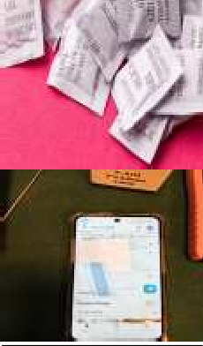
20 | Silica gel packets
21 | Smart phone with GPS facility
22 | Brown corrugated boxes for delivery
23 | Foam padding
24 | Hand sanitizer
25 | Food-safe disinfectant spray

Table 5
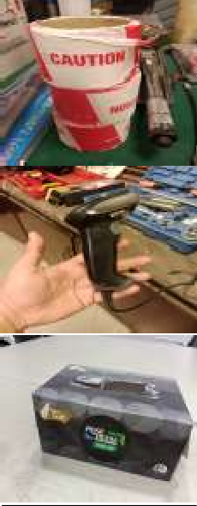
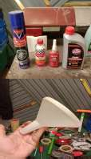
26 | Fragile stickers
27 | Barcode scanner
28 | Napkins or wipes
29 | Food safe microfiber cleaning rags, spill absorbent pads/cloth
30 | Point-of-sales (POS) machine with paper roll
31 | Money belt pouch with cash and change
32 | Bungee cords

33 | Motorcycle essentials - Engine oil, Chain lubricant, funnel, Brake fuel
34 | Funnel for adding lubricant of oil
35 | Bike tool kit with basic tools (spanner, screwdriver, pliers, wrench)
36 | Bouquet wrapping sleeve
37 | Floral water tubes
38 | Bouquet holder for delivery
39 | Garment delivery covers

Table 6
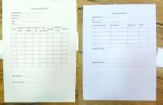
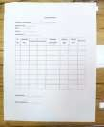
40 | Laundry labels/tags, Permanent marker
41 | Vegetable net bags
42 | Delivery motorbike with a container on the back
43 | Documents and booklets - Delivery manifest, Delivery schedule list, Bike inspection checklist, Package return checklist, Receipt booklet, Daily delivery logbook, Motorcycle manual, sheet with names for signatures
44 | Items for deliveries - Document in a sealed envelope for delivery, Head phone, Cold dessert, Hot and cold food orders, Smart phone, Hot food in food grade boxes, Gym weight sets, High value electronics item, Sealed parcels, Multiple packed food orders, Fragile items boxes, Multiple delivery parcels, Three orders of burger, pizza, French fries and ice-cream, Small box with car auto parts, Gift basket package, Chocolate box, Bouquet, Garments and laundry for delivery, Egg tray, Vegetables packets, Milk packets, 50 labeled invitation cards | 