Truck Driver
Sector Name | Occupation name | Equipment name | Minimum number of equipment required (per batch of 30 trainees) | Unit type | Images
 | Truck Driver | Truck (refrigerated) |  |  | 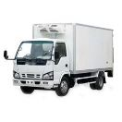
 | Truck Driver | Pre-trip inspection checklist
 | Truck Driver | Tire pressure gauge |  |  | 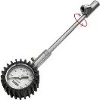
 | Truck Driver | Flashlight |  |  | 
 | Truck Driver | PPE (Personal Protective Equipment) including reflective safety vest, N95 masks, cut-resistant gloves, safety boots |  |  | 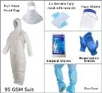
 | Truck Driver | Truck (hazardous materials)
 | Truck Driver | Labels for hazardous cargo |  |  | 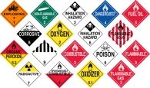
 | Truck Driver | Truck (livestock)
 | Truck Driver | Truck (flatbed)
 | Truck Driver | Truck (tanker)
 | Truck Driver | Truck (dry van)
 | Truck Driver | Truck (auto transport)
 | Truck Driver | Load capacity chart
 | Truck Driver | Scale |  |  | 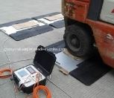
 | Truck Driver | Load distribution software
 | Truck Driver | Axle weight calculator
 | Truck Driver | Journey planning software
 | Truck Driver | Fuel card |  |  | 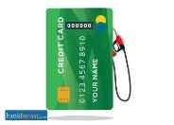
 | Truck Driver | Spare parts |  |  | 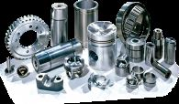
 | Truck Driver | Local maps
 | Truck Driver | Emergency contact list
 | Truck Driver | Mobile phone
 | Truck Driver | Weather app
 | Truck Driver | Extra fuel
 | Truck Driver | Blankets
 | Truck Driver | Food supplies
 | Truck Driver | Navigation system
 | Truck Driver | Tire repair kit |  |  | 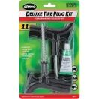
 | Truck Driver | Emergency flares
 | Truck Driver | Maintenance log
 | Truck Driver | Oil change kit |  |  | 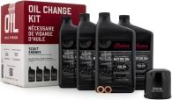
 | Truck Driver | Filter replacement kit |  |  | 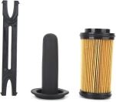
 | Truck Driver | Local delivery documents
 | Truck Driver | GPS |  |  | 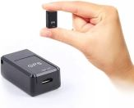
 | Truck Driver | Long-haul documentation
 | Truck Driver | Cargo securing equipment |  |  | 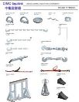
 | Truck Driver | Local delivery route
 | Truck Driver | Checklist
 | Truck Driver | Route map
 | Truck Driver | Local area knowledge
 | Truck Driver | Long-haul route plan
 | Truck Driver | Mountain driving checklist
 | Truck Driver | Engine fan |  |  | 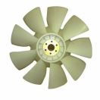
 | Truck Driver | Tire chains |  |  | 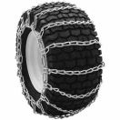
 | Truck Driver | Truck (automatic transmission)
 | Truck Driver | Downhill driving checklist
 | Truck Driver | Low gear settings
 | Truck Driver | Engine brakes
 | Truck Driver | Weather monitoring tools
 | Truck Driver | Emergency kit |  |  | 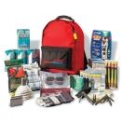
 | Truck Driver | Gravel road driving checklist
 | Truck Driver | Rural driving checklist
 | Truck Driver | Road condition monitoring tools
 | Truck Driver | Mud tires |  |  | 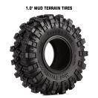
 | Truck Driver | Traction control tools |  |  | 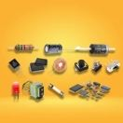
 | Truck Driver | Snow shovel |  |  | 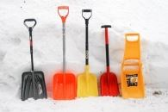
 | Truck Driver | Windshield wipers |  |  | 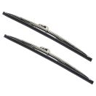
 | Truck Driver | Headlights
 | Truck Driver | Traction control systems
 | Truck Driver | Air filters |  |  | 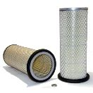
 | Truck Driver | Emergency toolkit |  |  | 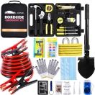
 | Truck Driver | Flares or reflective triangles |  |  | 
 | Truck Driver | Spare tire
 | Truck Driver | Jack |  |  | 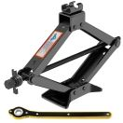
 | Truck Driver | Wrench set |  |  | 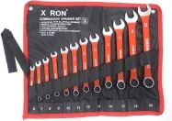
 | Truck Driver | Fire extinguisher
 | Truck Driver | Towing service contact
 | Truck Driver | Basic toolkit |  |  | 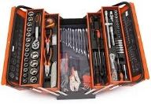
 | Truck Driver | Tie-down straps |  |  | 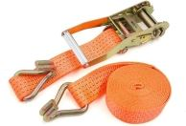
 | Truck Driver | Tarps |  |  | 
 | Truck Driver | Edge protectors |  |  | 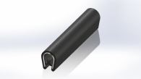
 | Truck Driver | Load bars |  |  | 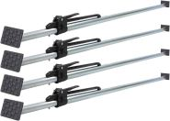
 | Truck Driver | Anti-slip mats |  |  | 
 | Truck Driver | Lashing chains
 | Truck Driver | Coil racks |  |  | 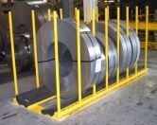
 | Truck Driver | Cargo Nets
 | Truck Driver | Forklift |  |  | 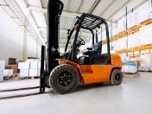
 | Truck Driver | Conveyor belt |  |  | 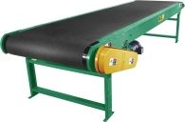
 | Truck Driver | Safety barriers, cones etc |  |  | 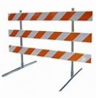
 | Truck Driver | Crane
 | Truck Driver | Load binders |  |  | 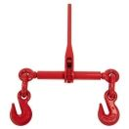
 | Truck Driver | Shrink wrap |  |  | 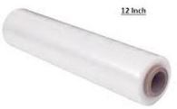
 | Truck Driver | Loading dock |  |  | 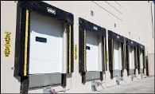
 | Truck Driver | Dock leveller |  |  | 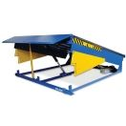
 | Truck Driver | Ramps |  |  | 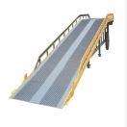
 | Truck Driver | Dollies |  |  | 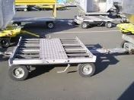
 | Truck Driver | Post-trip inspection checklist
 | Truck Driver | Trash bags |  |  | 
 | Truck Driver | Tire tread depth gauge |  |  | 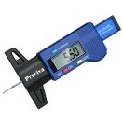
 | Truck Driver | Coolant
 | Truck Driver | Radiator cap |  |  | 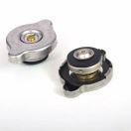
 | Truck Driver | Coolant tester |  |  | 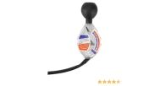
 | Truck Driver | Brake fluid
 | Truck Driver | Brake pads |  |  | 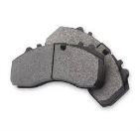
 | Truck Driver | Brake disc caliper tool |  |  | 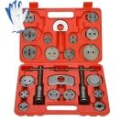
 | Truck Driver | Battery tester |  |  | 
 | Truck Driver | Terminal cleaner |  |  | 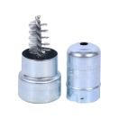
 | Truck Driver | Hydraulic fluid |  |  | 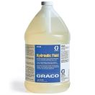
 | Truck Driver | Hydraulic hoses |  |  | 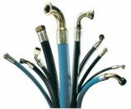
 | Truck Driver | Air filter housing |  |  | 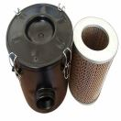
 | Truck Driver | Transmission fluid |  |  | 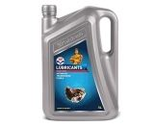
 | Truck Driver | Dipstick |  |  | 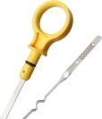
 | Truck Driver | Suspension components
 | Truck Driver | Grease gun |  |  | 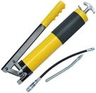
 | Truck Driver | Electrical system tester |  |  | 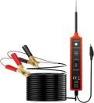
 | Truck Driver | Wiring diagram
 | Truck Driver | Fuse puller |  |  | 
 | Truck Driver | Replacement fuses
 | Truck Driver | Multimeter
 | Truck Driver | Trailer truck
 | Truck Driver | Bungee cords |  |  | 
 | Truck Driver | Permits
 | Truck Driver | Flags
 | Truck Driver | Manual transmission knowledge
 | Truck Driver | Wide-angle mirrors |  |  | 
 | Truck Driver | Turn signals |  |  | 
 | Truck Driver | Backing dock
 | Truck Driver | Spotter |  |  | 
 | Truck Driver | Engine brake system
 | Truck Driver | Signaling devices |  |  | 
 | Truck Driver | Handheld radio
 | Truck Driver | Laser docking system |  |  | 
 | Truck Driver | Backup camera
 | Truck Driver | Jumper cables |  |  | 
 | Truck Driver | Replacement battery
 | Truck Driver | Fuel filter |  |  | 
 | Truck Driver | Fuel filter wrench |  |  | 
 | Truck Driver | Fuel additive |  |  | 
 | Truck Driver | Oil filter wrench |  |  | 
 | Truck Driver | Drain pan |  |  | 
 | Truck Driver | Hose clamps |  |  | 
 | Truck Driver | Parking brake
 | Truck Driver | Clutch
 | Truck Driver | Accelerator
 | Truck Driver | Spark plugs |  |  | 
 | Truck Driver | Spark plug socket |  |  | 
 | Truck Driver | Ignition coil tester |  |  | 
 | Truck Driver | Driver Vehicle Inspection Report (DVIR) form
 | Truck Driver | Inspection tools

