UOW images for lab
S No | Tools/Equipment & Consumables | Image
1 | Insulated screwdriver | 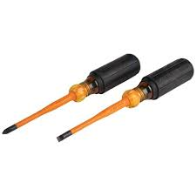
2 | Wire cutter | 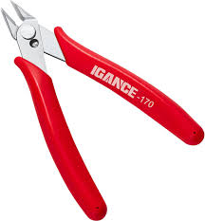
3 | Tester - Voltage tester | 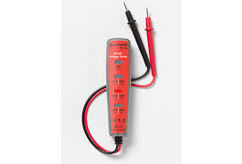
4 | Tester - Non contact voltage tester | 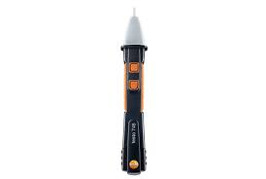
5 | Continuity tester | 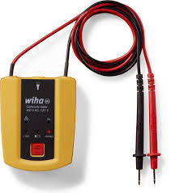
6 | Multimeter | 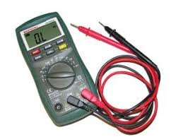
7 | Power outlet tester | 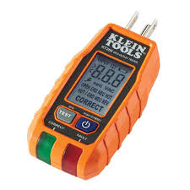
8 | Screwdriver set | 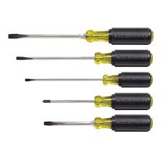
9 | Corded Drill | 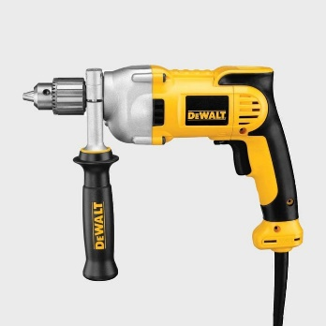
10 | Power Drill | 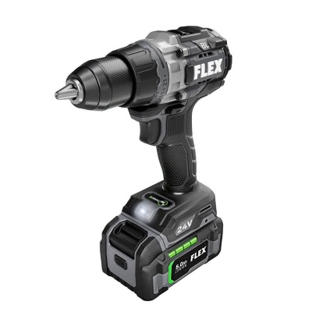
11 | Pipe wrench | 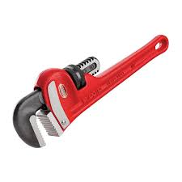
12 | Pipe cutter | 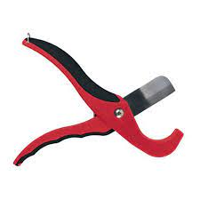
13 | Adjustable wrench | 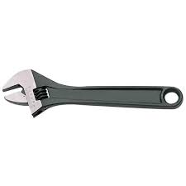
14 | Allen Wrench\ Hex key set | 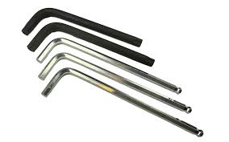
15 | Claw Hammer | 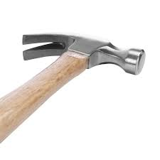
16 | Drywall hammer | 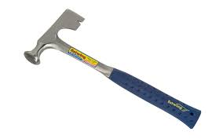
17 | Chisel set | 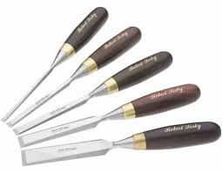
18 | Putty knife | 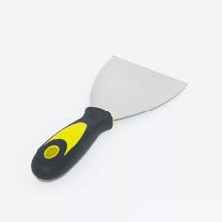
19 | Measuring tape | 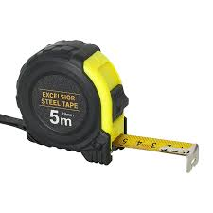
20 | Electrical tape | 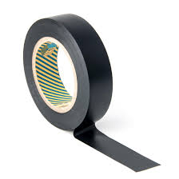
21 | Calculator
22 | Pencil
23 | Scraper
24 | Small paintbrush | 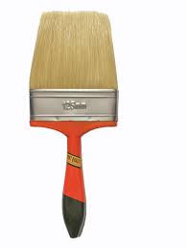
25 | Trowel | 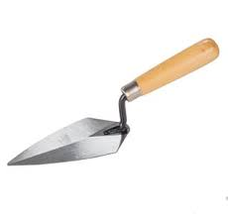
26 | Sanding block | 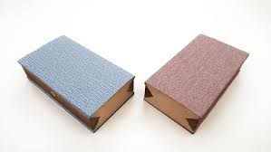
27 | Lubricant spray | 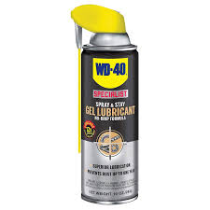
28 | Lubricant oil | 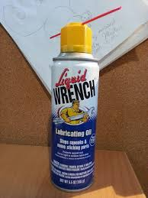
29 | Spanner set | 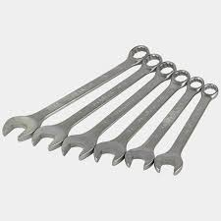 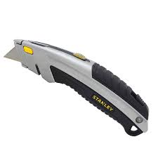
30 | Utility knife
31 | Carpet stretcher | 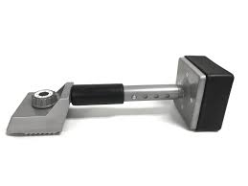
32 | Carpet adhesive
33 | Pressure washer | 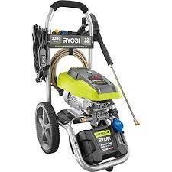
34 | High pressure water hose | 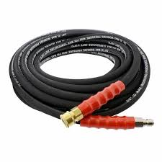
35 | AC coil and Filter cleaning brush | 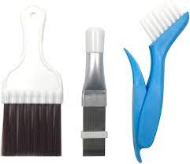
36 | Flashlight | 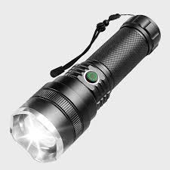
37 | Air compressor for cleaning tools | 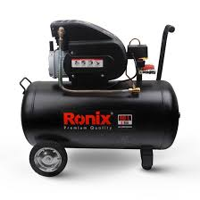
38 | Leaf blower | 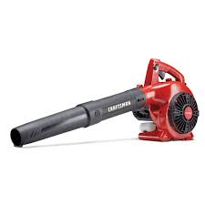
39 | Oil can | 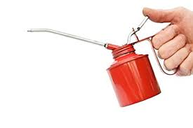
40 | WIFI router | 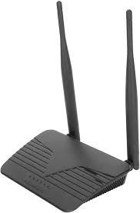
41 | TV Wall mount bracket | 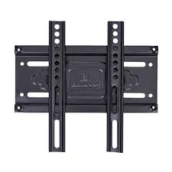
42 | TV Desk mount stand | 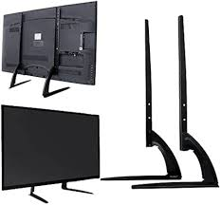
43 | Cable ties | 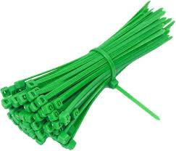
44 | Adhesive cable clips | 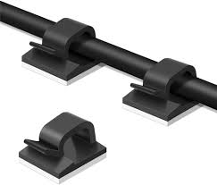
45 | Wire sleeves | 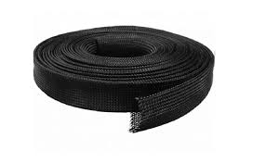
46 | Wire trunking channels | 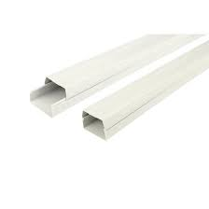
47 | Spirit level | 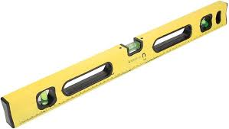
48 | Microfiber cloth | 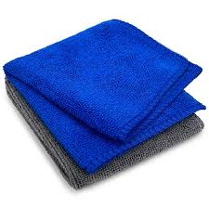
49 | Sponge | 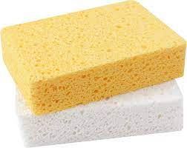
50 | Broom | 
51 | Vacuum cleaner with brush attachment | 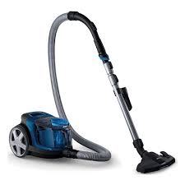
52 | PPE - Raven Black Nitrile Disposable Gloves | 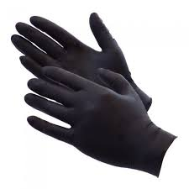
53 | Disposable Dust mask | 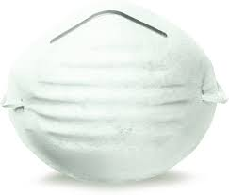
54 | Safety boots | 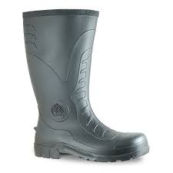
55 | Ear plugs | 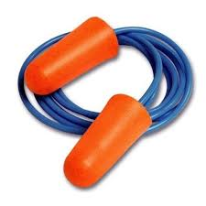
56 | Safety glasses | 
57 | Knee pads | 
58 | Gas leak detection spray | 
59 | Gas pressure gauge | 
60 | Gas flow meter | 
61 | Coffee machine descaling solution | 
62 | Vacuum cleaner bag | 
63 | Gas hose | 
64 | Tile cutter | 
65 | Logbook
66 | Notched trowel | 
67 | Grout
68 | Tile adhesive
69 | Ceramic tiles | 
70 | Cement
71 | Gravel
72 | Bucket
73 | Wire mesh (for fence) | 
74 | Pliers set | 
75 | Clamps (C, F, Strap, spring)
76 | Bricks
77 | Plywood sheet | 
78 | Circular Saw | 
79 | Jigsaw | 
80 | Scissors | 
81 | Washing machine |  | Equipment
82 | Refrigerator unit | 
83 | Commercial Gas stove unit | 
84 | Office projector | 
85 | Electrical kettle | 
86 | Microwave oven | 
87 | Table lamp | 
88 | Rangehood | 
89 | Electric Coffee maker | 
90 | Paint

