Workshop Worker Lab images
S. No | Tools | Image
1 | Welding machine (generic) | 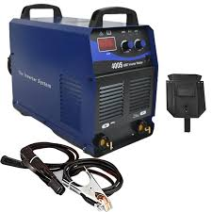
2 | MIG Welding machine | 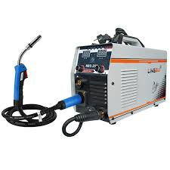
3 | TIG welding machine | 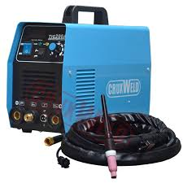
4 | Oxy-acetylene cutting torch | 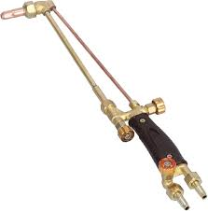
5 | Spark lighter | 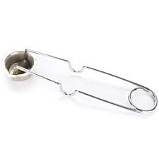
6 | Propane torch | 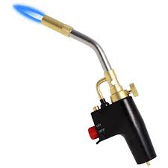
7 | Welding clamp set (C, F, Ground, Tack, cleats, magnetic etc) | 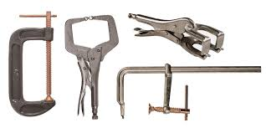
8 | Wire brush | 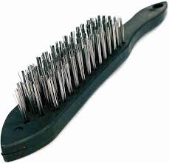
9 | MIG welding plier | 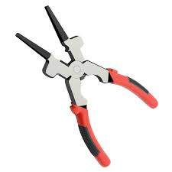
10 | Chipping hammer | 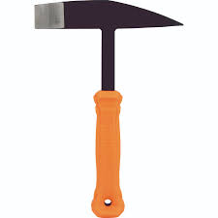
11 | Marking gauge - Weld gauge | 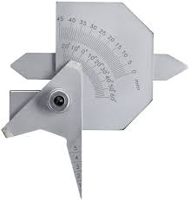
12 | Marking gauge - Sheet metal gauge | 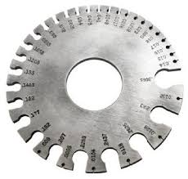
13 | Combination square | 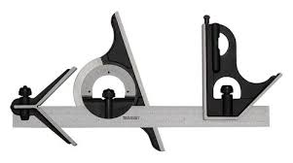
14 | Speed square | 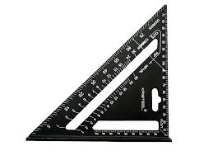
15 | Marking knife | 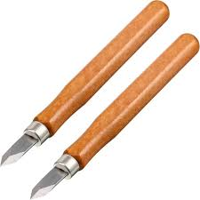
16 | Carpenter's pencil | 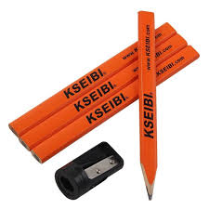
17 | Height gauge | 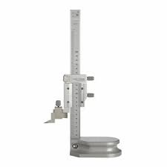
18 | Digital caliper
19 | Steel ruler | 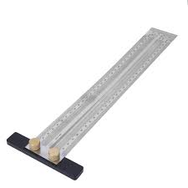
20 | Center punch | 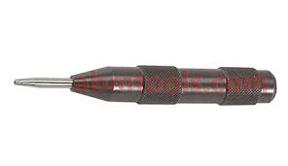
21 | Chalk line | 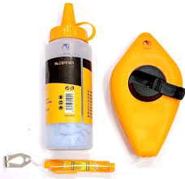
22 | Dial indicator | 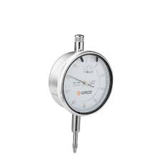
23 | Mechanic's stethoscope | 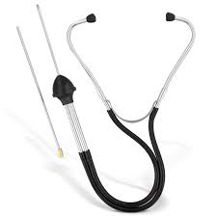
24 | Metric feeler gauge | 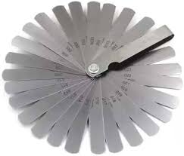
25 | Angle marking ruler | 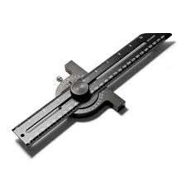
26 | Laser shaft alignment tool | 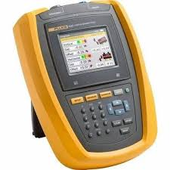
27 | Belt tension meter | 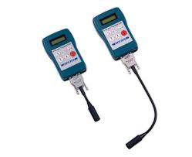
28 | Metal scribe | 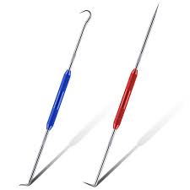
29 | Straight edge | 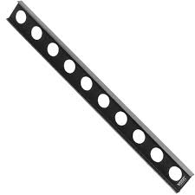
30 | Laser level | 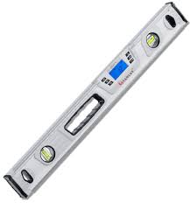
31 | Surface plate | 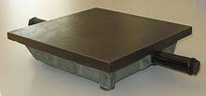
32 | Multimeter | 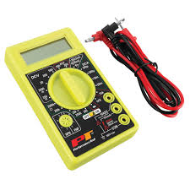
33 | Angle grinder | 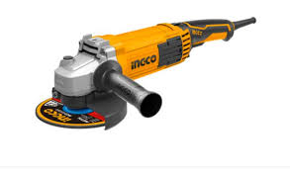
34 | Welding framing jig | 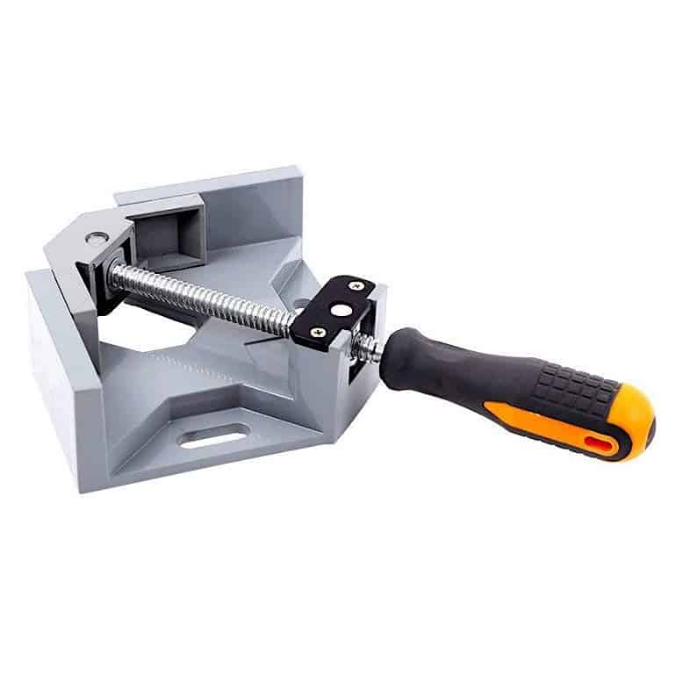
35 | Hydraulic press | 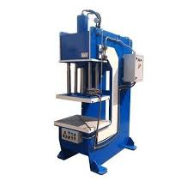
36 | Bench grinder | 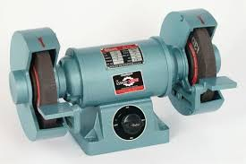
37 | Drill press | 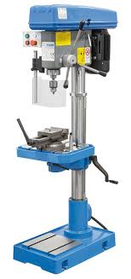
38 | Cordless drill | 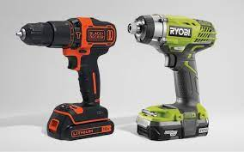
39 | Power drill | 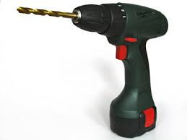
40 | Anvil | 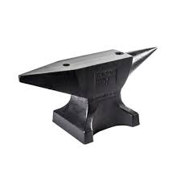
41 | Power hammer | 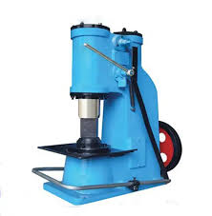
42 | Forge | 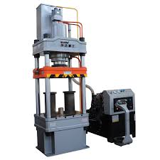
43 | Forging tongs (Bolt jaw, wolf jaw, flat jaw, double pickup) | 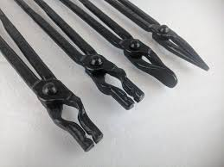
44 | Forging dies | 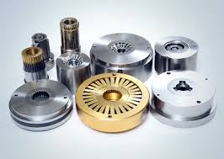
45 | Fuller tool | 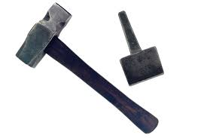
46 | Twisting wrench | 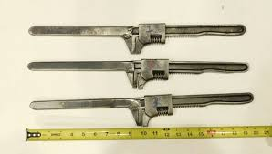
47 | Bending jig | 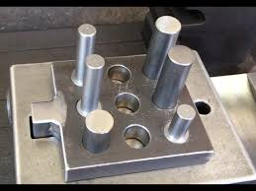
48 | Bending fork | 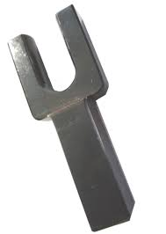
49 | Jigsaw | 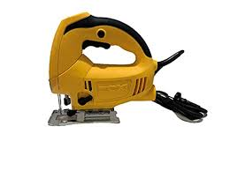
50 | Bandsaw | 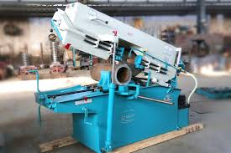
51 | Miter saw | 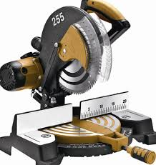
52 | Chop saw | 
53 | Pipe cutter | 
54 | Glass cutter - Fletcher | 
55 | Glass cutter - Vigrue | 
56 | Metal snip | 
57 | Block plane | 
58 | Heat gun | 
59 | Caulking gun | 
60 | Sandblasting machine | 
61 | Mechanical sander | 
62 | Punch and die set
63 | Press brake machine | 
64 | Offset tooling | 
65 | Bending wrench | 
66 | Precision grinding machine | 
67 | Milling machine | 
68 | Manual lathe machine | 
69 | CNC Milling machine | 
70 | Tool and cutter grinder | 
71 | Surface grinder | 
72 | CNC tool grinder | 
73 | (30) End mill cutter tool (for milling machines) | 
74 | Mortising attachment | 
75 | Mortising chisel drill bit set | 
76 | Sanding drum kit (For drill press) | 
77 | Countersink bit (drilling and finishing holes) | 
78 | Tool holder (for CNC tool grinder) | 
79 | (90) Magnetic chuck (used on grinding machines and surface grinders) | 
80 | Wrench set | 
81 | Allen wrenches (Hex key set) | 
82 | Sledge hammer | 
83 | Welding Plier
84 | Crimping plier | 
85 | Combination screwdriver set | 
86 | Cleaning brushes | 
87 | Sawhorse | 
88 | Bench vise | 
89 | Clamps - C Clamp | 
90 | Clamps - F clamp | 
91 | Clamps - Magnetic welding clamp | 
92 | Clamps - Cable cleats clamp | 
93 | Clamps - Toggle clamp | 
94 | Clamps -Pipe welding clamp | 
95 | Clamps - Ground clamp | 
96 | Sharpening tools - Grounding wheel | 
97 | Sharpening tools - Sharpening stone | 
98 | Grease gun | 
99 | High pressure washer | 
100 | Industrial Vacuum cleaner | 
101 | Flashlight | 
102 | Wooden toolbox | 
103 | Workbench | 
104 | Label marker | 
105 | Step ladder | 
106 | Shelving units
107 | Storage bins | 
108 | PPE kit - Welding helmet | 
109 | PPE Welding kit - MIG and TIG Gloves, sleeves, apron | 
 | PPE Kit | 
110 | Broom
111 | Dustpan
112 | Bucket

